LIQUID

 | DSP Liquidity Fund
 | Portfolio as on April 30, 2022

Sr. No. | Name of Instrument | ISIN | Rating/Industry | Quantity | Market value (Rs. In lakhs) | % to Net Assets | Maturity Date | Put/Call Option | YTM (%)

 | DEBT INSTRUMENTS
 | BOND & NCD's
 | Listed / awaiting listing on the stock exchanges |  |  |  |  |  |  |  |  | Sector/Rating | Percent
1 | LIC Housing Finance Limited** | INE115A07MG7 | CRISIL AAA | 1,100 | 11,700.69 | 1.27% | 15-Jul-2022 | - | 4.25 | CRISIL A1+ | 49.52%
2 | Export-Import Bank of India** | INE514E08FM3 | CRISIL AAA | 250 | 2,678.77 | 0.29% | 18-May-2022 | - | 3.99 | IND A1+ | 16.20%
3 | Housing Development Finance Corporation Limited** | INE001A07SM4 | CRISIL AAA | 150 | 1,601.71 | 0.17% | 19-May-2022 | - | 4.17 | SOV | 16.08%
 | Total |  |  |  | 15,981.17 | 1.73% |  |  |  | ICRA A1+ | 1.90%
 |  |  |  |  |  |  |  |  |  | CRISIL AAA | 1.73%
 | Government Securities (Central/State) |  |  |  |  |  |  |  |  | Cash & Equivalent | 14.57%
4 | 8.15% GOI 11062022 | IN0020120013 | SOV | 2,500,000 | 2,590.53 | 0.28% | 11-Jun-2022 |  | 3.90
 | Total |  |  |  | 2,590.53 | 0.28%

 | MONEY MARKET INSTRUMENTS
 | Certificate of Deposit
5 | HDFC Bank Limited** | INE040A16DB8 | IND A1+ | 8,500 | 42,226.64 | 4.59% | 29-Jun-2022 |  | 4.00
6 | Bank of Baroda** | INE028A16CR1 | IND A1+ | 4,000 | 19,991.24 | 2.17% | 05-May-2022 |  | 4.00
7 | Indian Bank** | INE562A16KH3 | IND A1+ | 4,000 | 19,871.10 | 2.16% | 29-Jun-2022 |  | 4.01
8 | HDFC Bank Limited** | INE040A16CW6 | IND A1+ | 4,000 | 19,810.62 | 2.15% | 25-Jul-2022 |  | 4.11
9 | Axis Bank Limited** | INE238A162X6 | CRISIL A1+ | 2,000 | 9,948.75 | 1.08% | 17-Jun-2022 |  | 4.00
10 | IDFC First Bank Limited** | INE092T16RV7 | CRISIL A1+ | 2,000 | 9,941.58 | 1.08% | 22-Jun-2022 |  | 4.12
11 | Bank of Baroda** | INE028A16CN0 | IND A1+ | 1,500 | 7,492.61 | 0.81% | 10-May-2022 |  | 4.00
12 | Canara Bank** | INE476A16SW8 | CRISIL A1+ | 1,500 | 7,468.32 | 0.81% | 09-Jun-2022 |  | 3.97
13 | Axis Bank Limited** | INE238A160Y8 | CRISIL A1+ | 1,000 | 4,999.45 | 0.54% | 02-May-2022 |  | 4.02
14 | Axis Bank Limited** | INE238A161W0 | CRISIL A1+ | 5,000 | 4,993.44 | 0.54% | 13-May-2022 |  | 4.00
15 | Canara Bank** | INE476A16SO5 | CRISIL A1+ | 1,000 | 4,991.34 | 0.54% | 17-May-2022 |  | 3.96
 | Total |  |  |  | 151,735.09 | 16.47%

 | Commercial Papers
 | Listed / awaiting listing on the stock exchanges
16 | Kotak Mahindra Prime Limited** | INE916D141E6 | CRISIL A1+ | 12,000 | 59,965.92 | 6.52% | 06-May-2022 |  | 4.15
17 | Reliance Retail Ventures Limited** | INE929O14602 | CRISIL A1+ | 8,000 | 39,822.40 | 4.33% | 10-Jun-2022 |  | 4.07
18 | Tata Steel Limited** | INE081A14CK0 | IND A1+ | 8,000 | 39,739.20 | 4.32% | 28-Jun-2022 |  | 4.13
19 | LIC Housing Finance Limited** | INE115A14DN8 | CRISIL A1+ | 6,000 | 29,965.53 | 3.26% | 11-May-2022 |  | 4.20
20 | Housing Development Finance Corporation Limited** | INE001A14YM8 | CRISIL A1+ | 6,000 | 29,822.58 | 3.24% | 23-Jun-2022 |  | 4.10
21 | ICICI Securities Limited** | INE763G14LX4 | CRISIL A1+ | 5,000 | 24,867.03 | 2.70% | 15-Jun-2022 |  | 4.34
22 | ICICI Securities Limited** | INE763G14LW6 | CRISIL A1+ | 4,000 | 19,962.38 | 2.17% | 17-May-2022 |  | 4.30
23 | National Bank for Agriculture and Rural Development** | INE261F14IP3 | CRISIL A1+ | 4,000 | 19,947.40 | 2.17% | 25-May-2022 |  | 4.01
24 | Reliance Retail Ventures Limited** | INE929O14552 | CRISIL A1+ | 4,000 | 19,935.54 | 2.17% | 30-May-2022 |  | 4.07
25 | National Bank for Agriculture and Rural Development** | INE261F14IR9 | CRISIL A1+ | 4,000 | 19,927.50 | 2.17% | 03-Jun-2022 |  | 4.02
26 | Tata Realty And Infrastructure Limited** | INE371K14AW3 | CRISIL A1+ | 3,000 | 14,955.36 | 1.63% | 25-May-2022 |  | 4.54
27 | Dalmia Cement (Bharat) Limited** | INE755K14ED9 | CRISIL A1+ | 3,000 | 14,947.16 | 1.62% | 30-May-2022 |  | 4.45
28 | Dalmia Cement (Bharat) Limited** | INE755K14EE7 | CRISIL A1+ | 3,000 | 14,945.34 | 1.62% | 31-May-2022 |  | 4.45
29 | Julius Baer Capital (India) Private Limited** | INE824H14HO9 | CRISIL A1+ | 3,000 | 14,917.02 | 1.62% | 15-Jun-2022 |  | 4.51
30 | Can Fin Homes Limited** | INE477A14BM8 | ICRA A1+ | 2,000 | 9,998.85 | 1.09% | 02-May-2022 |  | 4.20
31 | Hindustan Petroleum Corporation Limited** | INE094A14IK0 | CRISIL A1+ | 2,000 | 9,936.68 | 1.08% | 28-Jun-2022 |  | 4.01
32 | Julius Baer Capital (India) Private Limited** | INE824H14HP6 | CRISIL A1+ | 2,000 | 9,888.54 | 1.07% | 28-Jul-2022 |  | 4.68
33 | Godrej Industries Limited** | INE233A14UF9 | CRISIL A1+ | 1,500 | 7,480.44 | 0.81% | 24-May-2022 |  | 4.15
34 | Godrej Properties Limited** | INE484J14NV1 | CRISIL A1+ | 1,500 | 7,465.10 | 0.81% | 10-Jun-2022 |  | 4.27
35 | Birla Group Holdings Private Limited** | INE09OL14AJ2 | CRISIL A1+ | 1,500 | 7,449.44 | 0.81% | 24-Jun-2022 |  | 4.59
36 | Godrej Properties Limited** | INE484J14NK4 | CRISIL A1+ | 1,500 | 7,447.47 | 0.81% | 30-Jun-2022 |  | 4.29
37 | Network18 Media & Investments Limited** | INE870H14OC3 | ICRA A1+ | 1,500 | 7,428.73 | 0.81% | 22-Jul-2022 |  | 4.27
38 | Godrej Industries Limited** | INE233A14UR4 | CRISIL A1+ | 1,500 | 7,424.70 | 0.81% | 27-Jul-2022 |  | 4.25
39 | KEC International Limited** | INE389H14HT2 | CRISIL A1+ | 1,000 | 4,983.74 | 0.54% | 27-May-2022 |  | 4.58
40 | Godrej Properties Limited** | INE484J14NL2 | CRISIL A1+ | 1,000 | 4,980.79 | 0.54% | 03-Jun-2022 |  | 4.27
41 | Jamnagar Utilities & Power Private Limited** | INE936D14147 | CRISIL A1+ | 1,000 | 4,977.69 | 0.54% | 10-Jun-2022 |  | 4.09
42 | Standard Chartered Investments and Loans (India) Limited** | INE403G14OC5 | CRISIL A1+ | 1,000 | 4,975.74 | 0.54% | 09-Jun-2022 |  | 4.56
43 | Jamnagar Utilities & Power Private Limited** | INE936D14097 | CRISIL A1+ | 1,000 | 4,971.59 | 0.54% | 21-Jun-2022 |  | 4.09
44 | Birla Group Holdings Private Limited** | INE09OL14AG8 | CRISIL A1+ | 1,000 | 4,971.26 | 0.54% | 16-Jun-2022 |  | 4.59
45 | LIC Housing Finance Limited** | INE115A14DE7 | CRISIL A1+ | 500 | 2,480.67 | 0.27% | 07-Jul-2022 |  | 4.25
 | Total |  |  |  | 470,581.79 | 51.15%

 | Treasury Bill
46 | 91 DAY T-BILL 09062022 | IN002021X561 | SOV | 59,500,000 | 59,264.08 | 6.44% | 09-Jun-2022 |  | 3.73
47 | 91 DAY T-BILL 23062022 | IN002021X587 | SOV | 50,000,000 | 49,727.80 | 5.40% | 23-Jun-2022 |  | 3.77
48 | 91 DAY T-BILL 05052022 | IN002021X512 | SOV | 30,000,000 | 29,988.00 | 3.26% | 05-May-2022 |  | 3.65
49 | 364 DAY T-BILL 16062022 | IN002021Z111 | SOV | 3,000,000 | 2,985.79 | 0.32% | 16-Jun-2022 |  | 3.78
50 | 182 DAY T-BILL 07072022 | IN002021Y437 | SOV | 2,500,000 | 2,482.05 | 0.27% | 07-Jul-2022 |  | 3.94
51 | 91 DAY T-BILL 30062022 | IN002021X595 | SOV | 1,000,000 | 993.79 | 0.11% | 30-Jun-2022 |  | 3.80
 | Total |  |  |  | 145,441.51 | 15.80%

52 | TREPS / Reverse Repo Investments / Corporate Debt Repo |  |  |  | 152,078.51 | 16.53% | 02-May-2022
 | Total |  |  |  | 152,078.51 | 16.53%

 | Cash & Cash Equivalent
 | Net Receivables/Payables |  |  |  | (18,183.73) | -1.96%
 | Total |  |  |  | (18,183.73) | -1.96%

 | GRAND TOTAL |  |  |  | 920,224.87 | 100.00%
Notes:
1 | ** Non Traded in accordance with SEBI Regulations
2 | Market value includes accrued interest
3 | As on April 30, 2022, the aggregate investments by the schemes of DSP Mutual Fund in DSP Liquidity Fund is Rs 4,221.56 lakhs.

 | Scheme Riskometer



 | Benchmark Riskometer: CRISIL Liquid Fund BI Index

CREDITRISK
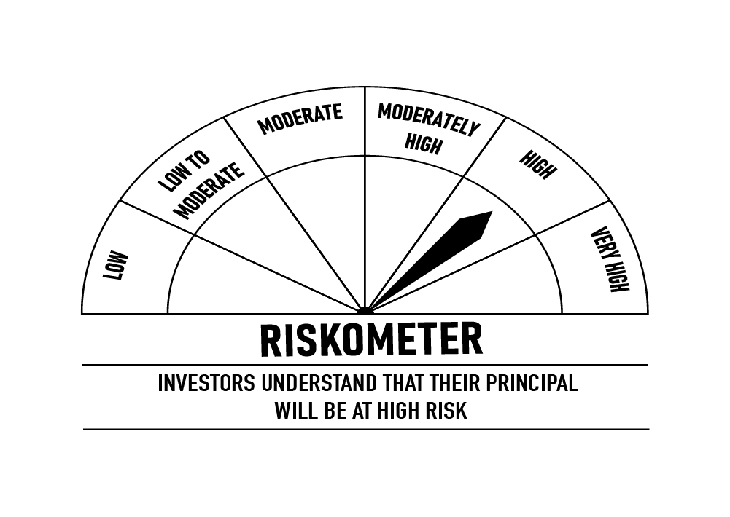
 | DSP Credit Risk Fund
 | Portfolio as on April 30, 2022

Sr. No. | Name of Instrument | ISIN | Rating/Industry | Quantity | Market value (Rs. In lakhs) | % to Net Assets | Maturity Date | Put/Call Option | YTM (%)

 | DEBT INSTRUMENTS
 | BOND & NCD's
 | Listed / awaiting listing on the stock exchanges |  |  |  |  |  |  |  |  | Sector/Rating | Percent
1 | Tata Motors Limited** | INE155A08191 | ICRA AA- | 200 | 2,273.88 | 8.76% | 20-Aug-2024 |  | 6.48 | ICRA AA | 21.83%
2 | Godrej Properties Limited** | INE484J08022 | ICRA AA | 200 | 2,136.85 | 8.23% | 31-Jul-2023 |  | 6.42 | CRISIL AA | 20.15%
3 | Godrej Industries Limited** | INE233A08048 | CRISIL AA | 200 | 2,129.06 | 8.20% | 14-May-2025 |  | 7.00 | SOV | 9.92%
4 | Tata Realty And Infrastructure Limited** | INE371K08177 | ICRA AA | 200 | 2,023.72 | 7.80% | 23-Sep-2022 |  | 5.16 | ICRA AA- | 8.76%
5 | Bharti Hexacom Limited** | INE343G08026 | CRISIL AA+ | 200 | 1,985.37 | 7.65% | 30-Apr-2024 |  | 6.31 | CRISIL AA+ | 7.65%
6 | Shriram City Union Finance Limited** | INE722A07BB4 | CRISIL AA | 150 | 1,552.13 | 5.98% | 21-Dec-2022 |  | 6.38 | IND AA | 5.95%
7 | JSW Steel Limited** | INE019A07431 | IND AA | 150 | 1,544.71 | 5.95% | 12-Oct-2027 | PU - 10-Oct-2025, CA - 10-Oct-2025 | 7.79 | Cash & Equivalent | 25.74%
8 | Kirloskar Ferrous Industries Ltd** | INE884B08012 | ICRA AA | 150 | 1,505.06 | 5.80% | 10-Mar-2024 |  | 7.00
9 | Aditya Birla Fashion and Retail Limited** | INE647O08107 | CRISIL AA | 100 | 1,017.80 | 3.92% | 09-Sep-2024 |  | 6.69
10 | Manappuram Finance Limited** | INE522D07BC0 | CRISIL AA | 50 | 533.08 | 2.05% | 07-Nov-2022 |  | 5.65
 | Total |  |  |  | 16,701.66 | 64.34%

 | Government Securities (Central/State)
11 | 6.79% GOI 15052027 | IN0020170026 | SOV | 2,500,000 | 2,574.17 | 9.92% | 15-May-2027 |  | 6.83
 | Total |  |  |  | 2,574.17 | 9.92%

 | MONEY MARKET INSTRUMENTS
12 | TREPS / Reverse Repo Investments / Corporate Debt Repo |  |  |  | 6,688.63 | 25.76% | 02-May-2022
 | Total |  |  |  | 6,688.63 | 25.76%

 | Cash & Cash Equivalent
 | Net Receivables/Payables |  |  |  | (2.83) | -0.02%
 | Total |  |  |  | (2.83) | -0.02%

 | GRAND TOTAL |  |  |  | 25,961.63 | 100.00%
Notes:
1 | ** Non Traded in accordance with SEBI Regulations
2 | Market value includes accrued interest
3 | In case of below securities, DSP Mutual Fund has ignored prices provided by valuation agencies. Disclosure vide circular no. SEBI/HO/IMD/DF4/CIR/P/2019/41 dated March 22, 2019 & SEBI/HO/IMD/DF4/CIR/P/2019/102 dated September 24,2019 for detailed rationale along with other details are available at the below mentioned links
 | Name of the securities | No of Instances | Links
 | Il&Fs Energy Development Company Limited (Maturity Date : 28-Jun-2019) | 309 | https://www.dspim.com/media/pages/mandatory-disclosures/disclosures-for-deviation-in-valuation-price/52517897e3-1616167083/il-amp-fs-energy-devlopment-company-limited.pdf
 | Il&Fs Energy Development Company Limited (Maturity Date : 07-Jun-2019) | 309 | https://www.dspim.com/media/pages/mandatory-disclosures/disclosures-for-deviation-in-valuation-price/52517897e3-1616167083/il-amp-fs-energy-devlopment-company-limited.pdf
 | Pursuant to SEBI circular SEBI/HO/IMD/DF4/CIR/P/2019/102 dated September 24, 2019 read with circular no. SEBI/HO/IMD/DF4/CIR/P/2019/41 dated March 22, 2019. Below are the details of the securities in case of which issuer has defaulted beyond its maturity date
 | Security Name | ISIN | value of the security considered under net receivables (i.e. value recognized in NAV in absolute terms and as % to NAV) (Rs.in lakhs) |  | total amount (including principal and interest) that is due to the scheme on that investment (Rs.in lakhs)
 | 0% IL&Fs Transportation Networks Limited Ncd Series A 23032019 | INE975G08140 | 0.00 | 0.00% | 23,396.18
 | 0% IL&Fs Energy Development Company Limited Ncd 07062019 | INE938L08049 | 0.00 | 0.00% | 13,861.96
 | 0% IL&FS Energy Development Company Limited Ncd 28062019 | INE938L08056 | 0.00 | 0.00% | 10,645.02

 | Scheme Riskometer

 | Benchmark Riskometer: CRISIL Credit Risk Fund CIII Index

LDF
 | DSP Low Duration Fund
 | Portfolio as on April 30, 2022

Sr. No. | Name of Instrument | ISIN | Rating/Industry | Quantity | Market value (Rs. In lakhs) | % to Net Assets | Maturity Date | Put/Call Option | YTM (%)

 | DEBT INSTRUMENTS
 | BOND & NCD's
 | Listed / awaiting listing on the stock exchanges |  |  |  |  |  |  |  |  | Sector/Rating | Percent
1 | Housing Development Finance Corporation Limited** | INE001A07SJ0 | CRISIL AAA | 1,300 | 13,261.50 | 3.57% | 13-Apr-2023 |  | 5.35 | CRISIL AAA | 29.22%
2 | National Bank for Agriculture and Rural Development** | INE261F08BO3 | CRISIL AAA | 1,000 | 10,517.60 | 2.83% | 19-Sep-2022 | - | 4.44 | CRISIL A1+ | 29.01%
3 | Housing Development Finance Corporation Limited** | INE001A07SD3 | CRISIL AAA | 1,000 | 10,377.97 | 2.79% | 30-Dec-2022 | - | 4.96 | SOV | 14.11%
4 | REC Limited** | INE020B08DC3 | CRISIL AAA | 700 | 7,240.95 | 1.95% | 30-Sep-2023 | - | 5.57 | IND A1+ | 9.15%
5 | National Housing Bank** | INE557F08FK3 | CRISIL AAA | 500 | 5,235.23 | 1.41% | 01-Sep-2023 | - | 5.46 | ICRA A1+ | 1.96%
6 | Hindustan Petroleum Corporation Limited** | INE094A08044 | CRISIL AAA | 500 | 5,188.49 | 1.40% | 15-Dec-2022 | - | 4.67 | CARE AAA | 1.63%
7 | Indian Oil Corporation Limited** | INE242A08445 | CRISIL AAA | 500 | 5,151.78 | 1.39% | 14-Apr-2023 | - | 5.17 | ICRA AAA | 0.95%
8 | Indian Railway Finance Corporation Limited** | INE053F07CU1 | CRISIL AAA | 500 | 5,127.25 | 1.38% | 05-May-2023 | - | 5.24 | Cash & Equivalent | 13.97%
9 | Larsen & Toubro Limited** | INE018A08AY9 | CRISIL AAA | 500 | 5,099.66 | 1.37% | 24-Apr-2023 |  | 5.24
10 | Power Finance Corporation Limited** | INE134E08KN8 | CRISIL AAA | 500 | 5,088.90 | 1.37% | 20-Apr-2023 | - | 5.27
11 | NTPC Limited** | INE733E08148 | CRISIL AAA | 500 | 5,076.50 | 1.37% | 17-Apr-2023 | - | 5.16
12 | LIC Housing Finance Limited** | INE115A07PC9 | CARE AAA | 500 | 5,030.46 | 1.35% | 20-Mar-2023 | - | 5.33
13 | Larsen & Toubro Limited** | INE018A08AV5 | CRISIL AAA | 450 | 4,590.91 | 1.24% | 20-Apr-2023 |  | 5.24
14 | National Bank for Agriculture and Rural Development** | INE261F08CD4 | ICRA AAA | 350 | 3,549.17 | 0.95% | 17-Apr-2023 | - | 5.23
15 | Bajaj Finance Limited** | INE296A07QN2 | CRISIL AAA | 250 | 3,439.03 | 0.93% | 02-Sep-2022 | - | 4.72
16 | Sikka Ports & Terminals Limited** | INE941D07190 | CRISIL AAA | 250 | 2,701.72 | 0.73% | 16-Jun-2023 |  | 5.51
17 | LIC Housing Finance Limited** | INE115A07LZ9 | CRISIL AAA | 250 | 2,673.66 | 0.72% | 10-Jun-2022 | - | 4.20
18 | REC Limited** | INE020B08AK2 | CRISIL AAA | 250 | 2,634.27 | 0.71% | 07-Sep-2022 | - | 4.46
19 | Kotak Mahindra Prime Limited** | INE916DA7QM5 | CRISIL AAA | 250 | 2,592.72 | 0.70% | 20-Jul-2023 |  | 5.77
20 | Bajaj Finance Limited** | INE296A07RQ3 | CRISIL AAA | 250 | 2,505.87 | 0.67% | 10-Apr-2023 |  | 5.47
21 | Kotak Mahindra Prime Limited** | INE916DA7RH3 | CRISIL AAA | 250 | 2,502.78 | 0.67% | 29-Mar-2023 |  | 5.35
22 | LIC Housing Finance Limited** | INE115A07OG3 | CRISIL AAA | 200 | 2,118.65 | 0.57% | 23-Sep-2022 | - | 4.56
23 | REC Limited** | INE020B08CD3 | CRISIL AAA | 200 | 2,079.36 | 0.56% | 13-Dec-2022 | - | 4.85
24 | Housing Development Finance Corporation Limited** | INE001A07RJ2 | CRISIL AAA | 160 | 1,739.18 | 0.47% | 20-Nov-2023 | - | 5.78
25 | Indian Railway Finance Corporation Limited** | INE053F07BZ2 | CRISIL AAA | 150 | 1,572.59 | 0.42% | 14-Apr-2023 | - | 5.20
26 | Small Industries Development Bank of India** | INE556F08JO9 | CARE AAA | 100 | 1,048.93 | 0.28% | 29-Sep-2022 | - | 4.40
 | Total |  |  |  | 118,145.13 | 31.80%

 | Government Securities (Central/State)
27 | 6.84% GOI 19122022 | IN0020160050 | SOV | 20,000,000 | 20,779.80 | 5.59% | 19-Dec-2022 |  | 4.57
28 | 8.15% GOI 11062022 | IN0020120013 | SOV | 16,000,000 | 16,579.42 | 4.46% | 11-Jun-2022 |  | 3.90
29 | 8.90% Maharashtra SDL 19122022 | IN2220120074 | SOV | 7,500,000 | 7,937.06 | 2.14% | 19-Dec-2022 |  | 4.73
30 | 8.90% Union Territory of Puducherry SDL 20122022 | IN3820170055 | SOV | 4,900,000 | 5,108.97 | 1.37% | 20-Dec-2022 |  | 4.77
31 | 8.13% GOI 21092022 | IN0020070051 | SOV | 2,000,000 | 2,046.32 | 0.55% | 21-Sep-2022 |  | 4.36
 | Total |  |  |  | 52,451.57 | 14.11%

 | MONEY MARKET INSTRUMENTS
 | Certificate of Deposit
32 | HDFC Bank Limited** | INE040A16CI5 | IND A1+ | 2,000 | 9,874.37 | 2.66% | 17-Aug-2022 |  | 4.30
33 | Axis Bank Limited** | INE238A161X8 | CRISIL A1+ | 2,000 | 9,830.95 | 2.64% | 20-Sep-2022 |  | 4.42
34 | HDFC Bank Limited** | INE040A16CO3 | IND A1+ | 2,000 | 9,718.68 | 2.61% | 13-Dec-2022 |  | 4.68
35 | Kotak Mahindra Bank Limited** | INE237A164N4 | CRISIL A1+ | 2,000 | 9,655.54 | 2.60% | 18-Jan-2023 |  | 4.97
36 | HDFC Bank Limited** | INE040A16CV8 | IND A1+ | 2,000 | 9,620.64 | 2.59% | 10-Feb-2023 |  | 5.05
37 | Axis Bank Limited** | INE238A165Y7 | CRISIL A1+ | 1,500 | 7,213.31 | 1.94% | 10-Feb-2023 |  | 5.09
38 | National Bank for Agriculture and Rural Development** | INE261F16645 | CRISIL A1+ | 1,500 | 7,211.65 | 1.94% | 14-Feb-2023 |  | 5.05
39 | Export-Import Bank of India** | INE514E16BW4 | CRISIL A1+ | 1,000 | 4,946.44 | 1.33% | 02-Aug-2022 |  | 4.25
40 | National Bank for Agriculture and Rural Development** | INE261F16611 | CRISIL A1+ | 1,000 | 4,826.60 | 1.30% | 18-Jan-2023 |  | 5.00
41 | Bank of Baroda** | INE028A16CO8 | IND A1+ | 1,000 | 4,810.32 | 1.29% | 14-Feb-2023 |  | 4.98
42 | IDFC First Bank Limited** | INE092T16QU1 | CRISIL A1+ | 500 | 2,488.78 | 0.67% | 10-Jun-2022 |  | 4.12
43 | Axis Bank Limited** | INE238A169W3 | CRISIL A1+ | 500 | 2,438.19 | 0.66% | 16-Nov-2022 |  | 4.65
 | Total |  |  |  | 82,635.47 | 22.23%

 | Commercial Papers
 | Listed / awaiting listing on the stock exchanges
44 | Cholamandalam Investment and Finance Company Limited** | INE121A14TP7 | CRISIL A1+ | 2,000 | 9,945.95 | 2.68% | 16-Jun-2022 |  | 4.31
45 | Hero Fincorp Limited** | INE957N14EX3 | CRISIL A1+ | 2,000 | 9,944.95 | 2.68% | 16-Jun-2022 |  | 4.39
46 | Small Industries Development Bank of India** | INE556F14IB6 | CRISIL A1+ | 2,000 | 9,712.09 | 2.61% | 16-Dec-2022 |  | 4.73
47 | Infina Finance Private Limited** | INE879F14EQ9 | CRISIL A1+ | 1,500 | 7,386.31 | 1.99% | 24-Aug-2022 |  | 4.89
48 | ICICI Securities Limited** | INE763G14KX6 | CRISIL A1+ | 1,500 | 7,370.26 | 1.98% | 15-Sep-2022 |  | 4.69
49 | Network18 Media & Investments Limited** | INE870H14NM4 | ICRA A1+ | 1,500 | 7,279.02 | 1.96% | 15-Dec-2022 |  | 4.86
50 | Standard Chartered Investments and Loans (India) Limited** | INE403G14OE1 | CRISIL A1+ | 1,300 | 6,461.83 | 1.74% | 17-Jun-2022 |  | 4.59
51 | Deutsche Investments India Private Limited** | INE144H14FG2 | CRISIL A1+ | 1,000 | 4,872.64 | 1.31% | 21-Oct-2022 |  | 5.52
52 | ICICI Securities Limited** | INE763G14KW8 | CRISIL A1+ | 500 | 2,492.36 | 0.67% | 27-May-2022 |  | 4.30
53 | Standard Chartered Investments and Loans (India) Limited** | INE403G14OB7 | CRISIL A1+ | 200 | 995.89 | 0.27% | 03-Jun-2022 |  | 4.56
 | Total |  |  |  | 66,461.30 | 17.89%

54 | TREPS / Reverse Repo Investments / Corporate Debt Repo |  |  |  | 57,562.29 | 15.49% | 02-May-2022
 | Total |  |  |  | 57,562.29 | 15.49%

 | Cash & Cash Equivalent
 | Net Receivables/Payables |  |  |  | (5,551.20) | -1.52%
 | Total |  |  |  | (5,551.20) | -1.52%

 | GRAND TOTAL |  |  |  | 371,704.56 | 100.00%
Notes:
1 | ** Non Traded in accordance with SEBI Regulations
2 | Market value includes accrued interest

 | Scheme Riskometer



 | Benchmark Riskometer: NIFTY Low Duration Debt Index B-I

STR
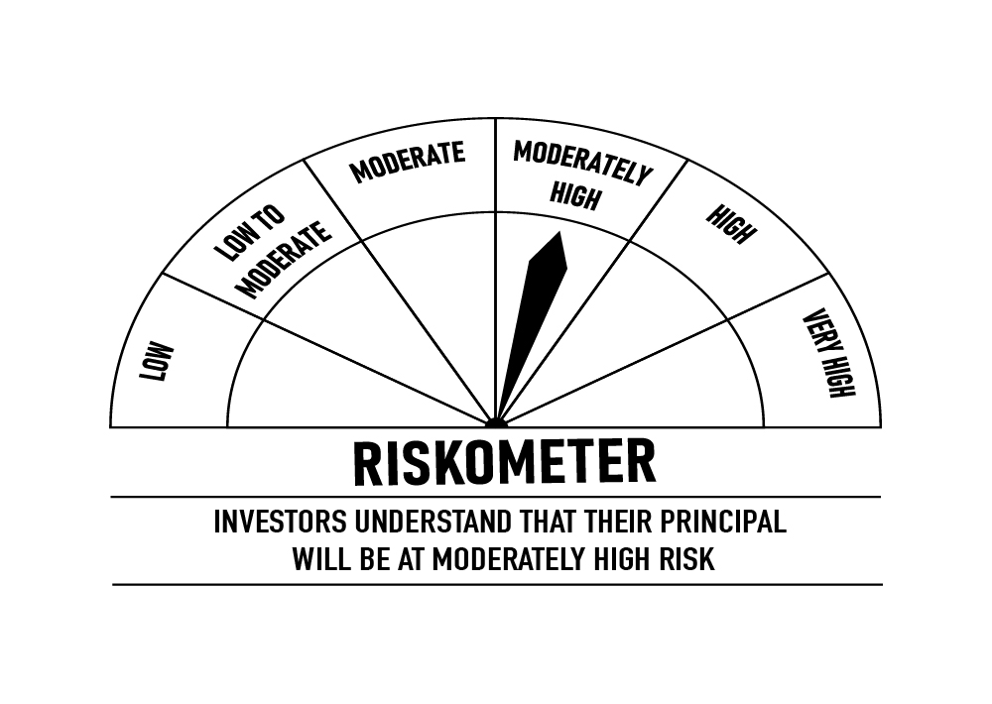
 | DSP Strategic Bond Fund
 | Portfolio as on April 30, 2022

Sr. No. | Name of Instrument | ISIN | Rating/Industry | Quantity | Market value (Rs. In lakhs) | % to Net Assets | Maturity Date | Put/Call Option | YTM (%)

 | DEBT INSTRUMENTS
 | BOND & NCD's
 | Listed / awaiting listing on the stock exchanges |  |  |  |  |  |  |  |  | Sector/Rating | Percent
1 | National Housing Bank** | INE557F08FL1 | CRISIL AAA | 250 | 2,513.64 | 4.83% | 12-Feb-2024 | - | 5.71 | SOV | 19.26%
2 | Oil & Natural Gas Corporation Limited** | INE213A08040 | ICRA AAA | 250 | 2,484.86 | 4.78% | 09-Feb-2024 |  | 5.68 | CRISIL A1+ | 9.21%
 | Total |  |  |  | 4,998.50 | 9.61% |  |  |  | CRISIL AAA | 4.83%
 |  |  |  |  |  |  |  |  |  | ICRA AAA | 4.78%
 | Government Securities (Central/State) |  |  |  |  |  |  |  |  | Cash & Equivalent | 61.92%
3 | 5.74% GOI 15112026 | IN0020210186 | SOV | 3,750,000 | 3,715.96 | 7.15% | 15-Nov-2026 |  | 6.66
4 | 5.63% GOI 12042026 | IN0020210012 | SOV | 3,750,000 | 3,649.72 | 7.02% | 12-Apr-2026 |  | 6.49
5 | 7.59% GOI 11012026 | IN0020150093 | SOV | 2,500,000 | 2,644.70 | 5.09% | 11-Jan-2026 |  | 6.51
6 | 8.32% Karnataka SDL 13032029 | IN1920180206 | SOV | 2,100 | 2.25 | * | 13-Mar-2029 |  | 7.20
7 | 8.53% Gujarat SDL 20112028 | IN1520180192 | SOV | 800 | 0.89 | * | 20-Nov-2028 |  | 7.17
 | Total |  |  |  | 10,013.52 | 19.26%

 | MONEY MARKET INSTRUMENTS
 | Certificate of Deposit
8 | Axis Bank Limited** | INE238A161Z3 | CRISIL A1+ | 500 | 2,396.21 | 4.61% | 07-Mar-2023 |  | 5.10
9 | Small Industries Development Bank of India** | INE556F16952 | CRISIL A1+ | 500 | 2,392.62 | 4.60% | 23-Mar-2023 |  | 5.03
 | Total |  |  |  | 4,788.83 | 9.21%

10 | TREPS / Reverse Repo Investments / Corporate Debt Repo |  |  |  | 31,553.54 | 60.67% | 02-May-2022
 | Total |  |  |  | 31,553.54 | 60.67%

 | Cash & Cash Equivalent
 | Cash Margin |  |  |  | 357.72 | 0.69%
 | Net Receivables/Payables |  |  |  | 293.27 | 0.56%
 | Total |  |  |  | 650.99 | 1.25%

 | GRAND TOTAL |  |  |  | 52,005.38 | 100.00%
Notes:
1 | ** Non Traded in accordance with SEBI Regulations
2 | Market value includes accrued interest
3 | * Less than 0.01%

 | Scheme Riskometer

 | Benchmark Riskometer: CRISIL Dynamic Bond Fund BIII Index

