LIQUID
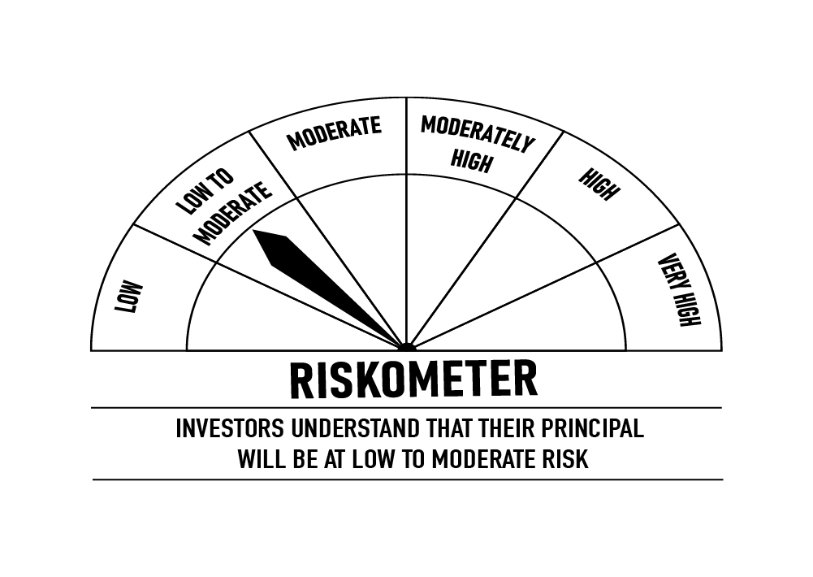
 | DSP Liquidity Fund
 | Portfolio as on October 31, 2022

Sr. No. | Name of Instrument | ISIN | Rating/Industry | Quantity | Market value (Rs. In lakhs) | % to Net Assets | Maturity Date | Put/Call Option | YTM (%)

 | DEBT INSTRUMENTS
 | BOND & NCD's
 | Listed / awaiting listing on the stock exchanges |  |  |  |  |  |  |  |  | Sector/Rating | Percent
1 | National Bank for Agriculture and Rural Development** | INE261F08BQ8 | CRISIL AAA | 2,750 | 29,291.36 | 2.26% | 11-Nov-2022 |  | 6.37 | CRISIL A1+ | 49.83%
2 | Hindustan Petroleum Corporation Limited | INE094A08044 | CRISIL AAA | 1,250 | 13,243.20 | 1.02% | 15-Dec-2022 |  | 6.69 | SOV | 12.54%
3 | Power Finance Corporation Limited | INE134E08JF6 | CRISIL AAA | 500 | 5,347.20 | 0.41% | 22-Nov-2022 |  | 6.60 | IND A1+ | 7.82%
 | Total |  |  |  | 47,881.76 | 3.69% |  |  |  | ICRA A1+ | 6.88%
 |  |  |  |  |  |  |  |  |  | CRISIL AAA | 3.69%
 | Government Securities (Central/State) |  |  |  |  |  |  |  |  | Cash & Equivalent | 19.24%
4 | 6.84% GOI 2022 | IN0020160050 | SOV | 12,500,000 | 12,822.19 | 0.99% | 19-Dec-2022 |  | 6.25
5 | 3.96% GOI 2022 | IN0020200260 | SOV | 1,000,000 | 1,018.44 | 0.08% | 09-Nov-2022 |  | 6.11
 | Total |  |  |  | 13,840.63 | 1.07%

 | MONEY MARKET INSTRUMENTS
 | Certificate of Deposit
6 | Union Bank of India** | INE692A16FL0 | ICRA A1+ | 6,000 | 29,657.43 | 2.29% | 02-Jan-2023 |  | 6.80
7 | HDFC Bank Limited | INE040A16DL7 | IND A1+ | 6,000 | 29,574.48 | 2.28% | 16-Jan-2023 |  | 6.91
8 | HDFC Bank Limited | INE040A16CO3 | IND A1+ | 5,500 | 27,292.73 | 2.11% | 13-Dec-2022 |  | 6.60
9 | Axis Bank Limited | INE238AD6074 | ICRA A1+ | 5,500 | 27,188.26 | 2.10% | 02-Jan-2023 |  | 6.75
10 | Axis Bank Limited** | INE238A162Y4 | CRISIL A1+ | 5,000 | 24,965.58 | 1.93% | 09-Nov-2022 |  | 6.29
11 | HDFC Bank Limited | INE040A16CU0 | IND A1+ | 5,000 | 24,746.75 | 1.91% | 27-Dec-2022 |  | 6.67
12 | Punjab National Bank | INE160A16MN0 | CRISIL A1+ | 4,000 | 19,914.24 | 1.54% | 25-Nov-2022 |  | 6.55
13 | Punjab National Bank** | INE160A16MP5 | CRISIL A1+ | 4,000 | 19,896.46 | 1.54% | 30-Nov-2022 |  | 6.55
14 | Indian Bank** | INE562A16LA6 | CRISIL A1+ | 4,000 | 19,712.44 | 1.52% | 17-Jan-2023 |  | 6.92
15 | Axis Bank Limited** | INE238A163Y2 | CRISIL A1+ | 3,500 | 17,472.91 | 1.35% | 10-Nov-2022 |  | 6.29
16 | Union Bank of India** | INE692A16FN6 | ICRA A1+ | 2,000 | 9,850.91 | 0.76% | 20-Jan-2023 |  | 6.91
17 | Axis Bank Limited** | INE238A165X9 | CRISIL A1+ | 1,500 | 7,451.57 | 0.58% | 07-Dec-2022 |  | 6.59
 | Total |  |  |  | 257,723.76 | 19.91%

 | Commercial Papers
 | Listed / awaiting listing on the stock exchanges
18 | Housing Development Finance Corporation Limited** | INE001A14ZP8 | CRISIL A1+ | 10,000 | 49,598.50 | 3.83% | 15-Dec-2022 |  | 6.72
19 | Reliance Retail Ventures Limited** | INE929O14719 | CRISIL A1+ | 4,000 | 19,978.80 | 1.54% | 07-Nov-2022 |  | 6.46
20 | Bajaj Financial Securities Limited** | INE01C314296 | CRISIL A1+ | 4,000 | 19,962.48 | 1.54% | 11-Nov-2022 |  | 6.86
21 | Reliance Retail Ventures Limited** | INE929O14784 | CRISIL A1+ | 4,000 | 19,896.06 | 1.54% | 30-Nov-2022 |  | 6.58
22 | Reliance Retail Ventures Limited** | INE929O14776 | CRISIL A1+ | 4,000 | 19,875.50 | 1.54% | 05-Dec-2022 |  | 6.72
23 | Reliance Jio Infocomm Limited** | INE110L14RC9 | CRISIL A1+ | 4,000 | 19,850.82 | 1.53% | 12-Dec-2022 |  | 6.69
24 | Dalmia Cement (Bharat) Limited** | INE755K14EL2 | CRISIL A1+ | 4,000 | 19,846.08 | 1.53% | 12-Dec-2022 |  | 6.90
25 | National Bank for Agriculture and Rural Development** | INE261F14JC9 | CRISIL A1+ | 4,000 | 19,845.70 | 1.53% | 14-Dec-2022 |  | 6.60
26 | Small Industries Development Bank of India** | INE556F14IB6 | CRISIL A1+ | 4,000 | 19,837.84 | 1.53% | 16-Dec-2022 |  | 6.63
27 | Birla Group Holdings Private Limited** | INE09OL14BH4 | CRISIL A1+ | 4,000 | 19,825.30 | 1.53% | 15-Dec-2022 |  | 7.31
28 | Reliance Retail Ventures Limited** | INE929O14826 | CRISIL A1+ | 4,000 | 19,762.50 | 1.53% | 02-Jan-2023 |  | 7.07
29 | Export-Import Bank of India** | INE514E14QN6 | CRISIL A1+ | 4,000 | 19,757.42 | 1.53% | 06-Jan-2023 |  | 6.79
30 | Cholamandalam Investment and Finance Company Limited** | INE121A14UI0 | CRISIL A1+ | 4,000 | 19,726.30 | 1.52% | 09-Jan-2023 |  | 7.34
31 | Tata Steel Limited** | INE081A14DP7 | IND A1+ | 4,000 | 19,700.26 | 1.52% | 18-Jan-2023 |  | 7.12
32 | Chambal Fertilizers & Chemicals Limited** | INE085A14IG6 | CRISIL A1+ | 3,000 | 14,943.42 | 1.15% | 21-Nov-2022 |  | 6.91
33 | Dalmia Cement (Bharat) Limited** | INE755K14EK4 | CRISIL A1+ | 3,000 | 14,933.67 | 1.15% | 25-Nov-2022 |  | 6.76
34 | Can Fin Homes Limited** | INE477A14BW7 | ICRA A1+ | 3,000 | 14,922.78 | 1.15% | 28-Nov-2022 |  | 7.00
35 | Sikka Ports & Terminals Limited** | INE941D14246 | CRISIL A1+ | 3,000 | 14,862.12 | 1.15% | 21-Dec-2022 |  | 6.77
36 | Small Industries Development Bank of India** | INE556F14IM3 | CRISIL A1+ | 3,000 | 14,828.97 | 1.15% | 02-Jan-2023 |  | 6.79
37 | Reliance Jio Infocomm Limited** | INE110L14RG0 | CRISIL A1+ | 3,000 | 14,759.85 | 1.14% | 24-Jan-2023 |  | 7.07
38 | ICICI Securities Limited** | INE763G14NL5 | CRISIL A1+ | 3,000 | 14,749.16 | 1.14% | 24-Jan-2023 |  | 7.39
39 | Berger Paints (I) Limited** | INE463A14MQ6 | CRISIL A1+ | 2,600 | 12,993.15 | 1.00% | 04-Nov-2022 |  | 6.42
40 | LIC Housing Finance Limited** | INE115A14DX7 | CRISIL A1+ | 2,500 | 12,329.49 | 0.95% | 11-Jan-2023 |  | 7.11
41 | Redington (India) Limited** | INE891D14VR1 | CRISIL A1+ | 2,000 | 9,962.56 | 0.77% | 21-Nov-2022 |  | 6.86
42 | Larsen & Toubro Limited** | INE018A14IW4 | CRISIL A1+ | 2,000 | 9,948.19 | 0.77% | 30-Nov-2022 |  | 6.55
43 | HDFC Securities Limited** | INE700G14CY3 | CRISIL A1+ | 2,000 | 9,940.90 | 0.77% | 02-Dec-2022 |  | 7.00
44 | Reliance Jio Infocomm Limited** | INE110L14RB1 | CRISIL A1+ | 2,000 | 9,921.81 | 0.77% | 14-Dec-2022 |  | 6.69
45 | ICICI Securities Limited** | INE763G14NH3 | CRISIL A1+ | 2,000 | 9,921.63 | 0.77% | 12-Dec-2022 |  | 7.03
46 | Hindustan Petroleum Corporation Limited** | INE094A14JK8 | CRISIL A1+ | 2,000 | 9,918.50 | 0.77% | 16-Dec-2022 |  | 6.66
47 | Jamnagar Utilities & Power Private Limited** | INE936D14204 | CRISIL A1+ | 2,000 | 9,909.90 | 0.77% | 20-Dec-2022 |  | 6.77
48 | Sikka Ports & Terminals Limited** | INE941D14261 | CRISIL A1+ | 2,000 | 9,909.90 | 0.77% | 20-Dec-2022 |  | 6.77
49 | Pilani Investments and Industries Corporation Limited** | INE417C14389 | CRISIL A1+ | 2,000 | 9,903.62 | 0.76% | 19-Dec-2022 |  | 7.40
50 | HDFC Securities Limited** | INE700G14DH6 | CRISIL A1+ | 2,000 | 9,841.57 | 0.76% | 20-Jan-2023 |  | 7.35
51 | Network18 Media & Investments Limited** | INE870H14OR1 | ICRA A1+ | 1,500 | 7,451.60 | 0.58% | 06-Dec-2022 |  | 6.77
52 | Godrej Industries Limited** | INE233A14WE8 | CRISIL A1+ | 1,500 | 7,448.54 | 0.58% | 08-Dec-2022 |  | 6.82
53 | Julius Baer Capital (India) Private Limited** | INE824H14JD8 | CRISIL A1+ | 1,500 | 7,432.19 | 0.57% | 16-Dec-2022 |  | 7.40
54 | Standard Chartered Capital Limited** | INE403G14PY6 | CRISIL A1+ | 1,400 | 6,977.22 | 0.54% | 18-Nov-2022 |  | 7.01
55 | Julius Baer Capital (India) Private Limited** | INE824H14JB2 | CRISIL A1+ | 1,000 | 4,966.10 | 0.38% | 05-Dec-2022 |  | 7.33
56 | Julius Baer Capital (India) Private Limited** | INE824H14JC0 | CRISIL A1+ | 1,000 | 4,964.12 | 0.38% | 07-Dec-2022 |  | 7.33
57 | Godrej Properties Limited** | INE484J14OQ9 | CRISIL A1+ | 500 | 2,497.24 | 0.19% | 07-Nov-2022 |  | 6.74
 | Total |  |  |  | 577,701.76 | 44.62%

 | Treasury Bill
58 | 182 DAYS T-BILL 2022 | IN002022Y088 | SOV | 65,500,000 | 65,252.28 | 5.04% | 24-Nov-2022 |  | 6.02
59 | 364 DAYS T-BILL 2022 | IN002021Z335 | SOV | 26,000,000 | 25,961.44 | 2.01% | 10-Nov-2022 |  | 6.03
60 | 182 DAYS T-BILL 2022 | IN002022Y112 | SOV | 25,000,000 | 24,816.03 | 1.92% | 15-Dec-2022 |  | 6.15
61 | 91 DAYS T-BILL 2022 | IN002022X189 | SOV | 10,000,000 | 9,996.70 | 0.77% | 03-Nov-2022 |  | 6.02
62 | 182 DAYS T-BILL 2022 | IN002022Y062 | SOV | 10,000,000 | 9,985.17 | 0.77% | 10-Nov-2022 |  | 6.03
63 | 91 DAYS T-BILL 2022 | IN002022X213 | SOV | 7,500,000 | 7,471.64 | 0.58% | 24-Nov-2022 |  | 6.02
64 | 182 DAYS T-BILL 2022 | IN002022Y120 | SOV | 5,000,000 | 4,957.06 | 0.38% | 22-Dec-2022 |  | 6.20
 | Total |  |  |  | 148,440.32 | 11.47%

65 | TREPS / Reverse Repo Investments / Corporate Debt Repo |  |  |  | 253,541.08 | 19.58% | 01-Nov-2022
 | Total |  |  |  | 253,541.08 | 19.58%

 | Cash & Cash Equivalent
 | Net Receivables/Payables |  |  |  | (4,455.65) | -0.34%
 | Total |  |  |  | (4,455.65) | -0.34%

 | GRAND TOTAL |  |  |  | 1,294,673.66 | 100.00%
Notes:
1 | ** Non Traded in accordance with SEBI Regulations
2 | Market value includes accrued interest
3 | Net Assets does not include unit activity for the date of the Portfolios.
4 | As on October 31, 2022, the aggregate investments by the schemes of DSP Mutual Fund in DSP Liquidity Fund is Rs 2,582.14 lakhs.

 | Scheme Riskometer



 | Benchmark Riskometer: CRISIL Liquid Fund BI Index

ULTRA

 | DSP Ultra Short Fund
 | Portfolio as on October 31, 2022

Sr. No. | Name of Instrument | ISIN | Rating/Industry | Quantity | Market value (Rs. In lakhs) | % to Net Assets | Maturity Date | Put/Call Option | YTM (%)

 | DEBT INSTRUMENTS
 | BOND & NCD's
 | Listed / awaiting listing on the stock exchanges |  |  |  |  |  |  |  |  | Sector/Rating | Percent
1 | Larsen & Toubro Limited | INE018A08AY9 | CRISIL AAA | 350 | 3,625.51 | 1.48% | 24-Apr-2023 |  | 7.38 | CRISIL A1+ | 57.44%
2 | Housing Development Finance Corporation Limited** | INE001A07SU7 | CRISIL AAA | 250 | 2,591.65 | 1.06% | 14-Dec-2022 |  | 6.83 | IND A1+ | 10.92%
3 | Sikka Ports & Terminals Limited** | INE941D07190 | CRISIL AAA | 250 | 2,560.34 | 1.05% | 16-Jun-2023 |  | 7.52 | SOV | 7.56%
4 | Jamnagar Utilities & Power Private Limited** | INE936D07166 | CRISIL AAA | 250 | 2,535.62 | 1.04% | 29-Jun-2023 |  | 7.48 | ICRA A1+ | 5.85%
5 | Power Finance Corporation Limited** | INE134E08KS7 | CRISIL AAA | 160 | 1,641.41 | 0.67% | 22-May-2023 |  | 7.33 | CRISIL AAA | 5.30%
 | Total |  |  |  | 12,954.53 | 5.30% |  |  |  | Cash & Equivalent | 12.93%

 | Government Securities (Central/State)
6 | 6.84% GOI 2022 | IN0020160050 | SOV | 8,500,000 | 8,719.09 | 3.56% | 19-Dec-2022 |  | 6.25
 | Total |  |  |  | 8,719.09 | 3.56%

 | MONEY MARKET INSTRUMENTS
 | Certificate of Deposit
7 | Bank of Baroda | INE028A16CV3 | IND A1+ | 3,000 | 14,539.20 | 5.94% | 10-Apr-2023 |  | 7.23
8 | Kotak Mahindra Bank Limited** | INE237A169O1 | CRISIL A1+ | 2,000 | 9,555.12 | 3.90% | 21-Jun-2023 |  | 7.33
9 | Export-Import Bank of India** | INE514E16CB6 | CRISIL A1+ | 2,000 | 9,553.59 | 3.90% | 22-Jun-2023 |  | 7.32
10 | ICICI Bank Limited** | INE090A167X2 | ICRA A1+ | 2,000 | 9,541.07 | 3.90% | 30-Jun-2023 |  | 7.29
11 | Canara Bank** | INE476A16TG9 | CRISIL A1+ | 1,500 | 7,450.42 | 3.04% | 08-Dec-2022 |  | 6.57
12 | IDFC First Bank Limited** | INE092T16RN4 | CRISIL A1+ | 1,500 | 7,337.88 | 3.00% | 20-Feb-2023 |  | 7.26
13 | HDFC Bank Limited** | INE040A16DF9 | IND A1+ | 1,500 | 7,216.63 | 2.95% | 15-May-2023 |  | 7.35
14 | Axis Bank Limited** | INE238A166X7 | CRISIL A1+ | 1,000 | 4,965.93 | 2.03% | 09-Dec-2022 |  | 6.59
15 | HDFC Bank Limited | INE040A16CO3 | IND A1+ | 1,000 | 4,962.31 | 2.03% | 13-Dec-2022 |  | 6.60
16 | National Bank for Agriculture and Rural Development | INE261F16637 | CRISIL A1+ | 1,000 | 4,906.36 | 2.00% | 08-Feb-2023 |  | 7.04
17 | National Bank for Agriculture and Rural Development** | INE261F16660 | CRISIL A1+ | 1,000 | 4,898.15 | 2.00% | 17-Feb-2023 |  | 7.03
18 | IndusInd Bank Limited** | INE095A16O60 | CRISIL A1+ | 1,000 | 4,878.86 | 1.99% | 06-Mar-2023 |  | 7.25
19 | Canara Bank** | INE476A16SX6 | CRISIL A1+ | 1,000 | 4,874.51 | 1.99% | 14-Mar-2023 |  | 7.07
20 | AU Small Finance Bank Limited** | INE949L16BK2 | CRISIL A1+ | 1,000 | 4,873.42 | 1.99% | 02-Mar-2023 |  | 7.84
21 | Canara Bank** | INE476A16TX4 | CRISIL A1+ | 1,000 | 4,852.93 | 1.98% | 03-Apr-2023 |  | 7.23
22 | Small Industries Development Bank of India** | INE556F16978 | CRISIL A1+ | 1,000 | 4,790.28 | 1.96% | 07-Jun-2023 |  | 7.33
23 | ICICI Bank Limited** | INE090A165Y4 | ICRA A1+ | 1,000 | 4,772.35 | 1.95% | 28-Jun-2023 |  | 7.28
24 | Small Industries Development Bank of India** | INE556F16994 | CRISIL A1+ | 1,000 | 4,706.59 | 1.92% | 01-Sep-2023 |  | 7.49
25 | Kotak Mahindra Bank Limited** | INE237A162Q1 | CRISIL A1+ | 1,000 | 4,705.98 | 1.92% | 01-Sep-2023 |  | 7.50
26 | Axis Bank Limited** | INE238AD6025 | CRISIL A1+ | 1,000 | 4,697.95 | 1.92% | 07-Sep-2023 |  | 7.57
27 | National Bank for Agriculture and Rural Development** | INE261F16611 | CRISIL A1+ | 500 | 2,463.70 | 1.01% | 18-Jan-2023 |  | 6.90
28 | Axis Bank Limited | INE238A169Z6 | CRISIL A1+ | 500 | 2,450.58 | 1.00% | 14-Feb-2023 |  | 7.01
29 | Small Industries Development Bank of India** | INE556F16960 | CRISIL A1+ | 500 | 2,399.03 | 0.98% | 30-May-2023 |  | 7.31
 | Total |  |  |  | 135,392.84 | 55.30%

 | Commercial Papers
 | Listed / awaiting listing on the stock exchanges
30 | LIC Housing Finance Limited** | INE115A14DV1 | CRISIL A1+ | 2,500 | 12,182.14 | 4.97% | 13-Mar-2023 |  | 7.22
31 | IIFL Wealth Prime Limited** | INE248U14LN8 | CRISIL A1+ | 1,000 | 4,979.50 | 2.03% | 21-Nov-2022 |  | 7.51
32 | Piramal Enterprises Limited** | INE140A14W00 | CRISIL A1+ | 1,000 | 4,979.19 | 2.03% | 22-Nov-2022 |  | 7.27
33 | Motilal Oswal Financial Services Limited** | INE338I14DE8 | CRISIL A1+ | 1,000 | 4,871.98 | 1.99% | 24-Feb-2023 |  | 8.34
34 | Small Industries Development Bank of India** | INE556F14II1 | CRISIL A1+ | 1,000 | 4,868.01 | 1.99% | 20-Mar-2023 |  | 7.12
35 | Fedbank Financial Services Limited** | INE007N14DC3 | CRISIL A1+ | 1,000 | 4,864.15 | 1.99% | 02-Mar-2023 |  | 8.42
36 | Motilal Oswal Finvest Limited** | INE01WN14637 | CRISIL A1+ | 1,000 | 4,844.94 | 1.98% | 13-Mar-2023 |  | 8.85
37 | LIC Housing Finance Limited** | INE115A14DU3 | CRISIL A1+ | 1,000 | 4,719.00 | 1.93% | 11-Aug-2023 |  | 7.68
 | Total |  |  |  | 46,308.91 | 18.91%

 | Treasury Bill
38 | 364 DAYS T-BILL 2023 | IN002021Z483 | SOV | 5,000,000 | 4,906.71 | 2.00% | 16-Feb-2023 |  | 6.49
39 | 364 DAYS T-BILL 2023 | IN002021Z509 | SOV | 5,000,000 | 4,893.43 | 2.00% | 02-Mar-2023 |  | 6.57
 | Total |  |  |  | 9,800.14 | 4.00%

40 | TREPS / Reverse Repo Investments / Corporate Debt Repo |  |  |  | 31,753.10 | 12.97% | 01-Nov-2022
 | Total |  |  |  | 31,753.10 | 12.97%

 | Cash & Cash Equivalent
 | Net Receivables/Payables |  |  |  | (58.79) | -0.04%
 | Total |  |  |  | (58.79) | -0.04%

 | GRAND TOTAL |  |  |  | 244,869.82 | 100.00%
Notes:
1 | ** Non Traded in accordance with SEBI Regulations
2 | Market value includes accrued interest
3 | Net Assets does not include unit activity for the date of the Portfolios.
4 | Pursuant to SEBI circular SEBI/HO/IMD/DF4/CIR/P/2019/102 dated September 24, 2019 read with circular no. SEBI/HO/IMD/DF4/CIR/P/2019/41 dated March 22, 2019. Below are the details of the securities in case of which issuer has defaulted beyond its maturity date.
 | Security Name | ISIN | value of the security considered under net receivables (i.e. value recognized in NAV in absolute terms and as % to NAV) (Rs.in lakhs) |  | total amount (including principal and interest) that is due to the scheme on that investment (Rs.in lakhs)
 | 0% IL&FS Transportation Networks Limited NCD Series A 23032019 | INE975G08140 | 0.00 | 0.00% | 6,627.81

 | Scheme Riskometer

 | Benchmark Riskometer: CRISIL Ultra Short Duration Fund BI Index

CREDITRISK
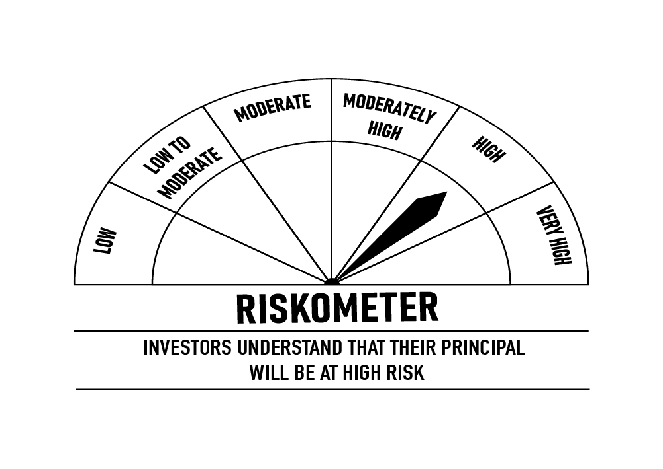
 | DSP Credit Risk Fund
 | Portfolio as on October 31, 2022

Sr. No. | Name of Instrument | ISIN | Rating/Industry | Quantity | Market value (Rs. In lakhs) | % to Net Assets | Maturity Date | Put/Call Option | YTM (%)

 | DEBT INSTRUMENTS
 | BOND & NCD's
 | Listed / awaiting listing on the stock exchanges |  |  |  |  |  |  |  |  | Sector/Rating | Percent
1 | Tata Motors Limited** | INE155A08191 | ICRA AA- | 200 | 2,098.58 | 8.61% | 20-Aug-2024 |  | 7.94 | CRISIL AA | 29.32%
2 | Piramal Capital & Housing Finance Limited** | INE516Y07386 | ICRA AA | 200,000 | 2,044.42 | 8.39% | 23-Sep-2023 |  | 8.43 | SOV | 16.30%
3 | Godrej Industries Limited** | INE233A08048 | CRISIL AA | 200 | 2,018.34 | 8.29% | 14-May-2025 |  | 7.94 | ICRA AA | 14.67%
4 | Nuvoco Vistas Corporation Limited** | INE118D07195 | CRISIL AA | 200 | 2,006.37 | 8.24% | 28-Aug-2025 |  | 8.16 | IND AA | 14.67%
5 | Shriram City Union Finance Limited** | INE722A07BB4 | CRISIL AA | 150 | 1,598.36 | 6.56% | 21-Dec-2022 |  | 7.86 | ICRA AA- | 8.61%
6 | Tata Power Company Limited** | INE245A08182 | IND AA | 150 | 1,556.28 | 6.39% | 31-Aug-2023 |  | 7.69 | Cash & Equivalent | 16.43%
7 | Kirloskar Ferrous Industries Ltd** | INE884B08012 | ICRA AA | 150 | 1,530.80 | 6.28% | 10-Mar-2024 |  | 8.42
8 | JSW Steel Limited** | INE019A07431 | IND AA | 150 | 1,503.59 | 6.17% | 12-Oct-2027 | PU - 10-Oct-2025, CA - 10-Oct-2025 | 8.77
9 | Aditya Birla Fashion and Retail Limited** | INE647O08107 | CRISIL AA | 100 | 968.90 | 3.98% | 09-Sep-2024 |  | 8.17
10 | Manappuram Finance Limited** | INE522D07BC0 | CRISIL AA | 50 | 548.12 | 2.25% | 07-Nov-2022 |  | 6.95
11 | Tata Power Company Limited** | INE295J08063 | IND AA | 50 | 514.65 | 2.11% | 20-Jul-2023 |  | 7.63
 | Total |  |  |  | 16,388.41 | 67.27%

 | Government Securities (Central/State)
12 | 6.79% GOI 2027 | IN0020170026 | SOV | 2,500,000 | 2,518.48 | 10.34% | 15-May-2027 |  | 7.42
13 | 5.22% GOI 2025 | IN0020200112 | SOV | 1,000,000 | 973.38 | 4.00% | 15-Jun-2025 |  | 7.19
14 | 5.63% GOI 2026 | IN0020210012 | SOV | 500,000 | 476.31 | 1.96% | 12-Apr-2026 |  | 7.31
 | Total |  |  |  | 3,968.17 | 16.30%

 | MONEY MARKET INSTRUMENTS
15 | TREPS / Reverse Repo Investments / Corporate Debt Repo |  |  |  | 3,953.50 | 16.23% | 01-Nov-2022
 | Total |  |  |  | 3,953.50 | 16.23%

 | Cash & Cash Equivalent
 | Net Receivables/Payables |  |  |  | 50.26 | 0.20%
 | Total |  |  |  | 50.26 | 0.20%

 | GRAND TOTAL |  |  |  | 24,360.34 | 100.00%
Notes:
1 | ** Non Traded in accordance with SEBI Regulations
2 | Market value includes accrued interest
3 | Net Assets does not include unit activity for the date of the Portfolios.
4 | In case of below securities, DSP Mutual Fund has ignored prices provided by valuation agencies. Disclosure vide circular no. SEBI/HO/IMD/DF4/CIR/P/2019/41 dated March 22, 2019 & SEBI/HO/IMD/DF4/CIR/P/2019/102 dated September 24,2019 for detailed rationale along with other details are available at the below mentioned links
 | Name of the securities | No of Instances | Links
 | Il&Fs Energy Development Company Limited (Maturity Date : 28-Jun-2019) | 309 | https://www.dspim.com/media/pages/mandatory-disclosures/disclosures-for-deviation-in-valuation-price/83b200369f-1621266231/il-amp-fs-energy-devlopment-company-limited.pdf
 | Il&Fs Energy Development Company Limited (Maturity Date : 07-Jun-2019) | 309 | https://www.dspim.com/media/pages/mandatory-disclosures/disclosures-for-deviation-in-valuation-price/83b200369f-1621266231/il-amp-fs-energy-devlopment-company-limited.pdf
5 | Pursuant to SEBI circular SEBI/HO/IMD/DF4/CIR/P/2019/102 dated September 24, 2019 read with circular no. SEBI/HO/IMD/DF4/CIR/P/2019/41 dated March 22, 2019. Below are the details of the securities in case of which issuer has defaulted beyond its maturity date
 | Security Name | ISIN | value of the security considered under net receivables (i.e. value recognized in NAV in absolute terms and as % to NAV) (Rs.in lakhs) |  | total amount (including principal and interest) that is due to the scheme on that investment (Rs.in lakhs)
 | 0% IL&Fs Transportation Networks Limited Ncd Series A 23032019 | INE975G08140 | 0.00 | 0.00% | 23,396.18
 | 0% IL&Fs Energy Development Company Limited Ncd 07062019 | INE938L08049 | 0.00 | 0.00% | 13,861.96
 | 0% IL&FS Energy Development Company Limited Ncd 28062019 | INE938L08056 | 0.00 | 0.00% | 10,645.02

 | Scheme Riskometer

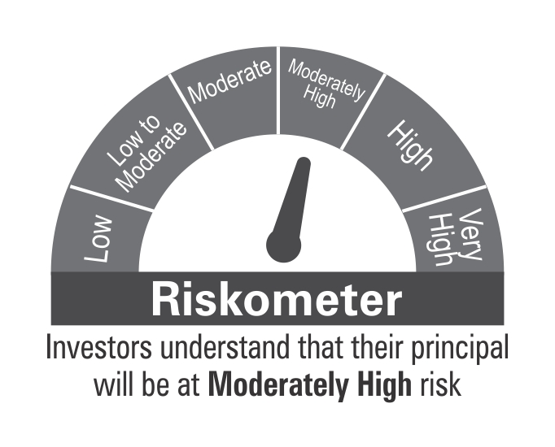

 | Benchmark Riskometer: CRISIL Credit Risk Fund CIII Index

STR
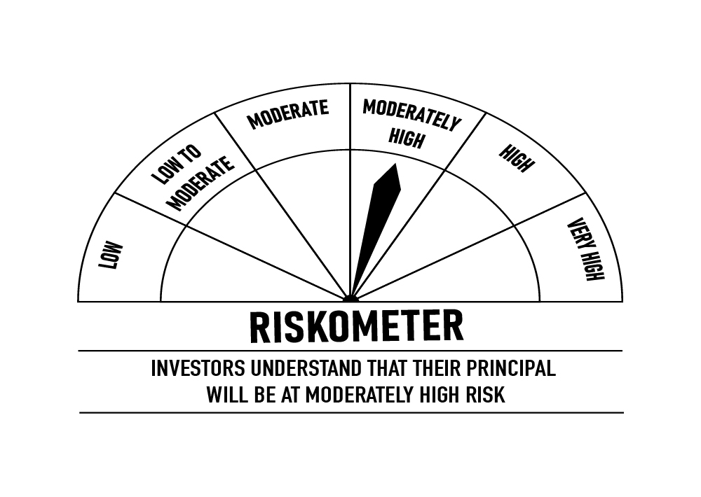
 | DSP Strategic Bond Fund
 | Portfolio as on October 31, 2022

Sr. No. | Name of Instrument | ISIN | Rating/Industry | Quantity | Market value (Rs. In lakhs) | % to Net Assets | Maturity Date | Put/Call Option | YTM (%)

 | DEBT INSTRUMENTS
 | BOND & NCD's
 | Listed / awaiting listing on the stock exchanges |  |  |  |  |  |  |  |  | Sector/Rating | Percent
1 | National Bank for Agriculture and Rural Development** | INE261F08DQ4 | CRISIL AAA | 250 | 2,530.35 | 5.00% | 01-Aug-2025 |  | 7.54 | IND A1+ | 23.57%
 | Total |  |  |  | 2,530.35 | 5.00% |  |  |  | CRISIL A1+ | 17.83%
 |  |  |  |  |  |  |  |  |  | SOV | 12.22%
 | Government Securities (Central/State) |  |  |  |  |  |  |  |  | ICRA A1+ | 9.43%
2 | 5.39% Gujarat SDL 2024 | IN1520200313 | SOV | 2,500,000 | 2,449.35 | 4.84% | 31-Mar-2024 |  | 7.27 | CRISIL AAA | 5.00%
3 | 5.74% GOI 2026 | IN0020210186 | SOV | 750,000 | 729.24 | 1.44% | 15-Nov-2026 |  | 7.31 | Cash & Equivalent | 31.95%
4 | 7.38% GOI 2027 | IN0020220037 | SOV | 500,000 | 513.40 | 1.02% | 20-Jun-2027 |  | 7.38
5 | 6.84% GOI 2022 | IN0020160050 | SOV | 500,000 | 512.89 | 1.01% | 19-Dec-2022 |  | 6.25
6 | 6.54% GOI 2032 | IN0020210244 | SOV | 500,000 | 478.45 | 0.95% | 17-Jan-2032 |  | 7.48
7 | 8.32% Karnataka SDL 2029 | IN1920180206 | SOV | 2,100 | 2.19 | * | 13-Mar-2029 |  | 7.70
8 | 8.53% Gujarat SDL 2028 | IN1520180192 | SOV | 800 | 0.87 | * | 20-Nov-2028 |  | 7.61
 | Total |  |  |  | 4,686.39 | 9.26%

 | MONEY MARKET INSTRUMENTS
 | Certificate of Deposit
9 | Bank of Baroda | INE028A16CV3 | IND A1+ | 1,000 | 4,846.40 | 9.58% | 10-Apr-2023 |  | 7.23
10 | ICICI Bank Limited** | INE090A167X2 | ICRA A1+ | 1,000 | 4,770.53 | 9.43% | 30-Jun-2023 |  | 7.29
11 | Kotak Mahindra Bank Limited** | INE237A169P8 | CRISIL A1+ | 1,000 | 4,719.67 | 9.33% | 17-Aug-2023 |  | 7.50
12 | State Bank of India** | INE062A16465 | IND A1+ | 1,000 | 4,701.38 | 9.30% | 12-Sep-2023 |  | 7.36
13 | Export-Import Bank of India** | INE514E16CB6 | CRISIL A1+ | 900 | 4,299.12 | 8.50% | 22-Jun-2023 |  | 7.32
14 | HDFC Bank Limited | INE040A16DH5 | IND A1+ | 500 | 2,374.14 | 4.69% | 17-Jul-2023 |  | 7.50
 | Total |  |  |  | 25,711.24 | 50.83%

 | Treasury Bill
15 | 364 DAYS T-BILL 2022 | IN002021Z343 | SOV | 1,500,000 | 1,496.05 | 2.96% | 17-Nov-2022 |  | 6.02
 | Total |  |  |  | 1,496.05 | 2.96%

16 | TREPS / Reverse Repo Investments / Corporate Debt Repo |  |  |  | 15,706.01 | 31.05% | 01-Nov-2022
 | Total |  |  |  | 15,706.01 | 31.05%

 | Cash & Cash Equivalent
 | Cash Margin |  |  |  | 357.72 | 0.71%
 | Net Receivables/Payables |  |  |  | 90.50 | 0.19%
 | Total |  |  |  | 448.22 | 0.90%

 | GRAND TOTAL |  |  |  | 50,578.26 | 100.00%
Notes:
1 | ** Non Traded in accordance with SEBI Regulations
2 | Market value includes accrued interest
3 | * Less than 0.01%
4 | Net Assets does not include unit activity for the date of the Portfolios.

 | Scheme Riskometer

 | Benchmark Riskometer: CRISIL Dynamic Bond Fund BIII Index

BOND
 | DSP Bond Fund
 | Portfolio as on October 31, 2022

Sr. No. | Name of Instrument | ISIN | Rating/Industry | Quantity | Market value (Rs. In lakhs) | % to Net Assets | Maturity Date | Put/Call Option | YTM (%)

 | DEBT INSTRUMENTS
 | BOND & NCD's
 | Listed / awaiting listing on the stock exchanges |  |  |  |  |  |  |  |  | Sector/Rating | Percent
1 | National Highways Authority of India** | INE906B07HH5 | CRISIL AAA | 250 | 2,532.82 | 7.43% | 13-Sep-2029 |  | 7.64 | SOV | 51.23%
2 | NIIF Infrastructure Finance Limited** | INE246R07384 | ICRA AAA | 150 | 1,527.24 | 4.48% | 07-Nov-2024 |  | 8.05 | CRISIL AAA | 19.32%
3 | NTPC Limited** | INE733E07KL3 | CRISIL AAA | 150 | 1,510.67 | 4.43% | 17-Jul-2029 |  | 7.59 | CRISIL A1+ | 14.32%
4 | Power Grid Corporation of India Limited** | INE752E07NU8 | CRISIL AAA | 100 | 1,066.40 | 3.13% | 25-Apr-2028 |  | 7.56 | ICRA AAA | 4.48%
5 | Sundaram Home Finance Limited** | INE667F07HS1 | CRISIL AA+ | 100 | 1,035.90 | 3.04% | 11-May-2023 |  | 7.68 | CRISIL AA+ | 3.04%
6 | Jamnagar Utilities & Power Private Limited** | INE936D07174 | CRISIL AAA | 100 | 958.47 | 2.81% | 29-Sep-2026 |  | 7.85 | Cash & Equivalent | 7.61%
7 | Power Finance Corporation Limited** | INE134E08KV1 | CRISIL AAA | 50 | 517.08 | 1.52% | 11-Jun-2030 |  | 7.67
 | Total |  |  |  | 9,148.58 | 26.84%

 | Government Securities (Central/State)
8 | 7.38% GOI 2027 | IN0020220037 | SOV | 8,000,000 | 8,214.37 | 24.11% | 20-Jun-2027 |  | 7.38
9 | 5.74% GOI 2026 | IN0020210186 | SOV | 5,500,000 | 5,347.79 | 15.69% | 15-Nov-2026 |  | 7.31
10 | 5.63% GOI 2026 | IN0020210012 | SOV | 2,000,000 | 1,905.24 | 5.59% | 12-Apr-2026 |  | 7.31
11 | 7.26% GOI 2032 | IN0020220060 | SOV | 1,500,000 | 1,501.39 | 4.41% | 22-Aug-2032 |  | 7.45
 | Total |  |  |  | 16,968.79 | 49.80%

 | MONEY MARKET INSTRUMENTS
 | Certificate of Deposit
12 | Small Industries Development Bank of India** | INE556F16945 | CRISIL A1+ | 500 | 2,442.53 | 7.17% | 03-Mar-2023 |  | 7.04
13 | Kotak Mahindra Bank Limited** | INE237A169N3 | CRISIL A1+ | 500 | 2,437.39 | 7.15% | 14-Mar-2023 |  | 7.05
 | Total |  |  |  | 4,879.92 | 14.32%

 | Treasury Bill
14 | 364 DAYS T-BILL 2023 | IN002021Z525 | SOV | 500,000 | 488.14 | 1.43% | 16-Mar-2023 |  | 6.57
 | Total |  |  |  | 488.14 | 1.43%

15 | TREPS / Reverse Repo Investments / Corporate Debt Repo |  |  |  | 2,555.16 | 7.50% | 01-Nov-2022
 | Total |  |  |  | 2,555.16 | 7.50%

 | Cash & Cash Equivalent
 | Net Receivables/Payables |  |  |  | 33.95 | 0.11%
 | Total |  |  |  | 33.95 | 0.11%

 | GRAND TOTAL |  |  |  | 34,074.54 | 100.00%
Notes:
1 | ** Non Traded in accordance with SEBI Regulations
2 | Market value includes accrued interest
3 | Net Assets does not include unit activity for the date of the Portfolios.
4 | Pursuant to SEBI circular SEBI/HO/IMD/DF4/CIR/P/2019/102 dated September 24, 2019 read with circular no. SEBI/HO/IMD/DF4/CIR/P/2019/41 dated March 22, 2019. Below are the details of the securities in case of which issuer has defaulted beyond its maturity date.
 | Security Name | ISIN | value of the security considered under net receivables (i.e. value recognized in NAV in absolute terms and as % to NAV) (Rs.in lakhs) |  | total amount (including principal and interest) that is due to the scheme on that investment (Rs.in lakhs)
 | 0% Il&Fs Transportation Networks Limited NCD Series A 23032019 | INE975G08140 | 0.00 | 0.00% | 1,325.56

 | Scheme Riskometer


 | Benchmark Riskometer: CRISIL Medium Duration Fund BIII Index

