Dynamic Bond
 | 360 ONE Dynamic Bond Fund (Formerly known as IIFL Dynamic Bond Fund)

 | Monthly Portfolio Statement as on July 31,2023
 | Name of the Instrument | ISIN | Industry / Rating | Quantity | Market/Fair Value(Rs. in Lacs) | Rounded % to Net Assets | YTM
 | REIT/InvIT Instruments
 | (a) Listed / awaiting listing on Stock Exchanges
EOPR01 | Embassy Office Parks REIT | INE041025011 | Realty | 661,548 | 2063.90 | 2.63%
 | Sub Total |  |  |  | 2063.90 | 2.63%
 | (b) Unlisted |  |  |  | NIL | NIL
 | Sub Total |  |  |  | NIL | NIL
 | Total |  |  |  | 2063.90 | 2.63%
 | Debt Instruments
 | (a) Listed / awaiting listing on Stock Exchange
GOI4584 | 7.26% Government of India (22/08/2032) | IN0020220060 | SOVEREIGN | 14,500,000 | 14548.08 | 18.54% | 7.34%
GOI4900 | 7.41% Government of India (19/12/2036) | IN0020220102 | SOVEREIGN | 8,500,000 | 8612.16 | 10.98% | 7.38%
GOI4976 | 7.26% Government of India (06/02/2033) | IN0020220151 | SOVEREIGN | 4,500,000 | 4526.80 | 5.77% | 7.30%
GOI3734 | 6.54% Government of India (17/01/2032) | IN0020210244 | SOVEREIGN | 4,500,000 | 4312.31 | 5.50% | 7.34%
MEBP22 | 6.6861% Mindspace Business Parks REIT (17/05/2024) ** | INE0CCU07033 | CRISIL AAA | 4,000,000 | 3972.46 | 5.06% | 7.80%
RPAT30 | 6.75% Sikka Ports and Terminals Limited (22/04/2026) ** | INE941D07208 | CRISIL AAA | 4,000,000 | 3909.13 | 4.98% | 7.69%
RUPL36 | 6.4% Jamnagar Utilities & Power Private Limited (29/09/2026) ** | INE936D07174 | CRISIL AAA | 3,500,000 | 3374.40 | 4.30% | 7.71%
LICH647 | 8.025% LIC Housing Finance Limited (23/03/2033) ** | INE115A07QH6 | CRISIL AAA | 2,500,000 | 2561.27 | 3.26% | 7.65%
GOI4978 | 7.6% State Government Securities (08/02/2035) | IN1520220220 | SOVEREIGN | 2,500,000 | 2531.09 | 3.23% | 7.58%
GOI4979 | 7.64% State Government Securities (08/02/2033) | IN2120220065 | SOVEREIGN | 2,500,000 | 2530.00 | 3.22% | 7.60%
HDFB903 | 7.8% HDFC Bank Limited (06/09/2032) ** | INE040A08773 | CRISIL AAA | 2,500,000 | 2513.69 | 3.20% | 7.71%
LICH637 | 7.8% LIC Housing Finance Limited (22/12/2027) ** | INE115A07QC7 | CRISIL AAA | 2,500,000 | 2507.30 | 3.20% | 7.70%
HDBF304 | 8.04% HDB Financial Services Limited (25/02/2026) ** | INE756I07EL8 | CRISIL AAA | 2,500,000 | 2500.97 | 3.19% | 7.99%
MUFL410 | 8.4% Muthoot Finance Limited (27/07/2028) ** | INE414G07IH7 | CRISIL AA+ | 2,500,000 | 2500.43 | 3.19% | 8.41%
HDFB887 | 5.78% HDFC Bank Limited (25/11/2025) ** | INE040A08856 | CRISIL AAA | 2,500,000 | 2396.37 | 3.05% | 7.78%
GOI4449 | 7.54% Government of India (23/05/2036) | IN0020220029 | SOVEREIGN | 2,000,000 | 2044.01 | 2.61% | 7.40%
GOI5018 | 7.71% State Government Securities (08/03/2034) | IN1520220279 | SOVEREIGN | 1,500,000 | 1530.79 | 1.95% | 7.56%
GOI5002 | 7.71% State Government Securities (01/03/2033) | IN1520220253 | SOVEREIGN | 1,500,000 | 1524.62 | 1.94% | 7.61%
GOI4366 | 7.1% Government of India (18/04/2029) | IN0020220011 | SOVEREIGN | 1,500,000 | 1494.00 | 1.90% | 7.31%
GOI5045 | 7.74% State Government Securities (23/03/2043) | IN2120220131 | SOVEREIGN | 1,000,000 | 1022.91 | 1.30% | 7.65%
GOI5006 | 7.74% State Government Securities (01/03/2033) | IN2220220189 | SOVEREIGN | 1,000,000 | 1018.57 | 1.30% | 7.60%
GOI4995 | 7.66% State Government Securities (22/02/2030) | IN1520220246 | SOVEREIGN | 661,400 | 668.48 | 0.85% | 7.59%
GOI1984 | 7.69% State Government Securities (20/12/2027) | IN1520170144 | SOVEREIGN | 500,000 | 506.30 | 0.65% | 7.48%
HDBF310 | 8.3774% HDB Financial Services Limited (24/04/2026) ** | INE756I07ER5 | CRISIL AAA | 500,000 | 504.28 | 0.64% | 7.99%
 | Sub Total |  |  |  | 73610.41 | 93.83%
 | (b) Privately placed / Unlisted |  |  |  | NIL | NIL
 | Sub Total |  |  |  | NIL | NIL
 | Total |  |  |  | 73610.41 | 93.83%
 | TREPS / Reverse Repo
TRP_010823 | TREPS |  |  |  | 805.00 | 1.03%
 | Sub Total |  |  |  | 805.00 | 1.03%
 | Total |  |  |  | 805.00 | 1.03%
 | Net Receivables / (Payables) |  |  |  | 1974.68 | 2.52%
 | GRAND TOTAL |  |  |  | 78453.99 | 100.00%

 | ** Thinly Traded / Non Traded Security

 | Tier 1 & 2 Bonds Disclosure as on 31 July 2023
 | BONDS | ISIN | Yield till Maturity* | Maturity (as per SEBI guidelines*) | Yield till Call | Yield to Call Maturity
 | - | - | - | - | - | -

 | (*) Twenty years from the date of allotment for Tier1 bonds and at maturity if before 20 years in case of Tier2 bonds

 | Disclosure Portfolio YTM for Debt Schemes
 | Scheme Name : | 360 ONE Dynamic Bond Fund (Formerly known as IIFL Dynamic Bond Fund)
 | Description (if any)

 | Annualised Portfolio YTM* : | 7.4295

 | Macaulay Duration | 5.4898
 | Residual Maturity | 7.684

 | As on (Date) | 31-Jul-23

 | Risk-o-meter:

Scheme Riskometer
Benchmark Riskometer
 | This product is suitable for investors who are seeking*
 | Income and long term gains | 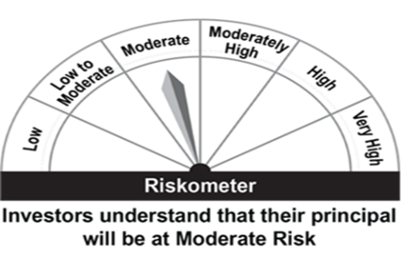 |  | 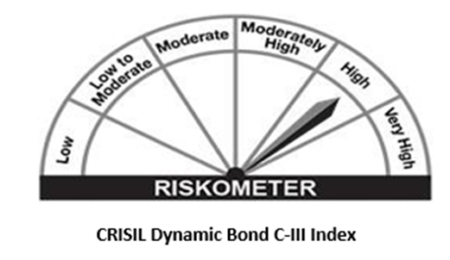
 | Investment in a range of debt and money market instruments of various maturities.
 | *Investors should consult their financial advisers if in doubt about whether the product is suitable for them.

Liquid Fund
 | 360 ONE Liquid Fund (Formerly known as IIFL Liquid Fund)

 | Monthly Portfolio Statement as on July 31,2023
 | Name of the Instrument | ISIN | Rating | Quantity | Market/Fair Value(Rs. in Lacs) | Rounded % to Net Assets | YTM
 | Debt Instruments
 | (a) Listed / awaiting listing on Stock Exchange
MUFL381 | 7.5% Muthoot Finance Limited (16/10/2023) ** | INE414G07FC4 | CRISIL AA+ | 2,500,000 | 2497.83 | 3.14% | 7.48%
NHBA306 | 5.32% National Housing Bank (01/09/2023) | INE557F08FK3 | CRISIL AAA | 2,500,000 | 2496.52 | 3.14% | 6.91%
 | Sub Total |  |  |  | 4994.34 | 6.28%
 | (b) Privately placed / Unlisted |  |  |  | NIL | NIL
 | Sub Total |  |  |  | NIL | NIL
 | Total |  |  |  | 4994.34 | 6.28%
 | Money Market Instruments
 | Certificate of Deposit
EXIM738 | Export Import Bank of India (29/08/2023) ** # | INE514E16CD2 | CRISIL A1+ | 5,000,000 | 4974.08 | 6.26% | 6.79%
BKBA374 | Bank of Baroda (12/10/2023) ** # | INE028A16DM0 | FITCH A1+ | 5,000,000 | 4932.48 | 6.21% | 6.94%
INBK409 | Indian Bank (25/10/2023) # | INE562A16MB2 | CRISIL A1+ | 5,000,000 | 4920.20 | 6.19% | 6.97%
SIDB476 | Small Industries Dev Bank of India (01/09/2023) ** # | INE556F16994 | CRISIL A1+ | 2,500,000 | 2485.57 | 3.13% | 6.84%
UTIB1256 | Axis Bank Limited (07/09/2023) # | INE238AD6025 | CRISIL A1+ | 2,500,000 | 2482.76 | 3.12% | 6.85%
CANB916 | Canara Bank (26/09/2023) ** # | INE476A16VW2 | CRISIL A1+ | 2,500,000 | 2474.19 | 3.11% | 6.80%
CANB921 | Canara Bank (25/10/2023) ** # | INE476A16WB4 | CRISIL A1+ | 2,500,000 | 2460.18 | 3.10% | 6.95%
 | Sub Total |  |  |  | 24729.45 | 31.11%
 | Commercial Paper
RRVL113 | Reliance Retail Ventures Limited (01/09/2023) ** | INE929O14AL3 | CRISIL A1+ | 5,000,000 | 4970.81 | 6.25% | 6.92%
NBAR721 | National Bank For Agriculture and Rural Development (04/09/2023) ** | INE261F14KA1 | ICRA A1+ | 5,000,000 | 4968.30 | 6.25% | 6.85%
SUFI733 | Sundaram Finance Limited (05/09/2023) ** | INE660A14XE0 | CRISIL A1+ | 5,000,000 | 4966.71 | 6.25% | 6.99%
JMFP879 | JM Financial Products Limited (04/08/2023) ** | INE523H141C1 | CRISIL A1+ | 2,500,000 | 2498.38 | 3.14% | 7.91%
RPAT55 | Sikka Ports and Terminals Limited (14/08/2023) | INE941D14402 | CRISIL A1+ | 2,500,000 | 2493.87 | 3.14% | 6.90%
SIDB520 | Small Industries Dev Bank of India (08/09/2023) ** | INE556F14JH1 | CARE A1+ | 2,500,000 | 2482.30 | 3.12% | 6.85%
SHTR498 | Shriram Finance Limited (21/09/2023) ** | INE721A14DK9 | CRISIL A1+ | 2,500,000 | 2474.62 | 3.11% | 7.34%
LARS431 | Larsen & Toubro Limited (17/10/2023) ** | INE018A14JV4 | CRISIL A1+ | 2,500,000 | 2463.83 | 3.10% | 6.96%
CHOL1024 | Cholamandalam Investment and Finance Company Ltd (30/10/2023) | INE121A14UY7 | CRISIL A1+ | 2,500,000 | 2455.91 | 3.09% | 7.28%
 | Sub Total |  |  |  | 29774.72 | 37.46%
 | Treasury Bill
TBIL2179 | 182 Days Tbill (MD 14/09/2023) | IN002022Y518 | SOVEREIGN | 5,000,000 | 4960.42 | 6.24% | 6.62%
TBIL2159 | 182 Days Tbill (MD 03/08/2023) | IN002022Y450 | SOVEREIGN | 3,000,000 | 2998.92 | 3.77% | 6.60%
TBIL2165 | 182 Days Tbill (MD 17/08/2023) | IN002022Y476 | SOVEREIGN | 2,500,000 | 2492.85 | 3.14% | 6.55%
TBIL2214 | 91 Days Tbill (MD 07/09/2023) | IN002023X104 | SOVEREIGN | 2,500,000 | 2483.39 | 3.12% | 6.60%
 | Sub Total |  |  |  | 12935.56 | 16.28%
 | Total |  |  |  | 67439.72 | 84.85%
 | TREPS / Reverse Repo
TRP_010823 | TREPS |  |  |  | 6442.00 | 8.11%
 | Sub Total |  |  |  | 6442.00 | 8.11%
 | Total |  |  |  | 6442.00 | 8.11%
 | Net Receivables / (Payables) |  |  |  | 602.90 | 0.76%
 | GRAND TOTAL |  |  |  | 79478.97 | 100.00%

 | ** Thinly Traded / Non Traded Security
 | # Unlisted Security

 | Disclosure Portfolio YTM for Debt Schemes
 | Scheme Name : | 360 ONE Liquid Fund (Formerly known as IIFL Liquid Fund)
 | Description (if any)

 | Annualised Portfolio YTM* : | 6.8762

 | Macaulay Duration | 0.1133
 | Residual Maturity | 0.1137

 | As on (Date) | 31-Jul-23

 | Risk-o-meter:

Scheme Riskometer
Benchmark Riskometer
 | This product is suitable for investors who are seeking*
 | Income over short term horizon | 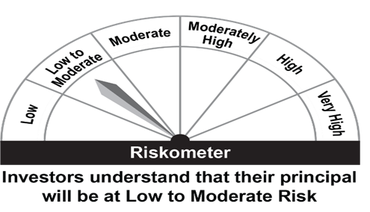 |  | 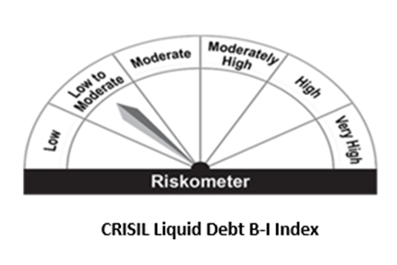
 | Investments in money market and short term debt instruments, with maturity not exceeding 91 days.
 | *Investors should consult their financial advisers if in doubt about whether the product is suitable for them.

Focused Equity
 | 360 ONE Focused Equity Fund (Formerly known as IIFL Focused Equity Fund)

 | Monthly Portfolio Statement as on July 31,2023
 | Name of the Instrument | ISIN | Industry | Quantity | Market/Fair Value(Rs. in Lacs) | Rounded % to Net Assets
 | Equity & Equity related
 | (a) Listed / awaiting listing on Stock Exchanges
IBCL05 | ICICI Bank Limited | INE090A01021 | Banks | 3,931,929 | 39252.45 | 9.05%
HDFB03 | HDFC Bank Limited | INE040A01034 | Banks | 2,329,017 | 38456.73 | 8.87%
UTIB02 | Axis Bank Limited | INE238A01034 | Banks | 2,662,702 | 25399.51 | 5.86%
INFS02 | Infosys Limited | INE009A01021 | IT - Software | 1,697,415 | 23011.86 | 5.31%
TELC03 | Tata Motors Limited | INE155A01022 | Automobiles | 3,329,778 | 21453.76 | 4.95%
LARS02 | Larsen & Toubro Limited | INE018A01030 | Construction | 784,154 | 21025.91 | 4.85%
BTVL02 | Bharti Airtel Limited | INE397D01024 | Telecom - Services | 2,020,031 | 17976.26 | 4.15%
NTPC01 | NTPC Limited | INE733E01010 | Power | 7,122,975 | 15553.02 | 3.59%
BTUL02 | APL Apollo Tubes Limited | INE702C01027 | Industrial Products | 896,883 | 14295.87 | 3.30%
KCUL02 | Cummins India Limited | INE298A01020 | Industrial Products | 682,347 | 13429.61 | 3.10%
SONB01 | Sona BLW Precision Forgings Limited | INE073K01018 | Auto Components | 2,292,683 | 13070.59 | 3.01%
INEN02 | Cyient Limited | INE136B01020 | IT - Services | 889,117 | 13043.79 | 3.01%
HLEL02 | Hindustan Unilever Limited | INE030A01027 | Diversified FMCG | 507,804 | 13003.84 | 3.00%
SBAI02 | State Bank of India | INE062A01020 | Banks | 2,085,407 | 12933.69 | 2.98%
MSUW01 | Motherson Sumi Wiring India Limited | INE0FS801015 | Auto Components | 20,707,520 | 12124.25 | 2.80%
CHOL02 | Cholamandalam Investment and Finance Company Ltd | INE121A01024 | Finance | 1,008,628 | 11418.68 | 2.63%
DPIL01 | Data Patterns (India) Limited | INE0IX101010 | Aerospace & Defense | 543,532 | 11075.55 | 2.55%
CPIL02 | CCL Products (India) Limited | INE421D01022 | Agricultural Food & other Products | 1,773,531 | 10906.33 | 2.51%
CMSI01 | CMS Info System Limited | INE925R01014 | Commercial Services & Supplies | 2,436,111 | 9726.17 | 2.24%
HDLI01 | HDFC Life Insurance Company Limited | INE795G01014 | Insurance | 1,443,504 | 9337.31 | 2.15%
SUMI01 | Sumitomo Chemical India Limited | INE258G01013 | Fertilizers & Agrochemicals | 2,216,064 | 9147.91 | 2.11%
MAHE01 | Max Healthcare Institute Limited | INE027H01010 | Healthcare Services | 1,510,855 | 8988.08 | 2.07%
LTIL01 | LTIMindtree Limited | INE214T01019 | IT - Software | 181,575 | 8882.01 | 2.05%
AUHF01 | Aavas Financiers Limited | INE216P01012 | Finance | 536,178 | 8304.32 | 1.91%
CGCE01 | Crompton Greaves Consumer Electricals Limited | INE299U01018 | Consumer Durables | 2,765,771 | 8128.60 | 1.87%
AMPL02 | Astra Microwave Products Limited | INE386C01029 | Aerospace & Defense | 1,968,774 | 7364.20 | 1.70%
ABFS01 | Aditya Birla Capital Limited | INE674K01013 | Finance | 2,870,266 | 5619.98 | 1.30%
DIVI02 | Divi's Laboratories Limited | INE361B01024 | Pharmaceuticals & Biotechnology | 152,198 | 5607.43 | 1.29%
NMDC01 | NMDC Limited | INE584A01023 | Minerals & Mining | 4,746,914 | 5565.76 | 1.28%
AETH01 | Aether Industries Limited | INE0BWX01014 | Chemicals & Petrochemicals | 427,350 | 4433.33 | 1.02%
BTVL03 | Bharti Airtel Limited | IN9397D01014 | Telecom - Services | 101,549 | 499.52 | 0.12%
 | Sub Total |  |  |  | 419036.32 | 96.63%
 | (b) Unlisted |  |  |  | NIL | NIL
 | Sub Total |  |  |  | NIL | NIL
 | Total |  |  |  | 419036.32 | 96.63%
 | TREPS / Reverse Repo
TRP_010823 | TREPS |  |  |  | 10277.00 | 2.37%
 | Sub Total |  |  |  | 10277.00 | 2.37%
 | Total |  |  |  | 10277.00 | 2.37%
 | Net Receivables / (Payables) |  |  |  | 4350.96 | 1.00%
 | GRAND TOTAL |  |  |  | 433664.27 | 100.00%

 | Risk-o-meter:

Scheme Riskometer
Benchmark Riskometer
 | This product is suitable for investors who are seeking*
 | Capital appreciation over long term; | 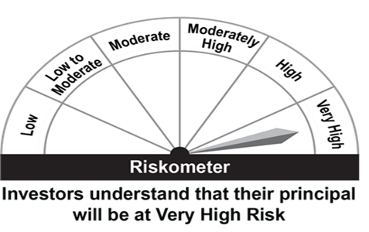 |  | 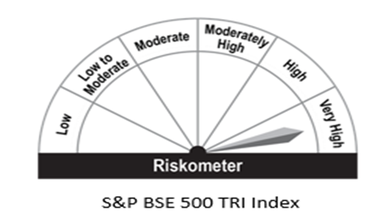
 | Investment predominantly in equity and equity related instruments;
 | *Investors should consult their financial advisers if in doubt about whether the product is suitable for them.

Quant Fund
 | 360 ONE QUANT FUND (Formerly known as IIFL QUANT FUND)

 | Monthly Portfolio Statement as on July 31,2023
 | Name of the Instrument | ISIN | Industry | Quantity | Market/Fair Value(Rs. in Lacs) | Rounded % to Net Assets
 | Equity & Equity related
 | (a) Listed / awaiting listing on Stock Exchanges
PFCL01 | Power Finance Corporation Limited | INE134E01011 | Finance | 95,191 | 248.83 | 3.96%
RELC01 | REC Limited | INE020B01018 | Finance | 122,382 | 248.37 | 3.95%
HDAM01 | HDFC Asset Management Company Limited | INE127D01025 | Capital Markets | 9,167 | 232.29 | 3.69%
HALT01 | Hindustan Aeronautics Limited | INE066F01012 | Aerospace & Defense | 5,539 | 219.43 | 3.49%
MUFL01 | Muthoot Finance Limited | INE414G01012 | Finance | 15,845 | 213.97 | 3.40%
SUPI02 | Supreme Industries Limited | INE195A01028 | Industrial Products | 5,943 | 210.98 | 3.35%
CHOL02 | Cholamandalam Investment and Finance Company Ltd | INE121A01024 | Finance | 18,567 | 210.20 | 3.34%
BHEL02 | Bharat Electronics Limited | INE263A01024 | Aerospace & Defense | 156,562 | 204.63 | 3.25%
KCUL02 | Cummins India Limited | INE298A01020 | Industrial Products | 10,265 | 202.03 | 3.21%
HDLI01 | HDFC Life Insurance Company Limited | INE795G01014 | Insurance | 30,530 | 197.48 | 3.14%
CHEL02 | Zydus Lifesciences Limited | INE010B01027 | Pharmaceuticals & Biotechnology | 31,108 | 196.68 | 3.13%
TOPH02 | Torrent Pharmaceuticals Limited | INE685A01028 | Pharmaceuticals & Biotechnology | 9,789 | 196.06 | 3.12%
SAEL02 | TVS Motor Company Limited | INE494B01023 | Automobiles | 14,208 | 195.60 | 3.11%
BHFO02 | Bharat Forge Limited | INE465A01025 | Industrial Products | 20,182 | 187.99 | 2.99%
GCPL02 | Godrej Consumer Products Limited | INE102D01028 | Personal Products | 17,822 | 184.63 | 2.93%
SLIF01 | SBI Life Insurance Company Limited | INE123W01016 | Insurance | 14,186 | 181.89 | 2.89%
PGCI01 | Power Grid Corporation of India Limited | INE752E01010 | Power | 68,168 | 181.36 | 2.88%
BALN01 | Bajaj Auto Limited | INE917I01010 | Automobiles | 3,650 | 180.00 | 2.86%
ITCL02 | ITC Limited | INE154A01025 | Diversified FMCG | 38,005 | 176.99 | 2.81%
BOOT01 | Abbott India Limited | INE358A01014 | Pharmaceuticals & Biotechnology | 726 | 174.74 | 2.78%
YESB03 | Yes Bank Limited | INE528G01035 | Banks | 1,030,113 | 174.60 | 2.78%
BPCL01 | Bharat Petroleum Corporation Limited | INE029A01011 | Petroleum Products | 45,227 | 170.73 | 2.71%
BRIT03 | Britannia Industries Limited | INE216A01030 | Food Products | 3,553 | 170.33 | 2.71%
HCLT02 | HCL Technologies Limited | INE860A01027 | IT - Software | 15,199 | 169.73 | 2.70%
NEST01 | Nestle India Limited | INE239A01016 | Food Products | 744 | 167.80 | 2.67%
PSYL01 | Persistent Systems Limited | INE262H01013 | IT - Software | 3,415 | 162.01 | 2.58%
SHCE01 | Shree Cement Limited | INE070A01015 | Cement & Cement Products | 665 | 160.32 | 2.55%
PLNG01 | Petronet LNG Limited | INE347G01014 | Gas | 68,269 | 159.44 | 2.53%
COAL01 | Coal India Limited | INE522F01014 | Consumable Fuels | 69,382 | 159.06 | 2.53%
HDFB03 | HDFC Bank Limited | INE040A01034 | Banks | 9,584 | 158.25 | 2.52%
HLEL02 | Hindustan Unilever Limited | INE030A01027 | Diversified FMCG | 6,100 | 156.21 | 2.48%
IGAS02 | Indraprastha Gas Limited | INE203G01027 | Gas | 32,653 | 151.22 | 2.40%
PIIN03 | PI Industries Limited | INE603J01030 | Fertilizers & Agrochemicals | 4,174 | 150.92 | 2.40%
ILOM01 | ICICI Lombard General Insurance Company Limited | INE765G01017 | Insurance | 7,943 | 110.05 | 1.75%
 | Sub Total |  |  |  | 6264.80 | 99.58%
 | (b) Unlisted |  |  |  | NIL | NIL
 | Sub Total |  |  |  | NIL | NIL
 | Total |  |  |  | 6264.80 | 99.58%
 | TREPS / Reverse Repo
TRP_010823 | TREPS |  |  |  | 3.00 | 0.05%
 | Sub Total |  |  |  | 3.00 | 0.05%
 | Total |  |  |  | 3.00 | 0.05%
 | Net Receivables / (Payables) |  |  |  | 23.39 | 0.37%
 | GRAND TOTAL |  |  |  | 6291.18 | 100.00%

 | Risk-o-meter:

Scheme Riskometer
Benchmark Riskometer
 | This product is suitable for investors who are seeking*
 | capital appreciation over long term; |  |  | 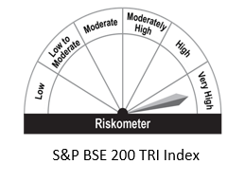
 | Investment predominantly in equity and equity related instruments selected based on quant model
 | *Investors should consult their financial advisers if in doubt about whether the product is suitable for them.

ELSS Nifty 50 Tax Saver Index
 | 360 ONE ELSS Nifty 50 Tax Saver Index Fund(Formerly known as IIFL ELSS Nifty 50 Tax Saver Index Fund)

 | Monthly Portfolio Statement as on July 31,2023
 | Name of the Instrument | ISIN | Industry | Quantity | Market/Fair Value(Rs. in Lacs) | Rounded % to Net Assets
 | Equity & Equity related
 | (a) Listed / awaiting listing on Stock Exchanges
HDFB03 | HDFC Bank Limited | INE040A01034 | Banks | 37,604 | 620.92 | 14.01%
RIND01 | Reliance Industries Limited | INE002A01018 | Petroleum Products | 17,046 | 434.55 | 9.81%
IBCL05 | ICICI Bank Limited | INE090A01021 | Banks | 35,254 | 351.94 | 7.94%
INFS02 | Infosys Limited | INE009A01021 | IT - Software | 17,985 | 243.82 | 5.50%
ITCL02 | ITC Limited | INE154A01025 | Diversified FMCG | 44,467 | 207.08 | 4.67%
TCSL01 | Tata Consultancy Services Limited | INE467B01029 | IT - Software | 5,162 | 176.62 | 3.99%
LARS02 | Larsen & Toubro Limited | INE018A01030 | Construction | 6,092 | 163.35 | 3.69%
KOMA02 | Kotak Mahindra Bank Limited | INE237A01028 | Banks | 7,408 | 137.53 | 3.10%
UTIB02 | Axis Bank Limited | INE238A01034 | Banks | 13,812 | 131.75 | 2.97%
SBAI02 | State Bank of India | INE062A01020 | Banks | 19,339 | 119.94 | 2.71%
HLEL02 | Hindustan Unilever Limited | INE030A01027 | Diversified FMCG | 4,498 | 115.18 | 2.60%
BTVL02 | Bharti Airtel Limited | INE397D01024 | Telecom - Services | 12,655 | 112.62 | 2.54%
BAFL02 | Bajaj Finance Limited | INE296A01024 | Finance | 1,344 | 98.12 | 2.21%
ASPA02 | Asian Paints Limited | INE021A01026 | Consumer Durables | 2,271 | 76.70 | 1.73%
MAHI02 | Mahindra & Mahindra Limited | INE101A01026 | Automobiles | 4,511 | 66.55 | 1.50%
MAUD01 | Maruti Suzuki India Limited | INE585B01010 | Automobiles | 670 | 65.80 | 1.48%
TWAT02 | Titan Company Limited | INE280A01028 | Consumer Durables | 2,103 | 63.18 | 1.43%
SPIL03 | Sun Pharmaceutical Industries Limited | INE044A01036 | Pharmaceuticals & Biotechnology | 5,441 | 62.21 | 1.40%
HCLT02 | HCL Technologies Limited | INE860A01027 | IT - Software | 5,334 | 59.56 | 1.34%
TELC03 | Tata Motors Limited | INE155A01022 | Automobiles | 8,871 | 57.16 | 1.29%
NTPC01 | NTPC Limited | INE733E01010 | Power | 23,943 | 52.28 | 1.18%
TISC03 | Tata Steel Limited | INE081A01020 | Ferrous Metals | 40,650 | 50.06 | 1.13%
ULCC01 | UltraTech Cement Limited | INE481G01011 | Cement & Cement Products | 582 | 48.41 | 1.09%
IIBL01 | IndusInd Bank Limited | INE095A01012 | Banks | 3,285 | 46.57 | 1.05%
PGCI01 | Power Grid Corporation of India Limited | INE752E01010 | Power | 17,224 | 45.82 | 1.03%
BFSL02 | Bajaj Finserv Limited | INE918I01026 | Finance | 2,728 | 43.60 | 0.98%
NEST01 | Nestle India Limited | INE239A01016 | Food Products | 179 | 40.37 | 0.91%
ADAN02 | Adani Enterprises Limited | INE423A01024 | Metals & Minerals Trading | 1,550 | 38.63 | 0.87%
JVSL04 | JSW Steel Limited | INE019A01038 | Ferrous Metals | 4,629 | 37.81 | 0.85%
TEMA02 | Tech Mahindra Limited | INE669C01036 | IT - Software | 3,143 | 35.06 | 0.79%
HDLI01 | HDFC Life Insurance Company Limited | INE795G01014 | Insurance | 5,417 | 35.04 | 0.79%
ONGC02 | Oil & Natural Gas Corporation Limited | INE213A01029 | Oil | 19,653 | 34.80 | 0.79%
DRRL02 | Dr. Reddy's Laboratories Limited | INE089A01023 | Pharmaceuticals & Biotechnology | 613 | 34.58 | 0.78%
GRAS02 | Grasim Industries Limited | INE047A01021 | Cement & Cement Products | 1,858 | 34.36 | 0.78%
HINI02 | Hindalco Industries Limited | INE038A01020 | Non - Ferrous Metals | 7,360 | 34.05 | 0.77%
MUND02 | Adani Ports and Special Economic Zone Limited | INE742F01042 | Transport Infrastructure | 4,246 | 33.03 | 0.75%
CIPL03 | Cipla Limited | INE059A01026 | Pharmaceuticals & Biotechnology | 2,643 | 31.06 | 0.70%
WIPR02 | Wipro Limited | INE075A01022 | IT - Software | 7,467 | 30.25 | 0.68%
SLIF01 | SBI Life Insurance Company Limited | INE123W01016 | Insurance | 2,269 | 29.09 | 0.66%
BRIT03 | Britannia Industries Limited | INE216A01030 | Food Products | 595 | 28.52 | 0.64%
BALN01 | Bajaj Auto Limited | INE917I01010 | Automobiles | 571 | 28.16 | 0.64%
COAL01 | Coal India Limited | INE522F01014 | Consumable Fuels | 11,490 | 26.34 | 0.59%
APOL02 | Apollo Hospitals Enterprise Limited | INE437A01024 | Healthcare Services | 506 | 26.18 | 0.59%
TTEA02 | Tata Consumer Products Limited | INE192A01025 | Agricultural Food & other Products | 2,995 | 25.74 | 0.58%
DIVI02 | Divi's Laboratories Limited | INE361B01024 | Pharmaceuticals & Biotechnology | 642 | 23.65 | 0.53%
EIML02 | Eicher Motors Limited | INE066A01021 | Automobiles | 689 | 23.19 | 0.52%
LTIL01 | LTIMindtree Limited | INE214T01019 | IT - Software | 462 | 22.60 | 0.51%
HERO02 | Hero MotoCorp Limited | INE158A01026 | Automobiles | 655 | 20.98 | 0.47%
BPCL01 | Bharat Petroleum Corporation Limited | INE029A01011 | Petroleum Products | 4,809 | 18.15 | 0.41%
SECH03 | UPL Limited | INE628A01036 | Fertilizers & Agrochemicals | 2,534 | 15.83 | 0.36%
 | Sub Total |  |  |  | 4358.77 | 98.36%

RELS01 | Jio Financial Services Limited ** | INE758E01017 | Finance | 16,954 | 44.39 | 1.00%
 | Sub Total |  |  |  | 44.39 | 1.00%
 | (b) Unlisted |  |  |  | NIL | NIL
 | Sub Total |  |  |  | NIL | NIL
 | Total |  |  |  | 4403.17 | 99.36%
 | TREPS / Reverse Repo
TRP_010823 | TREPS |  |  |  | 13.00 | 0.29%
 | Sub Total |  |  |  | 13.00 | 0.29%
 | Total |  |  |  | 13.00 | 0.29%
 | Net Receivables / (Payables) |  |  |  | 15.37 | 0.35%
 | GRAND TOTAL |  |  |  | 4431.54 | 100.00%

 | ** Thinly Traded / Non Traded Security

 | Risk-o-meter:

Scheme Riskometer
Benchmark Riskometer
 | This product is suitable for investors who are seeking*
 | capital appreciation over long term; | 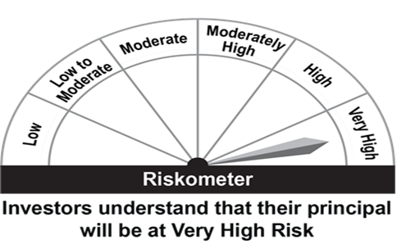 |  | 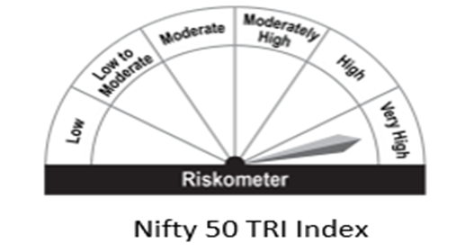
 | Investment in stocks comprising the Nifty 50 Index in the same proportion as in the index to achieve returns equivalent to the Total Returns Index of Nifty 50 Index, subject to tracking errorwhile offering deduction under Section 80C of IT Act, 1961
 | *Investors should consult their financial advisors if in doubt about whether the product is suitable for them.

FLEXICAP FUND
 | 360 ONE FLEXICAP FUND

 | Monthly Portfolio Statement as on July 31,2023
 | Name of the Instrument | ISIN | Industry | Quantity | Market/Fair Value(Rs. in Lacs) | Rounded % to Net Assets
 | Equity & Equity related
 | (a) Listed / awaiting listing on Stock Exchanges
HDFB03 | HDFC Bank Limited | INE040A01034 | Banks | 128,301 | 2118.51 | 8.91%
IBCL05 | ICICI Bank Limited | INE090A01021 | Banks | 202,723 | 2023.78 | 8.51%
UTIB02 | Axis Bank Limited | INE238A01034 | Banks | 139,492 | 1330.61 | 5.60%
INFS02 | Infosys Limited | INE009A01021 | IT - Software | 88,125 | 1194.71 | 5.03%
TELC03 | Tata Motors Limited | INE155A01022 | Automobiles | 182,865 | 1178.20 | 4.96%
BTVL02 | Bharti Airtel Limited | INE397D01024 | Telecom - Services | 109,050 | 970.44 | 4.08%
LARS02 | Larsen & Toubro Limited | INE018A01030 | Construction | 32,561 | 873.07 | 3.67%
NTPC01 | NTPC Limited | INE733E01010 | Power | 311,340 | 679.81 | 2.86%
SBAI02 | State Bank of India | INE062A01020 | Banks | 94,922 | 588.71 | 2.48%
BTUL02 | APL Apollo Tubes Limited | INE702C01027 | Industrial Products | 36,614 | 583.61 | 2.45%
MSUW01 | Motherson Sumi Wiring India Limited | INE0FS801015 | Auto Components | 982,193 | 575.07 | 2.42%
HLEL02 | Hindustan Unilever Limited | INE030A01027 | Diversified FMCG | 22,103 | 566.01 | 2.38%
HDLI01 | HDFC Life Insurance Company Limited | INE795G01014 | Insurance | 87,232 | 564.26 | 2.37%
CHOL02 | Cholamandalam Investment and Finance Company Ltd | INE121A01024 | Finance | 49,666 | 562.27 | 2.37%
DIXO02 | Dixon Technologies (India) Limited | INE935N01020 | Consumer Durables | 13,633 | 561.95 | 2.36%
DLPL01 | Dr. Lal Path Labs Limited | INE600L01024 | Healthcare Services | 24,107 | 560.80 | 2.36%
VEDF01 | Vedant Fashions Limited | INE825V01034 | Retailing | 43,762 | 553.92 | 2.33%
JUFL02 | Jubilant Foodworks Limited | INE797F01020 | Leisure Services | 114,648 | 548.59 | 2.31%
CMSI01 | CMS Info System Limited | INE925R01014 | Commercial Services & Supplies | 137,024 | 547.07 | 2.30%
ABFS01 | Aditya Birla Capital Limited | INE674K01013 | Finance | 279,196 | 546.67 | 2.30%
AUHF01 | Aavas Financiers Limited | INE216P01012 | Finance | 34,189 | 529.52 | 2.23%
ESCO01 | Escorts Kubota Limited | INE042A01014 | Agricultural, Commercial & Construction Vehicles | 19,369 | 491.87 | 2.07%
SONB01 | Sona BLW Precision Forgings Limited | INE073K01018 | Auto Components | 84,494 | 481.70 | 2.03%
LTIL01 | LTIMindtree Limited | INE214T01019 | IT - Software | 9,312 | 455.51 | 1.92%
DIVI02 | Divi's Laboratories Limited | INE361B01024 | Pharmaceuticals & Biotechnology | 12,149 | 447.61 | 1.88%
AMPL02 | Astra Microwave Products Limited | INE386C01029 | Aerospace & Defense | 118,716 | 444.06 | 1.87%
HCLT02 | HCL Technologies Limited | INE860A01027 | IT - Software | 38,658 | 431.69 | 1.82%
TIIN01 | Timken India Limited | INE325A01013 | Industrial Products | 12,253 | 430.94 | 1.81%
AVAT01 | Avalon Technologies Limited | INE0LCL01028 | Electrical Equipment | 70,798 | 424.12 | 1.78%
HALT01 | Hindustan Aeronautics Limited | INE066F01012 | Aerospace & Defense | 9,209 | 364.81 | 1.53%
SUMI01 | Sumitomo Chemical India Limited | INE258G01013 | Fertilizers & Agrochemicals | 85,000 | 350.88 | 1.48%
CGCE01 | Crompton Greaves Consumer Electricals Limited | INE299U01018 | Consumer Durables | 112,843 | 331.65 | 1.40%
CPIL02 | CCL Products (India) Limited | INE421D01022 | Agricultural Food & other Products | 42,522 | 261.49 | 1.10%
KENI01 | Kirloskar Oil Engines Limited | INE146L01010 | Industrial Products | 53,623 | 241.73 | 1.02%
INEN02 | Cyient Limited | INE136B01020 | IT - Services | 16,064 | 235.67 | 0.99%
CROM02 | CG Power and Industrial Solutions Limited | INE067A01029 | Electrical Equipment | 57,540 | 231.34 | 0.97%
NETW01 | Netweb Technologies India Limited | INE0NT901020 | IT - Hardware | 26,157 | 229.02 | 0.96%
 | Sub Total |  |  |  | 23511.65 | 98.90%
 | (b) Unlisted |  |  |  | NIL | NIL
 | Sub Total |  |  |  | NIL | NIL
 | Total |  |  |  | 23511.65 | 98.90%
 | Net Receivables / (Payables) |  |  |  | 262.17 | 1.10%
 | GRAND TOTAL |  |  |  | 23773.82 | 100.00%

 | Risk-o-meter:

Scheme Riskometer
Benchmark Riskometer
 | This product is suitable for investors who are seeking*
 | capital appreciation over long term | 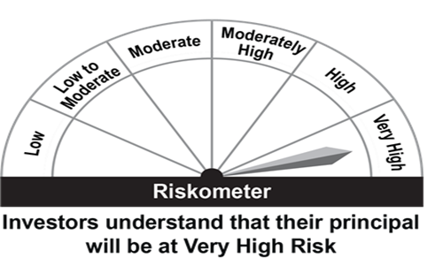 |  | 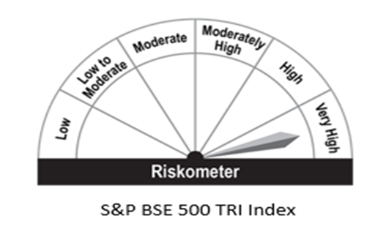
 | Investment predominantly in equity and equity related instruments across market capitalization
 | *Investors should consult their financial advisers if in doubt about whether the product is suitable for them.

