Dynamic Bond
 | 360 ONE Dynamic Bond Fund (Formerly known as IIFL Dynamic Bond Fund) - An Open Ended Dynamic Debt Scheme investing across duration. A relatively high interest rate risk and relatively high credit risk.

 | Monthly Portfolio Statement as on August 31,2023
 | Name of the Instrument | ISIN | Industry / Rating | Quantity | Market/Fair Value(Rs. in Lacs) | Rounded % to Net Assets | YTM
 | REIT/InvIT Instruments
 | (a) Listed / awaiting listing on Stock Exchanges
EOPR01 | Embassy Office Parks REIT | INE041025011 | Realty | 661,548 | 2018.85 | 2.62%
 | Sub Total |  |  |  | 2018.85 | 2.62%
 | (b) Unlisted |  |  |  | NIL | NIL
 | Sub Total |  |  |  | NIL | NIL
 | Total |  |  |  | 2018.85 | 2.62%
 | Debt Instruments
 | (a) Listed / awaiting listing on Stock Exchange
GOI4584 | 7.26% Government of India (22/08/2032) | IN0020220060 | SOVEREIGN | 13,500,000 | 13565.19 | 17.63% | 7.31%
GOI4900 | 7.41% Government of India (19/12/2036) | IN0020220102 | SOVEREIGN | 7,500,000 | 7613.20 | 9.89% | 7.36%
GOI4976 | 7.26% Government of India (06/02/2033) | IN0020220151 | SOVEREIGN | 4,500,000 | 4528.24 | 5.88% | 7.29%
MEBP22 | 6.6861% Mindspace Business Parks REIT (17/05/2024) ** | INE0CCU07033 | CRISIL AAA | 4,000,000 | 3973.70 | 5.16% | 7.87%
RPAT30 | 6.75% Sikka Ports and Terminals Limited (22/04/2026) ** | INE941D07208 | CRISIL AAA | 4,000,000 | 3906.76 | 5.08% | 7.74%
RUPL36 | 6.4% Jamnagar Utilities & Power Private Limited (29/09/2026) ** | INE936D07174 | CRISIL AAA | 3,500,000 | 3366.31 | 4.37% | 7.84%
LICH647 | 8.025% LIC Housing Finance Limited (23/03/2033) ** | INE115A07QH6 | CRISIL AAA | 2,500,000 | 2553.43 | 3.32% | 7.69%
GOI4979 | 7.64% State Government Securities (08/02/2033) | IN2120220065 | SOVEREIGN | 2,500,000 | 2529.33 | 3.29% | 7.60%
GOI4978 | 7.6% State Government Securities (08/02/2035) | IN1520220220 | SOVEREIGN | 2,500,000 | 2526.43 | 3.28% | 7.60%
MUFL410 | 8.4% Muthoot Finance Limited (27/07/2028) ** | INE414G07IH7 | CRISIL AA+ | 2,500,000 | 2503.96 | 3.25% | 8.34%
LICH637 | 7.8% LIC Housing Finance Limited (22/12/2027) ** | INE115A07QC7 | CRISIL AAA | 2,500,000 | 2502.88 | 3.25% | 7.75%
RUPL50 | 7.9% Jamnagar Utilities & Power Private Limited (10/08/2028) ** | INE936D07182 | CRISIL AAA | 2,500,000 | 2500.72 | 3.25% | 7.89%
HDBF304 | 8.04% HDB Financial Services Limited (25/02/2026) ** | INE756I07EL8 | CRISIL AAA | 2,500,000 | 2499.22 | 3.25% | 8.02%
HDFB903 | 7.8% HDFC Bank Limited (06/09/2032) ** | INE040A08773 | CRISIL AAA | 2,500,000 | 2496.75 | 3.24% | 7.82%
HDFB887 | 5.78% HDFC Bank Limited (25/11/2025) ** | INE040A08856 | CRISIL AAA | 2,500,000 | 2395.46 | 3.11% | 7.88%
GOI4449 | 7.54% Government of India (23/05/2036) | IN0020220029 | SOVEREIGN | 2,000,000 | 2048.20 | 2.66% | 7.38%
GOI3734 | 6.54% Government of India (17/01/2032) | IN0020210244 | SOVEREIGN | 2,000,000 | 1919.63 | 2.49% | 7.31%
GOI5018 | 7.71% State Government Securities (08/03/2034) | IN1520220279 | SOVEREIGN | 1,500,000 | 1528.01 | 1.99% | 7.59%
GOI5002 | 7.71% State Government Securities (01/03/2033) | IN1520220253 | SOVEREIGN | 1,500,000 | 1527.82 | 1.99% | 7.57%
GOI4485 | 7.38% Government of India (20/06/2027) | IN0020220037 | SOVEREIGN | 1,500,000 | 1510.43 | 1.96% | 7.29%
GOI5196 | 7.18% Government of India (24/07/2037) | IN0020230077 | SOVEREIGN | 1,500,000 | 1492.79 | 1.94% | 7.37%
GOI5045 | 7.74% State Government Securities (23/03/2043) | IN2120220131 | SOVEREIGN | 1,000,000 | 1029.15 | 1.34% | 7.59%
GOI5006 | 7.74% State Government Securities (01/03/2033) | IN2220220189 | SOVEREIGN | 1,000,000 | 1019.69 | 1.33% | 7.59%
GOI4995 | 7.66% State Government Securities (22/02/2030) | IN1520220246 | SOVEREIGN | 661,400 | 668.89 | 0.87% | 7.57%
GOI1984 | 7.69% State Government Securities (20/12/2027) | IN1520170144 | SOVEREIGN | 500,000 | 505.13 | 0.66% | 7.54%
 | Sub Total |  |  |  | 72711.32 | 94.50%
 | (b) Privately placed / Unlisted |  |  |  | NIL | NIL
 | Sub Total |  |  |  | NIL | NIL
 | Total |  |  |  | 72711.32 | 94.50%
 | TREPS / Reverse Repo
TRP_010923 | TREPS |  |  |  | 194.00 | 0.25%
 | Sub Total |  |  |  | 194.00 | 0.25%
 | Total |  |  |  | 194.00 | 0.25%
 | Net Receivables / (Payables) |  |  |  | 2022.63 | 2.63%
 | GRAND TOTAL |  |  |  | 76946.80 | 100.00%

 | ** Thinly Traded / Non Traded Security

 | Tier 1 & 2 Bonds Disclosure as on 31 August 2023
 | BONDS | ISIN | Yield till Maturity* | Maturity (as per SEBI guidelines*) | Yield till Call | Yield to Call Maturity
 | - | - | - | - | - | -

 | (*) Twenty years from the date of allotment for Tier1 bonds and at maturity if before 20 years in case of Tier2 bonds

 | Disclosure Portfolio YTM for Debt Schemes
 | Scheme Name : | 360 ONE Dynamic Bond Fund (Formerly known as IIFL Dynamic Bond Fund)
 | Description (if any)

 | Annualised Portfolio YTM* : | 7.7153

 | Macaulay Duration | 5.2479
 | Residual Maturity | 7.6332

 | As on (Date) | 31-Aug-23

 | Risk-o-meter:

Scheme Riskometer
Benchmark Riskometer
 | This product is suitable for investors who are seeking*
 | Income and long term gains | 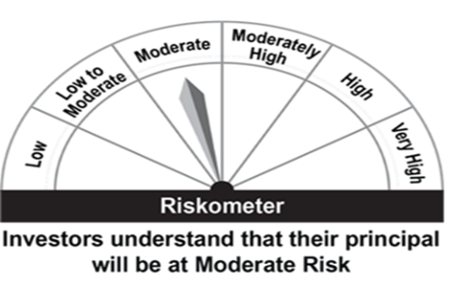 |  | 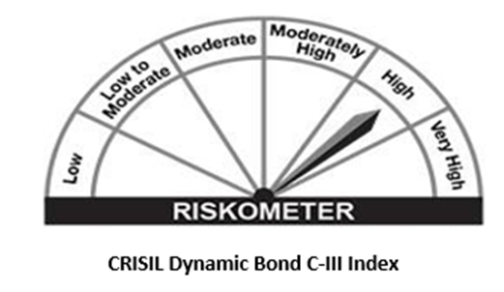
 | Investment in a range of debt and money market instruments of various maturities.
 | *Investors should consult their financial advisers if in doubt about whether the product is suitable for them.

Liquid Fund
 | 360 ONE Liquid Fund (Formerly known as IIFL Liquid Fund) - An Open Ended Liquid Debt Scheme. A relatively low interest rate risk and moderate credit risk.

 | Monthly Portfolio Statement as on August 31,2023
 | Name of the Instrument | ISIN | Rating | Quantity | Market/Fair Value(Rs. in Lacs) | Rounded % to Net Assets | YTM
 | Debt Instruments
 | (a) Listed / awaiting listing on Stock Exchange
MUFL381 | 7.5% Muthoot Finance Limited (16/10/2023) ** | INE414G07FC4 | CRISIL AA+ | 2,500,000 | 2498.40 | 4.97% | 7.53%
ONGC35 | 4.64% Oil & Natural Gas Corporation Limited (21/11/2023) ** | INE213A08032 | ICRA AAA | 2,500,000 | 2486.80 | 4.94% | 7.09%
NHBA306 | 5.32% National Housing Bank (01/09/2023) ** | INE557F08FK3 | CRISIL AAA | 2,000,000 | 2000.00 | 3.98% | 7.10%
 | Sub Total |  |  |  | 6985.19 | 13.89%
 | (b) Privately placed / Unlisted |  |  |  | NIL | NIL
 | Sub Total |  |  |  | NIL | NIL
 | Total |  |  |  | 6985.19 | 13.89%
 | Money Market Instruments
 | Certificate of Deposit
UTIB1257 | Axis Bank Limited (15/11/2023) ** # | INE238AD6140 | CRISIL A1+ | 2,500,000 | 2464.55 | 4.90% | 7.00%
SIDB487 | Small Industries Dev Bank of India (21/11/2023) ** # | INE556F16AB8 | CARE A1+ | 2,500,000 | 2461.50 | 4.89% | 7.05%
BKBA377 | Bank of Baroda (23/11/2023) ** # | INE028A16DR9 | FITCH A1+ | 2,500,000 | 2460.94 | 4.89% | 6.98%
INBK410 | Indian Bank (24/11/2023) ** # | INE562A16MD8 | CRISIL A1+ | 2,500,000 | 2460.09 | 4.89% | 7.05%
 | Sub Total |  |  |  | 9847.08 | 19.58%
 | Commercial Paper
SUFI733 | Sundaram Finance Limited (05/09/2023) ** | INE660A14XE0 | CRISIL A1+ | 5,000,000 | 4996.14 | 9.93% | 7.06%
NBAR721 | National Bank For Agriculture and Rural Development (04/09/2023) ** | INE261F14KA1 | ICRA A1+ | 2,500,000 | 2498.56 | 4.97% | 7.03%
SHTR498 | Shriram Finance Limited (21/09/2023) ** | INE721A14DK9 | CRISIL A1+ | 2,500,000 | 2489.87 | 4.95% | 7.43%
LARS431 | Larsen & Toubro Limited (17/10/2023) ** | INE018A14JV4 | CRISIL A1+ | 2,500,000 | 2478.08 | 4.93% | 7.02%
ENAM252 | Axis Finance Limited (31/10/2023) ** | INE891K14MK0 | CRISIL A1+ | 2,500,000 | 2470.30 | 4.91% | 7.32%
CHOL1024 | Cholamandalam Investment and Finance Company Ltd (30/10/2023) ** | INE121A14UY7 | CRISIL A1+ | 2,500,000 | 2470.11 | 4.91% | 7.49%
NEFL256 | Network18 Media & Investments Limited (07/11/2023) ** | INE870H14QX4 | CARE A1+ | 2,500,000 | 2467.84 | 4.91% | 7.10%
NBAR725 | National Bank For Agriculture and Rural Development (28/11/2023) ** | INE261F14KC7 | CRISIL A1+ | 2,500,000 | 2458.16 | 4.89% | 7.06%
 | Sub Total |  |  |  | 22329.04 | 44.40%
 | Total |  |  |  | 32176.12 | 63.98%
 | TREPS / Reverse Repo
TRP_010923 | TREPS |  |  |  | 10644.00 | 21.17%
 | Sub Total |  |  |  | 10644.00 | 21.17%
 | Total |  |  |  | 10644.00 | 21.17%
 | Net Receivables / (Payables) |  |  |  | 484.11 | 0.96%
 | GRAND TOTAL |  |  |  | 50289.41 | 100.00%

 | ** Thinly Traded / Non Traded Security
 | # Unlisted Security

 | Disclosure Portfolio YTM for Debt Schemes
 | Scheme Name : | 360 ONE Liquid Fund (Formerly known as IIFL Liquid Fund)
 | Description (if any)

 | Annualised Portfolio YTM* : | 7.035

 | Macaulay Duration | 0.103
 | Residual Maturity | 0.1104

 | As on (Date) | 31-Aug-23

 | Risk-o-meter:

Scheme Riskometer
Benchmark Riskometer
 | This product is suitable for investors who are seeking*
 | Income over short term horizon | 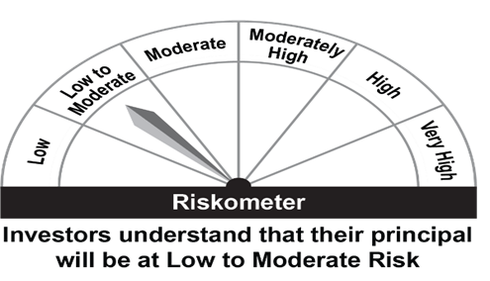 |  | 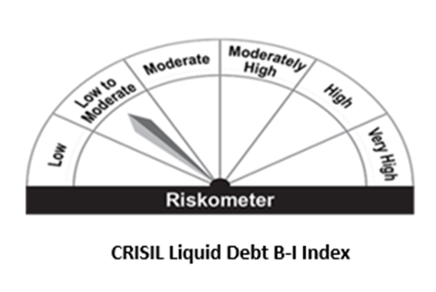
 | Investments in money market and short term debt instruments, with maturity not exceeding 91 days.
 | *Investors should consult their financial advisers if in doubt about whether the product is suitable for them.

Focused Equity
 | 360 ONE Focused Equity Fund (Formerly known as IIFL Focused Equity Fund)- An Open Ended Equity Scheme investing in maximum 30 multicap stocks

 | Monthly Portfolio Statement as on August 31,2023
 | Name of the Instrument | ISIN | Industry | Quantity | Market/Fair Value(Rs. in Lacs) | Rounded % to Net Assets
 | Equity & Equity related
 | (a) Listed / awaiting listing on Stock Exchanges
HDFB03 | HDFC Bank Limited | INE040A01034 | Banks | 2,435,685 | 38275.57 | 8.63%
IBCL05 | ICICI Bank Limited | INE090A01021 | Banks | 3,931,929 | 37697.37 | 8.49%
UTIB02 | Axis Bank Limited | INE238A01034 | Banks | 2,715,956 | 26439.83 | 5.96%
INFS02 | Infosys Limited | INE009A01021 | IT - Software | 1,728,235 | 24807.95 | 5.59%
TELC03 | Tata Motors Limited | INE155A01022 | Automobiles | 3,616,357 | 21734.31 | 4.90%
LARS02 | Larsen & Toubro Limited | INE018A01030 | Construction | 784,154 | 21193.33 | 4.78%
BTVL02 | Bharti Airtel Limited | INE397D01024 | Telecom - Services | 2,167,661 | 18563.85 | 4.18%
NTPC01 | NTPC Limited | INE733E01010 | Power | 7,323,661 | 16134.03 | 3.64%
INEN02 | Cyient Limited | INE136B01020 | IT - Services | 889,117 | 14557.96 | 3.28%
MSUW01 | Motherson Sumi Wiring India Limited | INE0FS801015 | Auto Components | 22,081,341 | 13712.51 | 3.09%
SONB01 | Sona BLW Precision Forgings Limited | INE073K01018 | Auto Components | 2,292,683 | 13655.22 | 3.08%
CHOL02 | Cholamandalam Investment and Finance Company Ltd | INE121A01024 | Finance | 1,211,248 | 13588.39 | 3.06%
BTUL02 | APL Apollo Tubes Limited | INE702C01027 | Industrial Products | 787,173 | 13190.66 | 2.97%
HLEL02 | Hindustan Unilever Limited | INE030A01027 | Diversified FMCG | 507,804 | 12720.74 | 2.87%
DPIL01 | Data Patterns (India) Limited | INE0IX101010 | Aerospace & Defense | 529,734 | 12566.35 | 2.83%
SBAI02 | State Bank of India | INE062A01020 | Banks | 2,085,407 | 11706.43 | 2.64%
SUZE02 | Suzlon Energy Limited | INE040H01021 | Electrical Equipment | 47,491,748 | 11659.22 | 2.63%
HDLI01 | HDFC Life Insurance Company Limited | INE795G01014 | Insurance | 1,581,036 | 10193.73 | 2.30%
SUMI01 | Sumitomo Chemical India Limited | INE258G01013 | Fertilizers & Agrochemicals | 2,293,410 | 10102.47 | 2.28%
KCUL02 | Cummins India Limited | INE298A01020 | Industrial Products | 569,539 | 9726.30 | 2.19%
AUHF01 | Aavas Financiers Limited | INE216P01012 | Finance | 578,433 | 9442.34 | 2.13%
LTIL01 | LTIMindtree Limited | INE214T01019 | IT - Software | 181,575 | 9429.92 | 2.12%
CMSI01 | CMS Info System Limited | INE925R01014 | Commercial Services & Supplies | 2,560,636 | 9250.30 | 2.08%
AMPL02 | Astra Microwave Products Limited | INE386C01029 | Aerospace & Defense | 2,237,323 | 8862.04 | 2.00%
CPIL02 | CCL Products (India) Limited | INE421D01022 | Agricultural Food & other Products | 1,382,367 | 8377.14 | 1.89%
CGCE01 | Crompton Greaves Consumer Electricals Limited | INE299U01018 | Consumer Durables | 2,765,771 | 8298.70 | 1.87%
MAHE01 | Max Healthcare Institute Limited | INE027H01010 | Healthcare Services | 1,284,227 | 7571.16 | 1.71%
DIVI02 | Divi's Laboratories Limited | INE361B01024 | Pharmaceuticals & Biotechnology | 152,198 | 5467.10 | 1.23%
ABFS01 | Aditya Birla Capital Limited | INE674K01013 | Finance | 2,870,266 | 5199.49 | 1.17%
AETH01 | Aether Industries Limited | INE0BWX01014 | Chemicals & Petrochemicals | 427,350 | 4385.25 | 0.99%
BTVL03 | Bharti Airtel Limited | IN9397D01014 | Telecom - Services | 101,549 | 479.77 | 0.11%
 | Sub Total |  |  |  | 428989.42 | 96.67%
 | (b) Unlisted |  |  |  | NIL | NIL
 | Sub Total |  |  |  | NIL | NIL
 | Total |  |  |  | 428989.42 | 96.67%
 | TREPS / Reverse Repo
TRP_010923 | TREPS |  |  |  | 6541.00 | 1.47%
 | Sub Total |  |  |  | 6541.00 | 1.47%
 | Total |  |  |  | 6541.00 | 1.47%
 | Net Receivables / (Payables) |  |  |  | 8235.01 | 1.86%
 | GRAND TOTAL |  |  |  | 443765.43 | 100.00%

 | Risk-o-meter:

Scheme Riskometer
Benchmark Riskometer
 | This product is suitable for investors who are seeking*
 | Capital appreciation over long term; | 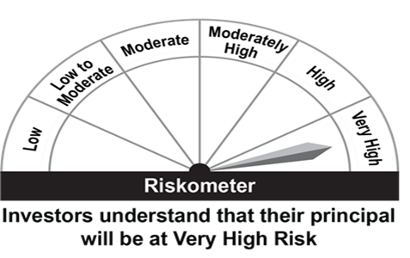 |  | 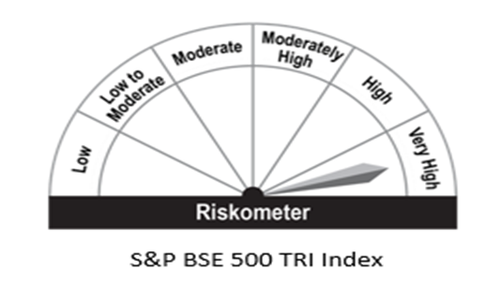
 | Investment predominantly in equity and equity related instruments;
 | *Investors should consult their financial advisers if in doubt about whether the product is suitable for them.

Quant Fund
 | 360 ONE QUANT FUND (Formerly known as IIFL QUANT FUND)- An Open Ended Equity Scheme investing based on quant theme

 | Monthly Portfolio Statement as on August 31,2023
 | Name of the Instrument | ISIN | Industry | Quantity | Market/Fair Value(Rs. in Lacs) | Rounded % to Net Assets
 | Equity & Equity related
 | (a) Listed / awaiting listing on Stock Exchanges
RELC01 | REC Limited | INE020B01018 | Finance | 123,254 | 294.15 | 4.65%
SUPI02 | Supreme Industries Limited | INE195A01028 | Industrial Products | 5,984 | 266.75 | 4.22%
PFCL01 | Power Finance Corporation Limited | INE134E01011 | Finance | 95,868 | 249.45 | 3.94%
HDAM01 | HDFC Asset Management Company Limited | INE127D01025 | Capital Markets | 9,231 | 233.01 | 3.68%
BHFO02 | Bharat Forge Limited | INE465A01025 | Industrial Products | 20,325 | 217.55 | 3.44%
HALT01 | Hindustan Aeronautics Limited | INE066F01012 | Aerospace & Defense | 5,577 | 217.52 | 3.44%
BHEL02 | Bharat Electronics Limited | INE263A01024 | Aerospace & Defense | 157,677 | 210.03 | 3.32%
CHOL02 | Cholamandalam Investment and Finance Company Ltd | INE121A01024 | Finance | 18,698 | 209.76 | 3.32%
SAEL02 | TVS Motor Company Limited | INE494B01023 | Automobiles | 14,307 | 203.15 | 3.21%
MUFL01 | Muthoot Finance Limited | INE414G01012 | Finance | 15,957 | 201.11 | 3.18%
HDLI01 | HDFC Life Insurance Company Limited | INE795G01014 | Insurance | 30,746 | 198.23 | 3.13%
CHEL02 | Zydus Lifesciences Limited | INE010B01027 | Pharmaceuticals & Biotechnology | 31,328 | 196.07 | 3.10%
SLIF01 | SBI Life Insurance Company Limited | INE123W01016 | Insurance | 14,286 | 184.65 | 2.92%
PSYL01 | Persistent Systems Limited | INE262H01013 | IT - Software | 3,437 | 184.59 | 2.92%
TOPH02 | Torrent Pharmaceuticals Limited | INE685A01028 | Pharmaceuticals & Biotechnology | 9,857 | 181.62 | 2.87%
GCPL02 | Godrej Consumer Products Limited | INE102D01028 | Personal Products | 17,947 | 180.39 | 2.85%
HCLT02 | HCL Technologies Limited | INE860A01027 | IT - Software | 15,306 | 179.41 | 2.84%
KCUL02 | Cummins India Limited | INE298A01020 | Industrial Products | 10,336 | 176.51 | 2.79%
YESB03 | Yes Bank Limited | INE528G01035 | Banks | 1,037,459 | 174.29 | 2.76%
BALN01 | Bajaj Auto Limited | INE917I01010 | Automobiles | 3,675 | 169.56 | 2.68%
BOOT01 | Abbott India Limited | INE358A01014 | Pharmaceuticals & Biotechnology | 730 | 168.70 | 2.67%
ITCL02 | ITC Limited | INE154A01025 | Diversified FMCG | 38,275 | 168.30 | 2.66%
PGCI01 | Power Grid Corporation of India Limited | INE752E01010 | Power | 68,653 | 167.89 | 2.65%
NEST01 | Nestle India Limited | INE239A01016 | Food Products | 748 | 164.46 | 2.60%
COAL01 | Coal India Limited | INE522F01014 | Consumable Fuels | 69,876 | 160.75 | 2.54%
BRIT03 | Britannia Industries Limited | INE216A01030 | Food Products | 3,576 | 159.77 | 2.53%
SHCE01 | Shree Cement Limited | INE070A01015 | Cement & Cement Products | 668 | 158.99 | 2.51%
BPCL01 | Bharat Petroleum Corporation Limited | INE029A01011 | Petroleum Products | 45,548 | 155.11 | 2.45%
HLEL02 | Hindustan Unilever Limited | INE030A01027 | Diversified FMCG | 6,142 | 153.86 | 2.43%
IGAS02 | Indraprastha Gas Limited | INE203G01027 | Gas | 32,885 | 153.80 | 2.43%
PIIN03 | PI Industries Limited | INE603J01030 | Fertilizers & Agrochemicals | 4,202 | 152.46 | 2.41%
HDFB03 | HDFC Bank Limited | INE040A01034 | Banks | 9,651 | 151.66 | 2.40%
PLNG01 | Petronet LNG Limited | INE347G01014 | Gas | 68,754 | 148.03 | 2.34%
ILOM01 | ICICI Lombard General Insurance Company Limited | INE765G01017 | Insurance | 7,999 | 105.08 | 1.66%
 | Sub Total |  |  |  | 6296.66 | 99.55%
 | (b) Unlisted |  |  |  | NIL | NIL
 | Sub Total |  |  |  | NIL | NIL
 | Total |  |  |  | 6296.66 | 99.55%
 | TREPS / Reverse Repo
TRP_010923 | TREPS |  |  |  | 18.00 | 0.28%
 | Sub Total |  |  |  | 18.00 | 0.28%
 | Total |  |  |  | 18.00 | 0.28%
 | Net Receivables / (Payables) |  |  |  | 10.22 | 0.16%
 | GRAND TOTAL |  |  |  | 6324.88 | 100.00%

 | Risk-o-meter:

Scheme Riskometer
Benchmark Riskometer
 | This product is suitable for investors who are seeking*
 | capital appreciation over long term; |  |  | 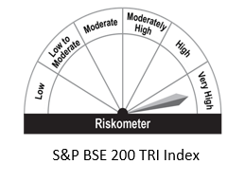
 | Investment predominantly in equity and equity related instruments selected based on quant model
 | *Investors should consult their financial advisers if in doubt about whether the product is suitable for them.

ELSS Nifty 50 Tax Saver Index
 | 360 ONE ELSS Nifty 50 Tax Saver Index Fund(Formerly known as IIFL ELSS Nifty 50 Tax Saver Index Fund) - An Open Ended Passive Equity Linked Saving Scheme with a statutory lock-in period of 3 years

 | Monthly Portfolio Statement as on August 31,2023
 | Name of the Instrument | ISIN | Industry | Quantity | Market/Fair Value(Rs. in Lacs) | Rounded % to Net Assets
 | Equity & Equity related
 | (a) Listed / awaiting listing on Stock Exchanges
HDFB03 | HDFC Bank Limited | INE040A01034 | Banks | 38,715 | 608.39 | 13.75%
RIND01 | Reliance Industries Limited | INE002A01018 | Petroleum Products | 17,550 | 422.43 | 9.55%
IBCL05 | ICICI Bank Limited | INE090A01021 | Banks | 36,295 | 347.98 | 7.86%
INFS02 | Infosys Limited | INE009A01021 | IT - Software | 18,516 | 265.79 | 6.01%
ITCL02 | ITC Limited | INE154A01025 | Diversified FMCG | 45,780 | 201.29 | 4.55%
TCSL01 | Tata Consultancy Services Limited | INE467B01029 | IT - Software | 5,315 | 178.41 | 4.03%
LARS02 | Larsen & Toubro Limited | INE018A01030 | Construction | 6,271 | 169.49 | 3.83%
UTIB02 | Axis Bank Limited | INE238A01034 | Banks | 14,219 | 138.42 | 3.13%
KOMA02 | Kotak Mahindra Bank Limited | INE237A01028 | Banks | 7,627 | 134.14 | 3.03%
HLEL02 | Hindustan Unilever Limited | INE030A01027 | Diversified FMCG | 4,632 | 116.03 | 2.62%
SBAI02 | State Bank of India | INE062A01020 | Banks | 19,910 | 111.76 | 2.53%
BTVL02 | Bharti Airtel Limited | INE397D01024 | Telecom - Services | 13,029 | 111.58 | 2.52%
BAFL02 | Bajaj Finance Limited | INE296A01024 | Finance | 1,383 | 99.06 | 2.24%
ASPA02 | Asian Paints Limited | INE021A01026 | Consumer Durables | 2,338 | 76.13 | 1.72%
MAHI02 | Mahindra & Mahindra Limited | INE101A01026 | Automobiles | 4,645 | 73.18 | 1.65%
MAUD01 | Maruti Suzuki India Limited | INE585B01010 | Automobiles | 689 | 68.93 | 1.56%
TWAT02 | Titan Company Limited | INE280A01028 | Consumer Durables | 2,164 | 67.18 | 1.52%
HCLT02 | HCL Technologies Limited | INE860A01027 | IT - Software | 5,490 | 64.35 | 1.45%
SPIL03 | Sun Pharmaceutical Industries Limited | INE044A01036 | Pharmaceuticals & Biotechnology | 5,601 | 62.26 | 1.41%
TELC03 | Tata Motors Limited | INE155A01022 | Automobiles | 9,133 | 54.89 | 1.24%
NTPC01 | NTPC Limited | INE733E01010 | Power | 24,651 | 54.31 | 1.23%
TISC03 | Tata Steel Limited | INE081A01020 | Ferrous Metals | 41,849 | 51.43 | 1.16%
ULCC01 | UltraTech Cement Limited | INE481G01011 | Cement & Cement Products | 599 | 49.70 | 1.12%
IIBL01 | IndusInd Bank Limited | INE095A01012 | Banks | 3,382 | 46.61 | 1.05%
PGCI01 | Power Grid Corporation of India Limited | INE752E01010 | Power | 17,733 | 43.37 | 0.98%
BFSL02 | Bajaj Finserv Limited | INE918I01026 | Finance | 2,809 | 41.82 | 0.95%
NEST01 | Nestle India Limited | INE239A01016 | Food Products | 185 | 40.67 | 0.92%
TEMA02 | Tech Mahindra Limited | INE669C01036 | IT - Software | 3,235 | 38.88 | 0.88%
ADAN02 | Adani Enterprises Limited | INE423A01024 | Metals & Minerals Trading | 1,596 | 38.61 | 0.87%
JVSL04 | JSW Steel Limited | INE019A01038 | Ferrous Metals | 4,948 | 38.58 | 0.87%
HDLI01 | HDFC Life Insurance Company Limited | INE795G01014 | Insurance | 5,576 | 35.95 | 0.81%
DRRL02 | Dr. Reddy's Laboratories Limited | INE089A01023 | Pharmaceuticals & Biotechnology | 630 | 35.33 | 0.80%
ONGC02 | Oil & Natural Gas Corporation Limited | INE213A01029 | Oil | 20,233 | 35.24 | 0.80%
HINI02 | Hindalco Industries Limited | INE038A01020 | Non - Ferrous Metals | 7,578 | 34.85 | 0.79%
MUND02 | Adani Ports and Special Economic Zone Limited | INE742F01042 | Transport Infrastructure | 4,370 | 34.62 | 0.78%
GRAS02 | Grasim Industries Limited | INE047A01021 | Cement & Cement Products | 1,913 | 34.26 | 0.77%
CIPL03 | Cipla Limited | INE059A01026 | Pharmaceuticals & Biotechnology | 2,722 | 34.23 | 0.77%
WIPR02 | Wipro Limited | INE075A01022 | IT - Software | 7,688 | 31.40 | 0.71%
SLIF01 | SBI Life Insurance Company Limited | INE123W01016 | Insurance | 2,336 | 30.19 | 0.68%
BRIT03 | Britannia Industries Limited | INE216A01030 | Food Products | 612 | 27.34 | 0.62%
COAL01 | Coal India Limited | INE522F01014 | Consumable Fuels | 11,830 | 27.21 | 0.62%
BALN01 | Bajaj Auto Limited | INE917I01010 | Automobiles | 587 | 27.08 | 0.61%
TTEA02 | Tata Consumer Products Limited | INE192A01025 | Agricultural Food & other Products | 3,084 | 25.73 | 0.58%
APOL02 | Apollo Hospitals Enterprise Limited | INE437A01024 | Healthcare Services | 522 | 25.13 | 0.57%
LTIL01 | LTIMindtree Limited | INE214T01019 | IT - Software | 475 | 24.67 | 0.56%
DIVI02 | Divi's Laboratories Limited | INE361B01024 | Pharmaceuticals & Biotechnology | 661 | 23.74 | 0.54%
EIML02 | Eicher Motors Limited | INE066A01021 | Automobiles | 709 | 23.66 | 0.53%
RELS01 | Jio Financial Services Limited | INE758E01017 | Finance | 8,954 | 20.91 | 0.47%
HERO02 | Hero MotoCorp Limited | INE158A01026 | Automobiles | 673 | 19.62 | 0.44%
BPCL01 | Bharat Petroleum Corporation Limited | INE029A01011 | Petroleum Products | 4,952 | 16.86 | 0.38%
SECH03 | UPL Limited | INE628A01036 | Fertilizers & Agrochemicals | 2,609 | 15.42 | 0.35%
 | Sub Total |  |  |  | 4399.14 | 99.41%
 | (b) Unlisted |  |  |  | NIL | NIL
 | Sub Total |  |  |  | NIL | NIL
 | Total |  |  |  | 4399.14 | 99.41%
 | TREPS / Reverse Repo
TRP_010923 | TREPS |  |  |  | 17.00 | 0.38%
 | Sub Total |  |  |  | 17.00 | 0.38%
 | Total |  |  |  | 17.00 | 0.38%
 | Net Receivables / (Payables) |  |  |  | 9.00 | 0.20%
 | GRAND TOTAL |  |  |  | 4425.13 | 100.00%

 | Risk-o-meter:

Scheme Riskometer
Benchmark Riskometer
 | This product is suitable for investors who are seeking*
 | capital appreciation over long term; | 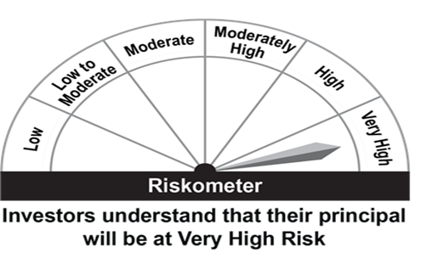 |  | 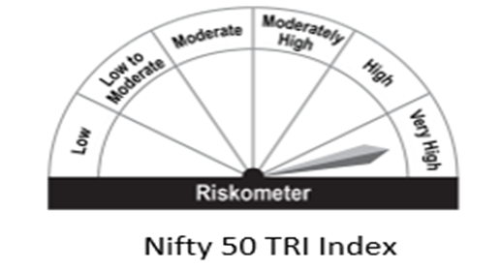
 | Investment in stocks comprising the Nifty 50 Index in the same proportion as in the index to achieve returns equivalent to the Total Returns Index of Nifty 50 Index, subject to tracking errorwhile offering deduction under Section 80C of IT Act, 1961
 | *Investors should consult their financial advisors if in doubt about whether the product is suitable for them.

FLEXICAP FUND
 | 360 ONE FLEXICAP FUND - An Open Ended Dynamic Equity Scheme investing across large cap, mid cap and small cap stocks

 | Monthly Portfolio Statement as on August 31,2023
 | Name of the Instrument | ISIN | Industry | Quantity | Market/Fair Value(Rs. in Lacs) | Rounded % to Net Assets
 | Equity & Equity related
 | (a) Listed / awaiting listing on Stock Exchanges
HDFB03 | HDFC Bank Limited | INE040A01034 | Banks | 132,888 | 2088.27 | 8.34%
IBCL05 | ICICI Bank Limited | INE090A01021 | Banks | 202,723 | 1943.61 | 7.76%
UTIB02 | Axis Bank Limited | INE238A01034 | Banks | 142,059 | 1382.94 | 5.52%
INFS02 | Infosys Limited | INE009A01021 | IT - Software | 88,125 | 1264.99 | 5.05%
TELC03 | Tata Motors Limited | INE155A01022 | Automobiles | 182,865 | 1099.02 | 4.39%
BTVL02 | Bharti Airtel Limited | INE397D01024 | Telecom - Services | 111,892 | 958.24 | 3.83%
LARS02 | Larsen & Toubro Limited | INE018A01030 | Construction | 32,561 | 880.03 | 3.51%
CHOL02 | Cholamandalam Investment and Finance Company Ltd | INE121A01024 | Finance | 65,973 | 740.12 | 2.96%
NTPC01 | NTPC Limited | INE733E01010 | Power | 311,340 | 685.88 | 2.74%
DIXO02 | Dixon Technologies (India) Limited | INE935N01020 | Consumer Durables | 13,633 | 682.17 | 2.72%
SUZE02 | Suzlon Energy Limited | INE040H01021 | Electrical Equipment | 2,650,702 | 650.75 | 2.60%
BTUL02 | APL Apollo Tubes Limited | INE702C01027 | Industrial Products | 36,614 | 613.54 | 2.45%
JUFL02 | Jubilant Foodworks Limited | INE797F01020 | Leisure Services | 119,705 | 612.95 | 2.45%
MSUW01 | Motherson Sumi Wiring India Limited | INE0FS801015 | Auto Components | 982,193 | 609.94 | 2.44%
HDLI01 | HDFC Life Insurance Company Limited | INE795G01014 | Insurance | 91,106 | 587.41 | 2.35%
HLEL02 | Hindustan Unilever Limited | INE030A01027 | Diversified FMCG | 23,057 | 577.59 | 2.31%
AUHF01 | Aavas Financiers Limited | INE216P01012 | Finance | 34,189 | 558.10 | 2.23%
VEDF01 | Vedant Fashions Limited | INE825V01034 | Retailing | 43,762 | 551.60 | 2.20%
AMPL02 | Astra Microwave Products Limited | INE386C01029 | Aerospace & Defense | 135,251 | 535.73 | 2.14%
SBAI02 | State Bank of India | INE062A01020 | Banks | 94,922 | 532.84 | 2.13%
DLPL01 | Dr. Lal Path Labs Limited | INE600L01024 | Healthcare Services | 24,107 | 524.54 | 2.09%
ABFS01 | Aditya Birla Capital Limited | INE674K01013 | Finance | 279,196 | 505.76 | 2.02%
SONB01 | Sona BLW Precision Forgings Limited | INE073K01018 | Auto Components | 84,494 | 503.25 | 2.01%
CMSI01 | CMS Info System Limited | INE925R01014 | Commercial Services & Supplies | 137,024 | 495.00 | 1.98%
LTIL01 | LTIMindtree Limited | INE214T01019 | IT - Software | 9,312 | 483.61 | 1.93%
HCLT02 | HCL Technologies Limited | INE860A01027 | IT - Software | 38,658 | 453.13 | 1.81%
DIVI02 | Divi's Laboratories Limited | INE361B01024 | Pharmaceuticals & Biotechnology | 12,149 | 436.40 | 1.74%
NETW01 | Netweb Technologies India Limited | INE0NT901020 | IT - Hardware | 49,285 | 417.05 | 1.67%
KENI01 | Kirloskar Oil Engines Limited | INE146L01010 | Industrial Products | 84,819 | 410.44 | 1.64%
TIIN01 | Timken India Limited | INE325A01013 | Industrial Products | 12,253 | 398.38 | 1.59%
SUMI01 | Sumitomo Chemical India Limited | INE258G01013 | Fertilizers & Agrochemicals | 85,000 | 374.43 | 1.49%
HALT01 | Hindustan Aeronautics Limited | INE066F01012 | Aerospace & Defense | 9,209 | 359.18 | 1.43%
CGCE01 | Crompton Greaves Consumer Electricals Limited | INE299U01018 | Consumer Durables | 112,843 | 338.59 | 1.35%
ESCO01 | Escorts Kubota Limited | INE042A01014 | Agricultural, Commercial & Construction Vehicles | 10,148 | 320.60 | 1.28%
INEN02 | Cyient Limited | INE136B01020 | IT - Services | 16,064 | 263.02 | 1.05%
TEMA02 | Tech Mahindra Limited | INE669C01036 | IT - Software | 20,834 | 250.41 | 1.00%
CROM02 | CG Power and Industrial Solutions Limited | INE067A01029 | Electrical Equipment | 57,540 | 247.05 | 0.99%
CPIL02 | CCL Products (India) Limited | INE421D01022 | Agricultural Food & other Products | 34,017 | 206.14 | 0.82%
 | Sub Total |  |  |  | 24542.70 | 97.99%
 | (b) Unlisted |  |  |  | NIL | NIL
 | Sub Total |  |  |  | NIL | NIL
 | Total |  |  |  | 24542.70 | 97.99%
 | TREPS / Reverse Repo
TRP_010923 | TREPS |  |  |  | 331.00 | 1.32%
 | Sub Total |  |  |  | 331.00 | 1.32%
 | Total |  |  |  | 331.00 | 1.32%
 | Net Receivables / (Payables) |  |  |  | 171.98 | 0.69%
 | GRAND TOTAL |  |  |  | 25045.68 | 100.00%

 | Risk-o-meter:

Scheme Riskometer
Benchmark Riskometer
 | This product is suitable for investors who are seeking*
 | capital appreciation over long term | 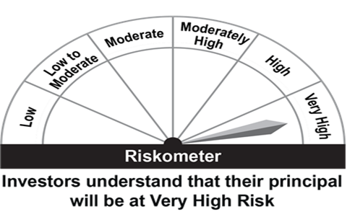 |  | 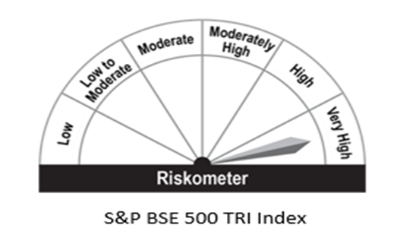
 | Investment predominantly in equity and equity related instruments across market capitalization
 | *Investors should consult their financial advisers if in doubt about whether the product is suitable for them.

