QLTEVF
Quantum Mutual Fund

Quantum Asset Management Company Private Limited
Registered Office: 1st Floor, Apeejay House, 3 Dinshaw Vachha Road, Backbay Reclamation, Churchgate, Mumbai - 400020, Maharashtra, India
Toll Free Helpline.: 1800 22 3863 | Tel No.: 91-22-61447800 | E-mail: CustomerCare@QuantumAMC.com | Website: www.QuantumAMC.com

Quantum Long Term Equity Value Fund (An Open Ended Equity Schemefollowing a Value Investment Strategy)

Monthly Portfolio Statement of the Quantum Long Term Equity Value Fund for the period ended November 30, 2024

Sr.No. | Name of Instrument | ISIN | Industry +/ Rating | Quantity | Market/ Fair Value ( Rs. in Lakhs) | % to NAV | Annualised Yield to Maturity

 | EQUITY & EQUITY RELATED

a) | Listed /Awaiting listing on Stock Exchanges

1 | HDFC Bank Ltd* | INE040A01034 | Banks | 545,317 | 9,794.17 | 8.23%
2 | ICICI Bank Ltd* | INE090A01021 | Banks | 580,810 | 7,551.11 | 6.35%
3 | Infosys Ltd* | INE009A01021 | IT - Software | 343,798 | 6,387.25 | 5.37%
4 | State Bank of India* | INE062A01020 | Banks | 583,209 | 4,892.83 | 4.11%
5 | Bharti Airtel Ltd* | INE397D01024 | Telecom - Services | 299,390 | 4,871.52 | 4.10%
6 | Wipro Ltd* | INE075A01022 | IT - Software | 796,233 | 4,601.03 | 3.87%
7 | ICICI Prudential Life Insurance Company Ltd* | INE726G01019 | Insurance | 611,435 | 4,277.90 | 3.60%
8 | Tech Mahindra Ltd* | INE669C01036 | IT - Software | 245,613 | 4,205.63 | 3.54%
9 | Eicher Motors Ltd* | INE066A01021 | Automobiles | 85,815 | 4,146.45 | 3.49%
10 | Crompton Greaves Consumer Electricals Ltd* | INE299U01018 | Consumer Durables | 983,786 | 4,030.57 | 3.39%
11 | Kotak Mahindra Bank Ltd | INE237A01028 | Banks | 211,412 | 3,731.95 | 3.14%
12 | Tata Consultancy Services Ltd | INE467B01029 | IT - Software | 87,380 | 3,731.87 | 3.14%
13 | Cipla Ltd | INE059A01026 | Pharmaceuticals & Biotechnology | 229,823 | 3,525.25 | 2.96%
14 | LIC Housing Finance Ltd | INE115A01026 | Finance | 543,646 | 3,472.81 | 2.92%
15 | Nuvoco Vistas Corporation Ltd | INE118D01016 | Cement & Cement Products | 929,896 | 3,261.61 | 2.74%
16 | Axis Bank Ltd | INE238A01034 | Banks | 252,203 | 2,865.78 | 2.41%
17 | Aditya Birla Sun Life AMC Ltd | INE404A01024 | Capital Markets | 330,798 | 2,862.06 | 2.41%
18 | ICICI Lombard General Insurance Company Ltd | INE765G01017 | Insurance | 130,317 | 2,426.31 | 2.04%
19 | Tata Steel Ltd | INE081A01020 | Ferrous Metals | 1,524,589 | 2,203.64 | 1.85%
20 | ICICI Securities Ltd | INE763G01038 | Capital Markets | 247,482 | 2,159.65 | 1.82%
21 | IndusInd Bank Ltd | INE095A01012 | Banks | 216,366 | 2,154.68 | 1.81%
22 | Gujarat State Petronet Ltd | INE246F01010 | Gas | 571,799 | 2,025.03 | 1.70%
23 | Hero MotoCorp Ltd | INE158A01026 | Automobiles | 42,098 | 2,004.58 | 1.69%
24 | Mahindra & Mahindra Ltd | INE101A01026 | Automobiles | 66,106 | 1,960.77 | 1.65%
25 | GAIL (India) Ltd | INE129A01019 | Gas | 917,481 | 1,830.01 | 1.54%
26 | Bajaj Auto Ltd | INE917I01010 | Automobiles | 16,683 | 1,507.08 | 1.27%
27 | Shriram Finance Ltd | INE721A01013 | Finance | 45,972 | 1,388.19 | 1.17%
28 | Lupin Ltd | INE326A01037 | Pharmaceuticals & Biotechnology | 65,267 | 1,338.46 | 1.13%
29 | Exide Industries Ltd | INE302A01020 | Auto Components | 180,853 | 818.54 | 0.69%
30 | Star Health And Allied Insurance Company Ltd | INE575P01011 | Insurance | 145,934 | 685.52 | 0.58%

b) | Unlisted |  |  |  | NIL | NIL | NIL

 | Total of all Equity |  |  |  | 100,712.25 | 84.71%

 | MONEY MARKET INSTRUMENTS

a) | Treasury Bills (T-Bill)

1 | 364 Days Tbill (MD 03/04/2025)** | IN002024Z016 | SOV | 50,000 | 48.92 | 0.04% | 6.58%

 | Total of T-Bill |  |  |  | 48.92 | 0.04%

b) | Commercial Papers (CP) |  |  |  | NIL | NIL | NIL

c) | Certificate of Deposits (CD) |  |  |  | NIL | NIL | NIL

d) | TREPS ^ |  |  |  | 18,275.24 | 15.37% | 6.71%

 | Total of Money Market Instruments |  |  |  | 18,324.16 | 15.41%

 | OTHERS
 | Net Receivable/(payable) |  |  |  | -100.86 | -0.12%

 | Grand Total |  |  |  | 118,935.55 | 100.00%

 | Notes:
1 | The provisions made for investment in security below investment grade as on November 30, 2024 is NIL & its percentage to NAV is NIL.
2 | Total value and Percentage of illiquid Equity shares - NIL
3 | Option wise per unit Net Asset Value are as follows:
 | Option | As on November 29, 2024 (Rs.)
 | Direct Plan IDCW | 131.25
 | Direct Plan Growth Option | 130.14
 | Regular Plan IDCW | 126.08
 | Regular Plan Growth Option | 125.37
4 | IDCW declared during the period ended November 30, 2024 - NIL
5 | Bonus declared during the period ended November 30, 2024 - NIL
6 | Total outstanding exposure in derivative instruments as on November 30, 2024 - NIL
7 | Total Market value of investments in Foreign Securities/American Depository Receipts/Global Depository Receipts as on November 30, 2024 - NIL
8 | The Face Value per unit is Rs.10
9 | Portfolio Turnover Ratio (Last One Year) is 11.72%
10 | Investment in Fixed Deposits - NIL
11 | Total Commission for the month ended November 30, 2024 - Rs.307,023.00
12 | Total Brokerage for Buying/ Selling of Investments for the month ended November 30, 2024 is Rs.74,793.00
13 | Details of Repo in Corporate Debt Securities as on November 30, 2024 is NIL
14 | Total number of instances of deviation in valuation of securities of the scheme from the valuation price given by the valuation agencies during the period are: NIL.
15 | IDCW stands for Income Distribution cum Capital Withdrawal
* | Top ten holdings
** | Non Traded Securities as per traded data obtain from FIMMDA trading platform/ NSE/ BSE/CCIL NDS-OM
^ | Cash & Cash Equivalents
+ | Industry Classification as recommeded by AMFI

 | Riskometer of the Scheme |  | BSE 500 TRI Tier 1 Benchmark Riskometer
 | Very High |  | Very High



 | The Risk Level of the Scheme in scheme Risk O Meter is basis it's portfolio as on November 30, 2024 |  | The Risk Level of the Benchmark Index in the Risk O Meter is basis it's constituents as on November 30, 2024

 | BSE 200 TRI Tier 2 Benchmark Riskometer
 | Very High

 | The Risk Level of the Benchmark Index in the Risk O Meter is basis it's constituents as on November 30, 2024

QLF
Quantum Mutual Fund

Quantum Asset Management Company Private Limited
Registered Office: 1st Floor, Apeejay House, 3 Dinshaw Vachha Road, Backbay Reclamation, Churchgate, Mumbai - 400020, Maharashtra, India
Toll Free Helpline.: 1800 22 3863 | Tel No.: 91-22-61447800 | E-mail: CustomerCare@QuantumAMC.com | Website: www.QuantumAMC.com

Quantum Liquid Fund (An Open-ended Liquid Scheme.A relatively low interest rate risk andrelatively low credit risk)

Monthly Portfolio Statement of the Quantum Liquid Fund for the period ended November 30, 2024

Sr.No. | Name of Instrument | ISIN | Rating | Quantity | Market/ Fair Value ( Rs. in Lakhs) | % to NAV | Annualised Yield to Maturity | ~YTC (AT1/Tier 2 bonds)

 | DEBT INSTRUMENTS

a) | Listed /Awaiting listing on Stock Exchanges

i) | Bonds

1 | 8.20%Power Grid Corp Ltd Strp C NCD(MD23/01/2025)** | INE752E07MG9 | CRISIL AAA | 300 | 3,002.54 | 5.96% | 7.11%
2 | 7.05% NHB Taxable NCD (MD 18/12/2024)** | INE557F08FG1 | CRISIL AAA | 250 | 2,499.51 | 4.96% | 7.01%
3 | 5.96% NABARD SR 22F NCD (MD 06/02/2025)** | INE261F08DM3 | CRISIL AAA | 250 | 2,492.49 | 4.95% | 7.27%
4 | 6.88% NHB Taxable NCD (MD 21/01/2025)** | INE557F08FH9 | CRISIL AAA | 150 | 1,498.38 | 2.97% | 7.24%

 | Total of Bonds |  |  |  | 9,492.92 | 18.84%

ii) | Government Securities |  |  |  | NIL | NIL | NIL

iii) | State Government Securities

1 | 8.07% Gujrat SDL (MD 11/02/2025)** | IN1520140097 | SOV | 2,500,000 | 2,506.05 | 4.97% | 6.55%
2 | 8.24% Maharashtra SDL (MD 24/12/2024)** | IN2220140171 | SOV | 1,500,000 | 1,501.47 | 2.98% | 6.56%

 | Total of State Government Securities |  |  |  | 4,007.52 | 7.95%

b) | Privately Placed/Unlisted |  |  |  | NIL | NIL | NIL

c) | Securitized Debt Instruments |  |  |  | NIL | NIL | NIL

 | Total of Debt Instruments |  |  |  | 13,500.43 | 26.79%

 | MONEY MARKET INSTRUMENTS

a) | Treasury Bills (T-Bill)

1 | 91 Days Tbill (MD 09/01/2025)** | IN002024X276 | SOV | 3,000,000 | 2,979.44 | 5.91% | 6.46%
2 | 364 Days Tbill (MD 23/01/2025) | IN002023Z455 | SOV | 3,000,000 | 2,972.10 | 5.90% | 6.47%

 | Total of T-Bill |  |  |  | 5,951.54 | 11.81%

b) | Commercial Papers (CP)

1 | Export Import Bank of India CP (MD 24/01/2025)** | INE514E14RY1 | CRISIL A1+ | 500 | 2,473.78 | 4.91% | 7.17%

 | Total of CPs |  |  |  | 2,473.78 | 4.91%

c) | Certificate of Deposits (CD)

1 | Canara Bank CD (MD 16/01/2025)** | INE476A16XI7 | CRISIL A1+ | 900 | 4,459.79 | 8.85% | 7.16%
2 | Bank of Baroda CD (MD 05/12/2024)** | INE028A16GI1 | IND A1+ | 500 | 2,498.11 | 4.96% | 6.90%
3 | Small Ind Dev Bk of India CD (MD 11/12/2024)** | INE556F16AM5 | CRISIL A1+ | 500 | 2,495.26 | 4.95% | 6.93%
4 | Punjab National Bank CD (MD 06/02/2025)** | INE160A16OI6 | CRISIL A1+ | 500 | 2,467.38 | 4.90% | 7.20%
5 | Small Ind Dev Bk of India CD (MD 10/01/2025)** | INE556F16AO1 | CARE A1+ | 400 | 1,984.48 | 3.94% | 7.14%

 | Total of CDs |  |  |  | 13,905.02 | 27.60%

d) | TREPS ^ |  |  |  | 13,598.33 | 26.98% | 6.71%

 | Total of Money Market Instruments |  |  |  | 35,928.67 | 71.30%

 | OTHERS
1 | Corporate Debt Market Development Fund Class A2 | INF0RQ622028 |  | 1,534 | 160.59 | 0.32%

 | Net Receivable/(payable) |  |  |  | 814.27 | 1.59%

 | Grand Total |  |  |  | 50,403.97 | 100.00%

 | Portfolio Information
 | Scheme Name : | Quantum Liquid Fund
 | Description (if any)
 | Annualised Portfolio YTM* : | 6.85%
 | Macaulay Duration | 33 Days
 | Residual Maturity | 33 Days
 | As on (Date) | 30-11-2024
 | * in case of semi annual YTM, it will be annualised

 | Notes:
1 | The provisions made for investment in security below investment grade as on November 30, 2024 is NIL & its percentage to NAV is NIL.
2 | Total value and percentage of illiquid securities - NIL.
3 | Option wise per unit Net Asset Value are as follows:
 | Option | As on November 30, 2024 (Rs.)
 | Direct Plan Daily IDCW | 10.0085
 | Direct Plan Monthly IDCW | 10.0198
 | Direct Plan Growth Option | 33.9191
 | Regular Plan Dly IDCW | 10.0002
 | Regular Plan Mthly IDCW | 10.0172
 | Regular Plan Growth Option | 33.7019
 | Unclaimed Redemption Plan Below 3 years | 10.2551
 | Unclaimed Redemption Plan Above 3 years | 10.0000
 | Unclaimed IDCW Plan Below 3 years | 10.6645
 | Unclaimed IDCW Plan Above 3 years | 10.0000
4 | IDCW declared during the period ended November 30, 2024
 |  | Gross IDCW per unit (Rs.)
 |  | Individual / Non Individual
 | For Direct Plan Daily IDCW | 0.05457804
 | For Direct Plan Monthly IDCW | 0.05507864
 | For Regular Plan Dly IDCW | 0.05371045
 | For Regular Plan Mthly IDCW | 0.05422757
 | IDCW declared was on the face value of Rs.10 per unit. Past performance may or may not be sustained in future. After payment of the IDCW, the per unit NAV falls to the extent of pay out and statutory levy, if any.TDS as applicable is being deducted from Gross IDCW as per Finance Act 2020 & investor will receive the Net IDCW.
5 | Bonus declared during the period ended November 30, 2024 - NIL
6 | Total outstanding exposure in derivative instruments as on November 30, 2024 - NIL
7 | Total Market value of investments in Foreign Securities/American Depository Receipts/Global Depository Receipts as on November 30, 2024 - NIL
8 | The Face Value per unit is Rs.10
9 | Investment in Fixed Deposits - NIL
10 | Total Commission for the month ended November 30, 2024 - Rs.16,171.00
11 | Total Brokerage for Buying/ Selling of Investments for the month ended November 30, 2024 is Rs.11,000.00
12 | Details of Repo in Corporate Debt Securities as on November 30, 2024 is NIL
13 | Total number of instances of deviation in valuation of securities of the scheme from the valuation price given by the valuation agencies during the period are: NIL.
14 | Investments in Credit Default Swap (CDS) during the month/as on November 30, 2024 is NIL.
15 | IDCW stands for Income Distribution cum Capital Withdrawal
16 | Quantum Liquid Fund Aum of Rs. 504.04 Crores includes amount payable to investors on account of Unclaimed Dividend below 3 years amounting to Rs. 0.02 Crores & Unclaimed Redemption below 3 years amounting to Rs. 0.10 Crores.
~ | YTC i.e. Yield to Call is disclosed at security level only for Additional Tier 1 Bonds and Tier 2 Bonds issued by Banks as per AMFI Best Practices Notification 135/BP/91/2020-21 read with SEBI circular SEBI/HO/IMD/DF4/CIR/P/2021/034
** | Non Traded Securities as per traded data obtain from FIMMDA trading platform/ NSE/ BSE/CCIL NDS-OM
^ | Cash & Cash Equivalents

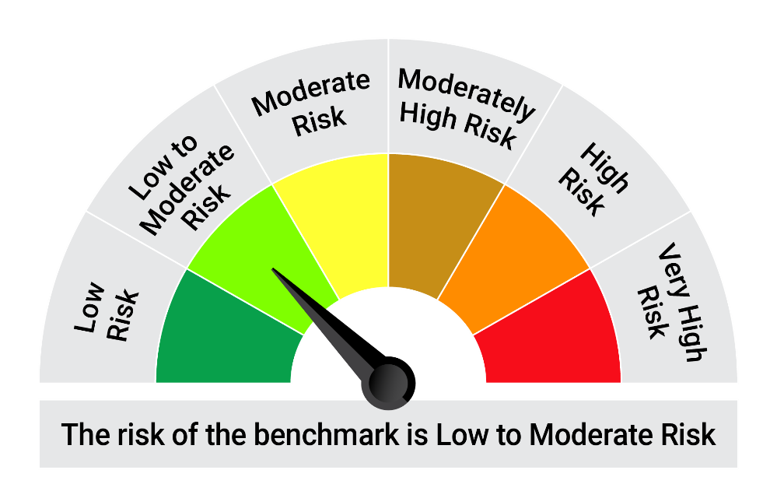
 | Riskometer of the Scheme |  | CRISIL Liquid Debt A-I Index Tier 1 Benchmark Riskometer
 | Low |  | Low to Moderate
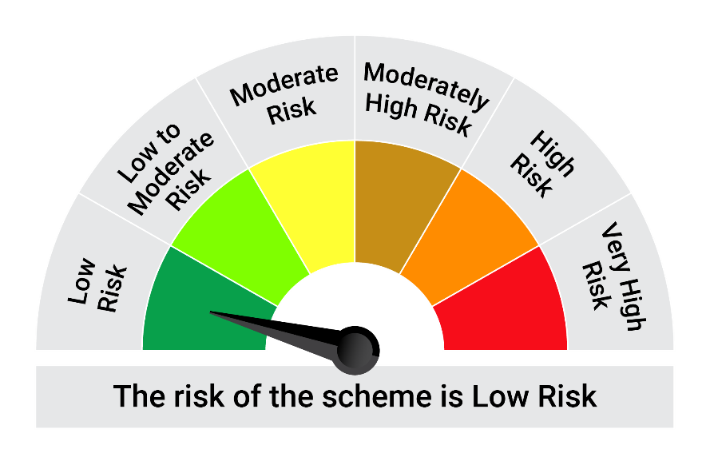

 | The Risk Level of the Scheme in scheme Risk O Meter is basis it's portfolio as on November 30, 2024 |  | The Risk Level of the Benchmark Index in the Risk O Meter is basis it's constituents as on November 30, 2024

 | Potential Risk Class Matrix - Quantum Liquid Fund
 | Credit Risk → | Relatively Low | Moderate | Relatively High
 | Interest Rate Risk ↓ | (Class A) | (Class B) | (Class C)
 | Relatively Low (Class I) | A-I
 | Moderate (Class II)
 | Relatively High (Class III)

QGF
Quantum Mutual Fund

Quantum Asset Management Company Private Limited
Registered Office: 1st Floor, Apeejay House, 3 Dinshaw Vachha Road, Backbay Reclamation, Churchgate, Mumbai - 400020, Maharashtra, India
Toll Free Helpline.: 1800 22 3863 | Tel No.: 91-22-61447800 | E-mail: CustomerCare@QuantumAMC.com | Website: www.QuantumAMC.com

Quantum Gold Fund (An Open Ended Scheme Replicating/Tracking Gold)

Monthly Portfolio Statement of the Quantum Gold Fund for the period ended November 30, 2024

Sr.No. | Name of Instrument | Quantity | Market/ Fair Value ( Rs. in Lakhs) | % to NAV | Annualised Yield to Maturity

 | GOLD

1 | GOLD .995 Purity 1KG BAR at Mumbai Location | 288 | 22,015.73 | 91.85%
2 | GOLD .995 Purity 1KG BAR at Ahmedabad Location | 17 | 1,299.54 | 5.42%
3 | GOLD .999 Purity 100 Gram BAR at Ahmedabad Location | 37 | 283.99 | 1.18%
4 | GOLD .999 Purity 100 Gram BAR at Mumbai Location | 20 | 153.51 | 0.64%

 | Total of Gold |  | 23,752.77 | 99.09%

 | MONEY MARKET INSTRUMENTS

a) | Treasury Bills (T-Bill) |  | NIL | NIL | NIL

b) | Commercial Papers (CP) |  | NIL | NIL | NIL

c) | Certificate of Deposits (CD) |  | NIL | NIL | NIL

d) | TREPS ^ |  | 1.00 | 0.00% | 6.63%

 | Total of Money Market Instruments |  | 1.00 | 0.00%

 | OTHERS
 | Net Receivable/(payable) |  | 214.68 | 0.91%

 | Grand Total |  | 23,968.45 | 100.00%

 | Notes:
1 | The provisions made for investment in security below investment grade as on November 30, 2024 is NIL & its percentage to NAV is NIL.
2 | Per unit Net Asset Value as on November 29, 2024 (Rs) 64.1015
3 | Bonus declared during the period ended November 30, 2024 - NIL
4 | Total outstanding exposure in derivative instruments as on November 30, 2024 - NIL
5 | Total Market value of investments in Foreign Securities/American Depository Receipts/Global Depository Receipts as on November 30, 2024 - NIL
6 | The Face Value per unit is Rs.2
7 | Investment in Fixed Deposits - NIL
8 | Total Commission for the month ended November 30, 2024 - NIL
9 | Total Brokerage for Buying/ Selling of Investments for the month ended November 30, 2024 is NIL
10 | Details of Repo in Corporate Debt Securities as on November 30, 2024 is NIL
^ | Cash & Cash Equivalents

 | Riskometer of the Scheme |  | Domestic Price of Physical Gold Tier 1 Benchmark Riskometer
 | High |  | High
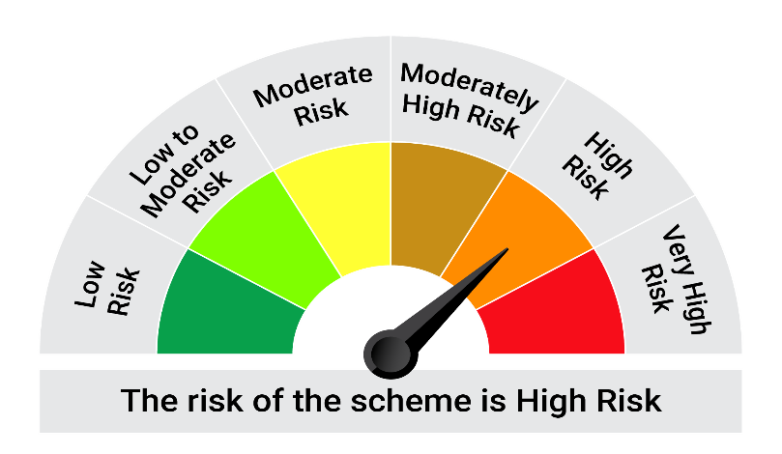


 | The Risk Level of the Scheme in scheme Risk O Meter is basis it's portfolio as on November 30, 2024 |  | The Risk Level of the Benchmark Index in the Risk O Meter is basis it's constituents as on November 30, 2024

QNF
Quantum Mutual Fund

Quantum Asset Management Company Private Limited
Registered Office: 1st Floor, Apeejay House, 3 Dinshaw Vachha Road, Backbay Reclamation, Churchgate, Mumbai - 400020, Maharashtra, India
Toll Free Helpline.: 1800 22 3863 | Tel No.: 91-22-61447800 | E-mail: CustomerCare@QuantumAMC.com | Website: www.QuantumAMC.com

Quantum Nifty 50 ETF (An Open Ended Scheme Replicating / Tracking Nifty 50 Index)

Monthly Portfolio Statement of the Quantum Nifty 50 ETF for the period ended November 30, 2024

Sr.No. | Name of Instrument | ISIN | Industry + | Quantity | Market/ Fair Value ( Rs. in Lakhs) | % to NAV | Annualised Yield to Maturity

 | EQUITY & EQUITY RELATED

a) | Listed /Awaiting listing on Stock Exchanges

1 | HDFC Bank Ltd* | INE040A01034 | Banks | 42,917 | 770.81 | 12.58%
2 | ICICI Bank Ltd* | INE090A01021 | Banks | 39,860 | 518.22 | 8.46%
3 | Reliance Industries Ltd* | INE002A01018 | Petroleum Products | 38,376 | 495.89 | 8.09%
4 | Infosys Ltd* | INE009A01021 | IT - Software | 20,365 | 378.35 | 6.17%
5 | ITC Ltd* | INE154A01025 | Diversified FMCG | 52,605 | 250.79 | 4.09%
6 | Larsen & Toubro Ltd* | INE018A01030 | Construction | 6,657 | 247.96 | 4.05%
7 | Tata Consultancy Services Ltd* | INE467B01029 | IT - Software | 5,779 | 246.81 | 4.03%
8 | Bharti Airtel Ltd* | INE397D01024 | Telecom - Services | 15,157 | 246.63 | 4.02%
9 | Axis Bank Ltd* | INE238A01034 | Banks | 16,128 | 183.26 | 2.99%
10 | State Bank of India* | INE062A01020 | Banks | 21,771 | 182.65 | 2.98%
11 | Mahindra & Mahindra Ltd | INE101A01026 | Automobiles | 5,033 | 149.28 | 2.44%
12 | Kotak Mahindra Bank Ltd | INE237A01028 | Banks | 8,294 | 146.41 | 2.39%
13 | Hindustan Unilever Ltd | INE030A01027 | Diversified FMCG | 5,030 | 125.56 | 2.05%
14 | HCL Technologies Ltd | INE860A01027 | IT - Software | 5,966 | 110.25 | 1.80%
15 | Sun Pharmaceutical Industries Ltd | INE044A01036 | Pharmaceuticals & Biotechnology | 6,097 | 108.58 | 1.77%
16 | Bajaj Finance Ltd | INE296A01024 | Finance | 1,582 | 104.03 | 1.70%
17 | NTPC Ltd | INE733E01010 | Power | 26,742 | 97.25 | 1.59%
18 | Tata Motors Ltd | INE155A01022 | Automobiles | 11,986 | 94.26 | 1.54%
19 | Trent Ltd | INE849A01020 | Retailing | 1,256 | 85.35 | 1.39%
20 | Power Grid Corporation of India Ltd | INE752E01010 | Power | 25,584 | 84.27 | 1.38%
21 | Maruti Suzuki India Ltd | INE585B01010 | Automobiles | 743 | 82.28 | 1.34%
22 | Titan Company Ltd | INE280A01028 | Consumer Durables | 2,337 | 75.93 | 1.24%
23 | UltraTech Cement Ltd | INE481G01011 | Cement & Cement Products | 644 | 72.14 | 1.18%
24 | Tata Steel Ltd | INE081A01020 | Ferrous Metals | 46,819 | 67.67 | 1.10%
25 | Asian Paints Ltd | INE021A01026 | Consumer Durables | 2,557 | 63.40 | 1.03%
26 | Bharat Electronics Ltd | INE263A01024 | Aerospace & Defense | 20,211 | 62.25 | 1.02%
27 | Tech Mahindra Ltd | INE669C01036 | IT - Software | 3,585 | 61.39 | 1.00%
28 | Bajaj Auto Ltd | INE917I01010 | Automobiles | 625 | 56.46 | 0.92%
29 | Oil & Natural Gas Corporation Ltd | INE213A01029 | Oil | 21,912 | 56.25 | 0.92%
30 | Grasim Industries Ltd | INE047A01021 | Cement & Cement Products | 2,102 | 54.78 | 0.89%
31 | Hindalco Industries Ltd | INE038A01020 | Non - Ferrous Metals | 8,221 | 53.95 | 0.88%
32 | Coal India Ltd | INE522F01014 | Consumable Fuels | 12,814 | 53.36 | 0.87%
33 | JSW Steel Ltd | INE019A01038 | Ferrous Metals | 5,418 | 52.34 | 0.85%
34 | Adani Ports and Special Economic Zone Ltd | INE742F01042 | Transport Infrastructure | 4,162 | 49.53 | 0.81%
35 | Bajaj Finserv Ltd | INE918I01026 | Finance | 3,084 | 48.73 | 0.80%
36 | Shriram Finance Ltd | INE721A01013 | Finance | 1,576 | 47.59 | 0.78%
37 | Cipla Ltd | INE059A01026 | Pharmaceuticals & Biotechnology | 3,093 | 47.44 | 0.77%
38 | Wipro Ltd | INE075A01022 | IT - Software | 7,988 | 46.16 | 0.75%
39 | Nestle India Ltd | INE239A01024 | Food Products | 2,023 | 45.21 | 0.74%
40 | Dr. Reddy''s Laboratories Ltd | INE089A01031 | Pharmaceuticals & Biotechnology | 3,447 | 41.44 | 0.68%
41 | HDFC Life Insurance Company Ltd | INE795G01014 | Insurance | 6,025 | 39.63 | 0.65%
42 | Apollo Hospitals Enterprise Ltd | INE437A01024 | Healthcare Services | 573 | 39.13 | 0.64%
43 | Eicher Motors Ltd | INE066A01021 | Automobiles | 779 | 37.64 | 0.61%
44 | IndusInd Bank Ltd | INE095A01012 | Banks | 3,733 | 37.18 | 0.61%
45 | SBI Life Insurance Company Ltd | INE123W01016 | Insurance | 2,526 | 36.32 | 0.59%
46 | Tata Consumer Products Ltd | INE192A01025 | Agricultural Food & other Products | 3,673 | 35.21 | 0.57%
47 | Hero MotoCorp Ltd | INE158A01026 | Automobiles | 731 | 34.81 | 0.57%
48 | Britannia Industries Ltd | INE216A01030 | Food Products | 668 | 33.01 | 0.54%
49 | Adani Enterprises Ltd | INE423A01024 | Metals & Minerals Trading | 1,328 | 32.71 | 0.53%
50 | Bharat Petroleum Corporation Ltd | INE029A01011 | Petroleum Products | 10,935 | 31.94 | 0.52%
51 | Grasim Industries Ltd Partly Paid Up FV1 | IN9047A01029 | Cement & Cement Products | 62 | 1.03 | 0.02%

b) | Unlisted |  |  |  | NIL | NIL | NIL

 | Total of all Equity |  |  |  | 6,123.52 | 99.93%

 | MONEY MARKET INSTRUMENTS

a) | Treasury Bills (T-Bill) |  |  |  | NIL | NIL | NIL

b) | Commercial Papers (CP) |  |  |  | NIL | NIL | NIL

c) | Certificate of Deposits (CD) |  |  |  | NIL | NIL | NIL

d) | TREPS ^ |  |  |  | 3.66 | 0.06% | 6.63%

 | Total of Money Market Instruments |  |  |  | 3.66 | 0.06%

 | OTHERS
 | Net Receivable/(payable) |  |  |  | 1.65 | 0.01%

 | Grand Total |  |  |  | 6,128.83 | 100.00%

 | Notes:
1 | The provisions made for investment in security below investment grade as on November 30, 2024 is NIL & its percentage to NAV is NIL.
2 | Total value and Percentage of illiquid Equity shares - NIL
3 | Per unit Net Asset Value as on November 29, 2024 (Rs) 2606.4014
4 | IDCW declared during the period ended November 30, 2024 - NIL
5 | Bonus declared during the period ended November 30, 2024 - NIL
6 | Total outstanding exposure in derivative instruments as on November 30, 2024 - NIL
7 | Total Market value of investments in Foreign Securities/American Depository Receipts/Global Depository Receipts as on November 30, 2024 - NIL
8 | The Face Value per unit is Rs.10
9 | Portfolio Turnover Ratio (Last One Year) is 12.18%
10 | Investment in Fixed Deposits - NIL
11 | Total Commission for the month ended November 30, 2024 - NIL
12 | Total Brokerage for Buying/ Selling of Investments for the month ended November 30, 2024 is Rs.5,444.00
13 | Details of Repo in Corporate Debt Securities as on November 30, 2024 is NIL
* | Top ten holdings
^ | Cash & Cash Equivalents
+ | Industry Classification as recommeded by AMFI

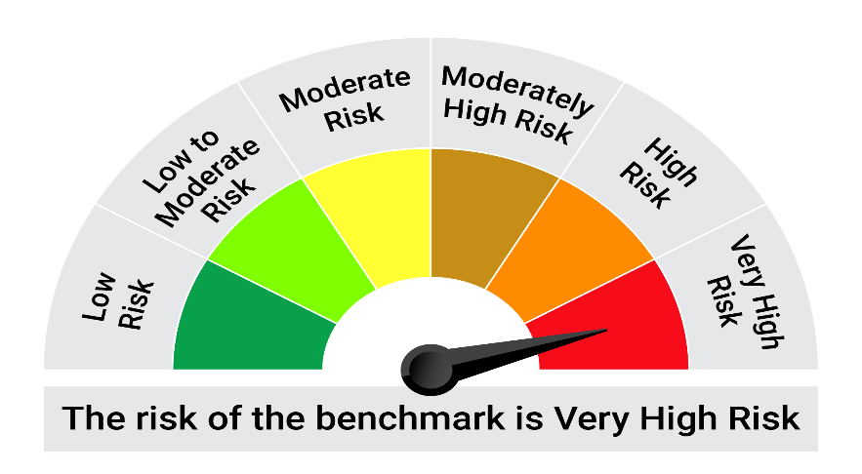
 | Riskometer of the Scheme |  | Nifty 50 TRI Tier 1 Benchmark Riskometer
 | Very High |  | Very High


 | The Risk Level of the Scheme in scheme Risk O Meter is basis it's portfolio as on November 30, 2024 |  | The Risk Level of the Benchmark Index in the Risk O Meter is basis it's constituents as on November 30, 2024

QTSF
Quantum Mutual Fund

Quantum Asset Management Company Private Limited
Registered Office: 1st Floor, Apeejay House, 3 Dinshaw Vachha Road, Backbay Reclamation, Churchgate, Mumbai - 400020, Maharashtra, India
Toll Free Helpline.: 1800 22 3863 | Tel No.: 91-22-61447800 | E-mail: CustomerCare@QuantumAMC.com | Website: www.QuantumAMC.com

Quantum ELSS Tax Saver Fund (An Open Ended Equity Linked SavingScheme with a Statutory Lock in of3 years and Tax Benefit)

Monthly Portfolio Statement of the Quantum ELSS Tax Saver Fund for the period ended November 30, 2024

Sr.No. | Name of Instrument | ISIN | Industry + | Quantity | Market/ Fair Value ( Rs. in Lakhs) | % to NAV | Annualised Yield to Maturity

 | EQUITY & EQUITY RELATED

a) | Listed /Awaiting listing on Stock Exchanges

1 | HDFC Bank Ltd* | INE040A01034 | Banks | 98,382 | 1,766.99 | 8.22%
2 | ICICI Bank Ltd* | INE090A01021 | Banks | 95,717 | 1,244.42 | 5.79%
3 | Infosys Ltd* | INE009A01021 | IT - Software | 60,341 | 1,121.05 | 5.22%
4 | State Bank of India* | INE062A01020 | Banks | 105,661 | 886.44 | 4.13%
5 | Bharti Airtel Ltd* | INE397D01024 | Telecom - Services | 51,967 | 845.58 | 3.94%
6 | Wipro Ltd* | INE075A01022 | IT - Software | 143,769 | 830.77 | 3.87%
7 | Crompton Greaves Consumer Electricals Ltd* | INE299U01018 | Consumer Durables | 191,825 | 785.91 | 3.66%
8 | ICICI Prudential Life Insurance Company Ltd* | INE726G01019 | Insurance | 106,035 | 741.87 | 3.45%
9 | Eicher Motors Ltd* | INE066A01021 | Automobiles | 14,770 | 713.66 | 3.32%
10 | Tech Mahindra Ltd* | INE669C01036 | IT - Software | 41,343 | 707.92 | 3.30%
11 | Kotak Mahindra Bank Ltd | INE237A01028 | Banks | 37,913 | 669.26 | 3.12%
12 | Nuvoco Vistas Corporation Ltd | INE118D01016 | Cement & Cement Products | 178,156 | 624.88 | 2.91%
13 | LIC Housing Finance Ltd | INE115A01026 | Finance | 96,572 | 616.90 | 2.87%
14 | Tata Consultancy Services Ltd | INE467B01029 | IT - Software | 14,215 | 607.10 | 2.83%
15 | Cipla Ltd | INE059A01026 | Pharmaceuticals & Biotechnology | 38,513 | 590.75 | 2.75%
16 | Aditya Birla Sun Life AMC Ltd | INE404A01024 | Capital Markets | 65,749 | 568.86 | 2.65%
17 | Axis Bank Ltd | INE238A01034 | Banks | 46,182 | 524.77 | 2.44%
18 | ICICI Lombard General Insurance Company Ltd | INE765G01017 | Insurance | 22,066 | 410.84 | 1.91%
19 | IndusInd Bank Ltd | INE095A01012 | Banks | 40,182 | 400.15 | 1.86%
20 | Gujarat State Petronet Ltd | INE246F01010 | Gas | 111,285 | 394.12 | 1.83%
21 | Mahindra & Mahindra Ltd | INE101A01026 | Automobiles | 13,019 | 386.16 | 1.80%
22 | Tata Steel Ltd | INE081A01020 | Ferrous Metals | 252,824 | 365.43 | 1.70%
23 | Hero MotoCorp Ltd | INE158A01026 | Automobiles | 7,546 | 359.32 | 1.67%
24 | ICICI Securities Ltd | INE763G01038 | Capital Markets | 39,440 | 344.17 | 1.60%
25 | GAIL (India) Ltd | INE129A01019 | Gas | 165,885 | 330.87 | 1.54%
26 | Shriram Finance Ltd | INE721A01013 | Finance | 9,806 | 296.11 | 1.38%
27 | Bajaj Auto Ltd | INE917I01010 | Automobiles | 3,191 | 288.26 | 1.34%
28 | Lupin Ltd | INE326A01037 | Pharmaceuticals & Biotechnology | 12,897 | 264.49 | 1.23%
29 | Exide Industries Ltd | INE302A01020 | Auto Components | 31,191 | 141.17 | 0.66%
30 | Star Health And Allied Insurance Company Ltd | INE575P01011 | Insurance | 26,306 | 123.57 | 0.58%

b) | Unlisted |  |  |  | NIL | NIL | NIL

 | Total of all Equity |  |  |  | 17,951.79 | 83.57%

 | MONEY MARKET INSTRUMENTS

a) | Treasury Bills (T-Bill) |  |  |  | NIL | NIL | NIL

b) | Commercial Papers (CP) |  |  |  | NIL | NIL | NIL

c) | Certificate of Deposits (CD) |  |  |  | NIL | NIL | NIL

d) | TREPS ^ |  |  |  | 3,530.34 | 16.43% | 6.63%

 | Total of Money Market Instruments |  |  |  | 3,530.34 | 16.43%

 | OTHERS
 | Net Receivable/(payable) |  |  |  | 2.01 | 0.00%

 | Grand Total |  |  |  | 21,484.14 | 100.00%

 | Notes:
1 | The provisions made for investment in security below investment grade as on November 30, 2024 is NIL & its percentage to NAV is NIL.
2 | Total value and Percentage of illiquid Equity shares - NIL.
3 | Option wise per unit Net Asset Value are as follows:
 | Option | As on November 29, 2024 (Rs.)
 | Direct Plan IDCW | 129.47
 | Direct Plan Growth Option | 129.47
 | Regular Plan IDCW | 124.40
 | Regular Plan Growth Option | 124.40
4 | IDCW declared during the period ended November 30, 2024 - NIL
5 | Bonus declared during the period ended November 30, 2024 - NIL
6 | Total outstanding exposure in derivative instruments as on November 30, 2024 - NIL
7 | Total Market value of investments in Foreign Securities/American Depository Receipts/Global Depository Receipts as on November 30, 2024 - NIL
8 | The Face Value per unit is Rs.10
9 | Portfolio Turnover Ratio (Last One Year) is 17.34%
10 | Investment in Fixed Deposits - NIL
11 | Total Commission for the month ended November 30, 2024 - Rs.300,205.00
12 | Total Brokerage for Buying/ Selling of Investments for the month ended November 30, 2024 is Rs.34,702.00
13 | Details of Repo in Corporate Debt Securities as on November 30, 2024 is NIL
14 | IDCW stands for Income Distribution cum Capital Withdrawal
* | Top ten holdings
^ | Cash & Cash Equivalents
+ | Industry Classification as recommeded by AMFI

 | Riskometer of the Scheme |  | BSE 500 TRI Tier 1 Benchmark Riskometer
 | Very High |  | Very High



 | The Risk Level of the Scheme in scheme Risk O Meter is basis it's portfolio as on November 30, 2024 |  | The Risk Level of the Benchmark Index in the Risk O Meter is basis it's constituents as on November 30, 2024

 | BSE 200 TRI Tier 2 Benchmark Riskometer
 | Very High

 | The Risk Level of the Benchmark Index in the Risk O Meter is basis it's constituents as on November 30, 2024

QEFOF
Quantum Mutual Fund

Quantum Asset Management Company Private Limited
Registered Office: 1st Floor, Apeejay House, 3 Dinshaw Vachha Road, Backbay Reclamation, Churchgate, Mumbai - 400020, Maharashtra, India
Toll Free Helpline.: 1800 22 3863 | Tel No.: 91-22-61447800 | E-mail: CustomerCare@QuantumAMC.com | Website: www.QuantumAMC.com

Quantum Equity Fund of Funds (An Open Ended Fund of Funds scheme Investing in Open Ended Diversified Equity Schemes of Mutual Funds)

Monthly Portfolio Statement of the Quantum Equity Fund of Funds for the period ended November 30, 2024

Sr.No. | Name of Instrument | ISIN | Quantity | Market/ Fair Value ( Rs. in Lakhs) | % to NAV | Annualised Yield to Maturity

 | MUTUAL FUND UNITS

1 | ICICI Prudential Focused Equity Fund - Direct Plan - Growth Option* | INF109K018N2 | 1,666,804 | 1,626.63 | 12.70%
2 | Invesco India Contra Fund - Direct Plan - Growth Option* | INF205K01LE4 | 1,037,942 | 1,623.34 | 12.67%
3 | Sundaram Large and Midcap Fund - Direct Plan - Growth Option* | INF903J01PR9 | 1,704,187 | 1,619.64 | 12.64%
4 | SBI Magnum MIDCAP FUND - Direct Plan - Growth Option* | INF200K01TP4 | 617,623 | 1,606.96 | 12.54%
5 | 360 ONE Focused Equity Fund - Direct Plan - Growth Option* | INF579M01902 | 3,002,906 | 1,581.12 | 12.34%
6 | Mirae Asset Large Cap Fund - Direct Plan - Growth Option* | INF769K01AX2 | 1,288,398 | 1,571.81 | 12.27%
7 | Canara Robeco Bluechip Equity Fund - Direct Plan - Growth Option* | INF760K01FR2 | 2,220,211 | 1,553.48 | 12.13%
8 | Kotak Flexicap Fund - Direct Plan - Growth Option* | INF174K01LS2 | 1,690,722 | 1,531.79 | 11.96%

 | Total of Mutual Fund Units |  |  | 12,714.77 | 99.25%

 | MONEY MARKET INSTRUMENTS

a) | Treasury Bills (T-Bill) |  |  | NIL | NIL | NIL

b) | Commercial Papers (CP) |  |  | NIL | NIL | NIL

c) | Certificate of Deposits (CD) |  |  | NIL | NIL | NIL

d) | TREPS ^ |  |  | 107.91 | 0.84% | 6.63%

 | Total of Money Market Instruments |  |  | 107.91 | 0.84%

 | OTHERS
 | Net Receivable/(payable) |  |  | -11.50 | -0.09%

 | Grand Total |  |  | 12,811.18 | 100.00%

 | Notes:
1 | The provisions made for investment in security below investment grade as on November 30, 2024 is NIL & its percentage to NAV is NIL.
2 | Option wise per unit Net Asset Value are as follows:
 | Option | As on November 29, 2024 (Rs.)
 | Direct Plan Dir IDCW | 82.555
 | Direct Plan Dir Growth | 82.555
 | Regular Plan IDCW | 81.251
 | Regular Plan Growth Option | 81.251
3 | IDCW declared during the period ended November 30, 2024 - NIL
4 | Bonus declared during the period ended November 30, 2024 - NIL
5 | Total outstanding exposure in derivative instruments as on November 30, 2024 - NIL
6 | Total Market value of investments in Foreign Securities/American Depository Receipts/Global Depository Receipts as on November 30, 2024 - NIL
7 | The Face Value per unit is Rs.10
8 | Investment in Fixed Deposits - NIL
9 | Total Commission for the month ended November 30, 2024 - Rs.21,612.00
10 | Total Brokerage for Buying/ Selling of Investments for the month ended November 30, 2024 is NIL
11 | Details of Repo in Corporate Debt Securities as on November 30, 2024 is NIL
12 | IDCW stands for Income Distribution cum Capital Withdrawal
* | Top ten holdings
^ | Cash & Cash Equivalents

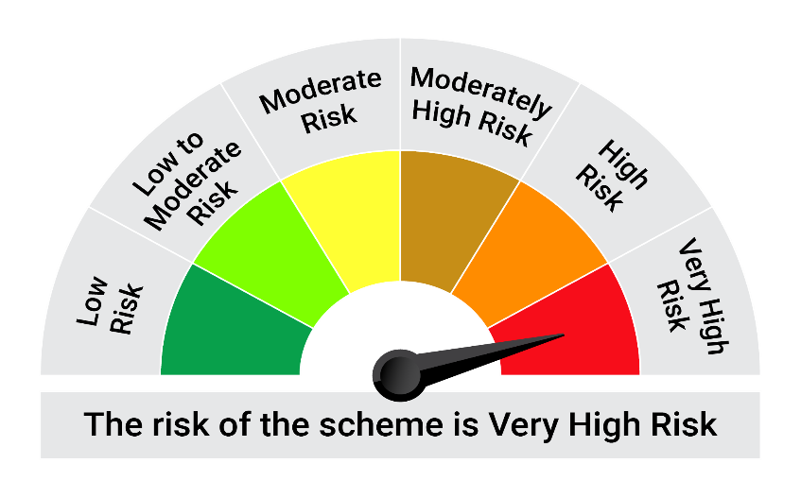
 | Riskometer of the Scheme |  | BSE 200 TRI Tier 1 Benchmark Riskometer
 | Very High |  | Very High


 | The Risk Level of the Scheme in scheme Risk O Meter is basis it's portfolio as on November 30, 2024 |  | The Risk Level of the Benchmark Index in the Risk O Meter is basis it's constituents as on November 30, 2024

QGSF
Quantum Mutual Fund

Quantum Asset Management Company Private Limited
Registered Office: 1st Floor, Apeejay House, 3 Dinshaw Vachha Road, Backbay Reclamation, Churchgate, Mumbai - 400020, Maharashtra, India
Toll Free Helpline.: 1800 22 3863 | Tel No.: 91-22-61447800 | E-mail: CustomerCare@QuantumAMC.com | Website: www.QuantumAMC.com

Quantum Gold Savings Fund (An Open Ended Fund of Fund SchemeInvesting in Quantum Gold Fund)

Monthly Portfolio Statement of the Quantum Gold Savings Fund for the period ended November 30, 2024

Sr.No. | Name of Instrument | ISIN | Quantity | Market/ Fair Value ( Rs. in Lakhs) | % to NAV | Annualised Yield to Maturity

 | EXCHANGE TRADED FUND UNITS

1 | Quantum Gold Fund -Exchange Traded Fund (ETF)* | INF082J01408 | 22,330,325 | 14,302.57 | 99.98%

 | Total of Exchange Traded Fund Units |  |  | 14,302.57 | 99.98%

 | MONEY MARKET INSTRUMENTS

a) | Treasury Bills (T-Bill) |  |  | NIL | NIL | NIL

b) | Commercial Papers (CP) |  |  | NIL | NIL | NIL

c) | Certificate of Deposits (CD) |  |  | NIL | NIL | NIL

d) | TREPS ^ |  |  | 3.93 | 0.03% | 6.63%

 | Total of Money Market Instruments |  |  | 3.93 | 0.03%

 | OTHERS
 | Net Receivable/(payable) |  |  | -1.51 | -0.01%

 | Grand Total |  |  | 14,304.99 | 100.00%

 | Notes:
1 | The provisions made for investment in security below investment grade as on November 30, 2024 is NIL & its percentage to NAV is NIL.
2 | Option wise per unit Net Asset Value are as follows:
 | Option | As on November 29, 2024 (Rs.)
 | Direct Plan Dir Growth | 29.6428
 | Regular Plan Growth Option | 29.3482
3 | Bonus declared during the period ended November 30, 2024 - NIL
4 | Total outstanding exposure in derivative instruments as on November 30, 2024 - NIL
5 | Total Market value of investments in Foreign Securities/American Depository Receipts/Global Depository Receipts as on November 30, 2024 - NIL
6 | The Face Value per unit is Rs.10
7 | Investment in Fixed Deposits - NIL
8 | Total Commission for the month ended November 30, 2024 - Rs.37,586.00
9 | Total Brokerage for Buying/ Selling of Investments for the month ended November 30, 2024 is Rs.50,227.00
10 | Details of Repo in Corporate Debt Securities as on November 30, 2024 is NIL
* | Top ten holdings
^ | Cash & Cash Equivalents

 | Riskometer of the Scheme |  | Domestic Price of Physical Gold Tier 1 Benchmark Riskometer
 | High |  | High



 | The Risk Level of the Scheme in scheme Risk O Meter is basis it's portfolio as on November 30, 2024 |  | The Risk Level of the Benchmark Index in the Risk O Meter is basis it's constituents as on November 30, 2024

QMAFOF
Quantum Mutual Fund

Quantum Asset Management Company Private Limited
Registered Office: 1st Floor, Apeejay House, 3 Dinshaw Vachha Road, Backbay Reclamation, Churchgate, Mumbai - 400020, Maharashtra, India
Toll Free Helpline.: 1800 22 3863 | Tel No.: 91-22-61447800 | E-mail: CustomerCare@QuantumAMC.com | Website: www.QuantumAMC.com

Quantum Multi Asset Fund of Funds (An Open Ended Fund of Funds SchemeInvesting in schemes of QuantumMutual Fund)

Monthly Portfolio Statement of the Quantum Multi Asset Fund of Funds for the period ended November 30, 2024

Sr.No. | Name of Instrument | ISIN | Quantity | Market/ Fair Value ( Rs. in Lakhs) | % to NAV | Annualised Yield to Maturity

 | MUTUAL FUND UNITS

1 | Quantum Dynamic Bond Fund - Direct Plan - Growth Option* | INF082J01176 | 8,644,805 | 1,788.94 | 29.86%
2 | Quantum Liquid Fund - Direct Plan Growth Option* | INF082J01127 | 3,598,263 | 1,220.50 | 20.37%
3 | Quantum Long Term Equity Value Fund - Direct Plan - Growth Option* | INF082J01036 | 266,759 | 347.16 | 5.80%
4 | Quantum ESG Best In Class Strategy Fund - Direct Plan Growth Option* | INF082J01382 | 1,099,559 | 276.32 | 4.61%

 | Total of Mutual Fund Units |  |  | 3,632.92 | 60.64%

 | EXCHANGE TRADED FUND UNITS

1 | Quantum Nifty 50 ETF* | INF082J01028 | 52,631 | 1,373.67 | 22.93%
2 | Quantum Gold Fund -Exchange Traded Fund (ETF)* | INF082J01408 | 1,276,686 | 817.72 | 13.65%

 | Total of Exchange Traded Fund Units |  |  | 2,191.39 | 36.58%

 | Total ( MUTUAL FUND UNITS and EXCHANGE TRADED FUND UNITS) |  |  | 5,824.31 | 97.22%

 | MONEY MARKET INSTRUMENTS

a) | Treasury Bills (T-Bill) |  |  | NIL | NIL | NIL

b) | Commercial Papers (CP) |  |  | NIL | NIL | NIL

c) | Certificate of Deposits (CD) |  |  | NIL | NIL | NIL

d) | TREPS ^ |  |  | 167.02 | 2.79% | 6.63%

 | Total of Money Market Instruments |  |  | 167.02 | 2.79%

 | OTHERS
 | Net Receivable/(payable) |  |  | -0.71 | -0.01%

 | Grand Total |  |  | 5,990.62 | 100.00%

 | Notes:
1 | The provisions made for investment in security below investment grade as on November 30, 2024 is NIL & its percentage to NAV is NIL.
2 | Option wise per unit Net Asset Value are as follows:
 | Option | As on November 29, 2024 (Rs.)
 | Direct Plan Dir Growth | 32.3088
 | Regular Plan Growth Option | 31.6466
3 | Bonus declared during the period ended November 30, 2024 - NIL
4 | Total outstanding exposure in derivative instruments as on November 30, 2024 - NIL
5 | Total Market value of investments in Foreign Securities/American Depository Receipts/Global Depository Receipts as on November 30, 2024 - NIL
6 | The Face Value per unit is Rs.10
7 | Investment in Fixed Deposits - NIL
8 | Total Commission for the month ended November 30, 2024 - Rs.12,745.00
9 | Total Brokerage for Buying/ Selling of Investments for the month ended November 30, 2024 is NIL
10 | Details of Repo in Corporate Debt Securities as on November 30, 2024 is NIL
* | Top ten holdings
^ | Cash & Cash Equivalents

 | Riskometer of the Scheme |  | CRISIL Dynamic Bond A-III Index (20%) + CRISIL Liquid Debt A-I Index (25%) + Nifty 50 TRI (40%) + Domestic price of Gold (15%) Tier 1 Benchmark Riskometer
 | Moderately High |  | Moderately High
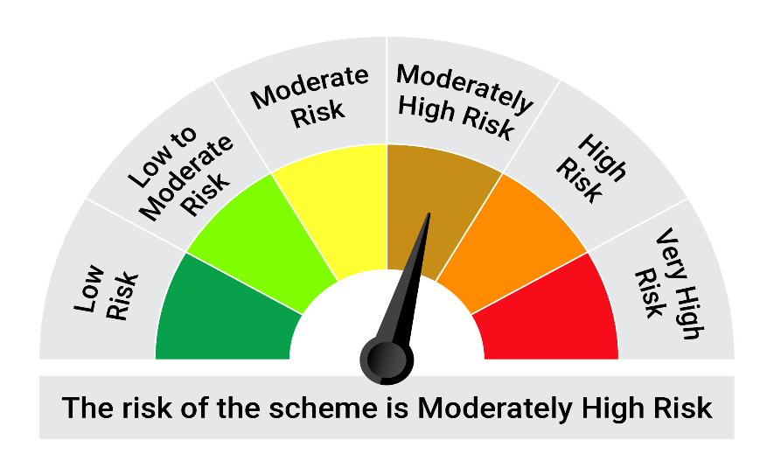


 | The Risk Level of the Scheme in scheme Risk O Meter is basis it's portfolio as on November 30, 2024 |  | The Risk Level of the Benchmark Index in the Risk O Meter is basis it's constituents as on November 30, 2024

QDBF
Quantum Mutual Fund

Quantum Asset Management Company Private Limited
Registered Office: 1st Floor, Apeejay House, 3 Dinshaw Vachha Road, Backbay Reclamation, Churchgate, Mumbai - 400020, Maharashtra, India
Toll Free Helpline.: 1800 22 3863 | Tel No.: 91-22-61447800 | E-mail: CustomerCare@QuantumAMC.com | Website: www.QuantumAMC.com

Quantum Dynamic Bond Fund (An Open-ended Dynamic Debt SchemeInvesting Across Duration. A relativelyhigh interest rate risk and relatively lowcredit risk)

Monthly Portfolio Statement of the Quantum Dynamic Bond Fund for the period ended November 30, 2024

Sr.No. | Name of Instrument | ISIN | Rating | Quantity | Market/ Fair Value ( Rs. in Lakhs) | % to NAV | Annualised Yield to Maturity | ~YTC (AT1/Tier 2 bonds)

 | DEBT INSTRUMENTS

a) | Listed /Awaiting listing on Stock Exchanges

i) | Bonds

1 | 7.68% NABARD Sr 24F NCD (MD 30/04/2029) | INE261F08EG3 | CRISIL AAA | 500 | 503.31 | 4.54% | 7.48%
2 | 6.9% IRFC Ltd NCD (MD 05/06/2035) | INE053F07CD7 | CRISIL AAA | 50 | 490.27 | 4.43% | 7.16%

 | Total of Bonds |  |  |  | 993.58 | 8.97%

ii) | Government Securities

1 | 7.34% GOI (MD 22/04/2064) | IN0020240035 | SOV | 4,500,000 | 4,681.50 | 42.26% | 7.16%
2 | 7.3% GOI (MD 19/06/2053) | IN0020230051 | SOV | 1,900,400 | 1,968.39 | 17.77% | 7.13%
3 | 6.92% GOI (MD 18/11/2039) | IN0020240134 | SOV | 1,000,000 | 1,005.68 | 9.08% | 6.98%
4 | 7.32% GOI (MD 13/11/2030) | IN0020230135 | SOV | 500,000 | 513.65 | 4.64% | 6.87%
5 | 7.1% GOI (MD 08/04/2034) | IN0020240019 | SOV | 500,000 | 510.87 | 4.61% | 6.90%

 | Total of Government Securities |  |  |  | 8,680.09 | 78.36%

iii) | State Government Securities

1 | 7.7% Maharashtra SDL (MD 08/11/2034)** | IN2220230147 | SOV | 500,000 | 518.70 | 4.68% | 7.29%

 | Total of State Government Securities |  |  |  | 518.70 | 4.68%

b) | Privately Placed/Unlisted |  |  |  | NIL | NIL | NIL

c) | Securitized Debt Instruments |  |  |  | NIL | NIL | NIL

 | Total of Debt Instruments |  |  |  | 10,192.37 | 92.01%

 | MONEY MARKET INSTRUMENTS

a) | Treasury Bills (T-Bill) |  |  |  | NIL | NIL | NIL

b) | Commercial Papers (CP) |  |  |  | NIL | NIL | NIL

c) | Certificate of Deposits (CD) |  |  |  | NIL | NIL | NIL

d) | TREPS ^ |  |  |  | 659.09 | 5.95% | 6.71%

 | Total of Money Market Instruments |  |  |  | 659.09 | 5.95%

 | OTHERS
1 | Corporate Debt Market Development Fund Class A2 | INF0RQ622028 |  | 248 | 25.94 | 0.23%

 | Net Receivable/(payable) |  |  |  | 199.83 | 1.81%

 | Grand Total |  |  |  | 11,077.23 | 100.00%

 | Portfolio Information
 | Scheme Name : | Quantum Dynamic Bond Fund
 | Description (if any)
 | Annualised Portfolio YTM* : | 7.00%
 | Macaulay Duration | 10.35 Years
 | Residual Maturity | 25.31 Years
 | As on (Date) | 30-11-2024
 | * in case of semi annual YTM, it will be annualised

 | Notes:
1 | The provisions made for investment in security below investment grade as on November 30, 2024 is NIL & its percentage to NAV is NIL.
2 | Option wise per unit Net Asset Value are as follows:
 | Option | As on November 29, 2024 (Rs.)
 | Direct Plan Mthly IDCW | 10.3238
 | Direct Plan Growth Option | 20.6938
 | Regular Plan Mthly IDCW | 10.3853
 | Regular Plan Growth Option | 20.4215
3 | IDCW declared during the period ended November 30, 2024
 |  | Gross IDCW per unit (Rs.)
 |  | Individual / Non Individual
 | For Direct Plan Mthly IDCW | 0.07237138
 | For Regular Plan Mthly IDCW | 0.06880476
 | IDCW declared was on the face value of Rs.10 per unit. Past performance may or may not be sustained in future. After payment of the IDCW, the per unit NAV falls to the extent of pay out and statutory levy, if any.TDS as applicable is being deducted from Gross IDCW as per Finance Act 2020 & investor will receive the Net IDCW.
4 | Bonus declared during the period ended November 30, 2024 - NIL
5 | Total outstanding exposure in derivative instruments as on November 30, 2024 - NIL
6 | Total Market value of investments in Foreign Securities/American Depository Receipts/Global Depository Receipts as on November 30, 2024 - NIL
7 | The Face Value per unit is Rs.10
8 | Investment in Fixed Deposits - NIL
9 | Total Commission for the month ended November 30, 2024 - Rs.20,480.00
10 | Total Brokerage for Buying/ Selling of Investments for the month ended November 30, 2024 is NIL
11 | Details of Repo in Corporate Debt Securities as on November 30, 2024 is NIL
12 | Investments in Credit Default Swap (CDS) during the month/as on November 30, 2024 is NIL.
13 | Total number of instances of deviation in valuation of securities of the scheme from the valuation price given by the valuation agencies during the period are: NIL.
14 | IDCW stands for Income Distribution cum Capital Withdrawal
~ | YTC i.e. Yield to Call is disclosed at security level only for Additional Tier 1 Bonds and Tier 2 Bonds issued by Banks as per AMFI Best Practices Notification 135/BP/91/2020-21 read with SEBI circular SEBI/HO/IMD/DF4/CIR/P/2021/034
** | Non Traded Securities as per traded data obtain from FIMMDA trading platform/ NSE/ BSE/CCIL NDS-OM
^ | Cash & Cash Equivalents

 | Riskometer of the Scheme |  | CRISIL Dynamic Bond A-III Index Tier 1 Benchmark Riskometer
 | Moderate |  | Moderate



 | The Risk Level of the Scheme in scheme Risk O Meter is basis it's portfolio as on November 30, 2024 |  | The Risk Level of the Benchmark Index in the Risk O Meter is basis it's constituents as on November 30, 2024

 | Potential Risk Class Matrix - Quantum Dynamic Bond Fund
 | Credit Risk → | Relatively Low | Moderate | Relatively High
 | Interest Rate Risk ↓ | (Class A) | (Class B) | (Class C)
 | Relatively Low (Class I)
 | Moderate (Class II)
 | Relatively High (Class III) | A-III

QESG
Quantum Mutual Fund

Quantum Asset Management Company Private Limited
Registered Office: 1st Floor, Apeejay House, 3 Dinshaw Vachha Road, Backbay Reclamation, Churchgate, Mumbai - 400020, Maharashtra, India
Toll Free Helpline.: 1800 22 3863 | Tel No.: 91-22-61447800 | E-mail: CustomerCare@QuantumAMC.com | Website: www.QuantumAMC.com

Quantum ESG Best In Class Strategy Fund (An Open-ended equity scheme investing in companies following Environment, Social and Governance (ESG) theme assessed through a Best In Class Strategy)

Monthly Portfolio Statement of the Quantum ESG Best In Class Strategy Fund for the period ended November 30, 2024

Sr.No. | Name of Instrument | ISIN | Industry + | Quantity | Market/ Fair Value ( Rs. in Lakhs) | % to NAV | Annualised Yield to Maturity | ESG Scores | BRSR Core Scores | ESG Link

 | EQUITY & EQUITY RELATED

a) | Listed /Awaiting listing on Stock Exchanges

1 | The Indian Hotels Company Ltd* | INE053A01029 | Leisure Services | 58,167 | 461.47 | 5.12% |  | 75.50 | 100.00 | https://www.bseindia.com/xml-data/corpfiling/AttachHis//826d5b91-ca9f-48e0-9c19-56a2fb0adb28.pdf
2 | TVS Motor Company Ltd* | INE494B01023 | Automobiles | 18,302 | 445.55 | 4.94% |  | 71.40 | 81.10 | https://www.bseindia.com/xml-data/corpfiling/AttachHis//52768a13-843f-488e-8749-d839c7c0cb7f.pdf
3 | HDFC Bank Ltd* | INE040A01034 | Banks | 19,579 | 351.65 | 3.90% |  | 80.20 | 100.00 | https://www.bseindia.com/xml-data/corpfiling/AttachHis//80485da6-ff55-4c3e-ba9c-4d51a3d5ed44.pdf
4 | Persistent Systems Ltd* | INE262H01021 | IT - Software | 4,665 | 275.50 | 3.06% |  | 77.40 | 98.80 | https://www.bseindia.com/xml-data/corpfiling/AttachHis//356d3743-a084-4799-a2dc-f5634f89bbca.pdf
5 | Infosys Ltd* | INE009A01021 | IT - Software | 13,264 | 246.43 | 2.73% |  | 77.20 | 100.00 | https://www.bseindia.com/xml-data/corpfiling/AttachHIS/25cc7fbc-154b-4463-928d-c95f2d8c5c9c.pdf#page=131
6 | Tata Consultancy Services Ltd* | INE467B01029 | IT - Software | 5,346 | 228.32 | 2.53% |  | 72.60 | 100.00 | https://www.bseindia.com/xml-data/corpfiling/AttachHis//1ec57734-63db-4473-8409-778d60a77c31.pdf
7 | Tata Communications Ltd* | INE151A01013 | Telecom - Services | 12,950 | 227.29 | 2.52% |  | 70.90 | 80.00 | https://www.bseindia.com/xml-data/corpfiling/AttachHis//bf07078c-f463-4ce9-bcb7-275d7a42866d.pdf
8 | Tata Consumer Products Ltd* | INE192A01025 | Agricultural Food & other Products | 23,676 | 226.97 | 2.52% |  | 63.10 | 65.00 | https://www.bseindia.com/xml-data/corpfiling/AttachHis//14726bc1-859b-457f-a9fe-13fdd8c70c36.pdf
9 | ICICI Bank Ltd* | INE090A01021 | Banks | 16,984 | 220.81 | 2.45% |  | 75.80 | 100.00 | https://www.bseindia.com/xml-data/corpfiling/AttachHis//44be77e0-6afe-4ac4-add8-26943e317479.pdf
10 | ICICI Prudential Life Insurance Company Ltd* | INE726G01019 | Insurance | 29,631 | 207.31 | 2.30% |  | 76.20 | 92.00 | https://www.bseindia.com/xml-data/corpfiling/AttachHIS//bf76f454-b4c9-49ba-a8b2-09b560aae9f1.pdf
11 | Bosch Ltd | INE323A01026 | Auto Components | 591 | 206.65 | 2.29% |  | 70.10 | 83.60 | https://www.bseindia.com/xml-data/corpfiling/AttachHis//53dd474a-c0c9-43c8-b69d-b110d14ea0c4.pdf
12 | Marico Ltd | INE196A01026 | Agricultural Food & other Products | 31,813 | 205.18 | 2.28% |  | 74.00 | 100.00 | https://www.bseindia.com/xml-data/corpfiling/AttachHis//25275735-08e8-4d38-be47-085259336224.pdf
13 | Thermax Ltd | INE152A01029 | Electrical Equipment | 4,098 | 188.10 | 2.09% |  | 67.10 | NA | https://www.bseindia.com/xml-data/corpfiling/AttachHis//91cb2b81-214b-4810-97b5-144553021d68.pdf
14 | Voltas Ltd | INE226A01021 | Consumer Durables | 11,222 | 186.09 | 2.06% |  | 69.80 | 81.00 | https://www.bseindia.com/xml-data/corpfiling/AttachHis//fb6da5aa-8698-4af2-87d1-b3201c97f0b4.pdf
15 | ICICI Lombard General Insurance Company Ltd | INE765G01017 | Insurance | 9,851 | 183.41 | 2.03% |  | 74.70 | 98.00 | https://www.bseindia.com/xml-data/corpfiling/AttachHis//2e65da15-5cb8-4cb6-a976-d38e0005199a.pdf
16 | Mahindra & Mahindra Ltd | INE101A01026 | Automobiles | 6,085 | 180.49 | 2.00% |  | 72.40 | NA | https://www.bseindia.com/xml-data/corpfiling/AttachHis//1420523a-170f-4b5e-9dcb-926a00cd09ad.pdf
17 | HCL Technologies Ltd | INE860A01027 | IT - Software | 9,610 | 177.60 | 1.97% |  | 79.90 | 85.50 | https://www.bseindia.com/xml-data/corpfiling/AttachHis//091c00fc-2f46-4ff6-983e-942776b28c63.pdf
18 | Havells India Ltd | INE176B01034 | Consumer Durables | 9,671 | 166.15 | 1.84% |  | 67.10 | 99.00 | https://www.bseindia.com/xml-data/corpfiling/AttachHis/9f8beb6b-df57-498e-afac-5d6a497b16d1.pdf#page=132
19 | Kotak Mahindra Bank Ltd | INE237A01028 | Banks | 9,292 | 164.03 | 1.82% |  | 76.70 | 100.00 | https://www.bseindia.com/xml-data/corpfiling/AttachHis//3b62666a-aa3b-481f-b54d-506f1fc7c904.pdf
20 | Central Depository Services (India) Ltd | INE736A01011 | Capital Markets | 9,864 | 161.72 | 1.79% |  | 77.20 | NA | https://nsearchives.nseindia.com/corporate/CDSL_26072024145355_BRSRSEIntimaitonNSE26072024.pdf
21 | Wipro Ltd | INE075A01022 | IT - Software | 27,406 | 158.37 | 1.76% |  | 78.80 | 100.00 | https://www.bseindia.com/xml-data/corpfiling/AttachHis//3149b780-2489-4c58-9251-9f44946135ad.pdf
22 | HDFC Life Insurance Company Ltd | INE795G01014 | Insurance | 23,651 | 155.56 | 1.73% |  | 76.90 | 98.00 | https://www.bseindia.com/xml-data/corpfiling/AttachHis//15cd352d-f11b-47ee-a127-5cd238cc9bd9.pdf
23 | Tech Mahindra Ltd | INE669C01036 | IT - Software | 8,975 | 153.68 | 1.70% |  | 78.80 | 100.00 | https://www.bseindia.com/xml-data/corpfiling/AttachHis//33cb8fe2-656c-4862-a413-101eddee8ba7.pdf
24 | Narayana Hrudayalaya Ltd | INE410P01011 | Healthcare Services | 11,715 | 148.39 | 1.65% |  | 73.70 | NA | https://www.bseindia.com/xml-data/corpfiling/AttachHis//6790c4c6-129d-4a6a-a8bd-0560400b8f68.pdf
25 | Maruti Suzuki India Ltd | INE585B01010 | Automobiles | 1,338 | 148.17 | 1.64% |  | 74.00 | 100.00 | https://www.bseindia.com/xml-data/corpfiling/AttachHis//c12a56d6-1671-4bb8-b2d5-38ce4dee01da.pdf
26 | Tata Motors Ltd | INE155A01022 | Automobiles | 18,710 | 147.14 | 1.63% |  | 78.80 | 100.00 | https://www.bseindia.com/xml-data/corpfiling/AttachHis//0f56632e-aa91-4671-919d-64e2d20b5ea0.pdf
27 | Coforge Ltd | INE591G01017 | IT - Software | 1,691 | 146.88 | 1.63% |  | 69.00 | NA | https://www.bseindia.com/xml-data/corpfiling/AttachHis//74b4c871-35c8-42a2-a70e-5698b1643133.pdf
28 | Syngene International Ltd | INE398R01022 | Healthcare Services | 14,332 | 134.84 | 1.50% |  | 76.20 | NA | https://www.bseindia.com/xml-data/corpfiling/AttachHis//bdff5a3f-96e0-4b09-b3f5-fae1bf848ef3.pdf
29 | Tata Chemicals Ltd | INE092A01019 | Chemicals & Petrochemicals | 12,046 | 133.92 | 1.49% |  | 69.40 | 100.00 | https://www.bseindia.com/xml-data/corpfiling/Attachhis//01335ef5-fa6c-4f41-8c3b-477c78925242.pdf
30 | Titan Company Ltd | INE280A01028 | Consumer Durables | 4,064 | 132.04 | 1.46% |  | 69.40 | 79.00 | https://www.bseindia.com/xml-data/corpfiling/AttachHis//51c89546-c90c-45c2-8ff3-e5b034e00832.pdf
31 | Colgate Palmolive (India) Ltd | INE259A01022 | Personal Products | 4,494 | 129.87 | 1.44% |  | 72.50 | 90.20 | https://www.bseindia.com/xml-data/corpfiling/AttachHis//e6d7499c-9b84-47a1-870c-ae1113204af2.pdf
32 | Rallis India Ltd | INE613A01020 | Fertilizers & Agrochemicals | 38,920 | 129.41 | 1.44% |  | 71.30 | 100.00 | https://www.bseindia.com/xml-data/corpfiling/AttachHis//d76a392f-e71a-4f09-bff7-df8fef4beb2b.pdf
33 | Bajaj Finance Ltd | INE296A01024 | Finance | 1,947 | 128.03 | 1.42% |  | 78.80 | 100.00 | https://www.bseindia.com/xml-data/corpfiling/AttachHis//8301a961-6346-4401-831e-1101ae756900.pdf
34 | Bajaj Finserv Ltd | INE918I01026 | Finance | 7,525 | 118.89 | 1.32% |  | 78.60 | 88.00 | https://www.bseindia.com/xml-data/corpfiling/AttachHis//dba9c0d4-4629-4102-87cf-cb6777e54400.pdf
35 | IndusInd Bank Ltd | INE095A01012 | Banks | 11,263 | 112.16 | 1.24% |  | 80.20 | 95.00 | https://www.bseindia.com/xml-data/corpfiling/AttachHis//4f28ddaf-5dcc-4dd1-8106-954cad05d564.pdf
36 | Bajaj Auto Ltd | INE917I01010 | Automobiles | 1,181 | 106.69 | 1.18% |  | 68.70 | 100.00 | https://www.bseindia.com/xml-data/corpfiling/AttachHis//efe03695-dad8-4de0-9db8-09e95cb7e5a7.pdf
37 | Krishna Institute Of Medical Sciences Ltd | INE967H01025 | Healthcare Services | 17,941 | 105.77 | 1.17% |  | 70.30 | NA | https://www.bseindia.com/xml-data/corpfiling/AttachHis//a1a7dcc2-3ff6-4e6d-a542-87eca495f0b9.pdf
38 | Crompton Greaves Consumer Electricals Ltd | INE299U01018 | Consumer Durables | 24,291 | 99.52 | 1.10% |  | 71.00 | NA | https://www.bseindia.com/xml-data/corpfiling/AttachHis//7e6bf6a4-02b8-4989-a678-ecb69018ed86.pdf
39 | Computer Age Management Services Ltd | INE596I01012 | Capital Markets | 1,988 | 97.98 | 1.09% |  | 73.00 | NA | https://www.bseindia.com/xml-data/corpfiling/AttachHis//706fa459-6a43-4d80-a74e-c311888aa6df.pdf
40 | Mphasis Ltd | INE356A01018 | IT - Software | 3,193 | 94.98 | 1.05% |  | 75.10 | NA | https://www.bseindia.com/xml-data/corpfiling/AttachHis//c36799d2-1c1b-425d-bdea-4885c4a61c8d.pdf
41 | Hero MotoCorp Ltd | INE158A01026 | Automobiles | 1,988 | 94.66 | 1.05% |  | 75.50 | 94.40 | https://www.bseindia.com/xml-data/corpfiling/AttachHis//1f7f2034-9645-4716-8a51-6af268de5191.pdf
42 | Nuvoco Vistas Corporation Ltd | INE118D01016 | Cement & Cement Products | 26,748 | 93.82 | 1.04% |  | 66.60 | NA | https://www.bseindia.com/xml-data/corpfiling/AttachHis//d297ff13-cf20-43e1-acd7-3f0d7a860b9a.pdf
43 | Godrej Consumer Products Ltd | INE102D01028 | Personal Products | 7,533 | 93.76 | 1.04% |  | 76.00 | 100.00 | https://www.bseindia.com/xml-data/corpfiling/AttachHis//627c147d-c99a-413b-b31b-145049b78ce7.pdf
44 | Vinati Organics Ltd | INE410B01037 | Chemicals & Petrochemicals | 4,944 | 92.23 | 1.02% |  | 59.00 | NA | https://www.bseindia.com/xml-data/corpfiling/AttachHis//d001a6fa-b10e-48e2-82fa-de59349ba706.pdf
45 | Asian Paints Ltd | INE021A01026 | Consumer Durables | 3,646 | 90.41 | 1.00% |  | 74.20 | 100.00 | https://www.bseindia.com/xml-data/corpfiling/AttachHis//690c0fa0-67fd-4a5f-a9ce-7403dc0ba92a.pdf
46 | The Federal Bank Ltd | INE171A01029 | Banks | 40,517 | 85.40 | 0.95% |  | 81.10 | NA | https://www.bseindia.com/xml-data/corpfiling/AttachHis//6858c916-f058-4b0a-9bc9-d95fd9fb92a5.pdf
47 | Castrol India Ltd | INE172A01027 | Petroleum Products | 41,879 | 84.06 | 0.93% |  | 67.20 | NA | https://www.bseindia.com/xml-data/corpfiling/AttachHis//53c6856b-e6c9-4929-939a-14e52d9dd6c2.pdf
48 | Nestle India Ltd | INE239A01024 | Food Products | 3,444 | 76.96 | 0.85% |  | 69.60 | 100.00 | https://www.bseindia.com/xml-data/corpfiling/AttachHis//498bcef1-8221-4e42-b9c0-d04021dc9d5a.pdf
49 | Eicher Motors Ltd | INE066A01021 | Automobiles | 1,581 | 76.39 | 0.85% |  | 73.20 | 100.00 | https://www.bseindia.com/xml-data/corpfiling/AttachHis//66379fbd-b76c-4a0f-8673-983da10753b0.pdf
50 | CCL Products (India) Ltd | INE421D01022 | Agricultural Food & other Products | 9,338 | 73.91 | 0.82% |  | 60.50 | NA | https://www.bseindia.com/xml-data/corpfiling/AttachHis//0b279788-32c7-4e9e-aab4-45dbcb78c970.pdf
51 | Sundram Fasteners Ltd | INE387A01021 | Auto Components | 6,298 | 72.56 | 0.80% |  | 67.30 | NA | https://www.bseindia.com/xml-data/corpfiling/AttachHis//cce24e95-5e19-4097-ba93-1821e47fb3c5.pdf
52 | Mahindra Logistics Ltd | INE766P01016 | Transport Services | 17,901 | 68.54 | 0.76% |  | 67.50 | NA | https://www.bseindia.com/xml-data/corpfiling/AttachHis//ca15dc69-8212-4d65-8343-204702655fe3.pdf
53 | Dr. Lal Path Labs Ltd | INE600L01024 | Healthcare Services | 2,265 | 68.02 | 0.75% |  | 71.30 | NA | https://www.bseindia.com/xml-data/corpfiling/AttachHIS//cb2f9680-8638-4274-a956-d6b172398bcc.pdf
54 | Hindustan Unilever Ltd | INE030A01027 | Diversified FMCG | 2,508 | 62.60 | 0.69% |  | 72.00 | 100.00 | https://www.bseindia.com/xml-data/corpfiling/AttachHis//b51157a9-1cd9-46d2-9e2d-09cf64fbbe3f.pdf

b) | Unlisted |  |  |  | NIL | NIL | NIL

 | Total of all Equity |  |  |  | 8,426.33 | 93.43%

 | MONEY MARKET INSTRUMENTS

a) | Treasury Bills (T-Bill) |  |  |  | NIL | NIL | NIL

b) | Commercial Papers (CP) |  |  |  | NIL | NIL | NIL

c) | Certificate of Deposits (CD) |  |  |  | NIL | NIL | NIL

d) | TREPS ^ |  |  |  | 595.40 | 6.60% | 6.63%

 | Total of Money Market Instruments |  |  |  | 595.40 | 6.60%

 | OTHERS
 | Net Receivable/(payable) |  |  |  | -6.67 | -0.03%

 | Grand Total |  |  |  | 9,015.06 | 100.00%

 | Notes:
1 | The provisions made for investment in security below investment grade as on November 30, 2024 is NIL & its percentage to NAV is NIL.
2 | Total value and Percentage of illiquid Equity shares - NIL
3 | Option wise per unit Net Asset Value are as follows:
 | Option | As on November 29, 2024 (Rs.)
 | Direct Plan Growth Option | 25.13
 | Regular Plan Growth Option | 24.03
4 | Bonus declared during the period ended November 30, 2024 - NIL
5 | Total outstanding exposure in derivative instruments as on November 30, 2024 - NIL
6 | Total Market value of investments in Foreign Securities/American Depository Receipts/Global Depository Receipts as on November 30, 2024 - NIL
7 | The Face Value per unit is Rs.10
8 | Portfolio Turnover Ratio (Last One Year) is 17.43%
9 | Investment in Fixed Deposits - NIL
10 | Total Commission for the month ended November 30, 2024 - Rs.209,342.00
11 | Total Brokerage for Buying/ Selling of Investments for the month ended November 30, 2024 is NIL
12 | Details of Repo in Corporate Debt Securities as on November 30, 2024 is NIL
13 | Weighted Average ESG Score of the Scheme as on November 30, 2024 is 73.44 and Weighted Average ESG Core Score of the Scheme as on November 30, 2024 is 71.58.
14 | SEBI Registered ESG Rating Provider (ERP) Name is Stakeholders Empowerment Services (SES)
* | Top ten holdings
^ | Cash & Cash Equivalents
+ | Industry Classification as recommeded by AMFI

 | Riskometer of the Scheme |  | NIFTY100 ESG TRI Tier 1 Benchmark Riskometer
 | Very High |  | Very High



 | The Risk Level of the Scheme in scheme Risk O Meter is basis it's portfolio as on November 30, 2024 |  | The Risk Level of the Benchmark Index in the Risk O Meter is basis it's constituents as on November 30, 2024

QNFOF
Quantum Mutual Fund

Quantum Asset Management Company Private Limited
Registered Office: 1st Floor, Apeejay House, 3 Dinshaw Vachha Road, Backbay Reclamation, Churchgate, Mumbai - 400020, Maharashtra, India
Toll Free Helpline.: 1800 22 3863 | Tel No.: 91-22-61447800 | E-mail: CustomerCare@QuantumAMC.com | Website: www.QuantumAMC.com

Quantum Nifty 50 ETF Fund of Fund (An open ended fund of fund schemeinvesting in units of Quantum Nifty 50 ETF)

Monthly Portfolio Statement of the Quantum Nifty 50 ETF Fund of Fund for the period ended November 30, 2024

Sr.No. | Name of Instrument | ISIN | Quantity | Market/ Fair Value ( Rs. in Lakhs) | % to NAV | Annualised Yield to Maturity

 | EXCHANGE TRADED FUND UNITS

1 | Quantum Nifty 50 ETF* | INF082J01028 | 91,873 | 2,397.89 | 99.91%

 | Total of Exchange Traded Fund Units |  |  | 2,397.89 | 99.91%

 | MONEY MARKET INSTRUMENTS

a) | Treasury Bills (T-Bill) |  |  | NIL | NIL | NIL

b) | Commercial Papers (CP) |  |  | NIL | NIL | NIL

c) | Certificate of Deposits (CD) |  |  | NIL | NIL | NIL

d) | TREPS ^ |  |  | 4.06 | 0.17% | 6.63%

 | Total of Money Market Instruments |  |  | 4.06 | 0.17%

 | OTHERS
 | Net Receivable/(payable) |  |  | -1.86 | -0.08%

 | Grand Total |  |  | 2,400.09 | 100.00%

 | Notes:
1 | The provisions made for investment in security below investment grade as on November 30, 2024 is NIL & its percentage to NAV is NIL.
2 | Total value and Percentage of illiquid Equity shares - NIL.
3 | Option wise per unit Net Asset Value are as follows:
 | Option | As on November 29, 2024 (Rs.)
 | Direct Plan Growth Option | 14.1443
 | Regular Plan Growth Option | 14.1049
4 | Bonus declared during the period ended November 30, 2024 - NIL
5 | Total outstanding exposure in derivative instruments as on November 30, 2024 - NIL
6 | Total Market value of investments in Foreign Securities/American Depository Receipts/Global Depository Receipts as on November 30, 2024 - NIL
7 | The Face Value per unit is Rs.10
8 | Investment in Fixed Deposits - NIL
9 | Total Commission for the month ended November 30, 2024 - Rs.1,554.00
10 | Total Brokerage for Buying/ Selling of Investments for the month ended November 30, 2024 is Rs.11,852.00
11 | Details of Repo in Corporate Debt Securities as on November 30, 2024 is NIL
* | Top ten holdings
^ | Cash & Cash Equivalents

 | Riskometer of the Scheme |  | Nifty 50 TRI Tier 1 Benchmark Riskometer
 | Very High |  | Very High


 | The Risk Level of the Scheme in scheme Risk O Meter is basis it's portfolio as on November 30, 2024 |  | The Risk Level of the Benchmark Index in the Risk O Meter is basis it's constituents as on November 30, 2024

QSCAPF
Quantum Mutual Fund

Quantum Asset Management Company Private Limited
Registered Office: 1st Floor, Apeejay House, 3 Dinshaw Vachha Road, Backbay Reclamation, Churchgate, Mumbai - 400020, Maharashtra, India
Toll Free Helpline.: 1800 22 3863 | Tel No.: 91-22-61447800 | E-mail: CustomerCare@QuantumAMC.com | Website: www.QuantumAMC.com

Quantum Small Cap Fund (An Open-Ended Equity Scheme Predominantly Investing in Small Cap Stocks)

Monthly Portfolio Statement of the Quantum Small Cap Fund for the period ended November 30, 2024

Sr.No. | Name of Instrument | ISIN | Industry + | Quantity | Market/ Fair Value ( Rs. in Lakhs) | % to NAV | Annualised Yield to Maturity

 | EQUITY & EQUITY RELATED

a) | Listed /Awaiting listing on Stock Exchanges

1 | Supriya Lifescience Ltd* | INE07RO01027 | Pharmaceuticals & Biotechnology | 45,667 | 354.35 | 3.56%
2 | Eris Lifesciences Ltd* | INE406M01024 | Pharmaceuticals & Biotechnology | 22,063 | 317.74 | 3.20%
3 | Karur Vysya Bank Ltd* | INE036D01028 | Banks | 123,664 | 292.54 | 2.94%
4 | Crompton Greaves Consumer Electricals Ltd* | INE299U01018 | Consumer Durables | 63,851 | 261.60 | 2.63%
5 | EPL Ltd* | INE255A01020 | Industrial Products | 99,525 | 254.88 | 2.56%
6 | ICICI Prudential Life Insurance Company Ltd* | INE726G01019 | Insurance | 35,248 | 246.61 | 2.48%
7 | MPS Ltd* | INE943D01017 | Other Consumer Services | 11,660 | 244.25 | 2.46%
8 | CMS Info System Ltd* | INE925R01014 | Commercial Services & Supplies | 47,977 | 237.92 | 2.39%
9 | CCL Products (India) Ltd* | INE421D01022 | Agricultural Food & other Products | 29,782 | 235.71 | 2.37%
10 | HDFC Bank Ltd* | INE040A01034 | Banks | 13,017 | 233.79 | 2.35%
11 | Genus Power Infrastructures Ltd | INE955D01029 | Electrical Equipment | 52,453 | 231.32 | 2.33%
12 | Mastek Ltd | INE759A01021 | IT - Software | 7,032 | 223.07 | 2.24%
13 | City Union Bank Ltd | INE491A01021 | Banks | 120,147 | 215.70 | 2.17%
14 | Gujarat State Petronet Ltd | INE246F01010 | Gas | 58,505 | 207.20 | 2.08%
15 | CSB Bank Ltd | INE679A01013 | Banks | 67,302 | 206.99 | 2.08%
16 | Mayur Uniquoters Ltd | INE040D01038 | Consumer Durables | 34,070 | 203.35 | 2.05%
17 | Can Fin Homes Ltd | INE477A01020 | Finance | 24,578 | 202.51 | 2.04%
18 | Aavas Financiers Ltd | INE216P01012 | Finance | 11,818 | 197.73 | 1.99%
19 | Nuvoco Vistas Corporation Ltd | INE118D01016 | Cement & Cement Products | 55,556 | 194.86 | 1.96%
20 | InterGlobe Aviation Ltd | INE646L01027 | Transport Services | 4,428 | 193.90 | 1.95%
21 | Cyient Ltd | INE136B01020 | IT - Services | 10,296 | 190.83 | 1.92%
22 | Kotak Mahindra Bank Ltd | INE237A01028 | Banks | 10,805 | 190.74 | 1.92%
23 | Godrej Industries Ltd | INE233A01035 | Diversified | 17,703 | 190.50 | 1.92%
24 | Carysil Ltd | INE482D01024 | Consumer Durables | 24,983 | 190.46 | 1.92%
25 | TeamLease Services Ltd | INE985S01024 | Commercial Services & Supplies | 6,252 | 181.20 | 1.82%
26 | Kirloskar Pneumatic Company Ltd | INE811A01020 | Industrial Products | 10,236 | 181.07 | 1.82%
27 | Lemon Tree Hotels Ltd | INE970X01018 | Leisure Services | 137,957 | 180.16 | 1.81%
28 | Sandhar Technologies Ltd | INE278H01035 | Auto Components | 33,692 | 177.49 | 1.78%
29 | PVR INOX Ltd | INE191H01014 | Entertainment | 10,429 | 160.61 | 1.62%
30 | Lumax Industries Ltd | INE162B01018 | Auto Components | 6,797 | 156.72 | 1.58%
31 | Birlasoft Ltd | INE836A01035 | IT - Software | 25,870 | 152.80 | 1.54%
32 | Craftsman Automation Ltd | INE00LO01017 | Auto Components | 2,719 | 138.65 | 1.39%
33 | Equitas Small Finance Bank Ltd | INE063P01018 | Banks | 221,650 | 138.15 | 1.39%
34 | Krishna Institute Of Medical Sciences Ltd | INE967H01025 | Healthcare Services | 21,965 | 129.49 | 1.30%
35 | IndusInd Bank Ltd | INE095A01012 | Banks | 11,941 | 118.91 | 1.20%
36 | V-Guard Industries Ltd | INE951I01027 | Consumer Durables | 28,399 | 118.41 | 1.19%
37 | Wipro Ltd | INE075A01022 | IT - Software | 18,895 | 109.18 | 1.10%
38 | Sansera Engineering Ltd | INE953O01021 | Auto Components | 6,500 | 103.20 | 1.04%
39 | Infosys Ltd | INE009A01021 | IT - Software | 5,378 | 99.92 | 1.00%
40 | Star Health And Allied Insurance Company Ltd | INE575P01011 | Insurance | 18,549 | 87.13 | 0.88%
41 | UTI Asset Management Company Ltd | INE094J01016 | Capital Markets | 6,706 | 87.12 | 0.88%
42 | Sanghvi Movers Ltd | INE989A01032 | Agricultural, Commercial & Construction Vehicles | 24,067 | 79.36 | 0.80%
43 | TD Power Systems Ltd | INE419M01027 | Electrical Equipment | 15,197 | 66.28 | 0.67%
44 | IDFC First Bank Ltd | INE092T01019 | Banks | 99,705 | 63.89 | 0.64%
45 | ICICI Bank Ltd | INE090A01021 | Banks | 4,835 | 62.86 | 0.63%
46 | Computer Age Management Services Ltd | INE596I01012 | Capital Markets | 929 | 45.78 | 0.46%
47 | Narayana Hrudayalaya Ltd | INE410P01011 | Healthcare Services | 3,186 | 40.36 | 0.41%
48 | Exide Industries Ltd | INE302A01020 | Auto Components | 7,650 | 34.62 | 0.35%
49 | Mahindra Logistics Ltd | INE766P01016 | Transport Services | 8,801 | 33.70 | 0.34%

b) | Unlisted |  |  |  | NIL | NIL | NIL

 | Total of all Equity |  |  |  | 8,265.61 | 83.15%

 | MONEY MARKET INSTRUMENTS

a) | Treasury Bills (T-Bill) |  |  |  | NIL | NIL | NIL

b) | Commercial Papers (CP) |  |  |  | NIL | NIL | NIL

c) | Certificate of Deposits (CD) |  |  |  | NIL | NIL | NIL

d) | TREPS ^ |  |  |  | 1,625.28 | 16.35% | 6.63%

 | Total of Money Market Instruments |  |  |  | 1,625.28 | 16.35%

 | OTHERS
 | Net Receivable/(payable) |  |  |  | 52.51 | 0.50%

 | Grand Total |  |  |  | 9,943.40 | 100.00%

 | Notes:
1 | The provisions made for investment in security below investment grade as on November 30, 2024 is NIL & its percentage to NAV is NIL.
2 | Total value and Percentage of illiquid Equity shares - NIL.
3 | Option wise per unit Net Asset Value are as follows:
 | Option | As on November 29, 2024 (Rs.)
 | Direct Plan Growth Option | 12.56
 | Regular Plan Growth Option | 12.36
4 | Bonus declared during the period ended November 30, 2024 - NIL
5 | Total outstanding exposure in derivative instruments as on November 30, 2024 - NIL
6 | Total Market value of investments in Foreign Securities/American Depository Receipts/Global Depository Receipts as on November 30, 2024 - NIL
7 | The Face Value per unit is Rs.10
8 | Investment in Fixed Deposits - NIL
9 | Total Commission for the month ended November 30, 2024 - Rs.423,776.00
10 | Total Brokerage for Buying/ Selling of Investments for the month ended November 30, 2024 is Rs.67,154.00
11 | Details of Repo in Corporate Debt Securities as on November 30, 2024 is NIL
* | Top ten holdings
^ | Cash & Cash Equivalents
+ | Industry Classification as recommeded by AMFI

 | Riskometer of the Scheme |  | BSE 250 Small Cap Index TRI Tier 1 Benchmark Riskometer
 | Very High |  | Very High



 | The Risk Level of the Scheme in scheme Risk O Meter is basis it's portfolio as on November 30, 2024 |  | The Risk Level of the Benchmark Index in the Risk O Meter is basis it's constituents as on November 30, 2024

QMULTI
Quantum Mutual Fund

Quantum Asset Management Company Private Limited
Registered Office: 1st Floor, Apeejay House, 3 Dinshaw Vachha Road, Backbay Reclamation, Churchgate, Mumbai - 400020, Maharashtra, India
Toll Free Helpline.: 1800 22 3863 | Tel No.: 91-22-61447800 | E-mail: CustomerCare@QuantumAMC.com | Website: www.QuantumAMC.com

Quantum Multi Asset Allocation Fund (An Open-Ended Scheme Investing in Equity & Equity Related Instruments, Debt & Money Market Instruments and Gold Related Instruments)

Monthly Portfolio Statement of the Quantum Multi Asset Allocation Fund for the period ended November 30, 2024

Sr.No. | Name of Instrument | ISIN | Industry +/ Rating | Quantity | Market/ Fair Value ( Rs. in Lakhs) | % to NAV | Annualised Yield to Maturity

 | EQUITY & EQUITY RELATED

a) | Listed /Awaiting listing on Stock Exchanges

1 | HDFC Bank Ltd* | INE040A01034 | Banks | 5,686 | 102.12 | 3.45%
2 | Infosys Ltd* | INE009A01021 | IT - Software | 3,697 | 68.68 | 2.32%
3 | ICICI Bank Ltd* | INE090A01021 | Banks | 4,399 | 57.19 | 1.93%
4 | State Bank of India* | INE062A01020 | Banks | 6,274 | 52.64 | 1.78%
5 | Bharti Airtel Ltd* | INE397D01024 | Telecom - Services | 3,215 | 52.31 | 1.77%
6 | Wipro Ltd* | INE075A01022 | IT - Software | 8,345 | 48.22 | 1.63%
7 | ICICI Prudential Life Insurance Company Ltd* | INE726G01019 | Insurance | 6,607 | 46.23 | 1.56%
8 | Tech Mahindra Ltd* | INE669C01036 | IT - Software | 2,390 | 40.92 | 1.38%
9 | Eicher Motors Ltd* | INE066A01021 | Automobiles | 819 | 39.57 | 1.34%
10 | Tata Consultancy Services Ltd* | INE467B01029 | IT - Software | 914 | 39.04 | 1.32%
11 | Kotak Mahindra Bank Ltd | INE237A01028 | Banks | 2,210 | 39.01 | 1.32%
12 | Crompton Greaves Consumer Electricals Ltd | INE299U01018 | Consumer Durables | 9,103 | 37.29 | 1.26%
13 | Cipla Ltd | INE059A01026 | Pharmaceuticals & Biotechnology | 2,412 | 37.00 | 1.25%
14 | LIC Housing Finance Ltd | INE115A01026 | Finance | 5,790 | 36.99 | 1.25%
15 | Nuvoco Vistas Corporation Ltd | INE118D01016 | Cement & Cement Products | 9,989 | 35.04 | 1.18%
16 | Axis Bank Ltd | INE238A01034 | Banks | 2,623 | 29.81 | 1.01%
17 | Mahindra & Mahindra Ltd | INE101A01026 | Automobiles | 982 | 29.13 | 0.98%
18 | Hindustan Unilever Ltd | INE030A01027 | Diversified FMCG | 1,047 | 26.13 | 0.88%
19 | Tata Steel Ltd | INE081A01020 | Ferrous Metals | 16,373 | 23.67 | 0.80%
20 | HCL Technologies Ltd | INE860A01027 | IT - Software | 1,239 | 22.90 | 0.77%
21 | Bajaj Finance Ltd | INE296A01024 | Finance | 326 | 21.44 | 0.72%
22 | IndusInd Bank Ltd | INE095A01012 | Banks | 2,084 | 20.75 | 0.70%
23 | NTPC Ltd | INE733E01010 | Power | 5,547 | 20.17 | 0.68%
24 | Gujarat State Petronet Ltd | INE246F01010 | Gas | 5,674 | 20.09 | 0.68%
25 | Tata Motors Ltd | INE155A01022 | Automobiles | 2,496 | 19.63 | 0.66%
26 | Hero MotoCorp Ltd | INE158A01026 | Automobiles | 411 | 19.57 | 0.66%
27 | Bajaj Auto Ltd | INE917I01010 | Automobiles | 209 | 18.88 | 0.64%
28 | Maruti Suzuki India Ltd | INE585B01010 | Automobiles | 154 | 17.05 | 0.58%
29 | Power Grid Corporation of India Ltd | INE752E01010 | Power | 5,060 | 16.67 | 0.56%
30 | Titan Company Ltd | INE280A01028 | Consumer Durables | 465 | 15.11 | 0.51%
31 | Asian Paints Ltd | INE021A01026 | Consumer Durables | 525 | 13.02 | 0.44%
32 | Bajaj Finserv Ltd | INE918I01026 | Finance | 568 | 8.97 | 0.30%
33 | Nestle India Ltd | INE239A01024 | Food Products | 374 | 8.36 | 0.28%
34 | HDFC Life Insurance Company Ltd | INE795G01014 | Insurance | 1,155 | 7.60 | 0.26%
35 | Tata Consumer Products Ltd | INE192A01025 | Agricultural Food & other Products | 753 | 7.22 | 0.24%
36 | Dr. Reddy''s Laboratories Ltd | INE089A01031 | Pharmaceuticals & Biotechnology | 595 | 7.15 | 0.24%
37 | SBI Life Insurance Company Ltd | INE123W01016 | Insurance | 455 | 6.54 | 0.22%
38 | Britannia Industries Ltd | INE216A01030 | Food Products | 96 | 4.74 | 0.16%
...
 | Notes:
10 | Total Brokerage for Buying/ Selling of Investments for the month ended November 30, 2024 is Rs.14,807.00
11 | Details of Repo in Corporate Debt Securities as on November 30, 2024 is NIL
12 | Total number of instances of deviation in valuation of securities of the scheme from the valuation price given by the valuation agencies during the period are: NIL.
** | Non Traded Securities as per traded data obtain from FIMMDA trading platform/ NSE/ BSE/CCIL NDS-OM.
* | Top ten holdings
^ | Cash & Cash Equivalents
+ | Industry Classification as recommeded by AMFI

 | Riskometer of the Scheme |  | NIFTY 50 TRI (40%) + CRISIL Short Duration Debt A-II Index (45%) + Domestic Price of Gold (15%) Tier 1 Benchmark Riskometer
 | High |  | Moderately High
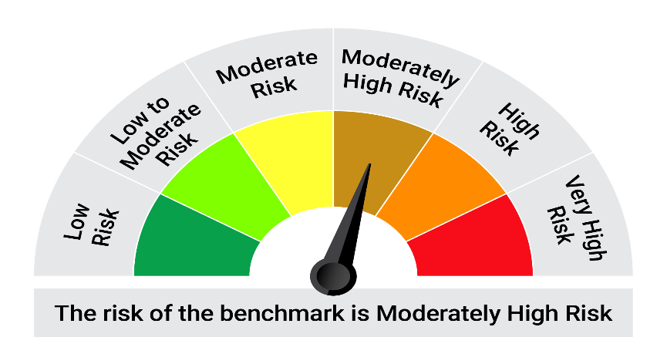


 | The Risk Level of the Scheme in scheme Risk O Meter is basis it's portfolio as on November 30, 2024 |  | The Risk Level of the Benchmark Index in the Risk O Meter is basis it's constituents as on November 30, 2024

