QLTEVF
Quantum Mutual Fund

Quantum Asset Management Company Private Limited
Registered Office: 6th Floor, Hoechst House, Nariman Point, Mumbai – 400021, Maharashtra, India
Toll Free Helpline.: 1800 22 3863 | Tel No.: 91-22-61447800 | Fax No.: 91-22-22875923 | E-mail: CustomerCare@QuantumAMC.com | Website: www.QuantumMF.com

Quantum Long Term Equity Value Fund (An Open Ended Equity Scheme following a Value Investment Strategy)

Monthly Portfolio Statement of the Quantum Long Term Equity Value Fund for the period ended August 31, 2022

Sr.No. | Name of Instrument | ISIN | Industry +/ Rating | Quantity | Market/ Fair Value ( Rs. in Lakhs) | % to NAV | Yield to Maturity

 | EQUITY & EQUITY RELATED

a) | Listed /Awaiting listing on Stock Exchanges

1 | Housing Development Finance Corporation Ltd* | INE001A01036 | Finance | 271,844 | 6,650.39 | 7.51%
2 | ICICI Bank Ltd* | INE090A01021 | Banks | 691,970 | 6,139.85 | 6.93%
3 | HDFC Bank Ltd* | INE040A01034 | Banks | 385,367 | 5,726.94 | 6.47%
4 | Infosys Ltd* | INE009A01021 | IT - Software | 351,525 | 5,248.09 | 5.93%
5 | Mahindra & Mahindra Ltd* | INE101A01026 | Automobiles | 341,092 | 4,463.87 | 5.04%
6 | State Bank of India* | INE062A01020 | Banks | 770,448 | 4,093.01 | 4.62%
7 | Wipro Ltd* | INE075A01022 | IT - Software | 988,174 | 4,086.59 | 4.62%
8 | Eicher Motors Ltd* | INE066A01021 | Automobiles | 116,814 | 3,923.49 | 4.43%
9 | Bajaj Auto Ltd* | INE917I01010 | Automobiles | 81,932 | 3,346.80 | 3.78%
10 | Hero MotoCorp Ltd* | INE158A01026 | Automobiles | 117,694 | 3,339.80 | 3.77%
11 | Tech Mahindra Ltd | INE669C01036 | IT - Software | 304,918 | 3,281.22 | 3.71%
12 | ACC Ltd | INE012A01025 | Cement & Cement Products | 132,337 | 3,043.35 | 3.44%
13 | Shriram Transport Finance Company Ltd | INE721A01013 | Finance | 205,571 | 2,784.77 | 3.15%
14 | NTPC Ltd | INE733E01010 | Power | 1,683,159 | 2,760.38 | 3.12%
15 | Cipla Ltd | INE059A01026 | Pharmaceuticals & Biotechnology | 264,744 | 2,749.23 | 3.11%
16 | Bharti Airtel Ltd | INE397D01024 | Telecom - Services | 350,454 | 2,546.40 | 2.88%
17 | LIC Housing Finance Ltd | INE115A01026 | Finance | 611,286 | 2,501.38 | 2.83%
18 | Tata Consultancy Services Ltd | INE467B01029 | IT - Software | 76,454 | 2,455.05 | 2.77%
19 | Tata Steel Ltd | INE081A01020 | Ferrous Metals | 2,217,090 | 2,401.11 | 2.71%
20 | Cummins India Ltd | INE298A01020 | Industrial Products | 156,998 | 1,872.36 | 2.11%
21 | Indusind Bank Ltd | INE095A01012 | Banks | 165,260 | 1,830.17 | 2.07%
22 | Lupin Ltd | INE326A01037 | Pharmaceuticals & Biotechnology | 271,275 | 1,815.10 | 2.05%
23 | Oil & Natural Gas Corporation Ltd | INE213A01029 | Oil | 1,249,725 | 1,732.12 | 1.96%
24 | Gail (India) Ltd | INE129A01019 | Gas | 1,248,832 | 1,699.66 | 1.92%
25 | Gujarat State Petronet Ltd | INE246F01010 | Gas | 694,031 | 1,681.64 | 1.90%
26 | Exide Industries Ltd | INE302A01020 | Auto Components | 692,547 | 1,111.88 | 1.26%
27 | Aditya Birla Sun Life AMC Ltd | INE404A01024 | Capital Markets | 234,118 | 1,076.94 | 1.22%
28 | ICICI Securities Ltd | INE763G01038 | Capital Markets | 15,405 | 77.26 | 0.09%

b) | Unlisted |  |  |  | NIL | NIL | NIL

 | Total of all Equity |  |  |  | 84,438.85 | 95.40%

 | DEBT INSTRUMENTS

a) | Listed /Awaiting listing on Stock Exchanges |  |  |  | NIL | NIL | NIL
b) | Privately Placed/Unlisted |  |  |  | NIL | NIL | NIL
c) | Securitized Debt Instruments |  |  |  | NIL | NIL | NIL

 | Total of Debt Instruments |  |  |  | NIL | NIL

 | MONEY MARKET INSTRUMENTS

a) | Treasury Bills (T-bill)

1 | 364 Days Tbill (MD 10/11/2022) | IN002021Z335 | Sovereign | 53,600 | 53.04 | 0.06% | 5.53%

 | Total of T-Bills |  |  |  | 53.04 | 0.06%

b) | TREPS ^ |  |  |  | 3,668.62 | 4.14% | 5.47%

 | Total of Money Market Instruments |  |  |  | 3,721.66 | 4.20%

 | OTHERS
 | Net Receivable/(payable) |  |  |  | 375.04 | 0.40%

 | Grand Total |  |  |  | 88,535.55 | 100.00%

Notes:
(1) | The provisions made for investment in security below investment grade as on August 31, 2022 is NIL & its percentage to NAV is NIL.
(2) | Total value and Percentage of illiquid Equity shares - NIL
(3) | Option wise per unit Net Asset Value are as follows:
 | Option | As on August 30, 2022 (Rs.)
 | Direct Plan IDCW | 80.43
 | Direct Plan Growth Option | 79.75
 | Regular Plan IDCW | 78.56
 | Regular Plan Growth Option | 78.11
(4) | Dividend declared during the period ended August 31, 2022 - NIL
(5) | Bonus declared during the period ended August 31, 2022 - NIL
(6) | Total outstanding exposure in derivative instruments as on August 31, 2022 - NIL
(7) | Total Market value of investments in Foreign Securities/American Depository Receipts/Global Depository Receipts as on August 31, 2022 - NIL
(8) | The Face Value per unit is Rs.10
(9) | Portfolio Turnover Ratio (Last One Year) is 16.98%
(10) | Investment in Fixed Deposits - NIL
(11) | Total Commission for the month ended August 31, 2022 - Rs.1,23,671.20
(12) | Total Brokerage for Buying/ Selling of Investments for the month ended August 31, 2022 is Rs.6,35,254.22
(13) | Details of Repo in Corporate Debt Securities as on August 31, 2022 is NIL
* | Top ten holdings
^ | Cash & Cash Equivalents
+ | Industry Classification as recommeded by AMFI

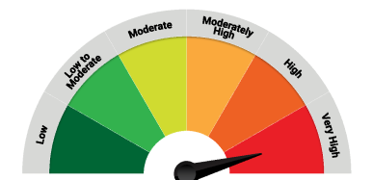
 | Riskometer of the Scheme |  | Tier 1 S&P BSE 500 TRI Benchmark Riskometer
 | VERY HIGH |  | VERY HIGH
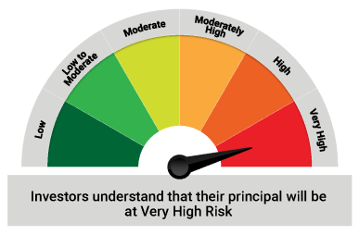

 | The Risk Level of the Scheme in scheme Risk O Meter is basis it's portfolio as on August 31, 2022 |  | The Risk Level of the Benchmark Index in the Risk O Meter is basis it's constituents as on August 31, 2022

 | Tier 2 S&P BSE 200 TRI Benchmark Riskometer
 | VERY HIGH

 | The Risk Level of the Benchmark Index in the Risk O Meter is basis it's constituents as on August 31, 2022

QLF
Quantum Mutual Fund

Quantum Asset Management Company Private Limited
Registered Office: 6th Floor, Hoechst House, Nariman Point, Mumbai – 400021, Maharashtra, India
Toll Free Helpline.: 1800 22 3863 | Tel No.: 91-22-61447800 | Fax No.: 91-22-22875923 | E-mail: CustomerCare@QuantumAMC.com | Website: www.QuantumMF.com

Quantum Liquid Fund (An Open-ended Liquid Scheme. A relatively low interest rate risk and relatively low credit risk)

Monthly Portfolio Statement of the Quantum Liquid Fund for the period ended August 31, 2022

Sr.No. | Name of Instrument | ISIN | Rating | Quantity | Market/ Fair Value ( Rs. in Lakhs) | % to NAV | Yield to Maturity

 | DEBT INSTRUMENTS

a) | Listed /Awaiting listing on Stock Exchanges

i) | Bonds

1 | 6.99% HUDCO Sr E NCD (MD 11/11/2022)** | INE031A08756 | ICRA AAA | 250 | 2,503.72 | 4.63% | 5.89%
2 | 8.84% NTPC Ltd NCD S47 (MD 04/10/2022)** | INE733E07JB6 | CRISIL AAA | 100 | 1,002.39 | 1.85% | 5.73%
3 | 6.7% NABARD NCD Sr 20H (MD 11/11/2022)** | INE261F08BQ8 | CRISIL AAA | 100 | 1,001.03 | 1.85% | 5.85%

 | Total of Bonds |  |  |  | 4,507.14 | 8.33%

b) | Privately Placed/Unlisted |  |  |  | NIL | NIL | NIL
c) | Securitized Debt Instruments |  |  |  | NIL | NIL | NIL

 | Total of Debt Instruments |  |  |  | 4,507.14 | 8.33%

 | MONEY MARKET INSTRUMENTS

a) | Commercial Papers (CP)

1 | NTPC Limited CP (MD 13/09/2022)** | INE733E14BB9 | ICRA A1+ | 500 | 2,495.49 | 4.62% | 5.51%
2 | Small India Dev Bank of India CP (MD 31/10/2022)** | INE556F14ID2 | ICRA A1+ | 500 | 2,476.31 | 4.58% | 5.82%

 | Total of CPs |  |  |  | 4,971.80 | 9.20%

b) | Certificate of Deposits (CD)

1 | Canara Bank CD (MD 04/10/2022)** | INE476A16TD6 | CRISIL A1+ | 500 | 2,487.24 | 4.60% | 5.67%

 | Total of CDs |  |  |  | 2,487.24 | 4.60%

c) | Treasury Bills (T-bill)

1 | 91 Days Tbill (MD 08/09/2022) | IN002022X106 | Sovereign | 8,000,000 | 7,991.92 | 14.78% | 5.28%
2 | 91 Days Tbill (MD 20/10/2022)** | IN002022X163 | Sovereign | 5,500,000 | 5,460.20 | 10.10% | 5.43%
3 | 91 Days Tbill (MD 06/10/2022) | IN002022X148 | Sovereign | 5,000,000 | 4,974.13 | 9.20% | 5.43%
4 | 91 Days Tbill (MD 17/11/2022)** | IN002022X205 | Sovereign | 4,785,700 | 4,730.12 | 8.75% | 5.57%
5 | 182 Days Tbill (MD 06/10/2022) | IN002022Y013 | Sovereign | 2,500,000 | 2,487.06 | 4.60% | 5.43%
6 | 91 Days Tbill (MD 24/11/2022) | IN002022X213 | Sovereign | 2,500,000 | 2,468.36 | 4.57% | 5.57%
7 | 364 Days Tbill (MD 13/10/2022)** | IN002021Z293 | Sovereign | 1,000,000 | 993.80 | 1.84% | 5.43%

 | Total of T-Bills |  |  |  | 29,105.59 | 53.84%

d) | TREPS ^ |  |  |  | 12,686.70 | 23.47% | 5.47%

 | Total of Money Market Instruments |  |  |  | 49,251.33 | 91.11%

 | OTHERS
 | Net Receivable/(payable) |  |  |  | 302.31 | 0.56%

 | Grand Total |  |  |  | 54,060.78 | 100.00%

Notes:
(1) | The provisions made for investment in security below investment grade as on August 31, 2022 is NIL & its percentage to NAV is NIL.
(2) | Total value and percentage of illiquid securities - NIL
(3) | Option wise per unit Net Asset Value are as follows:
 | Option | As on August 31, 2022 (Rs.)
 | Direct Plan Daily IDCW | 10.0090
 | Direct Plan Monthly IDCW | 10.0200
 | Direct Plan Growth Option | 29.2210
 | Regular Plan Daily IDCW | 10.0007
 | Regular Plan Monthly IDCW | 10.0149
 | Regular Plan Growth Option | 29.0993
(4) | Dividend declared during the period ended August 31, 2022
 |  | Gross Dividend per unit (Rs.)
 |  | Individual / Non Individual
 | For DIRECT PLAN DAILY IDCW | 0.04526755
 | For DIRECT PLAN MONTHLY IDCW | 0.04251651
 | For REGULAR PLAN DAILY IDCW | 0.04438019
 | For REGULAR PLAN MONTHLY IDCW | 0.04239951
 | Dividend declared was on the face value of Rs.10 per unit. Past performance may or may not be sustained in future. After payment of the dividend, the per unit NAV falls to the extent of pay out and statutory levy, if any.TDS as applicable is being deducted from Gross Dividend as per Finance Act 2020 & investor will receive the Net Dividend.
(5) | Bonus declared during the period ended August 31, 2022 - NIL
(6) | Total outstanding exposure in derivative instruments as on August 31, 2022 - NIL
(7) | Total Market value of investments in Foreign Securities/American Depository Receipts/Global Depository Receipts as on August 31, 2022 - NIL
(8) | The Face Value per unit is Rs.10
(9) | Average Portfolio Maturity at the end of August 31, 2022 is 34 Days
(10) | Investment in Fixed Deposits - NIL
(11) | Total Commission for the month ended August 31, 2022 - Rs.12,137.70
(12) | Total Brokerage for Buying/ Selling of Investments for the month ended August 31, 2022 is Rs.3,500.00
(13) | Details of Repo in Corporate Debt Securities as on August 31, 2022 is NIL
** | Non Traded Securities as per traded data obtain from FIMMDA trading platform/ NSE/ BSE/CCIL NDS-OM
^ | Cash & Cash Equivalents

 | Riskometer of the Scheme |  | Tier 1 CRISIL Liquid Fund AI Index Benchmark Riskometer
 | LOW |  | LOW TO MODERATE
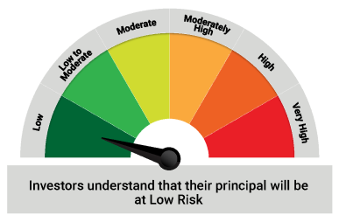
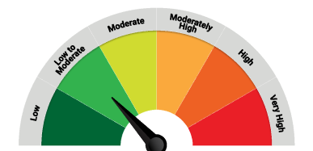

 | The Risk Level of the Scheme in scheme Risk O Meter is basis it's portfolio as on August 31, 2022 |  | The Risk Level of the Benchmark Index in the Risk O Meter is basis it's constituents as on August 31, 2022

 | Potential Risk Class Matrix - Quantum Liquid Fund
 | Credit Risk → | Relatively Low | Moderate | Relatively High
 | Interest Rate Risk ↓ | (Class A) | (Class B) | (Class C)
 | Relatively Low (Class I) | A-I
 | Moderate (Class II)
 | Relatively High (Class III)

QGF
Quantum Mutual Fund

Quantum Asset Management Company Private Limited
Registered Office: 6th Floor, Hoechst House, Nariman Point, Mumbai – 400021, Maharashtra, India
Toll Free Helpline.: 1800 22 3863 | Tel No.: 91-22-61447800 | Fax No.: 91-22-22875923 | E-mail: CustomerCare@QuantumAMC.com | Website: www.QuantumMF.com

Quantum Gold Fund (An Open Ended Scheme Replicating / Tracking Gold)

Monthly Portfolio Statement of the Quantum Gold Fund for the period ended August 31, 2022

Sr.No. | Name of Instrument | Quantity | Market/ Fair Value ( Rs. in Lakhs) | % to NAV

 | GOLD

1 | GOLD .995 Purity 1KG BAR at Mumbai Location | 253 | 12,831.87 | 90.32%
2 | GOLD .995 Purity 1KG BAR at Ahmedabad Location | 14 | 710.06 | 5.00%
3 | GOLD .999 Purity 100 Gram BAR at Ahmedabad Location | 90 | 458.09 | 3.22%
4 | GOLD .999 Purity 100 Gram BAR at Mumbai Location | 10 | 50.90 | 0.36%

 | Total of Gold |  | 14,050.92 | 98.90%

 | MONEY MARKET INSTRUMENTS

a) | TREPS ^ |  | 1.11 | 0.01%

 | Total of Money Market Instruments |  | 1.11 | 0.01%

 | OTHERS
 | Net Receivable/(payable) |  | 154.77 | 1.09%

 | Grand Total |  | 14,206.80 | 100.00%

Notes:
(1) | The provisions made for investment in security below investment grade as on August 31, 2022 is NIL & its percentage to NAV is NIL.
(2) | Per unit Net Asset Value as on August 30, 2022 (Rs) 43.9404
(3) | Dividend declared during the period ended August 31, 2022 - NIL
(4) | Bonus declared during the period ended August 31, 2022 - NIL
(5) | Total outstanding exposure in derivative instruments as on August 31, 2022 - NIL
(6) | Total Market value of investments in Foreign Securities/American Depository Receipts/Global Depository Receipts as on August 31, 2022 - NIL
(7) | The Face Value per unit is Rs.100
(8) | Portfolio Turnover Ratio (Last One Year) is 3.83%
(9) | Investment in Fixed Deposits - NIL
(10) | Total Commission for the month ended August 31, 2022 - NIL
(11) | Total Brokerage for Buying/ Selling of Investments for the month ended August 31, 2022 is NIL
(12) | Details of Repo in Corporate Debt Securities as on August 31, 2022 is NIL
^ | Cash & Cash Equivalents

 | Riskometer of the Scheme |  | Tier 1 Domestic Price of Gold Benchmark Riskometer
 | HIGH |  | HIGH
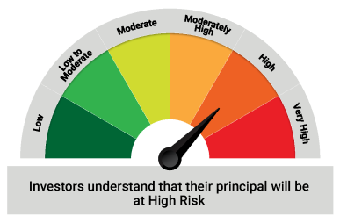
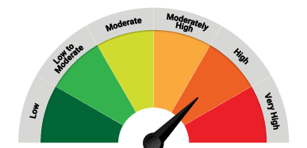

 | The Risk Level of the Scheme in scheme Risk O Meter is basis it's portfolio as on August 31, 2022 |  | The Risk Level of the Benchmark Index in the Risk O Meter is basis it's constituents as on August 31, 2022

QDBF
Quantum Mutual Fund

Quantum Asset Management Company Private Limited
Registered Office: 6th Floor, Hoechst House, Nariman Point, Mumbai – 400021, Maharashtra, India
Toll Free Helpline.: 1800 22 3863 | Tel No.: 91-22-61447800 | Fax No.: 91-22-22875923 | E-mail: CustomerCare@QuantumAMC.com | Website: www.QuantumMF.com

Quantum Dynamic Bond Fund (An Open-ended Dynamic Debt Scheme Investing Across Duration. A relatively high interest rate risk and relatively low credit risk)

Monthly Portfolio Statement of the Quantum Dynamic Bond Fund for the period ended August 31, 2022

Sr.No. | Name of Instrument | ISIN | Rating | Quantity | Market/ Fair Value ( Rs. in Lakhs) | % to NAV | Yield to Maturity

 | DEBT INSTRUMENTS

a) | Listed /Awaiting listing on Stock Exchanges

i) | Bonds

1 | 6.4% NABARD Sr 20K NCD (MD 31/07/2023)** | INE261F08CA0 | ICRA AAA | 50 | 498.40 | 5.90% | 6.74%

 | Total of Bonds |  |  |  | 498.40 | 5.90%

ii) | Government Securities

1 | 5.22% GOI (MD 15/06/2025) | IN0020200112 | Sovereign | 2,000,000 | 1,921.52 | 22.74% | 6.78%
2 | 7.38% GOI (MD 20/06/2027) | IN0020220037 | Sovereign | 1,500,000 | 1,523.42 | 18.03% | 6.99%
3 | 7.26% GOI (MD 22/08/2032) | IN0020220060 | Sovereign | 1,500,000 | 1,508.77 | 17.85% | 7.18%
4 | 4.56% GOI (MD 29/11/2023) | IN0020210210 | Sovereign | 1,500,000 | 1,468.35 | 17.37% | 6.34%
5 | 7.54% GOI (MD 23/05/2036) | IN0020220029 | Sovereign | 500,000 | 507.79 | 6.01% | 7.36%
6 | 7.16% GOI (MD 20/05/2023) | IN0020130012 | Sovereign | 500,000 | 503.06 | 5.95% | 6.26%
7 | 7.17% GOI (MD 08/01/2028)** | IN0020170174 | Sovereign | 100,000 | 100.52 | 1.19% | 7.05%
8 | 7.37% GOI (MD 16/04/2023) | IN0020180025 | Sovereign | 50,000 | 50.34 | 0.60% | 6.22%

iii) | State Government Securities

1 | 8.06% Maharastra SDL (MD 11/02/2025)** | IN2220140205 | Sovereign | 200,000 | 205.12 | 2.43% | 6.90%

 | Total of Government Securities |  |  |  | 7,788.89 | 92.17%

b) | Privately Placed/Unlisted |  |  |  | NIL | NIL | NIL
c) | Securitized Debt Instruments |  |  |  | NIL | NIL | NIL

 | Total of Debt Instruments |  |  |  | 8,287.29 | 98.07%

 | MONEY MARKET INSTRUMENTS

a) | Commercial Papers (CP) |  |  |  | NIL | NIL | NIL

 | Total of CPs |  |  |  | NIL | NIL | NIL

b) | Certificate of Deposits (CD) |  |  |  | NIL | NIL | NIL

 | Total of CDs |  |  |  | NIL | NIL | NIL

c) | Treasury Bills (T-bill) |  |  |  | NIL | NIL | NIL

 | Total of T-Bills |  |  |  | NIL | NIL | NIL

d) | TREPS ^ |  |  |  | 54.49 | 0.64% | 5.47%

 | Total of Money Market Instruments |  |  |  | 54.49 | 0.64%

 | OTHERS
 | Net Receivable/(payable) |  |  |  | 109.30 | 1.29%

 | Grand Total |  |  |  | 8,451.08 | 100.00%

Notes:
(1) | The provisions made for investment in security below investment grade as on August 31, 2022 is NIL & its percentage to NAV is NIL.
(2) | Option wise per unit Net Asset Value are as follows:
 | Option | As on August 30, 2022 (Rs.)
 | Direct Plan Monthly IDCW | 10.1418
 | Direct Plan Growth Option | 17.2590
 | Regular Plan Monthly IDCW | 10.2101
 | Regular Plan Growth Option | 17.1533
(3) | Dividend declared during the period ended August 31, 2022
 |  | Gross Dividend per unit (Rs.)
 |  | Individual / Non Individual
 | For DIRECT PLAN MONTHLY IDCW | 0.04899765
 | For REGULAR PLAN MONTHLY IDCW | 0.04930118
 | Dividend declared was on the face value of Rs.10 per unit. Past performance may or may not be sustained in future. After payment of the dividend, the per unit NAV falls to the extent of pay out and statutory levy, if any.TDS as applicable is being deducted from Gross Dividend as per Finance Act 2020 & investor will receive the Net Dividend.
(4) | Bonus declared during the period ended August 31, 2022 - NIL
(5) | Total outstanding exposure in derivative instruments as on August 31, 2022 - NIL
(6) | Total Market value of investments in Foreign Securities/American Depository Receipts/Global Depository Receipts as on August 31, 2022 - NIL
(7) | The Face Value per unit is Rs.10
(8) | Average Portfolio Maturity at the end of August 31, 2022 is 4.59 Years
(9) | Investment in Fixed Deposits - NIL
(10) | Total Commission for the month ended August 31, 2022 - Rs.2,560.92
(11) | Total Brokerage for Buying/ Selling of Investments for the month ended August 31, 2022 is NIL
(12) | Details of Repo in Corporate Debt Securities as on August 31, 2022 is NIL
** | Non Traded Securities as per traded data obtain from FIMMDA trading platform/ NSE/ BSE/CCIL NDS-OM
^ | Cash & Cash Equivalents

 | Riskometer of the Scheme |  | Tier 1 CRISIL Dynamic Bond Fund AIII Index Benchmark Riskometer
 | MODERATE |  | MODERATE
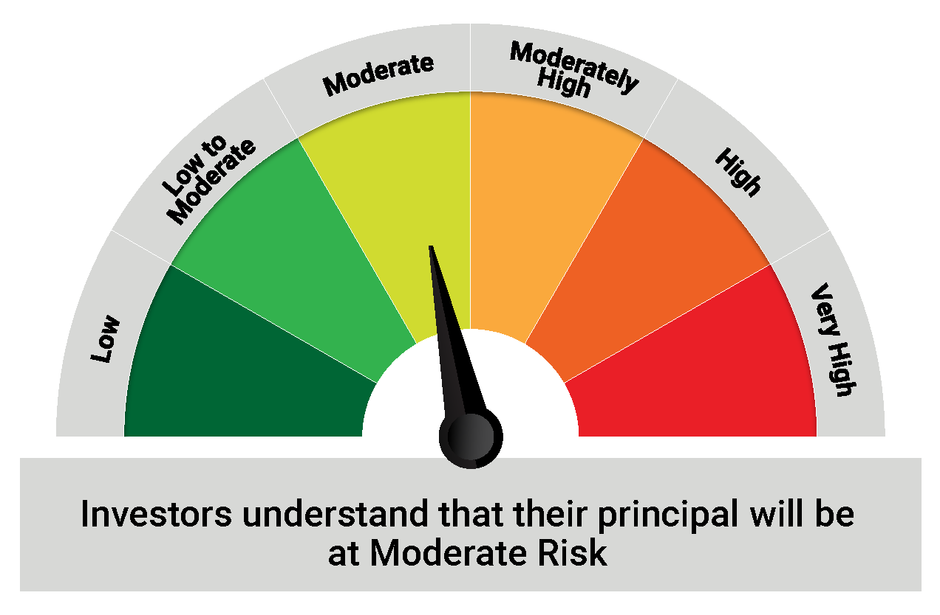
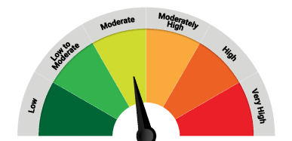

 | The Risk Level of the Scheme in scheme Risk O Meter is basis it's portfolio as on August 31, 2022 |  | The Risk Level of the Benchmark Index in the Risk O Meter is basis it's constituents as on August 31, 2022

 | Potential Risk Class Matrix - Quantum Dynamic Bond Fund
 | Credit Risk → | Relatively Low | Moderate | Relatively High
 | Interest Rate Risk ↓ | (Class A) | (Class B) | (Class C)
 | Relatively Low (Class I)
 | Moderate (Class II)
 | Relatively High (Class III) | A-III

QMAFOF
Quantum Mutual Fund

Quantum Asset Management Company Private Limited
Registered Office: 6th Floor, Hoechst House, Nariman Point, Mumbai – 400021, Maharashtra, India
Toll Free Helpline.: 1800 22 3863 | Tel No.: 91-22-61447800 | Fax No.: 91-22-22875923 | E-mail: CustomerCare@QuantumAMC.com | Website: www.QuantumMF.com

Quantum Multi Asset Fund of Funds (An Open Ended Fund of Funds Scheme Investing in schemes of Quantum Mutual Fund)

Monthly Portfolio Statement of the Quantum Multi Asset Fund of Funds for the period ended August 31, 2022

Sr.No. | Name of Instrument | ISIN | Quantity | Market/ Fair Value ( Rs. in Lakhs) | % to NAV

A | MUTUAL FUND UNITS

1 | Quantum Liquid Fund - Direct Plan - Growth Option* | INF082J01127 | 5,062,737 | 1,479.38 | 30.93%
2 | Quantum Dynamic Bond Fund - Direct Plan - Growth Option* | INF082J01176 | 3,921,866 | 676.87 | 14.15%
3 | Quantum Long Term Equity Value Fund - Direct Plan - Growth Option* | INF082J01036 | 659,102 | 525.63 | 10.99%
4 | Quantum India ESG Equity Fund - Direct Plan - Growth Option* | INF082J01382 | 1,099,559 | 189.34 | 3.96%

 | Total of Mutual Fund Units |  |  | 2,871.22 | 60.03%

B | EXCHANGE TRADED FUND UNITS

1 | Quantum Nifty 50 ETF* | INF082J01028 | 58,139 | 1,091.20 | 22.82%
2 | Quantum Gold Fund -Exchange Traded Fund (ETF)* | INF082J01408 | 1,535,550 | 670.73 | 14.02%

 | Total of Exchange Traded Fund Units |  |  | 1,761.93 | 36.84%

 | Total (A+B) |  |  | 4,633.15 | 96.87%

 | MONEY MARKET INSTRUMENTS

a) | TREPS ^ |  |  | 151.89 | 3.18%

 | Total of Money Market Instruments |  |  | 151.89 | 3.18%

 | OTHERS
 | Net Receivable/(payable) |  |  | -2.64 | -0.05%

 | Grand Total |  |  | 4,782.40 | 100.00%

Notes:
(1) | The provisions made for investment in security below investment grade as on August 31, 2022 is NIL & its percentage to NAV is NIL.
(2) | Option wise per unit Net Asset Value are as follows:
 | Option | As on August 30, 2022 (Rs.)
 | Direct Plan Growth Option | 24.5141
 | Regular Plan Growth Option | 24.2034
(3) | Dividend declared during the period ended August 31, 2022 - NIL
(4) | Bonus declared during the period ended August 31, 2022 - NIL
(5) | Total outstanding exposure in derivative instruments as on August 31, 2022 - NIL
(6) | Total Market value of investments in Foreign Securities/American Depository Receipts/Global Depository Receipts as on August 31, 2022 - NIL
(7) | The Face Value per unit is Rs.10
(8) | Investment in Fixed Deposits - NIL
(9) | Total Commission for the month ended August 31, 2022 - Rs.7,652.58
(10) | Total Brokerage for Buying/ Selling of Investments for the month ended August 31, 2022 is NIL
(11) | Details of Repo in Corporate Debt Securities as on August 31, 2022 is NIL
* | Top ten holdings
^ | Cash & Cash Equivalents

 | Riskometer of the Scheme |  | Tier 1 CRISIL Composite Bond Fund Index (20%) + S&P BSE Total Return Index (40%) + CRISIL Liquid Index(25%) + Domestic Price of Gold (15%) Benchmark Riskometer
 | MODERATELY HIGH |  | HIGH
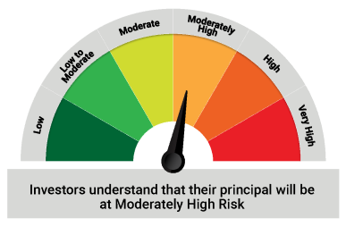

 | The Risk Level of the Scheme in scheme Risk O Meter is basis it's portfolio as on August 31, 2022 |  | The Risk Level of the Benchmark Index in the Risk O Meter is basis it's constituents as on August 31, 2022

