QLTEVF
Quantum Mutual Fund

Quantum Asset Management Company Private Limited
Registered Office: 6th Floor, Hoechst House, Nariman Point, Mumbai – 400021, Maharashtra, India
Toll Free Helpline.: 1800 22 3863 | Tel No.: 91-22-61447800 | E-mail: CustomerCare@QuantumAMC.com | Website: www.QuantumAMC.com

Quantum Long Term Equity Value Fund (An Open Ended Equity Scheme following a Value Investment Strategy)

Monthly Portfolio Statement of the Quantum Long Term Equity Value Fund for the period ended August 31, 2023

Sr.No. | Name of Instrument | ISIN | Industry +/ Rating | Quantity | Market/ Fair Value ( Rs. in Lakhs) | % to NAV | Annualised Yield to Maturity

 | EQUITY & EQUITY RELATED

a) | Listed /Awaiting listing on Stock Exchanges

1 | HDFC Bank Ltd* | INE040A01034 | Banks | 530,561 | 8,337.50 | 9.19% |  | 0.00
2 | ICICI Bank Ltd* | INE090A01021 | Banks | 600,709 | 5,759.30 | 6.35% |  | 0.00
3 | Infosys Ltd* | INE009A01021 | IT - Software | 328,526 | 4,715.83 | 5.20% |  | 0.00
4 | Eicher Motors Ltd* | INE066A01021 | Automobiles | 117,474 | 3,919.64 | 4.32% |  | 0.00
5 | State Bank of India* | INE062A01020 | Banks | 693,847 | 3,894.91 | 4.29% |  | 0.00
6 | Shriram Finance Ltd* | INE721A01013 | Finance | 195,078 | 3,761.69 | 4.15% |  | 0.00
7 | Wipro Ltd* | INE075A01022 | IT - Software | 862,970 | 3,524.37 | 3.88% |  | 0.00
8 | Mahindra & Mahindra Ltd* | INE101A01026 | Automobiles | 215,395 | 3,393.33 | 3.74% |  | 0.00
9 | Cipla Ltd* | INE059A01026 | Pharmaceuticals & Biotechnology | 264,744 | 3,329.42 | 3.67% |  | 0.00
10 | Tech Mahindra Ltd* | INE669C01036 | IT - Software | 272,794 | 3,278.85 | 3.61% |  | 0.00
11 | Bajaj Auto Ltd | INE917I01010 | Automobiles | 70,749 | 3,264.22 | 3.60% |  | 0.00
12 | Tata Consultancy Services Ltd | INE467B01029 | IT - Software | 96,223 | 3,230.01 | 3.56% |  | 0.00
13 | Hero MotoCorp Ltd | INE158A01026 | Automobiles | 107,996 | 3,149.11 | 3.47% |  | 0.00
14 | Bharti Airtel Ltd | INE397D01024 | Telecom - Services | 364,639 | 3,122.77 | 3.44% |  | 0.00
15 | Kotak Mahindra Bank Ltd | INE237A01028 | Banks | 148,248 | 2,607.31 | 2.87% |  | 0.00
16 | Tata Steel Ltd | INE081A01020 | Ferrous Metals | 2,064,718 | 2,537.54 | 2.80% |  | 0.00
17 | NTPC Ltd | INE733E01010 | Power | 1,117,737 | 2,462.37 | 2.71% |  | 0.00
18 | Lupin Ltd | INE326A01037 | Pharmaceuticals & Biotechnology | 223,622 | 2,455.03 | 2.71% |  | 0.00
19 | LIC Housing Finance Ltd | INE115A01026 | Finance | 559,978 | 2,370.67 | 2.61% |  | 0.00
20 | ICICI Securities Ltd | INE763G01038 | Capital Markets | 322,836 | 2,017.24 | 2.22% |  | 0.00
21 | Indusind Bank Ltd | INE095A01012 | Banks | 144,554 | 1,992.17 | 2.20% |  | 0.00
22 | ICICI Lombard General Insurance Company Ltd | INE765G01017 | Insurance | 142,960 | 1,878.07 | 2.07% |  | 0.00
23 | Gail (India) Ltd | INE129A01019 | Gas | 1,580,824 | 1,817.95 | 2.00% |  | 0.00
24 | Oil & Natural Gas Corporation Ltd | INE213A01029 | Oil | 1,034,884 | 1,802.25 | 1.99% |  | 0.00
25 | Nuvoco Vistas Corporation Ltd | INE118D01016 | Cement & Cement Products | 519,442 | 1,753.12 | 1.93% |  | 0.00
26 | Gujarat State Petronet Ltd | INE246F01010 | Gas | 605,187 | 1,671.22 | 1.84% |  | 0.00
27 | Exide Industries Ltd | INE302A01020 | Auto Components | 601,136 | 1,603.83 | 1.77% |  | 0.00
28 | Aditya Birla Sun Life AMC Ltd | INE404A01024 | Capital Markets | 363,077 | 1,416.91 | 1.56% |  | 0.00
29 | Cummins India Ltd | INE298A01020 | Industrial Products | 21,401 | 365.48 | 0.40% |  | 0.00
30 | Crompton Greaves Consumer Electricals Ltd | INE299U01018 | Consumer Durables | 107,676 | 323.08 | 0.36% |  | 0.00

b) | Unlisted |  |  |  | NIL | NIL | NIL

 | Total of all Equity |  |  |  | 85,755.19 | 94.51%

 | DEBT INSTRUMENTS

a) | Listed /Awaiting listing on Stock Exchanges |  |  |  | NIL | NIL | NIL
b) | Privately Placed/Unlisted |  |  |  | NIL | NIL | NIL
c) | Securitized Debt Instruments |  |  |  | NIL | NIL | NIL

 | Total of Debt Instruments |  |  |  | NIL | NIL

 | MONEY MARKET INSTRUMENTS

a) | Treasury Bills (T-bill)

1 | 364 Days Tbill (MD 12/10/2023)** | IN002022Z283 | Sovereign | 50,000 | 49.63 | 0.05% | 6.67%

 | Total of T-Bills |  |  |  | 49.63 | 0.05%

b) | TREPS ^ |  |  |  | 4,270.00 | 4.71% | 6.62%

 | Total of Money Market Instruments |  |  |  | 4,319.63 | 4.76%

 | OTHERS
 | Net Receivable/(payable) |  |  |  | 652.29 | 0.73%

 | Grand Total |  |  |  | 90,727.11 | 100.00%

Notes:
(1) | The provisions made for investment in security below investment grade as on August 31, 2023 is NIL & its percentage to NAV is NIL.
(2) | Total value and Percentage of illiquid Equity shares - NIL
(3) | Option wise per unit Net Asset Value are as follows:
 | Option | As on August 31, 2023 (Rs.)
 | Direct Plan IDCW | 91.58
 | Direct Plan Growth Option | 90.80
 | Regular Plan IDCW | 88.97
 | Regular Plan Growth Option | 88.46
(4) | IDCW declared during the period ended August 31, 2023 - NIL
(5) | Bonus declared during the period ended August 31, 2023 - NIL
(6) | Total outstanding exposure in derivative instruments as on August 31, 2023 - NIL
(7) | Total Market value of investments in Foreign Securities/American Depository Receipts/Global Depository Receipts as on August 31, 2023 - NIL
(8) | The Face Value per unit is Rs.10
(9) | Portfolio Turnover Ratio (Last One Year) is 14.82%
(10) | Investment in Fixed Deposits - NIL
(11) | Total Commission for the month ended August 31, 2023 - Rs.2,38,167.14
(12) | Total Brokerage for Buying/ Selling of Investments for the month ended August 31, 2023 is Rs.8,20,903.83
(13) | Details of Repo in Corporate Debt Securities as on August 31, 2023 is NIL
* | Top ten holdings
** | Non Traded Securities as per traded data obtain from FIMMDA trading platform/ NSE/ BSE/CCIL NDS-OM
^ | Cash & Cash Equivalents
+ | Industry Classification as recommeded by AMFI

 | Riskometer of the Scheme |  | S&P BSE 500 TRI Tier 1 Benchmark Riskometer
 | VERY HIGH |  | VERY HIGH
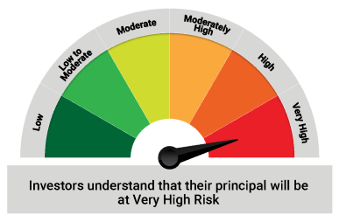
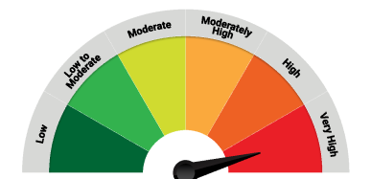

 | The Risk Level of the Scheme in scheme Risk O Meter is basis it's portfolio as on August 31, 2023 |  | The Risk Level of the Benchmark Index in the Risk O Meter is basis it's constituents as on August 31, 2023

 | S&P BSE 200 TRI Tier 2 Benchmark Riskometer
 | VERY HIGH

 | The Risk Level of the Benchmark Index in the Risk O Meter is basis it's constituents as on August 31, 2023

QLF
Quantum Mutual Fund

Quantum Asset Management Company Private Limited
Registered Office: 6th Floor, Hoechst House, Nariman Point, Mumbai – 400021, Maharashtra, India
Toll Free Helpline.: 1800 22 3863 | Tel No.: 91-22-61447800 | E-mail: CustomerCare@QuantumAMC.com | Website: www.QuantumAMC.com

Quantum Liquid Fund (An Open-ended Liquid Scheme. A relatively low interest rate risk and relatively low credit risk)

Monthly Portfolio Statement of the Quantum Liquid Fund for the period ended August 31, 2023

Sr.No. | Name of Instrument | ISIN | Rating | Quantity | Market/ Fair Value ( Rs. in Lakhs) | % to NAV | Annualised Yield to Maturity

 | DEBT INSTRUMENTS

a) | Listed /Awaiting listing on Stock Exchanges

i) | Bonds

1 | 5.32% NHBA Taxable NCD (MD 01/09/2023)** | INE557F08FK3 | CRISIL AAA | 250 | 2,500.00 | 4.15% | 7.10%

 | Total of Bonds |  |  |  | 2,500.00 | 4.15%

b) | Privately Placed/Unlisted |  |  |  | NIL | NIL | NIL
c) | Securitized Debt Instruments |  |  |  | NIL | NIL | NIL

 | Total of Debt Instruments |  |  |  | 2,500.00 | 4.15%

 | MONEY MARKET INSTRUMENTS

a) | Commercial Papers (CP)

1 | National Bank For Agri & Rural CP (MD 04/09/2023)** | INE261F14KA1 | ICRA A1+ | 500 | 2,498.56 | 4.14% | 7.03%
2 | National Bank For Agri & Rural CP (MD 12/09/2023)** | INE261F14KB9 | ICRA A1+ | 500 | 2,494.72 | 4.14% | 7.03%
3 | Small Ind Dev Bk of India CP (MD 20/09/2023)** | INE556F14JA6 | IND A1+ | 500 | 2,490.86 | 4.13% | 7.05%
4 | Small Ind Dev Bk of India CP (MD 22/09/2023)** | INE556F14JK5 | CARE A1+ | 500 | 2,489.90 | 4.13% | 7.05%

 | Total of CPs |  |  |  | 9,974.04 | 16.54%

b) | Certificate of Deposits (CD)

1 | Canara Bank CD (MD 26/09/2023)** | INE476A16VW2 | CRISIL A1+ | 1,000 | 4,976.15 | 8.25% | 7.00%
2 | Bank of Baroda CD (MD 15/11/2023)** | INE028A16CY7 | IND A1+ | 1,000 | 4,929.30 | 8.18% | 6.98%
3 | State Bank of India CD (MD 12/09/2023) | INE062A16465 | CRISIL A1+ | 500 | 2,494.78 | 4.14% | 6.95%

 | Total of CDs |  |  |  | 12,400.23 | 20.57%

c) | Treasury Bills (T-bill)

1 | 91 Days Tbill (MD 02/11/2023)** | IN002023X187 | Sovereign | 10,000,000 | 9,886.89 | 16.40% | 6.74%
2 | 182 Days Tbill (MD 23/11/2023) | IN002023Y086 | Sovereign | 10,000,000 | 9,848.61 | 16.34% | 6.76%
3 | 182 Days Tbill (MD 26/10/2023)** | IN002023Y045 | Sovereign | 5,000,000 | 4,949.87 | 8.21% | 6.72%
4 | 91 Days Tbill (MD 30/11/2023) | IN002023X237 | Sovereign | 4,500,000 | 4,426.11 | 7.34% | 6.77%
5 | 91 Days Tbill (MD 12/10/2023)** | IN002023X153 | Sovereign | 3,000,000 | 2,977.71 | 4.94% | 6.67%

 | Total of T-Bills |  |  |  | 32,089.19 | 53.23%

d) | TREPS ^ |  |  |  | 3,283.72 | 5.45% | 6.62%

 | Total of Money Market Instruments |  |  |  | 57,747.18 | 95.79%

 | OTHERS
 | Net Receivable/(payable) |  |  |  | 43.98 | 0.06%

 | Grand Total |  |  |  | 60,291.16 | 100.00%

 | Portfolio Information
 | Scheme Name : | Quantum Liquid Fund
 | Description (if any)
 | Annualised Portfolio YTM* : | 6.85%
 | Macaulay Duration | 49 Days
 | Residual Maturity | 49 Days
 | As on (Date) | 2023-08-31
 | * in case of semi annual YTM, it will be annualised

Notes:
(1) | The provisions made for investment in security below investment grade as on August 31, 2023 is NIL & its percentage to NAV is NIL.
(2) | Total value and percentage of illiquid securities - NIL
(3) | Option wise per unit Net Asset Value are as follows:
 | Option | As on August 31, 2023 (Rs.)
 | Direct Plan Daily IDCW | 10.0085
 | Direct Plan Monthly IDCW | 10.0228
 | Direct Plan Growth Option | 31.1362
 | Regular Plan Daily IDCW | 10.0002
 | Regular Plan Monthly IDCW | 10.0178
 | Regular Plan Growth Option | 30.9755
(4) | IDCW declared during the period ended August 31, 2023
 |  | Gross IDCW per unit (Rs.)
 |  | Individual / Non Individual
 | For DIRECT PLAN DAILY IDCW | 0.05559018
 | For DIRECT PLAN MONTHLY IDCW | 0.05571019
 | For REGULAR PLAN DAILY IDCW | 0.05469539
 | For REGULAR PLAN MONTHLY IDCW | 0.05483078
 | IDCW declared was on the face value of Rs.10 per unit. Past performance may or may not be sustained in future. After payment of the IDCW, the per unit NAV falls to the extent of pay out and statutory levy, if any.TDS as applicable is being deducted from Gross IDCW as per Finance Act 2020 & investor will receive the Net IDCW.
(5) | Bonus declared during the period ended August 31, 2023 - NIL
(6) | Total outstanding exposure in derivative instruments as on August 31, 2023 - NIL
(7) | Total Market value of investments in Foreign Securities/American Depository Receipts/Global Depository Receipts as on August 31, 2023 - NIL
(8) | The Face Value per unit is Rs.10
(9) | Investment in Fixed Deposits - NIL
(10) | Total Commission for the month ended August 31, 2023 - Rs.11,378.25
(11) | Total Brokerage for Buying/ Selling of Investments for the month ended August 31, 2023 is Rs.5,000.00
(12) | Details of Repo in Corporate Debt Securities as on August 31, 2023 is NIL
** | Non Traded Securities as per traded data obtain from FIMMDA trading platform/ NSE/ BSE/CCIL NDS-OM
^ | Cash & Cash Equivalents

 | Riskometer of the Scheme |  | CRISIL Liquid Debt A-I Index Tier 1 Benchmark Riskometer
 | LOW |  | LOW TO MODERATE
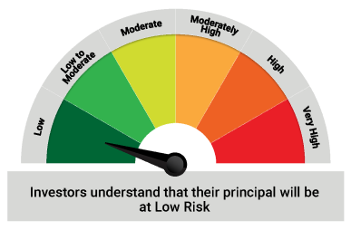
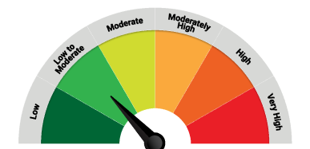

 | The Risk Level of the Scheme in scheme Risk O Meter is basis it's portfolio as on August 31, 2023 |  | The Risk Level of the Benchmark Index in the Risk O Meter is basis it's constituents as on August 31, 2023

 | Potential Risk Class Matrix - Quantum Liquid Fund
 | Credit Risk → | Relatively Low | Moderate | Relatively High
 | Interest Rate Risk ↓ | (Class A) | (Class B) | (Class C)
 | Relatively Low (Class I) | A-I
 | Moderate (Class II)
 | Relatively High (Class III)

QGF
Quantum Mutual Fund

Quantum Asset Management Company Private Limited
Registered Office: 6th Floor, Hoechst House, Nariman Point, Mumbai – 400021, Maharashtra, India
Toll Free Helpline.: 1800 22 3863 | Tel No.: 91-22-61447800 | E-mail: CustomerCare@QuantumAMC.com | Website: www.QuantumAMC.com

Quantum Gold Fund (An Open Ended Scheme Replicating / Tracking Gold)

Monthly Portfolio Statement of the Quantum Gold Fund for the period ended August 31, 2023

Sr.No. | Name of Instrument | Quantity | Market/ Fair Value ( Rs. in Lakhs) | % to NAV

 | GOLD

1 | GOLD .995 Purity 1KG BAR at Mumbai Location | 256 | 15,167.04 | 90.56%
2 | GOLD .995 Purity 1KG BAR at Ahmedabad Location | 15 | 888.69 | 5.31%
3 | GOLD .999 Purity 100 Gram BAR at Ahmedabad Location | 69 | 410.26 | 2.45%
4 | GOLD .999 Purity 100 Gram BAR at Mumbai Location | 20 | 118.92 | 0.71%

 | Total of Gold |  | 16,584.91 | 99.03%

 | MONEY MARKET INSTRUMENTS

a) | TREPS ^ |  | 2.94 | 0.02%

 | Total of Money Market Instruments |  | 2.94 | 0.02%

 | OTHERS
 | Net Receivable/(payable) |  | 159.32 | 0.95%

 | Grand Total |  | 16,747.17 | 100.00%

Notes:
(1) | The provisions made for investment in security below investment grade as on August 31, 2023 is NIL & its percentage to NAV is NIL.
(2) | Per unit Net Asset Value as on August 31, 2023 (Rs) 50.3221
(3) | IDCW declared during the period ended August 31, 2023 - NIL
(4) | Bonus declared during the period ended August 31, 2023 - NIL
(5) | Total outstanding exposure in derivative instruments as on August 31, 2023 - NIL
(6) | Total Market value of investments in Foreign Securities/American Depository Receipts/Global Depository Receipts as on August 31, 2023 - NIL
(7) | The Face Value per unit is Rs.2
(8) | Portfolio Turnover Ratio (Last One Year) is 2.52%
(9) | Investment in Fixed Deposits - NIL
(10) | Total Commission for the month ended August 31, 2023 - NIL
(11) | Total Brokerage for Buying/ Selling of Investments for the month ended August 31, 2023 is NIL
(12) | Details of Repo in Corporate Debt Securities as on August 31, 2023 is NIL
^ | Cash & Cash Equivalents

 | Riskometer of the Scheme |  | Domestic Price of Gold Tier 1 Benchmark Riskometer
 | HIGH |  | HIGH
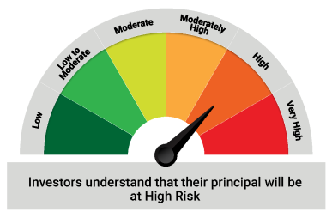
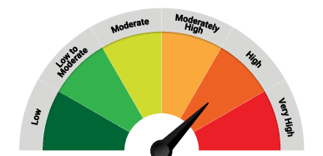

 | The Risk Level of the Scheme in scheme Risk O Meter is basis it's portfolio as on August 31, 2023 |  | The Risk Level of the Benchmark Index in the Risk O Meter is basis it's constituents as on August 31, 2023

QDBF
Quantum Mutual Fund

Quantum Asset Management Company Private Limited
Registered Office: 6th Floor, Hoechst House, Nariman Point, Mumbai – 400021, Maharashtra, India
Toll Free Helpline.: 1800 22 3863 | Tel No.: 91-22-61447800 | E-mail: CustomerCare@QuantumAMC.com | Website: www.QuantumAMC.com

Quantum Dynamic Bond Fund (An Open-ended Dynamic Debt Scheme Investing Across Duration. A relatively high interest rate risk and relatively low credit risk)

Monthly Portfolio Statement of the Quantum Dynamic Bond Fund for the period ended August 31, 2023

Sr.No. | Name of Instrument | ISIN | Rating | Quantity | Market/ Fair Value ( Rs. in Lakhs) | % to NAV | Annualised Yield to Maturity

 | DEBT INSTRUMENTS

a) | Listed /Awaiting listing on Stock Exchanges

i) | Bonds

1 | 9.09% IRFC NCD (MD 31/03/2026)** | INE053F09HN1 | CARE AAA | 50 | 520.11 | 5.78% | 7.48%
2 | 7.58% NABARD Sr 23H NCD (MD 31/07/2026)** | INE261F08DX0 | ICRA AAA | 50 | 499.07 | 5.55% | 7.65%

 | Total of Bonds |  |  |  | 1,019.18 | 11.33%

ii) | Government Securities

1 | 7.26% GOI (MD 06/02/2033) | IN0020220151 | Sovereign | 3,500,000 | 3,521.96 | 39.16% | 7.29%
2 | 7.38% GOI (MD 20/06/2027) | IN0020220037 | Sovereign | 3,000,000 | 3,020.87 | 33.59% | 7.29%
3 | 4.04% GOI FRB (MD 04/10/2028) | IN0020210160 | Sovereign | 1,000,000 | 996.40 | 11.08% | 7.66%

 | Total of Government Securities |  |  |  | 7,539.23 | 83.83%

b) | Privately Placed/Unlisted |  |  |  | NIL | NIL | NIL
c) | Securitized Debt Instruments |  |  |  | NIL | NIL | NIL

 | Total of Debt Instruments |  |  |  | 8,558.41 | 95.16%

 | MONEY MARKET INSTRUMENTS

a) | Commercial Papers (CP) |  |  |  | NIL | NIL | NIL

 | Total of CPs |  |  |  | NIL | NIL | NIL

b) | Certificate of Deposits (CD) |  |  |  | NIL | NIL | NIL

 | Total of CDs |  |  |  | NIL | NIL | NIL

c) | Treasury Bills (T-bill) |  |  |  | NIL | NIL | NIL

 | Total of T-Bills |  |  |  | NIL | NIL | NIL

d) | TREPS ^ |  |  |  | 307.16 | 3.42% | 6.62%

 | Total of Money Market Instruments |  |  |  | 307.16 | 3.42%

 | OTHERS
 | Net Receivable/(payable) |  |  |  | 127.80 | 1.42%

 | Grand Total |  |  |  | 8,993.37 | 100.00%

 | Portfolio Information
 | Scheme Name : | Quantum Dynamic Bond Fund
 | Description (if any)
 | Annualised Portfolio YTM* : | 7.25%
 | Macaulay Duration | 4.18 Years
 | Residual Maturity | 5.91 Years
 | As on (Date) | 2023-08-31
 | * in case of semi annual YTM, it will be annualised

Notes:
(1) | The provisions made for investment in security below investment grade as on August 31, 2023 is NIL & its percentage to NAV is NIL.
(2) | Option wise per unit Net Asset Value are as follows:
 | Option | As on August 31, 2023 (Rs.)
 | Direct Plan Monthly IDCW | 10.2441
 | Direct Plan Growth Option | 18.5896
 | Regular Plan Monthly IDCW | 10.3112
 | Regular Plan Growth Option | 18.4483
(3) | IDCW declared during the period ended August 31, 2023
 |  | Gross IDCW per unit (Rs.)
 |  | Individual / Non Individual
 | For DIRECT PLAN MONTHLY IDCW | 0.05767640
 | For REGULAR PLAN MONTHLY IDCW | 0.05770181
 | IDCW declared was on the face value of Rs.10 per unit. Past performance may or may not be sustained in future. After payment of the IDCW, the per unit NAV falls to the extent of pay out and statutory levy, if any.TDS as applicable is being deducted from Gross IDCW as per Finance Act 2020 & investor will receive the Net IDCW.
(4) | Bonus declared during the period ended August 31, 2023 - NIL
(5) | Total outstanding exposure in derivative instruments as on August 31, 2023 - NIL
(6) | Total Market value of investments in Foreign Securities/American Depository Receipts/Global Depository Receipts as on August 31, 2023 - NIL
(7) | The Face Value per unit is Rs.10
(8) | Investment in Fixed Deposits - NIL
(9) | Total Commission for the month ended August 31, 2023 - Rs.10,105.81
(10) | Total Brokerage for Buying/ Selling of Investments for the month ended August 31, 2023 is Rs.2,000.00
(11) | Details of Repo in Corporate Debt Securities as on August 31, 2023 is NIL
** | Non Traded Securities as per traded data obtain from FIMMDA trading platform/ NSE/ BSE/CCIL NDS-OM
^ | Cash & Cash Equivalents

 | Riskometer of the Scheme |  | CRISIL Dynamic Bond A-III Index Tier 1 Benchmark Riskometer
 | MODERATE |  | MODERATE
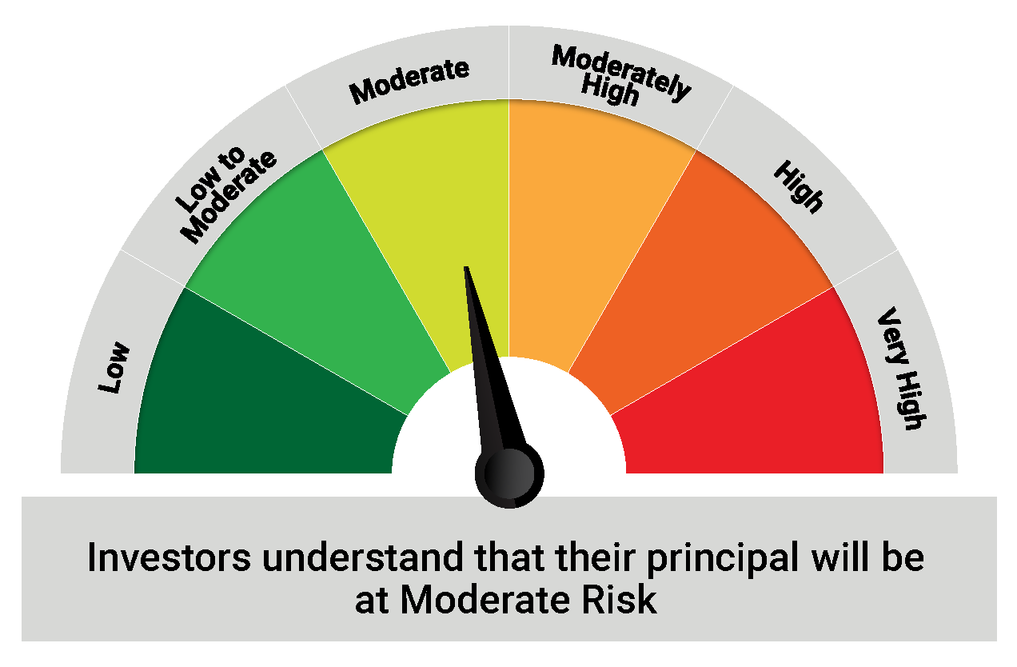
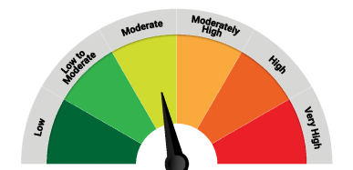

 | The Risk Level of the Scheme in scheme Risk O Meter is basis it's portfolio as on August 31, 2023 |  | The Risk Level of the Benchmark Index in the Risk O Meter is basis it's constituents as on August 31, 2023

 | Potential Risk Class Matrix - Quantum Dynamic Bond Fund
 | Credit Risk → | Relatively Low | Moderate | Relatively High
 | Interest Rate Risk ↓ | (Class A) | (Class B) | (Class C)
 | Relatively Low (Class I)
 | Moderate (Class II)
 | Relatively High (Class III) | A-III

QMAFOF
Quantum Mutual Fund

Quantum Asset Management Company Private Limited
Registered Office: 6th Floor, Hoechst House, Nariman Point, Mumbai – 400021, Maharashtra, India
Toll Free Helpline.: 1800 22 3863 | Tel No.: 91-22-61447800 | E-mail: CustomerCare@QuantumAMC.com | Website: www.QuantumAMC.com

Quantum Multi Asset Fund of Funds (An Open Ended Fund of Funds Scheme Investing in schemes of Quantum Mutual Fund)

Monthly Portfolio Statement of the Quantum Multi Asset Fund of Funds for the period ended August 31, 2023

Sr.No. | Name of Instrument | ISIN | Quantity | Market/ Fair Value ( Rs. in Lakhs) | % to NAV

A | MUTUAL FUND UNITS

1 | Quantum Liquid Fund - Direct Plan - Growth Option* | INF082J01127 | 5,166,527 | 1,608.66 | 29.95%
2 | Quantum Dynamic Bond Fund - Direct Plan - Growth Option* | INF082J01176 | 4,912,739 | 913.26 | 17.00%
3 | Quantum Long Term Equity Value Fund - Direct Plan - Growth Option* | INF082J01036 | 508,800 | 461.99 | 8.60%
4 | Quantum India ESG Equity Fund - Direct Plan - Growth Option* | INF082J01382 | 1,099,559 | 210.13 | 3.91%

 | Total of Mutual Fund Units |  |  | 3,194.04 | 59.46%

B | EXCHANGE TRADED FUND UNITS

1 | Quantum Nifty 50 ETF* | INF082J01028 | 62,101 | 1,278.34 | 23.80%
2 | Quantum Gold Fund -Exchange Traded Fund (ETF)* | INF082J01408 | 1,571,390 | 789.31 | 14.69%

 | Total of Exchange Traded Fund Units |  |  | 2,067.65 | 38.49%

 | Total (A+B) |  |  | 5,261.69 | 97.95%

 | MONEY MARKET INSTRUMENTS

a) | TREPS ^ |  |  | 111.82 | 2.08%

 | Total of Money Market Instruments |  |  | 111.82 | 2.08%

 | OTHERS
 | Net Receivable/(payable) |  |  | -1.58 | -0.03%

 | Grand Total |  |  | 5,371.93 | 100.00%

Notes:
(1) | The provisions made for investment in security below investment grade as on August 31, 2023 is NIL & its percentage to NAV is NIL.
(2) | Option wise per unit Net Asset Value are as follows:
 | Option | As on August 31, 2023 (Rs.)
 | Direct Plan Growth Option | 26.8502
 | Regular Plan Growth Option | 26.4118
(3) | IDCW declared during the period ended August 31, 2023 - NIL
(4) | Bonus declared during the period ended August 31, 2023 - NIL
(5) | Total outstanding exposure in derivative instruments as on August 31, 2023 - NIL
(6) | Total Market value of investments in Foreign Securities/American Depository Receipts/Global Depository Receipts as on August 31, 2023 - NIL
(7) | The Face Value per unit is Rs.10
(8) | Investment in Fixed Deposits - NIL
(9) | Total Commission for the month ended August 31, 2023 - Rs.8,845.98
(10) | Total Brokerage for Buying/ Selling of Investments for the month ended August 31, 2023 is Rs.5,697.56
(11) | Details of Repo in Corporate Debt Securities as on August 31, 2023 is NIL
* | Top ten holdings
^ | Cash & Cash Equivalents

 | Riskometer of the Scheme |  | CRISIL Dynamic Bond A-III Index (20%) + CRISIL Liquid Debt A-I Index (25%) + Nifty 50 TRI (40%) + Domestic price of Gold (15%) Tier 1 Benchmark Riskometer
 | MODERATELY HIGH |  | MODERATELY HIGH
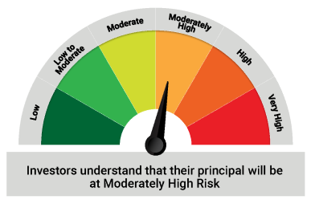
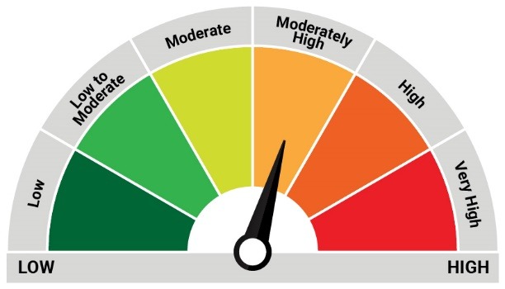

 | The Risk Level of the Scheme in scheme Risk O Meter is basis it's portfolio as on August 31, 2023 |  | The Risk Level of the Benchmark Index in the Risk O Meter is basis it's constituents as on August 31, 2023

