QLTEVF
Quantum Mutual Fund

Quantum Asset Management Company Private Ltd
Registered Office: 1st Floor, Apeejay House, 3 Dinshaw Vachha Road, Backbay Reclamation, Churchgate, Mumbai - 400020, Maharashtra, India
Toll Free Helpline.: 1800 22 3863 | Tel No.: 91-22-61447800 | E-mail: CustomerCare@QuantumAMC.com | Website: www.QuantumAMC.com

Quantum Long Term Equity Value Fund (An Open Ended Equity Scheme following a Value Investment Strategy)

Monthly Portfolio Statement of the Quantum Long Term Equity Value Fund for the period ended March 31, 2025

Sr.No. | Name of Instrument | ISIN | Industry +/ Rating | Quantity | Market/ Fair Value ( Rs. in Lakhs) | % to NAV | Annualised Yield to Maturity

 | EQUITY & EQUITY RELATED

a) | Listed /Awaiting listing on Stock Exchanges

1 | ICICI Bank Ltd* | INE090A01021 | Banks | 746,622 | 10,067.08 | 8.96%
2 | HDFC Bank Ltd* | INE040A01034 | Banks | 545,317 | 9,969.49 | 8.88%
3 | Infosys Ltd* | INE009A01021 | IT - Software | 343,798 | 5,399.86 | 4.81%
4 | Bharti Airtel Ltd* | INE397D01024 | Telecom - Services | 278,938 | 4,835.11 | 4.30%
5 | Tata Consultancy Services Ltd* | INE467B01029 | IT - Software | 132,083 | 4,763.11 | 4.24%
6 | Kotak Mahindra Bank Ltd* | INE237A01028 | Banks | 211,412 | 4,590.18 | 4.09%
7 | State Bank of India* | INE062A01020 | Banks | 583,209 | 4,499.46 | 4.01%
8 | Wipro Ltd* | INE075A01022 | IT - Software | 1,553,665 | 4,074.49 | 3.63%
9 | Crompton Greaves Consumer Electricals Ltd* | INE299U01018 | Consumer Durables | 1,068,700 | 3,782.66 | 3.37%
10 | ICICI Prudential Life Insurance Company Ltd* | INE726G01019 | Insurance | 611,435 | 3,450.63 | 3.07%
11 | Tech Mahindra Ltd | INE669C01036 | IT - Software | 241,995 | 3,432.09 | 3.06%
12 | Cipla Ltd | INE059A01026 | Pharmaceuticals & Biotechnology | 229,823 | 3,314.51 | 2.95%
13 | Hero MotoCorp Ltd | INE158A01026 | Automobiles | 85,135 | 3,169.53 | 2.82%
14 | GAIL (India) Ltd | INE129A01019 | Gas | 1,705,023 | 3,120.87 | 2.78%
15 | Axis Bank Ltd | INE238A01034 | Banks | 281,634 | 3,103.61 | 2.76%
16 | LIC Housing Finance Ltd | INE115A01026 | Finance | 543,646 | 3,065.35 | 2.73%
17 | Nuvoco Vistas Corporation Ltd | INE118D01016 | Cement & Cement Products | 929,896 | 2,862.22 | 2.55%
18 | Eicher Motors Ltd | INE066A01021 | Automobiles | 53,076 | 2,838.35 | 2.53%
19 | Aditya Birla Sun Life AMC Ltd | INE404A01024 | Capital Markets | 408,592 | 2,601.51 | 2.32%
20 | Tata Steel Ltd | INE081A01020 | Ferrous Metals | 1,524,589 | 2,351.53 | 2.09%
21 | ICICI Lombard General Insurance Company Ltd | INE765G01017 | Insurance | 130,317 | 2,336.39 | 2.08%
22 | Star Health And Allied Insurance Company Ltd | INE575P01011 | Insurance | 592,475 | 2,113.06 | 1.88%
23 | Gujarat State Petronet Ltd | INE246F01010 | Gas | 669,850 | 1,951.27 | 1.74%
24 | IndusInd Bank Ltd | INE095A01012 | Banks | 256,036 | 1,663.85 | 1.48%
25 | Exide Industries Ltd | INE302A01020 | Auto Components | 398,385 | 1,435.98 | 1.28%
26 | Lupin Ltd | INE326A01037 | Pharmaceuticals & Biotechnology | 65,267 | 1,323.58 | 1.18%
27 | Bajaj Auto Ltd | INE917I01010 | Automobiles | 16,683 | 1,314.43 | 1.17%
28 | Mahindra & Mahindra Ltd | INE101A01026 | Automobiles | 46,060 | 1,227.87 | 1.09%
29 | Shriram Finance Ltd | INE721A01047 | Finance | 164,226 | 1,077.32 | 0.96%

b) | Unlisted |  |  |  | NIL | NIL | NIL

 | Total of all Equity |  |  |  | 99,735.39 | 88.81%

 | MONEY MARKET INSTRUMENTS

a) | Treasury Bills (T-Bill)

1 | 364 Days Tbill (MD 03/04/2025)** | IN002024Z016 | SOV | 50,000 | 49.98 | 0.04% | 6.37%

 | Total of T-Bill |  |  |  | 49.98 | 0.04%

b) | Commercial Papers (CP) |  |  |  | NIL | NIL | NIL

c) | Certificate of Deposits (CD) |  |  |  | NIL | NIL | NIL

d) | TREPS ^ |  |  |  | 10,364.25 | 9.23% | 6.70%

 | Total of Money Market Instruments |  |  |  | 10,414.23 | 9.27%

 | OTHERS
 | Net Receivable/(payable) |  |  |  | 2,172.98 | 1.92%

 | Grand Total |  |  |  | 112,322.60 | 100.00%

 | Notes:
(1) | The provisions made for investment in security below investment grade as on March 31, 2025 is NIL & its percentage to NAV is NIL.
(2) | Total value and Percentage of illiquid Equity shares - NIL
(3) | Option wise per unit Net Asset Value are as follows:
 | Option | As on March 31, 2025 (Rs.)
 | Direct Plan IDCW | 123.99
 | Direct Plan Growth Option | 122.94
 | Regular Plan IDCW | 118.75
 | Regular Plan Growth Option | 118.08
(4) | IDCW declared during the period ended March 31, 2025 - NIL.
(5) | Bonus declared during the period ended March 31, 2025 - NIL.
(6) | Total outstanding exposure in derivative instruments as on March 31, 2025 - NIL.
(7) | Total Market value of investments in Foreign Securities/American Depository Receipts/Global Depository Receipts as on March 31, 2025 - NIL.
(8) | The Face Value per unit is Rs.10.
(9) | Portfolio Turnover Ratio (Last One Year) is 14.04%.
(10) | Investment in Fixed Deposits - NIL.
(11) | Total Commission for the month ended March 31, 2025 - Rs.302,925.
(12) | Total Brokerage for Buying/ Selling of Investments for the month ended March 31, 2025 is Rs.477,035.
(13) | Details of Repo in Corporate Debt Securities as on March 31, 2025 is NIL.
(14) | Total number of instances of deviation in valuation of securities of the scheme from the valuation price given by the valuation agencies during the period are: NIL.
 | IDCW stands for Income Distribution cum Capital Withdrawal
* | Top ten holdings
** | Non Traded Securities as per traded data obtain from FIMMDA trading platform/ NSE/ BSE/CCIL NDS-OM
^ | Cash & Cash Equivalents
+ | Industry Classification as recommeded by AMFI

 | Riskometer of the Scheme |  | BSE 500 TRI Tier 1 Benchmark Riskometer
 | Very High Risk |  | Very High Risk



 | The Risk Level of the Scheme in scheme Risk O Meter is basis it's portfolio as on March 31, 2025 |  | The Risk Level of the Benchmark Index in the Risk O Meter is basis it's constituents as on March 31, 2025

 | BSE 200 TRI Tier 2 Benchmark Riskometer
 | Very High Risk



 | The Risk Level of the Benchmark Index in the Risk O Meter is basis it's constituents as on March 31, 2025

QLF
Quantum Mutual Fund

Quantum Asset Management Company Private Ltd
Registered Office: 1st Floor, Apeejay House, 3 Dinshaw Vachha Road, Backbay Reclamation, Churchgate, Mumbai - 400020, Maharashtra, India
Toll Free Helpline.: 1800 22 3863 | Tel No.: 91-22-61447800 | E-mail: CustomerCare@QuantumAMC.com | Website: www.QuantumAMC.com

Quantum Liquid Fund (An Open-ended Liquid Scheme. A relatively low interest rate risk and relatively low credit risk)

Monthly Portfolio Statement of the Quantum Liquid Fund for the period ended March 31, 2025

Sr.No. | Name of Instrument | ISIN | Rating | Quantity | Market/ Fair Value ( Rs. in Lakhs) | % to NAV | Annualised Yield to Maturity | ~YTC (AT1/Tier 2 bonds)

 | DEBT INSTRUMENTS

a) | Listed /Awaiting listing on Stock Exchanges

i) | Bonds

1 | 7.17% Power Fin Corp Ltd NCD Sr202B(MD 22/05/2025)** | INE134E08KT5 | CRISIL AAA | 250 | 2,499.09 | 4.80% | 7.00%
2 | 7.15% SIDBI NCD Ser I (MD 02/06/2025)** | INE556F08JY8 | ICRA AAA | 250 | 2,497.94 | 4.80% | 7.21%
3 | 7.16% Power Fin Corp Ltd NCD Sr199B(MD 24/04/2025)** | INE134E08KP3 | CRISIL AAA | 150 | 1,499.52 | 2.88% | 7.19%
4 | 6.85% Power Grid Corp Ltd NCD LXVII(MD 15/04/2025)** | INE752E08643 | CRISIL AAA | 50 | 499.87 | 0.96% | 7.06%

 | Total of Bonds |  |  |  | 6,996.42 | 13.44%

ii) | Government Securities |  |  |  | NIL | NIL | NIL

iii) | State Government Securities

1 | 5.95% Tamilnadu SDL (MD 13/05/2025)** | IN3120200057 | SOV | 5,000,000 | 4,995.88 | 9.59% | 6.61%

 | Total of State Government Securities |  |  |  | 4,995.88 | 9.59%

b) | Privately Placed/Unlisted |  |  |  | NIL | NIL | NIL

c) | Securitized Debt Instruments |  |  |  | NIL | NIL | NIL

 | Total of Debt Instruments |  |  |  | 11,992.30 | 23.03%

 | MONEY MARKET INSTRUMENTS

a) | Treasury Bills (T-Bill)

1 | 91 Days Tbill (MD 08/05/2025) | IN002024X441 | SOV | 7,096,200 | 7,050.81 | 13.54% | 6.35%
2 | 91 Days Tbill (MD 17/04/2025) | IN002024X417 | SOV | 4,500,000 | 4,487.47 | 8.62% | 6.37%
3 | 182 Days Tbill (MD 05/06/2025)** | IN002024Y340 | SOV | 4,000,000 | 3,954.78 | 7.59% | 6.42%
4 | 91 Days Tbill (MD 26/06/2025) | IN002024X516 | SOV | 2,500,000 | 2,463.49 | 4.73% | 6.29%
5 | 91 Days Tbill (MD 24/04/2025) | IN002024X425 | SOV | 1,000,000 | 996.00 | 1.91% | 6.38%
6 | 364 Days Tbill (MD 02/05/2025) | IN002024Z057 | SOV | 500,000 | 497.32 | 0.96% | 6.35%

 | Total of T-Bill |  |  |  | 19,449.87 | 37.35%

b) | Commercial Papers (CP)

1 | Export Import Bank of India CP (MD 03/06/2025)** | INE514E14SL6 | CRISIL A1+ | 900 | 4,446.28 | 8.54% | 7.00%
2 | National Bank For Agri & Rural CP (MD 28/04/2025) | INE261F14MV3 | ICRA A1+ | 500 | 2,486.85 | 4.78% | 7.15%

 | Total of CPs |  |  |  | 6,933.13 | 13.32%

c) | Certificate of Deposits (CD)

1 | Bank of Baroda CD (MD 29/04/2025)** | INE028A16HO7 | IND A1+ | 500 | 2,486.54 | 4.78% | 7.05%
2 | Punjab National Bank CD (MD 08/05/2025) | INE160A16QZ5 | CARE A1+ | 500 | 2,482.39 | 4.77% | 7.00%
3 | Canara Bank CD (MD 16/05/2025) | INE476A16ZS1 | CRISIL A1+ | 500 | 2,478.69 | 4.76% | 6.98%
4 | Bank of Baroda CD (MD 15/05/2025)** | INE028A16GR2 | IND A1+ | 300 | 1,487.46 | 2.86% | 7.00%

 | Total of CDs |  |  |  | 8,935.08 | 17.17%

d) | TREPS ^ |  |  |  | 4,076.32 | 7.83% | 6.70%

 | Total of Money Market Instruments |  |  |  | 39,394.40 | 75.67%

 | OTHERS
1 | Corporate Debt Market Development Fund Class A2 | INF0RQ622028 |  | 1,534 | 169.30 | 0.33%

 | Net Receivable/(payable) |  |  |  | 515.66 | 0.97%

 | Grand Total |  |  |  | 52,071.66 | 100.00%

 | Portfolio Information
 | Scheme Name : | Quantum Liquid Fund
 | Description (if any)
 | Annualised Portfolio YTM* : | 6.70%
 | Macaulay Duration | 41 Days
 | Residual Maturity | 41 Days
 | As on (Date) | 31-03-2025
 | * in case of semi annual YTM, it will be annualised

 | Notes:
(1) | The provisions made for investment in security below investment grade as on March 31, 2025 is NIL & its percentage to NAV is NIL.
(2) | Total value and percentage of illiquid securities - NIL.
(3) | Option wise per unit Net Asset Value are as follows:
 | Option | As on March 31, 2025 (Rs.)
 | Direct Plan Daily IDCW | 10.0131
 | Direct Plan Monthly IDCW | 10.0275
 | Direct Plan Growth Option | 34.6919
 | Regular Plan Dly IDCW | 10.0002
 | Regular Plan Mthly IDCW | 10.0248
 | Regular Plan Growth Option | 34.4583
 | Unclaimed Redemption Plan Below 3 years | 10.4885
 | Unclaimed Redemption Plan Above 3 years | 10.0000
 | Unclaimed IDCW Plan Below 3 years | 10.9075
 | Unclaimed IDCW Plan Above 3 years | 10.0000

(4) | IDCW declared during the period ended March 31, 2025
 |  | Gross IDCW per unit (Rs.)
 |  | Individual / Non Individual
 | Direct Plan Daily IDCW | 0.05570663
 | Direct Plan Monthly IDCW | 0.05025573
 | Regular Plan Dly IDCW | 0.05938441
 | Regular Plan Mthly IDCW | 0.04952765
 | IDCW declared was on the face value of Rs.10 per unit. Past performance may or may not be sustained in future. After payment of the IDCW, the per unit NAV falls to the extent of pay out and statutory levy, if any.TDS as applicable is being deducted from Gross IDCW as per Finance Act 2020 & investor will receive the Net IDCW.
(5) | Bonus declared during the period ended March 31, 2025 - NIL
(6) | Total outstanding exposure in derivative instruments as on March 31, 2025 - NIL
(7) | Total Market value of investments in Foreign Securities/American Depository Receipts/Global Depository Receipts as on March 31, 2025 - NIL
(8) | The Face Value per unit is Rs.10
(9) | Investment in Fixed Deposits - NIL
(10) | Total Commission for the month ended March 31, 2025 - Rs.28,585.
(11) | Total Brokerage for Buying/ Selling of Investments for the month ended March 31, 2025 is Rs.11,000.
(12) | Details of Repo in Corporate Debt Securities as on March 31, 2025 is NIL
(13) | Total number of instances of deviation in valuation of securities of the scheme from the valuation price given by the valuation agencies during the period are: NIL.
(14) | Investments in Credit Default Swap (CDS) during the month/as on March 31, 2025 is NIL.
(15) | Quantum Liquid Fund Aum of Rs.520.72 Crores includes amount payable to investors on account of Unclaimed Dividend below 3 years amounting to Rs. 0.02 Crores & Unclaimed Redemption below 3 years amounting to Rs. 0.01 Crores.
 | IDCW stands for Income Distribution cum Capital Withdrawal
~ | YTC i.e. Yield to Call is disclosed at security level only for Additional Tier 1 Bonds and Tier 2 Bonds issued by Banks as per AMFI Best Practices Notification 135/BP/91/2020-21 read with SEBI circular SEBI/HO/IMD/DF4/CIR/P/2021/034
** | Non Traded Securities as per traded data obtain from FIMMDA trading platform/ NSE/ BSE/CCIL NDS-OM
^ | Cash & Cash Equivalents

 | Riskometer of the Scheme |  | CRISIL Liquid Debt A-I Index Tier 1 Benchmark Riskometer
 | Low Risk |  | Low to Moderate Risk
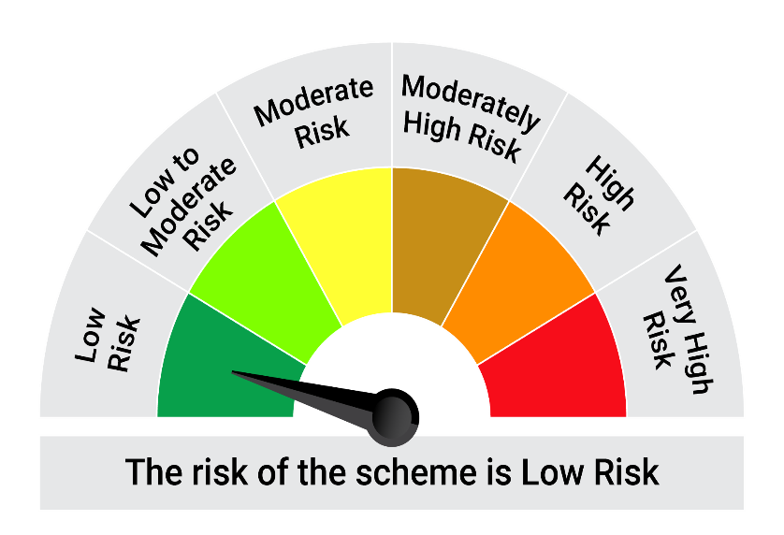
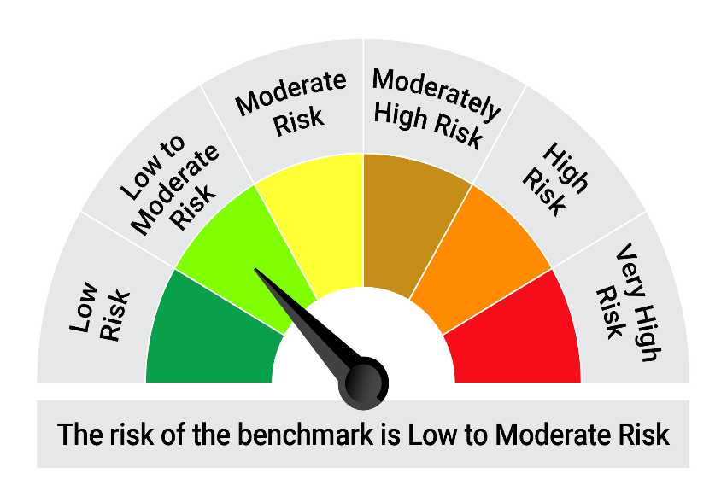

 | The Risk Level of the Scheme in scheme Risk O Meter is basis it's portfolio as on March 31, 2025 |  | The Risk Level of the Benchmark Index in the Risk O Meter is basis it's constituents as on March 31, 2025

 | Potential Risk Class Matrix - Quantum Liquid Fund
 | Credit Risk → | Relatively Low | Moderate | Relatively High
 | Interest Rate Risk ↓ | (Class A) | (Class B) | (Class C)
 | Relatively Low (Class I) | A-I
 | Moderate (Class II)
 | Relatively High (Class III)

QGF
Quantum Mutual Fund

Quantum Asset Management Company Private Ltd
Registered Office: 1st Floor, Apeejay House, 3 Dinshaw Vachha Road, Backbay Reclamation, Churchgate, Mumbai - 400020, Maharashtra, India
Toll Free Helpline.: 1800 22 3863 | Tel No.: 91-22-61447800 | E-mail: CustomerCare@QuantumAMC.com | Website: www.QuantumAMC.com

Quantum Gold Fund (An Open Ended Scheme Replicating/Tracking Gold)

Monthly Portfolio Statement of the Quantum Gold Fund for the period ended March 31, 2025

Sr.No. | Name of Instrument | Quantity | Market/ Fair Value ( Rs. in Lakhs) | % to NAV | Annualised Yield to Maturity

 | GOLD

1 | GOLD .995 Purity 1KG BAR at Mumbai Location | 305 | 27,628.29 | 92.34%
2 | GOLD .995 Purity 1KG BAR at Ahmedabad Location | 18 | 1,630.52 | 5.45%
3 | GOLD .999 Purity 100 Gram BAR at Ahmedabad Location | 23 | 209.19 | 0.70%
4 | GOLD .999 Purity 100 Gram BAR at Mumbai Location | 20 | 181.90 | 0.61%

 | Total of Gold |  | 29,649.90 | 99.10%

 | MONEY MARKET INSTRUMENTS

a) | Treasury Bills (T-Bill) |  | NIL | NIL

b) | Commercial Papers (CP) |  | NIL | NIL

c) | Certificate of Deposits (CD) |  | NIL | NIL

d) | TREPS ^ |  | 13.71 | 0.05% | 6.76%

 | Total of Money Market Instruments |  | 13.71 | 0.05%

 | OTHERS
 | Net Receivable/(payable) |  | 255.74 | 0.85%

 | Grand Total |  | 29,919.35 | 100.00%

 | Notes:
(1) | The provisions made for investment in security below investment grade as on March 31, 2025 is NIL & its percentage to NAV is NIL.
(2) | Per unit Net Asset Value as on March 31, 2025 (Rs) 75.7069
(3) | Bonus declared during the period ended March 31, 2025 - NIL
(4) | Total outstanding exposure in derivative instruments as on March 31, 2025 - NIL
(5) | Total Market value of investments in Foreign Securities/American Depository Receipts/Global Depository Receipts as on March 31, 2025 - NIL
(6) | The Face Value per unit is Rs.2
(7) | Investment in Fixed Deposits - NIL
(8) | Total Commission for the month ended March 31, 2025 - NIL
(9) | Total Brokerage for Buying/ Selling of Investments for the month ended March 31, 2025 is NIL
(10) | Details of Repo in Corporate Debt Securities as on March 31, 2025 is NIL
^ | Cash & Cash Equivalents



 | Riskometer of the Scheme |  | Domestic Price of Physical Gold Tier 1 Benchmark Riskometer
 | High Risk |  | High Risk

 | The Risk Level of the Scheme in scheme Risk O Meter is basis it's portfolio as on March 31, 2025 |  | The Risk Level of the Benchmark Index in the Risk O Meter is basis it's constituents as on March 31, 2025

QMAFOF
Quantum Mutual Fund

Quantum Asset Management Company Private Ltd
Registered Office: 1st Floor, Apeejay House, 3 Dinshaw Vachha Road, Backbay Reclamation, Churchgate, Mumbai - 400020, Maharashtra, India
Toll Free Helpline.: 1800 22 3863 | Tel No.: 91-22-61447800 | E-mail: CustomerCare@QuantumAMC.com | Website: www.QuantumAMC.com

Quantum Multi Asset Fund of Funds (An Open Ended Fund of Funds SchemeInvesting in schemes of QuantumMutual Fund)

Monthly Portfolio Statement of the Quantum Multi Asset Fund of Funds for the period ended March 31, 2025

Sr.No. | Name of Instrument | ISIN | Quantity | Market/ Fair Value ( Rs. in Lakhs) | % to NAV | Annualised Yield to Maturity

 | MUTUAL FUND UNITS

1 | Quantum Dynamic Bond Fund - Direct Plan - Growth Option* | INF082J01176 | 8,644,805 | 1,851.54 | 29.87%
2 | Quantum Liquid Fund - Direct Plan Growth Option* | INF082J01127 | 2,768,353 | 960.39 | 15.49%
3 | Quantum Long Term Equity Value Fund - Direct Plan - Growth Option* | INF082J01036 | 361,558 | 444.50 | 7.17%
4 | Quantum ESG Best In Class Strategy Fund - Direct Plan Growth Option* | INF082J01382 | 1,781,221 | 418.05 | 6.74%

 | Total of Mutual Fund Units |  |  | 3,674.48 | 59.27%

 | EXCHANGE TRADED FUND UNITS

1 | Quantum Nifty 50 ETF* | INF082J01028 | 53,093 | 1,356.00 | 21.87%
2 | Quantum Gold Fund -Exchange Traded Fund (ETF)* | INF082J01408 | 1,240,886 | 919.87 | 14.84%

 | Total of Exchange Traded Fund Units |  |  | 2,275.87 | 36.71%

 | Total ( MUTUAL FUND UNITS and EXCHANGE TRADED FUND UNITS) |  |  | 5,950.35 | 95.98%

 | MONEY MARKET INSTRUMENTS

a) | Treasury Bills (T-Bill) |  |  | NIL | NIL | NIL

b) | Commercial Papers (CP) |  |  | NIL | NIL | NIL

c) | Certificate of Deposits (CD) |  |  | NIL | NIL | NIL

d) | TREPS ^ |  |  | 262.27 | 4.23% | 6.76%

 | Total of Money Market Instruments |  |  | 262.27 | 4.23%

 | OTHERS
 | Net Receivable/(payable) |  |  | -13.36 | -0.21%

 | Grand Total |  |  | 6,199.26 | 100.00%

 | Notes:
(1) | The provisions made for investment in security below investment grade as on March 31, 2025 is NIL & its percentage to NAV is NIL.
(2) | Option wise per unit Net Asset Value are as follows:
 | Option | As on March 31, 2025 (Rs.)
 | Direct Plan Dir Growth | 33.0727
 | Regular Plan Growth Option | 32.3548
(3) | Bonus declared during the period ended March 31, 2025 - NIL
(4) | Total outstanding exposure in derivative instruments as on March 31, 2025 - NIL
(5) | Total Market value of investments in Foreign Securities/American Depository Receipts/Global Depository Receipts as on March 31, 2025 - NIL
(6) | The Face Value per unit is Rs.10
(7) | Investment in Fixed Deposits - NIL
(8) | Total Commission for the month ended March 31, 2025 - Rs.14,293.
(9) | Total Brokerage for Buying/ Selling of Investments for the month ended March 31, 2025 is NIL
(10) | Details of Repo in Corporate Debt Securities as on March 31, 2025 is NIL
* | Top ten holdings
^ | Cash & Cash Equivalents

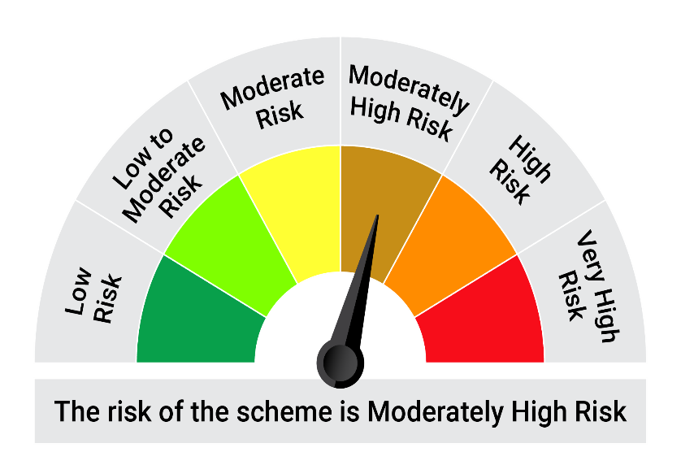

 | Riskometer of the Scheme |  | CRISIL Dynamic Bond A-III Index (20%) + CRISIL Liquid Debt A-I Index (25%) + Nifty 50 TRI (40%) + Domestic price of Gold (15%) Tier 1 Benchmark Riskometer
 | Moderately High Risk |  | Moderately High Risk

 | The Risk Level of the Scheme in scheme Risk O Meter is basis it's portfolio as on March 31, 2025 |  | The Risk Level of the Benchmark Index in the Risk O Meter is basis it's constituents as on March 31, 2025

QDBF
Quantum Mutual Fund

Quantum Asset Management Company Private Ltd
Registered Office: 1st Floor, Apeejay House, 3 Dinshaw Vachha Road, Backbay Reclamation, Churchgate, Mumbai - 400020, Maharashtra, India
Toll Free Helpline.: 1800 22 3863 | Tel No.: 91-22-61447800 | E-mail: CustomerCare@QuantumAMC.com | Website: www.QuantumAMC.com

Quantum Dynamic Bond Fund (An Open-ended Dynamic Debt Scheme Investing Across Duration. A relatively high interest rate risk and relatively low credit risk)

Monthly Portfolio Statement of the Quantum Dynamic Bond Fund for the period ended March 31, 2025

Sr.No. | Name of Instrument | ISIN | Rating | Quantity | Market/ Fair Value ( Rs. in Lakhs) | % to NAV | Annualised Yield to Maturity | ~YTC (AT1/Tier 2 bonds)

 | DEBT INSTRUMENTS

a) | Listed /Awaiting listing on Stock Exchanges

i) | Bonds

1 | 8.95% Power Fin Corp Ltd SR 178 NCD (MD 10/10/28)** | INE134E08JQ3 | CRISIL AAA | 50 | 525.41 | 3.94% | 7.24%
2 | 7.68% NABARD Sr 24F NCD (MD 30/04/2029)** | INE261F08EG3 | CRISIL AAA | 500 | 508.48 | 3.81% | 7.18%
3 | 7.34% SIDBI NCD Ser III (MD 26/02/2029)** | INE556F08KS8 | CRISIL AAA | 500 | 502.48 | 3.77% | 7.19%
4 | 6.9% IRFC Ltd NCD (MD 05/06/2035)** | INE053F07CD7 | CRISIL AAA | 50 | 493.65 | 3.70% | 7.08%

 | Total of Bonds |  |  |  | 2,030.02 | 15.22%

ii) | Government Securities

1 | 7.34% GOI (MD 22/04/2064) | IN0020240035 | SOV | 3,500,000 | 3,683.87 | 27.62% | 7.07%
2 | 7.3% GOI (MD 19/06/2053) | IN0020230051 | SOV | 2,000,400 | 2,096.67 | 15.72% | 7.03%
3 | 6.92% GOI (MD 18/11/2039) | IN0020240134 | SOV | 2,000,000 | 2,043.07 | 15.32% | 6.80%
4 | 7.1% GOI (MD 08/04/2034) | IN0020240019 | SOV | 1,000,000 | 1,032.61 | 7.74% | 6.72%
5 | 6.79% GOI (MD 07/10/2034) | IN0020240126 | SOV | 300,000 | 304.42 | 2.28% | 6.69%

 | Total of Government Securities |  |  |  | 9,160.64 | 68.68%

iii) | State Government Securities

1 | 7.22% Tamilnadu SDL (MD 15/01/2035)** | IN3120240491 | SOV | 1,000,000 | 1,019.86 | 7.65% | 7.06%
2 | 7.7% Maharashtra SDL (MD 08/11/2034)** | IN2220230147 | SOV | 500,000 | 525.67 | 3.94% | 7.08%

 | Total of State Government Securities |  |  |  | 1,545.53 | 11.59%

b) | Privately Placed/Unlisted |  |  |  | NIL | NIL | NIL

c) | Securitized Debt Instruments |  |  |  | NIL | NIL | NIL

 | Total of Debt Instruments |  |  |  | 12,736.19 | 95.49%

 | MONEY MARKET INSTRUMENTS

a) | Treasury Bills (T-Bill) |  |  |  | NIL | NIL | NIL

b) | Commercial Papers (CP) |  |  |  | NIL | NIL | NIL

c) | Certificate of Deposits (CD) |  |  |  | NIL | NIL | NIL

d) | TREPS ^ |  |  |  | 132.32 | 0.99% | 6.70%

 | Total of Money Market Instruments |  |  |  | 132.32 | 0.99%

 | OTHERS
1 | Corporate Debt Market Development Fund Class A2 | INF0RQ622028 |  | 322 | 35.54 | 0.27%

 | Net Receivable/(payable) |  |  |  | 434.17 | 3.25%

 | Grand Total |  |  |  | 13,338.22 | 100.00%

 | Portfolio Information
 | Scheme Name : | Quantum Dynamic Bond Fund
 | Description (if any)
 | Annualised Portfolio YTM* : | 6.90%
 | Macaulay Duration | 9.49 Years
 | Residual Maturity | 20.96 Years
 | As on (Date) | 31-03-2025
 | * in case of semi annual YTM, it will be annualised

 | Notes:
(1) | The provisions made for investment in security below investment grade as on March 31, 2025 is NIL & its percentage to NAV is NIL.
(2) | Option wise per unit Net Asset Value are as follows:
 | Option | As on March 31, 2025 (Rs.)
 | Direct Plan Mthly IDCW | 10.4116
 | Direct Plan Growth Option | 21.4179
 | Regular Plan Mthly IDCW | 10.4756
 | Regular Plan Growth Option | 21.1044

(3) | IDCW declared during the period ended March 31, 2025
 |  | Gross IDCW per unit (Rs.)
 |  | Individual / Non Individual
 | Direct Plan Mthly IDCW | 0.06489824
 | Regular Plan Mthly IDCW | 0.05951620
 | IDCW declared was on the face value of Rs.10 per unit. Past performance may or may not be sustained in future. After payment of the IDCW, the per unit NAV falls to the extent of pay out and statutory levy, if any.TDS as applicable is being deducted from Gross IDCW as per Finance Act 2020 & investor will receive the Net IDCW.
(4) | Bonus declared during the period ended March 31, 2025 - NIL
(5) | Total outstanding exposure in derivative instruments as on March 31, 2025 - NIL
(6) | Total Market value of investments in Foreign Securities/American Depository Receipts/Global Depository Receipts as on March 31, 2025 - NIL
(7) | The Face Value per unit is Rs.10
(8) | Investment in Fixed Deposits - NIL
(9) | Total Commission for the month ended March 31, 2025 - Rs.19,996.
(10) | Total Brokerage for Buying/ Selling of Investments for the month ended March 31, 2025 is NIL
(11) | Details of Repo in Corporate Debt Securities as on March 31, 2025 is NIL
(12) | Investments in Credit Default Swap (CDS) during the month/as on March 31, 2025 is NIL.
(13) | Total number of instances of deviation in valuation of securities of the scheme from the valuation price given by the valuation agencies during the period are: NIL.
 | IDCW stands for Income Distribution cum Capital Withdrawal
~ | YTC i.e. Yield to Call is disclosed at security level only for Additional Tier 1 Bonds and Tier 2 Bonds issued by Banks as per AMFI Best Practices Notification 135/BP/91/2020-21 read with SEBI circular SEBI/HO/IMD/DF4/CIR/P/2021/034
** | Non Traded Securities as per traded data obtain from FIMMDA trading platform/ NSE/ BSE/CCIL NDS-OM
^ | Cash & Cash Equivalents

 | Riskometer of the Scheme |  | CRISIL Dynamic Bond A-III Index Tier 1 Benchmark Riskometer
 | Moderate Risk |  | Moderate Risk




 | The Risk Level of the Scheme in scheme Risk O Meter is basis it's portfolio as on March 31, 2025 |  | The Risk Level of the Benchmark Index in the Risk O Meter is basis it's constituents as on March 31, 2025

 | Potential Risk Class Matrix - Quantum Dynamic Bond Fund
 | Credit Risk → | Relatively Low | Moderate | Relatively High
 | Interest Rate Risk ↓ | (Class A) | (Class B) | (Class C)
 | Relatively Low (Class I)
 | Moderate (Class II)
 | Relatively High (Class III) | A-III

