QLTEVF
Quantum Mutual Fund

Quantum Asset Management Company Private Limited
Registered Office: 1st Floor, Apeejay House, 3 Dinshaw Vachha Road, Backbay Reclamation, Churchgate, Mumbai - 400020, Maharashtra, India
Toll Free Helpline.: 1800 22 3863 | Tel No.: 91-22-61447800 | E-mail: CustomerCare@QuantumAMC.com | Website: www.QuantumAMC.com

Quantum Long Term Equity Value Fund (An Open Ended Equity Schemefollowing a Value Investment Strategy)

Monthly Portfolio Statement of the Quantum Long Term Equity Value Fund for the period ended August 31, 2024

Sr.No. | Name of Instrument | ISIN | Industry +/ Rating | Quantity | Market/ Fair Value ( Rs. in Lakhs) | % to NAV | Annualised Yield to Maturity

 | EQUITY & EQUITY RELATED

a) | Listed /Awaiting listing on Stock Exchanges

1 | HDFC Bank Ltd* | INE040A01034 | Banks | 545,317 | 8,926.29 | 7.31%
2 | ICICI Bank Ltd* | INE090A01021 | Banks | 580,810 | 7,139.32 | 5.85%
3 | Infosys Ltd* | INE009A01021 | IT - Software | 350,264 | 6,808.08 | 5.58%
4 | Bharti Airtel Ltd* | INE397D01024 | Telecom - Services | 336,984 | 5,354.84 | 4.39%
5 | Crompton Greaves Consumer Electricals Ltd* | INE299U01018 | Consumer Durables | 1,065,567 | 5,083.29 | 4.17%
6 | State Bank of India* | INE062A01020 | Banks | 583,209 | 4,756.65 | 3.90%
7 | ICICI Prudential Life Insurance Company Ltd* | INE726G01019 | Insurance | 627,270 | 4,724.28 | 3.87%
8 | Wipro Ltd* | INE075A01022 | IT - Software | 796,233 | 4,286.92 | 3.51%
9 | Eicher Motors Ltd* | INE066A01021 | Automobiles | 85,815 | 4,256.85 | 3.49%
10 | Tech Mahindra Ltd* | INE669C01036 | IT - Software | 253,329 | 4,145.73 | 3.40%
11 | Tata Consultancy Services Ltd | INE467B01029 | IT - Software | 87,380 | 3,979.07 | 3.26%
12 | Cipla Ltd | INE059A01026 | Pharmaceuticals & Biotechnology | 229,823 | 3,803.34 | 3.12%
13 | Kotak Mahindra Bank Ltd | INE237A01028 | Banks | 211,412 | 3,764.82 | 3.08%
14 | LIC Housing Finance Ltd | INE115A01026 | Finance | 543,646 | 3,666.35 | 3.00%
15 | ICICI Lombard General Insurance Company Ltd | INE765G01017 | Insurance | 130,317 | 2,791.06 | 2.29%
16 | Nuvoco Vistas Corporation Ltd | INE118D01016 | Cement & Cement Products | 790,828 | 2,687.23 | 2.20%
17 | IndusInd Bank Ltd | INE095A01012 | Banks | 187,845 | 2,677.26 | 2.19%
18 | Axis Bank Ltd | INE238A01034 | Banks | 227,089 | 2,668.86 | 2.19%
19 | Gujarat State Petronet Ltd | INE246F01010 | Gas | 601,575 | 2,662.57 | 2.18%
20 | Aditya Birla Sun Life AMC Ltd | INE404A01024 | Capital Markets | 330,798 | 2,474.70 | 2.03%
21 | Bajaj Auto Ltd | INE917I01010 | Automobiles | 21,885 | 2,383.62 | 1.95%
22 | Tata Steel Ltd | INE081A01020 | Ferrous Metals | 1,524,589 | 2,328.96 | 1.91%
23 | Hero MotoCorp Ltd | INE158A01026 | Automobiles | 42,098 | 2,296.61 | 1.88%
24 | Mahindra & Mahindra Ltd | INE101A01026 | Automobiles | 81,767 | 2,293.89 | 1.88%
25 | GAIL (India) Ltd | INE129A01019 | Gas | 917,481 | 2,180.76 | 1.79%
26 | Shriram Finance Ltd | INE721A01013 | Finance | 66,415 | 2,128.27 | 1.74%
27 | ICICI Securities Ltd | INE763G01038 | Capital Markets | 247,482 | 2,038.39 | 1.67%
28 | Lupin Ltd | INE326A01037 | Pharmaceuticals & Biotechnology | 78,824 | 1,765.82 | 1.45%
29 | Exide Industries Ltd | INE302A01020 | Auto Components | 180,853 | 891.42 | 0.73%

b) | Unlisted |  |  |  | NIL | NIL | NIL

 | Total of all Equity |  |  |  | 104,965.25 | 86.01%

 | MONEY MARKET INSTRUMENTS

a) | Treasury Bills (T-Bill)

1 | 364 Days Tbill (MD 03/04/2025) | IN002024Z016 | SOV | 50,000 | 48.11 | 0.04% | 6.71%

 | Total of T-Bill |  |  |  | 48.11 | 0.04%

b) | Commercial Papers (CP) |  |  |  | NIL | NIL | NIL

c) | Certificate of Deposits (CD) |  |  |  | NIL | NIL | NIL

d) | TREPS ^ |  |  |  | 17,023.15 | 13.95% | 6.48%

 | Total of Money Market Instruments |  |  |  | 17,071.26 | 13.99%

 | OTHERS
 | Net Receivable/(payable) |  |  |  | 10.13 | 0.00%

 | Grand Total |  |  |  | 122,046.64 | 100.00%

 | Notes:
(1) | The provisions made for investment in security below investment grade as on August 31, 2024 is NIL & its percentage to NAV is NIL.
(2) | Total value and Percentage of illiquid Equity shares - NIL
(3) | Option wise per unit Net Asset Value are as follows:
 | Option | As on August 30, 2024 (Rs.)
 | Direct Plan IDCW | 133.76
 | Direct Plan Growth Option | 132.62
 | Regular Plan IDCW | 128.78
 | Regular Plan Growth Option | 128.05
(4) | IDCW declared during the period ended August 31, 2024 - NIL
(5) | Bonus declared during the period ended August 31, 2024 - NIL
(6) | Total outstanding exposure in derivative instruments as on August 31, 2024 - NIL
(7) | Total Market value of investments in Foreign Securities/American Depository Receipts/Global Depository Receipts as on August 31, 2024 - NIL
(8) | The Face Value per unit is Rs.10
(9) | Portfolio Turnover Ratio (Last One Year) is 12.20%
(10) | Investment in Fixed Deposits - NIL
(11) | Total Commission for the month ended August 31, 2024 - Rs.3,17,070.00
(12) | Total Brokerage for Buying/ Selling of Investments for the month ended August 31, 2024 is Rs.3,81,253.00
(13) | Details of Repo in Corporate Debt Securities as on August 31, 2024 is NIL
(14) | Total number of instances of deviation in valuation of securities of the scheme from the valuation price given by the valuation agencies during the period are: NIL.
* | Top ten holdings
^ | Cash & Cash Equivalents
** | Non Traded Securities as per traded data obtain from FIMMDA trading platform/ NSE/ BSE/CCIL NDS-OM
+ | Industry Classification as recommeded by AMFI

 | Riskometer of the Scheme |  | BSE 500 TRI Tier 1 Benchmark Riskometer
 | Very High |  | Very High
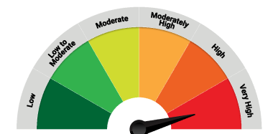
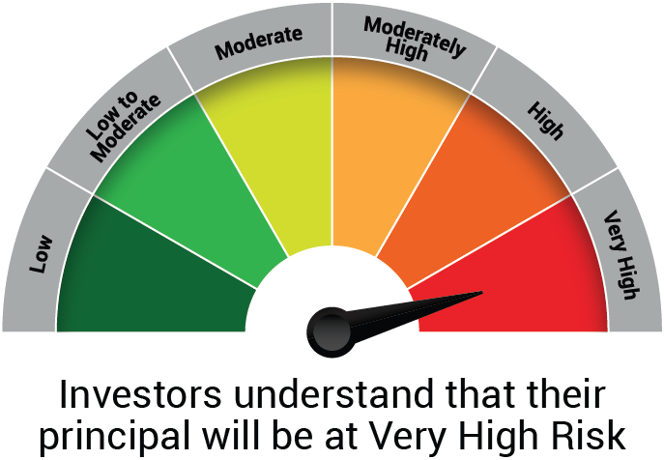

 | The Risk Level of the Scheme in scheme Risk O Meter is basis it's portfolio as on August 31, 2024 |  | The Risk Level of the Benchmark Index in the Risk O Meter is basis it's constituents as on August 31, 2024

 | BSE 200 TRI Tier 2 Benchmark Riskometer
 | Very High

 | The Risk Level of the Benchmark Index in the Risk O Meter is basis it's constituents as on August 31, 2024

QLF
Quantum Mutual Fund

Quantum Asset Management Company Private Limited
Registered Office: 1st Floor, Apeejay House, 3 Dinshaw Vachha Road, Backbay Reclamation, Churchgate, Mumbai - 400020, Maharashtra, India
Toll Free Helpline.: 1800 22 3863 | Tel No.: 91-22-61447800 | E-mail: CustomerCare@QuantumAMC.com | Website: www.QuantumAMC.com

Quantum Liquid Fund (An Open-ended Liquid Scheme.A relatively low interest rate risk andrelatively low credit risk)

Monthly Portfolio Statement of the Quantum Liquid Fund for the period ended August 31, 2024

Sr.No. | Name of Instrument | ISIN | Rating | Quantity | Market/ Fair Value ( Rs. in Lakhs) | % to NAV | Annualised Yield to Maturity | ~YTC (AT1/Tier 2 bonds)

 | DEBT INSTRUMENTS

a) | Listed /Awaiting listing on Stock Exchanges

i) | Bonds

1 | 7.49% Power Grid Corp Sr LXIV St A NCD(25/10/2024)** | INE752E08593 | CRISIL AAA | 1,334 | 3,999.55 | 7.50% | 7.44%
2 | 7.42% Power Fin Corp Ltd NCD Sr 192 (MD19/11/2024)** | INE134E08KH0 | CRISIL AAA | 250 | 2,498.24 | 4.68% | 7.33%

 | Total of Bonds |  |  |  | 6,497.79 | 12.18%

ii) | Government Securities |  |  |  | NIL | NIL | NIL

iii) | State Government Securities

1 | 8.94% Gujarat SDL (MD 24/09/2024)** | IN1520140022 | SOV | 2,381,300 | 2,384.46 | 4.47% | 6.69%

 | Total of State Government Securities |  |  |  | 2,384.46 | 4.47%

b) | Privately Placed/Unlisted |  |  |  | NIL | NIL | NIL

c) | Securitized Debt Instruments |  |  |  | NIL | NIL | NIL

 | Total of Debt Instruments |  |  |  | 8,882.25 | 16.65%

 | MONEY MARKET INSTRUMENTS

a) | Treasury Bills (T-Bill)

1 | 182 Days Tbill (MD 24/10/2024) | IN002024Y043 | SOV | 5,000,000 | 4,952.63 | 9.29% | 6.59%
2 | 91 Days Tbill (MD 10/10/2024)** | IN002024X169 | SOV | 4,500,000 | 4,468.49 | 8.38% | 6.60%
3 | 91 Days Tbill (MD 18/10/2024)** | IN002024X177 | SOV | 4,000,000 | 3,966.26 | 7.44% | 6.61%
4 | 91 Days Tbill (MD 24/10/2024)** | IN002024X185 | SOV | 2,000,000 | 1,981.05 | 3.71% | 6.59%

 | Total of T-Bill |  |  |  | 15,368.43 | 28.82%

b) | Commercial Papers (CP)

1 | Export Import Bank of India CP (MD 22/10/2024)** | INE514E14RX3 | CRISIL A1+ | 1,000 | 4,949.96 | 9.28% | 7.23%
2 | National Housing Bank CP (MD 26/09/2024)** | INE557F14FJ3 | CRISIL A1+ | 500 | 2,488.08 | 4.66% | 6.99%
3 | National Bank For Agri & Rural CP (MD 08/11/2024)** | INE261F14MG4 | CRISIL A1+ | 500 | 2,466.46 | 4.62% | 7.30%

 | Total of CPs |  |  |  | 9,904.50 | 18.56%

c) | Certificate of Deposits (CD)

1 | Punjab National Bank CD (MD 25/10/2024)** | INE160A16PL7 | CARE A1+ | 1,000 | 4,947.16 | 9.28% | 7.22%
2 | Bank of Baroda CD (MD 28/10/2024)** | INE028A16FX2 | IND A1+ | 1,000 | 4,944.26 | 9.27% | 7.22%
3 | Canara Bank CD (MD 20/09/2024)** | INE476A16YP0 | CRISIL A1+ | 500 | 2,490.99 | 4.67% | 6.95%
4 | Canara Bank CD (MD 25/10/2024) | INE476A16YU0 | CRISIL A1+ | 500 | 2,473.72 | 4.64% | 7.18%

 | Total of CDs |  |  |  | 14,856.13 | 27.86%

d) | TREPS ^ |  |  |  | 3,568.58 | 6.69% | 6.48%

 | Total of Money Market Instruments |  |  |  | 43,697.64 | 81.93%

 | OTHERS
1 | Corporate Debt Market Development Fund Class A2 | INF0RQ622028 |  | 1,534 | 159.05 | 0.30%

 | Net Receivable/(payable) |  |  |  | 598.11 | 1.12%

 | Grand Total |  |  |  | 53,337.04 | 100.00%

 | Portfolio Information
 | Scheme Name : | Quantum Liquid Fund
 | Description (if any)
 | Annualised Portfolio YTM* : | 6.95%
 | Macaulay Duration | 45 Days
 | Residual Maturity | 47 Days
 | As on (Date) | 31-08-2024
 | * in case of semi annual YTM, it will be annualised

 | Notes:
(1) | The provisions made for investment in security below investment grade as on August 31, 2024 is NIL & its percentage to NAV is NIL.
(2) | Total value and percentage of illiquid securities - NIL.
(3) | Option wise per unit Net Asset Value are as follows:
 | Option | As on August 31, 2024 (Rs.)
 | Direct Plan Daily IDCW | 10.0085
 | Direct Plan Monthly IDCW | 10.0181
 | Direct Plan Growth Option | 33.3563
 | Regular Plan Dly IDCW | 10.0002
 | Regular Plan Mthly IDCW | 10.0156
 | Regular Plan Growth Option | 33.1509
 | Unclaimed IDCW Plan Above 3 years | 10.0000
 | Unclaimed IDCW Plan Below 3 years | 10.4876
 | Unclaimed Redemption Plan Above 3 years | 10.0000
 | Unclaimed Redemption Plan Below 3 years | 10.0862
(4) | IDCW declared during the period ended August 31, 2024
 |  | Gross IDCW per unit (Rs.)
 |  | Individual / Non Individual
 | Direct Plan Daily IDCW | 0.05624996
 | Direct Plan Monthly IDCW | 0.05817751
 | Regular Plan Dly IDCW | 0.05540124
 | Regular Plan Mthly IDCW | 0.05740496
 | IDCW declared was on the face value of Rs.10 per unit. Past performance may or may not be sustained in future. After payment of the IDCW, the per unit NAV falls to the extent of pay out and statutory levy, if any.TDS as applicable is being deducted from Gross IDCW as per Finance Act 2020 & investor will receive the Net IDCW.
(5) | Bonus declared during the period ended August 31, 2024 - NIL
(6) | Total outstanding exposure in derivative instruments as on August 31, 2024 - NIL
(7) | Total Market value of investments in Foreign Securities/American Depository Receipts/Global Depository Receipts as on August 31, 2024 - NIL
(8) | The Face Value per unit is Rs.10
(9) | Investment in Fixed Deposits - NIL
(10) | Total Commission for the month ended August 31, 2024 - Rs.14,734.00
(11) | Total Brokerage for Buying/ Selling of Investments for the month ended August 31, 2024 is Rs.6,500.00
(12) | Details of Repo in Corporate Debt Securities as on August 31, 2024 is NIL
(13) | Total number of instances of deviation in valuation of securities of the scheme from the valuation price given by the valuation agencies during the period are: NIL.
(14) | Investments in Credit Default Swap (CDS) during the month/as on August 31, 2024 is NIL.
(15) | Quantum Liquid Fund Aum of Rs.533.37 Crores includes amount payable to investors on account of Unclaimed Dividend below 3 years amounting to Rs. 0.02 Crores & Unclaimed Redemption below 3 years amounting to Rs. 0.05 Crores.
~ | YTC i.e. Yield to Call is disclosed at security level only for Additional Tier 1 Bonds and Tier 2 Bonds issued by Banks as per AMFI Best Practices Notification 135/BP/91/2020-21 read with SEBI circular SEBI/HO/IMD/DF4/CIR/P/2021/034
** | Non Traded Securities as per traded data obtain from FIMMDA trading platform/ NSE/ BSE/CCIL NDS-OM
^ | Cash & Cash Equivalents

 | Riskometer of the Scheme |  | CRISIL Liquid Debt A-I Index Tier 1 Benchmark Riskometer
 | Low |  | Low to Moderate
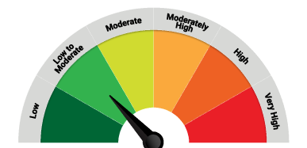
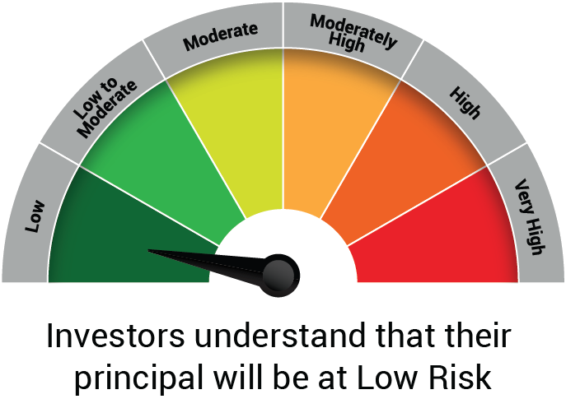

 | The Risk Level of the Scheme in scheme Risk O Meter is basis it's portfolio as on August 31, 2024 |  | The Risk Level of the Benchmark Index in the Risk O Meter is basis it's constituents as on August 31, 2024

 | Potential Risk Class Matrix - Quantum Liquid Fund
 | Credit Risk → | Relatively Low | Moderate | Relatively High
 | Interest Rate Risk ↓ | (Class A) | (Class B) | (Class C)
 | Relatively Low (Class I) | A-I
 | Moderate (Class II)
 | Relatively High (Class III)

QGF
Quantum Mutual Fund

Quantum Asset Management Company Private Limited
Registered Office: 1st Floor, Apeejay House, 3 Dinshaw Vachha Road, Backbay Reclamation, Churchgate, Mumbai - 400020, Maharashtra, India
Toll Free Helpline.: 1800 22 3863 | Tel No.: 91-22-61447800 | E-mail: CustomerCare@QuantumAMC.com | Website: www.QuantumAMC.com

Quantum Gold Fund (An Open Ended Scheme Replicating/Tracking Gold)

Monthly Portfolio Statement of the Quantum Gold Fund for the period ended August 31, 2024

Sr.No. | Name of Instrument | Quantity | Market/ Fair Value ( Rs. in Lakhs) | % to NAV | Annualised Yield to Maturity

 | GOLD

1 | GOLD .995 Purity 1KG BAR at Mumbai Location | 270 | 19,363.67 | 91.79%
2 | GOLD .995 Purity 1KG BAR at Ahmedabad Location | 15 | 1,075.76 | 5.10%
3 | GOLD .999 Purity 100 Gram BAR at Ahmedabad Location | 45 | 324.04 | 1.54%
4 | GOLD .999 Purity 100 Gram BAR at Mumbai Location | 20 | 144.02 | 0.68%

 | Total of Gold |  | 20,907.49 | 99.11%

 | MONEY MARKET INSTRUMENTS

a) | Treasury Bills (T-Bill) |  | NIL | NIL | NIL

b) | Commercial Papers (CP) |  | NIL | NIL | NIL

c) | Certificate of Deposits (CD) |  | NIL | NIL | NIL

d) | TREPS ^ |  | 2.19 | 0.01% | 6.68%

 | Total of Money Market Instruments |  | 2.19 | 0.01%

 | OTHERS
 | Net Receivable/(payable) |  | 185.06 | 0.88%

 | Grand Total |  | 21,094.74 | 100.00%

 | Notes:
(1) | The provisions made for investment in security below investment grade as on August 31, 2024 is NIL & its percentage to NAV is NIL.
(2) | Per unit Net Asset Value as on August 30, 2024 (Rs) 60.2774
(3) | Bonus declared during the period ended August 31, 2024 - NIL
(4) | Total outstanding exposure in derivative instruments as on August 31, 2024 - NIL
(5) | Total Market value of investments in Foreign Securities/American Depository Receipts/Global Depository Receipts as on August 31, 2024 - NIL
(6) | The Face Value per unit is Rs.2
(7) | Investment in Fixed Deposits - NIL
(8) | Total Commission for the month ended August 31, 2024 - NIL
(9) | Total Brokerage for Buying/ Selling of Investments for the month ended August 31, 2024 is NIL
(10) | Details of Repo in Corporate Debt Securities as on August 31, 2024 is NIL
^ | Cash & Cash Equivalents

 | Riskometer of the Scheme |  | Domestic Price of Physical Gold Tier 1 Benchmark Riskometer
 | High |  | High

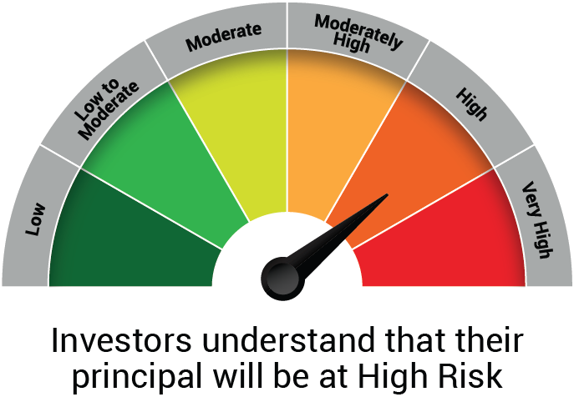
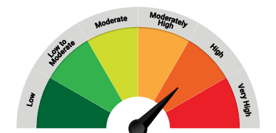

 | The Risk Level of the Scheme in scheme Risk O Meter is basis it's portfolio as on August 31, 2024 |  | The Risk Level of the Benchmark Index in the Risk O Meter is basis it's constituents as on August 31, 2024

QMAFOF
Quantum Mutual Fund

Quantum Asset Management Company Private Limited
Registered Office: 1st Floor, Apeejay House, 3 Dinshaw Vachha Road, Backbay Reclamation, Churchgate, Mumbai - 400020, Maharashtra, India
Toll Free Helpline.: 1800 22 3863 | Tel No.: 91-22-61447800 | E-mail: CustomerCare@QuantumAMC.com | Website: www.QuantumAMC.com

Quantum Multi Asset Fund of Funds (An Open Ended Fund of Funds SchemeInvesting in schemes of QuantumMutual Fund)

Monthly Portfolio Statement of the Quantum Multi Asset Fund of Funds for the period ended August 31, 2024

Sr.No. | Name of Instrument | ISIN | Quantity | Market/ Fair Value ( Rs. in Lakhs) | % to NAV | Annualised Yield to Maturity

 | MUTUAL FUND UNITS

1 | Quantum Dynamic Bond Fund - Direct Plan - Growth Option* | INF082J01176 | 7,221,972 | 1,469.49 | 25.03%
2 | Quantum Liquid Fund - Direct Plan Growth Option* | INF082J01127 | 3,598,263 | 1,200.25 | 20.44%
3 | Quantum Long Term Equity Value Fund - Direct Plan - Growth Option* | INF082J01036 | 266,759 | 353.78 | 6.03%
4 | Quantum ESG Best In Class Strategy Fund - Direct Plan Growth Option* | INF082J01382 | 1,099,559 | 286.54 | 4.88%

 | Total of Mutual Fund Units |  |  | 3,310.06 | 56.38%

 | EXCHANGE TRADED FUND UNITS

1 | Quantum Nifty 50 ETF* | INF082J01028 | 63,431 | 1,728.44 | 29.44%
2 | Quantum Gold Fund -Exchange Traded Fund (ETF)* | INF082J01408 | 1,276,686 | 771.12 | 13.13%

 | Total of Exchange Traded Fund Units |  |  | 2,499.56 | 42.57%

 | Total ( MUTUAL FUND UNITS and EXCHANGE TRADED FUND UNITS) |  |  | 5,809.62 | 98.95%

 | MONEY MARKET INSTRUMENTS

a) | Treasury Bills (T-Bill) |  |  | NIL | NIL | NIL

b) | Commercial Papers (CP) |  |  | NIL | NIL | NIL

c) | Certificate of Deposits (CD) |  |  | NIL | NIL | NIL

d) | TREPS ^ |  |  | 66.42 | 1.13% | 6.68%

 | Total of Money Market Instruments |  |  | 66.42 | 1.13%

 | OTHERS
 | Net Receivable/(payable) |  |  | -4.82 | -0.08%

 | Grand Total |  |  | 5,871.22 | 100.00%

 | Notes:
(1) | The provisions made for investment in security below investment grade as on August 31, 2024 is NIL & its percentage to NAV is NIL.
(2) | Option wise per unit Net Asset Value are as follows:
 | Option | As on August 30, 2024 (Rs.)
 | Direct Plan Dir Growth | 32.2204
 | Regular Plan Growth Option | 31.5890
(3) | Bonus declared during the period ended August 31, 2024 - NIL
(4) | Total outstanding exposure in derivative instruments as on August 31, 2024 - NIL
(5) | Total Market value of investments in Foreign Securities/American Depository Receipts/Global Depository Receipts as on August 31, 2024 - NIL
(6) | The Face Value per unit is Rs.10
(7) | Investment in Fixed Deposits - NIL
(8) | Total Commission for the month ended August 31, 2024 - Rs.12,081.00
(9) | Total Brokerage for Buying/ Selling of Investments for the month ended August 31, 2024 is NIL
(10) | Details of Repo in Corporate Debt Securities as on August 31, 2024 is NIL
* | Top ten holdings
^ | Cash & Cash Equivalents

 | Riskometer of the Scheme |  | CRISIL Dynamic Bond A-III Index (20%) + CRISIL Liquid Debt A-I Index (25%) + Nifty 50 TRI (40%) + Domestic price of Gold (15%) Tier 1 Benchmark Riskometer
 | High |  | Moderately High
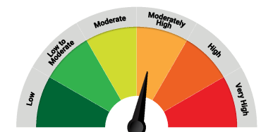

 | The Risk Level of the Scheme in scheme Risk O Meter is basis it's portfolio as on August 31, 2024 |  | The Risk Level of the Benchmark Index in the Risk O Meter is basis it's constituents as on August 31, 2024

QDBF
Quantum Mutual Fund

Quantum Asset Management Company Private Limited
Registered Office: 1st Floor, Apeejay House, 3 Dinshaw Vachha Road, Backbay Reclamation, Churchgate, Mumbai - 400020, Maharashtra, India
Toll Free Helpline.: 1800 22 3863 | Tel No.: 91-22-61447800 | E-mail: CustomerCare@QuantumAMC.com | Website: www.QuantumAMC.com

Quantum Dynamic Bond Fund (An Open-ended Dynamic Debt SchemeInvesting Across Duration. A relativelyhigh interest rate risk and relatively lowcredit risk)

Monthly Portfolio Statement of the Quantum Dynamic Bond Fund for the period ended August 31, 2024

Sr.No. | Name of Instrument | ISIN | Rating | Quantity | Market/ Fair Value ( Rs. in Lakhs) | % to NAV | Annualised Yield to Maturity | ~YTC (AT1/Tier 2 bonds)

 | DEBT INSTRUMENTS

a) | Listed /Awaiting listing on Stock Exchanges

i) | Bonds

1 | 7.68% NABARD Sr 24F NCD (MD 30/04/2029)** | INE261F08EG3 | CRISIL AAA | 500 | 503.32 | 4.88% | 7.49%
2 | 6.9% IRFC Ltd NCD (MD 05/06/2035)** | INE053F07CD7 | CRISIL AAA | 50 | 485.22 | 4.70% | 7.30%

 | Total of Bonds |  |  |  | 988.54 | 9.58%

ii) | Government Securities

1 | 7.32% GOI (MD 13/11/2030) | IN0020230135 | SOV | 4,500,000 | 4,611.11 | 44.70% | 6.94%
2 | 7.1% GOI (MD 08/04/2034) | IN0020240019 | SOV | 2,500,000 | 2,540.91 | 24.63% | 6.98%
3 | 7.3% GOI (MD 19/06/2053) | IN0020230051 | SOV | 1,000,400 | 1,037.30 | 10.06% | 7.12%

 | Total of Government Securities |  |  |  | 8,189.32 | 79.39%

iii) | State Government Securities

1 | 7.7% Maharashtra SDL (MD 08/11/2034)** | IN2220230147 | SOV | 500,000 | 516.70 | 5.01% | 7.36%

 | Total of State Government Securities |  |  |  | 516.70 | 5.01%

b) | Privately Placed/Unlisted |  |  |  | NIL | NIL | NIL

c) | Securitized Debt Instruments |  |  |  | NIL | NIL | NIL

 | Total of Debt Instruments |  |  |  | 9,694.56 | 93.98%

 | MONEY MARKET INSTRUMENTS

a) | Treasury Bills (T-Bill) |  |  |  | NIL | NIL | NIL

b) | Commercial Papers (CP) |  |  |  | NIL | NIL | NIL

c) | Certificate of Deposits (CD) |  |  |  | NIL | NIL | NIL

d) | TREPS ^ |  |  |  | 327.57 | 3.18% | 6.48%

 | Total of Money Market Instruments |  |  |  | 327.57 | 3.18%

 | OTHERS
1 | Corporate Debt Market Development Fund Class A2 | INF0RQ622028 |  | 248 | 25.69 | 0.25%

 | Net Receivable/(payable) |  |  |  | 268.28 | 2.59%

 | Grand Total |  |  |  | 10,316.10 | 100.00%

 | Portfolio Information
 | Scheme Name : | Quantum Dynamic Bond Fund
 | Description (if any)
 | Annualised Portfolio YTM* : | 6.92%
 | Macaulay Duration | 6.27 Years
 | Residual Maturity | 9.5 Years
 | As on (Date) | 31-08-2024
 | * in case of semi annual YTM, it will be annualised

 | Notes:
(1) | The provisions made for investment in security below investment grade as on August 31, 2024 is NIL & its percentage to NAV is NIL.
(2) | Option wise per unit Net Asset Value are as follows:
 | Option | As on August 30, 2024 (Rs.)
 | Direct Plan Mthly IDCW | 10.3735
 | Direct Plan Growth Option | 20.3475
 | Regular Plan Mthly IDCW | 10.4350
 | Regular Plan Growth Option | 20.1023
(3) | IDCW declared during the period ended August 31, 2024
 |  | Gross IDCW per unit (Rs.)
 |  | Individual / Non Individual
 | Direct Plan Mthly IDCW | 0.07828605
 | Regular Plan Mthly IDCW | 0.07471437
 | IDCW declared was on the face value of Rs.10 per unit. Past performance may or may not be sustained in future. After payment of the IDCW, the per unit NAV falls to the extent of pay out and statutory levy, if any.TDS as applicable is being deducted from Gross IDCW as per Finance Act 2020 & investor will receive the Net IDCW.
(4) | Bonus declared during the period ended August 31, 2024 - NIL
(5) | Total outstanding exposure in derivative instruments as on August 31, 2024 - NIL
(6) | Total Market value of investments in Foreign Securities/American Depository Receipts/Global Depository Receipts as on August 31, 2024 - NIL
(7) | The Face Value per unit is Rs.10
(8) | Investment in Fixed Deposits - NIL
(9) | Total Commission for the month ended August 31, 2024 - Rs.11,911.00
(10) | Total Brokerage for Buying/ Selling of Investments for the month ended August 31, 2024 is Rs.2,500.00
(11) | Details of Repo in Corporate Debt Securities as on August 31, 2024 is NIL
(12) | Total number of instances of deviation in valuation of securities of the scheme from the valuation price given by the valuation agencies during the period are: NIL.
~ | YTC i.e. Yield to Call is disclosed at security level only for Additional Tier 1 Bonds and Tier 2 Bonds issued by Banks as per AMFI Best Practices Notification 135/BP/91/2020-21 read with SEBI circular SEBI/HO/IMD/DF4/CIR/P/2021/034
** | Non Traded Securities as per traded data obtain from FIMMDA trading platform/ NSE/ BSE/CCIL NDS-OM
^ | Cash & Cash Equivalents

 | Riskometer of the Scheme |  | CRISIL Dynamic Bond A-III Index Tier 1 Benchmark Riskometer
 | Moderate |  | Moderate
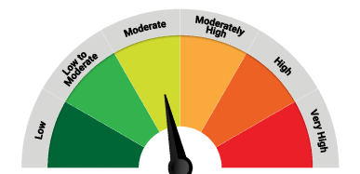
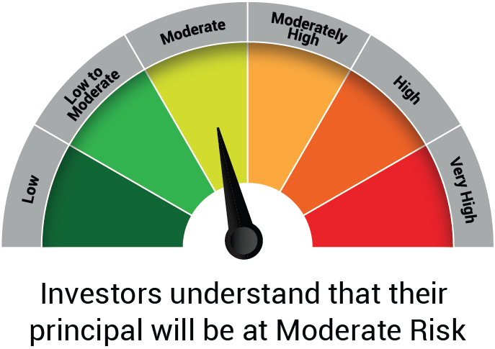

 | The Risk Level of the Scheme in scheme Risk O Meter is basis it's portfolio as on August 31, 2024 |  | The Risk Level of the Benchmark Index in the Risk O Meter is basis it's constituents as on August 31, 2024

 | Potential Risk Class Matrix - Quantum Dynamic Bond Fund
 | Credit Risk → | Relatively Low | Moderate | Relatively High
 | Interest Rate Risk ↓ | (Class A) | (Class B) | (Class C)
 | Relatively Low (Class I)
 | Moderate (Class II)
 | Relatively High (Class III) | A-III

