QLTEVF
Quantum Mutual Fund

Quantum Asset Management Company Private Limited
Registered Office: 6th Floor, Hoechst House, Nariman Point, Mumbai – 400021, Maharashtra, India
Toll Free Helpline.: 1800 22 3863 | Tel No.: 91-22-61447800 | Fax No.: 91-22-22875923 | E-mail: CustomerCare@QuantumAMC.com | Website: www.QuantumMF.com

Quantum Long Term Equity Value Fund (An Open Ended Equity Scheme following a Value Investment Strategy)

Monthly Portfolio Statement of the Quantum Long Term Equity Value Fund for the period ended May 31, 2021

Sr.No. | Name of Instrument | ISIN | Industry +/ Rating | Quantity | Market/ Fair Value ( Rs. in Lakhs) | % to NAV | Yield to Maturity

 | EQUITY & EQUITY RELATED

a) | Listed /Awaiting listing on Stock Exchanges

1 | Housing Development Finance Corporation Ltd* | INE001A01036 | Finance | 295,173 | 7,535.32 | 8.49%
2 | Infosys Ltd* | INE009A01021 | Software | 460,113 | 6,412.82 | 7.23%
3 | HDFC Bank Ltd* | INE040A01034 | Banks | 358,422 | 5,433.14 | 6.12%
4 | Tata Steel Ltd* | INE081A01012 | Ferrous Metals | 351,582 | 3,957.58 | 4.46%
5 | Shriram Transport Finance Company Ltd* | INE721A01013 | Finance | 255,264 | 3,649.76 | 4.11%
6 | Wipro Ltd* | INE075A01022 | Software | 663,748 | 3,577.93 | 4.03%
7 | Mahindra & Mahindra Ltd* | INE101A01026 | Auto | 405,091 | 3,272.93 | 3.69%
8 | ICICI Bank Ltd* | INE090A01021 | Banks | 482,440 | 3,197.37 | 3.60%
9 | Hero MotoCorp Ltd* | INE158A01026 | Auto | 102,505 | 3,082.84 | 3.47%
10 | State Bank of India* | INE062A01020 | Banks | 722,931 | 3,067.76 | 3.46%
11 | Lupin Ltd | INE326A01037 | Pharmaceuticals | 249,872 | 3,047.19 | 3.43%
12 | ACC Ltd | INE012A01025 | Cement & Cement Products | 153,174 | 3,042.11 | 3.43%
13 | Ambuja Cements Ltd | INE079A01024 | Cement & Cement Products | 851,126 | 2,781.48 | 3.13%
14 | LIC Housing Finance Ltd | INE115A01026 | Finance | 595,442 | 2,776.25 | 3.13%
15 | Bajaj Auto Ltd | INE917I01010 | Auto | 60,089 | 2,519.41 | 2.84%
16 | Cipla Ltd | INE059A01026 | Pharmaceuticals | 258,452 | 2,453.61 | 2.77%
17 | Power Grid Corporation of India Ltd | INE752E01010 | Power | 1,049,463 | 2,368.11 | 2.67%
18 | NTPC Ltd | INE733E01010 | Power | 2,069,390 | 2,286.68 | 2.58%
19 | Tech Mahindra Ltd | INE669C01036 | Software | 207,036 | 2,115.18 | 2.38%
20 | Cummins India Ltd | INE298A01020 | Industrial Products | 257,151 | 2,023.52 | 2.28%
21 | Gail (India) Ltd | INE129A01019 | Gas | 1,262,947 | 2,020.08 | 2.28%
22 | Eicher Motors Ltd | INE066A01021 | Auto | 71,904 | 1,924.26 | 2.17%
23 | Gujarat State Petronet Ltd | INE246F01010 | Gas | 694,031 | 1,881.17 | 2.12%
24 | The Indian Hotels Company Ltd | INE053A01029 | Leisure Services | 1,204,489 | 1,677.85 | 1.89%
25 | Exide Industries Ltd | INE302A01020 | Auto Ancillaries | 841,527 | 1,609.84 | 1.81%
26 | Oil & Natural Gas Corporation Ltd | INE213A01029 | Oil | 1,373,899 | 1,561.44 | 1.76%
27 | Tata Consultancy Services Ltd | INE467B01029 | Software | 43,526 | 1,375.05 | 1.55%
28 | Indusind Bank Ltd | INE095A01012 | Banks | 125,832 | 1,274.68 | 1.44%

b) | Unlisted |  |  |  | NIL | NIL

 | Total of all Equity |  |  |  | 81,925.36 | 92.32%

 | DEBT INSTRUMENTS

a) | Listed /Awaiting listing on Stock Exchanges |  |  |  | NIL | NIL
b) | Privately Placed/Unlisted |  |  |  | NIL | NIL
c) | Securitized Debt Instruments |  |  |  | NIL | NIL

 | Total of Debt Instruments |  |  |  | NIL | NIL

 | MONEY MARKET INSTRUMENTS

a) | Treasury Bills (T-bill)

1 | 364 Days Tbill (MD 16/12/2021)** | IN002020Z378 | Sovereign | 50,000 | 49.04 | 0.06% | 3.61%

 | Total of T-Bills |  |  |  | 49.04 | 0.06%

b) | TREPS ^ |  |  |  | 6,830.36 | 7.70% | 3.23%

 | Total of Money Market Instruments |  |  |  | 6,879.40 | 7.76%

 | OTHERS
 | Net Receivable/(payable) |  |  |  | -78.05 | -0.08%

 | Grand Total |  |  |  | 88,726.71 | 100.00%

Notes:
(1) | The provisions made for investment in security below investment grade as on May 31, 2021 is NIL & its percentage to NAV is NIL.
(2) | Total value and Percentage of illiquid Equity shares - NIL
(3) | Option wise per unit Net Asset Value are as follows:
 | Option | As on May 31, 2021 (Rs.)
 | Direct Plan IDCW | 72.42
 | Direct Plan Growth Option | 71.80
 | Regular Plan IDCW | 71.18
 | Regular Plan Growth Option | 70.77
(4) | Dividend declared during the period ended May 31, 2021 - NIL
(5) | Bonus declared during the period ended May 31, 2021 - NIL
(6) | Total outstanding exposure in derivative instruments as on May 31, 2021 - NIL
(7) | Total Market value of investments in Foreign Securities/American Depository Receipts/Global Depository Receipts as on May 31, 2021 - NIL
(8) | The Face Value per unit is Rs.10
(9) | Portfolio Turnover Ratio (Last One Year) is 3.38%
(10) | Investment in Fixed Deposits - NIL
(11) | Total Commission for the month ended May 31, 2021 - Rs.1,14,722.07
(12) | Total Brokerage for Buying/ Selling of Investments for the month ended May 31, 2021 is Rs.2,94,673.61
(13) | Details of Repo in Corporate Debt Securities as on May 31, 2021 is NIL
* | Top ten holdings
** | Non Traded Securities as per traded data obtain from FIMMDA trading platform/ NSE/ BSE/CCIL NDS-OM
^ | Cash & Cash Equivalents
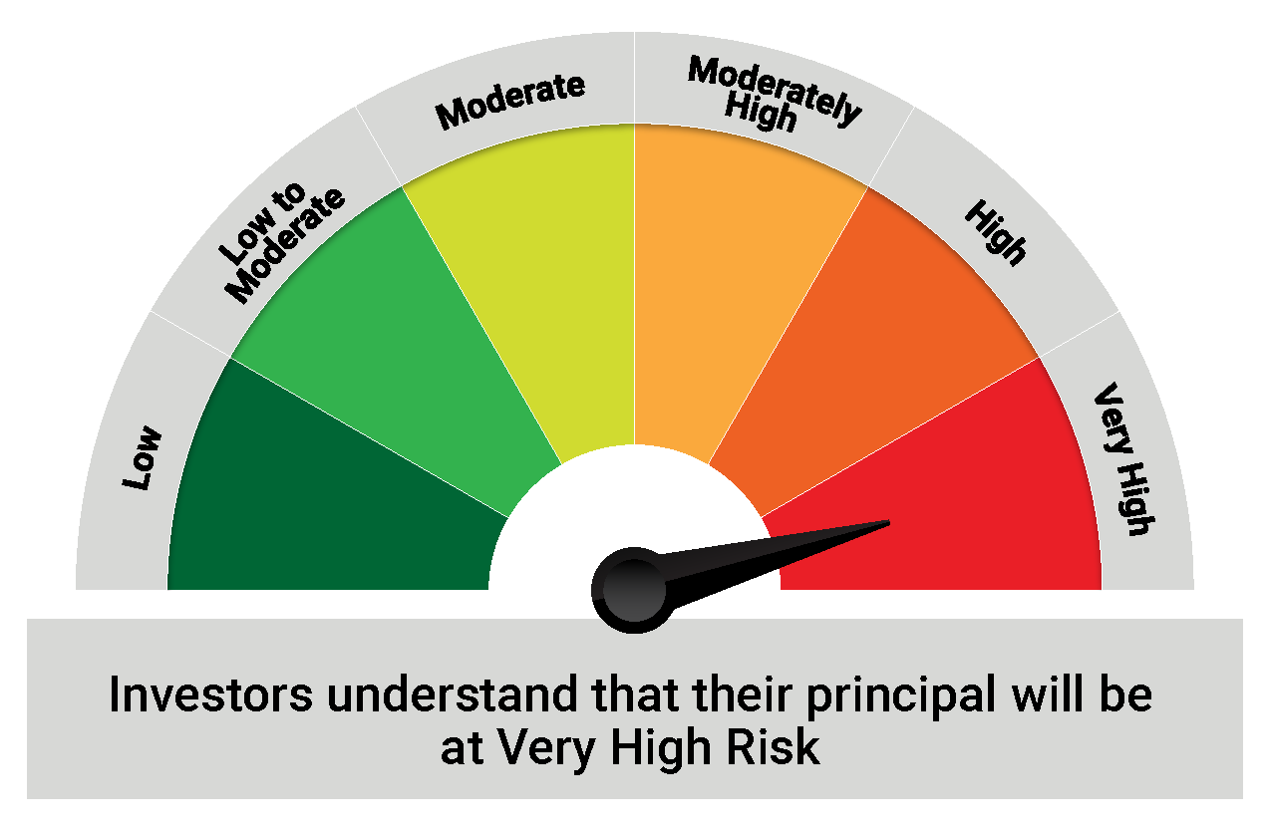
+ | Industry Classification as recommeded by AMFI

 | Riskometer
 | VERY HIGH

 | The Risk Level of the Scheme in the Risk O Meter is based on the portfolio of the scheme as on May 31, 2021

QLF
Quantum Mutual Fund

Quantum Asset Management Company Private Limited
Registered Office: 6th Floor, Hoechst House, Nariman Point, Mumbai – 400021, Maharashtra, India
Toll Free Helpline.: 1800 22 3863 | Tel No.: 91-22-61447800 | Fax No.: 91-22-22875923 | E-mail: CustomerCare@QuantumAMC.com | Website: www.QuantumMF.com

Quantum Liquid Fund (An open ended Liquid Scheme)

Monthly Portfolio Statement of the Quantum Liquid Fund for the period ended May 31, 2021

Sr.No. | Name of Instrument | ISIN | Rating | Quantity | Market/ Fair Value ( Rs. in Lakhs) | % to NAV | Yield to Maturity

 | DEBT INSTRUMENTS

a) | Listed /Awaiting listing on Stock Exchanges |  |  |  | NIL | NIL
b) | Privately Placed/Unlisted |  |  |  | NIL | NIL
c) | Securitized Debt Instruments |  |  |  | NIL | NIL

 | Total of Debt Instruments |  |  |  | NIL | NIL

 | MONEY MARKET INSTRUMENTS

a) | Commercial Papers (CP)

1 | NTPC Ltd CP (MD 24/08/2021)** | INE733E14AI6 | ICRA A1+ | 1,000 | 4,960.56 | 8.44% | 3.46%
2 | National Bank For Agri & Rural CP (MD 20/07/2021)** | INE261F14HX9 | ICRA A1+ | 500 | 2,488.38 | 4.24% | 3.48%

 | Total of CPs |  |  |  | 7,448.94 | 12.68%

b) | Certificate of Deposits (CD) |  |  |  | NIL | NIL

 | Total of CDs |  |  |  | NIL | NIL

c) | Treasury Bills (T-bill)

1 | 91 Days Tbill (MD 22/07/2021)** | IN002021X033 | Sovereign | 10,000,000 | 9,953.41 | 16.94% | 3.35%
2 | 91 Days Tbill (MD 29/07/2021) | IN002021X041 | Sovereign | 10,000,000 | 9,947.05 | 16.93% | 3.35%
3 | 91 Days Tbill (MD 26/08/2021) | IN002021X082 | Sovereign | 7,000,000 | 6,944.55 | 11.82% | 3.39%
4 | 91 Days Tbill (MD 15/07/2021)** | IN002021X025 | Sovereign | 5,000,000 | 4,980.07 | 8.48% | 3.32%
5 | 91 Days Tbill (MD 05/08/2021) | IN002021X058 | Sovereign | 4,500,000 | 4,473.12 | 7.61% | 3.38%
6 | 364 Days Tbill (MD 10/06/2021)** | IN002020Z105 | Sovereign | 2,500,000 | 2,498.00 | 4.25% | 3.25%
7 | 91 Days Tbill (MD 08/07/2021)** | IN002021X017 | Sovereign | 2,500,000 | 2,491.62 | 4.24% | 3.32%
8 | 91 Days Tbill (MD 13/08/2021) | IN002021X066 | Sovereign | 2,500,000 | 2,483.31 | 4.23% | 3.36%
9 | 91 Days Tbill (MD 03/06/2021)** | IN002020X506 | Sovereign | 1,000,000 | 999.82 | 1.70% | 3.30%
10 | 182 Days Tbill (MD 17/06/2021)** | IN002020Y371 | Sovereign | 1,000,000 | 998.56 | 1.70% | 3.30%

 | Total of T-Bills |  |  |  | 45,769.51 | 77.90%

d) | TREPS ^ |  |  |  | 5,495.47 | 9.35% | 3.23%

 | Total of Money Market Instruments |  |  |  | 58,713.92 | 99.93%

 | OTHERS
 | Net Receivable/(payable) |  |  |  | 32.43 | 0.07%

 | Grand Total |  |  |  | 58,746.35 | 100.00%

Notes:
(1) | The provisions made for investment in security below investment grade as on May 31, 2021 is NIL & its percentage to NAV is NIL.
(2) | Total value and percentage of illiquid securities - NIL
(3) | Option wise per unit Net Asset Value are as follows:
 | Option | As on May 31, 2021 (Rs.)
 | Direct Plan Daily IDCW | 10.0060
 | Direct Plan Monthly IDCW | 10.0134
 | Direct Plan Growth Option | 27.9286
 | Regular Plan Daily IDCW | 10.0010
 | Regular Plan Monthly IDCW | 10.0101
 | Regular Plan Growth Option | 27.8471
(4) | Dividend declared during the period ended May 31, 2021
 |  | Gross Dividend per unit (Rs.)
 |  | Individual / Non Individual
 | For DIRECT PLAN DAILY IDCW | 0.02616259
 | For DIRECT PLAN MONTHLY IDCW | 0.02407444
 | For REGULAR PLAN DAILY IDCW | 0.02530010
 | For REGULAR PLAN MONTHLY IDCW | 0.02349935
 | Dividend declared was on the face value of Rs.10 per unit. Past performance may or may not be sustained in future. After payment of the dividend, the per unit NAV falls to the extent of pay out and statutory levy, if any.TDS as applicable is being deducted from Gross Dividend as per Finance Act 2020 & investor will receive the Net Dividend.
(5) | Bonus declared during the period ended May 31, 2021 - NIL
(6) | Total outstanding exposure in derivative instruments as on May 31, 2021 - NIL
(7) | Total Market value of investments in Foreign Securities/American Depository Receipts/Global Depository Receipts as on May 31, 2021 - NIL
(8) | The Face Value per unit is Rs.10
(9) | Average Portfolio Maturity at the end of May 31, 2021 is 53 Days
(10) | Investment in Fixed Deposits - NIL
(11) | Total Commission for the month ended May 31, 2021 - Rs.36,053.60
(12) | Total Brokerage for Buying/ Selling of Investments for the month ended May 31, 2021 is NIL
(13) | Details of Repo in Corporate Debt Securities as on May 31, 2021 is NIL
** | Non Traded Securities as per traded data obtain from FIMMDA trading platform/ NSE/ BSE/CCIL NDS-OM
^ | Cash & Cash Equivalents
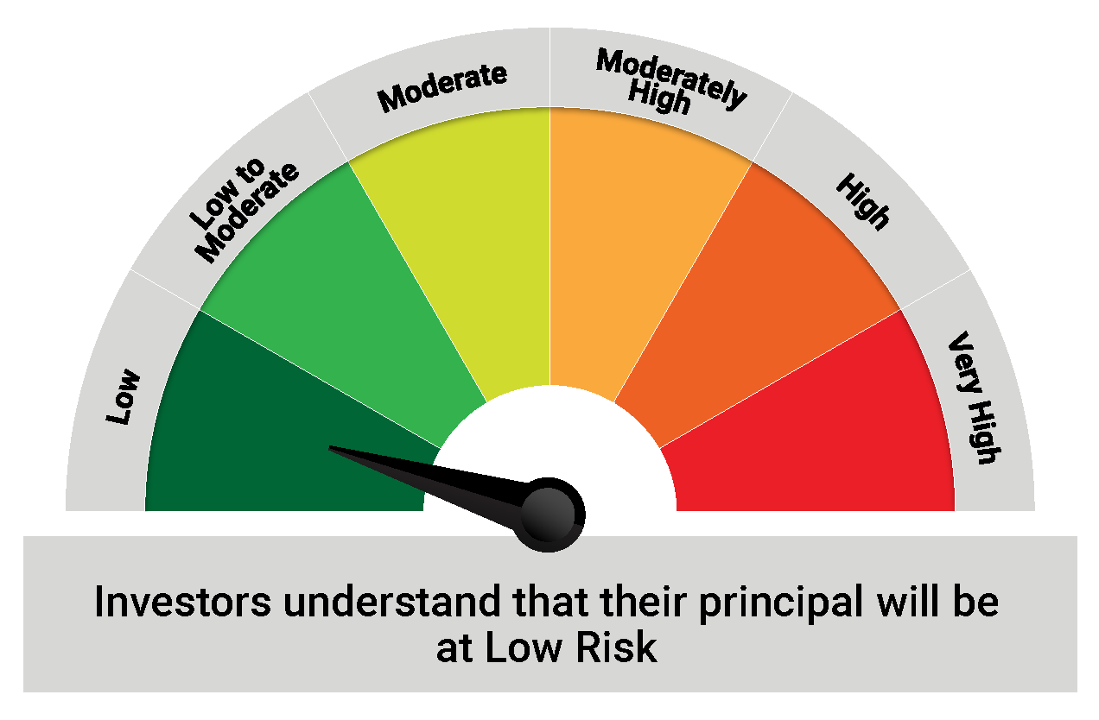
 | Riskometer
 | LOW

 | The Risk Level of the Scheme in the Risk O Meter is based on the portfolio of the scheme as on May 31, 2021

QGF
Quantum Mutual Fund

Quantum Asset Management Company Private Limited
Registered Office: 6th Floor, Hoechst House, Nariman Point, Mumbai – 400021, Maharashtra, India
Toll Free Helpline.: 1800 22 3863 | Tel No.: 91-22-61447800 | Fax No.: 91-22-22875923 | E-mail: CustomerCare@QuantumAMC.com | Website: www.QuantumMF.com

Quantum Gold Fund (An Open Ended Scheme Replicating / Tracking Gold)

Monthly Portfolio Statement of the Quantum Gold Fund for the period ended May 31, 2021

Sr.No. | Name of Instrument | Quantity | Market/ Fair Value ( Rs. in Lakhs) | % to NAV

 | GOLD

1 | GOLD .995 Purity 1KG BAR at Mumbai Location | 246 | 12,056.55 | 88.84%
2 | GOLD .995 Purity 1KG BAR at Ahmedabad Location | 14 | 685.46 | 5.05%
3 | GOLD .999 Purity 100 Gram BAR at Ahmedabad Location | 126 | 619.21 | 4.56%
4 | GOLD .999 Purity 100 Gram BAR at Mumbai Location | 10 | 49.19 | 0.36%

 | Total of Gold |  | 13,410.41 | 98.81%

 | MONEY MARKET INSTRUMENTS

a) | TREPS ^ |  | 6.50 | 0.05%

 | Total of Money Market Instruments |  | 6.50 | 0.05%

 | OTHERS
 | Net Receivable/(payable) |  | 154.50 | 1.14%

 | Grand Total |  | 13,571.41 | 100.00%

Notes:
(1) | The provisions made for investment in security below investment grade as on May 31, 2021 is NIL & its percentage to NAV is NIL.
(2) | Per unit Net Asset Value as on May 31, 2021 (Rs) 2,121.8624
(3) | Dividend declared during the period ended May 31, 2021 - NIL
(4) | Bonus declared during the period ended May 31, 2021 - NIL
(5) | Total outstanding exposure in derivative instruments as on May 31, 2021 - NIL
(6) | Total Market value of investments in Foreign Securities/American Depository Receipts/Global Depository Receipts as on May 31, 2021 - NIL
(7) | The Face Value per unit is Rs.100
(8) | Portfolio Turnover Ratio (Last One Year) is 7.23%
(9) | Investment in Fixed Deposits - NIL
(10) | Total Commission for the month ended May 31, 2021 - NIL
(11) | Total Brokerage for Buying/ Selling of Investments for the month ended May 31, 2021 is NIL
(12) | Details of Repo in Corporate Debt Securities as on May 31, 2021 is NIL
^ | Cash & Cash Equivalents
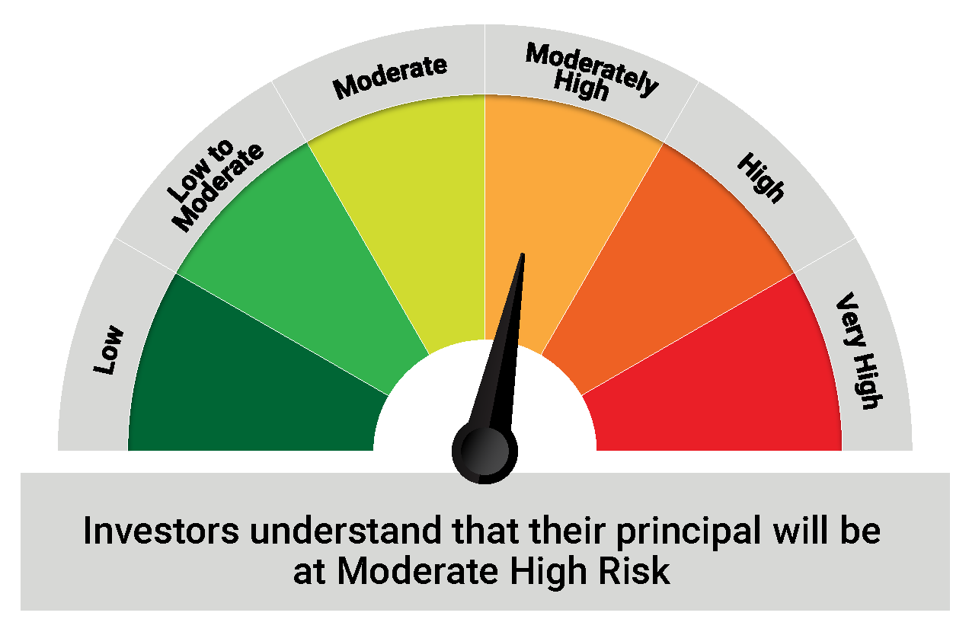
 | Riskometer
 | MODERATELY HIGH

 | The Risk Level of the Scheme in the Risk O Meter is based on the portfolio of the scheme as on May 31, 2021

QDBF
Quantum Mutual Fund

Quantum Asset Management Company Private Limited
Registered Office: 6th Floor, Hoechst House, Nariman Point, Mumbai – 400021, Maharashtra, India
Toll Free Helpline.: 1800 22 3863 | Tel No.: 91-22-61447800 | Fax No.: 91-22-22875923 | E-mail: CustomerCare@QuantumAMC.com | Website: www.QuantumMF.com

Quantum Dynamic Bond Fund (An Open Ended Dynamic Debt Scheme Investing Across Duration)

Monthly Portfolio Statement of the Quantum Dynamic Bond Fund for the period ended May 31, 2021

Sr.No. | Name of Instrument | ISIN | Rating | Quantity | Market/ Fair Value ( Rs. in Lakhs) | % to NAV | Yield to Maturity

 | DEBT INSTRUMENTS

a) | Listed /Awaiting listing on Stock Exchanges

i) | Bonds

1 | 6.4% NABARD Sr 20K NCD (MD 31/07/2023)** | INE261F08CA0 | ICRA AAA | 50 | 516.13 | 6.44% | 4.79%

 | Total of Bonds |  |  |  | 516.13 | 6.44%

ii) | Government Securities

1 | 6.84% GOI (MD 19/12/2022) | IN0020160050 | Sovereign | 3,000,000 | 3,121.20 | 38.93% | 4.12%
2 | 6.67% GOI (MD 17/12/2050) | IN0020200252 | Sovereign | 1,000,000 | 966.28 | 12.05% | 6.94%
3 | 6.97% GOI (MD 06/09/2026) | IN0020160035 | Sovereign | 500,000 | 524.63 | 6.54% | 5.87%
4 | 7.17% GOI (MD 08/01/2028) | IN0020170174 | Sovereign | 100,000 | 105.25 | 1.31% | 6.19%
5 | 7.37% GOI (MD 16/04/2023)** | IN0020180025 | Sovereign | 50,000 | 52.76 | 0.66% | 4.27%

 | Total of Government Securities |  |  |  | 4,770.12 | 59.49%

b) | Privately Placed/Unlisted |  |  |  | NIL | NIL | NIL
c) | Securitized Debt Instruments |  |  |  | NIL | NIL | NIL

 | Total of Debt Instruments |  |  |  | 5,286.25 | 65.93%

 | MONEY MARKET INSTRUMENTS

a) | Commercial Papers (CP) |  |  |  | NIL | NIL | NIL

 | Total of CPs |  |  |  | NIL | NIL | NIL

b) | Certificate of Deposits (CD) |  |  |  | NIL | NIL | NIL

 | Total of CDs |  |  |  | NIL | NIL | NIL

c) | Treasury Bills (T-bill) |  |  |  | NIL | NIL | NIL

 | Total of T-Bills |  |  |  | NIL | NIL | NIL

d) | TREPS ^ |  |  |  | 1,486.20 | 18.54% | 3.23%

 | Total of Money Market Instruments |  |  |  | 1,486.20 | 18.54%

 | OTHERS
 | Net Receivable/(payable) |  |  |  | 1,245.36 | 15.53%

 | Grand Total |  |  |  | 8,017.81 | 100.00%

Notes:
(1) | The provisions made for investment in security below investment grade as on May 31, 2021 is NIL & its percentage to NAV is NIL.
(2) | Option wise per unit Net Asset Value are as follows:
 | Option | As on May 31, 2021 (Rs.)
 | Direct Plan Monthly IDCW | 10.2624
 | Direct Plan Growth Option | 16.5238
 | Regular Plan Monthly IDCW | 10.3476
 | Regular Plan Growth Option | 16.4471
(3) | Dividend declared during the period ended May 31, 2021
 |  | Gross Dividend per unit (Rs.)
 |  | Individual / Non Individual
 | For DIRECT PLAN MONTHLY DIVIDEND OPTION | 0.04229152
 | For REGULAR PLAN MONTHLY DIVIDEND OPTION | 0.04167498
 | Dividend declared was on the face value of Rs.10 per unit. Past performance may or may not be sustained in future. After payment of the dividend, the per unit NAV falls to the extent of pay out and statutory levy, if any.TDS as applicable is being deducted from Gross Dividend as per Finance Act 2020 & investor will receive the Net Dividend.
(4) | Bonus declared during the period ended May 31, 2021 - NIL
(5) | Total outstanding exposure in derivative instruments as on May 31, 2021 - NIL
(6) | Total Market value of investments in Foreign Securities/American Depository Receipts/Global Depository Receipts as on May 31, 2021 - NIL
(7) | The Face Value per unit is Rs.10
(8) | Average Portfolio Maturity at the end of May 31, 2021 is 4.75 Years
(9) | Investment in Fixed Deposits - NIL
(10) | Total Commission for the month ended May 31, 2021 - Rs.2,692.88
(11) | Total Brokerage for Buying/ Selling of Investments for the month ended May 31, 2021 is NIL
(12) | Details of Repo in Corporate Debt Securities as on May 31, 2021 is NIL
** | Non Traded Securities as per traded data obtain from FIMMDA trading platform/ NSE/ BSE/CCIL NDS-OM
^ | Cash & Cash Equivalents
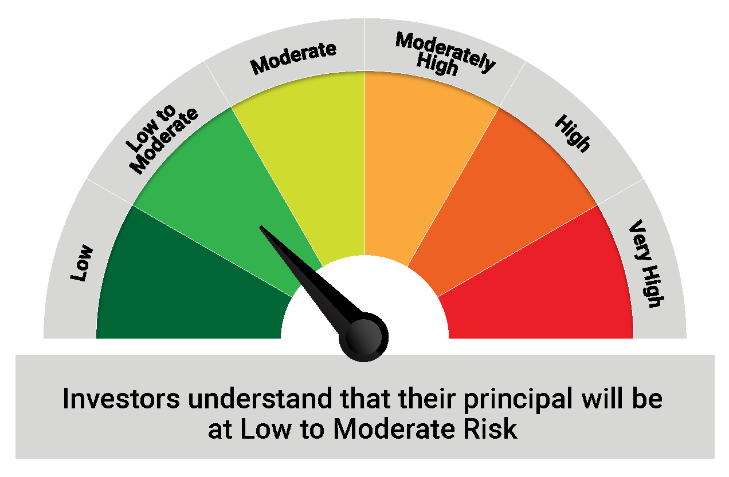
 | Riskometer
 | LOW TO MODERATE

 | The Risk Level of the Scheme in the Risk O Meter is based on the portfolio of the scheme as on May 31, 2021

QMAFOF
Quantum Mutual Fund

Quantum Asset Management Company Private Limited
Registered Office: 6th Floor, Hoechst House, Nariman Point, Mumbai – 400021, Maharashtra, India
Toll Free Helpline.: 1800 22 3863 | Tel No.: 91-22-61447800 | Fax No.: 91-22-22875923 | E-mail: CustomerCare@QuantumAMC.com | Website: www.QuantumMF.com

Quantum Multi Asset Fund of Funds (An Open Ended Fund of Funds Scheme Investing in schemes of Quantum Mutual Fund)

Monthly Portfolio Statement of the Quantum Multi Asset Fund of Funds for the period ended May 31, 2021

Sr.No. | Name of Instrument | ISIN | Quantity | Market/ Fair Value ( Rs. in Lakhs) | % to NAV

A | MUTUAL FUND UNITS

1 | Quantum Liquid Fund - Direct Plan - Growth Option* | INF082J01127 | 5,449,681 | 1,522.02 | 41.39%
2 | Quantum Dynamic Bond Fund - Direct Plan - Growth Option* | INF082J01176 | 3,051,549 | 504.23 | 13.71%
3 | Quantum Long Term Equity Value Fund - Direct Plan - Growth Option* | INF082J01036 | 659,102 | 473.24 | 12.87%
4 | Quantum India ESG Equity Fund - Direct Plan - Growth Option* | INF082J01382 | 713,389 | 108.44 | 2.95%

 | Total of Mutual Fund Units |  |  | 2,607.93 | 70.92%

B | EXCHANGE TRADED FUND UNITS

1 | Quantum Gold Fund* | INF082J01010 | 25,907 | 547.93 | 14.90%
2 | Quantum Nifty ETF* | INF082J01028 | 25,318 | 409.39 | 11.13%

 | Total of Exchange Traded Fund Units |  |  | 957.32 | 26.03%

 | Total (A+B) |  |  | 3,565.25 | 96.95%

 | MONEY MARKET INSTRUMENTS

a) | TREPS ^ |  |  | 117.34 | 3.19%

 | Total of Money Market Instruments |  |  | 117.34 | 3.19%

 | OTHERS
 | Net Receivable/(payable) |  |  | -4.94 | -0.14%

 | Grand Total |  |  | 3,677.65 | 100.00%

Notes:
(1) | The provisions made for investment in security below investment grade as on May 31, 2021 is NIL & its percentage to NAV is NIL.
(2) | Option wise per unit Net Asset Value are as follows:
 | Option | As on May 31, 2021 (Rs.)
 | Direct Plan Growth Option | 22.8150
 | Regular Plan Growth Option | 22.6302
(3) | Dividend declared during the period ended May 31, 2021 - NIL
(4) | Bonus declared during the period ended May 31, 2021 - NIL
(5) | Total outstanding exposure in derivative instruments as on May 31, 2021 - NIL
(6) | Total Market value of investments in Foreign Securities/American Depository Receipts/Global Depository Receipts as on May 31, 2021 - NIL
(7) | The Face Value per unit is Rs.10
(8) | Investment in Fixed Deposits - NIL
(9) | Total Commission for the month ended May 31, 2021 - Rs.5,830.69
(10) | Total Brokerage for Buying/ Selling of Investments for the month ended May 31, 2021 is Rs.6,415.79
(11) | Details of Repo in Corporate Debt Securities as on May 31, 2021 is NIL
* | Top ten holdings
^ | Cash & Cash Equivalents
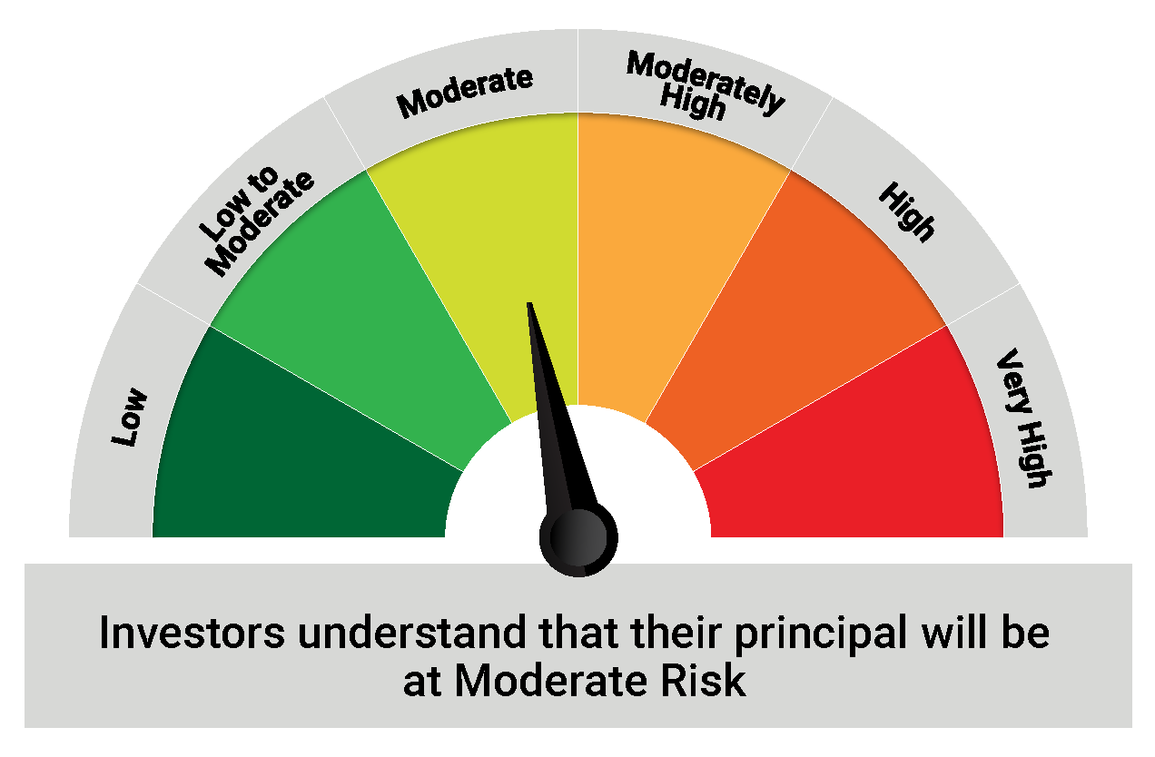
 | Riskometer
 | MODERATE

 | The Risk Level of the Scheme in the Risk O Meter is based on the portfolio of the scheme as on May 31, 2021

