Focused 25 Fund
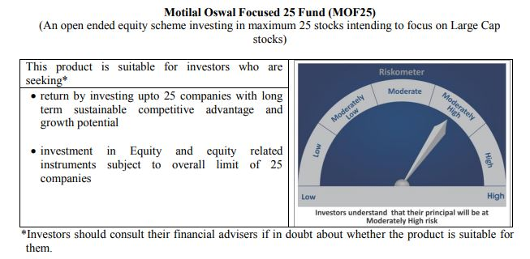
 | Motilal Oswal Focused 25 Fund
 | Portfolio as on July 31, 2020

Sr. No. | Name of Instrument |  |  | ISIN | Rating / Industry | Quantity | Market value (Rs. In lakhs) | % to Net Assets |  | Security Type | Sector / Rating | Percent
 |  |  |  |  |  |  |  |  |  |  | Banks | 20.27%
 | EQUITY & EQUITY RELATED |  |  |  |  |  |  |  |  |  | Finance | 19.48%
 | (A) Listed / awaiting listing on the stock exchanges |  |  |  |  |  |  |  |  |  | Pharmaceuticals | 10.65%
1 | HDFC Bank Limited |  |  | INE040A01034 | Banks | 998600 | 10,313.54 | 8.32% | Listed | EQUITY | Software | 8.53%
2 | Reliance Industries Limited |  |  | INE002A01018 | Petroleum Products | 495000 | 10,232.15 | 8.25% |  |  | Petroleum Products | 8.25%
3 | Kotak Mahindra Bank Limited |  |  | INE237A01028 | Banks | 713438 | 9,743.78 | 7.86% |  |  | Transportation | 6.71%
4 | Housing Development Finance Corporation Limited |  |  | INE001A01036 | Finance | 524000 | 9,337.42 | 7.53% |  |  | Auto | 5.41%
5 | HDFC Life Insurance Company Limited |  |  | INE795G01014 | Finance | 1472565 | 9,234.46 | 7.45% |  |  | Pesticides | 5.23%
6 | Tata Consultancy Services Limited |  |  | INE467B01029 | Software | 328085 | 7,484.93 | 6.04% |  |  | Cement | 4.11%
7 | Container Corporation of India Limited |  |  | INE111A01025 | Transportation | 1501072 | 6,771.34 | 5.46% |  |  | Retailing | 4.00%
8 | PI Industries Limited |  |  | INE603J01030 | Pesticides | 368241 | 6,483.07 | 5.23% |  |  | Industrial Capital Goods | 2.61%
9 | Abbott India Limited |  |  | INE358A01014 | Pharmaceuticals | 36490 | 5,669.21 | 4.57% |  |  | Telecom - Services | 0.81%
10 | ICICI Bank Limited |  |  | INE090A01021 | Banks | 1464975 | 5,080.53 | 4.10% |  |  | CRISIL AAA | 0.03%
11 | Avenue Supermarts Limited |  |  | INE192R01011 | Retailing | 240191 | 4,956.22 | 4.00% |  |  | Cash & Equivalent | 3.91%
12 | Procter & Gamble Health Limited |  |  | INE199A01012 | Pharmaceuticals | 100781 | 4,185.49 | 3.38%
13 | Shree Cement Limited |  |  | INE070A01015 | Cement | 17772 | 3,858.51 | 3.11%
14 | Eicher Motors Limited |  |  | INE066A01013 | Auto | 16698 | 3,446.25 | 2.78%
15 | Dr. Reddy's Laboratories Limited |  |  | INE089A01023 | Pharmaceuticals | 74076 | 3,349.01 | 2.70%
16 | Maruti Suzuki India Limited |  |  | INE585B01010 | Auto | 52169 | 3,267.21 | 2.63%
17 | ABB India Limited |  |  | INE117A01022 | Industrial Capital Goods | 361740 | 3,237.39 | 2.61%
18 | Infosys Limited |  |  | INE009A01021 | Software | 320000 | 3,091.20 | 2.49%
19 | ICICI Lombard General Insurance Company Limited |  |  | INE765G01017 | Finance | 232710 | 3,033.61 | 2.45%
20 | CRISIL Limited |  |  | INE007A01025 | Finance | 152607 | 2,554.34 | 2.06%
21 | Mahindra Logistics Limited |  |  | INE766P01016 | Transportation | 519380 | 1,546.71 | 1.25%
22 | UltraTech Cement Limited |  |  | INE481G01011 | Cement | 30034 | 1,236.59 | 1.00%
23 | Bharti Airtel Limited |  |  | INE397D01024 | Telecom - Services | 179965 | 998.54 | 0.81%
 | Total |  |  |  |  |  | 119,111.48 | 96.06% | Listed

 | BONDS & NCDs
 | (B) Listed / awaiting listing on the stock exchanges
1 | Britannia Industries Limited |  |  | INE216A07052 | CRISIL AAA | 119829 | 38.37 | 0.03%
 | Total |  |  |  |  |  | 38.37 | 0.03%

 | MONEY MARKET INSTRUMENT
 | CBLO / Reverse Repo Investments |  |  |  |  | 1356000 | 1,355.77 | 1.09%
 | Total |  |  |  |  |  | 1,355.77 | 1.09%

 | Cash & Cash Equivalents
 | Net Receivable/Payable |  |  |  |  |  | 3,492.33 | 2.82%
 | Total |  |  |  |  |  | 3,492.33 | 2.82%
 | Grand Total |  |  |  |  |  | 123,997.95 | 100.00%

 | Total Expense Ratio
 | Direct Plan : | 0.86%
 | Regular Plan : | 2.26%

 | NAV |  | Direct Dividend Plan | 17.1491
 |  |  | Direct Growth Plan | 24.9814
 |  |  | Regular Dividend Plan | 15.6078
 |  |  | Regular Growth Plan | 22.6512

 | Monthly AAUM in Crores |  |  | 1,241.56

 | Latest AUM (31 July 2020 ) in Crores |  |  | 1239.9795242

 | Portfolio Turnover Ratio |  |  | 0.60

 | Dividend History
 | Record Date (March 20, 2018) | Dividend per Unit (Rs.) | Cum Dividend NAV | EX Dividend NAV
 | Direct Plan | 1.80 | 18.1652 | 16.3652
 | Regular Plan | 1.80 | 16.8759 | 15.0759

 | Record Date (March 28, 2019) | Dividend per Unit (Rs.) | Cum Dividend NAV | EX Dividend NAV
 | Direct Plan | 0.50 | 17.6230 | 17.1230
 | Regular Plan | 0.50 | 16.0255 | 15.5255

 | Record Date (March 23, 2020) | Dividend per Unit (Rs.) | Cum Dividend NAV | EX Dividend NAV
 | Direct Plan | 0.90 | 13.2107 | 12.3107
 | Regular Plan | 0.58 | 11.8443 | 11.2607

Midcap 30 Fund
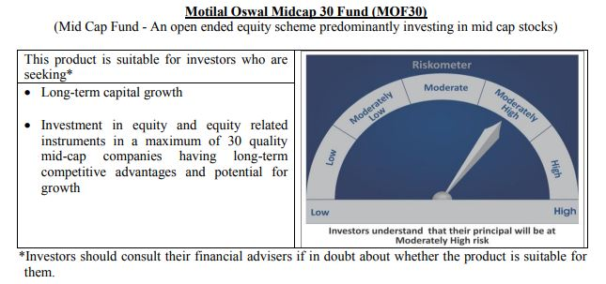
 | Motilal Oswal Midcap 30 Fund
 | Portfolio as on July 31, 2020

Sr. No. | Name of Instrument |  |  | ISIN | Rating / Industry | Quantity | Market value (Rs. In lakhs) | % to Net Assets |  | Security Type | Sector / Rating | Percent
 |  |  |  |  |  |  |  |  |  |  | Pharmaceuticals | 14.34%
 | EQUITY & EQUITY RELATED |  |  |  |  |  |  |  |  |  | Consumer Durables | 12.28%
 | Listed / awaiting listing on the stock exchanges |  |  |  |  |  |  |  |  |  | Finance | 10.36%
1 | Coromandel International Limited |  |  | INE169A01031 | Fertilisers | 1450000 | 11,311.45 | 7.45% | Listed | EQUITY | Auto Ancillaries | 8.43%
2 | IPCA Laboratories Limited |  |  | INE571A01020 | Pharmaceuticals | 600000 | 11,247.60 | 7.41% |  |  | Consumer Non Durables | 7.54%
3 | Endurance Technologies Limited |  |  | INE913H01037 | Auto Ancillaries | 1075000 | 9,734.66 | 6.41% |  |  | Fertilisers | 7.45%
4 | PI Industries Limited |  |  | INE603J01030 | Pesticides | 525040 | 9,243.59 | 6.09% |  |  | Pesticides | 6.09%
5 | Crompton Greaves Consumer Electricals Limited |  |  | INE299U01018 | Consumer Durables | 3737000 | 9,122.02 | 6.01% |  |  | Retailing | 3.94%
6 | Abbott India Limited |  |  | INE358A01014 | Pharmaceuticals | 50000 | 7,768.18 | 5.11% |  |  | Commercial Services | 3.65%
7 | Hindustan Unilever Limited |  |  | INE030A01027 | Consumer Non Durables | 300000 | 6,629.70 | 4.37% |  |  | Healthcare Services | 3.63%
8 | Avenue Supermarts Limited |  |  | INE192R01011 | Retailing | 290000 | 5,984.01 | 3.94% |  |  | Banks | 2.93%
9 | TeamLease Services Limited |  |  | INE985S01024 | Commercial Services | 299312 | 5,536.67 | 3.65% |  |  | Chemicals | 2.32%
10 | METROPOLIS HEALTHCARE LIMITED |  |  | INE112L01020 | Healthcare Services | 350000 | 5,509.53 | 3.63% |  |  | Industrial Capital Goods | 2.24%
11 | Voltas Limited |  |  | INE226A01021 | Consumer Durables | 900000 | 5,385.60 | 3.55% |  |  | Industrial Products | 2.07%
12 | Bajaj Finance Limited |  |  | INE296A01024 | Finance | 150000 | 4,876.95 | 3.21% |  |  | Textile Products | 1.96%
13 | Max Financial Services Limited |  |  | INE180A01020 | Finance | 825000 | 4,606.80 | 3.03% |  |  | Construction | 1.90%
14 | AU Small Finance Bank Limited |  |  | INE949L01017 | Banks | 600000 | 4,442.70 | 2.93% |  |  | Cement | 1.82%
15 | Bata India Limited |  |  | INE176A01028 | Consumer Durables | 326238 | 4,136.86 | 2.72% |  |  | Software | 1.59%
16 | Nestle India Limited |  |  | INE239A01016 | Consumer Non Durables | 25005 | 4,131.38 | 2.72% |  |  | Cash & Equivalent | 5.47%
17 | CreditAccess Grameen Limited |  |  | INE741K01010 | Finance | 725000 | 3,726.50 | 2.45%
18 | Navin Fluorine International Limited |  |  | INE048G01026 | Chemicals | 200000 | 3,521.80 | 2.32%
19 | Honeywell Automation India Limited |  |  | INE671A01010 | Industrial Capital Goods | 12609 | 3,404.13 | 2.24%
20 | Astral Poly Technik Limited |  |  | INE006I01046 | Industrial Products | 326303 | 3,147.19 | 2.07%
21 | Tube Investments of India Limited |  |  | INE974X01010 | Auto Ancillaries | 603503 | 3,071.23 | 2.02%
22 | Page Industries Limited |  |  | INE761H01022 | Textile Products | 15000 | 2,972.74 | 1.96%
23 | The Phoenix Mills Limited |  |  | INE211B01039 | Construction | 467516 | 2,884.57 | 1.90%
24 | Ajanta Pharma Limited |  |  | INE031B01049 | Pharmaceuticals | 170000 | 2,769.64 | 1.82%
25 | The Ramco Cements Limited |  |  | INE331A01037 | Cement | 400000 | 2,767.80 | 1.82%
26 | Cholamandalam Investment and Finance Company Limited |  |  | INE121A01024 | Finance | 1250000 | 2,531.25 | 1.67%
27 | Larsen & Toubro Infotech Limited |  |  | INE214T01019 | Software | 100000 | 2,416.80 | 1.59%
28 | Jubilant Foodworks Limited |  |  | INE797F01012 | Consumer Non Durables | 40000 | 688.18 | 0.45%
 | Total |  |  |  |  |  | 143,569.52 | 94.53%

27 | CBLO / Reverse Repo Investments |  |  |  |  | 8770000 | 8,768.48 | 5.77% |  | Deposits
 | Total |  |  |  |  |  | 8,768.48 | 5.77%

 | Cash & Cash Equivalents
 | Net Receivable/Payable |  |  |  |  |  | (455.29) | -0.30%
 | Total |  |  |  |  |  | (455.29) | -0.30%
 | Grand Total |  |  |  |  |  | 151,882.72 | 100.00%

 | Total Expense Ratio
 | Direct Plan : | 1.03%
 | Regular Plan : | 2.26%

 | NAV |  | Direct Dividend Plan | 16.6439
 |  |  | Direct Growth Plan | 24.6040
 |  |  | Regular Dividend Plan | 16.2364
 |  |  | Regular Growth Plan | 22.7277

 | Monthly AAUM in Crores |  |  | 1,505.19

 | Latest AUM (31 July 2020 ) in Crores |  |  | 1518.8271852

 | Portfolio Turnover Ratio |  |  | 1.50

 | Dividend History
 | Record Date (March 20, 2018) | Dividend per Unit (Rs.) | Cum Dividend NAV | EX Dividend NAV
 | Direct Plan | 2.00 | 22.6302 | 20.6302
 | Regular Plan | 2.00 | 21.4405 | 19.4405

 | Record Date (March 28, 2019) | Dividend per Unit (Rs.) | Cum Dividend NAV | EX Dividend NAV
 | Direct Plan | 2.00 | 21.6801 | 19.6801
 | Regular Plan | 2.00 | 20.1677 | 18.1677

 | Record Date (March 23, 2020) | Dividend per Unit (Rs.) | Cum Dividend NAV | EX Dividend NAV
 | Direct Plan | 1.00 | 14.2748 | 13.2748
 | Regular Plan | 0.0280 | 13.0332 | 13.0052

Multicap 35 Fund
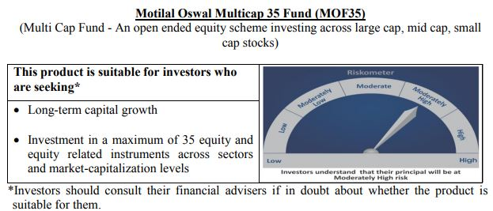
 | Motilal Oswal Multicap 35 Fund
 | Portfolio as on July 31, 2020

Sr. No. | Name of Instrument |  |  | ISIN | Rating / Industry | Quantity | Market value (Rs. In lakhs) | % to Net Assets |  | Security Type | Sector / Rating | Percent
 |  |  |  |  |  |  |  |  |  |  | Finance | 24.13%
 | EQUITY & EQUITY RELATED |  |  |  |  |  |  |  |  |  | Consumer Non Durables | 15.93%
 | Listed / awaiting listing on the stock exchanges |  |  |  |  |  |  |  |  |  | Banks | 14.77%
1 | Reliance Industries Limited |  |  | INE002A01018 | Petroleum Products | 5100000 | 105,422.10 | 9.35% | Listed | EQUITY | Auto | 11.05%
2 | HDFC Life Insurance Company Limited |  |  | INE795G01014 | Finance | 14800000 | 92,810.80 | 8.23% |  |  | Petroleum Products | 9.35%
3 | HDFC Bank Limited |  |  | INE040A01034 | Banks | 7500000 | 77,460.00 | 6.87% |  |  | Software | 8.78%
4 | Infosys Limited |  |  | INE009A01021 | Software | 6000000 | 57,960.00 | 5.14% |  |  | Telecom - Services | 4.08%
5 | Maruti Suzuki India Limited |  |  | INE585B01010 | Auto | 900000 | 56,364.75 | 5.00% |  |  | Retailing | 3.44%
6 | Housing Development Finance Corporation Limited |  |  | INE001A01036 | Finance | 3000000 | 53,458.50 | 4.74% |  |  | Consumer Durables | 2.70%
7 | Eicher Motors Limited |  |  | INE066A01013 | Auto | 240000 | 49,532.88 | 4.39% |  |  | Gas | 2.47%
8 | Bajaj Finance Limited |  |  | INE296A01024 | Finance | 1500000 | 48,769.50 | 4.32% |  |  | Pharmaceuticals | 1.53%
9 | AU Small Finance Bank Limited |  |  | INE949L01017 | Banks | 6500000 | 48,129.25 | 4.27% |  |  | Cash & Equivalent | 1.77%
10 | Bharti Airtel Limited |  |  | INE397D01024 | Telecom - Services | 8300000 | 46,052.55 | 4.08%
11 | Britannia Industries Limited |  |  | INE216A01030 | Consumer Non Durables | 1100000 | 42,059.60 | 3.73%
12 | Tata Consultancy Services Limited |  |  | INE467B01029 | Software | 1800000 | 41,065.20 | 3.64%
13 | Kotak Mahindra Bank Limited |  |  | INE237A01028 | Banks | 3000000 | 40,972.50 | 3.63%
14 | United Spirits Limited |  |  | INE854D01024 | Consumer Non Durables | 7000000 | 40,684.00 | 3.61%
15 | ICICI Lombard General Insurance Company Limited |  |  | INE765G01017 | Finance | 3000000 | 39,108.00 | 3.47%
16 | Vaibhav Global Limited |  |  | INE884A01019 | Retailing | 2900000 | 38,813.60 | 3.44%
17 | Hindustan Unilever Limited |  |  | INE030A01027 | Consumer Non Durables | 1600000 | 35,358.40 | 3.13%
18 | Asian Paints Limited |  |  | INE021A01026 | Consumer Non Durables | 2000000 | 34,310.00 | 3.04%
19 | Titan Company Limited |  |  | INE280A01028 | Consumer Durables | 2923490 | 30,499.31 | 2.70%
20 | Petronet LNG Limited |  |  | INE347G01014 | Gas | 11250000 | 27,883.13 | 2.47%
21 | Nestle India Limited |  |  | INE239A01016 | Consumer Non Durables | 165000 | 27,261.63 | 2.42%
22 | Hero MotoCorp Limited |  |  | INE158A01026 | Auto | 700000 | 18,735.50 | 1.66%
23 | Alkem Laboratories Limited |  |  | INE540L01014 | Pharmaceuticals | 650000 | 17,303.65 | 1.53%
24 | Muthoot Finance Limited |  |  | INE414G01012 | Finance | 1200000 | 15,285.60 | 1.36%
25 | HDFC Asset Management Company Limited |  |  | INE127D01025 | Finance | 500000 | 12,098.25 | 1.07%
26 | Nippon Life India Asset Management Limited |  |  | INE298J01013 | Finance | 4000000 | 10,634.00 | 0.94%
 | Total |  |  |  |  |  | 1,108,032.69 | 98.23% | Listed
31 |  |  |  |  |  |  |  |  |  | Deposits
32 | CBLO / Reverse Repo Investments |  |  |  |  | 10270000 | 10,268.22 | 0.91%
 | Total |  |  |  |  |  | 10,268.22 | 0.91%

 | Cash & Cash Equivalents
 | Net Receivable/Payable |  |  |  |  |  | 9,644.96 | 0.86%
 | Total |  |  |  |  |  | 9,644.96 | 0.86%
 | Grand Total |  |  |  |  |  | 1,127,945.88 | 100.00%

 | Total Expense Ratio
 | Direct Plan : | 0.79%
 | Regular Plan : | 1.83%

 | NAV |  | Direct Dividend Plan | 21.9978
 |  |  | Direct Growth Plan | 26.4485
 |  |  | Regular Dividend Plan | 21.9513
 |  |  | Regular Growth Plan | 24.9160

 | Monthly AAUM in Crores |  |  | 11,164.26

 | Latest AUM (31 July 2020 ) in Crores |  |  | 11279.458813

 | Portfolio Turnover Ratio |  |  | 0.40

 | Dividend History
 | Record Date (March 20, 2018) | Dividend per Unit (Rs.) | Cum Dividend NAV | EX Dividend NAV
 | Direct Plan | 1.75 | 26.4448 | 24.6948
 | Regular Plan | 1.75 | 25.4495 | 23.6995

 | Record Date (March 28, 2019) | Dividend per Unit (Rs.) | Cum Dividend NAV | EX Dividend NAV
 | Direct Plan | 1.00 | 25.1298 | 24.1298
 | Regular Plan | 1.00 | 23.8865 | 22.8865

 | Record Date (March 23, 2020) | Dividend per Unit (Rs.) | Cum Dividend NAV | EX Dividend NAV
 | Direct Plan | 1.00 | 16.3873 | 15.3873

Long Term Equity Fund
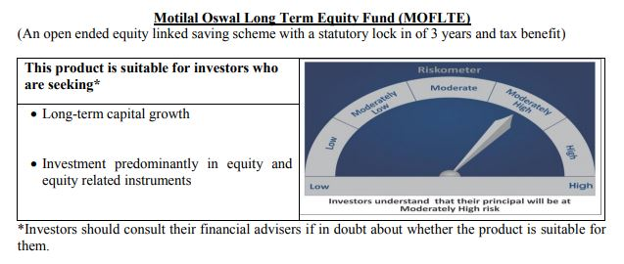
 | Motilal Oswal Long Term Equity Fund
 | Portfolio as on July 31, 2020

Sr. No. | Name of Instrument |  |  | ISIN | Rating / Industry | Quantity | Market value (Rs. In lakhs) | % to Net Assets |  | Security Type | Sector / Rating | Percent
 |  |  |  |  |  |  |  |  |  |  | Banks | 22.30%
 | EQUITY & EQUITY RELATED |  |  |  |  |  |  |  |  |  | Finance | 16.93%
 | Listed / awaiting listing on the stock exchanges |  |  |  |  |  |  |  |  |  | Consumer Non Durables | 16.69%
1 | HDFC Bank Limited |  |  | INE040A01034 | Banks | 1180000 | 12,187.04 | 7.91% | Listed | EQUITY | Consumer Durables | 6.90%
2 | ICICI Bank Limited |  |  | INE090A01021 | Banks | 3195000 | 11,080.26 | 7.19% |  |  | Pharmaceuticals | 5.52%
3 | Hindustan Unilever Limited |  |  | INE030A01027 | Consumer Non Durables | 480000 | 10,607.52 | 6.89% |  |  | Telecom - Services | 5.26%
4 | Muthoot Finance Limited |  |  | INE414G01012 | Finance | 690000 | 8,789.22 | 5.71% |  |  | Healthcare Services | 3.97%
5 | Torrent Pharmaceuticals Limited |  |  | INE685A01028 | Pharmaceuticals | 319451 | 8,508.90 | 5.52% |  |  | Cement | 3.74%
6 | Bharti Airtel Limited |  |  | INE397D01024 | Telecom - Services | 1460000 | 8,100.81 | 5.26% |  |  | Construction | 3.62%
7 | United Breweries Limited |  |  | INE686F01025 | Consumer Non Durables | 827725 | 7,877.04 | 5.11% |  |  | Auto | 3.05%
8 | Jubilant Foodworks Limited |  |  | INE797F01012 | Consumer Non Durables | 419669 | 7,220.20 | 4.69% |  |  | Commercial Services | 3.01%
9 | Dr. Lal Path Labs Limited |  |  | INE600L01024 | Healthcare Services | 323525 | 6,120.12 | 3.97% |  |  | Construction Project | 2.81%
10 | Axis Bank Limited |  |  | INE238A01034 | Banks | 1372653 | 5,925.06 | 3.85% |  |  | Textile Products | 1.92%
11 | HDFC Life Insurance Company Limited |  |  | INE795G01014 | Finance | 912577 | 5,722.77 | 3.72% |  |  | Gas | 1.83%
12 | The Phoenix Mills Limited |  |  | INE211B01039 | Construction | 904501 | 5,580.77 | 3.62% |  |  | Auto Ancillaries | 0.33%
13 | Max Financial Services Limited |  |  | INE180A01020 | Finance | 846290 | 4,725.68 | 3.07% |  |  | Cash & Equivalent | 2.10%
14 | Maruti Suzuki India Limited |  |  | INE585B01010 | Auto | 75000 | 4,697.06 | 3.05%
15 | 3M India Limited |  |  | INE470A01017 | Commercial Services | 22000 | 4,637.16 | 3.01%
16 | Whirlpool of India Limited |  |  | INE716A01013 | Consumer Durables | 221454 | 4,590.74 | 2.98%
17 | Larsen & Toubro Limited |  |  | INE018A01030 | Construction Project | 474225 | 4,331.81 | 2.81%
18 | Cholamandalam Investment and Finance Company Limited |  |  | INE121A01024 | Finance | 1750000 | 3,543.75 | 2.30%
19 | Crompton Greaves Consumer Electricals Limited |  |  | INE299U01018 | Consumer Durables | 1423698 | 3,475.25 | 2.26%
20 | ICICI Lombard General Insurance Company Limited |  |  | INE765G01017 | Finance | 252255 | 3,288.40 | 2.13%
21 | Page Industries Limited |  |  | INE761H01022 | Textile Products | 14950 | 2,962.83 | 1.92%
22 | Shree Cement Limited |  |  | INE070A01015 | Cement | 13430 | 2,915.81 | 1.89%
23 | Kotak Mahindra Bank Limited |  |  | INE237A01028 | Banks | 213000 | 2,909.05 | 1.89%
24 | Birla Corporation Limited |  |  | INE340A01012 | Cement | 474375 | 2,842.69 | 1.85%
25 | Petronet LNG Limited |  |  | INE347G01014 | Gas | 1138813 | 2,822.55 | 1.83%
26 | VIP Industries Limited |  |  | INE054A01027 | Consumer Durables | 945422 | 2,558.31 | 1.66%
27 | AU Small Finance Bank Limited |  |  | INE949L01017 | Banks | 304192 | 2,252.39 | 1.46%
28 | MRF Limited |  |  | INE883A01011 | Auto Ancillaries | 839 | 512.20 | 0.33%
 | Total |  |  |  |  |  | 150,785.38 | 97.90% | Listed
33 |  |  |  |  |  |  |  |  |  | Deposits
34 | CBLO / Reverse Repo Investments |  |  |  |  | 3244000 | 3,243.44 | 2.11%
 | Total |  |  |  |  |  | 3,243.44 | 2.11%

 | Cash & Cash Equivalents
 | Net Receivable/Payable |  |  |  |  |  | (3.67) | -0.00%
 | Total |  |  |  |  |  | (3.67) | -0.00%
 | Grand Total |  |  |  |  |  | 154,025.15 | 100.00%

 | Total Expense Ratio
 | Direct Plan : | 0.77%
 | Regular Plan : | 2.22%

 | NAV |  | Direct Dividend Plan | 15.4611
 |  |  | Direct Growth Plan | 17.3583
 |  |  | Regular Dividend Plan | 14.2755
 |  |  | Regular Growth Plan | 16.1109

 | Monthly AAUM in Crores |  |  | 1,537.59

 | Latest AUM (31 July 2020 ) in Crores |  |  | 1540.2515081

 | Portfolio Turnover Ratio |  |  | 0.74

 | Dividend History
 | Record Date (February 05, 2018) | Dividend per Unit (Rs.) | Cum Dividend NAV | EX Dividend NAV
 | Direct Plan | 1.00 | 17.8423 | 16.8423
 | Regular Plan | 1.00 | 17.0751 | 16.0751

 | Record Date (March 20, 2018) | Dividend per Unit (Rs.) | Cum Dividend NAV | EX Dividend NAV
 | Direct Plan | 0.10 | 16.7096 | 16.6096
 | Regular Plan | 0.10 | 15.9239 | 15.8239

 | Record Date (March 28, 2019) | Dividend per Unit (Rs.) | Cum Dividend NAV | EX Dividend NAV
 | Direct Plan | 0.30 | 16.4708 | 16.1708
 | Regular Plan | 0.30 | 15.5031 | 15.2031

Large & Midcap Fund
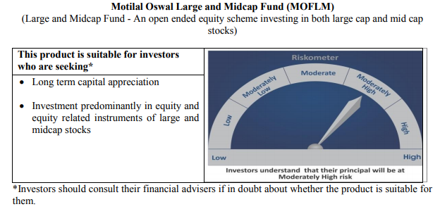
 | Motilal Oswal Large and Midcap Fund
 | Portfolio as on July 31, 2020

Sr. No. | Name of Instrument |  |  | ISIN | Rating / Industry | Quantity | Market value (Rs. In lakhs) | % to Net Assets |  | Security Type | Sector / Rating | Percent
 |  |  |  |  |  |  |  |  |  |  | Banks | 18.62%
 | EQUITY & EQUITY RELATED |  |  |  |  |  |  |  |  |  | Consumer Non Durables | 15.85%
 | Listed / awaiting listing on the stock exchanges |  |  |  |  |  |  |  |  |  | Finance | 15.52%
1 | Hindustan Unilever Limited |  |  | INE030A01027 | Consumer Non Durables | 147000 | 3,248.55 | 7.06% | Listed | EQUITY | Consumer Durables | 8.58%
2 | HDFC Bank Limited |  |  | INE040A01034 | Banks | 310000 | 3,201.68 | 6.96% |  |  | Pharmaceuticals | 6.19%
3 | ICICI Bank Limited |  |  | INE090A01021 | Banks | 880000 | 3,051.84 | 6.63% |  |  | Construction | 5.48%
4 | Torrent Pharmaceuticals Limited |  |  | INE685A01028 | Pharmaceuticals | 106943 | 2,848.53 | 6.19% |  |  | Telecom - Services | 5.25%
5 | Max Financial Services Limited |  |  | INE180A01020 | Finance | 510000 | 2,847.84 | 6.19% |  |  | Auto Ancillaries | 4.69%
6 | Bharti Airtel Limited |  |  | INE397D01024 | Telecom - Services | 435000 | 2,413.60 | 5.25% |  |  | Commercial Services | 3.92%
7 | Muthoot Finance Limited |  |  | INE414G01012 | Finance | 184891 | 2,355.14 | 5.12% |  |  | Healthcare Services | 4.14%
8 | Jubilant Foodworks Limited |  |  | INE797F01012 | Consumer Non Durables | 127714 | 2,197.26 | 4.78% |  |  | Construction Project | 2.72%
9 | Dr. Lal Path Labs Limited |  |  | INE600L01024 | Healthcare Services | 100790 | 1,906.64 | 4.14% |  |  | Cement | 2.85%
10 | United Breweries Limited |  |  | INE686F01025 | Consumer Non Durables | 194000 | 1,846.20 | 4.01% |  |  | Textile Products | 1.92%
11 | 3M India Limited |  |  | INE470A01017 | Commercial Services | 8565 | 1,805.33 | 3.92% |  |  | Auto | 2.02%
12 | Whirlpool of India Limited |  |  | INE716A01013 | Consumer Durables | 79718 | 1,652.55 | 3.59% |  |  | Cash & Equivalent | 2.24%
13 | The Phoenix Mills Limited |  |  | INE211B01039 | Construction | 251046 | 1,548.95 | 3.37%
14 | Axis Bank Limited |  |  | INE238A01034 | Banks | 330000 | 1,424.45 | 3.10%
15 | Birla Corporation Limited |  |  | INE340A01012 | Cement | 219000 | 1,312.36 | 2.85%
16 | Larsen & Toubro Limited |  |  | INE018A01030 | Construction Project | 137000 | 1,251.43 | 2.72%
17 | MRF Limited |  |  | INE883A01011 | Auto Ancillaries | 1965 | 1,199.60 | 2.61%
18 | Crompton Greaves Consumer Electricals Limited |  |  | INE299U01018 | Consumer Durables | 490513 | 1,197.34 | 2.60%
19 | VIP Industries Limited |  |  | INE054A01027 | Consumer Durables | 404567 | 1,094.76 | 2.38%
20 | Cholamandalam Investment and Finance Company Limited |  |  | INE121A01024 | Finance | 533780 | 1,080.90 | 2.35%
21 | Kajaria Ceramics Limited |  |  | INE217B01036 | Construction | 240000 | 972.96 | 2.12%
22 | Balkrishna Industries Limited |  |  | INE787D01026 | Auto Ancillaries | 72385 | 956.97 | 2.08%
23 | Maruti Suzuki India Limited |  |  | INE585B01010 | Auto | 14800 | 926.89 | 2.02%
24 | Kotak Mahindra Bank Limited |  |  | INE237A01028 | Banks | 65000 | 887.74 | 1.93%
25 | Page Industries Limited |  |  | INE761H01022 | Textile Products | 4450 | 881.91 | 1.92%
26 | Housing Development Finance Corporation Limited |  |  | INE001A01036 | Finance | 48000 | 855.34 | 1.86%
 | Total |  |  |  |  |  | 44,966.76 | 97.76%

27 | CBLO / Reverse Repo Investments |  |  |  |  | 1275000 | 1,274.78 | 2.77% |  | Deposits
 | Total |  |  |  |  |  | 1,274.78 | 2.77%

 | Cash & Cash Equivalents
 | Net Receivable/Payable |  |  |  |  |  | (242.74) | -0.53%
 | Total |  |  |  |  |  | (242.74) | -0.53%
 | Grand Total |  |  |  |  |  | 45,998.80 | 100.00%

 | Total Expense Ratio
 | Direct Plan : | 0.64%
 | Regular Plan : | 2.50%

 | NAV |  | Direct Dividend Plan | 9.5330
 |  |  | Direct Growth Plan | 9.5330
 |  |  | Regular Dividend Plan | 9.4020
 |  |  | Regular Growth Plan | 9.4019

 | Monthly AAUM in Crores |  |  | 457.32

 | Latest AUM (31 July 2020 ) in Crores |  |  | 459.98800459

 | Portfolio Turnover Ratio |  |  | 0.20

Dynamic Fund
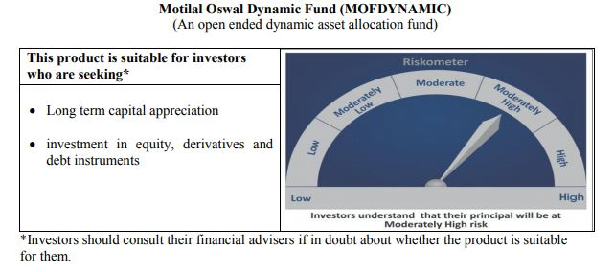
 | Motilal Oswal Dynamic Fund
 | Portfolio as on July 31, 2020

Sr. No. | Name of Instrument |  |  | ISIN | Rating / Industry | Quantity | Market value (Rs. In lakhs) | % to Net Assets |  |  | Sector / Rating | Percent
 |  |  |  |  |  |  |  |  |  |  | Banks | 19.31%
 | EQUITY & EQUITY RELATED |  |  |  |  |  |  |  |  |  | Finance | 14.60%
 | Listed / awaiting listing on the stock exchanges |  |  |  |  |  |  |  |  |  | Consumer Non Durables | 9.58%
1 | Reliance Industries Limited |  |  | INE002A01018 | Petroleum Products | 313000 | 6,470.02 | 5.83% | Listed |  | Auto | 6.46%
2 | Axis Bank Limited |  |  | INE238A01034 | Banks | 1336800 | 5,770.30 | 5.20% |  |  | Sovereign | 5.86%
3 | ICICI Bank Limited |  |  | INE090A01021 | Banks | 1637625 | 5,679.28 | 5.12% |  |  | Petroleum Products | 5.83%
4 | HDFC Life Insurance Company Limited |  |  | INE795G01014 | Finance | 868000 | 5,443.23 | 4.91% |  |  | Software | 5.41%
5 | HDFC Bank Limited |  |  | INE040A01034 | Banks | 449000 | 4,637.27 | 4.18% |  |  | Telecom - Services | 2.42%
6 | Infosys Limited |  |  | INE009A01021 | Software | 362000 | 3,496.92 | 3.15% |  |  | Consumer Durables | 1.66%
7 | Maruti Suzuki India Limited |  |  | INE585B01010 | Auto | 52000 | 3,256.63 | 2.94% |  |  | Gas | 1.44%
8 | Housing Development Finance Corporation Limited |  |  | INE001A01036 | Finance | 180000 | 3,207.51 | 2.89% |  |  | Pharmaceuticals | 0.94%
9 | Bajaj Finance Limited |  |  | INE296A01024 | Finance | 90500 | 2,942.43 | 2.65% |  |  | Cash & Equivalent | 26.50%
10 | AU Small Finance Bank Limited |  |  | INE949L01017 | Banks | 387000 | 2,865.54 | 2.58%
11 | Eicher Motors Limited |  |  | INE066A01013 | Auto | 13600 | 2,806.86 | 2.53%
12 | Bharti Airtel Limited |  |  | INE397D01024 | Telecom - Services | 483000 | 2,679.93 | 2.42%
13 | Tata Consultancy Services Limited |  |  | INE467B01029 | Software | 110000 | 2,509.54 | 2.26%
14 | Kotak Mahindra Bank Limited |  |  | INE237A01028 | Banks | 181000 | 2,472.01 | 2.23%
15 | Britannia Industries Limited |  |  | INE216A01030 | Consumer Non Durables | 63256 | 2,418.66 | 2.18%
16 | United Spirits Limited |  |  | INE854D01024 | Consumer Non Durables | 402000 | 2,336.42 | 2.11%
17 | ICICI Lombard General Insurance Company Limited |  |  | INE765G01017 | Finance | 174000 | 2,268.26 | 2.04%
18 | Hindustan Unilever Limited |  |  | INE030A01027 | Consumer Non Durables | 95924 | 2,119.82 | 1.91%
19 | Asian Paints Limited |  |  | INE021A01026 | Consumer Non Durables | 121000 | 2,075.76 | 1.87%
20 | Titan Company Limited |  |  | INE280A01028 | Consumer Durables | 176000 | 1,836.12 | 1.66%
21 | Nestle India Limited |  |  | INE239A01016 | Consumer Non Durables | 10150 | 1,677.00 | 1.51%
22 | Petronet LNG Limited |  |  | INE347G01014 | Gas | 644000 | 1,596.15 | 1.44%
23 | Hero MotoCorp Limited |  |  | INE158A01026 | Auto | 41000 | 1,097.37 | 0.99%
24 | Alkem Laboratories Limited |  |  | INE540L01014 | Pharmaceuticals | 39000 | 1,038.22 | 0.94%
25 | Muthoot Finance Limited |  |  | INE414G01012 | Finance | 75000 | 955.35 | 0.86%
26 | HDFC Asset Management Company Limited |  |  | INE127D01025 | Finance | 30000 | 725.90 | 0.65%
27 | Nippon Life India Asset Management Limited |  |  | INE298J01013 | Finance | 245000 | 651.33 | 0.59%
 | Total |  |  |  |  |  | 75,033.83 | 67.64% | Listed

 | Fixed Deposit
1 | HDFC Bank Limited |  |  |  | Unrated | 300000000 | 3,000.00 | 2.70%
 | Total |  |  |  |  |  | 3,000.00 | 2.70%

 | DERIVATIVES
1 | Axis Bank Limited |  |  |  |  | -1,336,800 | (5,798.37) | -5.23%
2 | ICICI Bank Limited |  |  |  |  | -1,637,625 | (5,711.22) | -5.15%
 | Total |  |  |  |  |  | (11,509.59) | -10.38%

 | State Government Bond
 | Listed / awaiting listing on the stock exchanges
1 | 8.90% TAMILNADU SDL-20-Sep-2022 |  |  | IN3120120065 | Sovereign | 3000000 | 3,261.37 | 2.94%
2 | 8.48% KARNATAKA SDL-17-Oct-2022 |  |  | IN1920180024 | Sovereign | 3000000 | 3,242.86 | 2.92%
 | Total |  |  |  |  |  | 6,504.23 | 5.86%

51 | CBLO / Reverse Repo Investments |  |  |  |  | 23532000 | 23,527.93 | 21.21% |  | Deposits
 | Total |  |  |  |  |  | 23,527.93 | 21.21%

 | Cash & Cash Equivalents
 | Net Receivable/Payable |  |  |  |  |  | 14,378.39 | 12.96%
 | Total |  |  |  |  |  | 14,378.39 | 12.96%
 | Grand Total |  |  |  |  |  | 110,934.79 | 100.00%

 | Total Expense Ratio
 | Direct Plan : | 0.83%
 | Regular Plan : | 2.23%

 | NAV |  | Direct Growth Plan |  | 13.9683
 |  |  | Direct Plan - Annual Dividend |  | 12.8228
 |  |  | Direct Plan - Quarterly Dividend |  | 11.7421
 |  |  | Regular Growth Plan |  | 13.3771
 |  |  | Regular Plan - Annual Dividend |  | 12.5832
 |  |  | Regular Plan - Quarterly Dividend |  | 11.7868

 | Monthly AAUM in Crores |  |  |  | 1,121.48

 | Latest AUM (31 July 2020 ) in Crores |  |  |  | 1109.34790792

 | Portfolio Turnover Ratio |  |  |  | 3.53

 | Quarterly Dividend (Direct Plan)
 | Record Date Dividend Option | Dividend per Unit (Rs.) | Cum Dividend NAV | EX Dividend NAV
 | 31-Jul-20 | 0.300000 | 12.0421 | 11.7421
 | 5-May-20 | 0.300000 | 10.7238 | 10.4248
 | 15-Jan-20 | 0.200000 | 12.4614 | 12.2614
 | 31-Oct-19 | 0.150000 | 12.3489 | 12.1989
 | 30-Jul-19 | 0.200000 | 11.6058 | 11.4058
 | 21-Jan-19 | 0.300000 | 11.5864 | 11.2864

 | Quarterly Dividend (Regular Plan)
 | Record Date Dividend Option | Dividend per Unit (Rs.) | Cum Dividend NAV | EX Dividend NAV
 | 31-Jul-20 | 0.300000 | 12.0868 | 11.7868
 | 5-May-20 | 0.238542 | 10.7364 | 10.4978
 | 15-Jan-20 | 0.050000 | 12.3753 | 12.3253
 | 21-Jan-19 | 0.300000 | 11.2969 | 10.9969

 | Annual Dividend( Direct Plan)
 | Record Date (March 20, 2018) | Dividend per Unit (Rs.) | Cum Dividend NAV | EX Dividend NAV
 | 23-Oct-17 | 0.2600 | 11.8446 | 11.5846
 | 20-Mar-18 | 0.1199 | 11.8554 | 11.7355
 | 28-Mar-19 | 0.2681 | 12.1778 | 11.9097
 | 23-Mar-20 | 0.3185 | 10.3185 | 10.0000

 | Annual Dividend( Regular Plan)
 | Record Date (March 28, 2019) | Dividend per Unit (Rs.) | Cum Dividend NAV | EX Dividend NAV
 | 23-Oct-17 | 0.2600 | 11.6879 | 11.4279
 | 28-Mar-19 | 0.3000 | 11.8144 | 11.5144
 | 20-Mar-18 | 0.1500 | 11.6473 | 11.4973

Equity Hybrid
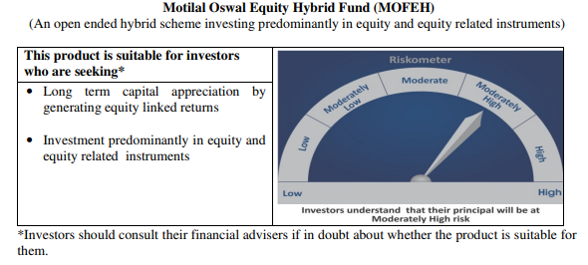
 | Motilal Oswal Equity Hybrid Fund
 | Portfolio as on July 31, 2020

Sr. No. | Name of Instrument |  |  | ISIN | Rating / Industry | Quantity | Market value (Rs. In lakhs) | % to Net Assets | Security Type | Sector / Rating | Percent
 |  |  |  |  |  |  |  |  |  | Finance | 13.41%
 | EQUITY & EQUITY RELATED |  |  |  |  |  |  |  |  | Banks | 12.55%
 | (A) Listed / awaiting listing on the stock exchanges |  |  |  |  |  |  |  |  | Sovereign | 12.05%
1 | HDFC Bank Limited |  |  | INE040A01034 | Banks | 178659 | 1,845.19 | 5.51% | EQUITY | Software | 8.85%
2 | Housing Development Finance Corporation Limited |  |  | INE001A01036 | Finance | 95221 | 1,696.79 | 5.07% |  | Pharmaceuticals | 7.88%
3 | Reliance Industries Limited |  |  | INE002A01018 | Petroleum Products | 82000 | 1,695.02 | 5.06% |  | Petroleum Products | 6.15%
4 | HDFC Life Insurance Company Limited |  |  | INE795G01014 | Finance | 263464 | 1,652.18 | 4.94% |  | Transportation | 5.65%
5 | Tata Consultancy Services Limited |  |  | INE467B01029 | Software | 70627 | 1,611.28 | 4.81% |  | Pesticides | 4.50%
6 | Kotak Mahindra Bank Limited |  |  | INE237A01028 | Banks | 104640 | 1,429.12 | 4.27% |  | Auto | 3.72%
7 | Infosys Limited |  |  | INE009A01021 | Software | 140000 | 1,352.40 | 4.04% |  | CRISIL AAA | 3.17%
8 | Container Corporation of India Limited |  |  | INE111A01025 | Transportation | 295891 | 1,334.76 | 3.99% |  | ICRA A1+ | 2.95%
9 | PI Industries Limited |  |  | INE603J01030 | Pesticides | 75769 | 1,333.95 | 3.99% |  | Industrial Capital Goods | 2.90%
10 | Abbott India Limited |  |  | INE358A01014 | Pharmaceuticals | 6959 | 1,081.17 | 3.23% |  | Cement | 2.69%
11 | ICICI Bank Limited |  |  | INE090A01021 | Banks | 267118 | 926.37 | 2.77% |  | Retailing | 2.57%
12 | Shree Cement Limited |  |  | INE070A01015 | Cement | 4151 | 901.23 | 2.69% |  | Textile Products | 1.16%
13 | Avenue Supermarts Limited |  |  | INE192R01011 | Retailing | 41763 | 861.76 | 2.57% |  | Telecom - Services | 0.96%
14 | Dr. Reddy's Laboratories Limited |  |  | INE089A01023 | Pharmaceuticals | 18002 | 813.88 | 2.43% |  | Cash & Equivalent | 8.84%
15 | Procter & Gamble Health Limited |  |  | INE199A01012 | Pharmaceuticals | 17845 | 741.11 | 2.21%
16 | Eicher Motors Limited |  |  | INE066A01013 | Auto | 3206 | 661.68 | 1.98%
17 | CRISIL Limited |  |  | INE007A01025 | Finance | 38000 | 636.04 | 1.90%
18 | Maruti Suzuki India Limited |  |  | INE585B01010 | Auto | 9295 | 582.12 | 1.74%
19 | ICICI Lombard General Insurance Company Limited |  |  | INE765G01017 | Finance | 38629 | 503.57 | 1.50%
20 | Honeywell Automation India Limited |  |  | INE671A01010 | Industrial Capital Goods | 1820 | 491.36 | 1.47%
21 | ABB India Limited |  |  | INE117A01022 | Industrial Capital Goods | 53433 | 478.20 | 1.43%
22 | Page Industries Limited |  |  | INE761H01022 | Textile Products | 1959 | 388.24 | 1.16%
23 | Castrol India Limited |  |  | INE172A01027 | Petroleum Products | 319385 | 362.34 | 1.08%
24 | Mahindra Logistics Limited |  |  | INE766P01016 | Transportation | 109311 | 325.53 | 0.97%
25 | Bharti Airtel Limited |  |  | INE397D01024 | Telecom - Services | 58000 | 321.81 | 0.96%
26 | Gujarat Pipavav Port Limited |  |  | INE517F01014 | Transportation | 309634 | 232.07 | 0.69%
27 | Bayer Cropscience Limited |  |  | INE462A01022 | Pesticides | 3078 | 170.93 | 0.51%
 | Total |  |  |  |  |  | 24,430.12 | 72.99%

 | BONDS & NCDs
 | Listed / awaiting listing on the stock exchanges
1 | Housing Development Finance Corporation Limited |  |  | INE001A07RU9 | CRISIL AAA | 1000000 | 1,054.13 | 3.15%
2 | Britannia Industries Limited |  |  | INE216A07052 | CRISIL AAA | 16599 | 5.32 | 0.02%
 | Total |  |  |  |  |  | 1,059.45 | 3.17%

 | State Government Bond
 | Listed / awaiting listing on the stock exchanges
1 | 6.81% MAHARASHTRA SDL-08-Nov-2022 |  |  | IN2220170145 | Sovereign | 4000000 | 4,035.05 | 12.05%
 | Total |  |  |  |  |  | 4,035.05 | 12.05%

 | MONEY MARKET INSTRUMENT
 | CERTIFICATE OF DEPOSIT
1 | Axis Bank Limited |  |  | INE238A166S7 | ICRA A1+ | 1000000 | 987.09 | 2.95%
 | Total |  |  |  |  |  | 987.09 | 2.95%

53 | CBLO / Reverse Repo Investments |  |  |  |  | 1641000 | 1,640.72 | 4.90% | Deposits
 | Total |  |  |  |  |  | 1,640.72 | 4.90%

 | Cash & Cash Equivalents
 | Net Receivable/Payable |  |  |  |  |  | 1,319.78 | 3.94%
 | Total |  |  |  |  |  | 1,319.78 | 3.94%
 | Grand Total |  |  |  |  |  | 33,472.20 | 100.00%

 | Total Expense Ratio
 | Direct Plan : | 0.64%
 | Regular Plan : | 2.53%

 | NAV |  | Direct Growth Plan |  | 11.6154
 |  |  | Regular Growth Plan |  | 11.2739

 | Monthly AAUM in Crores |  |  |  | 332.92

 | Latest AUM (31 July 2020 ) in Crores |  |  |  | 334.7220005

 | Portfolio Turnover Ratio |  |  |  | 0.65

Liquid Fund
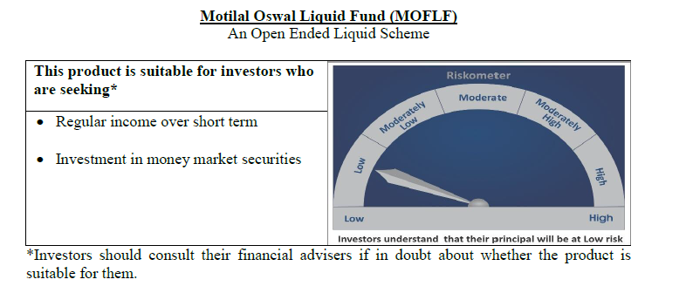
 | Motilal Oswal Liquid Fund
 | Portfolio as on July 31, 2020

Sr. No. | Name of Instrument |  |  | ISIN | Rating / Industry | Quantity | Market value (Rs. In lakhs) | % to Net Assets | Security Type | Sector / Rating | Percent
 |  |  |  |  |  |  |  |  |  | Sovereign | 88.18%
 | Unlisted |  |  |  |  |  |  |  |  | FITCH A1+ | 3.57%
 | MONEY MARKET INSTRUMENT |  |  |  |  |  |  |  |  | Cash & Equivalent | 8.24%
 | Treasury Bill
1 | 91 Days Tbill - 10-Sep-2020 |  |  | IN002020X126 | Sovereign | 15000000 | 14,946.20 | 21.52%
2 | 182 Days Tbill - 20-Aug-2020 |  |  | IN002019Y480 | Sovereign | 11500000 | 11,479.92 | 16.53%
3 | 91 Days Tbill - 24-Sep-2020 |  |  | IN002020X142 | Sovereign | 10000000 | 9,951.64 | 14.33%
4 | 364 Days Tbill - 01-Oct-2020 |  |  | IN002019Z289 | Sovereign | 10000000 | 9,945.36 | 14.32%
5 | 91 Days Tbill - 22-Oct-2020 |  |  | IN002020X183 | Sovereign | 10000000 | 9,927.07 | 14.29%
6 | 91 Days Tbill - 07-Aug-2020 |  |  | IN002020X068 | Sovereign | 5000000 | 4,997.22 | 7.20%
 | Total |  |  |  |  |  | 61,247.40 | 88.18%

 | MONEY MARKET INSTRUMENT
 | CERTIFICATE OF DEPOSIT
1 | Bank of Baroda |  |  | INE028A16CB5 | FITCH A1+ | 2500000 | 2,482.81 | 3.57%
 | Total |  |  |  |  |  | 2,482.81 | 3.57%

53 | CBLO / Reverse Repo Investments |  |  |  |  | 10460000 | 10,458.19 | 15.06% | Deposits
 | Total |  |  |  |  |  | 10,458.19 | 15.06%

 | Cash & Cash Equivalents
 | Net Receivable/Payable |  |  |  |  |  | (4,734.51) | -6.82%
 | Total |  |  |  |  |  | (4,734.51) | -6.82%
 | Grand Total |  |  |  |  |  | 69,453.90 | 100.00%

 | Total Expense Ratio
 | Direct Plan : | 0.21%
 | Regular Plan : | 0.36%

 | NAV |  | Direct Growth Plan |  | 10.8222
 |  |  | Direct Plan - Daily Dividend |  | 10.0077
 |  |  | Direct Plan - Monthly Dividend |  | 10.0300
 |  |  | Direct Plan - Quarterly Dividend |  | 10.0323
 |  |  | Direct Plan - Weekly Dividend |  | 10.0058
 |  |  | Direct Plan - Fortnightly Dividend |  | 10.0095
 |  |  | Regular Growth Plan |  | 10.7961
 |  |  | Regular Plan - Daily Dividend |  | 10.0055
 |  |  | Regular Plan - Monthly Dividend |  | 10.0300
 |  |  | Regular Plan - Weekly Dividend |  | 10.0130
 |  |  | Regular Plan - Fortnightly Dividend |  | 10.0091
 |  |  | Regular Plan - Quarterly Dividend |  | 10.0277
 |  |  | Unclaimed Dividend Plan Below 3 years |  | 10.5109
 |  |  | Unclaimed Redemption Plan Below 3 years |  | 10.3173

 | Monthly AAUM in Crores |  |  |  | 726.18

 | Latest AUM (31 July 2020 ) in Crores |  |  |  | 694.53899392

 | Monthly Dividend (Direct Plan)
 | Record Date Dividend Option | Dividend per Unit (Rs.) | Cum Dividend NAV | EX Dividend NAV
 | 31-Jul-20 | 0.028138 | 10.0581 | 10.0300
 | 26-Jun-20 | 0.021183 | 10.0512 | 10.0300
 | 29-May-20 | 0.027828 | 10.0578 | 10.0300

 | Monthly Dividend (Regular Plan)
 | Record Date Dividend Option | Dividend per Unit (Rs.) | Cum Dividend NAV | EX Dividend NAV
 | 31-Jul-20 | 0.032714 | 10.0627 | 10.0300
 | 26-Jun-20 | 0.019733 | 10.0497 | 10.0300
 | 29-May-20 | 0.027642 | 10.0577 | 10.0300

 | Quarterly Dividend (Direct Plan)
 | Record Date Dividend Option | Dividend per Unit (Rs.) | Cum Dividend NAV | EX Dividend NAV
 | 26-Jun-20 | 0.086490 | 10.0914 | 10.0034
 | 27-Mar-20 | 0.112873 | 10.1163 | 10.0034
 | 27-Dec-19 | 0.120541 | 10.1240 | 10.0034

 | Quarterly Dividend (Regular Plan)
 | Record Date Dividend Option | Dividend per Unit (Rs.) | Cum Dividend NAV | EX Dividend NAV
 | 26-Jun-20 | 0.439166 | 10.4426 | 10.0034

USTBF
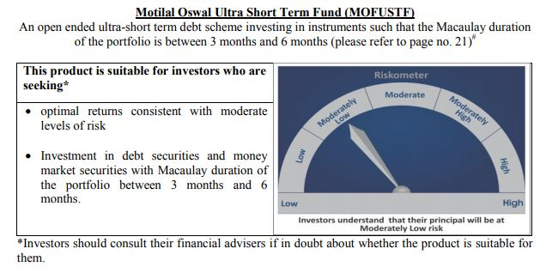
 | Motilal Oswal Ultra Short Term Fund
 | Portfolio as on July 31, 2020

Sr. No. | Name of Instrument |  |  | ISIN | Rating / Industry | Quantity | Market value (Rs. In lakhs) | % to Net Assets | Security Type | Sector / Rating | Percent
 |  |  |  |  |  |  |  |  |  | Sovereign | 78.28%
 | MONEY MARKET INSTRUMENT |  |  |  |  |  |  |  |  | Cash & Equivalent | 21.72%
 | Treasury Bill
1 | 364 Days TBILL - 10-Sep-2020 |  |  | IN002019Z255 | Sovereign | 3000000 | 2,989.24 | 78.28%
 | Total |  |  |  |  |  | 2,989.24 | 78.28%

4 | CBLO / Reverse Repo Investments |  |  |  |  | 789000 | 788.86 | 20.66% | Deposits
 | Total |  |  |  |  |  | 788.86 | 20.66%

 | Cash & Cash Equivalents
 | Net Receivable/Payable |  |  |  |  |  | 40.66 | 1.06%
 | Total |  |  |  |  |  | 40.66 | 1.06%
 | Grand Total |  |  |  |  |  | 3,818.77 | 100.00%

 | Total Expense Ratio
 | Direct Plan : | 0.08%
 | Regular Plan : | 0.08%

 | NAV |  | Direct Growth Plan |  | 13.6532
 |  |  | Direct Plan - Daily Dividend |  | 9.6359
 |  |  | Direct Plan - Fortnightly Dividend |  | 9.6539
 |  |  | Direct Plan - Monthly Dividend |  | 9.6427
 |  |  | Direct Plan - Quarterly Dividend |  | 9.7814
 |  |  | Direct Plan - Weekly Dividend |  | 9.6466
 |  |  | Regular Growth Plan |  | 13.2766
 |  |  | Regular Plan - Daily Dividend |  | 9.6394
 |  |  | Regular Plan - Fortnightly Dividend |  | 9.6497
 |  |  | Regular Plan - Monthly Dividend |  | 9.6398
 |  |  | Regular Plan - Quarterly Dividend |  | 9.7800
 |  |  | Regular Plan - Weekly Dividend |  | 9.6428

 | Monthly AAUM in Crores |  |  |  | 39.21

 | Latest AUM (31 July 2020 ) in Crores |  |  |  | 38.187654424

 | Dividend History
 | Quarterly Dividend (Direct Plan)
 | Record Date Dividend Option | Dividend per Unit (Rs.) | Cum Dividend NAV | EX Dividend NAV
 | 29-Dec-17 | 0.139900 | 10.1607 | 10.0208
 | 3-Apr-18 | 0.157100 | 10.1932 | 10.0361
 | 29-Jun-18 | 0.162900 | 10.1885 | 10.0256

 | Quarterly Dividend (Regular Plan)
 | Record Date Dividend Option | Dividend per Unit (Rs.) | Cum Dividend NAV | EX Dividend NAV
 | 29-Dec-17 | 0.128300 | 10.1596 | 10.0313
 | 3-Apr-18 | 0.145200 | 10.1917 | 10.0465
 | 29-Jun-18 | 0.151700 | 10.1876 | 10.0359

 | Monthly Dividend (Direct Plan)
 | Record Date Dividend Option | Dividend per Unit (Rs.) | Cum Dividend NAV | EX Dividend NAV
 | 29-Jun-18 | 0.085576 | 10.0860 | 10.0004
 | 27-Jul-18 | 0.052676 | 10.0531 | 10.0004
 | 31-Aug-18 | 0.065273 | 10.0657 | 10.0004

 | Monthly Dividend (Regular Plan)
 | Record Date Dividend Option | Dividend per Unit (Rs.) | Cum Dividend NAV | EX Dividend NAV
 | 29-Jun-18 | 0.081535 | 10.0827 | 10.0012
 | 27-Jul-18 | 0.049133 | 10.0503 | 10.0012
 | 31-Aug-18 | 0.060833 | 10.0619 | 10.0011

M50
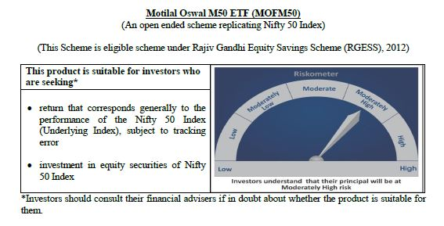
 | Motilal Oswal M50 ETF
 | Portfolio as on July 31, 2020

Sr. No. | Name of Instrument |  |  | ISIN | Rating / Industry | Quantity | Market value (Rs. In lakhs) | % to Net Assets |  | Security Type | Sector / Rating | Percent
 |  |  |  |  |  |  |  |  |  |  | Banks | 22.77%
 |  |  |  |  |  |  |  |  |  |  | Software | 15.97%
 | EQUITY & EQUITY RELATED |  |  |  |  |  |  |  |  |  | Petroleum Products | 15.06%
 | (A) Listed / awaiting listing on the stock exchanges |  |  |  |  |  |  |  |  |  | Consumer Non Durables | 11.61%
1 | Reliance Industries Limited |  |  | INE002A01018 | Petroleum Products | 18759 | 387.77 | 13.88% | Listed | EQUITY | Finance | 9.33%
2 | HDFC Bank Limited |  |  | INE040A01034 | Banks | 25652 | 264.93 | 9.48% |  |  | Auto | 5.56%
3 | Infosys Limited |  |  | INE009A01021 | Software | 21678 | 209.41 | 7.50% |  |  | Pharmaceuticals | 3.15%
4 | Housing Development Finance Corporation Limited |  |  | INE001A01036 | Finance | 10236 | 182.40 | 6.53% |  |  | Telecom - Services | 2.82%
5 | Tata Consultancy Services Limited |  |  | INE467B01029 | Software | 6219 | 141.88 | 5.08% |  |  | Construction Project | 2.36%
6 | ICICI Bank Limited |  |  | INE090A01021 | Banks | 38325 | 132.91 | 4.76% |  |  | Cement | 2.15%
7 | Kotak Mahindra Bank Limited |  |  | INE237A01028 | Banks | 8666 | 118.36 | 4.24% |  |  | Power | 1.86%
8 | Hindustan Unilever Limited |  |  | INE030A01027 | Consumer Non Durables | 5285 | 116.79 | 4.18% |  |  | Ferrous Metals | 1.05%
9 | ITC Limited |  |  | INE154A01025 | Consumer Non Durables | 51653 | 100.28 | 3.59% |  |  | Consumer Durables | 0.92%
10 | Bharti Airtel Limited |  |  | INE397D01024 | Telecom - Services | 14207 | 78.83 | 2.82% |  |  | Oil | 0.61%
11 | Larsen & Toubro Limited |  |  | INE018A01030 | Construction Project | 7229 | 66.03 | 2.36% |  |  | Minerals/Mining | 0.57%
12 | Axis Bank Limited |  |  | INE238A01034 | Banks | 13361 | 57.67 | 2.06% |  |  | Pesticides | 0.56%
13 | Bajaj Finance Limited |  |  | INE296A01024 | Finance | 1567 | 50.95 | 1.82% |  |  | Non - Ferrous Metals | 0.50%
14 | Maruti Suzuki India Limited |  |  | INE585B01010 | Auto | 787 | 49.29 | 1.76% |  |  | Transportation | 0.50%
15 | Asian Paints Limited |  |  | INE021A01026 | Consumer Non Durables | 2668 | 45.77 | 1.64% |  |  | Gas | 0.38%
16 | HCL Technologies Limited |  |  | INE860A01027 | Software | 6425 | 45.31 | 1.62% |  |  | Telecom - Equipment & Accessories | 0.35%
17 | State Bank of India |  |  | INE062A01020 | Banks | 22712 | 43.48 | 1.56% |  |  | Media & Entertainment | 0.27%
18 | Nestle India Limited |  |  | INE239A01016 | Consumer Non Durables | 211 | 34.86 | 1.25% |  |  | Cash & Equivalent | 1.64%
19 | Mahindra & Mahindra Limited |  |  | INE101A01026 | Auto | 5666 | 34.36 | 1.23%
20 | Sun Pharmaceutical Industries Limited |  |  | INE044A01036 | Pharmaceuticals | 6390 | 33.98 | 1.22%
21 | Dr. Reddy's Laboratories Limited |  |  | INE089A01023 | Pharmaceuticals | 718 | 32.46 | 1.16%
22 | UltraTech Cement Limited |  |  | INE481G01011 | Cement | 683 | 28.12 | 1.01%
23 | Power Grid Corporation of India Limited |  |  | INE752E01010 | Power | 15172 | 27.05 | 0.97%
24 | Britannia Industries Limited |  |  | INE216A01030 | Consumer Non Durables | 697 | 26.65 | 0.95%
25 | Titan Company Limited |  |  | INE280A01028 | Consumer Durables | 2469 | 25.76 | 0.92%
26 | NTPC Limited |  |  | INE733E01010 | Power | 28694 | 24.96 | 0.89%
27 | Tech Mahindra Limited |  |  | INE669C01036 | Software | 3659 | 24.94 | 0.89%
28 | Wipro Limited |  |  | INE075A01022 | Software | 8793 | 24.70 | 0.88%
29 | Bajaj Auto Limited |  |  | INE917I01010 | Auto | 771 | 23.17 | 0.83%
30 | Bajaj Finserv Limited |  |  | INE918I01018 | Finance | 358 | 22.22 | 0.80%
31 | Cipla Limited |  |  | INE059A01026 | Pharmaceuticals | 3006 | 21.65 | 0.77%
32 | Hero MotoCorp Limited |  |  | INE158A01026 | Auto | 768 | 20.56 | 0.74%
33 | Bharat Petroleum Corporation Limited |  |  | INE029A01011 | Petroleum Products | 4751 | 19.66 | 0.70%
34 | IndusInd Bank Limited |  |  | INE095A01012 | Banks | 3571 | 18.70 | 0.67%
35 | Shree Cement Limited |  |  | INE070A01015 | Cement | 79 | 17.15 | 0.61%
36 | Eicher Motors Limited |  |  | INE066A01013 | Auto | 82 | 16.92 | 0.61%
37 | Oil & Natural Gas Corporation Limited |  |  | INE213A01029 | Oil | 21592 | 16.91 | 0.61%
38 | Tata Steel Limited |  |  | INE081A01012 | Ferrous Metals | 4400 | 16.12 | 0.58%
39 | Coal India Limited |  |  | INE522F01014 | Minerals/Mining | 12401 | 16.03 | 0.57%
40 | UPL Limited |  |  | INE628A01036 | Pesticides | 3255 | 15.56 | 0.56%
41 | Grasim Industries Limited |  |  | INE047A01021 | Cement | 2336 | 14.79 | 0.53%
42 | Hindalco Industries Limited |  |  | INE038A01020 | Non - Ferrous Metals | 8641 | 14.09 | 0.50%
43 | Adani Ports and Special Economic Zone Limited |  |  | INE742F01042 | Transportation | 4449 | 14.02 | 0.50%
44 | Indian Oil Corporation Limited |  |  | INE242A01010 | Petroleum Products | 15044 | 13.31 | 0.48%
45 | JSW Steel Limited |  |  | INE019A01038 | Ferrous Metals | 6009 | 13.23 | 0.47%
46 | Tata Motors Limited |  |  | INE155A01022 | Auto | 10603 | 11.10 | 0.40%
47 | GAIL (India) Limited |  |  | INE129A01019 | Gas | 10944 | 10.58 | 0.38%
48 | Bharti Infratel Limited |  |  | INE121J01017 | Telecom - Equipment & Accessories | 5036 | 9.67 | 0.35%
49 | Zee Entertainment Enterprises Limited |  |  | INE256A01028 | Media & Entertainment | 5401 | 7.49 | 0.27%
50 | HDFC Life Insurance Company Limited |  |  | INE795G01014 | Finance | 818 | 5.13 | 0.18%
 | Total |  |  |  |  |  | 2,747.98 | 98.36% | Listed

 | (B) Unlisted / awaiting listing on the stock exchanges
1 | Yes Bank Limited |  |  |  | Banks | 10040 | 0.00 | 0.00%
 | Total |  |  |  |  |  | 0.00 | 0.00%

 | Cash & Cash Equivalents
 | Net Receivable/Payable |  |  |  |  |  | 45.69 | 1.64%
 | Total |  |  |  |  |  | 45.69 | 1.64%
 | Grand Total |  |  |  |  |  | 2,793.67 | 100.00%
 | Note :
 | Details of the Equity shares have been lent under Securities Lending and Borrowing as follows :
 | Name of the Instrument |  | Quantity
 | HDFCBANK_06/08/2020_LEND |  | 5000

 | Total Expense Ratio
 | Regular Plan : | 0.05%

 | NAV |  | Regular Growth Plan | 108.5053

 | Monthly AAUM in Crores |  |  | 27.46

 | Latest AUM (31 July 2020 ) in Crores |  |  | 27.936708878

 | Portfolio Turnover Ratio |  |  | 0.09

MCAP100
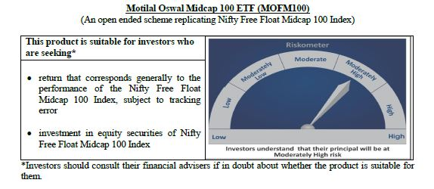
 | Motilal Oswal Midcap 100 ETF
 | Portfolio as on July 31, 2020

Sr. No. | Name of Instrument |  |  | ISIN | Rating / Industry | Quantity | Market value (Rs. In lakhs) | % to Net Assets |  | Security Type | Sector / Rating | Percent
 |  |  |  |  |  |  |  |  |  |  | Finance | 11.51%
 |  |  |  |  |  |  |  |  |  |  | Pharmaceuticals | 9.36%
 | EQUITY & EQUITY RELATED |  |  |  |  |  |  |  |  |  | Consumer Non Durables | 8.88%
 | Listed / awaiting listing on the stock exchanges |  |  |  |  |  |  |  |  |  | Banks | 8.28%
1 | Tata Consumer Products Limited |  |  | INE192A01025 | Consumer Non Durables | 34796 | 148.94 | 3.99% | Listed | EQUITY | Consumer Durables | 7.51%
2 | Apollo Hospitals Enterprise Limited |  |  | INE437A01024 | Healthcare Services | 5578 | 93.41 | 2.51% |  |  | Auto Ancillaries | 6.72%
3 | Voltas Limited |  |  | INE226A01021 | Consumer Durables | 13456 | 80.52 | 2.16% |  |  | Software | 5.56%
4 | AU Small Finance Bank Limited |  |  | INE949L01017 | Banks | 10502 | 77.76 | 2.09% |  |  | Healthcare Services | 4.51%
5 | Jubilant Foodworks Limited |  |  | INE797F01012 | Consumer Non Durables | 4447 | 76.51 | 2.05% |  |  | Industrial Products | 4.30%
6 | IPCA Laboratories Limited |  |  | INE571A01020 | Pharmaceuticals | 3962 | 74.27 | 1.99% |  |  | Auto | 3.56%
7 | MRF Limited |  |  | INE883A01011 | Auto Ancillaries | 120 | 73.26 | 1.96% |  |  | Power | 3.41%
8 | Trent Limited |  |  | INE849A01020 | Retailing | 13010 | 72.61 | 1.95% |  |  | Gas | 3.20%
9 | PI Industries Limited |  |  | INE603J01030 | Pesticides | 3932 | 69.22 | 1.86% |  |  | Retailing | 2.93%
10 | Bharat Electronics Limited |  |  | INE263A01024 | Industrial Capital Goods | 69354 | 66.48 | 1.78% |  |  | Industrial Capital Goods | 2.50%
11 | Crompton Greaves Consumer Electricals Limited |  |  | INE299U01018 | Consumer Durables | 26965 | 65.82 | 1.77% |  |  | Cement | 2.40%
12 | Max Financial Services Limited |  |  | INE180A01020 | Finance | 11273 | 62.95 | 1.69% |  |  | Construction | 2.33%
13 | Alkem Laboratories Limited |  |  | INE540L01014 | Pharmaceuticals | 2361 | 62.85 | 1.69% |  |  | Pesticides | 1.86%
14 | The Federal Bank Limited |  |  | INE171A01029 | Banks | 115850 | 62.44 | 1.67% |  |  | Ferrous Metals | 1.69%
15 | Balkrishna Industries Limited |  |  | INE787D01026 | Auto Ancillaries | 4716 | 62.35 | 1.67% |  |  | Chemicals | 1.37%
16 | SRF Limited |  |  | INE647A01010 | Industrial Products | 1602 | 60.77 | 1.63% |  |  | Fertilisers | 1.32%
17 | Larsen & Toubro Infotech Limited |  |  | INE214T01019 | Software | 2429 | 58.70 | 1.57% |  |  | Telecom - Services | 1.05%
18 | Bharat Forge Limited |  |  | INE465A01025 | Industrial Products | 14604 | 55.78 | 1.50% |  |  | Petroleum Products | 0.97%
19 | MphasiS Limited |  |  | INE356A01018 | Software | 4768 | 55.21 | 1.48% |  |  | Hotels, Resorts And Other Recreational Activities | 0.83%
20 | REC Limited |  |  | INE020B01018 | Finance | 53920 | 54.00 | 1.45% |  |  | Services | 0.81%
21 | City Union Bank Limited |  |  | INE491A01021 | Banks | 42830 | 51.91 | 1.39% |  |  | Construction Project | 0.72%
22 | The Ramco Cements Limited |  |  | INE331A01037 | Cement | 7391 | 51.14 | 1.37% |  |  | Media & Entertainment | 0.59%
23 | Aarti Industries Limited |  |  | INE769A01020 | Chemicals | 5162 | 51.12 | 1.37% |  |  | Oil | 0.54%
24 | Manappuram Finance Limited |  |  | INE522D01027 | Finance | 31913 | 50.58 | 1.36% |  |  | Non - Ferrous Metals | 0.47%
25 | Coromandel International Limited |  |  | INE169A01031 | Fertilisers | 6298 | 49.13 | 1.32% |  |  | Cash & Equivalent | 0.82%
26 | Godrej Properties Limited |  |  | INE484J01027 | Construction | 5270 | 48.83 | 1.31%
27 | Tata Power Company Limited |  |  | INE245A01021 | Power | 98986 | 48.21 | 1.29%
28 | Cholamandalam Investment and Finance Company Limited |  |  | INE121A01024 | Finance | 22852 | 46.28 | 1.24%
29 | LIC Housing Finance Limited |  |  | INE115A01026 | Finance | 17589 | 46.17 | 1.24%
30 | Escorts Limited |  |  | INE042A01014 | Auto | 4059 | 46.03 | 1.23%
31 | TVS Motor Company Limited |  |  | INE494B01023 | Auto | 11866 | 45.98 | 1.23%
32 | RBL Bank Limited |  |  | INE976G01028 | Banks | 26891 | 45.59 | 1.22%
33 | Bata India Limited |  |  | INE176A01028 | Consumer Durables | 3510 | 44.51 | 1.19%
34 | Jindal Steel & Power Limited |  |  | INE749A01030 | Ferrous Metals | 23109 | 42.72 | 1.15%
35 | Natco Pharma Limited |  |  | INE987B01026 | Pharmaceuticals | 5395 | 42.22 | 1.13%
36 | Fortis Healthcare Limited |  |  | INE061F01013 | Healthcare Services | 30261 | 41.76 | 1.12%
37 | Exide Industries Limited |  |  | INE302A01020 | Auto Ancillaries | 26662 | 41.50 | 1.11%
38 | Ashok Leyland Limited |  |  | INE208A01029 | Auto | 83557 | 40.65 | 1.09%
39 | Glenmark Pharmaceuticals Limited |  |  | INE935A01035 | Pharmaceuticals | 8689 | 39.30 | 1.05%
40 | Vodafone Idea Limited |  |  | INE669E01016 | Telecom - Services | 467384 | 39.26 | 1.05%
41 | Pfizer Limited |  |  | INE182A01018 | Pharmaceuticals | 903 | 38.63 | 1.04%
42 | Dalmia Bharat Limited |  |  | INE00R701025 | Cement | 5053 | 38.44 | 1.03%
43 | Whirlpool of India Limited |  |  | INE716A01013 | Consumer Durables | 1843 | 38.21 | 1.02%
44 | Varun Beverages Limited |  |  | INE200M01013 | Consumer Non Durables | 5367 | 38.00 | 1.02%
45 | Jubilant Life Sciences Limited |  |  | INE700A01033 | Pharmaceuticals | 4533 | 36.04 | 0.97%
46 | Rajesh Exports Limited |  |  | INE343B01030 | Consumer Durables | 7890 | 36.03 | 0.97%
47 | Indiabulls Housing Finance Limited |  |  | INE148I01020 | Finance | 18627 | 35.39 | 0.95%
48 | Amara Raja Batteries Limited |  |  | INE885A01032 | Auto Ancillaries | 4763 | 33.78 | 0.91%
49 | Gujarat State Petronet Limited |  |  | INE246F01010 | Gas | 16386 | 33.55 | 0.90%
50 | Dr. Lal Path Labs Limited |  |  | INE600L01024 | Healthcare Services | 1741 | 32.93 | 0.88%
51 | Mahanagar Gas Limited |  |  | INE002S01010 | Gas | 3329 | 32.44 | 0.87%
52 | Castrol India Limited |  |  | INE172A01027 | Petroleum Products | 28153 | 31.94 | 0.86%
53 | Torrent Power Limited |  |  | INE813H01021 | Power | 9773 | 31.81 | 0.85%
54 | Syngene International Limited |  |  | INE398R01022 | Pharmaceuticals | 6505 | 31.72 | 0.85%
55 | Cummins India Limited |  |  | INE298A01020 | Industrial Products | 7890 | 31.69 | 0.85%
56 | The Indian Hotels Company Limited |  |  | INE053A01029 | Hotels, Resorts And Other Recreational Activities | 40687 | 31.06 | 0.83%
57 | Emami Limited |  |  | INE548C01032 | Consumer Non Durables | 12290 | 29.48 | 0.79%
58 | Gujarat Gas Limited |  |  | INE844O01030 | Gas | 9996 | 28.91 | 0.78%
59 | IDFC First Bank Limited |  |  | INE092T01019 | Banks | 103381 | 27.50 | 0.74%
60 | Bharat Heavy Electricals Limited |  |  | INE257A01026 | Industrial Capital Goods | 74842 | 26.91 | 0.72%
61 | GMR Infrastructure Limited |  |  | INE776C01039 | Construction Project | 122719 | 26.69 | 0.72%
62 | Hexaware Technologies Limited |  |  | INE093A01033 | Software | 6598 | 25.17 | 0.68%
63 | MindTree Limited |  |  | INE018I01017 | Software | 2293 | 24.84 | 0.67%
64 | Adani Gas Limited |  |  | INE399L01023 | Gas | 15972 | 24.56 | 0.66%
65 | Ajanta Pharma Limited |  |  | INE031B01049 | Pharmaceuticals | 1470 | 23.95 | 0.64%
66 | Oberoi Realty Limited |  |  | INE093I01010 | Construction | 6759 | 23.65 | 0.63%
67 | Edelweiss Financial Services Limited |  |  | INE532F01054 | Finance | 30400 | 23.12 | 0.62%
68 | L&T Technology Services Limited |  |  | INE010V01017 | Software | 1519 | 22.96 | 0.62%
69 | Mahindra & Mahindra Financial Services Limited |  |  | INE774D01024 | Finance | 17225 | 22.44 | 0.60%
70 | Aditya Birla Fashion and Retail Limited |  |  | INE647O01011 | Retailing | 17984 | 22.43 | 0.60%
71 | L&T Finance Holdings Limited |  |  | INE498L01015 | Finance | 37269 | 22.36 | 0.60%
72 | Sun TV Network Limited |  |  | INE424H01027 | Media & Entertainment | 5724 | 22.15 | 0.59%
73 | Nippon Life India Asset Management Limited |  |  | INE298J01013 | Finance | 8177 | 21.74 | 0.58%
74 | Apollo Tyres Limited |  |  | INE438A01022 | Auto Ancillaries | 19606 | 21.22 | 0.57%
75 | CESC Limited |  |  | INE486A01013 | Power | 3850 | 21.16 | 0.57%
76 | Steel Authority of India Limited |  |  | INE114A01011 | Ferrous Metals | 59986 | 20.40 | 0.55%
77 | NIIT Technologies Limited |  |  | INE591G01017 | Software | 1052 | 20.26 | 0.54%
78 | Oil India Limited |  |  | INE274J01014 | Oil | 20789 | 20.09 | 0.54%
79 | Endurance Technologies Limited |  |  | INE913H01037 | Auto Ancillaries | 2043 | 18.50 | 0.50%
80 | Canara Bank |  |  | INE476A01014 | Banks | 17730 | 18.06 | 0.48%
81 | National Aluminium Company Limited |  |  | INE139A01034 | Non - Ferrous Metals | 53102 | 17.39 | 0.47%
82 | Aditya Birla Capital Limited |  |  | INE674K01013 | Finance | 30849 | 16.69 | 0.45%
83 | Godrej Industries Limited |  |  | INE233A01035 | Consumer Non Durables | 4690 | 16.63 | 0.45%
84 | Indiabulls Ventures Limited |  |  | INE274G01010 | Finance | 14333 | 16.35 | 0.44%
85 | Indian Railway Catering And Tourism Corporation Limited |  |  | INE335Y01012 | Services | 1207 | 16.12 | 0.43%
86 | Adani Power Limited |  |  | INE814H01011 | Power | 42570 | 15.07 | 0.40%
87 | V-Guard Industries Limited |  |  | INE951I01027 | Consumer Durables | 9206 | 14.99 | 0.40%
88 | Future Retail Limited |  |  | INE752P01024 | Retailing | 12915 | 14.23 | 0.38%
89 | Prestige Estates Projects Limited |  |  | INE811K01011 | Construction | 7220 | 14.22 | 0.38%
90 | Quess Corp Limited |  |  | INE615P01015 | Services | 3858 | 14.16 | 0.38%
91 | Bombay Burmah Trading Corporation Limited |  |  | INE050A01025 | Consumer Non Durables | 1053 | 13.25 | 0.36%
92 | Polycab India Limited |  |  | INE455K01017 | Industrial Products | 1471 | 12.07 | 0.32%
93 | JSW Energy Limited |  |  | INE121E01018 | Power | 23852 | 10.95 | 0.29%
94 | Union Bank of India |  |  | INE692A01016 | Banks | 37218 | 10.79 | 0.29%
95 | Bank of India |  |  | INE084A01016 | Banks | 20940 | 9.85 | 0.26%
96 | Godrej Agrovet Limited |  |  | INE850D01014 | Consumer Non Durables | 1784 | 8.19 | 0.22%
97 | PNB Housing Finance Limited |  |  | INE572E01012 | Finance | 3418 | 7.15 | 0.19%
98 | IDBI Bank Limited |  |  | INE008A01015 | Banks | 11906 | 4.61 | 0.12%
99 | Mangalore Refinery and Petrochemicals Limited |  |  | INE103A01014 | Petroleum Products | 11199 | 4.08 | 0.11%
100 | Housing & Urban Development Corporation Limited |  |  | INE031A01017 | Finance | 11630 | 3.92 | 0.11%
 | Total |  |  |  |  |  | 3,697.65 | 99.18% | Listed

 | MONEY MARKET INSTRUMENT
 | CBLO / Reverse Repo Investments |  |  |  |  | 3000 | 3.00 | 0.08%
 | Total |  |  |  |  |  | 3.00 | 0.08%

 | Cash & Cash Equivalents
 | Net Receivable/Payable |  |  |  |  |  | 27.67 | 0.74%
 | Total |  |  |  |  |  | 27.67 | 0.74%
 | Grand Total |  |  |  |  |  | 3,728.32 | 100.00%
 | Note :
 | Details of the Equity shares have been lent under Securities Lending and Borrowing as follows :
 | Name of the Instrument |  | Quantity
 | TVSMOTOR_06/08/2020_LEND |  | 4800
 | M&M_03/09/2020_LEND |  | 4300
 | APOLLOHOSP_03/09/2020_LEND |  | 2200

 | Total Expense Ratio
 | Regular Plan : | 0.20%

 | NAV |  | Regular Growth Plan | 16.2781

 | Monthly AAUM in Crores |  |  | 37.37

 | Latest AUM (31 July 2020 ) in Crores |  |  | 37.283206922

 | Portfolio Turnover Ratio |  |  | 0.39

N100
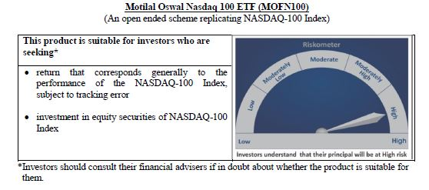
 | Motilal Oswal Nasdaq 100 ETF
 | Portfolio as on July 31, 2020

Sr. No. | Name of Instrument |  |  | ISIN | Rating / Industry | Quantity | Market value (Rs. In lakhs) | % to Net Assets | Security Type | Sector / Rating | Percent
 |  |  |  |  |  |  |  |  |  | Software & Services | 33.72%
 |  |  |  |  |  |  |  |  |  | Retailing | 15.28%
 | EQUITY & EQUITY RELATED |  |  |  |  |  |  |  |  | Technology Hardware & Equipment | 15.17%
 | Listed / awaiting listing on the stock exchanges |  |  |  |  |  |  |  |  | Semiconductors & Semiconductor | 11.05%
1 | Apple Inc. |  |  | US0378331005 | Technology Hardware & Equipment | 57097 | 16,444.96 | 12.05% | EQUITY | Pharmaceuticals Biotechnology | 5.52%
2 | Microsoft Corp |  |  | US5949181045 | Software & Services | 99881 | 15,245.08 | 11.17% |  | Media | 3.80%
3 | Amazon Com Inc |  |  | US0231351067 | Retailing | 6555 | 14,975.10 | 10.97% |  | Food Beverage & Tobacco | 3.26%
4 | Facebook Inc |  |  | US30303M1027 | Software & Services | 31658 | 5,557.20 | 4.07% |  | Automobiles & Components | 2.53%
5 | Alphabet Inc A |  |  | US02079K3059 | Software & Services | 4552 | 5,241.95 | 3.84% |  | Health Care Equipment & Services | 1.81%
6 | Alphabet Inc |  |  | US02079K1079 | Software & Services | 4416 | 5,062.46 | 3.71% |  | Food & Staples Retailing | 1.65%
7 | Tesla Inc |  |  | US88160R1014 | Automobiles & Components | 3098 | 3,449.57 | 2.53% |  | Telecommunication Services | 1.20%
8 | Nvidia Corp Com |  |  | US67066G1040 | Semiconductors & Semiconductor | 10340 | 3,286.16 | 2.41% |  | Consumer Services | 1.08%
9 | Paypal Holdings Inc |  |  | US70450Y1038 | Software & Services | 19719 | 2,841.63 | 2.08% |  | Application Software | 0.91%
10 | Netflix Inc |  |  | US64110L1061 | Retailing | 7404 | 2,692.49 | 1.97% |  | Utilities | 0.68%
11 | Adobe Inc |  |  | US00724F1012 | Software & Services | 8109 | 2,664.05 | 1.95% |  | Commercial & Professional Services | 0.57%
12 | Intel Corp |  |  | US4581401001 | Semiconductors & Semiconductor | 71141 | 2,555.64 | 1.87% |  | Capital Goods | 0.52%
13 | Comcast Corp-Class A |  |  | US20030N1019 | Media | 76539 | 2,502.05 | 1.83% |  | Transportation | 0.49%
14 | Cisco Sys Inc Com |  |  | US17275R1023 | Technology Hardware & Equipment | 70954 | 2,466.60 | 1.81% |  | Consumer Durables & Apparel | 0.37%
15 | Pepsico Inc |  |  | US7134481081 | Food Beverage & Tobacco | 23298 | 2,401.32 | 1.76% |  | Diversified Support Services | 0.20%
16 | Amgen Inc |  |  | US0311621009 | Pharmaceuticals Biotechnology | 9878 | 1,820.04 | 1.33% |  | Technology Distributors | 0.15%
17 | Costco Whsl Corp New Com |  |  | US22160K1051 | Food & Staples Retailing | 7432 | 1,807.08 | 1.32% |  | Cash & Equivalent | 0.04%
18 | T-Mobile Us Inc |  |  | US8725901040 | Telecommunication Services | 20772 | 1,640.13 | 1.20%
19 | Broadcom Inc |  |  | US11135F1012 | Semiconductors & Semiconductor | 6730 | 1,572.31 | 1.15%
20 | Qualcomm Inc |  |  | US7475251036 | Technology Hardware & Equipment | 18898 | 1,516.35 | 1.11%
21 | Texas Instrs Inc Com |  |  | US8825081040 | Semiconductors & Semiconductor | 15417 | 1,487.47 | 1.09%
22 | Charter Communications Inc |  |  | US16119P1084 | Media | 3470 | 1,463.55 | 1.07%
23 | Advanced Micro Devices Com |  |  | US0079031078 | Semiconductors & Semiconductor | 19671 | 1,151.50 | 0.84%
24 | Gilead Sciences Inc |  |  | US3755581036 | Pharmaceuticals Biotechnology | 21069 | 1,140.75 | 0.84%
25 | Starbucks Ord |  |  | US8552441094 | Consumer Services | 19625 | 1,125.89 | 0.82%
26 | Intuitive Surgical Inc |  |  | US46120E6023 | Health Care Equipment & Services | 1966 | 1,011.62 | 0.74%
27 | Mondelez International Inc |  |  | US6092071058 | Food Beverage & Tobacco | 23971 | 1,000.73 | 0.73%
28 | Intuit Inc |  |  | US4612021034 | Software & Services | 4372 | 994.71 | 0.73%
29 | Vertex Pharmaceuticals Inc Com Usd0.01 |  |  | US92532F1003 | Pharmaceuticals Biotechnology | 4348 | 909.38 | 0.67%
30 | Booking Holdings Inc |  |  | US09857L1089 | Retailing | 688 | 869.21 | 0.64%
31 | Fiserv Inc Com |  |  | US3377381088 | Software & Services | 11244 | 845.47 | 0.62%
32 | Regeneron Pharmaceutic Com |  |  | US75886F1075 | Pharmaceuticals Biotechnology | 1680 | 794.13 | 0.58%
33 | Activision Blizzard Inc |  |  | US00507V1098 | Software & Services | 12961 | 792.67 | 0.58%
34 | Applied Matls Inc Com |  |  | US0382221051 | Semiconductors & Semiconductor | 15396 | 742.43 | 0.54%
35 | Jd Com Inc Adr |  |  | US47215P1066 | Retailing | 15585 | 726.70 | 0.53%
36 | Automatic Data Process Com |  |  | US0530151036 | Software & Services | 7209 | 717.13 | 0.53%
37 | Illumina Inc |  |  | US4523271090 | Pharmaceuticals Biotechnology | 2486 | 712.33 | 0.52%
38 | Micron Technology Inc Com |  |  | US5951121038 | Semiconductors & Semiconductor | 18694 | 710.04 | 0.52%
39 | Lam Research Corp Com |  |  | US5128071082 | Semiconductors & Semiconductor | 2457 | 696.22 | 0.51%
40 | Mercadolibre Inc |  |  | US58733R1023 | Software & Services | 828 | 686.44 | 0.50%
41 | Csx Corp |  |  | US1264081035 | Transportation | 12846 | 675.43 | 0.49%
42 | Autodesk Inc Com |  |  | US0527691069 | Software & Services | 3673 | 649.15 | 0.48%
43 | Biogen Inc |  |  | US09062X1037 | Pharmaceuticals Biotechnology | 2744 | 564.58 | 0.41%
44 | Analog Devices Inc Com |  |  | US0326541051 | Semiconductors & Semiconductor | 6195 | 539.32 | 0.40%
45 | The Kraft Heinz Company |  |  | US5007541064 | Food Beverage & Tobacco | 20514 | 528.09 | 0.39%
46 | Zoom Video Communications Inc |  |  | US98980L1017 | Media | 2814 | 526.62 | 0.39%
47 | Monster Beverage Corp |  |  | US61174X1090 | Food Beverage & Tobacco | 8858 | 516.01 | 0.38%
48 | Lululemon Athletica Inc |  |  | US5500211090 | Consumer Durables & Apparel | 2089 | 506.12 | 0.37%
49 | Electronic Arts Inc Com |  |  | US2855121099 | Software & Services | 4852 | 503.36 | 0.37%
50 | Dexcom Inc |  |  | US2521311074 | Health Care Equipment & Services | 1544 | 498.56 | 0.37%
51 | Docusign, Inc |  |  | US2561631068 | Application Software | 3063 | 490.53 | 0.36%
52 | Ebay Inc |  |  | US2786421030 | Software & Services | 11809 | 483.71 | 0.35%
53 | Exelon Corp |  |  | US30161N1019 | Utilities | 16391 | 472.02 | 0.35%
54 | Cognizant Technology Solutions Corp |  |  | US1924461023 | Software & Services | 9082 | 470.32 | 0.34%
55 | Xcel Energy Inc Com |  |  | US98389B1008 | Utilities | 8836 | 456.39 | 0.33%
56 | O'Reilly Automotive Inc |  |  | US67103H1077 | Retailing | 1255 | 451.42 | 0.33%
57 | Walgreens Boots Alliance Inc Wba |  |  | US9314271084 | Food & Staples Retailing | 14735 | 448.26 | 0.33%
58 | Netease Inc-Adr |  |  | US64110W1027 | Software & Services | 1252 | 422.88 | 0.31%
59 | Splunk Inc |  |  | US8486371045 | Application Software | 2675 | 419.28 | 0.31%
60 | Nxp Semiconductors N.V. |  |  | NL0009538784 | Semiconductors & Semiconductor | 4698 | 412.23 | 0.30%
61 | Baidu Inc Spon Adr |  |  | US0567521085 | Software & Services | 4634 | 409.32 | 0.30%
62 | Idexx Laboratories Inc Com Usd0.10 |  |  | US45168D1046 | Health Care Equipment & Services | 1425 | 399.05 | 0.29%
63 | Cintas Corp Com |  |  | US1729081059 | Commercial & Professional Services | 1766 | 398.98 | 0.29%
64 | Ross Stores Inc Com |  |  | US7782961038 | Retailing | 5987 | 398.64 | 0.29%
65 | Workday Inc |  |  | US98138H1014 | Software & Services | 2917 | 394.31 | 0.29%
66 | Kla-Tencor Corp Com |  |  | US4824801009 | Semiconductors & Semiconductor | 2614 | 387.24 | 0.28%
67 | Verisk Analytics Inc |  |  | US92345Y1064 | Commercial & Professional Services | 2730 | 382.50 | 0.28%
68 | Synopsys Inc Com |  |  | US8716071076 | Software & Services | 2546 | 379.91 | 0.28%
69 | Moderna Inc |  |  | US60770K1079 | Pharmaceuticals Biotechnology | 6520 | 378.88 | 0.28%
70 | Cadence Design System Com |  |  | US1273871087 | Software & Services | 4701 | 378.82 | 0.28%
71 | Seattle Genetics |  |  | US8125781026 | Pharmaceuticals Biotechnology | 2903 | 371.90 | 0.27%
72 | Paccar Inc Com |  |  | US6937181088 | Capital Goods | 5797 | 367.16 | 0.27%
73 | Asml Holding Nv |  |  | USN070592100 | Semiconductors & Semiconductor | 1297 | 352.17 | 0.26%
74 | Marriott International -Cl A |  |  | US5719032022 | Consumer Services | 5455 | 349.17 | 0.26%
75 | Xilinx Inc Com |  |  | US9839191015 | Semiconductors & Semiconductor | 4091 | 342.59 | 0.25%
76 | Fastenal Co |  |  | US3119001044 | Capital Goods | 9632 | 338.23 | 0.25%
77 | Ansys |  |  | US03662Q1058 | Application Software | 1436 | 332.88 | 0.24%
78 | Paychex Inc Com |  |  | US7043261079 | Software & Services | 6040 | 327.12 | 0.24%
79 | Sirius Xm Holdings Inc |  |  | US82968B1035 | Media | 73597 | 323.39 | 0.24%
80 | Microchip Technology Inc |  |  | US5950171042 | Semiconductors & Semiconductor | 4125 | 315.73 | 0.23%
81 | Verisign Inc Com |  |  | US92343E1029 | Software & Services | 1949 | 304.16 | 0.22%
82 | Skyworks Solutions Inc Com |  |  | US83088M1027 | Semiconductors & Semiconductor | 2803 | 298.35 | 0.22%
83 | Align Technology Inc |  |  | US0162551016 | Health Care Equipment & Services | 1327 | 294.16 | 0.22%
84 | Alexion Pharmaceuticals Inc |  |  | US0153511094 | Pharmaceuticals Biotechnology | 3699 | 290.21 | 0.21%
85 | Dollar Tree Inc |  |  | US2567461080 | Retailing | 3996 | 281.03 | 0.21%
86 | Biomarin Pharmaceutical Inc Com Usd0.001 |  |  | US09061G1013 | Pharmaceuticals Biotechnology | 3026 | 275.71 | 0.20%
87 | Copart |  |  | US2172041061 | Diversified Support Services | 3957 | 274.67 | 0.20%
88 | Incyte Genomics Inc Com |  |  | US45337C1027 | Pharmaceuticals Biotechnology | 3644 | 274.17 | 0.20%
89 | Cerner Corp |  |  | US1567821046 | Health Care Equipment & Services | 5102 | 272.15 | 0.20%
90 | Maxim Integrated Prods Com |  |  | US57772K1016 | Semiconductors & Semiconductor | 4465 | 230.66 | 0.17%
91 | Take-Two Interactive S Com |  |  | US8740541094 | Software & Services | 1923 | 229.69 | 0.17%
92 | Check Point Software T Ord |  |  | IL0010824113 | Software & Services | 2387 | 220.74 | 0.16%
93 | Citrix Systems Inc Com |  |  | US1773761002 | Software & Services | 2075 | 220.08 | 0.16%
94 | Cdw Corporation |  |  | US12514G1085 | Technology Distributors | 2376 | 205.77 | 0.15%
95 | Trip.Com Group Ltd |  |  | US89677Q1076 | Retailing | 8801 | 180.91 | 0.13%
96 | Western Digital Corp Com |  |  | US9581021055 | Technology Hardware & Equipment | 5028 | 160.94 | 0.12%
97 | Expedia Inc |  |  | US30212P3038 | Retailing | 2267 | 144.13 | 0.11%
98 | Ulta Beauty Inc |  |  | US90384S3031 | Retailing | 934 | 138.86 | 0.10%
99 | Liberty Global Inc-C W/I Com Ser C |  |  | GB00B8W67B19 | Media | 6918 | 119.11 | 0.09%
100 | Netapp Inc |  |  | US64110D1046 | Technology Hardware & Equipment | 3705 | 118.84 | 0.09%
101 | Fox-Registered Shs-A |  |  | US35137L1052 | Media | 5748 | 111.10 | 0.08%
102 | Fox-Registered Shares-B |  |  | US35137L2043 | Media | 4377 | 84.80 | 0.06%
103 | Liberty Global Plc |  |  | GB00B8W67662 | Media | 3049 | 53.80 | 0.04%
 | Total |  |  |  |  |  | 136,466.87 | 99.96%

 | Cash & Cash Equivalents
 | Net Receivable/Payable |  |  |  |  |  | 58.82 | 0.04%
 | Total |  |  |  |  |  | 58.82 | 0.04%
 | Grand Total |  |  |  |  |  | 136,525.69 | 100.00%

 | Total Expense Ratio
 | Regular Plan : | 0.54%

 | NAV |  | Regular Growth Plan | 784.0233

 | Monthly AAUM in Crores |  |  | 1,255.41

 | Latest AUM (31 July 2020 ) in Crores |  |  | 1365.2568788

 | Portfolio Turnover Ratio |  |  | 0.10

Nasdaq 100 FoF
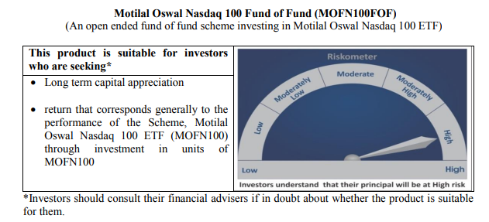
 | Motilal Oswal Nasdaq 100 Fund of Fund
 | Portfolio as on July 31, 2020

Sr. No. | Name of Instrument |  | ISIN | Rating / Industry | Quantity | Market value (Rs. In lakhs) | % to Net Assets | Security Type | Sector / Rating | Percent
 |  |  |  |  |  |  |  |  | INVESTMENT FUNDS/MUTUAL FUNDS | 98.53%
 | INVESTMENT FUNDS/MUTUAL FUNDS |  |  |  |  |  |  |  | Cash & Equivalent | 1.47%
1 | Motilal Oswal MOSt Shares NASDAQ-100 ETF |  | INF247L01031 |  | 10745059 | 85,574.72 | 98.53% | EQUITY
 | Total |  |  |  |  | 85,574.72 | 98.53% | EQUITY
 |  |  |  |  |  |  |  | EQUITY
53 | CBLO / Reverse Repo Investments |  |  |  | 1925000 | 1,924.67 | 2.22% | EQUITY
...
 | NAV | Direct Growth Plan |  | 17.2058
 |  | Regular Growth Plan |  | 17.0912

 | Monthly AAUM in Crores |  |  | 782.88

 | Latest AUM (31 July 2020 ) in Crores |  |  | 868.48631636

 | Portfolio Turnover Ratio |  |  | 0.26

Midcap 150 Index Fund
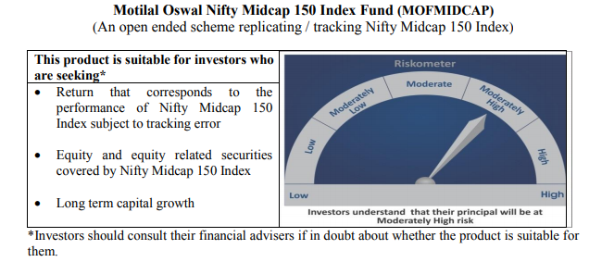
...
NAV | Direct Growth Plan | 10.4672
 | Regular Growth Plan | 10.4062

Monthly AAUM in Crores |  | 58.30

Latest AUM (31 July 2020 ) in Crores |  | 59.203680459

Portfolio Turnover Ratio |  | 0.37

Smallcap 250 Index Fund
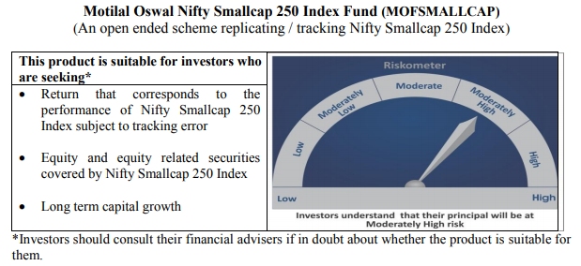
...
NAV | Direct Growth Plan | 9.6871
 | Regular Growth Plan | 9.6302

Monthly AAUM in Crores |  | 38.49

Latest AUM (31 July 2020 ) in Crores |  | 38.993987675

Portfolio Turnover Ratio |  | 0.55

Nifty 500 Index Fund
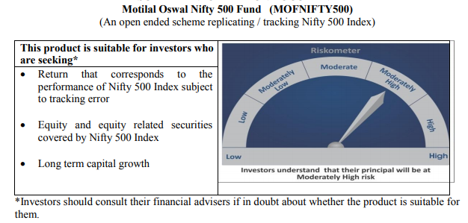
...
NAV | Direct Growth Plan | 10.1935
 | Regular Growth Plan | 10.1340

Monthly AAUM in Crores |  | 50.32

Latest AUM (31 July 2020 ) in Crores |  | 52.4526865

Portfolio Turnover Ratio |  | 0.13

Nifty Bank Index Fund
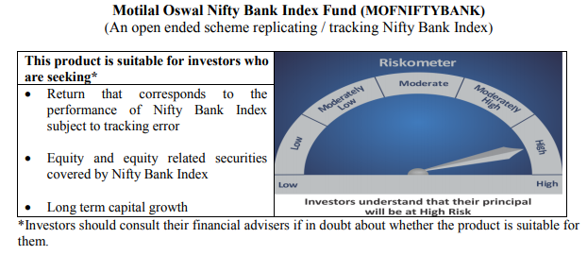
...
NAV | Direct Growth Plan | 7.8959
 | Regular Growth Plan | 7.8503

Monthly AAUM in Crores |  | 51.68

Latest AUM (31 July 2020 ) in Crores |  | 54.418232979

Portfolio Turnover Ratio |  | 0.46

Nifty 50 Index Fund
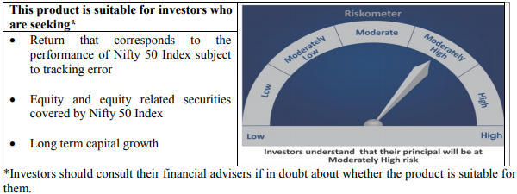
...
NAV | Direct Growth Plan | 9.1255
 | Regular Growth Plan | 9.1033

Monthly AAUM in Crores |  | 43.69

Latest AUM (31 July 2020 ) in Crores |  | 45.082582217

Portfolio Turnover Ratio |  | 0.07

Nifty Next 50 Index Fund
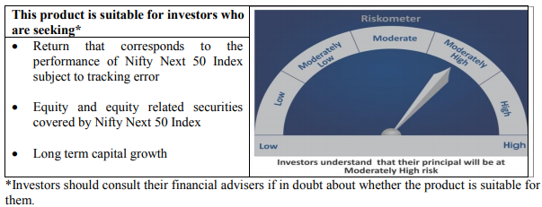
...
NAV | Direct Growth Plan | 9.5034
 | Regular Growth Plan | 9.4663

Monthly AAUM in Crores |  | 38.44

Latest AUM (31 July 2020 ) in Crores |  | 40.017313171

Portfolio Turnover Ratio |  | 0.25

S&P 500 Index Fund
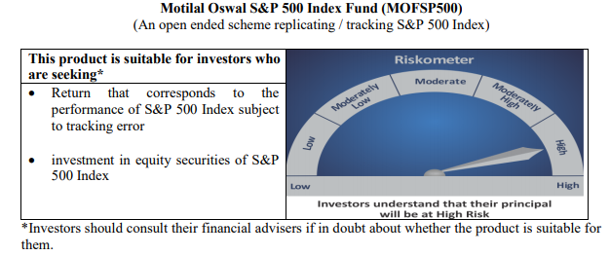
...
NAV | Direct Growth Plan | 11.0151
 | Regular Growth Plan | 10.9950

Monthly AAUM in Crores |  | 299.06

Latest AUM (31 July 2020 ) in Crores |  | 334.33487821

Portfolio Turnover Ratio |  | 0.00

