Focused 25 Fund
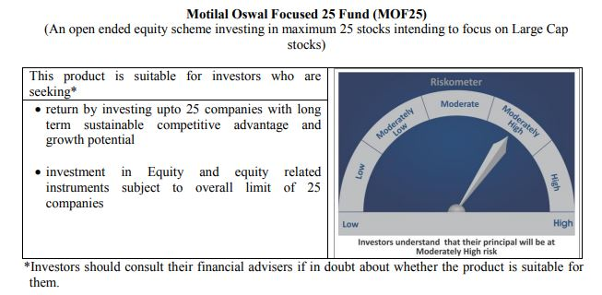
 | Motilal Oswal Focused 25 Fund
 | Portfolio as on November 30, 2020

Sr. No. | Name of Instrument |  | ISIN | Rating / Industry | Quantity | Market value (Rs. In lakhs) | % to Net Assets | Sector / Rating | Percent
 | Equity & Equity related |  |  |  |  |  |  | Banks | 26.31%
 | (a) Listed / awaiting listing on Stock Exchanges |  |  |  |  |  |  | Finance | 17.85%
1 | HDFC Bank Limited |  | INE040A01034 | Banks | 1082600 | 15,598.64 | 10.56% | Software | 13.12%
2 | Housing Development Finance Corporation Limited |  | INE001A01036 | Finance | 643000 | 14,507.69 | 9.82% | Pharmaceuticals | 11.28%
3 | Kotak Mahindra Bank Limited |  | INE237A01028 | Banks | 745438 | 14,216.25 | 9.63% | Transportation | 5.43%
4 | Tata Consultancy Services Limited |  | INE467B01029 | Software | 391085 | 10,479.71 | 7.10% | Pesticides | 4.81%
5 | ICICI Bank Limited |  | INE090A01021 | Banks | 1911975 | 9,050.33 | 6.13% | Cement | 4.03%
6 | Infosys Limited |  | INE009A01021 | Software | 808500 | 8,893.50 | 6.02% | Auto | 3.48%
7 | HDFC Life Insurance Company Limited |  | INE795G01014 | Finance | 1311058 | 8,479.92 | 5.74% | Industrial Capital Goods | 2.63%
8 | PI Industries Limited |  | INE603J01030 | Pesticides | 321761 | 7,105.77 | 4.81% | Retailing | 2.45%
9 | Procter & Gamble Health Limited |  | INE199A01012 | Pharmaceuticals | 102509 | 7,040.42 | 4.77% | Consumer Non Durables | 1.97%
10 | Container Corporation of India Limited |  | INE111A01025 | Transportation | 1421085 | 5,770.32 | 3.91% | Telecom - Services | 1.79%
11 | Abbott India Limited |  | INE358A01014 | Pharmaceuticals | 33399 | 5,143.13 | 3.48% | Textile Products | 1.55%
12 | Shree Cement Limited |  | INE070A01015 | Cement | 18572 | 4,514.18 | 3.06% | Petroleum Products | 1.04%
13 | Dr. Reddy's Laboratories Limited |  | INE089A01023 | Pharmaceuticals | 92776 | 4,480.11 | 3.03% | CRISIL AAA | 0.03%
14 | ABB India Limited |  | INE117A01022 | Industrial Capital Goods | 361740 | 3,884.18 | 2.63% | Cash & Equivalent | 2.24%
15 | Maruti Suzuki India Limited |  | INE585B01010 | Auto | 52169 | 3,670.51 | 2.49%
16 | Avenue Supermarts Limited |  | INE192R01011 | Retailing | 158234 | 3,622.29 | 2.45%
17 | ICICI Lombard General Insurance Company Limited |  | INE765G01017 | Finance | 232710 | 3,377.55 | 2.29%
18 | Hindustan Unilever Limited |  | INE030A01027 | Consumer Non Durables | 135813 | 2,903.95 | 1.97%
19 | Bharti Airtel Limited |  | INE397D01024 | Telecom - Services | 569965 | 2,640.36 | 1.79%
20 | Page Industries Limited |  | INE761H01022 | Textile Products | 10066 | 2,290.51 | 1.55%
21 | Mahindra Logistics Limited |  | INE766P01016 | Transportation | 569380 | 2,248.77 | 1.52%
22 | Reliance Industries Limited |  | INE002A01018 | Petroleum Products | 79235 | 1,529.08 | 1.04%
23 | Eicher Motors Limited |  | INE066A01021 | Auto | 57966 | 1,469.24 | 0.99%
24 | UltraTech Cement Limited |  | INE481G01011 | Cement | 30034 | 1,442.23 | 0.98%
 | Total |  |  |  |  | 144,358.64 | 97.74%
 | (b) Unlisted
 | Total
 | Debt Instruments
 | (a) Listed / awaiting listing on Stock Exchange
1 | Britannia Industries Limited |  | INE216A07052 | CRISIL AAA | 119829 | 38.31 | 0.03%
 | Total |  |  |  |  | 38.31 | 0.03%
 | (b) Privately placed / Unlisted
 | Total
 | Money Market Instruments
 | CBLO/REPO/TREPS
1 | Collateralized Borrowing & Lending Obligation |  |  |  | 1249000 | 1,249.00 | 0.85%
 | Total |  |  |  |  | 1,249.00 | 0.85%
 | Cash & Cash Equivalents
 | Net Receivables / (Payables) |  |  |  |  | 2,052.68 | 1.39%
 | GRAND TOTAL |  |  |  |  | 147,698.63 | 100.00%

 | Total Expense Ratio
 | Total Expense Ratio
 | Direct Plan : | 1.01%
 | Regular Plan : | 2.15%

 | NAV | Direct Dividend |  | 20.3742
 | NAV | Direct Growth |  | 29.6794
 | NAV | Regular Dividend |  | 18.4652
 | NAV | Regular Growth |  | 26.7980

 | Monthly AAUM in Crores |  |  | 1,441.45

 | Latest AUM (30 NOVEMBER 2020) in Crores |  |  | 1,476.99

 | Portfolio Turnover Ratio |  |  | 0.58

 | Dividend History
 | Record Date (March 20, 2018) | Dividend per Unit (Rs.) | Cum Dividend NAV | EX Dividend NAV
 | Direct Plan | 1.80 | 18.1652 | 16.3652
 | Regular Plan | 1.80 | 16.8759 | 15.0759

 | Record Date (March 28, 2019) | Dividend per Unit (Rs.) | Cum Dividend NAV | EX Dividend NAV
 | Direct Plan | 0.50 | 17.6230 | 17.1230
 | Regular Plan | 0.50 | 16.0255 | 15.5255

 | Record Date (March 23, 2020) | Dividend per Unit (Rs.) | Cum Dividend NAV | EX Dividend NAV
 | Direct Plan | 0.90 | 13.2107 | 12.3107
 | Regular Plan | 0.58 | 11.8443 | 11.2607

Midcap 30 Fund
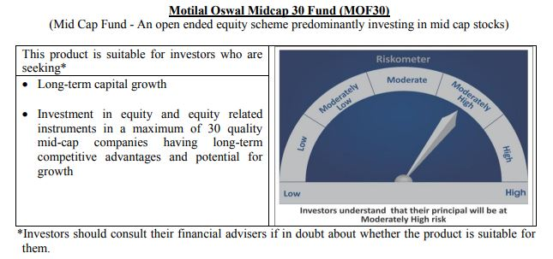
 | Motilal Oswal Midcap 30 Fund
 | Portfolio as on November 30, 2020

Sr. No. | Name of Instrument |  | ISIN | Rating / Industry | Quantity | Market value (Rs. In lakhs) | % to Net Assets | Sector / Rating | Percent
 | Equity & Equity related |  |  |  |  |  |  | Finance | 21.23%
 | (a) Listed / awaiting listing on Stock Exchanges |  |  |  |  |  |  | Auto Ancillaries | 10.67%
1 | Max Financial Services Limited |  | INE180A01020 | Finance | 2600000 | 16,864.90 | 9.44% | Pharmaceuticals | 10.15%
2 | Endurance Technologies Limited |  | INE913H01037 | Auto Ancillaries | 935000 | 10,817.95 | 6.06% | Consumer Durables | 9.83%
3 | PI Industries Limited |  | INE603J01030 | Pesticides | 473708 | 10,461.37 | 5.86% | Pesticides | 5.86%
4 | Bajaj Finance Limited |  | INE296A01024 | Finance | 185000 | 9,081.28 | 5.08% | Banks | 5.57%
5 | Tube Investments of India Limited |  | INE974X01010 | Auto Ancillaries | 1000261 | 8,238.15 | 4.61% | Fertilisers | 4.41%
6 | Crompton Greaves Consumer Electricals Limited |  | INE299U01018 | Consumer Durables | 2601808 | 7,943.32 | 4.45% | Healthcare Services | 4.38%
7 | IPCA Laboratories Limited |  | INE571A01020 | Pharmaceuticals | 364986 | 7,908.33 | 4.43% | Chemicals | 3.73%
8 | Coromandel International Limited |  | INE169A01031 | Fertilisers | 950000 | 7,869.33 | 4.41% | Retailing | 3.52%
9 | Metropolis Healthcare Limited |  | INE112L01020 | Healthcare Services | 350000 | 7,820.40 | 4.38% | Construction | 3.37%
10 | Abbott India Limited |  | INE358A01014 | Pharmaceuticals | 49409 | 7,608.52 | 4.26% | Industrial Products | 2.68%
11 | Voltas Limited |  | INE226A01021 | Consumer Durables | 900000 | 7,259.40 | 4.06% | Commercial Services | 2.03%
12 | CreditAccess Grameen Limited |  | INE741K01010 | Finance | 900000 | 7,119.90 | 3.99% | Cement | 2.00%
13 | Navin Fluorine International Limited |  | INE048G01026 | Chemicals | 247847 | 6,659.90 | 3.73% | Industrial Capital Goods | 1.93%
14 | Avenue Supermarts Limited |  | INE192R01011 | Retailing | 275000 | 6,295.30 | 3.52% | Software | 1.79%
15 | The Phoenix Mills Limited |  | INE211B01039 | Construction | 880816 | 6,012.01 | 3.37% | Consumer Non Durables | 1.51%
16 | AU Small Finance Bank Limited |  | INE949L01017 | Banks | 600000 | 5,034.30 | 2.82% | Textile Products | 0.57%
17 | Cholamandalam Investment and Finance Company Limited |  | INE121A01024 | Finance | 1250000 | 4,858.75 | 2.72% | Cash & Equivalent | 4.78%
18 | Astral Poly Technik Limited |  | INE006I01046 | Industrial Products | 326303 | 4,794.86 | 2.68%
19 | TeamLease Services Limited |  | INE985S01024 | Commercial Services | 144941 | 3,623.38 | 2.03%
20 | The Ramco Cements Limited |  | INE331A01037 | Cement | 400000 | 3,568.60 | 2.00%
21 | Honeywell Automation India Limited |  | INE671A01010 | Industrial Capital Goods | 10778 | 3,444.33 | 1.93%
22 | Larsen & Toubro Infotech Limited |  | INE214T01019 | Software | 100000 | 3,200.45 | 1.79%
23 | ICICI Bank Limited |  | INE090A01021 | Banks | 650000 | 3,076.78 | 1.72%
24 | Ajanta Pharma Limited |  | INE031B01049 | Pharmaceuticals | 170000 | 2,611.37 | 1.46%
25 | Bata India Limited |  | INE176A01028 | Consumer Durables | 150000 | 2,359.35 | 1.32%
26 | City Union Bank Limited |  | INE491A01021 | Banks | 989468 | 1,840.91 | 1.03%
27 | Nestle India Limited |  | INE239A01016 | Consumer Non Durables | 9536 | 1,705.89 | 0.95%
28 | Page Industries Limited |  | INE761H01022 | Textile Products | 4441 | 1,010.55 | 0.57%
29 | Jubilant Foodworks Limited |  | INE797F01012 | Consumer Non Durables | 40000 | 1,000.32 | 0.56%
 | Total |  |  |  |  | 170,089.90 | 95.22%
 | (b) Unlisted
 | Total
 | Money Market Instruments
 | CBLO/REPO/TREPS
1 | Collateralized Borrowing & Lending Obligation |  |  |  | 4992000 | 4,992.00 | 2.79%
 | Total |  |  |  |  | 4,992.00 | 2.79%
 | Cash & Cash Equivalents
 | Net Receivables / (Payables) |  |  |  |  | 3,550.87 | 1.99%
 | GRAND TOTAL |  |  |  |  | 178,632.77 | 100.00%

 | Total Expense Ratio
 | Total Expense Ratio
 | Regular Plan : | 2.10%
 | Direct Plan : | 0.74%

 | NAV | Direct Dividend |  | 20.6308
 | NAV | Direct Growth |  | 30.4977
 | NAV | Regular Dividend |  | 20.0397
 | NAV | Regular Growth |  | 28.0516

 | Monthly AAUM in Crores |  |  | 1,713.99

 | Latest AUM (30 NOVEMBER 2020) in Crores |  |  | 1,786.33

 | Portfolio Turnover Ratio |  |  | 1.24

 | Dividend History
 | Record Date (March 20, 2018) | Dividend per Unit (Rs.) | Cum Dividend NAV | EX Dividend NAV
 | Direct Plan | 2.00 | 22.6302 | 20.6302
 | Regular Plan | 2.00 | 21.4405 | 19.4405

 | Record Date (March 28, 2019) | Dividend per Unit (Rs.) | Cum Dividend NAV | EX Dividend NAV
 | Direct Plan | 2.00 | 21.6801 | 19.6801
 | Regular Plan | 2.00 | 20.1677 | 18.1677

 | Record Date (March 23, 2020) | Dividend per Unit (Rs.) | Cum Dividend NAV | EX Dividend NAV
 | Direct Plan | 1.00 | 14.2748 | 13.2748
 | Regular Plan | 0.0280 | 13.0332 | 13.0052

Multicap 35 Fund
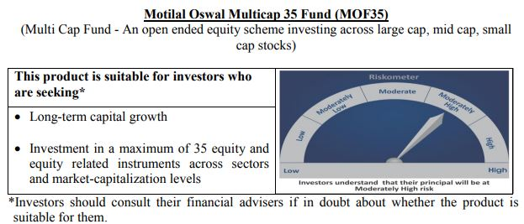
 | Motilal Oswal Multicap 35 Fund
 | Portfolio as on November 30, 2020

Sr. No. | Name of Instrument |  | ISIN | Rating / Industry | Quantity | Market value (Rs. In lakhs) | % to Net Assets | Sector / Rating | Percent
 | Equity & Equity related |  |  |  |  |  |  | Finance | 27.02%
 | (a) Listed / awaiting listing on Stock Exchanges |  |  |  |  |  |  | Banks | 17.86%
1 | HDFC Bank Limited |  | INE040A01034 | Banks | 7600000 | 109,504.60 | 9.29% | Auto | 13.42%
2 | HDFC Life Insurance Company Limited |  | INE795G01014 | Finance | 14800000 | 95,726.40 | 8.12% | Software | 10.99%
3 | Infosys Limited |  | INE009A01021 | Software | 6000000 | 66,000.00 | 5.60% | Consumer Non Durables | 5.71%
4 | Vaibhav Global Limited |  | INE884A01019 | Retailing | 3094937 | 65,905.14 | 5.59% | Retailing | 5.59%
5 | Maruti Suzuki India Limited |  | INE585B01010 | Auto | 900000 | 63,322.20 | 5.37% | Petroleum Products | 3.76%
6 | Housing Development Finance Corporation Limited |  | INE001A01036 | Finance | 2700000 | 60,918.75 | 5.17% | Telecom - Services | 3.26%
7 | AU Small Finance Bank Limited |  | INE949L01017 | Banks | 6815000 | 57,181.26 | 4.85% | Healthcare Services | 3.05%
8 | Eicher Motors Limited |  | INE066A01021 | Auto | 2150000 | 54,494.98 | 4.62% | Pharmaceuticals | 2.17%
9 | Tata Consultancy Services Limited |  | INE467B01029 | Software | 1700000 | 45,554.05 | 3.86% | Fertilisers | 2.11%
10 | Reliance Industries Limited |  | INE002A01018 | Petroleum Products | 2300000 | 44,385.40 | 3.76% | Consumer Durables | 1.73%
11 | Kotak Mahindra Bank Limited |  | INE237A01028 | Banks | 2300000 | 43,863.30 | 3.72% | Gas | 1.07%
12 | ICICI Lombard General Insurance Company Limited |  | INE765G01017 | Finance | 3000000 | 43,542.00 | 3.69% | Cash & Equivalent | 2.26%
13 | Hero MotoCorp Limited |  | INE158A01026 | Auto | 1300000 | 40,415.05 | 3.43%
14 | Bharti Airtel Limited |  | INE397D01024 | Telecom - Services | 8300000 | 38,449.75 | 3.26%
15 | Bajaj Finance Limited |  | INE296A01024 | Finance | 750000 | 36,816.00 | 3.12%
16 | Gland Pharma Limited |  | INE068V01023 | Healthcare Services | 1700000 | 35,921.00 | 3.05%
17 | Muthoot Finance Limited |  | INE414G01012 | Finance | 3000000 | 34,560.00 | 2.93%
18 | Hindustan Unilever Limited |  | INE030A01027 | Consumer Non Durables | 1400000 | 29,934.80 | 2.54%
19 | Alkem Laboratories Limited |  | INE540L01014 | Pharmaceuticals | 900000 | 25,574.85 | 2.17%
20 | Coromandel International Limited |  | INE169A01031 | Fertilisers | 3000000 | 24,850.50 | 2.11%
21 | Max Financial Services Limited |  | INE180A01020 | Finance | 3500000 | 22,702.75 | 1.93%
22 | Bata India Limited |  | INE176A01028 | Consumer Durables | 1300000 | 20,447.70 | 1.73%
23 | Britannia Industries Limited |  | INE216A01030 | Consumer Non Durables | 500000 | 18,189.75 | 1.54%
24 | HCL Technologies Limited |  | INE860A01027 | Software | 2200000 | 18,086.20 | 1.53%
25 | Asian Paints Limited |  | INE021A01026 | Consumer Non Durables | 750000 | 16,614.75 | 1.41%
26 | HDFC Asset Management Company Limited |  | INE127D01025 | Finance | 500000 | 12,694.00 | 1.08%
27 | Petronet LNG Limited |  | INE347G01014 | Gas | 5000000 | 12,562.50 | 1.07%
28 | Nippon Life India Asset Management Limited |  | INE298J01013 | Finance | 4000000 | 11,616.00 | 0.99%
29 | United Spirits Limited |  | INE854D01024 | Consumer Non Durables | 472936 | 2,593.58 | 0.22%
 | Total |  |  |  |  | 1,152,427.26 | 97.74%
 | (b) Unlisted
 | Total
 | Money Market Instruments
 | CBLO/REPO/TREPS
1 | Collateralized Borrowing & Lending Obligation |  |  |  | 8722000 | 8,722.00 | 0.74%
 | Total |  |  |  |  | 8,722.00 | 0.74%
 | Cash & Cash Equivalents
 | Net Receivables / (Payables) |  |  |  |  | 17,972.27 | 1.52%
 | GRAND TOTAL |  |  |  |  | 1,179,121.53 | 100.00%

 | Total Expense Ratio
 | Total Expense Ratio
 | Regular Plan : | 1.75%
 | Direct Plan : | 0.92%

 | NAV | Direct Dividend |  | 24.9948
 | NAV | Direct Growth |  | 30.0519
 | NAV | Regular Dividend |  | 24.8645
 | NAV | Regular Growth |  | 28.2228

 | Monthly AAUM in Crores |  |  | 11,525.84

 | Latest AUM (30 NOVEMBER 2020) in Crores |  |  | 11,791.22

 | Portfolio Turnover Ratio |  |  | 0.41

 | Dividend History
 | Record Date (March 20, 2018) | Dividend per Unit (Rs.) | Cum Dividend NAV | EX Dividend NAV
 | Direct Plan | 1.75 | 26.4448 | 24.6948
 | Regular Plan | 1.75 | 25.4495 | 23.6995

 | Record Date (March 28, 2019) | Dividend per Unit (Rs.) | Cum Dividend NAV | EX Dividend NAV
 | Direct Plan | 1.00 | 25.1298 | 24.1298
 | Regular Plan | 1.00 | 23.8865 | 22.8865

 | Record Date (March 23, 2020) | Dividend per Unit (Rs.) | Cum Dividend NAV | EX Dividend NAV
 | Direct Plan | 1.00 | 16.3873 | 15.3873

Long Term Equity Fund
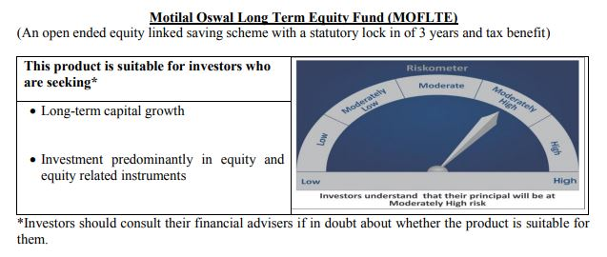
 | Motilal Oswal Long Term Equity Fund
 | Portfolio as on November 30, 2020

Sr. No. | Name of Instrument |  | ISIN | Rating / Industry | Quantity | Market value (Rs. In lakhs) | % to Net Assets | Sector / Rating | Percent
 | Equity & Equity related |  |  |  |  |  |  | Banks | 22.63%
 | (a) Listed / awaiting listing on Stock Exchanges |  |  |  |  |  |  | Finance | 19.55%
1 | HDFC Bank Limited |  | INE040A01034 | Banks | 1180000 | 17,002.03 | 9.53% | Consumer Non Durables | 13.78%
2 | ICICI Bank Limited |  | INE090A01021 | Banks | 3195000 | 15,123.53 | 8.47% | Consumer Durables | 7.06%
3 | Bharti Airtel Limited |  | INE397D01024 | Telecom - Services | 1960000 | 9,079.70 | 5.09% | Pharmaceuticals | 5.45%
4 | Max Financial Services Limited |  | INE180A01020 | Finance | 1347865 | 8,742.93 | 4.90% | Telecom - Services | 5.09%
5 | Jubilant Foodworks Limited |  | INE797F01012 | Consumer Non Durables | 337669 | 8,444.43 | 4.73% | Software | 4.65%
6 | Torrent Pharmaceuticals Limited |  | INE685A01028 | Pharmaceuticals | 321081 | 8,396.59 | 4.70% | Cement | 4.57%
7 | Axis Bank Limited |  | INE238A01034 | Banks | 1372653 | 8,257.88 | 4.63% | Construction Project | 3.66%
8 | United Breweries Limited |  | INE686F01025 | Consumer Non Durables | 747725 | 7,768.49 | 4.35% | Construction | 3.46%
9 | Larsen & Toubro Limited |  | INE018A01030 | Construction Project | 581225 | 6,523.67 | 3.66% | Healthcare Services | 3.32%
10 | The Phoenix Mills Limited |  | INE211B01039 | Construction | 904501 | 6,173.67 | 3.46% | Auto | 2.66%
11 | Hindustan Unilever Limited |  | INE030A01027 | Consumer Non Durables | 288000 | 6,158.02 | 3.45% | Gas | 1.72%
12 | Dr. Lal Path Labs Limited |  | INE600L01024 | Healthcare Services | 258525 | 5,921.52 | 3.32% | Commercial Services | 0.51%
13 | Cholamandalam Investment and Finance Company Limited |  | INE121A01024 | Finance | 1500000 | 5,830.50 | 3.27% | Cash & Equivalent | 1.90%
14 | Muthoot Finance Limited |  | INE414G01012 | Finance | 491817 | 5,665.73 | 3.17%
15 | HDFC Life Insurance Company Limited |  | INE795G01014 | Finance | 782577 | 5,061.71 | 2.84%
16 | Housing Development Finance Corporation Limited |  | INE001A01036 | Finance | 221000 | 4,986.31 | 2.79%
17 | Whirlpool of India Limited |  | INE716A01013 | Consumer Durables | 221454 | 4,835.01 | 2.71%
18 | UltraTech Cement Limited |  | INE481G01011 | Cement | 100000 | 4,802.00 | 2.69%
19 | Maruti Suzuki India Limited |  | INE585B01010 | Auto | 67500 | 4,749.17 | 2.66%
20 | Tata Consultancy Services Limited |  | INE467B01029 | Software | 174000 | 4,662.59 | 2.61%
21 | ICICI Lombard General Insurance Company Limited |  | INE765G01017 | Finance | 317333 | 4,605.77 | 2.58%
22 | Crompton Greaves Consumer Electricals Limited |  | INE299U01018 | Consumer Durables | 1423698 | 4,346.55 | 2.44%
23 | Infosys Limited |  | INE009A01021 | Software | 330000 | 3,630.00 | 2.03%
24 | VIP Industries Limited |  | INE054A01027 | Consumer Durables | 945422 | 3,417.23 | 1.91%
25 | Birla Corporation Limited |  | INE340A01012 | Cement | 474375 | 3,362.61 | 1.88%
26 | Gujarat Gas Limited |  | INE844O01030 | Gas | 881009 | 3,073.40 | 1.72%
27 | ITC Limited |  | INE154A01025 | Consumer Non Durables | 1150000 | 2,226.98 | 1.25%
28 | JB Chemicals & Pharmaceuticals Limited |  | INE572A01028 | Pharmaceuticals | 133398 | 1,326.91 | 0.74%
29 | 3M India Limited |  | INE470A01017 | Commercial Services | 4128 | 902.67 | 0.51%
 | Total |  |  |  |  | 175,077.60 | 98.10%
 | (b) Unlisted
 | Total
 | Money Market Instruments
 | CBLO/REPO/TREPS
1 | Collateralized Borrowing & Lending Obligation |  |  |  | 1035000 | 1,035.00 | 0.58%
 | Total |  |  |  |  | 1,035.00 | 0.58%
 | Cash & Cash Equivalents
 | Net Receivables / (Payables) |  |  |  |  | 2,350.19 | 1.32%
 | GRAND TOTAL |  |  |  |  | 178,462.79 | 100.00%

 | Total Expense Ratio
 | Total Expense Ratio
 | Direct Plan : | 0.71%
 | Regular Plan : | 2.03%

 | NAV | Direct Dividend |  | 18.2368
 | NAV | Direct Growth |  | 20.4747
 | NAV | Regular Dividend |  | 16.7613
 | NAV | Regular Growth |  | 18.9163

 | Monthly AAUM in Crores |  |  | 1,731.14

 | Latest AUM (30 NOVEMBER 2020) in Crores |  |  | 1,784.63

 | Portfolio Turnover Ratio |  |  | 0.55

 | Dividend History
 | Record Date (February 05, 2018) | Dividend per Unit (Rs.) | Cum Dividend NAV | EX Dividend NAV
 | Direct Plan | 1.00 | 17.8423 | 16.8423
 | Regular Plan | 1.00 | 17.0751 | 16.0751

 | Record Date (March 20, 2018) | Dividend per Unit (Rs.) | Cum Dividend NAV | EX Dividend NAV
 | Direct Plan | 0.10 | 16.7096 | 16.6096
 | Regular Plan | 0.10 | 15.9239 | 15.8239

 | Record Date (March 28, 2019) | Dividend per Unit (Rs.) | Cum Dividend NAV | EX Dividend NAV
 | Direct Plan | 0.30 | 16.4708 | 16.1708
 | Regular Plan | 0.30 | 15.5031 | 15.2031

Large & Midcap Fund
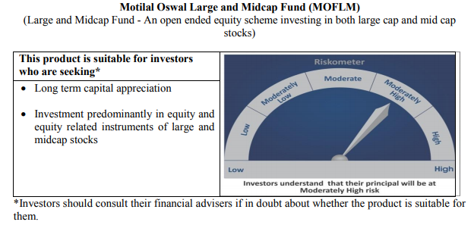
 | Motilal Oswal Large and Midcap Fund
 | Portfolio as on November 30, 2020

Sr. No. | Name of Instrument |  | ISIN | Rating / Industry | Quantity | Market value (Rs. In lakhs) | % to Net Assets | Sector / Rating | Percent
 | Equity & Equity related |  |  |  |  |  |  | Banks | 20.01%
 | (a) Listed / awaiting listing on Stock Exchanges |  |  |  |  |  |  | Finance | 18.18%
1 | HDFC Bank Limited |  | INE040A01034 | Banks | 300000 | 4,322.55 | 8.03% | Consumer Non Durables | 11.28%
2 | ICICI Bank Limited |  | INE090A01021 | Banks | 880000 | 4,165.48 | 7.74% | Consumer Durables | 8.73%
3 | Max Financial Services Limited |  | INE180A01020 | Finance | 510000 | 3,308.12 | 6.14% | Pharmaceuticals | 7.19%
4 | Jubilant Foodworks Limited |  | INE797F01012 | Consumer Non Durables | 100714 | 2,518.66 | 4.68% | Construction | 6.07%
5 | Torrent Pharmaceuticals Limited |  | INE685A01028 | Pharmaceuticals | 94943 | 2,482.85 | 4.61% | Telecom - Services | 4.39%
6 | Bharti Airtel Limited |  | INE397D01024 | Telecom - Services | 510000 | 2,362.58 | 4.39% | Software | 4.37%
7 | Dr. Lal Path Labs Limited |  | INE600L01024 | Healthcare Services | 100790 | 2,308.59 | 4.29% | Healthcare Services | 4.29%
8 | Axis Bank Limited |  | INE238A01034 | Banks | 380000 | 2,286.08 | 4.25% | Gas | 2.92%
9 | United Breweries Limited |  | INE686F01025 | Consumer Non Durables | 194000 | 2,015.56 | 3.74% | Cement | 2.88%
10 | Cholamandalam Investment and Finance Company Limited |  | INE121A01024 | Finance | 488780 | 1,899.89 | 3.53% | Construction Project | 2.75%
11 | Whirlpool of India Limited |  | INE716A01013 | Consumer Durables | 79718 | 1,740.48 | 3.23% | Commercial Services | 2.42%
12 | The Phoenix Mills Limited |  | INE211B01039 | Construction | 251046 | 1,713.51 | 3.18% | Auto Ancillaries | 1.97%
13 | Housing Development Finance Corporation Limited |  | INE001A01036 | Finance | 70000 | 1,579.38 | 2.93% | Auto | 1.75%
14 | Gujarat Gas Limited |  | INE844O01030 | Gas | 450000 | 1,569.83 | 2.92% | Cash & Equivalent | 0.80%
15 | Muthoot Finance Limited |  | INE414G01012 | Finance | 135171 | 1,557.17 | 2.89%
16 | Kajaria Ceramics Limited |  | INE217B01036 | Construction | 240000 | 1,554.96 | 2.89%
17 | Birla Corporation Limited |  | INE340A01012 | Cement | 219000 | 1,552.38 | 2.88%
18 | Hindustan Unilever Limited |  | INE030A01027 | Consumer Non Durables | 72000 | 1,539.50 | 2.86%
19 | Crompton Greaves Consumer Electricals Limited |  | INE299U01018 | Consumer Durables | 490513 | 1,497.54 | 2.78%
20 | Larsen & Toubro Limited |  | INE018A01030 | Construction Project | 132000 | 1,481.57 | 2.75%
21 | VIP Industries Limited |  | INE054A01027 | Consumer Durables | 404567 | 1,462.31 | 2.72%
22 | ICICI Lombard General Insurance Company Limited |  | INE765G01017 | Finance | 99552 | 1,444.90 | 2.68%
23 | JB Chemicals & Pharmaceuticals Limited |  | INE572A01028 | Pharmaceuticals | 139674 | 1,389.34 | 2.58%
24 | 3M India Limited |  | INE470A01017 | Commercial Services | 5951 | 1,301.30 | 2.42%
25 | Tata Consultancy Services Limited |  | INE467B01029 | Software | 47600 | 1,275.51 | 2.37%
26 | Infosys Limited |  | INE009A01021 | Software | 98000 | 1,078.00 | 2.00%
27 | MRF Limited |  | INE883A01011 | Auto Ancillaries | 1365 | 1,061.13 | 1.97%
28 | Maruti Suzuki India Limited |  | INE585B01010 | Auto | 13400 | 942.80 | 1.75%
 | Total |  |  |  |  | 53,411.97 | 99.20%
 | (b) Unlisted
 | Total
 | Money Market Instruments
 | CBLO/REPO/TREPS
1 | Collateralized Borrowing & Lending Obligation |  |  |  | 130000 | 130.00 | 0.24%
 | Total |  |  |  |  | 130.00 | 0.24%
 | Cash & Cash Equivalents
 | Net Receivables / (Payables) |  |  |  |  | 298.94 | 0.56%
 | GRAND TOTAL |  |  |  |  | 53,840.91 | 100.00%

 | Total Expense Ratio
 | Total Expense Ratio
 | Direct Plan : | 0.69%
 | Regular Plan : | 2.39%

 | NAV | Regular Growth |  | 11.2094
 | NAV | Direct Growth |  | 11.4320
 | NAV | Regular Dividend |  | 11.2095
 | NAV | Direct Dividend |  | 11.4320

 | Monthly AAUM in Crores |  |  | 524.54

 | Latest AUM (30 NOVEMBER 2020) in Crores |  |  | 538.41

 | Portfolio Turnover Ratio |  |  | 0.39

Dynamic Fund
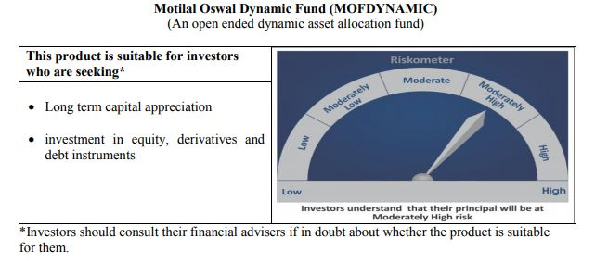
 | Motilal Oswal Dynamic Fund
 | Portfolio as on November 30, 2020

Sr. No. | Name of Instrument |  | ISIN | Rating / Industry | Quantity | Market value (Rs. In lakhs) | % to Net Assets | Sector / Rating | Percent
 | Equity & Equity related |  |  |  |  |  |  | Banks | 24.86%
 | (a) Listed / awaiting listing on Stock Exchanges |  |  |  |  |  |  | Finance | 13.62%
1 | ICICI Bank Limited |  | INE090A01021 | Banks | 2255000 | 10,674.04 | 8.99% | Consumer Non Durables | 12.54%
2 | Axis Bank Limited |  | INE238A01034 | Banks | 1770000 | 10,648.32 | 8.97% | SOVEREIGN | 7.53%
3 | ITC Limited |  | INE154A01025 | Consumer Non Durables | 4358400 | 8,440.04 | 7.11% | Auto | 7.49%
4 | HDFC Bank Limited |  | INE040A01034 | Banks | 397000 | 5,720.17 | 4.82% | Software | 6.15%
5 | HDFC Life Insurance Company Limited |  | INE795G01014 | Finance | 879000 | 5,685.37 | 4.79% | Petroleum Products | 4.45%
6 | Reliance Industries Limited |  | INE002A01018 | Petroleum Products | 274000 | 5,287.65 | 4.45% | CRISIL AAA | 4.43%
7 | Infosys Limited |  | INE009A01021 | Software | 343000 | 3,773.00 | 3.18% | Telecom - Services | 1.87%
8 | Maruti Suzuki India Limited |  | INE585B01010 | Auto | 52000 | 3,658.62 | 3.08% | Pharmaceuticals | 1.08%
9 | Eicher Motors Limited |  | INE066A01021 | Auto | 139000 | 3,523.16 | 2.97% | Consumer Durables | 0.61%
10 | Housing Development Finance Corporation Limited |  | INE001A01036 | Finance | 153000 | 3,452.06 | 2.91% | Gas | 0.58%
11 | Tata Consultancy Services Limited |  | INE467B01029 | Software | 98000 | 2,626.06 | 2.21% | Cash & Equivalent | 14.80%
12 | ICICI Lombard General Insurance Company Limited |  | INE765G01017 | Finance | 173000 | 2,510.92 | 2.12%
13 | Kotak Mahindra Bank Limited |  | INE237A01028 | Banks | 129000 | 2,460.16 | 2.07%
14 | Bharti Airtel Limited |  | INE397D01024 | Telecom - Services | 478000 | 2,214.34 | 1.87%
15 | Muthoot Finance Limited |  | INE414G01012 | Finance | 173000 | 1,992.96 | 1.68%
16 | Bajaj Finance Limited |  | INE296A01024 | Finance | 40000 | 1,963.52 | 1.65%
17 | Britannia Industries Limited |  | INE216A01030 | Consumer Non Durables | 53256 | 1,937.43 | 1.63%
18 | Hero MotoCorp Limited |  | INE158A01026 | Auto | 55000 | 1,709.87 | 1.44%
19 | Hindustan Unilever Limited |  | INE030A01027 | Consumer Non Durables | 79924 | 1,708.93 | 1.44%
20 | Nestle India Limited |  | INE239A01016 | Consumer Non Durables | 7150 | 1,279.06 | 1.08%
21 | Alkem Laboratories Limited |  | INE540L01014 | Pharmaceuticals | 45000 | 1,278.74 | 1.08%
22 | HCL Technologies Limited |  | INE860A01027 | Software | 110000 | 904.31 | 0.76%
23 | Asian Paints Limited |  | INE021A01026 | Consumer Non Durables | 40000 | 886.12 | 0.75%
24 | Titan Company Limited |  | INE280A01028 | Consumer Durables | 53000 | 721.44 | 0.61%
25 | Petronet LNG Limited |  | INE347G01014 | Gas | 273000 | 685.91 | 0.58%
26 | United Spirits Limited |  | INE854D01024 | Consumer Non Durables | 116000 | 636.14 | 0.54%
27 | HDFC Asset Management Company Limited |  | INE127D01025 | Finance | 22000 | 558.54 | 0.47%
 | Total |  |  |  |  | 86,936.88 | 73.24%
 | (b) Unlisted
 | Total
 | Derivatives
 | Index / Stock Futures
1 | ITC Limited December 2020 Future |  |  |  | (-4358400) | (8,487.98) | -7.15%
2 | Axis Bank Limited December 2020 Future |  |  |  | (-1770000) | (10,711.16) | -9.02%
3 | ICICI Bank Limited December 2020 Future |  |  |  | (-2255000) | (10,743.95) | -9.05%
 | Total |  |  |  |  | (29,943.09) | -25.23%
 | Debt Instruments
 | (a) Listed / awaiting listing on Stock Exchange
1 | Housing Development Finance Corporation Limited |  | INE001A07SD3 | CRISIL AAA | 5000000 | 5,259.23 | 4.43%
 | Total |  |  |  |  | 5,259.23 | 4.43%

 | State Government Securities
1 | 8.90% TAMILNADU SDL(MD/20/09/2022) |  | IN3120120065 | SOVEREIGN | 3000000 | 3,245.88 | 2.73%
2 | 8.48% Karnataka SDL (MD 17/10/2022) |  | IN1920180024 | SOVEREIGN | 3000000 | 3,233.03 | 2.72%
 | Total |  |  |  |  | 6,478.91 | 5.46%
 | (b) Privately placed / Unlisted
 | Total
 | Money Market Instruments
 | Treasury Bill/Cash Management Bill
1 | 364 Days Tbill (MD 10/06/2021) |  | IN002020Z105 | SOVEREIGN | 2500000 | 2,457.94 | 2.07%
 | Total |  |  |  |  | 2,457.94 | 2.07%
 | CBLO/REPO/TREPS
1 | Collateralized Borrowing & Lending Obligation |  |  |  | 3224000 | 3,224.00 | 2.72%
 | Total |  |  |  |  | 3,224.00 | 2.72%
 | Cash & Cash Equivalents
 | Net Receivables / (Payables) |  |  |  |  | 44,280.90 | 37.31%
 | GRAND TOTAL |  |  |  |  | 118,694.77 | 100.00%

 | Total Expense Ratio
 | Total Expense Ratio
 | Direct Plan : | 1.05%
 | Regular Plan : | 2.21%

 | NAV | Plan A Dividend |  | 13.1982
 | NAV | Direct Annual Dividend |  | 13.5066
 | NAV | Direct Growth |  | 14.7127
 | NAV | Direct Quarterly Dividend |  | 11.6622
 | NAV | Regular Growth |  | 14.0309
 | NAV | Regular Quarterly Dividend |  | 11.5853

 | Monthly AAUM in Crores |  |  | 1,171.16

 | Latest AUM (30 NOVEMBER 2020) in Crores |  |  | 1,186.95

 | Portfolio Turnover Ratio |  |  | 3.37

 | Quarterly Dividend (Direct Plan)
 | Record Date Dividend Option | Dividend per Unit (Rs.) | Cum Dividend NAV | EX Dividend NAV
 | 29-Oct-20 | 0.680000 | 11.9178 | 11.2378
 | 31-Jul-20 | 0.300000 | 12.0421 | 11.7421
 | 5-May-20 | 0.300000 | 10.7238 | 10.4248

 | Quarterly Dividend (Regular Plan)
 | Record Date Dividend Option | Dividend per Unit (Rs.) | Cum Dividend NAV | EX Dividend NAV
 | 29-Oct-20 | 0.750000 | 11.9241 | 11.1741
 | 31-Jul-20 | 0.300000 | 12.0868 | 11.7868
 | 5-May-20 | 0.238542 | 10.7364 | 10.4978

 | Annual Dividend( Direct Plan)
 | Record Date (March 20, 2018) | Dividend per Unit (Rs.) | Cum Dividend NAV | EX Dividend NAV
 | 23-Mar-20 | 0.3185 | 10.3185 | 10.0000
 | 28-Mar-19 | 0.2681 | 12.1778 | 11.9097
 | 20-Mar-18 | 0.1199 | 11.8554 | 11.7355

 | Annual Dividend( Regular Plan)
 | Record Date (March 28, 2019) | Dividend per Unit (Rs.) | Cum Dividend NAV | EX Dividend NAV
 | 28-Mar-19 | 0.3000 | 11.8144 | 11.5144
 | 20-Mar-18 | 0.1500 | 11.6473 | 11.4973
 | 23-Oct-17 | 0.2600 | 11.6879 | 11.4279

Equity Hybrid
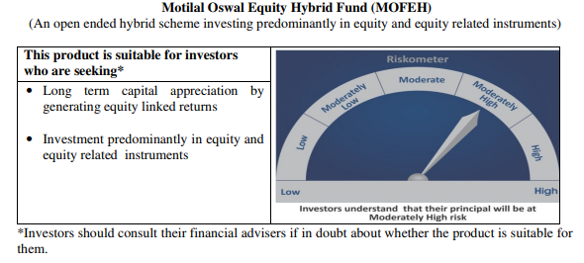
 | Motilal Oswal Equity Hybrid Fund
 | Portfolio as on November 30, 2020

Sr. No. | Name of Instrument |  | ISIN | Rating / Industry | Quantity | Market value (Rs. In lakhs) | % to Net Assets | Sector / Rating | Percent
 | Equity & Equity related |  |  |  |  |  |  | Banks | 17.57%
 | (a) Listed / awaiting listing on Stock Exchanges |  |  |  |  |  |  | Finance | 12.57%
1 | HDFC Bank Limited |  | INE040A01034 | Banks | 192659 | 2,775.93 | 7.40% | Software | 9.50%
2 | Housing Development Finance Corporation Limited |  | INE001A01036 | Finance | 120221 | 2,712.49 | 7.23% | Pharmaceuticals | 9.11%
3 | Kotak Mahindra Bank Limited |  | INE237A01028 | Banks | 123140 | 2,348.40 | 6.26% | SOVEREIGN | 6.55%
4 | Tata Consultancy Services Limited |  | INE467B01029 | Software | 70627 | 1,892.56 | 5.04% | Transportation | 3.98%
5 | Infosys Limited |  | INE009A01021 | Software | 152000 | 1,672.00 | 4.46% | Pesticides | 3.51%
6 | Procter & Gamble Health Limited |  | INE199A01012 | Pharmaceuticals | 21365 | 1,467.37 | 3.91% | Cement | 2.98%
7 | ICICI Bank Limited |  | INE090A01021 | Banks | 309618 | 1,465.58 | 3.91% | CRISIL AAA | 2.83%
8 | HDFC Life Insurance Company Limited |  | INE795G01014 | Finance | 223186 | 1,443.57 | 3.85% | Auto | 2.76%
9 | PI Industries Limited |  | INE603J01030 | Pesticides | 59615 | 1,316.54 | 3.51% | ICRA A1+ | 2.66%
10 | Shree Cement Limited |  | INE070A01015 | Cement | 4601 | 1,118.34 | 2.98% | Industrial Capital Goods | 2.65%
11 | Abbott India Limited |  | INE358A01014 | Pharmaceuticals | 7009 | 1,079.32 | 2.88% | Textile Products | 2.63%
12 | Page Industries Limited |  | INE761H01022 | Textile Products | 4330 | 985.29 | 2.63% | Petroleum Products | 2.56%
13 | Avenue Supermarts Limited |  | INE192R01011 | Retailing | 39954 | 914.63 | 2.44% | Retailing | 2.44%
14 | Dr. Reddy's Laboratories Limited |  | INE089A01023 | Pharmaceuticals | 18002 | 869.31 | 2.32% | Consumer Non Durables | 1.65%
15 | Maruti Suzuki India Limited |  | INE585B01010 | Auto | 9295 | 653.98 | 1.74% | Telecom - Services | 1.02%
16 | Container Corporation of India Limited |  | INE111A01025 | Transportation | 158230 | 642.49 | 1.71% | Cash & Equivalent | 13.04%
17 | Hindustan Unilever Limited |  | INE030A01027 | Consumer Non Durables | 29000 | 620.08 | 1.65%
18 | ABB India Limited |  | INE117A01022 | Industrial Capital Goods | 53433 | 573.74 | 1.53%
19 | ICICI Lombard General Insurance Company Limited |  | INE765G01017 | Finance | 38629 | 560.66 | 1.49%
20 | Reliance Industries Limited |  | INE002A01018 | Petroleum Products | 28956 | 558.79 | 1.49%
21 | Mahindra Logistics Limited |  | INE766P01016 | Transportation | 139311 | 550.21 | 1.47%
22 | Honeywell Automation India Limited |  | INE671A01010 | Industrial Capital Goods | 1313 | 419.60 | 1.12%
23 | Castrol India Limited |  | INE172A01027 | Petroleum Products | 319385 | 400.51 | 1.07%
24 | Bharti Airtel Limited |  | INE397D01024 | Telecom - Services | 83000 | 384.50 | 1.02%
25 | Eicher Motors Limited |  | INE066A01021 | Auto | 15060 | 381.72 | 1.02%
26 | Gujarat Pipavav Port Limited |  | INE517F01014 | Transportation | 309634 | 299.42 | 0.80%
 | Total |  |  |  |  | 28,107.03 | 74.92%
 | (b) Unlisted
 | Total
 | Debt Instruments
 | (a) Listed / awaiting listing on Stock Exchange
1 | Housing Development Finance Corporation Limited |  | INE001A07RU9 | CRISIL AAA | 1000000 | 1,055.35 | 2.81%
2 | Britannia Industries Limited |  | INE216A07052 | CRISIL AAA | 16599 | 5.31 | 0.01%
 | Total |  |  |  |  | 1,060.66 | 2.83%
 | (b) Privately placed / Unlisted
 | Total
 | Money Market Instruments
 | Treasury Bill/Cash Management Bill
1 | 364 Days Tbill (MD 10/06/2021) |  | IN002020Z105 | SOVEREIGN | 2500000 | 2,457.94 | 6.55%
 | Total |  |  |  |  | 2,457.94 | 6.55%
 | Certificate of Deposit
1 | Axis Bank Limited |  | INE238A166S7 | ICRA A1+ | 1000000 | 998.69 | 2.66%
 | Total |  |  |  |  | 998.69 | 2.66%
 | CBLO/REPO/TREPS
1 | Collateralized Borrowing & Lending Obligation |  |  |  | 4688000 | 4,688.00 | 12.50%
 | Total |  |  |  |  | 4,688.00 | 12.50%
 | Cash & Cash Equivalents
 | Net Receivables / (Payables) |  |  |  |  | 203.22 | 0.54%
 | GRAND TOTAL |  |  |  |  | 37,515.54 | 100.00%

 | Total Expense Ratio
 | Total Expense Ratio
 | Regular Plan : | 2.48%
 | Direct Plan : | 0.88%

 | NAV | Direct Growth |  | 13.2181
 | NAV | Regular Growth |  | 12.7564

 | Monthly AAUM in Crores |  |  | 369.53

 | Latest AUM (30 NOVEMBER 2020) in Crores |  |  | 375.16

 | Portfolio Turnover Ratio |  |  | 0.62

Liquid Fund
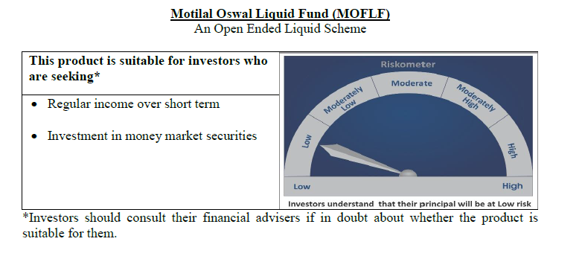
 | Motilal Oswal Liquid Fund
 | Portfolio as on November 30, 2020

Sr. No. | Name of Instrument |  | ISIN | Rating / Industry | Quantity | Market value (Rs. In lakhs) | % to Net Assets | Sector / Rating | Percent
 | Money Market Instruments |  |  |  |  |  |  | SOVEREIGN | 83.81%
 | Treasury Bill/Cash Management Bill |  |  |  |  |  |  | ICRA A1+ | 3.60%
1 | 91 Days Tbill (MD 03/12/2020) |  | IN002020X241 | SOVEREIGN | 20000000 | 19,996.94 | 24.03% | FITCH A1+ | 2.99%
2 | 182 Days Tbill (MD 18/02/2021) |  | IN002020Y207 | SOVEREIGN | 17500000 | 17,390.10 | 20.90% | Cash & Equivalent | 9.60%
3 | 91 Days Tbill (MD 21/01/2021) |  | IN002020X308 | SOVEREIGN | 12500000 | 12,450.43 | 14.96%
4 | 182 Days Tbill (MD 07/01/2021) |  | IN002020Y140 | SOVEREIGN | 10000000 | 9,970.94 | 11.98%
5 | 91 Days Tbill (MD 11/02/2021) |  | IN002020X332 | SOVEREIGN | 10000000 | 9,943.94 | 11.95%
 | Total |  |  |  |  | 69,752.35 | 83.81%
 | Certificate of Deposit
1 | Axis Bank Limited |  | INE238A162T4 | ICRA A1+ | 3000000 | 2,993.26 | 3.60%
2 | National Bank For Agriculture and Rural Development |  | INE261F16470 | FITCH A1+ | 2500000 | 2,489.91 | 2.99%
 | Total |  |  |  |  | 5,483.17 | 6.59%
 | CBLO/REPO/TREPS
1 | Collateralized Borrowing & Lending Obligation |  |  |  | 7584000 | 7,584.00 | 9.11%
 | Total |  |  |  |  | 7,584.00 | 9.11%
 | Cash & Cash Equivalents
 | Net Receivables / (Payables) |  |  |  |  | 405.53 | 0.49%
 | GRAND TOTAL |  |  |  |  | 83,225.05 | 100.00%

 | Total Expense Ratio
 | Total Expense Ratio
 | Regular Plan : | 0.36%
 | Direct Plan : | 0.21%

 | NAV | Regular Growth |  | 10.9008
 | NAV | Direct Growth |  | 10.9327
 | NAV | Direct-Dividend Option-Daily |  | 10.0077
 | NAV | Direct-Dividend Option-Fortnightly |  | 10.0065
 | NAV | Direct -Dividend Option-Monthly |  | 10.0322
 | NAV | Direct-Dividend Option-Quarterly |  | 10.0602
 | NAV | Direct-Dividend Option-Weekly |  | 10.0080
 | NAV | Regular Dividend Option-Daily |  | 10.0055
 | NAV | Regular Dividend Option-Fortnightly |  | 10.0062
 | NAV | Regular-Dividend Option-Monthly |  | 10.0321
 | NAV | Regular-Dividend Option-Quarterly |  | 10.0579
 | NAV | Regular Dividend Option-Weekly |  | 10.0151
 | NAV | Unclaimed Dividend Plan Below 3 years |  | 10.6189
 | NAV | Unclaimed Redemption Plan Below 3 years |  | 10.4234

 | Monthly AAUM in Crores |  |  | 817.52

 | Latest AUM (30 NOVEMBER 2020) in Crores |  |  | 832.25

 | Monthly Dividend (Direct Plan)
 | Record Date Dividend Option | Dividend per Unit (Rs.) | Cum Dividend NAV | EX Dividend NAV
 | 27-Nov-20 | 0.021646 | 10.0517 | 10.0300
 | 2-Nov-20 | 0.033244 | 10.0633 | 10.0300
 | 25-Sep-20 | 0.021912 | 10.0519 | 10.0300

 | Monthly Dividend (Regular Plan)
 | Record Date Dividend Option | Dividend per Unit (Rs.) | Cum Dividend NAV | EX Dividend NAV
 | 27-Nov-20 | 0.020560 | 10.0506 | 10.0300
 | 2-Nov-20 | 0.031547 | 10.0616 | 10.0300
 | 25-Sep-20 | 0.020682 | 10.0507 | 10.0300

 | Quarterly Dividend (Direct Plan)
 | Record Date Dividend Option | Dividend per Unit (Rs.) | Cum Dividend NAV | EX Dividend NAV
 | 25-Sep-20 | 0.074074 | 10.0775 | 10.0034
 | 26-Jun-20 | 0.086490 | 10.0914 | 10.0034
 | 27-Mar-20 | 0.112873 | 10.1163 | 10.0034

 | Quarterly Dividend (Regular Plan)
 | Record Date Dividend Option | Dividend per Unit (Rs.) | Cum Dividend NAV | EX Dividend NAV
 | 25-Sep-20 | 0.067479 | 10.0709 | 10.0034
 | 26-Jun-20 | 0.439166 | 10.4426 | 10.0034

USTBF
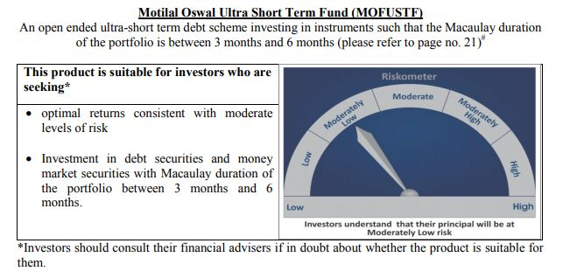
 | Motilal Oswal Ultra Short Term Fund
 | Portfolio as on November 30, 2020

Sr. No. | Name of Instrument |  | ISIN | Rating / Industry | Quantity | Market value (Rs. In lakhs) | % to Net Assets | Sector / Rating | Percent
 | Money Market Instruments |  |  |  |  |  |  | SOVEREIGN | 75.19%
 | Treasury Bill/Cash Management Bill |  |  |  |  |  |  | Cash & Equivalent | 24.81%
1 | 182 Days Tbill (MD 18/03/2021) |  | IN002020Y249 | SOVEREIGN | 2500000 | 2,477.85 | 75.19%
 | Total |  |  |  |  | 2,477.85 | 75.19%
 | CBLO/REPO/TREPS
1 | Collateralized Borrowing & Lending Obligation |  |  |  | 784000 | 784.00 | 23.79%
 | Total |  |  |  |  | 784.00 | 23.79%
 | Cash & Cash Equivalents
 | Net Receivables / (Payables) |  |  |  |  | 33.81 | 1.03%
 | GRAND TOTAL |  |  |  |  | 3,295.66 | 100.00%

 | Total Expense Ratio
 | Total Expense Ratio
 | Direct Plan : | 0.08%
 | Regular Plan : | 0.08%

 | NAV | Direct Dividend |  | 9.7449
 | NAV | Regular Daily Dividend |  | 9.7484
 | NAV | Direct Fortnightly Dividend |  | 9.7634
 | NAV | Direct Growth |  | 13.8077
 | NAV | Direct Monthly Dividend |  | 9.7519
 | NAV | Direct Quarterly Dividend |  | 9.8920
 | NAV | Direct Weekly Dividend |  | 9.7557
 | NAV | Regular Fortnightly Dividend |  | 9.7589
 | NAV | Regular Growth |  | 13.4268
 | NAV | Regular Monthly Dividend |  | 9.7489
 | NAV | Regular Quarterly Dividend |  | 9.8907
 | NAV | Regular Weekly Dividend |  | 9.7519

 | Monthly AAUM in Crores |  |  | 33.58

 | Latest AUM (30 NOVEMBER 2020) in Crores |  |  | 32.96

 | Dividend History
 | Quarterly Dividend (Direct Plan)
 | Record Date Dividend Option | Dividend per Unit (Rs.) | Cum Dividend NAV | EX Dividend NAV
 | 29-Dec-17 | 0.139900 | 10.1607 | 10.0208
 | 3-Apr-18 | 0.157100 | 10.1932 | 10.0361
 | 29-Jun-18 | 0.162900 | 10.1885 | 10.0256

 | Quarterly Dividend (Regular Plan)
 | Record Date Dividend Option | Dividend per Unit (Rs.) | Cum Dividend NAV | EX Dividend NAV
 | 29-Dec-17 | 0.128300 | 10.1596 | 10.0313
 | 3-Apr-18 | 0.145200 | 10.1917 | 10.0465
 | 29-Jun-18 | 0.151700 | 10.1876 | 10.0359

 | Monthly Dividend (Direct Plan)
 | Record Date Dividend Option | Dividend per Unit (Rs.) | Cum Dividend NAV | EX Dividend NAV
 | 29-Jun-18 | 0.085576 | 10.0860 | 10.0004
 | 27-Jul-18 | 0.052676 | 10.0531 | 10.0004
 | 31-Aug-18 | 0.065273 | 10.0657 | 10.0004

 | Monthly Dividend (Regular Plan)
 | Record Date Dividend Option | Dividend per Unit (Rs.) | Cum Dividend NAV | EX Dividend NAV
 | 29-Jun-18 | 0.081535 | 10.0827 | 10.0012
 | 27-Jul-18 | 0.049133 | 10.0503 | 10.0012
 | 31-Aug-18 | 0.060833 | 10.0619 | 10.0011

M50
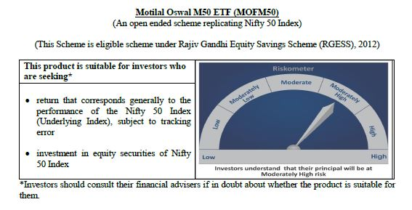
 | Motilal Oswal M50 ETF
 | Portfolio as on November 30, 2020

Sr. No. | Name of Instrument |  | ISIN | Rating / Industry | Quantity | Market value (Rs. In lakhs) | % to Net Assets | Sector / Rating | Percent
 | Equity & Equity related |  |  |  |  |  |  | Banks | 27.16%
 | (a) Listed / awaiting listing on Stock Exchanges |  |  |  |  |  |  | Software | 15.68%
1 | HDFC Bank Limited |  | INE040A01034 | Banks | 16973 | 244.56 | 11.12% | Petroleum Products | 11.81%
2 | Reliance Industries Limited |  | INE002A01018 | Petroleum Products | 12413 | 239.55 | 10.90% | Finance | 11.64%
3 | Infosys Limited |  | INE009A01021 | Software | 14344 | 157.78 | 7.18% | Consumer Non Durables | 10.09%
4 | Housing Development Finance Corporation Limited |  | INE001A01036 | Finance | 6773 | 152.82 | 6.95% | Auto | 5.55%
5 | ICICI Bank Limited |  | INE090A01021 | Banks | 27003 | 127.82 | 5.81% | Pharmaceuticals | 3.52%
6 | Tata Consultancy Services Limited |  | INE467B01029 | Software | 4114 | 110.24 | 5.01% | Construction Project | 2.44%
7 | Kotak Mahindra Bank Limited |  | INE237A01028 | Banks | 5734 | 109.35 | 4.97% | Cement | 2.18%
8 | Hindustan Unilever Limited |  | INE030A01027 | Consumer Non Durables | 3496 | 74.75 | 3.40% | Telecom - Services | 1.98%
9 | ITC Limited |  | INE154A01025 | Consumer Non Durables | 34177 | 66.18 | 3.01% | Power | 1.70%
10 | Axis Bank Limited |  | INE238A01034 | Banks | 9706 | 58.39 | 2.66% | Ferrous Metals | 1.40%
11 | Larsen & Toubro Limited |  | INE018A01030 | Construction Project | 4783 | 53.68 | 2.44% | Consumer Durables | 1.01%
12 | Bajaj Finance Limited |  | INE296A01024 | Finance | 1037 | 50.90 | 2.32% | Non - Ferrous Metals | 0.59%
13 | Bharti Airtel Limited |  | INE397D01024 | Telecom - Services | 9400 | 43.55 | 1.98% | Transportation | 0.55%
14 | Asian Paints Limited |  | INE021A01026 | Consumer Non Durables | 1765 | 39.10 | 1.78% | Oil | 0.51%
15 | State Bank of India |  | INE062A01020 | Banks | 15028 | 36.71 | 1.67% | Minerals/Mining | 0.47%
16 | Maruti Suzuki India Limited |  | INE585B01010 | Auto | 520 | 36.59 | 1.66% | Pesticides | 0.41%
17 | HCL Technologies Limited |  | INE860A01027 | Software | 4251 | 34.95 | 1.59% | Gas | 0.34%
18 | Mahindra & Mahindra Limited |  | INE101A01026 | Auto | 3749 | 27.07 | 1.23% | Cash & Equivalent | 0.97%
19 | Nestle India Limited |  | INE239A01016 | Consumer Non Durables | 140 | 25.04 | 1.14%
20 | Dr. Reddy's Laboratories Limited |  | INE089A01023 | Pharmaceuticals | 475 | 22.94 | 1.04%
21 | Titan Company Limited |  | INE280A01028 | Consumer Durables | 1634 | 22.24 | 1.01%
22 | UltraTech Cement Limited |  | INE481G01011 | Cement | 452 | 21.71 | 0.99%
23 | Sun Pharmaceutical Industries Limited |  | INE044A01036 | Pharmaceuticals | 4228 | 21.63 | 0.98%
24 | Tech Mahindra Limited |  | INE669C01036 | Software | 2421 | 21.23 | 0.97%
25 | Bajaj Finserv Limited |  | INE918I01018 | Finance | 237 | 20.76 | 0.94%
26 | Wipro Limited |  | INE075A01022 | Software | 5818 | 20.39 | 0.93%
27 | IndusInd Bank Limited |  | INE095A01012 | Banks | 2363 | 20.27 | 0.92%
28 | Power Grid Corporation of India Limited |  | INE752E01010 | Power | 10039 | 19.32 | 0.88%
29 | HDFC Life Insurance Company Limited |  | INE795G01014 | Finance | 2847 | 18.41 | 0.84%
30 | Divi's Laboratories Limited |  | INE361B01024 | Pharmaceuticals | 499 | 17.99 | 0.82%
31 | NTPC Limited |  | INE733E01010 | Power | 18986 | 17.98 | 0.82%
32 | Tata Steel Limited |  | INE081A01012 | Ferrous Metals | 2911 | 16.81 | 0.76%
33 | Britannia Industries Limited |  | INE216A01030 | Consumer Non Durables | 461 | 16.77 | 0.76%
34 | Bajaj Auto Limited |  | INE917I01010 | Auto | 510 | 16.19 | 0.74%
35 | Hero MotoCorp Limited |  | INE158A01026 | Auto | 508 | 15.79 | 0.72%
36 | Cipla Limited |  | INE059A01026 | Pharmaceuticals | 1989 | 14.83 | 0.67%
37 | JSW Steel Limited |  | INE019A01038 | Ferrous Metals | 3976 | 13.92 | 0.63%
38 | Eicher Motors Limited |  | INE066A01021 | Auto | 545 | 13.81 | 0.63%
39 | Grasim Industries Limited |  | INE047A01021 | Cement | 1546 | 13.54 | 0.62%
40 | Hindalco Industries Limited |  | INE038A01020 | Non - Ferrous Metals | 5718 | 12.94 | 0.59%
41 | SBI Life Insurance Company Limited |  | INE123W01016 | Finance | 1527 | 12.92 | 0.59%
42 | Tata Motors Limited |  | INE155A01022 | Auto | 7016 | 12.65 | 0.58%
43 | Shree Cement Limited |  | INE070A01015 | Cement | 52 | 12.64 | 0.57%
44 | Adani Ports and Special Economic Zone Limited |  | INE742F01042 | Transportation | 2944 | 12.12 | 0.55%
45 | Bharat Petroleum Corporation Limited |  | INE029A01011 | Petroleum Products | 3143 | 11.72 | 0.53%
46 | Oil & Natural Gas Corporation Limited |  | INE213A01029 | Oil | 14287 | 11.22 | 0.51%
47 | Coal India Limited |  | INE522F01014 | Minerals/Mining | 8205 | 10.30 | 0.47%
48 | UPL Limited |  | INE628A01036 | Pesticides | 2154 | 9.00 | 0.41%
49 | Indian Oil Corporation Limited |  | INE242A01010 | Petroleum Products | 9954 | 8.42 | 0.38%
50 | GAIL (India) Limited |  | INE129A01019 | Gas | 7241 | 7.43 | 0.34%
 | Total |  |  |  |  | 2,176.92 | 99.03%
 | (b) Unlisted
1 | Yes Bank Limited |  |  | Banks | 10040 | 0.00 | 0.00%
 | Total |  |  |  |  | 0.00 | 0.00%
 | Money Market Instruments
 | CBLO/REPO/TREPS
1 | Collateralized Borrowing & Lending Obligation |  |  |  | 5000 | 5.00 | 0.23%
 | Total |  |  |  |  | 5.00 | 0.23%
 | Cash & Cash Equivalents
 | Net Receivables / (Payables) |  |  |  |  | 16.41 | 0.75%
 | GRAND TOTAL |  |  |  |  | 2,198.33 | 100.00%

 | Note:
 | Details of the Equity shares have been lent under Securities Lending and Borrowing as follows :
 | Name of the Instrument | Quantity
 | BAJFINANCE_03/12/2020_LEND | 400
 | KOTAKBANK_03/12/2020_LEND | 2200
 | HDFCBANK_03/12/2020_LEND | 6500
 | Total Expense Ratio
 | Total Expense Ratio
 | Regular Plan : | 0.05%

 | NAV | Regular Growth |  | 127.4627

 | Monthly AAUM in Crores |  |  | 21.37

 | Latest AUM (30 NOVEMBER 2020) in Crores |  |  | 21.98

 | Portfolio Turnover Ratio |  |  | 0.29

MCAP100
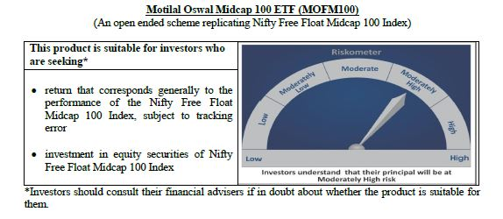
 | Motilal Oswal Midcap 100 ETF
 | Portfolio as on November 30, 2020

Sr. No. | Name of Instrument |  | ISIN | Rating / Industry | Quantity | Market value (Rs. In lakhs) | % to Net Assets | Sector / Rating | Percent
 | Equity & Equity related |  |  |  |  |  |  | Finance | 14.85%
 | (a) Listed / awaiting listing on Stock Exchanges |  |  |  |  |  |  | Banks | 9.51%
1 | Apollo Hospitals Enterprise Limited |  | INE437A01024 | Healthcare Services | 4789 | 112.44 | 2.67% | Pharmaceuticals | 7.37%
2 | Shriram Transport Finance Company Limited |  | INE721A01013 | Finance | 9332 | 99.87 | 2.37% | Consumer Durables | 6.89%
3 | Jubilant Foodworks Limited |  | INE797F01012 | Consumer Non Durables | 3822 | 95.58 | 2.27% | Auto Ancillaries | 6.45%
4 | Voltas Limited |  | INE226A01021 | Consumer Durables | 11530 | 93.00 | 2.21% | Consumer Non Durables | 5.14%
5 | PI Industries Limited |  | INE603J01030 | Pesticides | 3996 | 88.25 | 2.09% | Industrial Products | 4.44%
6 | Zee Entertainment Enterprises Limited |  | INE256A01028 | Media & Entertainment | 45462 | 87.63 | 2.08% | Healthcare Services | 4.41%
7 | Trent Limited |  | INE849A01020 | Retailing | 11164 | 80.41 | 1.91% | Auto | 3.94%
8 | AU Small Finance Bank Limited |  | INE949L01017 | Banks | 9315 | 78.16 | 1.85% | Gas | 3.29%
9 | Cholamandalam Investment and Finance Company Limited |  | INE121A01024 | Finance | 19598 | 76.18 | 1.81% | Chemicals | 3.07%
10 | IPCA Laboratories Limited |  | INE571A01020 | Pharmaceuticals | 3410 | 73.89 | 1.75% | Software | 2.95%
11 | MRF Limited |  | INE883A01011 | Auto Ancillaries | 94 | 73.07 | 1.73% | Retailing | 2.72%
12 | SRF Limited |  | INE647A01010 | Industrial Products | 1385 | 71.10 | 1.69% | Power | 2.69%
13 | Crompton Greaves Consumer Electricals Limited |  | INE299U01018 | Consumer Durables | 23114 | 70.57 | 1.67% | Media & Entertainment | 2.59%
14 | City Union Bank Limited |  | INE491A01021 | Banks | 36728 | 68.33 | 1.62% | Cement | 2.41%
15 | Yes Bank Limited |  | INE528G01035 | Banks | 461778 | 67.88 | 1.61% | Construction | 2.28%
16 | Balkrishna Industries Limited |  | INE787D01026 | Auto Ancillaries | 4039 | 67.02 | 1.59% | Pesticides | 2.09%
17 | Bharat Electronics Limited |  | INE263A01024 | Industrial Capital Goods | 59481 | 66.08 | 1.57% | Industrial Capital Goods | 2.07%
18 | Ashok Leyland Limited |  | INE208A01029 | Auto | 71650 | 66.03 | 1.57% | Ferrous Metals | 1.74%
19 | Page Industries Limited |  | INE761H01022 | Textile Products | 283 | 64.40 | 1.53% | Textile Products | 1.53%
20 | Bharat Forge Limited |  | INE465A01025 | Industrial Products | 12517 | 63.63 | 1.51% | Trading | 1.29%
21 | Max Financial Services Limited |  | INE180A01020 | Finance | 9674 | 62.75 | 1.49% | Fertilisers | 1.12%
22 | The Federal Bank Limited |  | INE171A01029 | Banks | 99361 | 62.40 | 1.48% | Hotels/ Resorts and Other Recreational Activities | 0.98%
23 | The Ramco Cements Limited |  | INE331A01037 | Cement | 6332 | 56.49 | 1.34% | Telecom - Services | 0.93%
24 | REC Limited |  | INE020B01018 | Finance | 46243 | 56.16 | 1.33% | Petroleum Products | 0.72%
25 | Tata Power Company Limited |  | INE245A01021 | Power | 84354 | 54.75 | 1.30% | Construction Project | 0.65%
26 | Adani Enterprises Limited |  | INE423A01024 | Trading | 13694 | 54.56 | 1.29% | Non - Ferrous Metals | 0.42%
27 | MphasiS Limited |  | INE356A01018 | Software | 4091 | 53.83 | 1.28% | Oil | 0.41%
28 | Godrej Properties Limited |  | INE484J01027 | Construction | 4513 | 52.60 | 1.25% | Services | 0.34%
29 | RBL Bank Limited |  | INE976G01028 | Banks | 23068 | 51.63 | 1.23% | Cash & Equivalent | 0.70%
30 | Aarti Industries Limited |  | INE769A01020 | Chemicals | 4429 | 51.17 | 1.21%
31 | TVS Motor Company Limited |  | INE494B01023 | Auto | 10185 | 50.89 | 1.21%
32 | Mahindra & Mahindra Financial Services Limited |  | INE774D01024 | Finance | 29541 | 50.52 | 1.20%
33 | LIC Housing Finance Limited |  | INE115A01026 | Finance | 15093 | 49.66 | 1.18%
34 | Manappuram Finance Limited |  | INE522D01027 | Finance | 27356 | 49.20 | 1.17%
35 | Escorts Limited |  | INE042A01014 | Auto | 3502 | 49.16 | 1.17%
36 | Jindal Steel & Power Limited |  | INE749A01030 | Ferrous Metals | 19826 | 48.38 | 1.15%
37 | Adani Gas Limited |  | INE399L01023 | Gas | 13694 | 47.64 | 1.13%
38 | Bata India Limited |  | INE176A01028 | Consumer Durables | 3020 | 47.50 | 1.13%
39 | Coromandel International Limited |  | INE169A01031 | Fertilisers | 5693 | 47.16 | 1.12%
40 | Navin Fluorine International Limited |  | INE048G01026 | Chemicals | 1710 | 45.95 | 1.09%
41 | Dalmia Bharat Limited |  | INE00R701025 | Cement | 4096 | 45.13 | 1.07%
42 | Emami Limited |  | INE548C01032 | Consumer Non Durables | 10195 | 44.89 | 1.07%
43 | Natco Pharma Limited |  | INE987B01026 | Pharmaceuticals | 4634 | 42.73 | 1.01%
44 | Exide Industries Limited |  | INE302A01020 | Auto Ancillaries | 22866 | 42.27 | 1.00%
45 | Varun Beverages Limited |  | INE200M01013 | Consumer Non Durables | 4747 | 41.37 | 0.98%
46 | The Indian Hotels Company Limited |  | INE053A01029 | Hotels/ Resorts and Other Recreational Activities | 34883 | 41.23 | 0.98%
47 | Cummins India Limited |  | INE298A01020 | Industrial Products | 6775 | 39.70 | 0.94%
48 | Vodafone Idea Limited |  | INE669E01016 | Telecom - Services | 400796 | 39.28 | 0.93%
49 | Pfizer Limited |  | INE182A01018 | Pharmaceuticals | 768 | 39.20 | 0.93%
50 | Fortis Healthcare Limited |  | INE061F01013 | Healthcare Services | 25948 | 39.16 | 0.93%
51 | Amara Raja Batteries Limited |  | INE885A01032 | Auto Ancillaries | 4085 | 38.68 | 0.92%
52 | IDFC First Bank Limited |  | INE092T01019 | Banks | 104555 | 38.42 | 0.91%
53 | Sanofi India Limited |  | INE058A01010 | Pharmaceuticals | 454 | 37.53 | 0.89%
54 | Dhani Services Limited |  | INE274G01010 | Finance | 13025 | 36.70 | 0.87%
55 | Glenmark Pharmaceuticals Limited |  | INE935A01035 | Pharmaceuticals | 7440 | 35.07 | 0.83%
56 | Whirlpool of India Limited |  | INE716A01013 | Consumer Durables | 1572 | 34.32 | 0.81%
57 | Dr. Lal Path Labs Limited |  | INE600L01024 | Healthcare Services | 1498 | 34.31 | 0.81%
58 | Syngene International Limited |  | INE398R01022 | Pharmaceuticals | 5788 | 33.45 | 0.79%
59 | Indiabulls Housing Finance Limited |  | INE148I01020 | Finance | 17725 | 33.15 | 0.79%
60 | Tata Chemicals Limited |  | INE092A01019 | Chemicals | 8239 | 32.31 | 0.77%
61 | Gujarat State Petronet Limited |  | INE246F01010 | Gas | 14054 | 30.86 | 0.73%
62 | Rajesh Exports Limited |  | INE343B01030 | Consumer Durables | 6775 | 30.51 | 0.72%
63 | Apollo Tyres Limited |  | INE438A01022 | Auto Ancillaries | 16534 | 30.50 | 0.72%
64 | Mahanagar Gas Limited |  | INE002S01010 | Gas | 2864 | 30.47 | 0.72%
65 | Castrol India Limited |  | INE172A01027 | Petroleum Products | 24140 | 30.27 | 0.72%
66 | Gujarat Gas Limited |  | INE844O01030 | Gas | 8563 | 29.87 | 0.71%
67 | Alembic Pharmaceuticals Limited |  | INE901L01018 | Pharmaceuticals | 2937 | 29.31 | 0.70%
68 | MindTree Limited |  | INE018I01017 | Software | 2040 | 28.91 | 0.69%
69 | L&T Finance Holdings Limited |  | INE498L01015 | Finance | 31983 | 27.78 | 0.66%
70 | GMR Infrastructure Limited |  | INE776C01039 | Construction Project | 102233 | 27.40 | 0.65%
71 | Oberoi Realty Limited |  | INE093I01010 | Construction | 5785 | 26.81 | 0.64%
72 | Aditya Birla Capital Limited |  | INE674K01013 | Finance | 30068 | 26.60 | 0.63%
73 | Torrent Power Limited |  | INE813H01021 | Power | 8388 | 26.51 | 0.63%
74 | Aditya Birla Fashion and Retail Limited |  | INE647O01011 | Retailing | 15431 | 25.10 | 0.60%
75 | Steel Authority of India Limited |  | INE114A01011 | Ferrous Metals | 51441 | 24.92 | 0.59%
76 | Sun TV Network Limited |  | INE424H01027 | Media & Entertainment | 4909 | 21.60 | 0.51%
77 | L&T Technology Services Limited |  | INE010V01017 | Software | 1241 | 21.38 | 0.51%
78 | Bharat Heavy Electricals Limited |  | INE257A01026 | Industrial Capital Goods | 64181 | 21.08 | 0.50%
79 | Coforge Limited |  | INE591G01017 | Software | 849 | 20.38 | 0.48%
80 | Nippon Life India Asset Management Limited |  | INE298J01013 | Finance | 7016 | 20.37 | 0.48%
81 | Endurance Technologies Limited |  | INE913H01037 | Auto Ancillaries | 1745 | 20.19 | 0.48%
82 | Ajanta Pharma Limited |  | INE031B01049 | Pharmaceuticals | 1254 | 19.26 | 0.46%
83 | CESC Limited |  | INE486A01013 | Power | 3307 | 19.23 | 0.46%
84 | Edelweiss Financial Services Limited |  | INE532F01054 | Finance | 26068 | 18.25 | 0.43%
85 | National Aluminium Company Limited |  | INE139A01034 | Non - Ferrous Metals | 45535 | 17.85 | 0.42%
86 | Oil India Limited |  | INE274J01014 | Oil | 17831 | 17.14 | 0.41%
87 | Prestige Estates Projects Limited |  | INE811K01011 | Construction | 6188 | 16.54 | 0.39%
88 | Canara Bank |  | INE476A01014 | Banks | 15208 | 15.79 | 0.37%
89 | ICICI Securities Limited |  | INE763G01038 | Finance | 3361 | 15.08 | 0.36%
90 | Godrej Industries Limited |  | INE233A01035 | Consumer Non Durables | 3678 | 14.92 | 0.35%
91 | V-Guard Industries Limited |  | INE951I01027 | Consumer Durables | 7907 | 14.62 | 0.35%
92 | Indian Railway Catering And Tourism Corporation Limited |  | INE335Y01012 | Services | 1045 | 14.14 | 0.34%
93 | Polycab India Limited |  | INE455K01017 | Industrial Products | 1340 | 12.84 | 0.30%
94 | JSW Energy Limited |  | INE121E01018 | Power | 20466 | 12.67 | 0.30%
95 | Bombay Burmah Trading Corporation Limited |  | INE050A01025 | Consumer Non Durables | 894 | 11.80 | 0.28%
96 | Union Bank of India |  | INE692A01016 | Banks | 35107 | 9.83 | 0.23%
97 | Future Retail Limited |  | INE752P01024 | Retailing | 11071 | 9.15 | 0.22%
98 | Bank of India |  | INE084A01016 | Banks | 17956 | 8.09 | 0.19%
99 | Godrej Agrovet Limited |  | INE850D01014 | Consumer Non Durables | 1540 | 7.85 | 0.19%
100 | Housing & Urban Development Corporation Limited |  | INE031A01017 | Finance | 9974 | 3.52 | 0.08%
 | Total |  |  |  |  | 4,184.21 | 99.30%
 | (b) Unlisted
 | Total
 | Money Market Instruments
 | CBLO/REPO/TREPS
1 | Collateralized Borrowing & Lending Obligation |  |  |  | 17000 | 17.00 | 0.40%
 | Total |  |  |  |  | 17.00 | 0.40%
 | Cash & Cash Equivalents
 | Net Receivables / (Payables) |  |  |  |  | 12.57 | 0.30%
 | GRAND TOTAL |  |  |  |  | 4,213.78 | 100.00%

 | Note:
 | Details of the Equity shares have been lent under Securities Lending and Borrowing as follows :
 | Name of the Instrument | Quantity
 | TORNTPOWER_03/12/2020_LEND | 3800
 | COFORGE_03/12/2020_LEND | 350
 | LICHSGFIN_03/12/2020_LEND | 6700
 | SRTRANSFIN_03/12/2020_LEND | 3700
 | Total Expense Ratio
 | Total Expense Ratio
 | Regular Plan : | 0.20%

 | NAV | Regular Growth |  | 20.6517

 | Monthly AAUM in Crores |  |  | 42.81

 | Latest AUM (30 NOVEMBER 2020) in Crores |  |  | 42.14

 | Portfolio Turnover Ratio |  |  | 0.61

N100
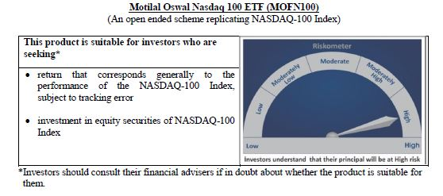
 | Motilal Oswal Nasdaq 100 ETF
 | Portfolio as on November 30, 2020

Sr. No. | Name of Instrument |  | ISIN | Rating / Industry | Quantity | Market value (Rs. In lakhs) | % to Net Assets | Sector / Rating | Percent
 | Equity & Equity related |  |  |  |  |  |  | Software & Services | 32.60%
 | (a) Listed / awaiting listing on Stock Exchanges |  |  |  |  |  |  | Technology Hardware & Equipment | 15.29%
1 | Apple Inc. |  | US0378331005 | Technology Hardware & Equipment | 339919 | 29,305.65 | 12.54% | Retailing | 14.61%
2 | Microsoft Corp |  | US5949181045 | Software & Services | 150486 | 23,950.45 | 10.25% | Semiconductors & Semiconductor | 11.49%
3 | Amazon Com Inc |  | US0231351067 | Retailing | 9892 | 23,373.08 | 10.00% | Pharmaceuticals Biotechnology | 4.37%
4 | Tesla Inc |  | US88160R1014 | Automobiles & Components | 23569 | 10,208.82 | 4.37% | Automobiles & Components | 4.37%
5 | Facebook Inc |  | US30303M1027 | Software & Services | 47747 | 9,808.64 | 4.20% | Media | 4.10%
6 | Alphabet Inc A |  | US02079K3059 | Software & Services | 6780 | 8,959.29 | 3.83% | Food Beverage & Tobacco | 2.94%
7 | Alphabet Inc |  | US02079K1079 | Software & Services | 6590 | 8,738.29 | 3.74% | Food & Staples Retailing | 2.00%
8 | Nvidia Corp Com |  | US67066G1040 | Semiconductors & Semiconductor | 15670 | 6,146.50 | 2.63% | Health Care Equipment & Services | 1.72%
9 | Paypal Holdings Inc |  | US70450Y1038 | Software & Services | 29721 | 4,645.82 | 1.99% | Telecommunication Services | 1.31%
10 | Comcast Corp - Class A |  | US20030N1019 | Media | 115653 | 4,425.70 | 1.89% | Consumer Services | 1.26%
11 | Adobe Inc |  | US00724F1012 | Software & Services | 12232 | 4,314.77 | 1.85% | Application Software | 0.82%
12 | Netflix Inc |  | US64110L1061 | Retailing | 11241 | 4,084.32 | 1.75% | Utilities | 0.61%
13 | Intel Corp |  | US4581401001 | Semiconductors & Semiconductor | 107806 | 3,782.63 | 1.62% | Transportation | 0.56%
14 | Pepsico Inc |  | US7134481081 | Food Beverage & Tobacco | 35068 | 3,749.68 | 1.60% | Commercial & Professional Services | 0.55%
15 | Cisco Sys Inc Com |  | US17275R1023 | Technology Hardware & Equipment | 107136 | 3,382.81 | 1.45% | Capital Goods | 0.47%
16 | Costco Whsl Corp New Com |  | US22160K1051 | Food & Staples Retailing | 11252 | 3,231.56 | 1.38% | Consumer Durables & Apparel | 0.36%
17 | T-Mobile Us Inc |  | US8725901040 | Telecommunication Services | 31422 | 3,064.74 | 1.31% | Diversified Support Services | 0.22%
18 | Qualcomm Inc |  | US7475251036 | Technology Hardware & Equipment | 28591 | 3,040.84 | 1.30% | Technology Distributors | 0.15%
19 | Broadcom Inc |  | US11135F1012 | Semiconductors & Semiconductor | 10195 | 2,977.45 | 1.27% | Cash & Equivalent | 0.20%
20 | Texas Instruments Inc |  | US8825081040 | Semiconductors & Semiconductor | 23222 | 2,730.13 | 1.17%
21 | Charter Communications Inc |  | US16119P1084 | Media | 5206 | 2,474.54 | 1.06%
22 | Amgen Inc |  | US0311621009 | Pharmaceuticals Biotechnology | 14839 | 2,466.81 | 1.06%
23 | Starbucks Ord |  | US8552441094 | Consumer Services | 29627 | 2,161.44 | 0.92%
24 | Advanced Micro Devices Com |  | US0079031078 | Semiconductors & Semiconductor | 29737 | 1,917.25 | 0.82%
25 | Intuit Inc |  | US4612021034 | Software & Services | 6595 | 1,727.54 | 0.74%
26 | Intuitive Surgical Inc |  | US46120E6023 | Health Care Equipment & Services | 2995 | 1,616.32 | 0.69%
27 | Zoom Video Communications Inc |  | US98980L1017 | Media | 4562 | 1,590.94 | 0.68%
28 | Booking Holdings Inc |  | US09857L1089 | Retailing | 1041 | 1,580.10 | 0.68%
29 | Jd Com Inc Adr |  | US47215P1066 | Retailing | 23264 | 1,538.10 | 0.66%
30 | Mondelez International Inc |  | US6092071058 | Food Beverage & Tobacco | 36168 | 1,536.76 | 0.66%
31 | Fiserv Inc Com |  | US3377381088 | Software & Services | 16966 | 1,449.40 | 0.62%
32 | Applied Matls Inc Com |  | US0382221051 | Semiconductors & Semiconductor | 23164 | 1,415.87 | 0.61%
33 | Gilead Sciences Inc |  | US3755581036 | Pharmaceuticals Biotechnology | 31770 | 1,410.26 | 0.60%
34 | Automatic Data Process Com |  | US0530151036 | Software & Services | 10853 | 1,406.44 | 0.60%
35 | Mercadolibre Inc |  | US58733R1023 | Software & Services | 1232 | 1,378.76 | 0.59%
36 | Micron Technology Inc Com |  | US5951121038 | Semiconductors & Semiconductor | 28214 | 1,340.04 | 0.57%
37 | Csx Corp |  | US1264081035 | Transportation | 19342 | 1,305.69 | 0.56%
38 | Lam Research Corp Com |  | US5128071082 | Semiconductors & Semiconductor | 3766 | 1,271.38 | 0.54%
39 | Activision Blizzard Inc |  | US00507V1098 | Software & Services | 19637 | 1,134.65 | 0.49%
40 | Autodesk Inc Com |  | US0527691069 | Software & Services | 5518 | 1,113.16 | 0.48%
41 | Vertex Pharmaceuticals Inc Com Usd0.01 |  | US92532F1003 | Pharmaceuticals Biotechnology | 6566 | 1,100.74 | 0.47%
42 | Regeneron Pharmaceutic Com |  | US75886F1075 | Pharmaceuticals Biotechnology | 2722 | 1,034.69 | 0.44%
43 | Analog Devices Inc Com |  | US0326541051 | Semiconductors & Semiconductor | 9379 | 955.35 | 0.41%
44 | Moderna Inc |  | US60770K1079 | Pharmaceuticals Biotechnology | 9934 | 933.14 | 0.40%
45 | Illumina Inc |  | US4523271090 | Pharmaceuticals Biotechnology | 3774 | 884.74 | 0.38%
46 | Lululemon Athletica Inc |  | US5500211090 | Consumer Durables & Apparel | 3154 | 852.18 | 0.36%
47 | Nxp Semiconductors N.V. |  | NL0009538784 | Semiconductors & Semiconductor | 7122 | 837.05 | 0.36%
48 | Monster Beverage Corp |  | US61174X1090 | Food Beverage & Tobacco | 13420 | 835.07 | 0.36%
49 | Keurig Dr Pepper Inc |  | US49271V1008 | Food & Staples Retailing | 35707 | 812.18 | 0.35%
50 | Cognizant Technology Solutions Corp |  | US1924461023 | Software & Services | 13744 | 796.89 | 0.34%
51 | Marriott International -Cl A |  | US5719032022 | Consumer Services | 8253 | 783.29 | 0.34%
52 | Pinduoduo Inc-Adr |  | US7223041028 | Retailing | 7325 | 780.25 | 0.33%
53 | Docusign, Inc |  | US2561631068 | Application Software | 4626 | 776.06 | 0.33%
54 | Exelon Corp |  | US30161N1019 | Utilities | 24647 | 760.73 | 0.33%
55 | The Kraft Heinz Company |  | US5007541064 | Food Beverage & Tobacco | 30943 | 751.42 | 0.32%
56 | Kla-Tencor Corp Com |  | US4824801009 | Semiconductors & Semiconductor | 3981 | 748.11 | 0.32%
57 | Baidu Inc Spon Adr |  | US0567521085 | Software & Services | 7165 | 738.68 | 0.32%
58 | Workday Inc |  | US98138H1014 | Software & Services | 4451 | 736.80 | 0.32%
59 | Ross Stores Inc Com |  | US7782961038 | Retailing | 9090 | 736.29 | 0.32%
60 | Idexx Laboratories Inc Com Usd0.10 |  | US45168D1046 | Health Care Equipment & Services | 2150 | 722.15 | 0.31%
61 | Biogen Inc |  | US09062X1037 | Pharmaceuticals Biotechnology | 3971 | 715.83 | 0.31%
62 | Align Technology Inc |  | US0162551016 | Health Care Equipment & Services | 2013 | 707.80 | 0.30%
63 | Cintas Corp Com |  | US1729081059 | Commercial & Professional Services | 2553 | 681.68 | 0.29%
64 | Ebay Inc |  | US2786421030 | Software & Services | 17772 | 674.69 | 0.29%
65 | Electronic Arts Inc Com |  | US2855121099 | Software & Services | 7331 | 673.12 | 0.29%
66 | Xcel Energy Inc Com |  | US98389B1008 | Utilities | 13375 | 668.78 | 0.29%
67 | Synopsys Inc Com |  | US8716071076 | Software & Services | 3900 | 650.09 | 0.28%
68 | Asml Holding Nv |  | USN070592100 | Semiconductors & Semiconductor | 1960 | 634.48 | 0.27%
69 | Walgreens Boots Alliance Inc Wba |  | US9314271084 | Food & Staples Retailing | 21997 | 634.37 | 0.27%
70 | Paychex Inc Com |  | US7043261079 | Software & Services | 9152 | 631.89 | 0.27%
71 | Xilinx Inc Com |  | US9839191015 | Semiconductors & Semiconductor | 6214 | 631.77 | 0.27%
72 | Netease Inc-Adr |  | US64110W1027 | Software & Services | 9149 | 631.47 | 0.27%
73 | Microchip Technology Inc |  | US5950171042 | Semiconductors & Semiconductor | 6391 | 628.59 | 0.27%
74 | O'Reilly Automotive Inc |  | US67103H1077 | Retailing | 1910 | 625.89 | 0.27%
75 | Cadence Design System Com |  | US1273871087 | Software & Services | 7113 | 613.19 | 0.26%
76 | Splunk Inc |  | US8486371045 | Application Software | 4054 | 611.64 | 0.26%
77 | Verisk Analytics Inc |  | US92345Y1064 | Commercial & Professional Services | 4132 | 605.68 | 0.26%
78 | Paccar Inc Com |  | US6937181088 | Capital Goods | 8730 | 566.40 | 0.24%
79 | Dexcom Inc |  | US2521311074 | Health Care Equipment & Services | 2383 | 560.73 | 0.24%
80 | Seagen Inc |  | US81181C1045 | Pharmaceuticals Biotechnology | 4385 | 548.38 | 0.23%
81 | Sirius Xm Holdings Inc |  | US82968B1035 | Media | 110005 | 532.81 | 0.23%
82 | Ansys |  | US03662Q1058 | Application Software | 2166 | 529.21 | 0.23%
83 | Fastenal Co |  | US3119001044 | Capital Goods | 14576 | 523.61 | 0.22%
84 | Copart |  | US2172041061 | Diversified Support Services | 6006 | 511.67 | 0.22%
85 | Alexion Pharmaceuticals Inc |  | US0153511094 | Pharmaceuticals Biotechnology | 5518 | 505.27 | 0.22%
86 | Dollar Tree Inc |  | US2567461080 | Retailing | 6061 | 492.56 | 0.21%
87 | Verisign Inc Com |  | US92343E1029 | Software & Services | 2947 | 436.97 | 0.19%
88 | Skyworks Solutions Inc Com |  | US83088M1027 | Semiconductors & Semiconductor | 4233 | 426.20 | 0.18%
89 | Cerner Corp |  | US1567821046 | Health Care Equipment & Services | 7693 | 421.53 | 0.18%
90 | Maxim Integrated Prods Com |  | US57772K1016 | Semiconductors & Semiconductor | 6702 | 408.41 | 0.17%
91 | Take-Two Interactive S Com |  | US8740541094 | Software & Services | 2936 | 383.00 | 0.16%
92 | Cdw Corporation |  | US12514G1085 | Technology Distributors | 3554 | 347.51 | 0.15%
93 | Incyte Genomics Inc Com |  | US45337C1027 | Pharmaceuticals Biotechnology | 5508 | 339.07 | 0.15%
94 | Trip.Com Group Ltd |  | US89677Q1076 | Retailing | 13324 | 337.06 | 0.14%
95 | Expedia Inc |  | US30212P3038 | Retailing | 3402 | 311.26 | 0.13%
96 | Check Point Software T Ord |  | IL0010824113 | Software & Services | 3501 | 309.94 | 0.13%
...
 | Total Expense Ratio
 | Regular Plan : | 0.54%

 | NAV | Regular Growth |  | 877.5737

 | Monthly AAUM in Crores |  |  | 2,200.70

 | Latest AUM (30 NOVEMBER 2020) in Crores |  |  | 2,337.31

 | Portfolio Turnover Ratio |  |  | 0.09

Nasdaq 100 FoF
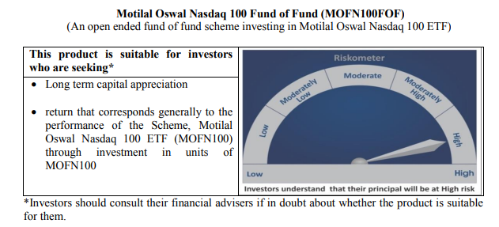
...
Total Expense Ratio
Regular Plan : | 0.50%

NAV | Direct Growth | 19.1734
NAV | Regular Growth | 19.0209

Monthly AAUM in Crores |  | 1,409.53

Latest AUM (30 NOVEMBER 2020) in Crores |  | 1,485.47

Midcap 150 Index Fund
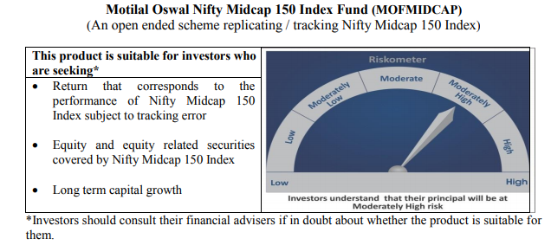
...
NAV | Regular Growth | 13.1570
NAV | Direct Growth | 13.2622

Monthly AAUM in Crores |  | 73.32

Latest AUM (30 NOVEMBER 2020) in Crores |  | 77.82

Portfolio Turnover Ratio |  | 0.81

Smallcap 250 Index Fund
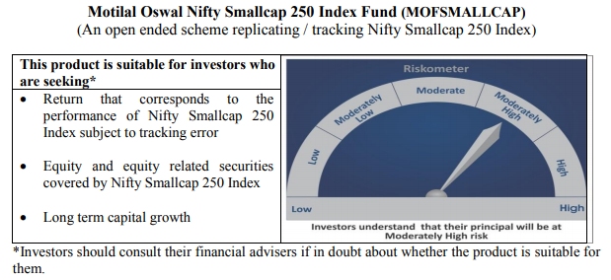
...
NAV | Regular Growth | 12.4055
NAV | Direct Growth | 12.5052

Monthly AAUM in Crores |  | 71.52

Latest AUM (30 NOVEMBER 2020) in Crores |  | 80.79

Portfolio Turnover Ratio |  | 0.72

Nifty 500 Index Fund
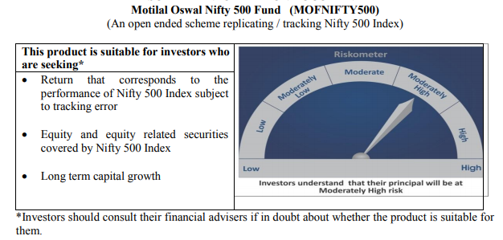
...
NAV | Regular Growth | 11.9865
NAV | Direct Growth | 12.0824

Monthly AAUM in Crores |  | 75.16

Latest AUM (30 NOVEMBER 2020) in Crores |  | 78.72

Portfolio Turnover Ratio |  | 0.13

Nifty Bank Index Fund
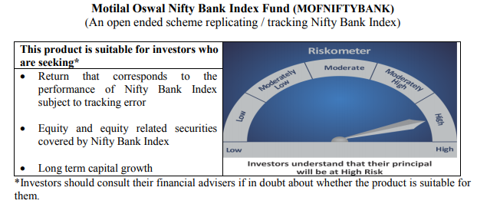
...
NAV | Regular Growth | 10.7017
NAV | Direct Growth | 10.7867

Monthly AAUM in Crores |  | 83.41

Latest AUM (30 NOVEMBER 2020) in Crores |  | 89.98

Portfolio Turnover Ratio |  | 0.42

Nifty 50 Index Fund
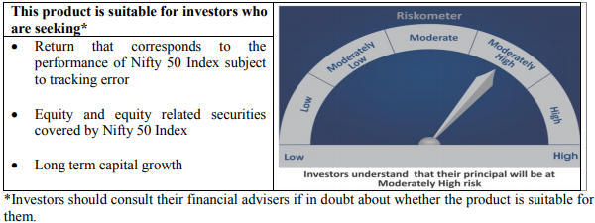
...
NAV | Direct Growth | 10.7216
NAV | Regular Growth | 10.6815

Monthly AAUM in Crores |  | 50.79

Latest AUM (30 NOVEMBER 2020) in Crores |  | 50.83

Portfolio Turnover Ratio |  | 0.18

Nifty Next 50 Index Fund
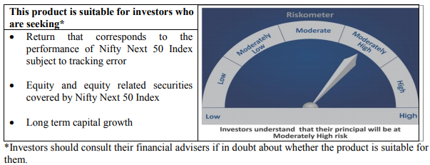
...
NAV | Regular Growth | 10.5843
NAV | Direct Growth | 10.6482

Monthly AAUM in Crores |  | 47.48

Latest AUM (30 NOVEMBER 2020) in Crores |  | 49.23

Portfolio Turnover Ratio |  | 0.37

S&P 500 Index Fund
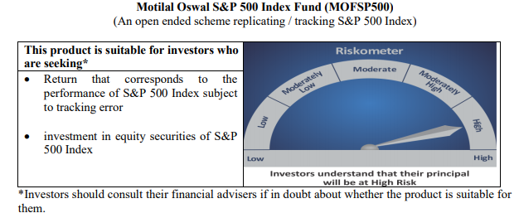
...
NAV | Regular Growth | 12.1260
NAV | Direct Growth | 12.1759

Monthly AAUM in Crores |  | 597.25

Latest AUM (30 NOVEMBER 2020) in Crores |  | 635.82

Portfolio Turnover Ratio |  | 0.02

