MO Ultra Short Term Fund
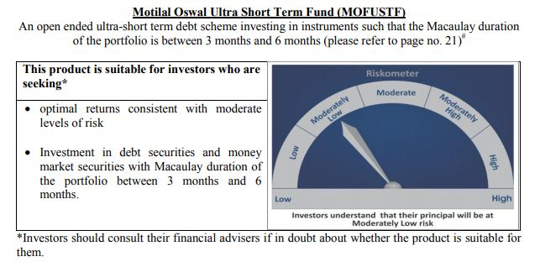
 | Motilal Oswal Ultra Short Term Fund

 | Fortnigtly Portfolio Statement as on November 30,2020
 | Name of the Instrument | ISIN | Rating | Quantity | Market/Fair Value(Rs. in Lacs) | % to Net Assets | YTM
 | Money Market Instruments
 | Treasury Bill
TBIL1799 | 182 Days Tbill (MD 18/03/2021) | IN002020Y249 | SOVEREIGN | 2,500,000 | 2477.85 | 75.19% | 3.05%
 | Sub Total |  |  |  | 2477.85 | 75.19%
 | Total |  |  |  | 2477.85 | 75.19%
 | CBLO / Reverse Repo
TRP_011220 | CBLO |  |  |  | 784.00 | 23.79% | 2.70%
 | Sub Total |  |  |  | 784.00 | 23.79%
 | Total |  |  |  | 784.00 | 23.79%
 | Net Receivables / (Payables) |  |  |  | 33.81 | 1.03%
 | GRAND TOTAL |  |  |  | 3295.66 | 100.00%

