Focused 25 Fund
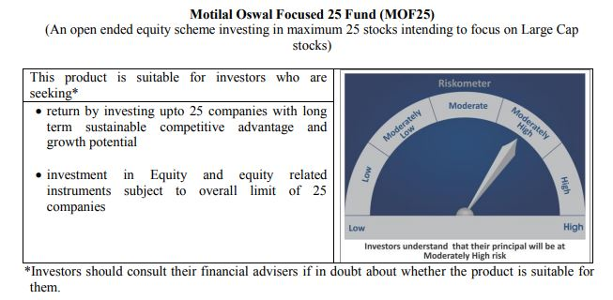
 | Motilal Oswal Focused 25 Fund
 | Portfolio as on June 30, 2020

Sr. No. | Name of Instrument |  |  | ISIN | Rating / Industry | Quantity | Market value (Rs. In lakhs) | % to Net Assets |  | Security Type | Sector / Rating | Percent
 |  |  |  |  |  |  |  |  |  |  | Banks | 21.70%
 | EQUITY & EQUITY RELATED |  |  |  |  |  |  |  |  |  | Finance | 19.63%
 | (A) Listed / awaiting listing on the stock exchanges |  |  |  |  |  |  |  |  |  | Pharmaceuticals | 11.63%
1 | HDFC Bank Limited |  |  | INE040A01034 | Banks | 1048600 | 11,176.50 | 9.32% | Listed | EQUITY | Petroleum Products | 8.31%
2 | Reliance Industries Limited |  |  | INE002A01018 | Petroleum Products | 585000 | 9,968.99 | 8.31% |  |  | Retailing | 7.26%
3 | Kotak Mahindra Bank Limited |  |  | INE237A01028 | Banks | 713438 | 9,705.97 | 8.09% |  |  | Transportation | 6.42%
4 | HDFC Life Insurance Company Limited |  |  | INE795G01014 | Finance | 1667360 | 9,153.81 | 7.63% |  |  | Auto | 5.97%
5 | Avenue Supermarts Limited |  |  | INE192R01011 | Retailing | 375513 | 8,701.20 | 7.26% |  |  | Cement | 5.12%
6 | Housing Development Finance Corporation Limited |  |  | INE001A01036 | Finance | 488292 | 8,567.82 | 7.14% |  |  | Software | 4.93%
7 | Container Corporation of India Limited |  |  | INE111A01025 | Transportation | 1501072 | 6,272.98 | 5.23% |  |  | Pesticides | 4.62%
8 | Tata Consultancy Services Limited |  |  | INE467B01029 | Software | 284085 | 5,915.08 | 4.93% |  |  | Industrial Capital Goods | 2.84%
9 | Abbott India Limited |  |  | INE358A01014 | Pharmaceuticals | 36490 | 5,742.25 | 4.79% |  |  | Telecom - Services | 0.96%
10 | PI Industries Limited |  |  | INE603J01030 | Pesticides | 368241 | 5,538.16 | 4.62% |  |  | CRISIL AAA | 0.03%
11 | ICICI Bank Limited |  |  | INE090A01021 | Banks | 1464975 | 5,148.65 | 4.29% |  |  | Cash & Equivalent | 0.57%
12 | Dr. Reddy's Laboratories Limited |  |  | INE089A01023 | Pharmaceuticals | 105576 | 4,164.92 | 3.47%
13 | Shree Cement Limited |  |  | INE070A01015 | Cement | 17772 | 4,096.63 | 3.42%
14 | Procter & Gamble Health Limited |  |  | INE199A01012 | Pharmaceuticals | 99411 | 4,045.93 | 3.37%
15 | Maruti Suzuki India Limited |  |  | INE585B01010 | Auto | 61669 | 3,600.42 | 3.00%
16 | Eicher Motors Limited |  |  | INE066A01013 | Auto | 19443 | 3,564.74 | 2.97%
17 | ABB India Limited |  |  | INE117A01022 | Industrial Capital Goods | 361740 | 3,404.52 | 2.84%
18 | ICICI Lombard General Insurance Company Limited |  |  | INE765G01017 | Finance | 232710 | 2,947.50 | 2.46%
19 | CRISIL Limited |  |  | INE007A01025 | Finance | 177607 | 2,875.19 | 2.40%
20 | UltraTech Cement Limited |  |  | INE481G01011 | Cement | 52410 | 2,040.61 | 1.70%
21 | Mahindra Logistics Limited |  |  | INE766P01016 | Transportation | 519380 | 1,426.74 | 1.19%
22 | Bharti Airtel Limited |  |  | INE397D01024 | Telecom - Services | 204965 | 1,147.50 | 0.96%
 | Total |  |  |  |  |  | 119,206.09 | 99.39% | Listed

 | BONDS & NCDs
 | (B) Listed / awaiting listing on the stock exchanges
1 | Britannia Industries Limited |  |  | INE216A07052 | CRISIL AAA | 119829 | 38.01 | 0.03%
 | Total |  |  |  |  |  | 38.01 | 0.03%

 | MONEY MARKET INSTRUMENT
 | CBLO / Reverse Repo Investments |  |  |  |  | 832000 | 832.00 | 0.69%
 | Total |  |  |  |  |  | 832.00 | 0.69%

 | Cash & Cash Equivalents
 | Net Receivable/Payable |  |  |  |  |  | (142.74) | -0.12%
 | Total |  |  |  |  |  | (142.74) | -0.12%
 | Grand Total |  |  |  |  |  | 119,933.37 | 100.00%

 | Total Expense Ratio
 | Direct Plan : | 0.88%
 | Regular Plan : | 2.28%

 | NAV |  | Direct Dividend Plan | 16.3267
 |  |  | Direct Growth Plan | 23.7833
 |  |  | Regular Dividend Plan | 14.877
 |  |  | Regular Growth Plan | 21.5905

 | Monthly AAUM in Crores |  |  | 1,176.53

 | Latest AUM (30 June 2020 ) in Crores |  |  | 1199.3336609

 | Portfolio Turnover Ratio |  |  | 0.54

 | Dividend History
 | Record Date (January 01, 2016) | Dividend per Unit (Rs.) | Cum Dividend NAV | EX Dividend NAV
 | Direct Plan | 1.00 | 15.5745 | 14.5745
 | Regular Plan | 1.00 | 14.9854 | 13.9854

 | Record Date (March 24, 2017) | Dividend per Unit (Rs.) | Cum Dividend NAV | EX Dividend NAV
 | Direct Plan | 0.50 | 16.8789 | 16.3789
 | Regular Plan | 0.50 | 15.9292 | 15.4292

 | Record Date (March 20, 2018) | Dividend per Unit (Rs.) | Cum Dividend NAV | EX Dividend NAV
 | Direct Plan | 1.80 | 18.1652 | 16.3652
 | Regular Plan | 1.80 | 16.8759 | 15.0759

 | Record Date (March 28, 2019) | Dividend per Unit (Rs.) | Cum Dividend NAV | EX Dividend NAV
 | Direct Plan | 0.50 | 17.6230 | 17.1230
 | Regular Plan | 0.50 | 16.0255 | 15.5255

Midcap 30 Fund
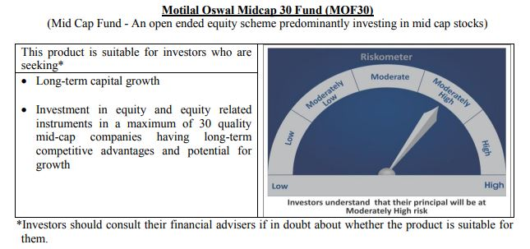
 | Motilal Oswal Midcap 30 Fund
 | Portfolio as on June 30, 2020

Sr. No. | Name of Instrument |  |  | ISIN | Rating / Industry | Quantity | Market value (Rs. In lakhs) | % to Net Assets |  | Security Type | Sector / Rating | Percent
 |  |  |  |  |  |  |  |  |  |  | Pharmaceuticals | 14.09%
 | EQUITY & EQUITY RELATED |  |  |  |  |  |  |  |  |  | Consumer Durables | 12.90%
 | Listed / awaiting listing on the stock exchanges |  |  |  |  |  |  |  |  |  | Consumer Non Durables | 8.45%
1 | Coromandel International Limited |  |  | INE169A01031 | Fertilisers | 1450000 | 10,958.38 | 7.47% | Listed | EQUITY | Finance | 8.27%
2 | Ipca Laboratories Limited |  |  | INE571A01020 | Pharmaceuticals | 600000 | 10,046.40 | 6.85% |  |  | Fertilisers | 7.47%
3 | Crompton Greaves Consumer Electricals Limited |  |  | INE299U01018 | Consumer Durables | 4087000 | 9,753.63 | 6.65% |  |  | Auto Ancillaries | 7.03%
4 | Endurance Technologies Limited |  |  | INE913H01037 | Auto Ancillaries | 1000000 | 8,707.50 | 5.93% |  |  | Banks | 6.76%
5 | Abbott India Limited |  |  | INE358A01014 | Pharmaceuticals | 50000 | 7,868.25 | 5.36% |  |  | Retailing | 4.58%
6 | Hindustan Unilever Limited |  |  | INE030A01027 | Consumer Non Durables | 340000 | 7,412.00 | 5.05% |  |  | Software | 4.00%
7 | Avenue Supermarts Limited |  |  | INE192R01011 | Retailing | 290000 | 6,719.74 | 4.58% |  |  | Healthcare Services | 2.96%
8 | Larsen & Toubro Infotech Limited |  |  | INE214T01019 | Software | 299645 | 5,866.75 | 4.00% |  |  | Industrial Capital Goods | 2.66%
9 | RBL Bank Limited |  |  | INE976G01028 | Banks | 3000000 | 5,205.00 | 3.55% |  |  | Industrial Products | 2.12%
10 | Voltas Limited |  |  | INE226A01021 | Consumer Durables | 900000 | 4,918.05 | 3.35% |  |  | Textile Products | 2.04%
11 | Metropolis Healthcare Limited |  |  | INE112L01020 | Healthcare Services | 320000 | 4,349.76 | 2.96% |  |  | Pesticides | 1.99%
12 | Nestle India Limited |  |  | INE239A01016 | Consumer Non Durables | 25005 | 4,294.47 | 2.93% |  |  | Construction | 1.86%
13 | Bata India Limited |  |  | INE176A01028 | Consumer Durables | 326238 | 4,261.32 | 2.90% |  |  | Cement | 1.73%
14 | Bajaj Finance Limited |  |  | INE296A01024 | Finance | 150000 | 4,246.50 | 2.89% |  |  | Auto | 1.25%
15 | Honeywell Automation India Limited |  |  | INE671A01010 | Industrial Capital Goods | 12979 | 3,897.18 | 2.66% |  |  | Chemicals | 0.83%
16 | Max Financial Services Limited |  |  | INE180A01020 | Finance | 692560 | 3,753.68 | 2.56% |  |  | Cash & Equivalent | 8.99%
17 | Astral Poly Technik Limited |  |  | INE006I01046 | Industrial Products | 326303 | 3,114.73 | 2.12%
18 | Page Industries Limited |  |  | INE761H01022 | Textile Products | 15000 | 2,987.19 | 2.04%
19 | Pi Industries Limited |  |  | INE603J01030 | Pesticides | 194633 | 2,927.18 | 1.99%
20 | Ajanta Pharma Limited |  |  | INE031B01049 | Pharmaceuticals | 195229 | 2,766.69 | 1.89%
21 | The Phoenix Mills Limited |  |  | INE211B01039 | Construction | 467516 | 2,734.73 | 1.86%
22 | City Union Bank Limited |  |  | INE491A01021 | Banks | 2100000 | 2,547.30 | 1.74%
23 | The Ramco Cements Limited |  |  | INE331A01037 | Cement | 400000 | 2,540.40 | 1.73%
24 | Cholamandalam Investment And Finance Company Limited |  |  | INE121A01024 | Finance | 1250000 | 2,367.50 | 1.61%
25 | Au Small Finance Bank Limited |  |  | INE949L01017 | Banks | 400000 | 2,174.00 | 1.48%
26 | Eicher Motors Limited |  |  | INE066A01013 | Auto | 10000 | 1,833.43 | 1.25%
27 | Creditaccess Grameen Limited |  |  | INE741K01010 | Finance | 338000 | 1,765.21 | 1.20%
28 | Balkrishna Industries Limited |  |  | INE787D01026 | Auto Ancillaries | 127756 | 1,611.13 | 1.10%
29 | Navin Fluorine International Limited |  |  | INE048G01026 | Chemicals | 75006 | 1,216.60 | 0.83%
30 | Jubilant Foodworks Limited |  |  | INE797F01012 | Consumer Non Durables | 40000 | 690.90 | 0.47%
 | Total |  |  |  |  |  | 133,535.57 | 91.01%

27 | CBLO / Reverse Repo Investments |  |  |  |  | 13033000 | 13,033.00 | 8.88% |  | Deposits
 | Total |  |  |  |  |  | 13,033.00 | 8.88%

 | Cash & Cash Equivalents
 | Net Receivable/Payable |  |  |  |  |  | 162.74 | 0.11%
 | Total |  |  |  |  |  | 162.74 | 0.11%
 | Grand Total |  |  |  |  |  | 146,731.31 | 100.00%

 | Total Expense Ratio
 | Direct Plan : | 1.04%
 | Regular Plan : | 2.25%

 | NAV |  | Direct Dividend Plan | 15.9325
 |  |  | Direct Growth Plan | 23.5523
 |  |  | Regular Dividend Plan | 15.5584
 |  |  | Regular Growth Plan | 21.7787

 | Monthly AAUM in Crores |  |  | 1,438.98

 | Latest AUM (30 June 2020 ) in Crores |  |  | 1467.3131271

 | Portfolio Turnover Ratio |  |  | 1.46

 | Dividend History
 | Record Date (February 19, 2016) | Dividend per Unit (Rs.) | Cum Dividend NAV | EX Dividend NAV
 | Direct Plan | 1.0000 | 17.8511 | 16.8511
 | Regular Plan | 1.0000 | 17.4182 | 16.4182

 | Record Date (March 24, 2017) | Dividend per Unit (Rs.) | Cum Dividend NAV | EX Dividend NAV
 | Direct Plan | 0.4800 | 22.4293 | 21.9493
 | Regular Plan | 0.4751 | 21.5575 | 21.0824

 | Record Date (March 20, 2018) | Dividend per Unit (Rs.) | Cum Dividend NAV | EX Dividend NAV
 | Direct Plan | 2.00 | 22.6302 | 20.6302
 | Regular Plan | 2.00 | 21.4405 | 19.4405

 | Record Date (March 28, 2019) | Dividend per Unit (Rs.) | Cum Dividend NAV | EX Dividend NAV
 | Direct Plan | 2.00 | 21.6801 | 19.6801
 | Regular Plan | 2.00 | 20.1677 | 18.1677

Multicap 35 Fund
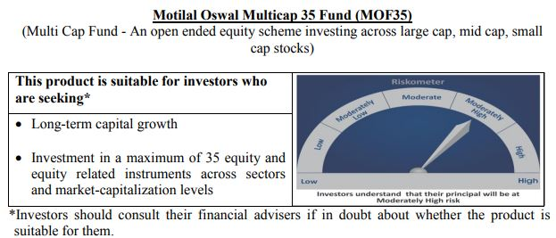
 | Motilal Oswal Multicap 35 Fund
 | Portfolio as on June 30, 2020

Sr. No. | Name of Instrument |  |  | ISIN | Rating / Industry | Quantity | Market value (Rs. In lakhs) | % to Net Assets |  | Security Type | Sector / Rating | Percent
 |  |  |  |  |  |  |  |  |  |  | Finance | 23.44%
 | EQUITY & EQUITY RELATED |  |  |  |  |  |  |  |  |  | Consumer Non Durables | 16.33%
 | Listed / awaiting listing on the stock exchanges |  |  |  |  |  |  |  |  |  | Banks | 16.25%
1 | HDFC Bank Limited |  |  | INE040A01034 | Banks | 9000000 | 95,926.50 | 9.08% | Listed | EQUITY | Auto | 11.73%
2 | HDFC Life Insurance Company Limited |  |  | INE795G01014 | Finance | 15000000 | 82,350.00 | 7.80% |  |  | Petroleum Products | 7.91%
3 | Reliance Industries Limited |  |  | INE002A01018 | Petroleum Products | 4200000 | 71,572.20 | 6.78% |  |  | Software | 7.53%
4 | Maruti Suzuki India Limited |  |  | INE585B01010 | Auto | 1000000 | 58,383.00 | 5.53% |  |  | Telecom - Services | 5.46%
5 | Housing Development Finance Corporation Limited |  |  | INE001A01036 | Finance | 3300000 | 57,903.45 | 5.48% |  |  | Retailing | 3.50%
6 | Bharti Airtel Limited |  |  | INE397D01024 | Telecom - Services | 10300000 | 57,664.55 | 5.46% |  |  | Gas | 3.23%
7 | Eicher Motors Limited |  |  | INE066A01013 | Auto | 295000 | 54,086.19 | 5.12% |  |  | Consumer Durables | 2.63%
8 | United Spirits Limited |  |  | INE854D01024 | Consumer Non Durables | 8325000 | 49,308.98 | 4.67% |  |  | Pharmaceuticals | 1.46%
9 | Britannia Industries Limited |  |  | INE216A01030 | Consumer Non Durables | 1250000 | 45,047.50 | 4.27% |  |  | Cash & Equivalent | 0.53%
10 | Infosys Limited |  |  | INE009A01021 | Software | 6000000 | 44,157.00 | 4.18%
11 | Bajaj Finance Limited |  |  | INE296A01024 | Finance | 1500000 | 42,465.00 | 4.02%
12 | ICICI Lombard General Insurance Company Limited |  |  | INE765G01017 | Finance | 3244908 | 41,100.00 | 3.89%
13 | Kotak Mahindra Bank Limited |  |  | INE237A01028 | Banks | 3000000 | 40,813.50 | 3.86%
14 | Vaibhav Global Limited |  |  | INE884A01019 | Retailing | 2900000 | 37,009.80 | 3.50%
15 | Tata Consultancy Services Limited |  |  | INE467B01029 | Software | 1700000 | 35,396.55 | 3.35%
16 | AU Small Finance Bank Limited |  |  | INE949L01017 | Banks | 6410000 | 34,838.35 | 3.30%
17 | Petronet LNG Limited |  |  | INE347G01014 | Gas | 13200000 | 34,062.60 | 3.23%
18 | Asian Paints Limited |  |  | INE021A01026 | Consumer Non Durables | 2000000 | 33,749.00 | 3.20%
19 | Hindustan Unilever Limited |  |  | INE030A01027 | Consumer Non Durables | 1500000 | 32,700.00 | 3.10%
20 | Titan Company Limited |  |  | INE280A01028 | Consumer Durables | 2923490 | 27,768.77 | 2.63%
21 | Alkem Laboratories Limited |  |  | INE540L01014 | Pharmaceuticals | 650000 | 15,393.95 | 1.46%
22 | Nippon Life India Asset Management Limited |  |  | INE298J01013 | Finance | 4000000 | 12,574.00 | 1.19%
23 | Reliance Industries Limited |  |  | IN9002A01024 | Petroleum Products | 1500000 | 11,964.00 | 1.13%
24 | Nestle India Limited |  |  | INE239A01016 | Consumer Non Durables | 68000 | 11,678.63 | 1.11%
25 | Hero MotoCorp Limited |  |  | INE158A01026 | Auto | 450000 | 11,461.28 | 1.09%
26 | HDFC Asset Management Company Limited |  |  | INE127D01025 | Finance | 450000 | 11,175.08 | 1.06%
 | Total |  |  |  |  |  | 1,050,549.86 | 99.47% | Listed
31 |  |  |  |  |  |  |  |  |  | Deposits
32 | CBLO / Reverse Repo Investments |  |  |  |  | 4226000 | 4,226.00 | 0.40%
 | Total |  |  |  |  |  | 4,226.00 | 0.40%

 | Cash & Cash Equivalents
 | Net Receivable/Payable |  |  |  |  |  | 1,384.13 | 0.13%
 | Total |  |  |  |  |  | 1,384.13 | 0.13%
 | Grand Total |  |  |  |  |  | 1,056,159.99 | 100.00%

 | Total Expense Ratio
 | Direct Plan : | 0.81%
 | Regular Plan : | 1.85%

 | NAV |  | Direct Dividend Plan | 20.3325
 |  |  | Direct Growth Plan | 24.4462
 |  |  | Regular Dividend Plan | 20.3074
 |  |  | Regular Growth Plan | 23.0501

 | Monthly AAUM in Crores |  |  | 10,317.96

 | Latest AUM (30 June 2020 ) in Crores |  |  | 10561.599882

 | Portfolio Turnover Ratio |  |  | 0.35

 | Dividend History
 | Record Date (June 30, 2017) | Dividend per Unit (Rs.) | Cum Dividend NAV | EX Dividend NAV
 | Direct Plan | 0.3000 | 24.5332 | 24.2332
 | Regular Plan | 0.3000 | 23.7803 | 23.4803

 | Record Date (March 20, 2018) | Dividend per Unit (Rs.) | Cum Dividend NAV | EX Dividend NAV
 | Direct Plan | 1.75 | 26.4448 | 24.6948
 | Regular Plan | 1.75 | 25.4495 | 23.6995

 | Record Date (March 28, 2019) | Dividend per Unit (Rs.) | Cum Dividend NAV | EX Dividend NAV
 | Direct Plan | 1.00 | 25.1298 | 24.1298
 | Regular Plan | 1.00 | 23.8865 | 22.8865

Long Term Equity Fund
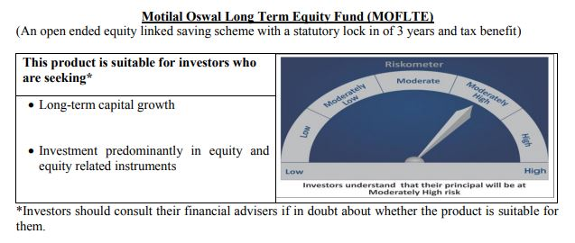
 | Motilal Oswal Long Term Equity Fund
 | Portfolio as on June 30, 2020

Sr. No. | Name of Instrument |  |  | ISIN | Rating / Industry | Quantity | Market value (Rs. In lakhs) | % to Net Assets |  | Security Type | Sector / Rating | Percent
 |  |  |  |  |  |  |  |  |  |  | Banks | 22.98%
 | EQUITY & EQUITY RELATED |  |  |  |  |  |  |  |  |  | Consumer Non Durables | 17.57%
 | Listed / awaiting listing on the stock exchanges |  |  |  |  |  |  |  |  |  | Finance | 15.76%
1 | HDFC Bank Limited |  |  | INE040A01034 | Banks | 1180000 | 12,577.03 | 8.40% | Listed | EQUITY | Consumer Durables | 6.97%
2 | ICICI Bank Limited |  |  | INE090A01021 | Banks | 3195000 | 11,228.83 | 7.50% |  |  | Pharmaceuticals | 5.06%
3 | Hindustan Unilever Limited |  |  | INE030A01027 | Consumer Non Durables | 480000 | 10,464.00 | 6.99% |  |  | Telecom - Services | 4.64%
4 | United Breweries Limited |  |  | INE686F01025 | Consumer Non Durables | 827725 | 8,589.72 | 5.74% |  |  | Cement | 3.90%
5 | Torrent Pharmaceuticals Limited |  |  | INE685A01028 | Pharmaceuticals | 319451 | 7,577.70 | 5.06% |  |  | Construction | 3.53%
6 | Muthoot Finance Limited |  |  | INE414G01012 | Finance | 690000 | 7,493.75 | 5.01% |  |  | Healthcare Services | 3.38%
7 | Jubilant Foodworks Limited |  |  | INE797F01012 | Consumer Non Durables | 419669 | 7,248.73 | 4.84% |  |  | Construction Project | 2.99%
8 | Bharti Airtel Limited |  |  | INE397D01024 | Telecom - Services | 1240000 | 6,942.14 | 4.64% |  |  | Auto | 2.92%
9 | Axis Bank Limited |  |  | INE238A01034 | Banks | 1372653 | 5,581.89 | 3.73% |  |  | Textile Products | 2.84%
10 | The Phoenix Mills Limited |  |  | INE211B01039 | Construction | 904501 | 5,290.88 | 3.53% |  |  | Commercial Services | 2.76%
11 | Dr. Lal Path Labs Limited |  |  | INE600L01024 | Healthcare Services | 323525 | 5,061.71 | 3.38% |  |  | Gas | 1.96%
12 | HDFC Life Insurance Company Limited |  |  | INE795G01014 | Finance | 912577 | 5,010.05 | 3.35% |  |  | Auto Ancillaries | 0.38%
13 | Whirlpool of India Limited |  |  | INE716A01013 | Consumer Durables | 221454 | 4,594.73 | 3.07% |  |  | Cash & Equivalent | 2.36%
14 | Max Financial Services Limited |  |  | INE180A01020 | Finance | 846290 | 4,586.89 | 3.06%
15 | Larsen & Toubro Limited |  |  | INE018A01030 | Construction Project | 474225 | 4,475.02 | 2.99%
16 | Maruti Suzuki India Limited |  |  | INE585B01010 | Auto | 75000 | 4,378.73 | 2.92%
17 | Page Industries Limited |  |  | INE761H01022 | Textile Products | 21343 | 4,250.37 | 2.84%
18 | 3M India Limited |  |  | INE470A01017 | Commercial Services | 22000 | 4,134.96 | 2.76%
19 | Crompton Greaves Consumer Electricals Limited |  |  | INE299U01018 | Consumer Durables | 1423698 | 3,397.66 | 2.27%
20 | Cholamandalam Investment and Finance Company Limited |  |  | INE121A01024 | Finance | 1750000 | 3,314.50 | 2.21%
21 | ICICI Lombard General Insurance Company Limited |  |  | INE765G01017 | Finance | 252255 | 3,195.06 | 2.13%
22 | Shree Cement Limited |  |  | INE070A01015 | Cement | 13430 | 3,095.76 | 2.07%
23 | Petronet LNG Limited |  |  | INE347G01014 | Gas | 1138813 | 2,938.71 | 1.96%
24 | Kotak Mahindra Bank Limited |  |  | INE237A01028 | Banks | 213000 | 2,897.76 | 1.94%
25 | Birla Corporation Limited |  |  | INE340A01012 | Cement | 474375 | 2,745.92 | 1.83%
26 | VIP Industries Limited |  |  | INE054A01027 | Consumer Durables | 945422 | 2,435.88 | 1.63%
27 | AU Small Finance Bank Limited |  |  | INE949L01017 | Banks | 389525 | 2,117.07 | 1.41%
28 | MRF Limited |  |  | INE883A01011 | Auto Ancillaries | 839 | 564.43 | 0.38%
 | Total |  |  |  |  |  | 146,189.85 | 97.64% | Listed
33 |  |  |  |  |  |  |  |  |  | Deposits
34 | CBLO / Reverse Repo Investments |  |  |  |  | 3353000 | 3,353.00 | 2.24%
 | Total |  |  |  |  |  | 3,353.00 | 2.24%

 | Cash & Cash Equivalents
 | Net Receivable/Payable |  |  |  |  |  | 174.42 | 0.12%
 | Total |  |  |  |  |  | 174.42 | 0.12%
 | Grand Total |  |  |  |  |  | 149,717.27 | 100.00%

 | Total Expense Ratio
 | Direct Plan : | 0.78%
 | Regular Plan : | 2.23%

 | NAV |  | Direct Dividend Plan | 14.9303
 |  |  | Direct Growth Plan | 16.7624
 |  |  | Regular Dividend Plan | 13.8025
 |  |  | Regular Growth Plan | 15.5771

 | Monthly AAUM in Crores |  |  | 1,463.58

 | Latest AUM (30 June 2020 ) in Crores |  |  | 1497.1727478

 | Portfolio Turnover Ratio |  |  | 0.78

 | Dividend History
 | Record Date (March 24, 2017) | Dividend per Unit (Rs.) | Cum Dividend NAV | EX Dividend NAV
 | Direct Plan | 0.50 | 15.0915 | 14.5915
 | Regular Plan | 0.50 | 14.6324 | 14.1324

 | Record Date (February 05, 2018) | Dividend per Unit (Rs.) | Cum Dividend NAV | EX Dividend NAV
 | Direct Plan | 1.00 | 17.8423 | 16.8423
 | Regular Plan | 1.00 | 17.0751 | 16.0751

 | Record Date (March 20, 2018) | Dividend per Unit (Rs.) | Cum Dividend NAV | EX Dividend NAV
 | Direct Plan | 0.10 | 16.7096 | 16.6096
 | Regular Plan | 0.10 | 15.9239 | 15.8239

 | Record Date (March 28, 2019) | Dividend per Unit (Rs.) | Cum Dividend NAV | EX Dividend NAV
 | Direct Plan | 0.30 | 16.4708 | 16.1708
 | Regular Plan | 0.30 | 15.5031 | 15.2031

Large & Midcap Fund
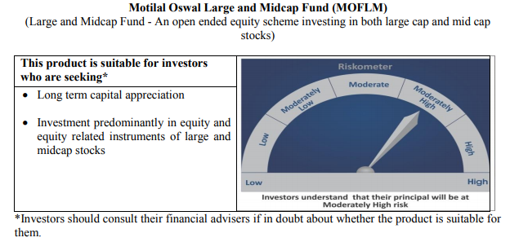
 | Motilal Oswal Large and Midcap Fund
 | Portfolio as on June 30, 2020

Sr. No. | Name of Instrument |  |  | ISIN | Rating / Industry | Quantity | Market value (Rs. In lakhs) | % to Net Assets |  | Security Type | Sector / Rating | Percent
 |  |  |  |  |  |  |  |  |  |  | Banks | 19.68%
 | EQUITY & EQUITY RELATED |  |  |  |  |  |  |  |  |  | Consumer Non Durables | 16.95%
 | Listed / awaiting listing on the stock exchanges |  |  |  |  |  |  |  |  |  | Finance | 15.12%
1 | HDFC Bank Limited |  |  | INE040A01034 | Banks | 310000 | 3,304.14 | 7.54% | Listed | EQUITY | Consumer Durables | 8.83%
2 | Hindustan Unilever Limited |  |  | INE030A01027 | Consumer Non Durables | 147000 | 3,204.60 | 7.31% |  |  | Pharmaceuticals | 5.79%
3 | ICICI Bank Limited |  |  | INE090A01021 | Banks | 880000 | 3,092.76 | 7.06% |  |  | Construction | 5.50%
4 | Max Financial Services Limited |  |  | INE180A01020 | Finance | 510000 | 2,764.20 | 6.31% |  |  | Telecom - Services | 4.73%
5 | Torrent Pharmaceuticals Limited |  |  | INE685A01028 | Pharmaceuticals | 106943 | 2,536.79 | 5.79% |  |  | Auto Ancillaries | 4.61%
6 | Jubilant Foodworks Limited |  |  | INE797F01012 | Consumer Non Durables | 127714 | 2,205.94 | 5.04% |  |  | Commercial Services | 3.67%
7 | Bharti Airtel Limited |  |  | INE397D01024 | Telecom - Services | 370000 | 2,071.45 | 4.73% |  |  | Healthcare Services | 3.60%
8 | United Breweries Limited |  |  | INE686F01025 | Consumer Non Durables | 194000 | 2,013.24 | 4.60% |  |  | Construction Project | 2.95%
9 | Muthoot Finance Limited |  |  | INE414G01012 | Finance | 184891 | 2,008.01 | 4.58% |  |  | Cement | 2.89%
10 | Whirlpool of India Limited |  |  | INE716A01013 | Consumer Durables | 79718 | 1,653.99 | 3.78% |  |  | Textile Products | 2.36%
11 | 3M India Limited |  |  | INE470A01017 | Commercial Services | 8565 | 1,609.81 | 3.67% |  |  | Auto | 1.97%
12 | Dr. Lal Path Labs Limited |  |  | INE600L01024 | Healthcare Services | 100790 | 1,576.91 | 3.60% |  |  | Cash & Equivalent | 1.34%
13 | The Phoenix Mills Limited |  |  | INE211B01039 | Construction | 251046 | 1,468.49 | 3.35%
14 | Axis Bank Limited |  |  | INE238A01034 | Banks | 330000 | 1,341.95 | 3.06%
15 | MRF Limited |  |  | INE883A01011 | Auto Ancillaries | 1965 | 1,321.94 | 3.02%
16 | Larsen & Toubro Limited |  |  | INE018A01030 | Construction Project | 137000 | 1,292.80 | 2.95%
17 | Birla Corporation Limited |  |  | INE340A01012 | Cement | 219000 | 1,267.68 | 2.89%
18 | Crompton Greaves Consumer Electricals Limited |  |  | INE299U01018 | Consumer Durables | 490513 | 1,170.61 | 2.67%
19 | VIP Industries Limited |  |  | INE054A01027 | Consumer Durables | 404567 | 1,042.37 | 2.38%
20 | Page Industries Limited |  |  | INE761H01022 | Textile Products | 5200 | 1,035.56 | 2.36%
21 | Cholamandalam Investment and Finance Company Limited |  |  | INE121A01024 | Finance | 533780 | 1,010.98 | 2.31%
22 | Kajaria Ceramics Limited |  |  | INE217B01036 | Construction | 240000 | 941.76 | 2.15%
23 | Kotak Mahindra Bank Limited |  |  | INE237A01028 | Banks | 65000 | 884.29 | 2.02%
24 | Maruti Suzuki India Limited |  |  | INE585B01010 | Auto | 14800 | 864.07 | 1.97%
25 | Housing Development Finance Corporation Limited |  |  | INE001A01036 | Finance | 48000 | 842.23 | 1.92%
26 | Balkrishna Industries Limited |  |  | INE787D01026 | Auto Ancillaries | 55385 | 698.46 | 1.59%
 | Total |  |  |  |  |  | 43,225.02 | 98.66%

27 | CBLO / Reverse Repo Investments |  |  |  |  | 912000 | 912.00 | 2.08% |  | Deposits
 | Total |  |  |  |  |  | 912.00 | 2.08%

 | Cash & Cash Equivalents
 | Net Receivable/Payable |  |  |  |  |  | (326.78) | -0.75%
 | Total |  |  |  |  |  | (326.78) | -0.75%
 | Grand Total |  |  |  |  |  | 43,810.25 | 100.00

 | Total Expense Ratio
 | Direct Plan : | 0.64%
 | Regular Plan : | 2.49%

 | NAV |  | Direct Dividend Plan | 9.2601
 |  |  | Direct Growth Plan | 9.2601
 |  |  | Regular Dividend Plan | 9.1472
 |  |  | Regular Growth Plan | 9.1471

 | Monthly AAUM in Crores |  |  | 429.49

 | Latest AUM (30 June 2020 ) in Crores |  |  | 438.10247927

 | Portfolio Turnover Ratio |  |  | 0.20

Dynamic Fund
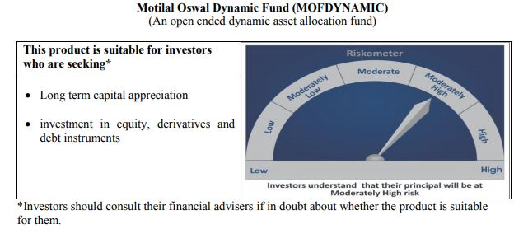
 | Motilal Oswal Dynamic Fund
 | Portfolio as on June 30, 2020

Sr. No. | Name of Instrument |  |  | ISIN | Rating / Industry | Quantity | Market value (Rs. In lakhs) | % to Net Assets |  |  | Sector / Rating | Percent
 |  |  |  |  |  |  |  |  |  |  | Finance | 17.95%
 | EQUITY & EQUITY RELATED |  |  |  |  |  |  |  |  |  | Consumer Non Durables | 12.78%
 | Listed / awaiting listing on the stock exchanges |  |  |  |  |  |  |  |  |  | Banks | 12.59%
1 | HDFC Bank Limited |  |  | INE040A01034 | Banks | 734000 | 7,823.34 | 7.04% | Listed |  | Auto | 9.11%
2 | HDFC Life Insurance Company Limited |  |  | INE795G01014 | Finance | 1222000 | 6,708.78 | 6.04% |  |  | Petroleum Products | 6.10%
3 | Reliance Industries Limited |  |  | INE002A01018 | Petroleum Products | 342000 | 5,828.02 | 5.24% |  |  | Sovereign | 5.86%
4 | Maruti Suzuki India Limited |  |  | INE585B01010 | Auto | 82000 | 4,787.41 | 4.31% |  |  | Software | 4.55%
5 | Housing Development Finance Corporation Limited |  |  | INE001A01036 | Finance | 268000 | 4,702.46 | 4.23% |  |  | CRISIL AAA | 4.53%
6 | Bharti Airtel Limited |  |  | INE397D01024 | Telecom - Services | 839000 | 4,697.14 | 4.23% |  |  | Telecom - Services | 4.23%
7 | Eicher Motors Limited |  |  | INE066A01013 | Auto | 24100 | 4,418.57 | 3.98% |  |  | Gas | 2.50%
8 | United Spirits Limited |  |  | INE854D01024 | Consumer Non Durables | 678000 | 4,015.79 | 3.61% |  |  | Consumer Durables | 2.04%
9 | Britannia Industries Limited |  |  | INE216A01030 | Consumer Non Durables | 102256 | 3,685.10 | 3.32% |  |  | Pharmaceuticals | 1.13%
10 | Bajaj Finance Limited |  |  | INE296A01024 | Finance | 121500 | 3,439.67 | 3.09% |  |  | Cash & Equivalent | 16.64%
11 | ICICI Lombard General Insurance Company Limited |  |  | INE765G01017 | Finance | 264000 | 3,343.82 | 3.01%
12 | Kotak Mahindra Bank Limited |  |  | INE237A01028 | Banks | 245000 | 3,333.10 | 3.00%
13 | Asian Paints Limited |  |  | INE021A01026 | Consumer Non Durables | 196000 | 3,307.40 | 2.98%
14 | Infosys Limited |  |  | INE009A01021 | Software | 418000 | 3,076.27 | 2.77%
15 | AU Small Finance Bank Limited |  |  | INE949L01017 | Banks | 521000 | 2,831.64 | 2.55%
16 | Petronet LNG Limited |  |  | INE347G01014 | Gas | 1076000 | 2,776.62 | 2.50%
17 | Hindustan Unilever Limited |  |  | INE030A01027 | Consumer Non Durables | 105924 | 2,309.14 | 2.08%
18 | Titan Company Limited |  |  | INE280A01028 | Consumer Durables | 239000 | 2,270.14 | 2.04%
19 | Tata Consultancy Services Limited |  |  | INE467B01029 | Software | 95000 | 1,978.04 | 1.78%
20 | Alkem Laboratories Limited |  |  | INE540L01014 | Pharmaceuticals | 53000 | 1,255.20 | 1.13%
21 | Nippon Life India Asset Management Limited |  |  | INE298J01013 | Finance | 305000 | 958.77 | 0.86%
22 | Reliance Industries Limited |  |  | IN9002A01024 | Petroleum Products | 120000 | 957.12 | 0.86%
23 | Hero MotoCorp Limited |  |  | INE158A01026 | Auto | 36000 | 916.90 | 0.82%
24 | Nestle India Limited |  |  | INE239A01016 | Consumer Non Durables | 5150 | 884.48 | 0.80%
25 | HDFC Asset Management Company Limited |  |  | INE127D01025 | Finance | 32000 | 794.67 | 0.71%
 | Total |  |  |  |  |  | 81,099.60 | 72.97% | Listed

 | BONDS & NCDs
 | Listed / awaiting listing on the stock exchanges
1 | Housing Development Finance Corporation Limited |  |  | INE001A07NZ7 | CRISIL AAA | 5000000 | 5,040.05 | 4.53%
 | Total |  |  |  |  |  | 5,040.05 | 4.53%

 | State Government Bond
 | Listed / awaiting listing on the stock exchanges
1 | 8.90% TAMILNADU SDL-20-Sep-2022 |  |  | IN3120120065 | Sovereign | 3000000 | 3,267.85 | 2.94%
2 | 8.48% KARNATAKA SDL-17-Oct-2022 |  |  | IN1920180024 | Sovereign | 3000000 | 3,245.62 | 2.92%
 | Total |  |  |  |  |  | 6,513.47 | 5.86%

51 | CBLO / Reverse Repo Investments |  |  |  |  | 18133000 | 18,133.00 | 16.31% |  | Deposits
 | Total |  |  |  |  |  | 18,133.00 | 16.31%

 | Cash & Cash Equivalents
 | Net Receivable/Payable |  |  |  |  |  | 361.93 | 0.33%
 | Total |  |  |  |  |  | 361.93 | 0.33%
 | Grand Total |  |  |  |  |  | 111,148.04 | 100.00%

 | Total Expense Ratio
 | Direct Plan : | 0.83%
 | Regular Plan : | 2.23%

 | NAV |  | Direct Growth Plan |  | 13.2461
 |  |  | Direct Plan - Annual Dividend |  | 12.1596
 |  |  | Direct Plan - Quarterly Dividend |  | 11.4153
 |  |  | Regular Growth Plan |  | 12.7004
 |  |  | Regular Plan - Annual Dividend |  | 11.9467
 |  |  | Regular Plan - Quarterly Dividend |  | 11.4709

 | Monthly AAUM in Crores |  |  |  | 1,094.52

 | Latest AUM (30 June 2020 ) in Crores |  |  |  | 1111.48039102

 | Portfolio Turnover Ratio |  |  |  | 3.57

 | Quarterly Dividend (Direct Plan)
 | Record Date Dividend Option | Dividend per Unit (Rs.) | Cum Dividend NAV | EX Dividend NAV
 | 31-Oct-19 | 0.150000 | 12.3489 | 12.1989
 | 30-Jul-19 | 0.200000 | 11.6058 | 11.4058
 | 21-Jan-19 | 0.300000 | 11.5864 | 11.2864

 | Quarterly Dividend (Regular Plan)
 | Record Date Dividend Option | Dividend per Unit (Rs.) | Cum Dividend NAV | EX Dividend NAV
 | 21-Jan-19 | 0.300000 | 11.2969 | 10.9969
 | 31-Oct-18 | 0.075000 | 11.1126 | 11.0376
 | 10-Jul-18 | 0.050000 | 11.6597 | 11.6097

 | Annual Dividend( Direct Plan)
 | Record Date | Dividend per Unit (Rs.) | Cum Dividend NAV | EX Dividend NAV
 | 23-Oct-17 | 0.2600 | 11.8446 | 11.5846

 | Annual Dividend( Regular Plan)
 | Record Date | Dividend per Unit (Rs.) | Cum Dividend NAV | EX Dividend NAV
 | 23-Oct-17 | 0.2600 | 11.6879 | 11.4279

 | Record Date (March 20, 2018) | Dividend per Unit (Rs.) | Cum Dividend NAV | EX Dividend NAV
 | Direct Plan | 0.1199 | 11.8554 | 11.7355
 | Regular Plan | 0.1500 | 11.6473 | 11.4973

 | Annual Dividend( Regular Plan)
 | Record Date (March 28, 2019) | Dividend per Unit (Rs.) | Cum Dividend NAV | EX Dividend NAV
 | Direct Plan | 0.2681 | 12.1778 | 11.9097
 | Regular Plan | 0.3000 | 11.8144 | 11.5144

Equity Hybrid
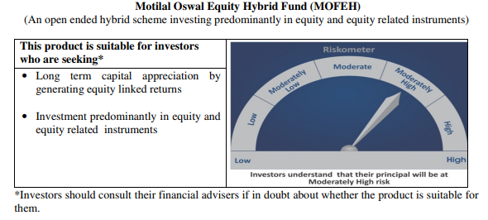
 | Motilal Oswal Equity Hybrid Fund
 | Portfolio as on June 30, 2020

Sr. No. | Name of Instrument |  |  | ISIN | Rating / Industry | Quantity | Market value (Rs. In lakhs) | % to Net Assets | Security Type | Sector / Rating | Percent
 |  |  |  |  |  |  |  |  |  | Finance | 15.78%
 | EQUITY & EQUITY RELATED |  |  |  |  |  |  |  |  | Banks | 15.65%
 | (A) Listed / awaiting listing on the stock exchanges |  |  |  |  |  |  |  |  | Sovereign | 12.49%
1 | HDFC Bank Limited |  |  | INE040A01034 | Banks | 198659 | 2,117.41 | 6.54% | EQUITY | Pharmaceuticals | 8.56%
2 | HDFC Life Insurance Company Limited |  |  | INE795G01014 | Finance | 347380 | 1,907.12 | 5.89% |  | Petroleum Products | 6.92%
3 | Reliance Industries Limited |  |  | INE002A01018 | Petroleum Products | 108000 | 1,840.43 | 5.68% |  | Transportation | 6.05%
4 | Housing Development Finance Corporation Limited |  |  | INE001A01036 | Finance | 95221 | 1,670.80 | 5.16% |  | Pesticides | 5.55%
5 | Avenue Supermarts Limited |  |  | INE192R01011 | Retailing | 71763 | 1,662.86 | 5.14% |  | Retailing | 5.14%
6 | PI Industries Limited |  |  | INE603J01030 | Pesticides | 98188 | 1,476.70 | 4.56% |  | Auto | 3.93%
7 | Container Corporation of India Limited |  |  | INE111A01025 | Transportation | 340891 | 1,424.58 | 4.40% |  | CRISIL AAA | 3.25%
8 | Kotak Mahindra Bank Limited |  |  | INE237A01028 | Banks | 104640 | 1,423.57 | 4.40% |  | Industrial Capital Goods | 3.24%
9 | Abbott India Limited |  |  | INE358A01014 | Pharmaceuticals | 6959 | 1,095.10 | 3.38% |  | ICRA A1+ | 3.04%
10 | Shree Cement Limited |  |  | INE070A01015 | Cement | 4151 | 956.85 | 2.96% |  | Cement | 2.96%
11 | Dr. Reddy's Laboratories Limited |  |  | INE089A01023 | Pharmaceuticals | 24110 | 951.13 | 2.94% |  | Software | 2.19%
12 | CRISIL Limited |  |  | INE007A01025 | Finance | 58500 | 947.03 | 2.93% |  | Textile Products | 1.51%
13 | ICICI Bank Limited |  |  | INE090A01021 | Banks | 267118 | 938.79 | 2.90% |  | Telecom - Services | 1.18%
14 | Procter & Gamble Health Limited |  |  | INE199A01012 | Pharmaceuticals | 17845 | 726.27 | 2.24% |  | Cash & Equivalent | 2.55%
15 | Tata Consultancy Services Limited |  |  | INE467B01029 | Software | 34127 | 710.58 | 2.19%
16 | Eicher Motors Limited |  |  | INE066A01013 | Auto | 3505 | 642.62 | 1.98%
17 | Maruti Suzuki India Limited |  |  | INE585B01010 | Auto | 10795 | 630.24 | 1.95%
18 | ICICI Lombard General Insurance Company Limited |  |  | INE765G01017 | Finance | 46129 | 584.27 | 1.80%
19 | Honeywell Automation India Limited |  |  | INE671A01010 | Industrial Capital Goods | 1820 | 546.49 | 1.69%
20 | ABB India Limited |  |  | INE117A01022 | Industrial Capital Goods | 53433 | 502.88 | 1.55%
21 | Page Industries Limited |  |  | INE761H01022 | Textile Products | 2459 | 489.70 | 1.51%
22 | Castrol India Limited |  |  | INE172A01027 | Petroleum Products | 319385 | 401.47 | 1.24%
23 | Bharti Airtel Limited |  |  | INE397D01024 | Telecom - Services | 68000 | 380.70 | 1.18%
24 | Bayer Cropscience Limited |  |  | INE462A01022 | Pesticides | 5378 | 319.29 | 0.99%
25 | Mahindra Logistics Limited |  |  | INE766P01016 | Transportation | 109311 | 300.28 | 0.93%
26 | State Bank of India |  |  | INE062A01020 | Banks | 165010 | 294.46 | 0.91%
27 | AU Small Finance Bank Limited |  |  | INE949L01017 | Banks | 54000 | 293.49 | 0.91%
28 | Gujarat Pipavav Port Limited |  |  | INE517F01014 | Transportation | 309634 | 234.86 | 0.73%
 | Total |  |  |  |  |  | 25,469.95 | 78.67%

 | BONDS & NCDs
 | Listed / awaiting listing on the stock exchanges
1 | Britannia Industries Limited |  |  | INE216A07052 | CRISIL AAA | 16599 | 5.27 | 0.02%
2 | Housing Development Finance Corporation Limited |  |  | INE001A07RU9 | CRISIL AAA | 1000000 | 1,047.86 | 3.24%
 | Total |  |  |  |  |  | 1,053.12 | 3.25%

 | State Government Bond
 | Listed / awaiting listing on the stock exchanges
1 | 6.81% MAHARASHTRA SDL-08-Nov-2022 |  |  | IN2220170145 | Sovereign | 4000000 | 4,044.36 | 12.49%
 | Total |  |  |  |  |  | 4,044.36 | 12.49%

 | MONEY MARKET INSTRUMENT
 | CERTIFICATE OF DEPOSIT
1 | Axis Bank Limited |  |  | INE238A166S7 | ICRA A1+ | 1000000 | 983.34 | 3.04%
 | Total |  |  |  |  |  | 983.34 | 3.04%

53 | CBLO / Reverse Repo Investments |  |  |  |  | 803000 | 803.00 | 2.48% | Deposits
 | Total |  |  |  |  |  | 803.00 | 2.48%

 | Cash & Cash Equivalents
 | Net Receivable/Payable |  |  |  |  |  | 22.71 | 0.07%
 | Total |  |  |  |  |  | 22.71 | 0.07%
 | Grand Total |  |  |  |  |  | 32,376.48 | 100.00%

 | Total Expense Ratio
 | Direct Plan : | 0.64%
 | Regular Plan : | 2.53%

 | NAV |  | Direct Growth Plan |  | 11.151
 |  |  | Regular Growth Plan |  | 10.8406

 | Monthly AAUM in Crores |  |  |  | 318.44

 | Latest AUM (30 June 2020 ) in Crores |  |  |  | 323.7647586

 | Portfolio Turnover Ratio |  |  |  | 0.52

Liquid Fund
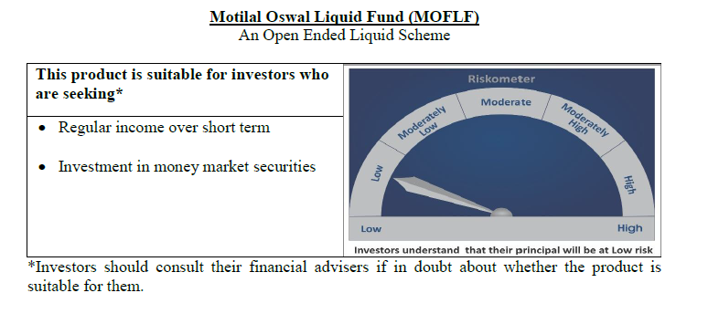
 | Motilal Oswal Liquid Fund
 | Portfolio as on June 30, 2020

Sr. No. | Name of Instrument |  |  | ISIN | Rating / Industry | Quantity | Market value (Rs. In lakhs) | % to Net Assets | Security Type | Sector / Rating | Percent
 |  |  |  |  |  |  |  |  |  | Sovereign | 64.72%
 | Unlisted |  |  |  |  |  |  |  |  | FITCH A1+ | 8.09%
 | MONEY MARKET INSTRUMENT |  |  |  |  |  |  |  |  | CARE A1+ | 4.05%
 | Treasury Bill |  |  |  |  |  |  |  |  | ICRA A1+ | 4.05%
1 | 91 Days Tbill - 09-Jul-2020 |  |  | IN002020X019 | Sovereign | 20000000 | 19,986.38 | 32.42% |  | Cash & Equivalent | 19.09%
2 | 91 Days Tbill - 10-Sep-2020 |  |  | IN002020X126 | Sovereign | 15000000 | 14,909.81 | 24.19%
3 | 364 Days Tbill - 02-Jul-2020 |  |  | IN002019Z156 | Sovereign | 5000000 | 4,999.58 | 8.11%
 | Total |  |  |  |  |  | 39,895.76 | 64.72%

 | MONEY MARKET INSTRUMENT
 | CERTIFICATE OF DEPOSIT
1 | ICICI Bank Limited |  |  | INE090A162V7 | CARE A1+ | 2500000 | 2,496.53 | 4.05%
2 | Bank of Baroda |  |  | INE028A16CC3 | FITCH A1+ | 2500000 | 2,495.88 | 4.05%
3 | Axis Bank Limited |  |  | INE238A169Q5 | ICRA A1+ | 2500000 | 2,494.99 | 4.05%
4 | National Bank For Agriculture and Rural Development |  |  | INE261F16454 | FITCH A1+ | 2500000 | 2,492.14 | 4.04%
 | Total |  |  |  |  |  | 9,979.54 | 16.19%

53 | CBLO / Reverse Repo Investments |  |  |  |  | 11277000 | 11,277.00 | 18.30% | Deposits
 | Total |  |  |  |  |  | 11,277.00 | 18.30%

 | Cash & Cash Equivalents
 | Net Receivable/Payable |  |  |  |  |  | 487.28 | 0.79%
 | Total |  |  |  |  |  | 487.28 | 0.79%
 | Grand Total |  |  |  |  |  | 61,639.58 | 100.00%

 | Total Expense Ratio
 | Direct Plan : | 0.21%
 | Regular Plan : | 0.36%

 | NAV |  | Direct Growth Plan |  | 10.7967
 |  |  | Direct Plan - Daily Dividend |  | 10.0077
 |  |  | Direct Plan - Monthly Dividend |  | 10.0322
 |  |  | Direct Plan - Quarterly Dividend |  | 10.0022
 |  |  | Direct Plan - Weekly Dividend |  | 10.0092
 |  |  | Direct Plan - Fortnightly Dividend |  | 10.0075
 |  |  | Regular Growth Plan |  | 10.7719
 |  |  | Regular Plan - Daily Dividend |  | 10.0055
 |  |  | Regular Plan - Monthly Dividend |  | 10.0320
 |  |  | Regular Plan - Weekly Dividend |  | 10.0163
 |  |  | Regular Plan - Fortnightly Dividend |  | 10.0071
 |  |  | Regular Plan - Quarterly Dividend |  | 10.0049
 |  |  | Unclaimed Dividend Plan Below 3 years |  | 10.4859
 |  |  | Unclaimed Redemption Plan Below 3 years |  | 10.2928

 | Monthly AAUM in Crores |  |  |  | 613.42

 | Latest AUM (30 June 2020 ) in Crores |  |  |  | 616.39580300

 | Monthly Dividend (Direct Plan)
 | Record Date Dividend Option | Dividend per Unit (Rs.) | Cum Dividend NAV | EX Dividend NAV
 | 26-Jun-20 | 0.021183 | 10.0512 | 10.0300
 | 29-May-20 | 0.027828 | 10.0578 | 10.0300
 | 24-Apr-20 | 0.033850 | 10.0639 | 10.0300

 | Monthly Dividend (Regular Plan)
 | Record Date Dividend Option | Dividend per Unit (Rs.) | Cum Dividend NAV | EX Dividend NAV
 | 26-Jun-20 | 0.019733 | 10.0497 | 10.0300
 | 29-May-20 | 0.027642 | 10.0577 | 10.0300
 | 24-Apr-20 | 0.032607 | 10.0626 | 10.0300

 | Quarterly Dividend (Direct Plan)
 | Record Date Dividend Option | Dividend per Unit (Rs.) | Cum Dividend NAV | EX Dividend NAV
 | 26-Jun-20 | 0.086490 | 10.0914 | 10.0034
 | 27-Mar-20 | 0.112873 | 10.1163 | 10.0034
 | 27-Dec-19 | 0.120541 | 10.1240 | 10.0034

 | Quarterly Dividend (Regular Plan)
 | Record Date Dividend Option | Dividend per Unit (Rs.) | Cum Dividend NAV | EX Dividend NAV
 | 26-Jun-20 | 0.439166 | 10.4426 | 10.0034

USTBF
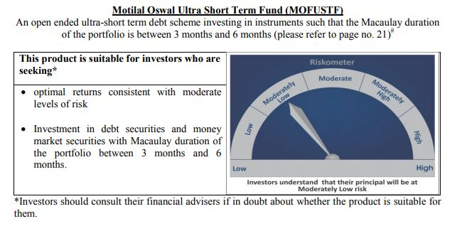
 | Motilal Oswal Ultra Short Term Fund
 | Portfolio as on June 30, 2020

Sr. No. | Name of Instrument |  |  | ISIN | Rating / Industry | Quantity | Market value (Rs. In lakhs) | % to Net Assets | Security Type | Sector / Rating | Percent
 |  |  |  |  |  |  |  |  |  | Sovereign | 74.76%
 | MONEY MARKET INSTRUMENT |  |  |  |  |  |  |  |  | Cash & Equivalent | 25.24%
 | Treasury Bill
1 | 364 Days TBILL - 10-Sep-2020 |  |  | IN002019Z255 | Sovereign | 3000000 | 2,981.96 | 74.76%
 | Total |  |  |  |  |  | 2,981.96 | 74.76%

4 | CBLO / Reverse Repo Investments |  |  |  |  | 966000 | 966.00 | 24.22% | Deposits
 | Total |  |  |  |  |  | 966.00 | 24.22%

 | Cash & Cash Equivalents
 | Net Receivable/Payable |  |  |  |  |  | 40.91 | 1.03%
 | Total |  |  |  |  |  | 40.91 | 1.03%
 | Grand Total |  |  |  |  |  | 3,988.87 | 100.00%

 | Total Expense Ratio
 | Direct Plan : | 0.08%
 | Regular Plan : | 0.08%

 | NAV |  | Direct Growth Plan |  | 13.6206
 |  |  | Direct Plan - Daily Dividend |  | 9.6129
 |  |  | Direct Plan - Fortnightly Dividend |  | 9.6309
 |  |  | Direct Plan - Monthly Dividend |  | 9.6197
 |  |  | Direct Plan - Quarterly Dividend |  | 9.758
 |  |  | Direct Plan - Weekly Dividend |  | 9.6235
 |  |  | Regular Growth Plan |  | 13.2449
 |  |  | Regular Plan - Daily Dividend |  | 9.6163
 |  |  | Regular Plan - Fortnightly Dividend |  | 9.6266
 |  |  | Regular Plan - Monthly Dividend |  | 9.6168
 |  |  | Regular Plan - Quarterly Dividend |  | 9.7567
 |  |  | Regular Plan - Weekly Dividend |  | 9.6198

 | Monthly AAUM in Crores |  |  |  | 40.80

 | Latest AUM (30 June 2020 ) in Crores |  |  |  | 39.888712139

 | Dividend History
 | Quarterly Dividend (Direct Plan)
 | Record Date Dividend Option | Dividend per Unit (Rs.) | Cum Dividend NAV | EX Dividend NAV
 | 29-Dec-17 | 0.139900 | 10.1607 | 10.0208
 | 3-Apr-18 | 0.157100 | 10.1932 | 10.0361
 | 29-Jun-18 | 0.162900 | 10.1885 | 10.0256

 | Quarterly Dividend (Regular Plan)
 | Record Date Dividend Option | Dividend per Unit (Rs.) | Cum Dividend NAV | EX Dividend NAV
 | 29-Dec-17 | 0.128300 | 10.1596 | 10.0313
 | 3-Apr-18 | 0.145200 | 10.1917 | 10.0465
 | 29-Jun-18 | 0.151700 | 10.1876 | 10.0359

 | Monthly Dividend (Direct Plan)
 | Record Date Dividend Option | Dividend per Unit (Rs.) | Cum Dividend NAV | EX Dividend NAV
 | 29-Jun-18 | 0.085576 | 10.0860 | 10.0004
 | 27-Jul-18 | 0.052676 | 10.0531 | 10.0004
 | 31-Aug-18 | 0.065273 | 10.0657 | 10.0004

 | Monthly Dividend (Regular Plan)
 | Record Date Dividend Option | Dividend per Unit (Rs.) | Cum Dividend NAV | EX Dividend NAV
 | 29-Jun-18 | 0.081535 | 10.0827 | 10.0012
 | 27-Jul-18 | 0.049133 | 10.0503 | 10.0012
 | 31-Aug-18 | 0.060833 | 10.0619 | 10.0011

M50
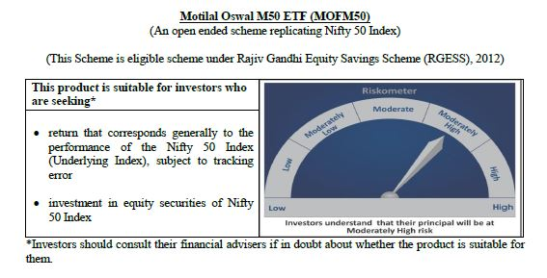
 | Motilal Oswal M50 ETF
 | Portfolio as on June 30, 2020

Sr. No. | Name of Instrument |  |  | ISIN | Rating / Industry | Quantity | Market value (Rs. In lakhs) | % to Net Assets |  | Security Type | Sector / Rating | Percent
 |  |  |  |  |  |  |  |  |  |  | Banks | 24.71%
 |  |  |  |  |  |  |  |  |  |  | Software | 14.10%
 | EQUITY & EQUITY RELATED |  |  |  |  |  |  |  |  |  | Petroleum Products | 13.57%
 | (A) Listed / awaiting listing on the stock exchanges |  |  |  |  |  |  |  |  |  | Consumer Non Durables | 12.48%
1 | Reliance Industries Limited |  |  | INE002A01018 | Petroleum Products | 18863 | 321.44 | 12.39% | Listed | EQUITY | Finance | 9.49%
2 | HDFC Bank Limited |  |  | INE040A01034 | Banks | 25793 | 274.91 | 10.59% |  |  | Auto | 5.49%
3 | Housing Development Finance Corporation Limited |  |  | INE001A01036 | Finance | 10293 | 180.61 | 6.96% |  |  | Telecom - Services | 3.08%
4 | Infosys Limited |  |  | INE009A01021 | Software | 21798 | 160.42 | 6.18% |  |  | Pharmaceuticals | 3.01%
5 | ICICI Bank Limited |  |  | INE090A01021 | Banks | 38537 | 135.44 | 5.22% |  |  | Construction Project | 2.64%
6 | Tata Consultancy Services Limited |  |  | INE467B01029 | Software | 6253 | 130.20 | 5.02% |  |  | Cement | 2.29%
7 | Kotak Mahindra Bank Limited |  |  | INE237A01028 | Banks | 8714 | 118.55 | 4.57% |  |  | Power | 2.09%
8 | Hindustan Unilever Limited |  |  | INE030A01027 | Consumer Non Durables | 5313 | 115.82 | 4.46% |  |  | Ferrous Metals | 1.00%
9 | ITC Limited |  |  | INE154A01025 | Consumer Non Durables | 51938 | 101.10 | 3.90% |  |  | Non - Ferrous Metals | 0.93%
10 | Bharti Airtel Limited |  |  | INE397D01024 | Telecom - Services | 14285 | 79.97 | 3.08% |  |  | Consumer Durables | 0.91%
11 | Larsen & Toubro Limited |  |  | INE018A01030 | Construction Project | 7269 | 68.59 | 2.64% |  |  | Oil | 0.68%
12 | Axis Bank Limited |  |  | INE238A01034 | Banks | 13435 | 54.63 | 2.11% |  |  | Minerals/Mining | 0.64%
13 | Maruti Suzuki India Limited |  |  | INE585B01010 | Auto | 791 | 46.18 | 1.78% |  |  | Transportation | 0.59%
14 | Asian Paints Limited |  |  | INE021A01026 | Consumer Non Durables | 2683 | 45.27 | 1.74% |  |  | Pesticides | 0.54%
15 | Bajaj Finance Limited |  |  | INE296A01024 | Finance | 1576 | 44.62 | 1.72% |  |  | Gas | 0.43%
16 | State Bank of India |  |  | INE062A01020 | Banks | 22838 | 40.75 | 1.57% |  |  | Telecom - Equipment & Accessories | 0.43%
17 | Nestle India Limited |  |  | INE239A01016 | Consumer Non Durables | 212 | 36.41 | 1.40% |  |  | Media & Entertainment | 0.36%
18 | HCL Technologies Limited |  |  | INE860A01027 | Software | 6460 | 35.97 | 1.39% |  |  | Cash & Equivalent | 0.51%
19 | Sun Pharmaceutical Industries Limited |  |  | INE044A01036 | Pharmaceuticals | 6425 | 30.39 | 1.17%
20 | Mahindra & Mahindra Limited |  |  | INE101A01026 | Auto | 5697 | 29.09 | 1.12%
21 | Dr. Reddy's Laboratories Limited |  |  | INE089A01023 | Pharmaceuticals | 722 | 28.48 | 1.10%
22 | NTPC Limited |  |  | INE733E01010 | Power | 28853 | 27.64 | 1.07%
23 | UltraTech Cement Limited |  |  | INE481G01011 | Cement | 687 | 26.75 | 1.03%
24 | Power Grid Corporation of India Limited |  |  | INE752E01010 | Power | 15256 | 26.68 | 1.03%
25 | Britannia Industries Limited |  |  | INE216A01030 | Consumer Non Durables | 701 | 25.26 | 0.97%
26 | Titan Company Limited |  |  | INE280A01028 | Consumer Durables | 2483 | 23.58 | 0.91%
27 | Bajaj Auto Limited |  |  | INE917I01010 | Auto | 775 | 21.90 | 0.84%
28 | Bajaj Finserv Limited |  |  | INE918I01018 | Finance | 360 | 21.04 | 0.81%
29 | Tech Mahindra Limited |  |  | INE669C01036 | Software | 3680 | 20.00 | 0.77%
30 | Hero MotoCorp Limited |  |  | INE158A01026 | Auto | 773 | 19.69 | 0.76%
31 | Wipro Limited |  |  | INE075A01022 | Software | 8842 | 19.42 | 0.75%
32 | Cipla Limited |  |  | INE059A01026 | Pharmaceuticals | 3023 | 19.35 | 0.75%
33 | Shree Cement Limited |  |  | INE070A01015 | Cement | 79 | 18.21 | 0.70%
34 | Bharat Petroleum Corporation Limited |  |  | INE029A01011 | Petroleum Products | 4776 | 17.86 | 0.69%
35 | Oil & Natural Gas Corporation Limited |  |  | INE213A01029 | Oil | 21711 | 17.66 | 0.68%
36 | IndusInd Bank Limited |  |  | INE095A01012 | Banks | 3591 | 17.05 | 0.66%
37 | Coal India Limited |  |  | INE522F01014 | Minerals/Mining | 12469 | 16.57 | 0.64%
38 | Adani Ports and Special Economic Zone Limited |  |  | INE742F01042 | Transportation | 4474 | 15.39 | 0.59%
39 | Eicher Motors Limited |  |  | INE066A01013 | Auto | 83 | 15.22 | 0.59%
40 | Grasim Industries Limited |  |  | INE047A01021 | Cement | 2349 | 14.56 | 0.56%
41 | Tata Steel Limited |  |  | INE081A01012 | Ferrous Metals | 4425 | 14.46 | 0.56%
42 | UPL Limited |  |  | INE628A01036 | Pesticides | 3274 | 13.92 | 0.54%
43 | Indian Oil Corporation Limited |  |  | INE242A01010 | Petroleum Products | 15127 | 12.91 | 0.50%
44 | Hindalco Industries Limited |  |  | INE038A01020 | Non - Ferrous Metals | 8689 | 12.70 | 0.49%
45 | Vedanta Limited |  |  | INE205A01025 | Non - Ferrous Metals | 10839 | 11.53 | 0.44%
46 | JSW Steel Limited |  |  | INE019A01038 | Ferrous Metals | 6042 | 11.44 | 0.44%
47 | GAIL (India) Limited |  |  | INE129A01019 | Gas | 11005 | 11.24 | 0.43%
48 | Bharti Infratel Limited |  |  | INE121J01017 | Telecom - Equipment & Accessories | 5063 | 11.21 | 0.43%
49 | Tata Motors Limited |  |  | INE155A01022 | Auto | 10662 | 10.48 | 0.40%
50 | Zee Entertainment Enterprises Limited |  |  | INE256A01028 | Media & Entertainment | 5430 | 9.29 | 0.36%
 | Total |  |  |  |  |  | 2,581.88 | 99.49% | Listed

 | (B) Unlisted / awaiting listing on the stock exchanges
1 | Yes Bank Limited |  |  |  | Banks | 10040 | 0.00 | 0.00%
 | Total |  |  |  |  |  | 0.00 | 0.00%

 | MONEY MARKET INSTRUMENT
 | CBLO / Reverse Repo Investments |  |  |  |  | 14000 | 14.00 | 0.54%
 | Total |  |  |  |  |  | 14.00 | 0.54%

 | Cash & Cash Equivalents
 | Net Receivable/Payable |  |  |  |  |  | (0.81) | -0.03%
 | Total |  |  |  |  |  | (0.81) | -0.03%
 | Grand Total |  |  |  |  |  | 2,595.08 | 100.00%
 | Note :
 | Details of the Equity shares have been lent under Securities Lending and Borrowing as follows :
 | Name of the Instrument |  | Quantity
 | HDFCBANK_06/08/2020_LEND |  | 5000

 | Total Expense Ratio
 | Regular Plan : | 0.05%

 | NAV |  | Regular Growth Plan | 100.7919

 | Monthly AAUM in Crores |  |  | 25.53

 | Latest AUM (30 June 2020 ) in Crores |  |  | 25.950766765

 | Portfolio Turnover Ratio |  |  | 0.08

MCAP100
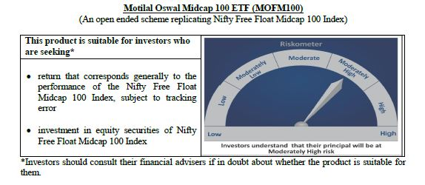
 | Motilal Oswal Midcap 100 ETF
 | Portfolio as on June 30, 2020

Sr. No. | Name of Instrument |  |  | ISIN | Rating / Industry | Quantity | Market value (Rs. In lakhs) | % to Net Assets |  | Security Type | Sector / Rating | Percent
 |  |  |  |  |  |  |  |  |  |  | Finance | 12.49%
 |  |  |  |  |  |  |  |  |  |  | Consumer Non Durables | 8.86%
 | EQUITY & EQUITY RELATED |  |  |  |  |  |  |  |  |  | Pharmaceuticals | 8.70%
 | Listed / awaiting listing on the stock exchanges |  |  |  |  |  |  |  |  |  | Banks | 8.09%
1 | Tata Consumer Products Limited |  |  | INE192A01025 | Consumer Non Durables | 35366 | 137.03 | 3.81% | Listed | EQUITY | Consumer Durables | 7.75%
2 | MRF Limited |  |  | INE883A01011 | Auto Ancillaries | 123 | 82.75 | 2.30% |  |  | Auto Ancillaries | 7.07%
3 | Trent Limited |  |  | INE849A01020 | Retailing | 13223 | 81.36 | 2.26% |  |  | Software | 4.72%
4 | Jubilant Foodworks Limited |  |  | INE797F01012 | Consumer Non Durables | 4519 | 78.05 | 2.17% |  |  | Industrial Products | 4.15%
5 | Apollo Hospitals Enterprise Limited |  |  | INE437A01024 | Healthcare Services | 5668 | 76.51 | 2.13% |  |  | Healthcare Services | 3.94%
6 | Voltas Limited |  |  | INE226A01021 | Consumer Durables | 13675 | 74.73 | 2.08% |  |  | Gas | 3.60%
7 | IPCA Laboratories Limited |  |  | INE571A01020 | Pharmaceuticals | 4028 | 67.44 | 1.87% |  |  | Auto | 3.57%
8 | Crompton Greaves Consumer Electricals Limited |  |  | INE299U01018 | Consumer Durables | 27406 | 65.40 | 1.82% |  |  | Power | 3.56%
9 | Bharat Electronics Limited |  |  | INE263A01024 | Industrial Capital Goods | 70491 | 62.49 | 1.74% |  |  | Retailing | 3.38%
10 | Max Financial Services Limited |  |  | INE180A01020 | Finance | 11459 | 62.11 | 1.73% |  |  | Industrial Capital Goods | 2.49%
11 | Balkrishna Industries Limited |  |  | INE787D01026 | Auto Ancillaries | 4794 | 60.46 | 1.68% |  |  | Construction | 2.42%
12 | PI Industries Limited |  |  | INE603J01030 | Pesticides | 3995 | 60.08 | 1.67% |  |  | Cement | 2.29%
13 | The Federal Bank Limited |  |  | INE171A01029 | Banks | 117746 | 60.05 | 1.67% |  |  | Pesticides | 1.67%
14 | REC Limited |  |  | INE020B01018 | Finance | 54802 | 59.24 | 1.65% |  |  | Ferrous Metals | 1.57%
15 | SRF Limited |  |  | INE647A01010 | Industrial Products | 1629 | 58.74 | 1.63% |  |  | Telecom - Services | 1.40%
16 | AU Small Finance Bank Limited |  |  | INE949L01017 | Banks | 10673 | 58.01 | 1.61% |  |  | Chemicals | 1.36%
17 | Alkem Laboratories Limited |  |  | INE540L01014 | Pharmaceuticals | 2400 | 56.84 | 1.58% |  |  | Fertilisers | 1.34%
18 | City Union Bank Limited |  |  | INE491A01021 | Banks | 43532 | 52.80 | 1.47% |  |  | Petroleum Products | 1.12%
19 | Vodafone Idea Limited |  |  | INE669E01016 | Telecom - Services | 475037 | 50.35 | 1.40% |  |  | Hotels, Resorts And Other Recreational Activities | 0.92%
20 | Manappuram Finance Limited |  |  | INE522D01027 | Finance | 32435 | 49.09 | 1.36% |  |  | Services | 0.86%
21 | Aarti Industries Limited |  |  | INE769A01020 | Chemicals | 5246 | 48.86 | 1.36% |  |  | Construction Project | 0.70%
22 | Coromandel International Limited |  |  | INE169A01031 | Fertilisers | 6400 | 48.37 | 1.34% |  |  | Media & Entertainment | 0.65%
23 | Larsen & Toubro Infotech Limited |  |  | INE214T01019 | Software | 2468 | 48.32 | 1.34% |  |  | Oil | 0.55%
24 | The Ramco Cements Limited |  |  | INE331A01037 | Cement | 7511 | 47.70 | 1.33% |  |  | Non - Ferrous Metals | 0.48%
25 | RBL Bank Limited |  |  | INE976G01028 | Banks | 27332 | 47.42 | 1.32% |  |  | Cash & Equivalent | 0.33%
26 | Bharat Forge Limited |  |  | INE465A01025 | Industrial Products | 14844 | 47.40 | 1.32%
27 | LIC Housing Finance Limited |  |  | INE115A01026 | Finance | 17877 | 47.38 | 1.32%
28 | Bata India Limited |  |  | INE176A01028 | Consumer Durables | 3567 | 46.59 | 1.29%
29 | Godrej Properties Limited |  |  | INE484J01027 | Construction | 5357 | 46.45 | 1.29%
30 | TVS Motor Company Limited |  |  | INE494B01023 | Auto | 12061 | 45.63 | 1.27%
31 | Tata Power Company Limited |  |  | INE245A01021 | Power | 100606 | 45.12 | 1.25%
32 | Cholamandalam Investment and Finance Company Limited |  |  | INE121A01024 | Finance | 23227 | 43.99 | 1.22%
33 | Escorts Limited |  |  | INE042A01014 | Auto | 4125 | 42.90 | 1.19%
34 | MphasiS Limited |  |  | INE356A01018 | Software | 4846 | 42.58 | 1.18%
35 | Exide Industries Limited |  |  | INE302A01020 | Auto Ancillaries | 27100 | 40.16 | 1.12%
36 | Ashok Leyland Limited |  |  | INE208A01029 | Auto | 84925 | 39.87 | 1.11%
37 | Glenmark Pharmaceuticals Limited |  |  | INE935A01035 | Pharmaceuticals | 8830 | 39.76 | 1.11%
38 | Indiabulls Housing Finance Limited |  |  | INE148I01020 | Finance | 18933 | 39.22 | 1.09%
39 | Whirlpool of India Limited |  |  | INE716A01013 | Consumer Durables | 1873 | 38.86 | 1.08%
40 | Jindal Steel & Power Limited |  |  | INE749A01030 | Ferrous Metals | 23487 | 37.93 | 1.05%
41 | Fortis Healthcare Limited |  |  | INE061F01013 | Healthcare Services | 30756 | 37.51 | 1.04%
42 | Rajesh Exports Limited |  |  | INE343B01030 | Consumer Durables | 8019 | 37.37 | 1.04%
43 | Varun Beverages Limited |  |  | INE200M01013 | Consumer Non Durables | 5454 | 37.14 | 1.03%
44 | Gujarat State Petronet Limited |  |  | INE246F01010 | Gas | 16653 | 36.76 | 1.02%
45 | Pfizer Limited |  |  | INE182A01018 | Pharmaceuticals | 918 | 36.39 | 1.01%
46 | Castrol India Limited |  |  | INE172A01027 | Petroleum Products | 28615 | 35.97 | 1.00%
47 | Mahanagar Gas Limited |  |  | INE002S01010 | Gas | 3383 | 35.59 | 0.99%
48 | Natco Pharma Limited |  |  | INE987B01026 | Pharmaceuticals | 5482 | 34.60 | 0.96%
49 | Dalmia Bharat Limited |  |  | INE00R701025 | Cement | 5137 | 34.59 | 0.96%
50 | The Indian Hotels Company Limited |  |  | INE053A01029 | Hotels, Resorts And Other Recreational Activities | 41353 | 33.04 | 0.92%
51 | Gujarat Gas Limited |  |  | INE844O01030 | Gas | 10161 | 32.34 | 0.90%
52 | Torrent Power Limited |  |  | INE813H01021 | Power | 9932 | 31.66 | 0.88%
53 | Amara Raja Batteries Limited |  |  | INE885A01032 | Auto Ancillaries | 4841 | 31.49 | 0.88%
54 | Cummins India Limited |  |  | INE298A01020 | Industrial Products | 8019 | 31.46 | 0.87%
55 | Jubilant Life Sciences Limited |  |  | INE700A01033 | Pharmaceuticals | 4608 | 30.20 | 0.84%
56 | Mahindra & Mahindra Financial Services Limited |  |  | INE774D01024 | Finance | 17507 | 29.38 | 0.82%
57 | Dr. Lal Path Labs Limited |  |  | INE600L01024 | Healthcare Services | 1771 | 27.71 | 0.77%
58 | Emami Limited |  |  | INE548C01032 | Consumer Non Durables | 12491 | 27.58 | 0.77%
59 | Bharat Heavy Electricals Limited |  |  | INE257A01026 | Industrial Capital Goods | 76066 | 27.16 | 0.75%
60 | IDFC First Bank Limited |  |  | INE092T01019 | Banks | 105073 | 27.00 | 0.75%
61 | Syngene International Limited |  |  | INE398R01022 | Pharmaceuticals | 6613 | 26.51 | 0.74%
62 | Nippon Life India Asset Management Limited |  |  | INE298J01013 | Finance | 8312 | 26.13 | 0.73%
63 | Oberoi Realty Limited |  |  | INE093I01010 | Construction | 6870 | 25.13 | 0.70%
64 | GMR Infrastructure Limited |  |  | INE776C01039 | Construction Project | 124729 | 25.01 | 0.70%
65 | L&T Finance Holdings Limited |  |  | INE498L01015 | Finance | 37878 | 24.94 | 0.69%
66 | Adani Gas Limited |  |  | INE399L01023 | Gas | 16233 | 24.77 | 0.69%
67 | CESC Limited |  |  | INE486A01013 | Power | 3913 | 24.34 | 0.68%
68 | Sun TV Network Limited |  |  | INE424H01027 | Media & Entertainment | 5817 | 23.46 | 0.65%
69 | Aditya Birla Fashion and Retail Limited |  |  | INE647O01011 | Retailing | 18278 | 22.90 | 0.64%
70 | Hexaware Technologies Limited |  |  | INE093A01033 | Software | 6706 | 22.35 | 0.62%
71 | MindTree Limited |  |  | INE018I01017 | Software | 2332 | 21.59 | 0.60%
72 | Apollo Tyres Limited |  |  | INE438A01022 | Auto Ancillaries | 19927 | 21.52 | 0.60%
73 | Ajanta Pharma Limited |  |  | INE031B01049 | Pharmaceuticals | 1494 | 21.17 | 0.59%
74 | Godrej Industries Limited |  |  | INE233A01035 | Consumer Non Durables | 4768 | 19.91 | 0.55%
75 | Aditya Birla Capital Limited |  |  | INE674K01013 | Finance | 31353 | 19.85 | 0.55%
76 | L&T Technology Services Limited |  |  | INE010V01017 | Software | 1543 | 19.80 | 0.55%
77 | Oil India Limited |  |  | INE274J01014 | Oil | 21128 | 19.79 | 0.55%
78 | Edelweiss Financial Services Limited |  |  | INE532F01054 | Finance | 30898 | 19.40 | 0.54%
79 | Steel Authority of India Limited |  |  | INE114A01011 | Ferrous Metals | 60967 | 18.53 | 0.52%
80 | Canara Bank |  |  | INE476A01014 | Banks | 18021 | 18.12 | 0.50%
81 | Endurance Technologies Limited |  |  | INE913H01037 | Auto Ancillaries | 2076 | 18.08 | 0.50%
82 | Indiabulls Ventures Limited |  |  | INE274G01010 | Finance | 14567 | 17.20 | 0.48%
83 | National Aluminium Company Limited |  |  | INE139A01034 | Non - Ferrous Metals | 53972 | 17.19 | 0.48%
84 | Future Retail Limited |  |  | INE752P01024 | Retailing | 13125 | 16.91 | 0.47%
85 | Indian Railway Catering And Tourism Corporation Limited |  |  | INE335Y01012 | Services | 1228 | 16.68 | 0.46%
86 | V-Guard Industries Limited |  |  | INE951I01027 | Consumer Durables | 9356 | 15.90 | 0.44%
87 | Adani Power Limited |  |  | INE814H01011 | Power | 43266 | 15.58 | 0.43%
88 | Prestige Estates Projects Limited |  |  | INE811K01011 | Construction | 7337 | 15.38 | 0.43%
89 | NIIT Technologies Limited |  |  | INE591G01017 | Software | 1070 | 15.08 | 0.42%
90 | Quess Corp Limited |  |  | INE615P01015 | Services | 3921 | 14.34 | 0.40%
91 | Union Bank of India |  |  | INE692A01016 | Banks | 37827 | 12.03 | 0.33%
92 | Polycab India Limited |  |  | INE455K01017 | Industrial Products | 1495 | 11.80 | 0.33%
93 | JSW Energy Limited |  |  | INE121E01018 | Power | 24242 | 11.43 | 0.32%
94 | Bombay Burmah Trading Corporation Limited |  |  | INE050A01025 | Consumer Non Durables | 1071 | 11.26 | 0.31%
95 | Bank of India |  |  | INE084A01016 | Banks | 21282 | 10.39 | 0.29%
96 | Godrej Agrovet Limited |  |  | INE850D01014 | Consumer Non Durables | 1814 | 7.81 | 0.22%
97 | PNB Housing Finance Limited |  |  | INE572E01012 | Finance | 3475 | 7.21 | 0.20%
98 | IDBI Bank Limited |  |  | INE008A01015 | Banks | 12101 | 5.34 | 0.15%
99 | Mangalore Refinery and Petrochemicals Limited |  |  | INE103A01014 | Petroleum Products | 11382 | 4.17 | 0.12%
100 | Housing & Urban Development Corporation Limited |  |  | INE031A01017 | Finance | 11819 | 4.11 | 0.11%
 | Total |  |  |  |  |  | 3,586.11 | 99.66% | Listed

 | (B) Unlisted / awaiting listing on the stock exchanges
1 | Aditya Birla Fashion and Retail Ltd-Rights |  |  |  | Retailing | 2109 | 0.32 | 0.01%
 | Total |  |  |  |  |  | 0.32 | 0.01%

 | MONEY MARKET INSTRUMENT
 | CBLO / Reverse Repo Investments |  |  |  |  | 55000 | 55.00 | 1.53%
 | Total |  |  |  |  |  | 55.00 | 1.53%

 | Cash & Cash Equivalents
 | Net Receivable/Payable |  |  |  |  |  | (43.20) | -1.20%
 | Total |  |  |  |  |  | (43.20) | -1.20%
 | Grand Total |  |  |  |  |  | 3,598.23 | 100.00%
 | Note :
 | Details of the Equity shares have been lent under Securities Lending and Borrowing as follows :
 | Name of the Instrument |  | Quantity
 | CHOLAFIN_02/07/2020_LEND |  | 8900

 | Total Expense Ratio
 | Regular Plan : | 0.20%

 | NAV |  | Regular Growth Plan | 15.457

 | Monthly AAUM in Crores |  |  | 35.31

 | Latest AUM (30 June 2020 ) in Crores |  |  | 35.982333646

 | Portfolio Turnover Ratio |  |  | 0.38

N100
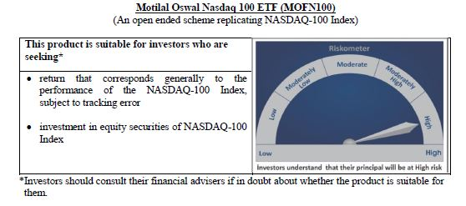
 | Motilal Oswal Nasdaq 100 ETF
 | Portfolio as on June 30, 2020

Sr. No. | Name of Instrument |  |  | ISIN | Rating / Industry | Quantity | Market value (Rs. In lakhs) | % to Net Assets | Security Type | Sector / Rating | Percent
 |  |  |  |  |  |  |  |  |  | Software & Services | 34.31%
 |  |  |  |  |  |  |  |  |  | Technology Hardware & Equipment | 15.34%
 | EQUITY & EQUITY RELATED |  |  |  |  |  |  |  |  | Retailing | 14.73%
 | Listed / awaiting listing on the stock exchanges |  |  |  |  |  |  |  |  | Semiconductors & Semiconductor | 11.32%
1 | Apple Inc. |  |  | US0378331005 | Technology Hardware & Equipment | 48654 | 13,299.72 | 12.19% | EQUITY | Pharmaceuticals Biotechnology | 5.25%
2 | Microsoft Corp |  |  | US5949181045 | Software & Services | 85121 | 12,762.78 | 11.70% |  | Food Beverage & Tobacco | 3.26%
3 | Amazon Com Inc |  |  | US0231351067 | Retailing | 5595 | 11,331.20 | 10.39% |  | Media | 3.75%
4 | Facebook Inc |  |  | US30303M1027 | Software & Services | 26987 | 4,499.02 | 4.12% |  | Food & Staples Retailing | 1.69%
5 | Alphabet Inc A |  |  | US02079K3059 | Software & Services | 3869 | 4,084.39 | 3.74% |  | Health Care Equipment & Services | 1.70%
6 | Alphabet Inc |  |  | US02079K1079 | Software & Services | 3770 | 3,973.61 | 3.64% |  | Consumer Services | 1.13%
7 | Intel Corp |  |  | US4581401001 | Semiconductors & Semiconductor | 60625 | 2,669.17 | 2.45% |  | Automobiles & Components | 1.85%
8 | Nvidia Corp Com |  |  | US67066G1040 | Semiconductors & Semiconductor | 8808 | 2,449.09 | 2.25% |  | Telecommunication Services | 1.30%
9 | Adobe Inc |  |  | US00724F1012 | Software & Services | 6902 | 2,212.20 | 2.03% |  | Utilities | 0.67%
10 | Paypal Holdings Inc |  |  | US70450Y1038 | Software & Services | 16810 | 2,138.26 | 1.96% |  | Commercial & Professional Services | 0.54%
11 | Netflix Inc |  |  | US64110L1061 | Retailing | 6301 | 2,129.26 | 1.95% |  | Transportation | 0.52%
12 | Cisco Sys Inc Com |  |  | US17275R1023 | Technology Hardware & Equipment | 60460 | 2,108.24 | 1.93% |  | Capital Goods | 0.49%
13 | Tesla Inc |  |  | US88160R1014 | Automobiles & Components | 2650 | 2,021.00 | 1.85% |  | Application Software | 0.86%
14 | Pepsico Inc |  |  | US7134481081 | Food Beverage & Tobacco | 19863 | 1,967.25 | 1.80% |  | Consumer Durables & Apparel | 0.36%
15 | Comcast Corp-Class A |  |  | US20030N1019 | Media | 65219 | 1,918.89 | 1.76% |  | Research & Consulting Services | 0.27%
16 | Amgen Inc |  |  | US0311621009 | Pharmaceuticals Biotechnology | 8421 | 1,473.35 | 1.35% |  | Biotechnology | 0.28%
17 | Costco Whsl Corp New Com |  |  | US22160K1051 | Food & Staples Retailing | 6326 | 1,441.54 | 1.32% |  | Diversified Support Services | 0.19%
18 | T-Mobile Us Inc |  |  | US8725901040 | Telecommunication Services | 17696 | 1,416.76 | 1.30% |  | Technology Distributors | 0.16%
19 | Broadcom Inc |  |  | US11135F1012 | Semiconductors & Semiconductor | 5728 | 1,340.71 | 1.23% |  | Cash & Equivalent | 0.02%
20 | Texas Instrs Inc Com |  |  | US8825081040 | Semiconductors & Semiconductor | 13140 | 1,238.75 | 1.14%
21 | Charter Communications Inc |  |  | US16119P1084 | Media | 2956 | 1,137.34 | 1.04%
22 | Qualcomm Inc |  |  | US7475251036 | Technology Hardware & Equipment | 16106 | 1,083.19 | 0.99%
23 | Gilead Sciences Inc |  |  | US3755581036 | Pharmaceuticals Biotechnology | 17959 | 1,011.74 | 0.93%
24 | Starbucks Ord |  |  | US8552441094 | Consumer Services | 16727 | 928.68 | 0.85%
25 | Intuit Inc |  |  | US4612021034 | Software & Services | 3731 | 811.66 | 0.74%
26 | Vertex Pharmaceuticals Inc Com Usd0.01 |  |  | US92532F1003 | Pharmaceuticals Biotechnology | 3710 | 799.41 | 0.73%
27 | Mondelez International Inc |  |  | US6092071058 | Food Beverage & Tobacco | 20436 | 781.01 | 0.72%
28 | Booking Holdings Inc |  |  | US09857L1089 | Retailing | 586 | 705.43 | 0.65%
29 | Fiserv Inc Com |  |  | US3377381088 | Software & Services | 9585 | 702.57 | 0.64%
30 | Intuitive Surgical Inc |  |  | US46120E6023 | Health Care Equipment & Services | 1672 | 699.59 | 0.64%
31 | Automatic Data Process Com |  |  | US0530151036 | Software & Services | 6151 | 680.31 | 0.62%
32 | Regeneron Pharmaceutic Com |  |  | US75886F1075 | Pharmaceuticals Biotechnology | 1440 | 664.65 | 0.61%
33 | Advanced Micro Devices Com |  |  | US0079031078 | Semiconductors & Semiconductor | 16768 | 637.02 | 0.58%
34 | Activision Blizzard Inc |  |  | US00507V1098 | Software & Services | 11036 | 629.56 | 0.58%
35 | Jd Com Inc Adr |  |  | US47215P1066 | Retailing | 13289 | 598.24 | 0.55%
36 | Micron Technology Inc Com |  |  | US5951121038 | Semiconductors & Semiconductor | 15927 | 591.42 | 0.54%
37 | Applied Matls Inc Com |  |  | US0382221051 | Semiconductors & Semiconductor | 13122 | 585.56 | 0.54%
38 | Illumina Inc |  |  | US4523271090 | Pharmaceuticals Biotechnology | 2109 | 577.35 | 0.53%
39 | Csx Corp |  |  | US1264081035 | Transportation | 10956 | 567.05 | 0.52%
40 | Autodesk Inc Com |  |  | US0527691069 | Software & Services | 3136 | 550.13 | 0.50%
41 | Mercadolibre Inc |  |  | US58733R1023 | Software & Services | 710 | 526.18 | 0.48%
42 | Lam Research Corp Com |  |  | US5128071082 | Semiconductors & Semiconductor | 2083 | 485.48 | 0.45%
43 | Analog Devices Inc Com |  |  | US0326541051 | Semiconductors & Semiconductor | 5276 | 474.39 | 0.43%
44 | Biogen Inc |  |  | US09062X1037 | Pharmaceuticals Biotechnology | 2337 | 459.72 | 0.42%
45 | Zoom Video Communications Inc |  |  | US98980L1017 | Media | 2399 | 450.55 | 0.41%
46 | The Kraft Heinz Company |  |  | US5007541064 | Food Beverage & Tobacco | 17491 | 418.15 | 0.38%
47 | Electronic Arts Inc Com |  |  | US2855121099 | Software & Services | 4134 | 408.22 | 0.37%
48 | Walgreens Boots Alliance Inc Wba |  |  | US9314271084 | Food & Staples Retailing | 12559 | 401.59 | 0.37%
49 | Dexcom Inc |  |  | US2521311074 | Health Care Equipment & Services | 1320 | 397.15 | 0.36%
50 | Lululemon Athletica Inc |  |  | US5500211090 | Consumer Durables & Apparel | 1780 | 395.88 | 0.36%
51 | Monster Beverage Corp |  |  | US61174X1090 | Food Beverage & Tobacco | 7542 | 393.83 | 0.36%
52 | Ebay Inc |  |  | US2786421030 | Software & Services | 10062 | 390.09 | 0.36%
53 | Exelon Corp |  |  | US30161N1019 | Utilities | 13957 | 379.54 | 0.35%
54 | Baidu Inc Spon Adr |  |  | US0567521085 | Software & Services | 3941 | 361.17 | 0.33%
55 | Xcel Energy Inc Com |  |  | US98389B1008 | Utilities | 7523 | 355.04 | 0.33%
56 | Workday Inc |  |  | US98138H1014 | Software & Services | 2490 | 350.28 | 0.32%
57 | Netease Inc-Adr |  |  | US64110W1027 | Software & Services | 1063 | 347.49 | 0.32%
58 | O'Reilly Automotive Inc |  |  | US67103H1077 | Retailing | 1065 | 339.89 | 0.31%
59 | Docusign, Inc |  |  | US2561631068 | Application Software | 2618 | 339.58 | 0.31%
60 | Nxp Semiconductors N.V. |  |  | NL0009538784 | Semiconductors & Semiconductor | 3998 | 337.06 | 0.31%
61 | Splunk Inc |  |  | US8486371045 | Application Software | 2276 | 334.48 | 0.31%
62 | Cognizant Technology Solutions Corp |  |  | US1924461023 | Software & Services | 7740 | 330.36 | 0.30%
63 | Ross Stores Inc Com |  |  | US7782961038 | Retailing | 5093 | 328.02 | 0.30%
64 | Kla-Tencor Corp Com |  |  | US4824801009 | Semiconductors & Semiconductor | 2222 | 321.89 | 0.30%
65 | Synopsys Inc Com |  |  | US8716071076 | Software & Services | 2162 | 309.92 | 0.28%
66 | Seattle Genetics |  |  | US8125781026 | Biotechnology | 2477 | 307.63 | 0.28%
67 | Marriott International -Cl A |  |  | US5719032022 | Consumer Services | 4645 | 303.94 | 0.28%
68 | Asml Holding Nv |  |  | USN070592100 | Semiconductors & Semiconductor | 1102 | 303.76 | 0.28%
69 | Idexx Laboratories Inc Com Usd0.10 |  |  | US45168D1046 | Health Care Equipment & Services | 1216 | 301.27 | 0.28%
70 | Cintas Corp Com |  |  | US1729081059 | Commercial & Professional Services | 1494 | 297.57 | 0.27%
71 | Costar Group |  |  | US22160N1090 | Research & Consulting Services | 559 | 292.12 | 0.27%
72 | Verisk Analytics Inc |  |  | US92345Y1064 | Commercial & Professional Services | 2324 | 288.58 | 0.26%
73 | Paychex Inc Com |  |  | US7043261079 | Software & Services | 5140 | 286.30 | 0.26%
74 | Cadence Design System Com |  |  | US1273871087 | Software & Services | 4000 | 284.19 | 0.26%
75 | Paccar Inc Com |  |  | US6937181088 | Capital Goods | 4947 | 275.40 | 0.25%
76 | Microchip Technology Inc |  |  | US5950171042 | Semiconductors & Semiconductor | 3514 | 272.33 | 0.25%
77 | Sirius Xm Holdings Inc |  |  | US82968B1035 | Media | 62707 | 270.07 | 0.25%
78 | Alexion Pharmaceuticals Inc |  |  | US0153511094 | Pharmaceuticals Biotechnology | 3159 | 265.47 | 0.24%
79 | Ansys |  |  | US03662Q1058 | Application Software | 1225 | 261.13 | 0.24%
80 | Fastenal Co |  |  | US3119001044 | Capital Goods | 8204 | 259.85 | 0.24%
81 | Verisign Inc Com |  |  | US92343E1029 | Software & Services | 1656 | 255.38 | 0.23%
82 | Xilinx Inc Com |  |  | US9839191015 | Semiconductors & Semiconductor | 3483 | 242.01 | 0.22%
83 | Incyte Genomics Inc Com |  |  | US45337C1027 | Pharmaceuticals Biotechnology | 3110 | 240.81 | 0.22%
84 | Dollar Tree Inc |  |  | US2567461080 | Retailing | 3399 | 240.56 | 0.22%
85 | Biomarin Pharmaceutical Inc Com Usd0.001 |  |  | US09061G1013 | Pharmaceuticals Biotechnology | 2586 | 238.73 | 0.22%
86 | Skyworks Solutions Inc Com |  |  | US83088M1027 | Semiconductors & Semiconductor | 2389 | 227.44 | 0.21%
87 | Align Technology Inc |  |  | US0162551016 | Health Care Equipment & Services | 1129 | 227.32 | 0.21%
88 | Cerner Corp |  |  | US1567821046 | Health Care Equipment & Services | 4355 | 223.56 | 0.20%
89 | Copart |  |  | US2172041061 | Diversified Support Services | 3365 | 208.33 | 0.19%
90 | Citrix Systems Inc Com |  |  | US1773761002 | Software & Services | 1768 | 193.46 | 0.18%
91 | Cdw Corporation |  |  | US12514G1085 | Technology Distributors | 2034 | 175.20 | 0.16%
92 | Maxim Integrated Prods Com |  |  | US57772K1016 | Semiconductors & Semiconductor | 3814 | 171.75 | 0.16%
93 | Take-Two Interactive S Com |  |  | US8740541094 | Software & Services | 1634 | 170.12 | 0.16%
94 | Check Point Software T Ord |  |  | IL0010824113 | Software & Services | 2043 | 164.17 | 0.15%
95 | Trip.Com Group Ltd |  |  | US89677Q1076 | Retailing | 7492 | 147.63 | 0.14%
96 | Western Digital Corp Com |  |  | US9581021055 | Technology Hardware & Equipment | 4289 | 136.08 | 0.12%
97 | Expedia Inc |  |  | US30212P3038 | Retailing | 1937 | 120.99 | 0.11%
98 | Ulta Beauty Inc |  |  | US90384S3031 | Retailing | 803 | 120.51 | 0.11%
99 | Netapp Inc |  |  | US64110D1046 | Technology Hardware & Equipment | 3164 | 105.24 | 0.10%
100 | Fox-Registered Shs-A |  |  | US35137L1052 | Media | 4904 | 99.67 | 0.09%
101 | Liberty Global Inc-C W/I Com Ser C |  |  | GB00B8W67B19 | Media | 5894 | 95.66 | 0.09%
102 | Fox-Registered Shares-B |  |  | US35137L2043 | Media | 3736 | 75.62 | 0.07%
103 | Liberty Global Plc |  |  | GB00B8W67662 | Media | 2606 | 43.04 | 0.04%
104 | T-Mobile US Inc-Rights |  |  | US8725901123 | Telecommunication Services | 858 | 0.13 | 0.00%
...
 | Total Expense Ratio
 | Regular Plan : | 0.54%

 | NAV |  | Regular Growth Plan | 735.0441

 | Monthly AAUM in Crores |  |  | 1,013.50

 | Latest AUM (30 June 2020 ) in Crores |  |  | 1090.6932809

 | Portfolio Turnover Ratio |  |  | 0.11

Nasdaq 100 FoF
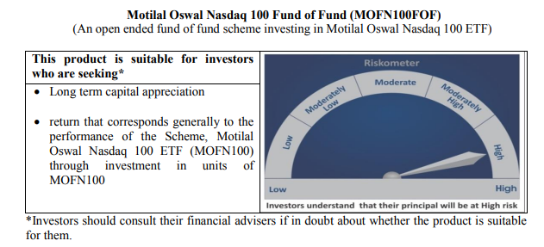
...
NAV | Direct Growth Plan | 15.981
 | Regular Growth Plan | 15.88

Monthly AAUM in Crores |  | 604.53

Latest AUM (30 June 2020 ) in Crores |  | 657.00660493

Portfolio Turnover Ratio |  | 0.00

Midcap 150 Index Fund
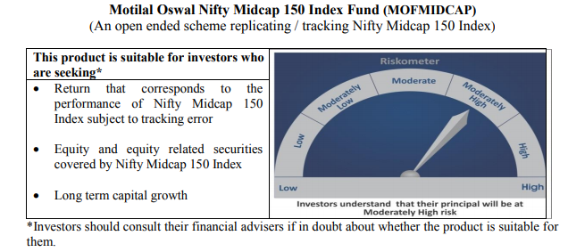
...
NAV | Direct Growth Plan | 10.0329
 | Regular Growth Plan | 9.9800

Monthly AAUM in Crores |  | 52.55

Latest AUM (30 June 2020 ) in Crores |  | 55.839815828

Portfolio Turnover Ratio |  | 0.39

Smallcap 250 Index Fund
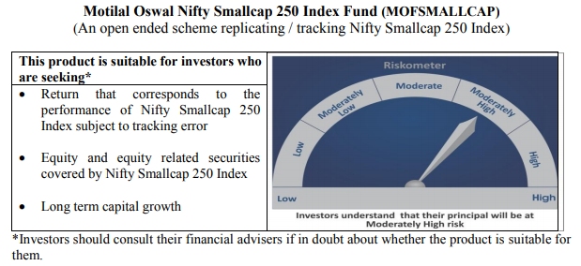
...
NAV | Direct Growth Plan | 9.1178
 | Regular Growth Plan | 9.0693

Monthly AAUM in Crores |  | 33.21

Latest AUM (30 June 2020 ) in Crores |  | 36.809663737

Portfolio Turnover Ratio |  | 0.56

Nifty 500 Index Fund
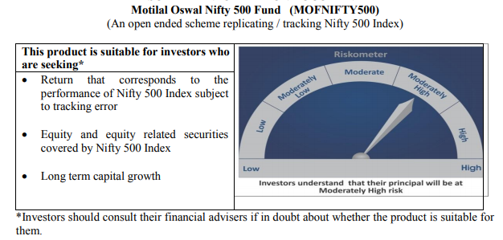
...
NAV | Direct Growth Plan | 9.5549
 | Regular Growth Plan | 9.5044

Monthly AAUM in Crores |  | 43.92

Latest AUM (30 June 2020 ) in Crores |  | 46.516195172

Portfolio Turnover Ratio |  | 0.14

Nifty Bank Index Fund
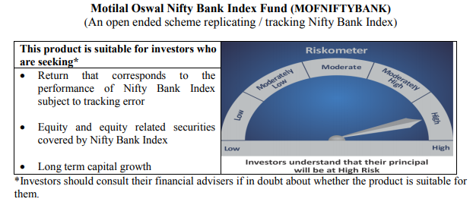
...
NAV | Direct Growth Plan | 7.7968
 | Regular Growth Plan | 7.7561

Monthly AAUM in Crores |  | 45.12

Latest AUM (30 June 2020 ) in Crores |  | 47.376169307

Portfolio Turnover Ratio |  | 0.46

Nifty 50 Index Fund
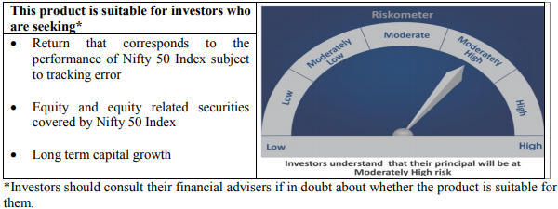
...
NAV | Direct Growth Plan | 8.4814
 | Regular Growth Plan | 8.4636

Monthly AAUM in Crores |  | 40.03

Latest AUM (30 June 2020 ) in Crores |  | 40.819609856

Portfolio Turnover Ratio |  | 0.03

Nifty Next 50 Index Fund
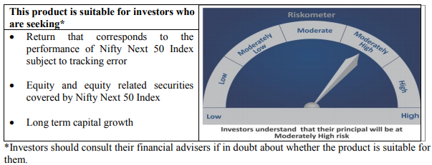
...
NAV | Direct Growth Plan | 9.1110
 | Regular Growth Plan | 9.0805

Monthly AAUM in Crores |  | 34.68

Latest AUM (30 June 2020 ) in Crores |  | 36.415952018

Portfolio Turnover Ratio |  | 0.16

S&P 500 Index Fund
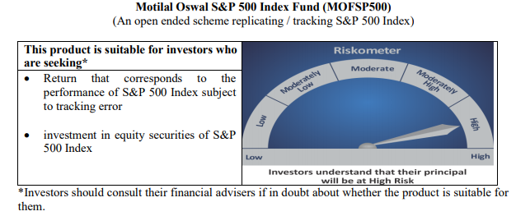
...
NAV | Direct Growth Plan | 10.4800
 | Regular Growth Plan | 10.4671

Monthly AAUM in Crores |  | 237.63

Latest AUM (30 June 2020 ) in Crores |  | 264.52503006

Portfolio Turnover Ratio |  | 0.00

