Focused 25 Fund
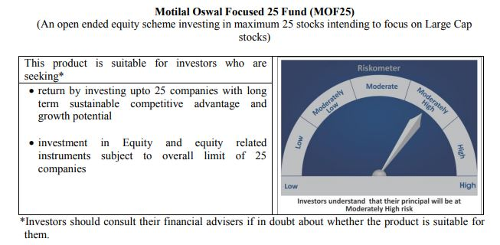
 | Motilal Oswal Focused 25 Fund
 | Portfolio as on May 31, 2020

Sr. No. | Name of Instrument |  |  | ISIN | Rating / Industry | Quantity | Market value (Rs. In lakhs) | % to Net Assets | Sector / Rating | Percent
 |  |  |  |  |  |  |  |  | Banks | 21.01%
 | EQUITY & EQUITY RELATED |  |  |  |  |  |  |  | Finance | 19.39%
 | (A) Listed / awaiting listing on the stock exchanges |  |  |  |  |  |  |  | Pharmaceuticals | 13.78%
1 | HDFC Bank Limited |  |  | INE040A01034 | Banks | 1048600 | 9,979.00 | 8.89% | Petroleum Products | 7.64%
2 | Kotak Mahindra Bank Limited |  |  | INE237A01028 | Banks | 713438 | 8,732.48 | 7.78% | Retailing | 7.60%
3 | Reliance Industries Limited |  |  | INE002A01018 | Petroleum Products | 585000 | 8,566.74 | 7.64% | Transportation | 6.45%
4 | Avenue Supermarts Limited |  |  | INE192R01011 | Retailing | 375513 | 8,521.70 | 7.60% | Auto | 5.95%
5 | HDFC Life Insurance Company Limited |  |  | INE795G01014 | Finance | 1592360 | 8,331.23 | 7.43% | Pesticides | 5.05%
6 | Housing Development Finance Corporation Limited |  |  | INE001A01036 | Finance | 478292 | 7,934.39 | 7.07% | Software | 4.99%
7 | Abbott India Limited |  |  | INE358A01014 | Pharmaceuticals | 39090 | 6,537.18 | 5.83% | Cement | 4.95%
8 | Container Corporation of India Limited |  |  | INE111A01025 | Transportation | 1571072 | 5,908.80 | 5.27% | Industrial Capital Goods | 2.40%
9 | PI Industries Limited |  |  | INE603J01030 | Pesticides | 368241 | 5,667.97 | 5.05% | CRISIL AAA | 0.03%
10 | Tata Consultancy Services Limited |  |  | INE467B01029 | Software | 284085 | 5,603.15 | 4.99% | Cash & Equivalent | 0.75%
11 | Dr. Reddy's Laboratories Limited |  |  | INE089A01023 | Pharmaceuticals | 123474 | 5,026.94 | 4.48%
12 | ICICI Bank Limited |  |  | INE090A01021 | Banks | 1464975 | 4,862.98 | 4.33%
13 | Procter & Gamble Health Limited |  |  | INE199A01012 | Pharmaceuticals | 94911 | 3,901.17 | 3.48%
14 | Shree Cement Limited |  |  | INE070A01015 | Cement | 17772 | 3,706.76 | 3.30%
15 | Maruti Suzuki India Limited |  |  | INE585B01010 | Auto | 61669 | 3,460.12 | 3.08%
16 | Eicher Motors Limited |  |  | INE066A01013 | Auto | 19443 | 3,217.52 | 2.87%
17 | ICICI Lombard General Insurance Company Limited |  |  | INE765G01017 | Finance | 232710 | 3,026.86 | 2.70%
18 | ABB India Limited |  |  | INE117A01022 | Industrial Capital Goods | 361740 | 2,692.25 | 2.40%
19 | CRISIL Limited |  |  | INE007A01025 | Finance | 177607 | 2,462.08 | 2.19%
20 | UltraTech Cement Limited |  |  | INE481G01011 | Cement | 47410 | 1,851.29 | 1.65%
21 | Mahindra Logistics Limited |  |  | INE766P01016 | Transportation | 519380 | 1,328.83 | 1.18%
 | Total |  |  |  |  |  | 111,319.44 | 99.22%

 | BONDS & NCDs
 | (B) Listed / awaiting listing on the stock exchanges
1 | Britannia Industries Limited |  |  | INE216A07052 | CRISIL AAA | 119829 | 37.55 | 0.03%
 | Total |  |  |  |  |  | 37.55 | 0.03%

 | MONEY MARKET INSTRUMENT
 | CBLO / Reverse Repo Investments |  |  |  |  | 705000 | 705.00 | 0.63%
 | Total |  |  |  |  |  | 705.00 | 0.63%

 | Cash & Cash Equivalents
 | Net Receivable/Payable |  |  |  |  |  | 130.88 | 0.12%
 | Total |  |  |  |  |  | 130.88 | 0.12%
 | Grand Total |  |  |  |  |  | 112,192.87 | 100.00%

 | Total Expense Ratio
 | Direct Plan : | 0.91%
 | Regular Plan : | 2.31%

 | NAV |  | Direct Dividend Plan | 15.3519
 |  |  | Direct Growth Plan | 22.3633
 |  |  | Regular Dividend Plan | 14.0059
 |  |  | Regular Growth Plan | 20.3264

 | Monthly AAUM in Crores |  |  | 1,093.11

 | Latest AUM (31 May 2020 ) in Crores |  |  | 1121.9287119

 | Portfolio Turnover Ratio |  |  | 0.57

 | Dividend History
 | Record Date (January 01, 2016) | Dividend per Unit (Rs.) | Cum Dividend NAV | EX Dividend NAV
 | Direct Plan | 1.00 | 15.5745 | 14.5745
 | Regular Plan | 1.00 | 14.9854 | 13.9854

 | Record Date (March 24, 2017) | Dividend per Unit (Rs.) | Cum Dividend NAV | EX Dividend NAV
 | Direct Plan | 0.50 | 16.8789 | 16.3789
 | Regular Plan | 0.50 | 15.9292 | 15.4292

 | Record Date (March 20, 2018) | Dividend per Unit (Rs.) | Cum Dividend NAV | EX Dividend NAV
 | Direct Plan | 1.80 | 18.1652 | 16.3652
 | Regular Plan | 1.80 | 16.8759 | 15.0759

 | Record Date (March 28, 2019) | Dividend per Unit (Rs.) | Cum Dividend NAV | EX Dividend NAV
 | Direct Plan | 0.50 | 17.6230 | 17.1230
 | Regular Plan | 0.50 | 16.0255 | 15.5255

Midcap 30 Fund
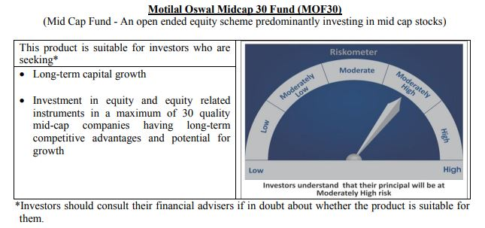
 | Motilal Oswal Midcap 30 Fund
 | Portfolio as on May 31, 2020

Sr. No. | Name of Instrument |  |  | ISIN | Rating / Industry | Quantity | Market value (Rs. In lakhs) | % to Net Assets | Sector / Rating | Percent
 |  |  |  |  |  |  |  |  | Consumer Durables | 14.62%
 | EQUITY & EQUITY RELATED |  |  |  |  |  |  |  | Pharmaceuticals | 11.91%
 | Listed / awaiting listing on the stock exchanges |  |  |  |  |  |  |  | Banks | 10.64%
1 | Crompton Greaves Consumer Electricals Limited |  |  | INE299U01018 | Consumer Durables | 5039666 | 11,306.49 | 8.29% | Consumer Non Durables | 8.83%
2 | Abbott India Limited |  |  | INE358A01014 | Pharmaceuticals | 50000 | 8,361.70 | 6.13% | Auto Ancillaries | 6.33%
3 | Ipca Laboratories Limited |  |  | INE571A01020 | Pharmaceuticals | 527500 | 7,884.02 | 5.78% | Finance | 5.55%
4 | Endurance Technologies Limited |  |  | INE913H01037 | Auto Ancillaries | 1000000 | 7,260.50 | 5.32% | Software | 5.27%
5 | Larsen & Toubro Infotech Limited |  |  | INE214T01019 | Software | 400000 | 7,195.40 | 5.27% | Retailing | 4.82%
6 | Hindustan Unilever Limited |  |  | INE030A01027 | Consumer Non Durables | 340000 | 6,994.99 | 5.13% | Fertilisers | 4.72%
7 | Avenue Supermarts Limited |  |  | INE192R01011 | Retailing | 290000 | 6,581.12 | 4.82% | Industrial Capital Goods | 3.96%
8 | Coromandel International Limited |  |  | INE169A01031 | Fertilisers | 1000000 | 6,443.00 | 4.72% | Textile Products | 3.14%
9 | Au Small Finance Bank Limited |  |  | INE949L01017 | Banks | 1400000 | 5,482.40 | 4.02% | Healthcare Services | 2.23%
10 | City Union Bank Limited |  |  | INE491A01021 | Banks | 4000000 | 5,424.00 | 3.98% | Pesticides | 2.19%
11 | Honeywell Automation India Limited |  |  | INE671A01010 | Industrial Capital Goods | 20006 | 5,403.94 | 3.96% | Industrial Products | 2.10%
12 | Nestle India Limited |  |  | INE239A01016 | Consumer Non Durables | 25005 | 4,386.08 | 3.21% | Construction | 1.80%
13 | Bata India Limited |  |  | INE176A01028 | Consumer Durables | 326238 | 4,324.61 | 3.17% | Cement | 1.77%
14 | Voltas Limited |  |  | INE226A01021 | Consumer Durables | 900000 | 4,321.35 | 3.17% | Auto | 1.21%
15 | Page Industries Limited |  |  | INE761H01022 | Textile Products | 22700 | 4,282.67 | 3.14% | Cash & Equivalent | 8.88%
16 | RBL Bank Limited |  |  | INE976G01028 | Banks | 3000000 | 3,615.00 | 2.65%
17 | Metropolis Healthcare Limited |  |  | INE112L01020 | Healthcare Services | 220000 | 3,046.89 | 2.23%
18 | Pi Industries Limited |  |  | INE603J01030 | Pesticides | 194307 | 2,990.77 | 2.19%
19 | Bajaj Finance Limited |  |  | INE296A01024 | Finance | 150000 | 2,930.48 | 2.15%
20 | Astral Poly Technik Limited |  |  | INE006I01046 | Industrial Products | 326303 | 2,863.64 | 2.10%
21 | Cholamandalam Investment And Finance Company Limited |  |  | INE121A01024 | Finance | 1750000 | 2,479.75 | 1.82%
22 | The Phoenix Mills Limited |  |  | INE211B01039 | Construction | 467516 | 2,455.86 | 1.80%
23 | The Ramco Cements Limited |  |  | INE331A01037 | Cement | 400000 | 2,414.40 | 1.77%
24 | Max Financial Services Limited |  |  | INE180A01020 | Finance | 450000 | 2,161.58 | 1.58%
25 | Eicher Motors Limited |  |  | INE066A01013 | Auto | 10000 | 1,654.85 | 1.21%
26 | Balkrishna Industries Limited |  |  | INE787D01026 | Auto Ancillaries | 127756 | 1,378.36 | 1.01%
27 | Jubilant Foodworks Limited |  |  | INE797F01012 | Consumer Non Durables | 40000 | 662.64 | 0.49%
 | Total |  |  |  |  |  | 124,306.47 | 91.12%

27 | CBLO / Reverse Repo Investments |  |  |  |  | 7209000 | 7,209.00 | 5.28%
 | Total |  |  |  |  |  | 7,209.00 | 5.28%

 | Cash & Cash Equivalents
 | Net Receivable/Payable |  |  |  |  |  | 4,912.23 | 3.60%
 | Total |  |  |  |  |  | 4,912.23 | 3.60%
 | Grand Total |  |  |  |  |  | 136,427.69 | 100.00%

 | Total Expense Ratio
 | Direct Plan : | 1.06%
 | Regular Plan : | 2.29%

 | NAV |  | Direct Dividend Plan | 14.5805
 |  |  | Direct Growth Plan | 21.5537
 |  |  | Regular Dividend Plan | 14.2536
 |  |  | Regular Growth Plan | 19.9522

 | Monthly AAUM in Crores |  |  | 1,337.61

 | Latest AUM (31 May 2020 ) in Crores |  |  | 1364.2769468

 | Portfolio Turnover Ratio |  |  | 1.41

 | Dividend History
 | Record Date (February 19, 2016) | Dividend per Unit (Rs.) | Cum Dividend NAV | EX Dividend NAV
 | Direct Plan | 1.0000 | 17.8511 | 16.8511
 | Regular Plan | 1.0000 | 17.4182 | 16.4182

 | Record Date (March 24, 2017) | Dividend per Unit (Rs.) | Cum Dividend NAV | EX Dividend NAV
 | Direct Plan | 0.4800 | 22.4293 | 21.9493
 | Regular Plan | 0.4751 | 21.5575 | 21.0824

 | Record Date (March 20, 2018) | Dividend per Unit (Rs.) | Cum Dividend NAV | EX Dividend NAV
 | Direct Plan | 2.00 | 22.6302 | 20.6302
 | Regular Plan | 2.00 | 21.4405 | 19.4405

 | Record Date (March 28, 2019) | Dividend per Unit (Rs.) | Cum Dividend NAV | EX Dividend NAV
 | Direct Plan | 2.00 | 21.6801 | 19.6801
 | Regular Plan | 2.00 | 20.1677 | 18.1677

Multicap 35 Fund
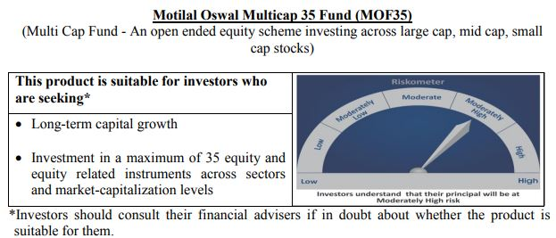
 | Motilal Oswal Multicap 35 Fund
 | Portfolio as on May 31, 2020

Sr. No. | Name of Instrument |  |  | ISIN | Rating / Industry | Quantity | Market value (Rs. In lakhs) | % to Net Assets | Sector / Rating | Percent
 |  |  |  |  |  |  |  |  | Finance | 21.61%
 | EQUITY & EQUITY RELATED |  |  |  |  |  |  |  | Consumer Non Durables | 17.28%
 | Listed / awaiting listing on the stock exchanges |  |  |  |  |  |  |  | Banks | 15.00%
1 | HDFC Bank Limited |  |  | INE040A01034 | Banks | 9000000 | 85,648.50 | 8.71% | Software | 11.48%
2 | HDFC Life Insurance Company Limited |  |  | INE795G01014 | Finance | 15000000 | 78,480.00 | 7.98% | Auto | 10.67%
3 | Reliance Industries Limited |  |  | INE002A01018 | Petroleum Products | 4200000 | 61,504.80 | 6.26% | Petroleum Products | 6.26%
4 | Bharti Airtel Limited |  |  | INE397D01024 | Telecom - Services | 10300000 | 56,917.80 | 5.79% | Telecom - Services | 5.79%
5 | Infosys Limited |  |  | INE009A01021 | Software | 8200000 | 56,662.00 | 5.76% | Gas | 3.39%
6 | Tata Consultancy Services Limited |  |  | INE467B01029 | Software | 2849000 | 56,192.25 | 5.72% | Retailing | 2.78%
7 | Maruti Suzuki India Limited |  |  | INE585B01010 | Auto | 1000000 | 56,108.00 | 5.71% | Consumer Durables | 2.65%
8 | Housing Development Finance Corporation Limited |  |  | INE001A01036 | Finance | 3300000 | 54,743.70 | 5.57% | Pharmaceuticals | 1.50%
9 | United Spirits Limited |  |  | INE854D01024 | Consumer Non Durables | 8325000 | 49,458.83 | 5.03% | Cash & Equivalent | 1.59%
10 | Eicher Motors Limited |  |  | INE066A01013 | Auto | 295000 | 48,817.93 | 4.97%
11 | Britannia Industries Limited |  |  | INE216A01030 | Consumer Non Durables | 1250000 | 42,235.63 | 4.30%
12 | ICICI Lombard General Insurance Company Limited |  |  | INE765G01017 | Finance | 3244908 | 42,206.52 | 4.29%
13 | Asian Paints Limited |  |  | INE021A01026 | Consumer Non Durables | 2400000 | 40,394.40 | 4.11%
14 | Kotak Mahindra Bank Limited |  |  | INE237A01028 | Banks | 3000000 | 36,720.00 | 3.74%
15 | Petronet LNG Limited |  |  | INE347G01014 | Gas | 13200000 | 33,336.60 | 3.39%
16 | Bajaj Finance Limited |  |  | INE296A01024 | Finance | 1500000 | 29,304.75 | 2.98%
17 | Vaibhav Global Limited |  |  | INE884A01019 | Retailing | 2475000 | 27,320.29 | 2.78%
18 | Hindustan Unilever Limited |  |  | INE030A01027 | Consumer Non Durables | 1300000 | 26,745.55 | 2.72%
19 | Titan Company Limited |  |  | INE280A01028 | Consumer Durables | 2923490 | 26,019.06 | 2.65%
20 | AU Small Finance Bank Limited |  |  | INE949L01017 | Banks | 6410000 | 25,101.56 | 2.55%
21 | Alkem Laboratories Limited |  |  | INE540L01014 | Pharmaceuticals | 650000 | 14,708.85 | 1.50%
22 | Nestle India Limited |  |  | INE239A01016 | Consumer Non Durables | 63000 | 11,050.70 | 1.12%
23 | Nippon Life India Asset Management Limited |  |  | INE298J01013 | Finance | 3000000 | 7,656.00 | 0.78%
 | Total |  |  |  |  |  | 967,333.71 | 98.41%
31
32 | CBLO / Reverse Repo Investments |  |  |  |  | 5811000 | 5,811.00 | 0.59%
 | Total |  |  |  |  |  | 5,811.00 | 0.59%

 | Cash & Cash Equivalents
 | Net Receivable/Payable |  |  |  |  |  | 9,805.33 | 1.00%
 | Total |  |  |  |  |  | 9,805.33 | 1.00%
 | Grand Total |  |  |  |  |  | 982,950.04 | 100.00%

 | Total Expense Ratio
 | Direct Plan : | 0.82%
 | Regular Plan : | 1.86%

 | NAV |  | Direct Dividend Plan | 18.7768
 |  |  | Direct Growth Plan | 22.5758
 |  |  | Regular Dividend Plan | 18.7708
 |  |  | Regular Growth Plan | 21.306

 | Monthly AAUM in Crores |  |  | 9,542.11

 | Latest AUM (31 May 2020 ) in Crores |  |  | 9829.5004029

 | Portfolio Turnover Ratio |  |  | 0.31

 | Dividend History
 | Record Date (June 30, 2017) | Dividend per Unit (Rs.) | Cum Dividend NAV | EX Dividend NAV
 | Direct Plan | 0.3000 | 24.5332 | 24.2332
 | Regular Plan | 0.3000 | 23.7803 | 23.4803

 | Record Date (March 20, 2018) | Dividend per Unit (Rs.) | Cum Dividend NAV | EX Dividend NAV
 | Direct Plan | 1.75 | 26.4448 | 24.6948
 | Regular Plan | 1.75 | 25.4495 | 23.6995

 | Record Date (March 28, 2019) | Dividend per Unit (Rs.) | Cum Dividend NAV | EX Dividend NAV
 | Direct Plan | 1.00 | 25.1298 | 24.1298
 | Regular Plan | 1.00 | 23.8865 | 22.8865

Long Term Equity Fund
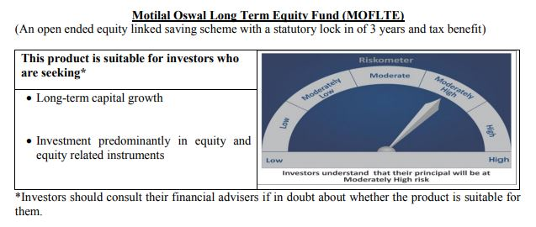
 | Motilal Oswal Long Term Equity Fund
 | Portfolio as on May 31, 2020

Sr. No. | Name of Instrument |  |  | ISIN | Rating / Industry | Quantity | Market value (Rs. In lakhs) | % to Net Assets | Sector / Rating | Percent
 |  |  |  |  |  |  |  |  | Banks | 23.44%
 | EQUITY & EQUITY RELATED |  |  |  |  |  |  |  | Consumer Non Durables | 17.86%
 | Listed / awaiting listing on the stock exchanges |  |  |  |  |  |  |  | Finance | 14.83%
1 | HDFC Bank Limited |  |  | INE040A01034 | Banks | 1180000 | 11,229.47 | 8.10% | Consumer Durables | 6.90%
2 | ICICI Bank Limited |  |  | INE090A01021 | Banks | 3195000 | 10,605.80 | 7.65% | Pharmaceuticals | 5.45%
3 | Hindustan Unilever Limited |  |  | INE030A01027 | Consumer Non Durables | 480000 | 9,875.28 | 7.13% | Auto | 4.05%
4 | United Breweries Limited |  |  | INE686F01025 | Consumer Non Durables | 827725 | 7,921.33 | 5.72% | Cement | 4.04%
5 | Torrent Pharmaceuticals Limited |  |  | INE685A01028 | Pharmaceuticals | 319451 | 7,547.19 | 5.45% | Telecom - Services | 3.83%
6 | Jubilant Foodworks Limited |  |  | INE797F01012 | Consumer Non Durables | 419669 | 6,952.24 | 5.02% | Healthcare Services | 3.58%
7 | Muthoot Finance Limited |  |  | INE414G01012 | Finance | 690000 | 5,952.29 | 4.30% | Construction | 3.43%
8 | Maruti Suzuki India Limited |  |  | INE585B01010 | Auto | 100000 | 5,610.80 | 4.05% | Construction Project | 3.19%
9 | Bharti Airtel Limited |  |  | INE397D01024 | Telecom - Services | 960000 | 5,304.96 | 3.83% | Gas | 3.12%
10 | Axis Bank Limited |  |  | INE238A01034 | Banks | 1372653 | 5,284.03 | 3.81% | Textile Products | 2.93%
11 | Dr. Lal Path Labs Limited |  |  | INE600L01024 | Healthcare Services | 323525 | 4,958.51 | 3.58% | Commercial Services | 2.91%
12 | HDFC Life Insurance Company Limited |  |  | INE795G01014 | Finance | 912577 | 4,774.60 | 3.45% | Cash & Equivalent | 0.46%
13 | The Phoenix Mills Limited |  |  | INE211B01039 | Construction | 904501 | 4,751.34 | 3.43%
14 | Larsen & Toubro Limited |  |  | INE018A01030 | Construction Project | 474225 | 4,420.96 | 3.19%
15 | Petronet LNG Limited |  |  | INE347G01014 | Gas | 1711454 | 4,322.28 | 3.12%
16 | Whirlpool of India Limited |  |  | INE716A01013 | Consumer Durables | 221454 | 4,306.51 | 3.11%
17 | Max Financial Services Limited |  |  | INE180A01020 | Finance | 846290 | 4,065.15 | 2.93%
18 | Page Industries Limited |  |  | INE761H01022 | Textile Products | 21500 | 4,056.28 | 2.93%
19 | 3M India Limited |  |  | INE470A01017 | Commercial Services | 22000 | 4,025.81 | 2.91%
20 | Kotak Mahindra Bank Limited |  |  | INE237A01028 | Banks | 313000 | 3,831.12 | 2.76%
21 | ICICI Lombard General Insurance Company Limited |  |  | INE765G01017 | Finance | 252255 | 3,281.08 | 2.37%
22 | Crompton Greaves Consumer Electricals Limited |  |  | INE299U01018 | Consumer Durables | 1423698 | 3,194.07 | 2.31%
23 | Shree Cement Limited |  |  | INE070A01015 | Cement | 15030 | 3,134.85 | 2.26%
24 | Cholamandalam Investment and Finance Company Limited |  |  | INE121A01024 | Finance | 1750000 | 2,479.75 | 1.79%
25 | Birla Corporation Limited |  |  | INE340A01012 | Cement | 474375 | 2,459.63 | 1.78%
26 | VIP Industries Limited |  |  | INE054A01027 | Consumer Durables | 945422 | 2,057.71 | 1.49%
27 | AU Small Finance Bank Limited |  |  | INE949L01017 | Banks | 389525 | 1,525.38 | 1.10%
 | Total |  |  |  |  |  | 137,928.41 | 99.54%
33
34 | CBLO / Reverse Repo Investments |  |  |  |  | 525000 | 525.00 | 0.38%
 | Total |  |  |  |  |  | 525.00 | 0.38%

 | Cash & Cash Equivalents
 | Net Receivable/Payable |  |  |  |  |  | 107.44 | 0.08%
 | Total |  |  |  |  |  | 107.44 | 0.08%
 | Grand Total |  |  |  |  |  | 138,560.85 | 100.00%

 | Total Expense Ratio
 | Direct Plan : | 0.80%
 | Regular Plan : | 2.25%

 | NAV |  | Direct Dividend Plan | 13.8579
 |  |  | Direct Growth Plan | 15.5584
 |  |  | Regular Dividend Plan | 12.8274
 |  |  | Regular Growth Plan | 14.4766

 | Monthly AAUM in Crores |  |  | 1,338.46

 | Latest AUM (31 May 2020 ) in Crores |  |  | 1385.6085317

 | Portfolio Turnover Ratio |  |  | 0.77

 | Dividend History
 | Record Date (March 24, 2017) | Dividend per Unit (Rs.) | Cum Dividend NAV | EX Dividend NAV
 | Direct Plan | 0.50 | 15.0915 | 14.5915
 | Regular Plan | 0.50 | 14.6324 | 14.1324

 | Record Date (February 05, 2018) | Dividend per Unit (Rs.) | Cum Dividend NAV | EX Dividend NAV
 | Direct Plan | 1.00 | 17.8423 | 16.8423
 | Regular Plan | 1.00 | 17.0751 | 16.0751

 | Record Date (March 20, 2018) | Dividend per Unit (Rs.) | Cum Dividend NAV | EX Dividend NAV
 | Direct Plan | 0.10 | 16.7096 | 16.6096
 | Regular Plan | 0.10 | 15.9239 | 15.8239

 | Record Date (March 28, 2019) | Dividend per Unit (Rs.) | Cum Dividend NAV | EX Dividend NAV
 | Direct Plan | 0.30 | 16.4708 | 16.1708
 | Regular Plan | 0.30 | 15.5031 | 15.2031

Large & Midcap Fund
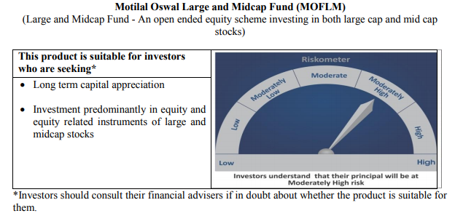
 | Motilal Oswal Large and Midcap Fund
 | Portfolio as on May 31, 2020

Sr. No. | Name of Instrument |  |  | ISIN | Rating / Industry | Quantity | Market value (Rs. In lakhs) | % to Net Assets | Sector / Rating | Percent
 |  |  |  |  |  |  |  |  | Consumer Non Durables | 18.27%
 | EQUITY & EQUITY RELATED |  |  |  |  |  |  |  | Banks | 19.57%
 | Listed / awaiting listing on the stock exchanges |  |  |  |  |  |  |  | Pharmaceuticals | 6.23%
1 | Hindustan Unilever Limited |  |  | INE030A01027 | Consumer Non Durables | 167000 | 3,435.77 | 8.47% | Finance | 14.70%
2 | HDFC Bank Limited |  |  | INE040A01034 | Banks | 310000 | 2,950.12 | 7.28% | Commercial Services | 3.87%
3 | ICICI Bank Limited |  |  | INE090A01021 | Banks | 880000 | 2,921.16 | 7.20% | Consumer Durables | 8.71%
4 | Torrent Pharmaceuticals Limited |  |  | INE685A01028 | Pharmaceuticals | 106943 | 2,526.58 | 6.23% | Healthcare Services | 3.81%
5 | Max Financial Services Limited |  |  | INE180A01020 | Finance | 510000 | 2,449.79 | 6.04% | Telecom - Services | 3.34%
6 | Jubilant Foodworks Limited |  |  | INE797F01012 | Consumer Non Durables | 127714 | 2,115.71 | 5.22% | Construction | 5.28%
7 | United Breweries Limited |  |  | INE686F01025 | Consumer Non Durables | 194000 | 1,856.58 | 4.58% | Auto | 3.18%
8 | Muthoot Finance Limited |  |  | INE414G01012 | Finance | 184891 | 1,594.96 | 3.93% | Construction Project | 3.15%
9 | 3M India Limited |  |  | INE470A01017 | Commercial Services | 8565 | 1,567.32 | 3.87% | Auto Ancillaries | 2.83%
10 | Whirlpool of India Limited |  |  | INE716A01013 | Consumer Durables | 79718 | 1,550.24 | 3.82% | Cement | 2.80%
11 | Dr. Lal Path Labs Limited |  |  | INE600L01024 | Healthcare Services | 100790 | 1,544.76 | 3.81% | Textile Products | 2.42%
12 | Bharti Airtel Limited |  |  | INE397D01024 | Telecom - Services | 245000 | 1,353.87 | 3.34% | Cash & Equivalent | 1.84%
13 | The Phoenix Mills Limited |  |  | INE211B01039 | Construction | 251046 | 1,318.74 | 3.25%
14 | Maruti Suzuki India Limited |  |  | INE585B01010 | Auto | 23000 | 1,290.48 | 3.18%
15 | Larsen & Toubro Limited |  |  | INE018A01030 | Construction Project | 137000 | 1,277.18 | 3.15%
16 | Axis Bank Limited |  |  | INE238A01034 | Banks | 330000 | 1,270.34 | 3.13%
17 | Housing Development Finance Corporation Limited |  |  | INE001A01036 | Finance | 70000 | 1,161.23 | 2.86%
18 | Balkrishna Industries Limited |  |  | INE787D01026 | Auto Ancillaries | 106385 | 1,147.79 | 2.83%
19 | Birla Corporation Limited |  |  | INE340A01012 | Cement | 219000 | 1,135.52 | 2.80%
20 | Crompton Greaves Consumer Electricals Limited |  |  | INE299U01018 | Consumer Durables | 490513 | 1,100.47 | 2.71%
21 | Page Industries Limited |  |  | INE761H01022 | Textile Products | 5200 | 981.05 | 2.42%
22 | VIP Industries Limited |  |  | INE054A01027 | Consumer Durables | 404567 | 880.54 | 2.17%
23 | Kajaria Ceramics Limited |  |  | INE217B01036 | Construction | 240000 | 820.80 | 2.02%
24 | Kotak Mahindra Bank Limited |  |  | INE237A01028 | Banks | 65000 | 795.60 | 1.96%
25 | Cholamandalam Investment and Finance Company Limited |  |  | INE121A01024 | Finance | 533780 | 756.37 | 1.87%
 | Total |  |  |  |  |  | 39,802.96 | 98.16%

27 | CBLO / Reverse Repo Investments |  |  |  |  | 712000 | 712.00 | 1.76%
 | Total |  |  |  |  |  | 712.00 | 1.76%

 | Cash & Cash Equivalents
 | Net Receivable/Payable |  |  |  |  |  | 33.54 | 0.08%
 | Total |  |  |  |  |  | 33.54 | 0.08%
 | Grand Total |  |  |  |  |  | 40,548.50 | 100.00%

 | Total Expense Ratio
 | Direct Plan : | 0.64%
 | Regular Plan : | 2.49%

 | NAV |  | Direct Dividend Plan | 8.5518
 |  |  | Direct Growth Plan | 8.5518
 |  |  | Regular Dividend Plan | 8.4612
 |  |  | Regular Growth Plan | 8.4612

 | Monthly AAUM in Crores |  |  | 388.69

 | Latest AUM (31 May 2020 ) in Crores |  |  | 405.48501579

 | Portfolio Turnover Ratio |  |  | 0.16

Dynamic Fund
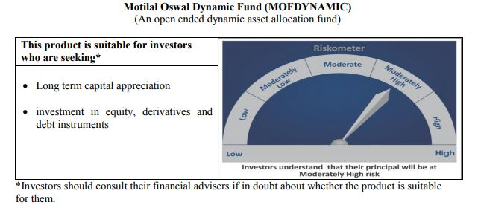
 | Motilal Oswal Dynamic Fund
 | Portfolio as on May 31, 2020

Sr. No. | Name of Instrument |  |  | ISIN | Rating / Industry | Quantity | Market value (Rs. In lakhs) | % to Net Assets | Sector / Rating | Percent
 |  |  |  |  |  |  |  |  | Finance | 18.77%
 | EQUITY & EQUITY RELATED |  |  |  |  |  |  |  | Consumer Non Durables | 14.97%
 | Listed / awaiting listing on the stock exchanges |  |  |  |  |  |  |  | Banks | 13.00%
1 | HDFC Bank Limited |  |  | INE040A01034 | Banks | 845000 | 8,041.44 | 7.57% | Software | 9.95%
2 | HDFC Life Insurance Company Limited |  |  | INE795G01014 | Finance | 1414000 | 7,398.05 | 6.96% | Auto | 9.31%
3 | Reliance Industries Limited |  |  | INE002A01018 | Petroleum Products | 394000 | 5,769.74 | 5.43% | Petroleum Products | 5.43%
4 | Infosys Limited |  |  | INE009A01021 | Software | 767000 | 5,299.97 | 4.99% | Telecom - Services | 4.97%
5 | Bharti Airtel Limited |  |  | INE397D01024 | Telecom - Services | 955000 | 5,277.33 | 4.97% | CRISIL AAA | 4.75%
6 | Maruti Suzuki India Limited |  |  | INE585B01010 | Auto | 94000 | 5,274.15 | 4.96% | Sovereign | 3.07%
7 | Tata Consultancy Services Limited |  |  | INE467B01029 | Software | 267000 | 5,266.17 | 4.96% | Gas | 2.93%
8 | Housing Development Finance Corporation Limited |  |  | INE001A01036 | Finance | 309000 | 5,126.00 | 4.82% | Consumer Durables | 2.29%
9 | United Spirits Limited |  |  | INE854D01024 | Consumer Non Durables | 779000 | 4,628.04 | 4.36% | Pharmaceuticals | 1.32%
10 | Eicher Motors Limited |  |  | INE066A01013 | Auto | 27900 | 4,617.02 | 4.35% | Cash & Equivalent | 9.25%
11 | ICICI Lombard General Insurance Company Limited |  |  | INE765G01017 | Finance | 303000 | 3,941.12 | 3.71%
12 | Britannia Industries Limited |  |  | INE216A01030 | Consumer Non Durables | 116256 | 3,928.12 | 3.70%
13 | Asian Paints Limited |  |  | INE021A01026 | Consumer Non Durables | 225000 | 3,786.98 | 3.56%
14 | Kotak Mahindra Bank Limited |  |  | INE237A01028 | Banks | 280000 | 3,427.20 | 3.23%
15 | Petronet LNG Limited |  |  | INE347G01014 | Gas | 1232000 | 3,111.42 | 2.93%
16 | Bajaj Finance Limited |  |  | INE296A01024 | Finance | 140500 | 2,744.88 | 2.58%
17 | Hindustan Unilever Limited |  |  | INE030A01027 | Consumer Non Durables | 121924 | 2,508.40 | 2.36%
18 | Titan Company Limited |  |  | INE280A01028 | Consumer Durables | 273000 | 2,429.70 | 2.29%
19 | AU Small Finance Bank Limited |  |  | INE949L01017 | Banks | 598000 | 2,341.77 | 2.20%
20 | Alkem Laboratories Limited |  |  | INE540L01014 | Pharmaceuticals | 62000 | 1,403.00 | 1.32%
21 | Nestle India Limited |  |  | INE239A01016 | Consumer Non Durables | 6000 | 1,052.45 | 0.99%
22 | Nippon Life India Asset Management Limited |  |  | INE298J01013 | Finance | 285000 | 727.32 | 0.68%
 | Total |  |  |  |  |  | 88,100.25 | 82.93%

 | BONDS & NCDs
 | Listed / awaiting listing on the stock exchanges
1 | Housing Development Finance Corporation Limited |  |  | INE001A07NZ7 | CRISIL AAA | 5000000 | 5,049.61 | 4.75%
 | Total |  |  |  |  |  | 5,049.61 | 4.75%

 | State Government Bond
 | Listed / awaiting listing on the stock exchanges
1 | 8.90% TAMILNADU SDL-20-Sep-2022 |  |  | IN3120120065 | Sovereign | 3000000 | 3,264.00 | 3.07%
 | Total |  |  |  |  |  | 3,264.00 | 3.07%

51 | CBLO / Reverse Repo Investments |  |  |  |  | 7365000 | 7,365.00 | 6.93%
 | Total |  |  |  |  |  | 7,365.00 | 6.93%

 | Cash & Cash Equivalents
 | Net Receivable/Payable |  |  |  |  |  | 2,459.97 | 2.32%
 | Total |  |  |  |  |  | 2,459.97 | 2.32%
 | Grand Total |  |  |  |  |  | 106,238.82 | 100.00%

 | Total Expense Ratio
 | Direct Plan : | 0.84%
 | Regular Plan : | 2.24%

 | NAV |  | Direct Growth Plan |  | 12.4842
 |  |  | Direct Plan - Annual Dividend |  | 11.4601
 |  |  | Direct Plan - Quarterly Dividend |  | 10.7587
 |  |  | Regular Growth Plan |  | 11.9847
 |  |  | Regular Plan - Annual Dividend |  | 11.2734
 |  |  | Regular Plan - Quarterly Dividend |  | 10.8244

 | Monthly AAUM in Crores |  |  |  | 1,039.67

 | Latest AUM (31 May 2020 ) in Crores |  |  |  | 1062.38823980

 | Portfolio Turnover Ratio |  |  |  | 3.66

 | Quarterly Dividend (Direct Plan)
 | Record Date Dividend Option | Dividend per Unit (Rs.) | Cum Dividend NAV | EX Dividend NAV
 | 31-Oct-19 | 0.150000 | 12.3489 | 12.1989
 | 30-Jul-19 | 0.200000 | 11.6058 | 11.4058
 | 21-Jan-19 | 0.300000 | 11.5864 | 11.2864

 | Quarterly Dividend (Regular Plan)
 | Record Date Dividend Option | Dividend per Unit (Rs.) | Cum Dividend NAV | EX Dividend NAV
 | 21-Jan-19 | 0.300000 | 11.2969 | 10.9969
 | 31-Oct-18 | 0.075000 | 11.1126 | 11.0376
 | 10-Jul-18 | 0.050000 | 11.6597 | 11.6097

 | Annual Dividend( Direct Plan)
 | Record Date | Dividend per Unit (Rs.) | Cum Dividend NAV | EX Dividend NAV
 | 23-Oct-17 | 0.2600 | 11.8446 | 11.5846

 | Annual Dividend( Regular Plan)
 | Record Date | Dividend per Unit (Rs.) | Cum Dividend NAV | EX Dividend NAV
 | 23-Oct-17 | 0.2600 | 11.6879 | 11.4279

 | Record Date (March 20, 2018) | Dividend per Unit (Rs.) | Cum Dividend NAV | EX Dividend NAV
 | Direct Plan | 0.1199 | 11.8554 | 11.7355
 | Regular Plan | 0.1500 | 11.6473 | 11.4973

 | Annual Dividend( Regular Plan)
 | Record Date (March 28, 2019) | Dividend per Unit (Rs.) | Cum Dividend NAV | EX Dividend NAV
 | Direct Plan | 0.2681 | 12.1778 | 11.9097
 | Regular Plan | 0.3000 | 11.8144 | 11.5144

Equity Hybrid
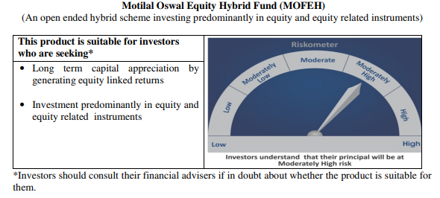
 | Motilal Oswal Equity Hybrid Fund
 | Portfolio as on May 31, 2020

Sr. No. | Name of Instrument |  |  | ISIN | Rating / Industry | Quantity | Market value (Rs. In lakhs) | % to Net Assets | Sector / Rating | Percent
 |  |  |  |  |  |  |  |  | Banks | 20.76%
 | EQUITY & EQUITY RELATED |  |  |  |  |  |  |  | Finance | 15.89%
 | (A) Listed / awaiting listing on the stock exchanges |  |  |  |  |  |  |  | Sovereign | 13.27%
1 | HDFC Bank Limited |  |  | INE040A01034 | Banks | 211051 | 2,008.47 | 6.57% | Pharmaceuticals | 10.40%
2 | HDFC Life Insurance Company Limited |  |  | INE795G01014 | Finance | 353380 | 1,848.88 | 6.05% | Petroleum Products | 6.39%
3 | Avenue Supermarts Limited |  |  | INE192R01011 | Retailing | 71763 | 1,628.55 | 5.33% | Retailing | 5.33%
4 | Housing Development Finance Corporation Limited |  |  | INE001A01036 | Finance | 96150 | 1,595.03 | 5.22% | Pesticides | 5.15%
5 | Reliance Industries Limited |  |  | INE002A01018 | Petroleum Products | 108000 | 1,581.55 | 5.18% | Auto | 3.88%
6 | Container Corporation of India Limited |  |  | INE111A01025 | Transportation | 364891 | 1,372.36 | 4.49% | CRISIL AAA | 3.38%
7 | Kotak Mahindra Bank Limited |  |  | INE237A01028 | Banks | 106940 | 1,308.95 | 4.28% | ICRA A1+ | 3.20%
8 | Abbott India Limited |  |  | INE358A01014 | Pharmaceuticals | 7529 | 1,259.10 | 4.12% | Industrial Capital Goods | 2.65%
9 | PI Industries Limited |  |  | INE603J01030 | Pesticides | 78188 | 1,203.47 | 3.94% | Cement | 2.49%
10 | Dr. Reddy's Laboratories Limited |  |  | INE089A01023 | Pharmaceuticals | 29110 | 1,185.14 | 3.88% | Software | 2.20%
11 | ICICI Bank Limited |  |  | INE090A01021 | Banks | 300941 | 998.97 | 3.27% | Transportation | 1.53%
12 | CRISIL Limited |  |  | INE007A01025 | Finance | 58500 | 810.96 | 2.65% | Textile Products | 1.52%
13 | Shree Cement Limited |  |  | INE070A01015 | Cement | 3651 | 761.50 | 2.49% | Cash & Equivalent | 1.95%
14 | Procter & Gamble Health Limited |  |  | INE199A01012 | Pharmaceuticals | 17845 | 733.49 | 2.40%
15 | Tata Consultancy Services Limited |  |  | INE467B01029 | Software | 34127 | 673.10 | 2.20%
16 | Maruti Suzuki India Limited |  |  | INE585B01010 | Auto | 10795 | 605.69 | 1.98%
17 | ICICI Lombard General Insurance Company Limited |  |  | INE765G01017 | Finance | 46129 | 600.00 | 1.96%
18 | Eicher Motors Limited |  |  | INE066A01013 | Auto | 3505 | 580.02 | 1.90%
19 | Page Industries Limited |  |  | INE761H01022 | Textile Products | 2459 | 463.92 | 1.52%
20 | Honeywell Automation India Limited |  |  | INE671A01010 | Industrial Capital Goods | 1520 | 410.58 | 1.34%
21 | ABB India Limited |  |  | INE117A01022 | Industrial Capital Goods | 53433 | 397.68 | 1.30%
22 | AU Small Finance Bank Limited |  |  | INE949L01017 | Banks | 99000 | 387.68 | 1.27%
23 | Bayer Cropscience Limited |  |  | INE462A01022 | Pesticides | 6878 | 369.69 | 1.21%
24 | Castrol India Limited |  |  | INE172A01027 | Petroleum Products | 319385 | 369.05 | 1.21%
25 | Mahindra Logistics Limited |  |  | INE766P01016 | Transportation | 109311 | 279.67 | 0.92%
25 | State Bank of India |  |  | INE062A01020 | Banks | 165010 | 266.16 | 0.87%
25 | Gujarat Pipavav Port Limited |  |  | INE517F01014 | Transportation | 309634 | 188.26 | 0.62%
 | Total |  |  |  |  |  | 23,887.93 | 78.20%

 | BONDS & NCDs
 | Listed / awaiting listing on the stock exchanges
1 | Britannia Industries Limited |  |  | INE216A07052 | CRISIL AAA | 16599 | 5.20 | 0.02%
2 | Housing Development Finance Corporation Limited |  |  | INE001A07RU9 | CRISIL AAA | 1000000 | 1,028.49 | 3.37%
 | Total |  |  |  |  |  | 1,033.70 | 3.38%

 | State Government Bond
 | Listed / awaiting listing on the stock exchanges
1 | 6.81% MAHARASHTRA SDL-08-Nov-2022 |  |  |  | Sovereign | 4000000 | 4,053.00 | 13.27%
 | Total |  |  |  |  |  | 4,053.00 | 13.27%

 | MONEY MARKET INSTRUMENT
 | CERTIFICATE OF DEPOSIT
1 | Axis Bank Limited |  |  | INE238A166S7 | ICRA A1+ | 1000000 | 978.68 | 3.20%
 | Total |  |  |  |  |  | 978.68 | 3.20%

53 | CBLO / Reverse Repo Investments |  |  |  |  | 424000 | 424.00 | 1.39%
 | Total |  |  |  |  |  | 424.00 | 1.39%

 | Cash & Cash Equivalents
 | Net Receivable/Payable |  |  |  |  |  | 171.30 | 0.56%
 | Total |  |  |  |  |  | 171.30 | 0.56%
 | Grand Total |  |  |  |  |  | 30,548.60 | 100.00%

 | Total Expense Ratio
 | Direct Plan : | 0.64%
 | Regular Plan : | 2.53%

 | NAV |  | Direct Growth Plan |  | 10.5324
 |  |  | Regular Growth Plan |  | 10.2562

 | Monthly AAUM in Crores |  |  |  | 299.42

 | Latest AUM (31 May 2020 ) in Crores |  |  |  | 305.4860014

 | Portfolio Turnover Ratio |  |  |  | 0.56

Liquid Fund
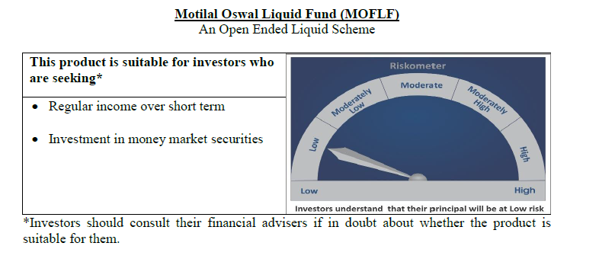
 | Motilal Oswal Liquid Fund
 | Portfolio as on May 31, 2020

Sr. No. | Name of Instrument |  |  | ISIN | Rating / Industry | Quantity | Market value (Rs. In lakhs) | % to Net Assets | Sector / Rating | Percent
 |  |  |  |  |  |  |  |  | Sovereign | 61.37%
 | Unlisted |  |  |  |  |  |  |  | ICRA A1+ | 4.08%
 | MONEY MARKET INSTRUMENT |  |  |  |  |  |  |  | FITCH A1+ | 4.07%
 | Treasury Bill |  |  |  |  |  |  |  | Cash & Equivalent | 30.48%
1 | 91 Days Tbill - 25-Jun-2020 |  |  | IN002019X532 | Sovereign | 17500000 | 17,463.86 | 28.63%
2 | 91 Days Tbill - 11-Jun-2020 |  |  | IN002019X516 | Sovereign | 15000000 | 14,987.07 | 24.57%
3 | 364 Days Tbill - 02-Jul-2020 |  |  | IN002019Z156 | Sovereign | 5000000 | 4,986.77 | 8.17%
 | Total |  |  |  |  |  | 37,437.70 | 61.37%

 | MONEY MARKET INSTRUMENT
 | CERTIFICATE OF DEPOSIT
1 | Axis Bank Limited |  |  | INE238A169Q5 | ICRA A1+ | 2500000 | 2,487.54 | 4.08%
2 | National Bank For Agriculture and Rural Development |  |  | INE261F16454 | FITCH A1+ | 2500000 | 2,485.00 | 4.07%
 | Total |  |  |  |  |  | 4,972.54 | 8.15%

53 | CBLO / Reverse Repo Investments |  |  |  |  | 18091000 | 18,091.00 | 29.65%
 | Total |  |  |  |  |  | 18,091.00 | 29.65%

 | Cash & Cash Equivalents
 | Net Receivable/Payable |  |  |  |  |  | 506.95 | 0.83%
 | Total |  |  |  |  |  | 506.95 | 0.83%
 | Grand Total |  |  |  |  |  | 61,008.18 | 100.00%

 | Total Expense Ratio
 | Direct Plan : | 0.21%
 | Regular Plan : | 0.36%

 | NAV |  | Direct Growth Plan |  | 10.7697
 |  |  | Direct Plan - Daily Dividend |  | 10.0077
 |  |  | Direct Plan - Monthly Dividend |  | 10.0297
 |  |  | Direct Plan - Quarterly Dividend |  | 10.0699
 |  |  | Direct Plan - Weekly Dividend |  | 10.0071
 |  |  | Direct Plan - Fortnightly Dividend |  | 10.0113
 |  |  | Regular Growth Plan |  | 10.7464
 |  |  | Regular Plan - Daily Dividend |  | 10.0055
 |  |  | Regular Plan - Monthly Dividend |  | 10.0295
 |  |  | Regular Plan - Weekly Dividend |  | 10.0142
 |  |  | Regular Plan - Fortnightly Dividend |  | 10.0109
 |  |  | Regular Plan - Quarterly Dividend |  | 10.4213
 |  |  | Unclaimed Dividend Plan Below 3 years |  | 10.4596
 |  |  | Unclaimed Redemption Plan Below 3 years |  | 10.267

 | Monthly AAUM in Crores |  |  |  | 591.58

 | Latest AUM (31 May 2020 ) in Crores |  |  |  | 610.08182338

 | Monthly Dividend (Direct Plan)
 | Record Date Dividend Option | Dividend per Unit (Rs.) | Cum Dividend NAV | EX Dividend NAV
 | 29-May-20 | 0.027828 | 10.0578 | 10.0300
 | 24-Apr-20 | 0.033850 | 10.0639 | 10.0300
 | 27-Mar-20 | 0.032275 | 10.0623 | 10.0300

 | Monthly Dividend (Regular Plan)
 | Record Date Dividend Option | Dividend per Unit (Rs.) | Cum Dividend NAV | EX Dividend NAV
 | 29-May-20 | 0.027642 | 10.0577 | 10.0300
 | 24-Apr-20 | 0.032607 | 10.0626 | 10.0300
 | 27-Mar-20 | 0.031031 | 10.0610 | 10.0300

 | Quarterly Dividend (Direct Plan)
 | Record Date Dividend Option | Dividend per Unit (Rs.) | Cum Dividend NAV | EX Dividend NAV
 | 27-Mar-20 | 0.112873 | 10.1163 | 10.0034
 | 27-Dec-19 | 0.120541 | 10.1240 | 10.0034
 | 27-Sep-19 | 0.133959 | 10.1374 | 10.0034

USTBF
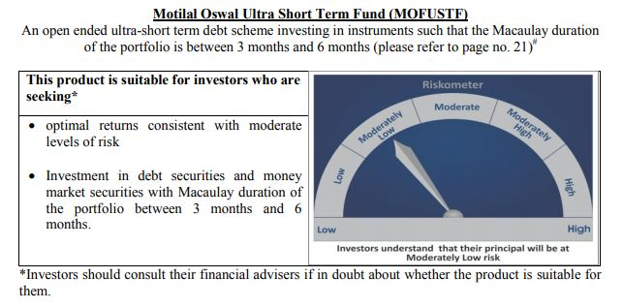
 | Motilal Oswal Ultra Short Term Fund
 | Portfolio as on May 31, 2020

Sr. No. | Name of Instrument |  |  | ISIN | Rating / Industry | Quantity | Market value (Rs. In lakhs) | % to Net Assets | Sector / Rating | Percent
 |  |  |  |  |  |  |  |  | Sovereign | 71.00%
 | MONEY MARKET INSTRUMENT |  |  |  |  |  |  |  | Cash & Equivalent | 29.00%
 | Treasury Bill
1 | 364 Days TBILL - 10-Sep-2020 |  |  | IN002019Z255 | Sovereign | 3000000 | 2,973.02 | 71.00%
 | Total |  |  |  |  |  | 2,973.02 | 71.00%

4 | CBLO / Reverse Repo Investments |  |  |  |  | 1176000 | 1,176.00 | 28.09%
 | Total |  |  |  |  |  | 1,176.00 | 28.09%

 | Cash & Cash Equivalents
 | Net Receivable/Payable |  |  |  |  |  | 38.22 | 0.91%
 | Total |  |  |  |  |  | 38.22 | 0.91%
 | Grand Total |  |  |  |  |  | 4,187.24 | 100.00%

 | Total Expense Ratio
 | Direct Plan : | 0.08%
 | Regular Plan : | 0.08%

 | NAV |  | Direct Growth Plan |  | 13.5814
 |  |  | Direct Plan - Daily Dividend |  | 9.5852
 |  |  | Direct Plan - Fortnightly Dividend |  | 9.6031
 |  |  | Direct Plan - Monthly Dividend |  | 9.592
 |  |  | Direct Plan - Quarterly Dividend |  | 9.7299
 |  |  | Direct Plan - Weekly Dividend |  | 9.5958
 |  |  | Regular Growth Plan |  | 13.2068
 |  |  | Regular Plan - Daily Dividend |  | 9.5887
 |  |  | Regular Plan - Fortnightly Dividend |  | 9.5989
 |  |  | Regular Plan - Monthly Dividend |  | 9.5891
 |  |  | Regular Plan - Quarterly Dividend |  | 9.7286
 |  |  | Regular Plan - Weekly Dividend |  | 9.5921

 | Monthly AAUM in Crores |  |  |  | 42.85

 | Latest AUM (31 May 2020 ) in Crores |  |  |  | 41.872396673

 | Dividend History
 | Quarterly Dividend (Direct Plan)
 | Record Date Dividend Option | Dividend per Unit (Rs.) | Cum Dividend NAV | EX Dividend NAV
 | 29-Jun-18 | 0.162900 | 10.1885 | 10.0256
 | 3-Apr-18 | 0.157100 | 10.1932 | 10.0361
 | 29-Dec-17 | 0.139900 | 10.1607 | 10.0208

 | Quarterly Dividend (Regular Plan)
 | Record Date Dividend Option | Dividend per Unit (Rs.) | Cum Dividend NAV | EX Dividend NAV
 | 29-Jun-18 | 0.151700 | 10.1876 | 10.0359
 | 3-Apr-18 | 0.145200 | 10.1917 | 10.0465
 | 29-Dec-17 | 0.128300 | 10.1596 | 10.0313

 | Monthly Dividend (Direct Plan)
 | Record Date Dividend Option | Dividend per Unit (Rs.) | Cum Dividend NAV | EX Dividend NAV
 | 31-Aug-18 | 0.065273 | 10.0657 | 10.0004
 | 27-Jul-18 | 0.052676 | 10.0531 | 10.0004
 | 29-Jun-18 | 0.085576 | 10.0860 | 10.0004

 | Monthly Dividend (Regular Plan)
 | Record Date Dividend Option | Dividend per Unit (Rs.) | Cum Dividend NAV | EX Dividend NAV
 | 31-Aug-18 | 0.060833 | 10.0619 | 10.0011
 | 27-Jul-18 | 0.049133 | 10.0503 | 10.0012
 | 29-Jun-18 | 0.081535 | 10.0827 | 10.0012

M50
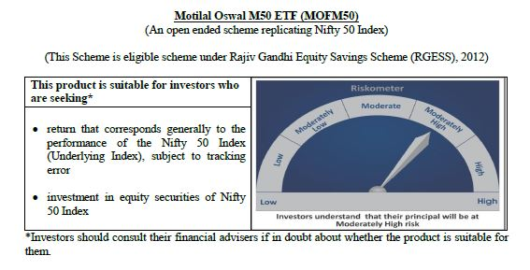
 | Motilal Oswal M50 ETF
 | Portfolio as on May 31, 2020

Sr. No. | Name of Instrument |  |  | ISIN | Rating / Industry | Quantity | Market value (Rs. In lakhs) | % to Net Assets | Sector / Rating | Percent
 |  |  |  |  |  |  |  |  | Banks | 24.00%
 |  |  |  |  |  |  |  |  | Software | 14.56%
 | EQUITY & EQUITY RELATED |  |  |  |  |  |  |  | Petroleum Products | 13.01%
 | (A) Listed / awaiting listing on the stock exchanges |  |  |  |  |  |  |  | Consumer Non Durables | 12.39%
1 | Reliance Industries Limited |  |  | INE002A01018 | Petroleum Products | 19440 | 284.68 | 11.80% | Finance | 9.10%
2 | HDFC Bank Limited |  |  | INE040A01034 | Banks | 26039 | 247.80 | 10.27% | Auto | 5.51%
3 | Housing Development Finance Corporation Limited |  |  | INE001A01036 | Finance | 10396 | 172.46 | 7.15% | Pharmaceuticals | 3.33%
4 | Infosys Limited |  |  | INE009A01021 | Software | 22023 | 152.18 | 6.31% | Telecom - Services | 3.08%
5 | ICICI Bank Limited |  |  | INE090A01021 | Banks | 38917 | 129.18 | 5.35% | Construction Project | 2.87%
6 | Tata Consultancy Services Limited |  |  | INE467B01029 | Software | 6317 | 124.59 | 5.16% | Cement | 2.39%
7 | ITC Limited |  |  | INE154A01025 | Consumer Non Durables | 52476 | 103.56 | 4.29% | Power | 2.19%
8 | Kotak Mahindra Bank Limited |  |  | INE237A01028 | Banks | 8049 | 98.52 | 4.08% | Ferrous Metals | 1.02%
9 | Hindustan Unilever Limited |  |  | INE030A01027 | Consumer Non Durables | 4296 | 88.38 | 3.66% | Consumer Durables | 0.93%
10 | Bharti Airtel Limited |  |  | INE397D01024 | Telecom - Services | 13450 | 74.32 | 3.08% | Non - Ferrous Metals | 0.92%
11 | Larsen & Toubro Limited |  |  | INE018A01030 | Construction Project | 7427 | 69.24 | 2.87% | Oil | 0.76%
12 | Axis Bank Limited |  |  | INE238A01034 | Banks | 13569 | 52.23 | 2.16% | Minerals/Mining | 0.74%
13 | Asian Paints Limited |  |  | INE021A01026 | Consumer Non Durables | 2710 | 45.61 | 1.89% | Transportation | 0.62%
14 | Maruti Suzuki India Limited |  |  | INE585B01010 | Auto | 799 | 44.83 | 1.86% | Pesticides | 0.56%
15 | Nestle India Limited |  |  | INE239A01016 | Consumer Non Durables | 214 | 37.54 | 1.56% | Telecom - Equipment & Accessories | 0.49%
16 | State Bank of India |  |  | INE062A01020 | Banks | 23074 | 37.22 | 1.54% | Gas | 0.43%
17 | HCL Technologies Limited |  |  | INE860A01027 | Software | 6526 | 35.91 | 1.49% | Media & Entertainment | 0.42%
18 | Bajaj Finance Limited |  |  | INE296A01024 | Finance | 1591 | 31.08 | 1.29% | Cash & Equivalent | 0.70%
19 | Sun Pharmaceutical Industries Limited |  |  | INE044A01036 | Pharmaceuticals | 6492 | 30.79 | 1.28%
20 | Dr. Reddy's Laboratories Limited |  |  | INE089A01023 | Pharmaceuticals | 729 | 29.68 | 1.23%
21 | NTPC Limited |  |  | INE733E01010 | Power | 29152 | 28.53 | 1.18%
22 | UltraTech Cement Limited |  |  | INE481G01011 | Cement | 694 | 27.10 | 1.12%
23 | Mahindra & Mahindra Limited |  |  | INE101A01026 | Auto | 5756 | 25.12 | 1.04%
24 | Power Grid Corporation of India Limited |  |  | INE752E01010 | Power | 15414 | 24.28 | 1.01%
25 | Britannia Industries Limited |  |  | INE216A01030 | Consumer Non Durables | 709 | 23.96 | 0.99%
26 | Titan Company Limited |  |  | INE280A01028 | Consumer Durables | 2509 | 22.33 | 0.93%
27 | Bajaj Auto Limited |  |  | INE917I01010 | Auto | 783 | 21.22 | 0.88%
28 | Cipla Limited |  |  | INE059A01026 | Pharmaceuticals | 3054 | 19.79 | 0.82%
29 | Tech Mahindra Limited |  |  | INE669C01036 | Software | 3716 | 19.71 | 0.82%
30 | Wipro Limited |  |  | INE075A01022 | Software | 8932 | 19.01 | 0.79%
31 | Hero MotoCorp Limited |  |  | INE158A01026 | Auto | 781 | 18.44 | 0.76%
32 | Oil & Natural Gas Corporation Limited |  |  | INE213A01029 | Oil | 21936 | 18.25 | 0.76%
33 | Coal India Limited |  |  | INE522F01014 | Minerals/Mining | 12598 | 17.80 | 0.74%
34 | Shree Cement Limited |  |  | INE070A01015 | Cement | 80 | 16.69 | 0.69%
35 | Bharat Petroleum Corporation Limited |  |  | INE029A01011 | Petroleum Products | 4826 | 16.54 | 0.69%
36 | Bajaj Finserv Limited |  |  | INE918I01018 | Finance | 364 | 16.03 | 0.66%
37 | Adani Ports and Special Economic Zone Limited |  |  | INE742F01042 | Transportation | 4642 | 15.03 | 0.62%
38 | IndusInd Bank Limited |  |  | INE095A01012 | Banks | 3628 | 14.28 | 0.59%
39 | Grasim Industries Limited |  |  | INE047A01021 | Cement | 2373 | 13.98 | 0.58%
40 | Eicher Motors Limited |  |  | INE066A01013 | Auto | 84 | 13.90 | 0.58%
41 | UPL Limited |  |  | INE628A01036 | Pesticides | 3308 | 13.43 | 0.56%
42 | Tata Steel Limited |  |  | INE081A01012 | Ferrous Metals | 4538 | 13.40 | 0.56%
43 | Indian Oil Corporation Limited |  |  | INE242A01010 | Petroleum Products | 15283 | 12.72 | 0.53%
44 | Hindalco Industries Limited |  |  | INE038A01020 | Non - Ferrous Metals | 8778 | 12.19 | 0.51%
45 | Bharti Infratel Limited |  |  | INE121J01017 | Telecom - Equipment & Accessories | 5116 | 11.76 | 0.49%
46 | JSW Steel Limited |  |  | INE019A01038 | Ferrous Metals | 6104 | 11.24 | 0.47%
47 | GAIL (India) Limited |  |  | INE129A01019 | Gas | 11119 | 10.27 | 0.43%
48 | Vedanta Limited |  |  | INE205A01025 | Non - Ferrous Metals | 10951 | 10.10 | 0.42%
49 | Zee Entertainment Enterprises Limited |  |  | INE256A01028 | Media & Entertainment | 5486 | 10.07 | 0.42%
50 | Tata Motors Limited |  |  | INE155A01022 | Auto | 10773 | 9.37 | 0.39%
 | Total |  |  |  |  |  | 2,396.35 | 99.30%

 | (B) Unlisted / awaiting listing on the stock exchanges
1 | Yes Bank Limited |  |  |  | Banks | 10040 | 0.00 | 0.00%
 | Total |  |  |  |  |  | 0.00 | 0.00%

 | MONEY MARKET INSTRUMENT
 | CBLO / Reverse Repo Investments |  |  |  |  | 7000 | 7.00 | 0.29%
 | Total |  |  |  |  |  | 7.00 | 0.29%

 | Cash & Cash Equivalents
 | Net Receivable/Payable |  |  |  |  |  | 9.91 | 0.41%
 | Total |  |  |  |  |  | 9.91 | 0.41%
 | Grand Total |  |  |  |  |  | 2,413.26 | 100.00%

 | Total Expense Ratio
 | Regular Plan : | 0.05%

 | NAV |  | Regular Growth Plan | 93.7306

 | Monthly AAUM in Crores |  |  | 23.20

 | Latest AUM (31 May 2020 ) in Crores |  |  | 24.132634427

 | Portfolio Turnover Ratio |  |  | 0.07

MCAP100
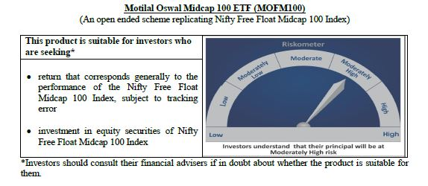
 | Motilal Oswal Midcap 100 ETF
 | Portfolio as on May 31, 2020

Sr. No. | Name of Instrument |  |  | ISIN | Rating / Industry | Quantity | Market value (Rs. In lakhs) | % to Net Assets | Sector / Rating | Percent
 |  |  |  |  |  |  |  |  | Finance | 11.43%
 |  |  |  |  |  |  |  |  | Pharmaceuticals | 11.02%
 | EQUITY & EQUITY RELATED |  |  |  |  |  |  |  | Consumer Durables | 8.18%
 | Listed / awaiting listing on the stock exchanges |  |  |  |  |  |  |  | Software | 8.11%
1 | Info Edge (India) Limited |  |  | INE663F01024 | Software | 4183 | 112.26 | 3.49% | Consumer Non Durables | 8.09%
2 | Indraprastha Gas Limited |  |  | INE203G01027 | Gas | 20993 | 99.11 | 3.08% | Banks | 7.58%
3 | Tata Consumer Products Limited |  |  | INE192A01025 | Consumer Non Durables | 24986 | 91.67 | 2.85% | Auto Ancillaries | 7.41%
4 | Apollo Hospitals Enterprise Limited |  |  | INE437A01024 | Healthcare Services | 5756 | 78.11 | 2.43% | Gas | 5.17%
5 | Jubilant Foodworks Limited |  |  | INE797F01012 | Consumer Non Durables | 4591 | 76.05 | 2.36% | Industrial Products | 4.71%
6 | MRF Limited |  |  | INE883A01011 | Auto Ancillaries | 126 | 74.48 | 2.31% | Power | 3.66%
7 | Torrent Pharmaceuticals Limited |  |  | INE685A01028 | Pharmaceuticals | 2944 | 69.55 | 2.16% | Healthcare Services | 3.55%
8 | Voltas Limited |  |  | INE226A01021 | Consumer Durables | 13890 | 66.69 | 2.07% | Auto | 2.45%
9 | PI Industries Limited |  |  | INE603J01030 | Pesticides | 4059 | 62.48 | 1.94% | Cement | 2.43%
10 | IPCA Laboratories Limited |  |  | INE571A01020 | Pharmaceuticals | 4091 | 61.14 | 1.90% | Construction | 2.42%
11 | City Union Bank Limited |  |  | INE491A01021 | Banks | 44135 | 59.85 | 1.86% | Industrial Capital Goods | 2.05%
12 | SRF Limited |  |  | INE647A01010 | Industrial Products | 1655 | 57.71 | 1.79% | Pesticides | 1.94%
13 | Muthoot Finance Limited |  |  | INE414G01012 | Finance | 6491 | 55.99 | 1.74% | Ferrous Metals | 1.48%
14 | Max Financial Services Limited |  |  | INE180A01020 | Finance | 11638 | 55.90 | 1.74% | Fertilisers | 1.30%
15 | Crompton Greaves Consumer Electricals Limited |  |  | INE299U01018 | Consumer Durables | 24831 | 55.71 | 1.73% | Petroleum Products | 1.15%
16 | Alkem Laboratories Limited |  |  | INE540L01014 | Pharmaceuticals | 2437 | 55.15 | 1.71% | Construction Project | 1.12%
17 | The Federal Bank Limited |  |  | INE171A01029 | Banks | 119575 | 53.69 | 1.67% | Retailing | 1.08%
18 | Balkrishna Industries Limited |  |  | INE787D01026 | Auto Ancillaries | 4868 | 52.52 | 1.63% | Hotels, Resorts And Other Recreational Activities | 1.02%
19 | REC Limited |  |  | INE020B01018 | Finance | 55672 | 49.30 | 1.53% | Media & Entertainment | 0.71%
20 | Bharat Forge Limited |  |  | INE465A01025 | Industrial Products | 15080 | 49.17 | 1.53% | Oil | 0.53%
21 | The Ramco Cements Limited |  |  | INE331A01037 | Cement | 8055 | 48.62 | 1.51% | Non - Ferrous Metals | 0.49%
22 | Bata India Limited |  |  | INE176A01028 | Consumer Durables | 3625 | 48.05 | 1.49% | Telecom - Equipment & Accessories | 0.33%
23 | MphasiS Limited |  |  | INE356A01018 | Software | 5367 | 46.21 | 1.43% | Services | 0.17%
24 | Larsen & Toubro Infotech Limited |  |  | INE214T01019 | Software | 2507 | 45.10 | 1.40% | Cash & Equivalent | 0.43%
25 | Exide Industries Limited |  |  | INE302A01020 | Auto Ancillaries | 27528 | 44.84 | 1.39%
26 | Bharat Electronics Limited |  |  | INE263A01024 | Industrial Capital Goods | 64303 | 44.50 | 1.38%
27 | LIC Housing Finance Limited |  |  | INE115A01026 | Finance | 18164 | 43.51 | 1.35%
28 | AU Small Finance Bank Limited |  |  | INE949L01017 | Banks | 10914 | 42.74 | 1.33%
29 | Coromandel International Limited |  |  | INE169A01031 | Fertilisers | 6494 | 41.84 | 1.30%
30 | Manappuram Finance Limited |  |  | INE522D01027 | Finance | 32943 | 41.24 | 1.28%
31 | TVS Motor Company Limited |  |  | INE494B01023 | Auto | 12255 | 41.16 | 1.28%
32 | Rajesh Exports Limited |  |  | INE343B01030 | Consumer Durables | 8145 | 39.72 | 1.23%
33 | Tata Power Company Limited |  |  | INE245A01021 | Power | 103829 | 37.95 | 1.18%
34 | Escorts Limited |  |  | INE042A01014 | Auto | 4192 | 37.86 | 1.18%
35 | Pfizer Limited |  |  | INE182A01018 | Pharmaceuticals | 933 | 37.68 | 1.17%
36 | Godrej Properties Limited |  |  | INE484J01027 | Construction | 5444 | 37.48 | 1.16%
37 | Whirlpool of India Limited |  |  | INE716A01013 | Consumer Durables | 1901 | 36.97 | 1.15%
38 | Fortis Healthcare Limited |  |  | INE061F01013 | Healthcare Services | 31246 | 36.14 | 1.12%
39 | Varun Beverages Limited |  |  | INE200M01013 | Consumer Non Durables | 5540 | 34.99 | 1.09%
40 | RBL Bank Limited |  |  | INE976G01028 | Banks | 28363 | 34.18 | 1.06%
41 | Gujarat State Petronet Limited |  |  | INE246F01010 | Gas | 17256 | 34.08 | 1.06%
42 | Castrol India Limited |  |  | INE172A01027 | Petroleum Products | 29071 | 33.59 | 1.04%
43 | Mahanagar Gas Limited |  |  | INE002S01010 | Gas | 3438 | 33.44 | 1.04%
44 | The Indian Hotels Company Limited |  |  | INE053A01029 | Hotels, Resorts And Other Recreational Activities | 43435 | 32.84 | 1.02%
45 | Torrent Power Limited |  |  | INE813H01021 | Power | 10091 | 32.13 | 1.00%
46 | Glenmark Pharmaceuticals Limited |  |  | INE935A01035 | Pharmaceuticals | 8971 | 31.85 | 0.99%
47 | Natco Pharma Limited |  |  | INE987B01026 | Pharmaceuticals | 5457 | 31.64 | 0.98%
48 | Cholamandalam Investment and Finance Company Limited |  |  | INE121A01024 | Finance | 22042 | 31.23 | 0.97%
49 | Cummins India Limited |  |  | INE298A01020 | Industrial Products | 8146 | 30.66 | 0.95%
50 | Amara Raja Batteries Limited |  |  | INE885A01032 | Auto Ancillaries | 4919 | 30.23 | 0.94%
51 | Dalmia Bharat Limited |  |  | INE00R701025 | Cement | 5324 | 29.54 | 0.92%
52 | Jindal Steel & Power Limited |  |  | INE749A01030 | Ferrous Metals | 23862 | 29.00 | 0.90%
53 | IDFC First Bank Limited |  |  | INE092T01019 | Banks | 124050 | 27.42 | 0.85%
54 | Emami Limited |  |  | INE548C01032 | Consumer Non Durables | 12794 | 24.93 | 0.77%
55 | Mahindra & Mahindra Financial Services Limited |  |  | INE774D01024 | Finance | 17788 | 24.85 | 0.77%
56 | GMR Infrastructure Limited |  |  | INE776C01039 | Construction Project | 130328 | 24.70 | 0.77%
57 | Syngene International Limited |  |  | INE398R01022 | Pharmaceuticals | 6715 | 23.98 | 0.74%
58 | Ajanta Pharma Limited |  |  | INE031B01049 | Pharmaceuticals | 1517 | 23.12 | 0.72%
59 | Aditya Birla Fashion and Retail Limited |  |  | INE647O01011 | Retailing | 19024 | 22.81 | 0.71%
60 | Sun TV Network Limited |  |  | INE424H01027 | Media & Entertainment | 5909 | 22.75 | 0.71%
61 | Oberoi Realty Limited |  |  | INE093I01010 | Construction | 6979 | 22.32 | 0.69%
62 | MindTree Limited |  |  | INE018I01017 | Software | 2466 | 22.06 | 0.68%
63 | CESC Limited |  |  | INE486A01013 | Power | 3977 | 21.97 | 0.68%
64 | Bharat Heavy Electricals Limited |  |  | INE257A01026 | Industrial Capital Goods | 77272 | 21.64 | 0.67%
65 | Jubilant Life Sciences Limited |  |  | INE700A01033 | Pharmaceuticals | 4679 | 20.69 | 0.64%
66 | Apollo Tyres Limited |  |  | INE438A01022 | Auto Ancillaries | 20244 | 19.66 | 0.61%
67 | Steel Authority of India Limited |  |  | INE114A01011 | Ferrous Metals | 61935 | 18.67 | 0.58%
68 | L&T Technology Services Limited |  |  | INE010V01017 | Software | 1562 | 18.30 | 0.57%
69 | Nippon Life India Asset Management Limited |  |  | INE298J01013 | Finance | 6975 | 17.80 | 0.55%
70 | Hexaware Technologies Limited |  |  | INE093A01033 | Software | 6801 | 17.26 | 0.54%
71 | Oil India Limited |  |  | INE274J01014 | Oil | 20161 | 17.09 | 0.53%
72 | V-Guard Industries Limited |  |  | INE951I01027 | Consumer Durables | 9234 | 16.35 | 0.51%
73 | Godrej Industries Limited |  |  | INE233A01035 | Consumer Non Durables | 5043 | 16.07 | 0.50%
74 | Adani Power Limited |  |  | INE814H01011 | Power | 43956 | 16.00 | 0.50%
75 | National Aluminium Company Limited |  |  | INE139A01034 | Non - Ferrous Metals | 53713 | 15.79 | 0.49%
76 | Endurance Technologies Limited |  |  | INE913H01037 | Auto Ancillaries | 2107 | 15.30 | 0.47%
77 | Edelweiss Financial Services Limited |  |  | INE532F01054 | Finance | 31408 | 14.46 | 0.45%
78 | Aditya Birla Capital Limited |  |  | INE674K01013 | Finance | 30524 | 14.00 | 0.43%
79 | Prestige Estates Projects Limited |  |  | INE811K01011 | Construction | 7451 | 11.66 | 0.36%
80 | Engineers India Limited |  |  | INE510A01028 | Construction Project | 18194 | 11.53 | 0.36%
81 | Indiabulls Ventures Limited |  |  | INE274G01010 | Finance | 15455 | 10.91 | 0.34%
82 | Sterlite Technologies Limited |  |  | INE089C01029 | Telecom - Equipment & Accessories | 11141 | 10.65 | 0.33%
83 | Canara Bank |  |  | INE476A01014 | Banks | 12358 | 10.36 | 0.32%
84 | Bombay Burmah Trading Corporation Limited |  |  | INE050A01025 | Consumer Non Durables | 1089 | 9.89 | 0.31%
85 | JSW Energy Limited |  |  | INE121E01018 | Power | 24628 | 9.86 | 0.31%
86 | Future Retail Limited |  |  | INE752P01024 | Retailing | 10083 | 8.55 | 0.27%
87 | Graphite India Limited |  |  | INE371A01025 | Industrial Products | 3990 | 7.27 | 0.23%
88 | HEG Limited |  |  | INE545A01016 | Industrial Products | 911 | 6.94 | 0.22%
89 | Godrej Agrovet Limited |  |  | INE850D01014 | Consumer Non Durables | 1843 | 6.90 | 0.21%
90 | NBCC (India) Limited |  |  | INE095N01031 | Construction | 36706 | 6.35 | 0.20%
91 | PNB Housing Finance Limited |  |  | INE572E01012 | Finance | 3529 | 6.21 | 0.19%
92 | Bank of India |  |  | INE084A01016 | Banks | 17689 | 5.56 | 0.17%
93 | Quess Corp Limited |  |  | INE615P01015 | Services | 2475 | 5.46 | 0.17%
94 | Union Bank of India |  |  | INE692A01016 | Banks | 22585 | 5.34 | 0.17%
95 | Future Consumer Limited |  |  | INE220J01025 | Retailing | 40109 | 3.41 | 0.11%
96 | Mangalore Refinery and Petrochemicals Limited |  |  | INE103A01014 | Petroleum Products | 11564 | 3.32 | 0.10%
97 | Housing & Urban Development Corporation Limited |  |  | INE031A01017 | Finance | 12006 | 2.76 | 0.09%
98 | IDBI Bank Limited |  |  | INE008A01015 | Banks | 12454 | 2.54 | 0.08%
99 | Indian Bank |  |  | INE562A01011 | Banks | 5479 | 2.40 | 0.07%
100 | Varroc Engineering Limited |  |  | INE665L01035 | Auto Ancillaries | 1215 | 1.57 | 0.05%
 | Total |  |  |  |  |  | 3,206.95 | 99.57%

 | MONEY MARKET INSTRUMENT
 | CBLO / Reverse Repo Investments |  |  |  |  | 7000 | 7.00 | 0.22%
 | Total |  |  |  |  |  | 7.00 | 0.22%

 | Cash & Cash Equivalents
 | Net Receivable/Payable |  |  |  |  |  | 6.86 | 0.21%
 | Total |  |  |  |  |  | 6.86 | 0.21%
 | Grand Total |  |  |  |  |  | 3,220.81 | 100.00%
 | Note :
 | Details of the Equity shares have been lent under Securities Lending and Borrowing as follows :
 | Name of the Instrument |  | Quantity
 | MUTHOOTFIN_04/06/2020_LEND |  | 1250

 | Total Expense Ratio
 | Regular Plan : | 0.20%

 | NAV |  | Regular Growth Plan | 13.9861

 | Monthly AAUM in Crores |  |  | 31.37

 | Latest AUM (31 May 2020 ) in Crores |  |  | 32.208138831

 | Portfolio Turnover Ratio |  |  | 0.22

N100
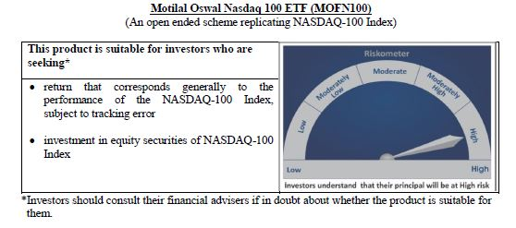
 | Motilal Oswal Nasdaq 100 ETF
 | Portfolio as on May 31, 2020

Sr. No. | Name of Instrument |  |  | ISIN | Rating / Industry | Quantity | Market value (Rs. In lakhs) | % to Net Assets | Sector / Rating | Percent
 |  |  |  |  |  |  |  |  | Software & Services | 34.51%
 |  |  |  |  |  |  |  |  | Technology Hardware & Equipment | 14.54%
 | EQUITY & EQUITY RELATED |  |  |  |  |  |  |  | Retailing | 14.24%
 | Listed / awaiting listing on the stock exchanges |  |  |  |  |  |  |  | Semiconductors & Semiconductor | 11.60%
1 | Microsoft Corp |  |  | US5949181045 | Software & Services | 74638 | 10,334.93 | 11.28% | Pharmaceuticals Biotechnology | 5.67%
2 | Apple Inc. |  |  | US0378331005 | Technology Hardware & Equipment | 42942 | 10,316.46 | 11.26% | Food Beverage & Tobacco | 3.44%
3 | Amazon Com Inc |  |  | US0231351067 | Retailing | 4870 | 8,987.60 | 9.81% | Media | 3.92%
4 | Facebook Inc |  |  | US30303M1027 | Software & Services | 23588 | 4,011.91 | 4.38% | Food & Staples Retailing | 1.80%
5 | Alphabet Inc A |  |  | US02079K3059 | Software & Services | 3358 | 3,637.37 | 3.97% | Health Care Equipment & Services | 1.76%
6 | Alphabet Inc |  |  | US02079K1079 | Software & Services | 3330 | 3,595.47 | 3.92% | Consumer Services | 1.24%
7 | Intel Corp |  |  | US4581401001 | Semiconductors & Semiconductor | 53527 | 2,545.27 | 2.78% | Automobiles & Components | 1.58%
8 | Nvidia Corp Com |  |  | US67066G1040 | Semiconductors & Semiconductor | 7669 | 2,057.29 | 2.24% | Telecommunication Services | 1.28%
9 | Cisco Sys Inc Com |  |  | US17275R1023 | Technology Hardware & Equipment | 53070 | 1,917.62 | 2.09% | Utilities | 0.74%
10 | Adobe Inc |  |  | US00724F1012 | Software & Services | 6061 | 1,770.56 | 1.93% | Commercial & Professional Services | 0.56%
11 | Netflix Inc |  |  | US64110L1061 | Retailing | 5507 | 1,746.58 | 1.91% | Transportation | 0.66%
12 | Pepsico Inc |  |  | US7134481081 | Food Beverage & Tobacco | 17374 | 1,727.01 | 1.88% | Capital Goods | 0.51%
13 | Paypal Holdings Inc |  |  | US70450Y1038 | Software & Services | 14671 | 1,718.39 | 1.87% | Application Software | 0.55%
14 | Comcast Corp-Class A |  |  | US20030N1019 | Media | 56848 | 1,701.04 | 1.86% | Consumer Durables & Apparel | 0.38%
15 | Tesla Inc |  |  | US88160R1014 | Automobiles & Components | 2289 | 1,444.23 | 1.58% | Research & Consulting Services | 0.25%
16 | Costco Whsl Corp New Com |  |  | US22160K1051 | Food & Staples Retailing | 5542 | 1,291.76 | 1.41% | Biotechnology | 0.28%
17 | Amgen Inc |  |  | US0311621009 | Pharmaceuticals Biotechnology | 7374 | 1,279.88 | 1.40% | Diversified Support Services | 0.22%
18 | T-Mobile Us Inc |  |  | US8725901040 | Telecommunication Services | 15474 | 1,169.71 | 1.28% | Technology Distributors | 0.16%
19 | Broadcom Inc |  |  | US11135F1012 | Semiconductors & Semiconductor | 5013 | 1,103.31 | 1.20% | Cash & Equivalent | 0.12%
20 | Charter Communications Inc |  |  | US16119P1084 | Media | 2626 | 1,079.44 | 1.18%
21 | Texas Instrs Inc Com |  |  | US8825081040 | Semiconductors & Semiconductor | 11671 | 1,047.15 | 1.14%
22 | Gilead Sciences Inc |  |  | US3755581036 | Pharmaceuticals Biotechnology | 15799 | 929.14 | 1.01%
23 | Qualcomm Inc |  |  | US7475251036 | Technology Hardware & Equipment | 14322 | 875.28 | 0.95%
24 | Starbucks Ord |  |  | US8552441094 | Consumer Services | 14679 | 865.05 | 0.94%
25 | Intuit Inc |  |  | US4612021034 | Software & Services | 3250 | 712.96 | 0.78%
26 | Mondelez International Inc |  |  | US6092071058 | Food Beverage & Tobacco | 17951 | 706.96 | 0.77%
27 | Vertex Pharmaceuticals Inc Com Usd0.01 |  |  | US92532F1003 | Pharmaceuticals Biotechnology | 3236 | 704.12 | 0.77%
28 | Fiserv Inc Com |  |  | US3377381088 | Software & Services | 8486 | 684.63 | 0.75%
29 | Intuitive Surgical Inc |  |  | US46120E6023 | Health Care Equipment & Services | 1459 | 639.45 | 0.70%
30 | Booking Holdings Inc |  |  | US09857L1089 | Retailing | 514 | 636.73 | 0.69%
31 | Regeneron Pharmaceutic Com |  |  | US75886F1075 | Pharmaceuticals Biotechnology | 1368 | 633.45 | 0.69%
32 | Automatic Data Process Com |  |  | US0530151036 | Software & Services | 5389 | 596.51 | 0.65%
33 | Advanced Micro Devices Com |  |  | US0079031078 | Semiconductors & Semiconductor | 14632 | 594.83 | 0.65%
34 | Csx Corp |  |  | US1264081035 | Transportation | 9698 | 524.54 | 0.57%
35 | Activision Blizzard Inc |  |  | US00507V1098 | Software & Services | 9644 | 524.53 | 0.57%
36 | Illumina Inc |  |  | US4523271090 | Pharmaceuticals Biotechnology | 1856 | 509.15 | 0.56%
37 | Biogen Inc |  |  | US09062X1037 | Pharmaceuticals Biotechnology | 2172 | 504.00 | 0.55%
38 | Micron Technology Inc Com |  |  | US5951121038 | Semiconductors & Semiconductor | 13912 | 503.64 | 0.55%
39 | Applied Matls Inc Com |  |  | US0382221051 | Semiconductors & Semiconductor | 11489 | 487.72 | 0.53%
40 | Jd Com Inc Adr |  |  | US47215P1066 | Retailing | 11589 | 475.76 | 0.52%
41 | Autodesk Inc Com |  |  | US0527691069 | Software & Services | 2738 | 435.25 | 0.47%
42 | Mercadolibre Inc |  |  | US58733R1023 | Software & Services | 615 | 395.78 | 0.43%
43 | Analog Devices Inc Com |  |  | US0326541051 | Semiconductors & Semiconductor | 4613 | 393.71 | 0.43%
44 | Lam Research Corp Com |  |  | US5128071082 | Semiconductors & Semiconductor | 1839 | 380.29 | 0.41%
45 | Monster Beverage Corp |  |  | US61174X1090 | Food Beverage & Tobacco | 6722 | 365.25 | 0.40%
46 | Walgreens Boots Alliance Inc Wba |  |  | US9314271084 | Food & Staples Retailing | 11075 | 359.34 | 0.39%
47 | Exelon Corp |  |  | US30161N1019 | Utilities | 12177 | 352.50 | 0.38%
48 | The Kraft Heinz Company |  |  | US5007541064 | Food Beverage & Tobacco | 15271 | 351.60 | 0.38%
49 | Lululemon Athletica Inc |  |  | US5500211090 | Consumer Durables & Apparel | 1545 | 350.34 | 0.38%
50 | Electronic Arts Inc Com |  |  | US2855121099 | Software & Services | 3626 | 336.68 | 0.37%
51 | Ross Stores Inc Com |  |  | US7782961038 | Retailing | 4504 | 329.99 | 0.36%
52 | Dexcom Inc |  |  | US2521311074 | Health Care Equipment & Services | 1139 | 325.59 | 0.36%
53 | Xcel Energy Inc Com |  |  | US98389B1008 | Utilities | 6579 | 323.28 | 0.35%
54 | Ebay Inc |  |  | US2786421030 | Software & Services | 8776 | 301.99 | 0.33%
55 | O'Reilly Automotive Inc |  |  | US67103H1077 | Retailing | 944 | 297.62 | 0.32%
56 | Workday Inc |  |  | US98138H1014 | Software & Services | 2089 | 289.54 | 0.32%
57 | Zoom Video Communications Inc |  |  | US98980L1017 | Media | 2096 | 284.26 | 0.31%
58 | Baidu Inc Spon Adr |  |  | US0567521085 | Software & Services | 3473 | 279.62 | 0.31%
59 | Splunk Inc |  |  | US8486371045 | Application Software | 1961 | 275.37 | 0.30%
60 | Cognizant Technology Solutions Corp |  |  | US1924461023 | Software & Services | 6859 | 274.69 | 0.30%
61 | Marriott International -Cl A |  |  | US5719032022 | Consumer Services | 4064 | 271.77 | 0.30%
62 | Netease Inc-Adr |  |  | US64110W1027 | Software & Services | 922 | 266.76 | 0.29%
63 | Verisk Analytics Inc |  |  | US92345Y1064 | Commercial & Professional Services | 2044 | 266.70 | 0.29%
64 | Kla-Tencor Corp Com |  |  | US4824801009 | Semiconductors & Semiconductor | 1970 | 261.93 | 0.29%
65 | Synopsys Inc Com |  |  | US8716071076 | Software & Services | 1894 | 258.91 | 0.28%
66 | Seattle Genetics |  |  | US8125781026 | Biotechnology | 2151 | 255.52 | 0.28%
67 | Nxp Semiconductors N.V. |  |  | NL0009538784 | Semiconductors & Semiconductor | 3511 | 254.95 | 0.28%
68 | Alexion Pharmaceuticals Inc |  |  | US0153511094 | Pharmaceuticals Biotechnology | 2759 | 249.96 | 0.27%
69 | Idexx Laboratories Inc Com Usd0.10 |  |  | US45168D1046 | Health Care Equipment & Services | 1066 | 248.80 | 0.27%
70 | Cintas Corp Com |  |  | US1729081059 | Commercial & Professional Services | 1317 | 246.76 | 0.27%
71 | Paychex Inc Com |  |  | US7043261079 | Software & Services | 4499 | 245.72 | 0.27%
72 | Sirius Xm Holdings Inc |  |  | US82968B1035 | Media | 55230 | 242.89 | 0.26%
73 | Cadence Design System Com |  |  | US1273871087 | Software & Services | 3515 | 242.47 | 0.26%
74 | Verisign Inc Com |  |  | US92343E1029 | Software & Services | 1464 | 242.27 | 0.26%
75 | Paccar Inc Com |  |  | US6937181088 | Capital Goods | 4323 | 241.27 | 0.26%
76 | Asml Holding Nv |  |  | USN070592100 | Semiconductors & Semiconductor | 933 | 232.30 | 0.25%
77 | Costar Group |  |  | US22160N1090 | Research & Consulting Services | 463 | 229.78 | 0.25%
78 | Ansys |  |  | US03662Q1058 | Application Software | 1073 | 229.45 | 0.25%
79 | Fastenal Co |  |  | US3119001044 | Capital Goods | 7195 | 224.32 | 0.24%
80 | Dollar Tree Inc |  |  | US2567461080 | Retailing | 2973 | 219.86 | 0.24%
81 | Microchip Technology Inc |  |  | US5950171042 | Semiconductors & Semiconductor | 3006 | 218.10 | 0.24%
82 | Xilinx Inc Com |  |  | US9839191015 | Semiconductors & Semiconductor | 3114 | 216.36 | 0.24%
83 | Cerner Corp |  |  | US1567821046 | Health Care Equipment & Services | 3921 | 215.99 | 0.24%
84 | Incyte Genomics Inc Com |  |  | US45337C1027 | Pharmaceuticals Biotechnology | 2705 | 208.30 | 0.23%
85 | Copart |  |  | US2172041061 | Diversified Support Services | 2938 | 198.45 | 0.22%
86 | Skyworks Solutions Inc Com |  |  | US83088M1027 | Semiconductors & Semiconductor | 2126 | 190.43 | 0.21%
87 | Align Technology Inc |  |  | US0162551016 | Health Care Equipment & Services | 989 | 183.55 | 0.20%
88 | Biomarin Pharmaceutical Inc Com Usd0.001 |  |  | US09061G1013 | Pharmaceuticals Biotechnology | 2240 | 180.35 | 0.20%
89 | Citrix Systems Inc Com |  |  | US1773761002 | Software & Services | 1533 | 171.58 | 0.19%
90 | Check Point Software T Ord |  |  | IL0010824113 | Software & Services | 1838 | 152.31 | 0.17%
91 | Cdw Corporation |  |  | US12514G1085 | Technology Distributors | 1771 | 148.42 | 0.16%
92 | Take-Two Interactive S Com |  |  | US8740541094 | Software & Services | 1429 | 147.03 | 0.16%
93 | Maxim Integrated Prods Com |  |  | US57772K1016 | Semiconductors & Semiconductor | 3354 | 146.18 | 0.16%
94 | Trip.Com Group Ltd |  |  | US89677Q1076 | Retailing | 6560 | 131.70 | 0.14%
95 | Ulta Beauty Inc |  |  | US90384S3031 | Retailing | 702 | 129.43 | 0.14%
96 | Western Digital Corp Com |  |  | US9581021055 | Technology Hardware & Equipment | 3734 | 125.19 | 0.14%
97 | Expedia Inc |  |  | US30212P3038 | Retailing | 1674 | 100.53 | 0.11%
98 | Fox-Registered Shs-A |  |  | US35137L1052 | Media | 4304 | 94.87 | 0.10%
99 | Netapp Inc |  |  | US64110D1046 | Technology Hardware & Equipment | 2756 | 92.75 | 0.10%
100 | Liberty Global Inc-C W/I Com Ser C |  |  | GB00B8W67B19 | Media | 5508 | 85.86 | 0.09%
101 | United Continental Holdings |  |  | US9100471096 | Transportation | 3635 | 77.02 | 0.08%
102 | Fox-Registered Shares-B |  |  | US35137L2043 | Media | 3268 | 71.07 | 0.08%
103 | Liberty Global Plc |  |  | GB00B8W67662 | Media | 2259 | 36.26 | 0.04%
 | Total |  |  |  |  |  | 91,548.20 | 99.88%

 | Cash & Cash Equivalents
 | Net Receivable/Payable |  |  |  |  |  | 112.88 | 0.12%
 | Total |  |  |  |  |  | 112.88 | 0.12%
 | Grand Total |  |  |  |  |  | 91,661.08 | 100.00%

 | Total Expense Ratio
 | Regular Plan : | 0.54%

 | NAV |  | Regular Growth Plan | 697.3727

 | Monthly AAUM in Crores |  |  | 808.03

 | Latest AUM (31 May 2020 ) in Crores |  |  | 916.61077197

 | Portfolio Turnover Ratio |  |  | 0.11

Nasdaq 100 FoF
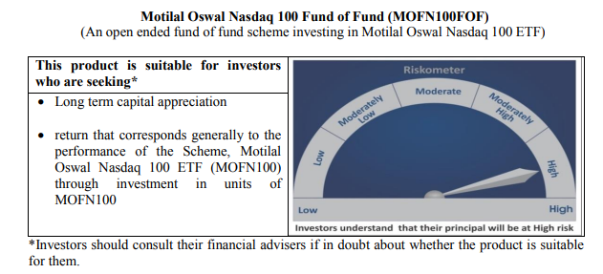
 | Motilal Oswal Nasdaq 100 Fund of Fund
 | Portfolio as on May 31, 2020

Sr. No. | Name of Instrument |  |  | ISIN | Rating / Industry | Quantity | Market value (Rs. In lakhs) | % to Net Assets | Sector / Rating | Percent
 |  |  |  |  |  |  |  |  | INVESTMENT FUNDS/MUTUAL FUNDS | 97.39%
 | INVESTMENT FUNDS/MUTUAL FUNDS |  |  |  |  |  |  |  | Cash & Equivalent | 2.61%
1 | Motilal Oswal MOSt Shares NASDAQ-100 ETF |  |  | INF247L01031 |  | 7383308 | 51,239.42 | 97.39%
 | Total |  |  |  |  |  | 51,239.42 | 97.39%

53 | CBLO / Reverse Repo Investments |  |  |  |  | 820000 | 820.00 | 1.56%
 | Total |  |  |  |  |  | 820.00 | 1.56%

 | Cash & Cash Equivalents
 | Net Receivable/Payable |  |  |  |  |  | 554.84 | 1.05%
 | Total |  |  |  |  |  | 554.84 | 1.05%
 | Grand Total |  |  |  |  |  | 52,614.26 | 100.00%

 | Total Expense Ratio
 | Direct Plan : | 0.10%
 | Regular Plan : | 0.50%

 | NAV |  | Direct Growth Plan |  | 15.0208
 |  |  | Regular Growth Plan |  | 14.9311

 | Monthly AAUM in Crores |  |  |  | 467.64

 | Latest AUM (31 May 2020 ) in Crores |  |  |  | 526.14261853

 | Portfolio Turnover Ratio |  |  |  | 0.00

Midcap 150 Index Fund
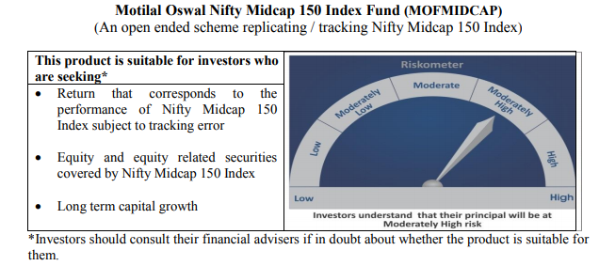
 | Motilal Oswal Nifty Midcap 150 Index Fund
 | Portfolio as on May 31, 2020

Sr. No. | Name of Instrument |  | ISIN | Rating / Industry | Quantity | Market value (Rs. In lakhs) | % to Net Assets | Sector / Rating | Percent
 |  |  |  |  |  |  |  | Pharmaceuticals | 11.98%
 |  |  |  |  |  |  |  | Finance | 11.56%
 | EQUITY & EQUITY RELATED |  |  |  |  |  |  | Consumer Non Durables | 7.68%
 | Listed / awaiting listing on the stock exchanges |  |  |  |  |  |  | Industrial Products | 7.30%
1 | Info Edge (India) Limited |  | INE663F01024 | Software | 4293 | 115.22 | 2.58% | Consumer Durables | 7.22%
2 | Indraprastha Gas Limited |  | INE203G01027 | Gas | 21552 | 101.75 | 2.28% | Auto Ancillaries | 6.37%
3 | Tata Consumer Products Limited |  | INE192A01025 | Consumer Non Durables | 25649 | 94.11 | 2.11% | Software | 6.01%
4 | Apollo Hospitals Enterprise Limited |  | INE437A01024 | Healthcare Services | 5911 | 80.21 | 1.80% | Banks | 5.78%
5 | Jubilant Foodworks Limited |  | INE797F01012 | Consumer Non Durables | 4713 | 78.08 | 1.75% | Gas | 4.85%
6 | MRF Limited |  | INE883A01011 | Auto Ancillaries | 128 | 75.66 | 1.70% | Power | 4.32%
7 | Torrent Pharmaceuticals Limited |  | INE685A01028 | Pharmaceuticals | 3022 | 71.40 | 1.60% | Healthcare Services | 3.24%
8 | Voltas Limited |  | INE226A01021 | Consumer Durables | 14262 | 68.48 | 1.53% | Chemicals | 2.89%
9 | Trent Limited |  | INE849A01020 | Retailing | 13791 | 64.66 | 1.45% | Industrial Capital Goods | 2.73%
10 | PI Industries Limited |  | INE603J01030 | Pesticides | 4167 | 64.14 | 1.44% | Retailing | 2.25%
...
 | NAV | Direct Growth Plan | 9.0182
 |  | Regular Growth Plan | 8.9757

 | Monthly AAUM in Crores |  | 43.02

 | Latest AUM (31 May 2020 ) in Crores |  | 44.634729869

 | Portfolio Turnover Ratio |  | 0.24

Smallcap 250 Index Fund
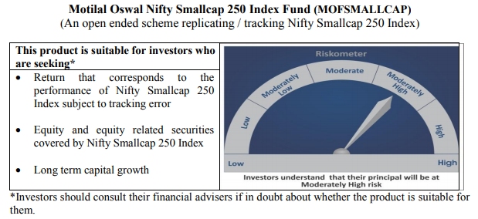
...
NAV | Direct Growth Plan | 7.9572
 | Regular Growth Plan | 7.9194

Monthly AAUM in Crores |  | 24.51

Latest AUM (31 May 2020 ) in Crores |  | 25.237101844

Portfolio Turnover Ratio |  | 0.41

Nifty 500 Index Fund
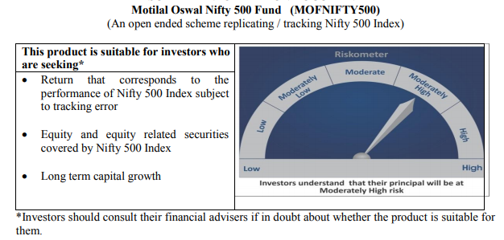
...
NAV | Direct Growth Plan | 8.8274
 | Regular Growth Plan | 8.7857

Monthly AAUM in Crores |  | 36.72

Latest AUM (31 May 2020 ) in Crores |  | 39.690662367

Portfolio Turnover Ratio |  | 0.08

Nifty Bank Index Fund
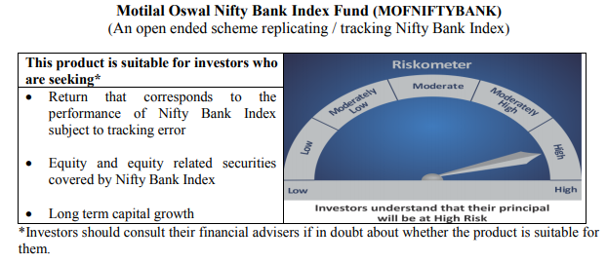
...
NAV | Direct Growth Plan | 7.0395
 | Regular Growth Plan | 7.0067

Monthly AAUM in Crores |  | 37.24

Latest AUM (31 May 2020 ) in Crores |  | 40.365684866

Portfolio Turnover Ratio |  | 0.41

Nifty 50 Index Fund
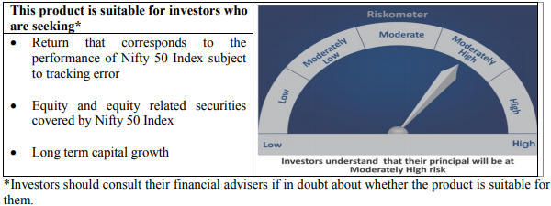
...
NAV | Direct Growth Plan | 7.885
 | Regular Growth Plan | 7.8712

Monthly AAUM in Crores |  | 35.95

Latest AUM (31 May 2020 ) in Crores |  | 37.778333716

Portfolio Turnover Ratio |  | 0.01

Nifty Next 50 Index Fund
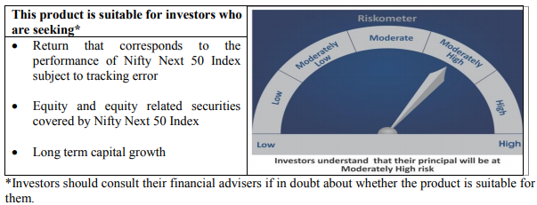
...
NAV | Direct Growth Plan | 8.5089
 | Regular Growth Plan | 8.4853

Monthly AAUM in Crores |  | 29.99

Latest AUM (31 May 2020 ) in Crores |  | 32.15617767

Portfolio Turnover Ratio |  | 0.03

S&P 500 Index Fund
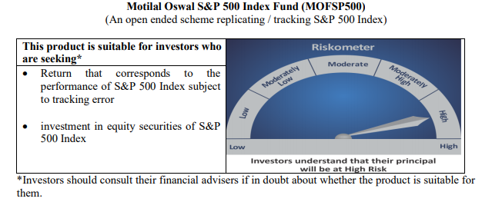
...
NAV | Direct Growth Plan | 10.4174
 | Regular Growth Plan | 10.411

Monthly AAUM in Crores |  | 168.68

Latest AUM (31 May 2020 ) in Crores |  | 199.10816923

Portfolio Turnover Ratio |  | 0.00

