Focused 25 Fund
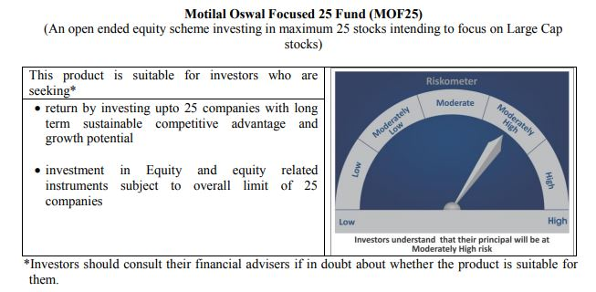
 | Motilal Oswal Focused 25 Fund
 | Portfolio as on October 31, 2020

Sr. No. | Name of Instrument |  | ISIN | Rating / Industry | Quantity | Market value (Rs. In lakhs) | % to Net Assets | Sector / Rating | Percent
 | Equity & Equity related |  |  |  |  |  |  | Banks | 22.80%
 | (a) Listed / awaiting listing on Stock Exchanges |  |  |  |  |  |  | Finance | 17.65%
1 | HDFC Bank Limited |  | INE040A01034 | Banks | 1082600 | 12,813.11 | 9.56% | Software | 13.82%
2 | Housing Development Finance Corporation Limited |  | INE001A01036 | Finance | 643000 | 12,368.43 | 9.23% | Pharmaceuticals | 10.45%
3 | Kotak Mahindra Bank Limited |  | INE237A01028 | Banks | 713438 | 11,039.74 | 8.24% | Petroleum Products | 5.87%
4 | Tata Consultancy Services Limited |  | INE467B01029 | Software | 379085 | 10,102.05 | 7.54% | Pesticides | 5.62%
5 | Infosys Limited |  | INE009A01021 | Software | 793500 | 8,415.86 | 6.28% | Transportation | 5.52%
6 | HDFC Life Insurance Company Limited |  | INE795G01014 | Finance | 1425656 | 8,407.81 | 6.27% | Auto | 4.49%
7 | Reliance Industries Limited |  | INE002A01018 | Petroleum Products | 382792 | 7,864.46 | 5.87% | Cement | 3.90%
8 | PI Industries Limited |  | INE603J01030 | Pesticides | 342761 | 7,531.14 | 5.62% | Consumer Non Durables | 2.45%
9 | ICICI Bank Limited |  | INE090A01021 | Banks | 1709975 | 6,713.36 | 5.01% | Industrial Capital Goods | 2.41%
10 | Container Corporation of India Limited |  | INE111A01025 | Transportation | 1421085 | 5,555.02 | 4.14% | Retailing | 2.04%
11 | Procter & Gamble Health Limited |  | INE199A01012 | Pharmaceuticals | 102509 | 5,269.83 | 3.93% | Telecom - Services | 1.84%
12 | Abbott India Limited |  | INE358A01014 | Pharmaceuticals | 33399 | 5,109.43 | 3.81% | CRISIL AAA | 0.03%
13 | Shree Cement Limited |  | INE070A01015 | Cement | 17772 | 3,855.56 | 2.88% | Cash & Equivalent | 1.11%
14 | Maruti Suzuki India Limited |  | INE585B01010 | Auto | 52169 | 3,633.65 | 2.71%
15 | Dr. Reddy's Laboratories Limited |  | INE089A01023 | Pharmaceuticals | 74076 | 3,621.32 | 2.70%
16 | Hindustan Unilever Limited |  | INE030A01027 | Consumer Non Durables | 158813 | 3,289.49 | 2.45%
17 | ABB India Limited |  | INE117A01022 | Industrial Capital Goods | 361740 | 3,232.87 | 2.41%
18 | ICICI Lombard General Insurance Company Limited |  | INE765G01017 | Finance | 232710 | 2,876.30 | 2.15%
19 | Avenue Supermarts Limited |  | INE192R01011 | Retailing | 122262 | 2,738.55 | 2.04%
20 | Bharti Airtel Limited |  | INE397D01024 | Telecom - Services | 569965 | 2,472.22 | 1.84%
21 | Eicher Motors Limited |  | INE066A01021 | Auto | 114466 | 2,387.30 | 1.78%
22 | Mahindra Logistics Limited |  | INE766P01016 | Transportation | 519380 | 1,848.21 | 1.38%
23 | UltraTech Cement Limited |  | INE481G01011 | Cement | 30034 | 1,373.77 | 1.02%
 | Total |  |  |  |  | 132,519.48 | 98.87%
 | (b) Unlisted
 | Total
 | Debt Instruments
 | (a) Listed / awaiting listing on Stock Exchange
1 | Britannia Industries Limited |  | INE216A07052 | CRISIL AAA | 119829 | 38.21 | 0.03%
 | Total |  |  |  |  | 38.21 | 0.03%
 | (b) Privately placed / Unlisted
 | Total
 | Money Market Instruments
 | CBLO/REPO/TREPS
1 | Collateralized Borrowing & Lending Obligation |  |  |  | 833000 | 832.93 | 0.62%
 | Total |  |  |  |  | 832.93 | 0.62%
 | Cash & Cash Equivalents
 | Net Receivables / (Payables) |  |  |  |  | 649.85 | 0.48%
 | GRAND TOTAL |  |  |  |  | 134,040.47 | 100.00%

 | Total Expense Ratio
 | Total Expense Ratio
 | Direct Plan : | 1.04%
 | Regular Plan : | 2.22%

 | NAV | Direct Dividend |  | 18.3412
 | NAV | Direct Growth |  | 26.718
 | NAV | Regular Dividend |  | 16.6377
 | NAV | Regular Growth |  | 24.1457

 | Monthly AAUM in Crores |  |  | 1,329.76

 | Latest AUM (31 OCTOBER 2020) in Crores |  |  | 1,340.40

 | Portfolio Turnover Ratio |  |  | 0.58

 | Dividend History
 | Record Date (March 20, 2018) | Dividend per Unit (Rs.) | Cum Dividend NAV | EX Dividend NAV
 | Direct Plan | 1.80 | 18.1652 | 16.3652
 | Regular Plan | 1.80 | 16.8759 | 15.0759

 | Record Date (March 28, 2019) | Dividend per Unit (Rs.) | Cum Dividend NAV | EX Dividend NAV
 | Direct Plan | 0.50 | 17.6230 | 17.1230
 | Regular Plan | 0.50 | 16.0255 | 15.5255

 | Record Date (March 23, 2020) | Dividend per Unit (Rs.) | Cum Dividend NAV | EX Dividend NAV
 | Direct Plan | 0.90 | 13.2107 | 12.3107
 | Regular Plan | 0.58 | 11.8443 | 11.2607

Midcap 30 Fund
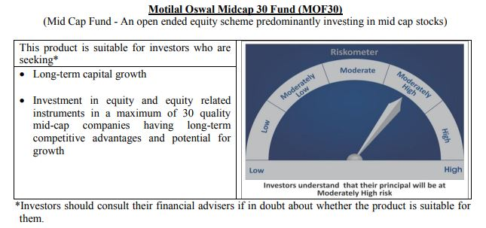
 | Motilal Oswal Midcap 30 Fund
 | Portfolio as on October 31, 2020

Sr. No. | Name of Instrument |  | ISIN | Rating / Industry | Quantity | Market value (Rs. In lakhs) | % to Net Assets | Sector / Rating | Percent
 | Equity & Equity related |  |  |  |  |  |  | Finance | 18.19%
 | (a) Listed / awaiting listing on Stock Exchanges |  |  |  |  |  |  | Pharmaceuticals | 13.41%
1 | Max Financial Services Limited |  | INE180A01020 | Finance | 2600000 | 15,354.30 | 9.45% | Auto Ancillaries | 11.19%
2 | Endurance Technologies Limited |  | INE913H01037 | Auto Ancillaries | 1100000 | 11,640.20 | 7.16% | Consumer Durables | 10.00%
3 | IPCA Laboratories Limited |  | INE571A01020 | Pharmaceuticals | 500000 | 11,565.50 | 7.11% | Pesticides | 7.10%
4 | PI Industries Limited |  | INE603J01030 | Pesticides | 525040 | 11,536.18 | 7.10% | Fertilisers | 4.25%
5 | Crompton Greaves Consumer Electricals Limited |  | INE299U01018 | Consumer Durables | 2650000 | 7,931.45 | 4.88% | Healthcare Services | 4.24%
6 | Abbott India Limited |  | INE358A01014 | Pharmaceuticals | 49409 | 7,558.66 | 4.65% | Banks | 3.79%
7 | Coromandel International Limited |  | INE169A01031 | Fertilisers | 950000 | 6,902.23 | 4.25% | Retailing | 3.79%
8 | Metropolis Healthcare Limited |  | INE112L01020 | Healthcare Services | 350000 | 6,886.25 | 4.24% | Consumer Non Durables | 3.55%
9 | Tube Investments of India Limited |  | INE974X01010 | Auto Ancillaries | 1000261 | 6,550.21 | 4.03% | Chemicals | 3.42%
10 | Voltas Limited |  | INE226A01021 | Consumer Durables | 900000 | 6,349.95 | 3.91% | Construction | 3.12%
11 | Avenue Supermarts Limited |  | INE192R01011 | Retailing | 275000 | 6,159.73 | 3.79% | Commercial Services | 3.08%
12 | CreditAccess Grameen Limited |  | INE741K01010 | Finance | 900000 | 5,831.55 | 3.59% | Industrial Products | 2.26%
13 | Navin Fluorine International Limited |  | INE048G01026 | Chemicals | 247847 | 5,555.61 | 3.42% | Industrial Capital Goods | 2.21%
14 | The Phoenix Mills Limited |  | INE211B01039 | Construction | 880816 | 5,075.26 | 3.12% | Cement | 1.96%
15 | TeamLease Services Limited |  | INE985S01024 | Commercial Services | 225000 | 5,010.98 | 3.08% | Software | 1.80%
16 | Bajaj Finance Limited |  | INE296A01024 | Finance | 150000 | 4,963.50 | 3.05% | Textile Products | 0.55%
17 | AU Small Finance Bank Limited |  | INE949L01017 | Banks | 600000 | 4,652.10 | 2.86% | Cash & Equivalent | 2.12%
18 | Astral Poly Technik Limited |  | INE006I01046 | Industrial Products | 326303 | 3,667.16 | 2.26%
19 | Honeywell Automation India Limited |  | INE671A01010 | Industrial Capital Goods | 12609 | 3,587.47 | 2.21%
20 | Cholamandalam Investment and Finance Company Limited |  | INE121A01024 | Finance | 1250000 | 3,415.63 | 2.10%
21 | The Ramco Cements Limited |  | INE331A01037 | Cement | 400000 | 3,187.80 | 1.96%
22 | Avanti Feeds Limited |  | INE871C01038 | Consumer Non Durables | 650000 | 3,131.70 | 1.93%
23 | Larsen & Toubro Infotech Limited |  | INE214T01019 | Software | 100000 | 2,918.50 | 1.80%
24 | Ajanta Pharma Limited |  | INE031B01049 | Pharmaceuticals | 170000 | 2,674.36 | 1.65%
25 | Bata India Limited |  | INE176A01028 | Consumer Durables | 150000 | 1,968.00 | 1.21%
26 | Nestle India Limited |  | INE239A01016 | Consumer Non Durables | 10291 | 1,766.10 | 1.09%
27 | ICICI Bank Limited |  | INE090A01021 | Banks | 384683 | 1,510.27 | 0.93%
28 | Page Industries Limited |  | INE761H01022 | Textile Products | 4441 | 891.39 | 0.55%
29 | Jubilant Foodworks Limited |  | INE797F01012 | Consumer Non Durables | 40000 | 869.90 | 0.54%
 | Total |  |  |  |  | 159,111.94 | 97.88%
 | (b) Unlisted
 | Total
 | Money Market Instruments
 | CBLO/REPO/TREPS
1 | Collateralized Borrowing & Lending Obligation |  |  |  | 2834000 | 2,833.76 | 1.74%
 | Total |  |  |  |  | 2,833.76 | 1.74%
 | Cash & Cash Equivalents
 | Net Receivables / (Payables) |  |  |  |  | 606.56 | 0.37%
 | GRAND TOTAL |  |  |  |  | 162,552.26 | 100.00%

 | Total Expense Ratio
 | Total Expense Ratio
 | Direct Plan : | 0.75%
 | Regular Plan : | 2.15%

 | NAV | Direct Dividend |  | 18.4980
 | NAV | Direct Growth |  | 27.3448
 | NAV | Regular Dividend |  | 17.9872
 | NAV | Regular Growth |  | 25.1785

 | Monthly AAUM in Crores |  |  | 1,617.88

 | Latest AUM (31 OCTOBER 2020) in Crores |  |  | 1,625.52

 | Portfolio Turnover Ratio |  |  | 1.35

 | Dividend History
 | Record Date (March 20, 2018) | Dividend per Unit (Rs.) | Cum Dividend NAV | EX Dividend NAV
 | Direct Plan | 2.00 | 22.6302 | 20.6302
 | Regular Plan | 2.00 | 21.4405 | 19.4405

 | Record Date (March 28, 2019) | Dividend per Unit (Rs.) | Cum Dividend NAV | EX Dividend NAV
 | Direct Plan | 2.00 | 21.6801 | 19.6801
 | Regular Plan | 2.00 | 20.1677 | 18.1677

 | Record Date (March 23, 2020) | Dividend per Unit (Rs.) | Cum Dividend NAV | EX Dividend NAV
 | Direct Plan | 1.00 | 14.2748 | 13.2748
 | Regular Plan | 0.0280 | 13.0332 | 13.0052

Multicap 35 Fund
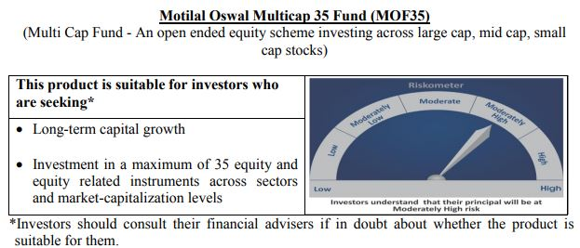
 | Motilal Oswal Multicap 35 Fund
 | Portfolio as on October 31, 2020

Sr. No. | Name of Instrument |  | ISIN | Rating / Industry | Quantity | Market value (Rs. In lakhs) | % to Net Assets | Sector / Rating | Percent
 | Equity & Equity related |  |  |  |  |  |  | Finance | 25.50%
 | (a) Listed / awaiting listing on Stock Exchanges |  |  |  |  |  |  | Banks | 15.11%
1 | HDFC Life Insurance Company Limited |  | INE795G01014 | Finance | 14800000 | 87,283.00 | 7.92% | Auto | 13.54%
2 | Reliance Industries Limited |  | INE002A01018 | Petroleum Products | 4000000 | 82,180.00 | 7.46% | Software | 11.42%
3 | HDFC Bank Limited |  | INE040A01034 | Banks | 6800000 | 80,481.40 | 7.31% | Consumer Non Durables | 10.17%
4 | Infosys Limited |  | INE009A01021 | Software | 6000000 | 63,636.00 | 5.78% | Petroleum Products | 7.46%
5 | Maruti Suzuki India Limited |  | INE585B01010 | Auto | 900000 | 62,686.35 | 5.69% | Retailing | 5.50%
6 | Vaibhav Global Limited |  | INE884A01019 | Retailing | 3100000 | 60,589.50 | 5.50% | Telecom - Services | 3.27%
7 | Housing Development Finance Corporation Limited |  | INE001A01036 | Finance | 2700000 | 51,935.85 | 4.72% | Consumer Durables | 2.50%
8 | AU Small Finance Bank Limited |  | INE949L01017 | Banks | 6500000 | 50,397.75 | 4.58% | Pharmaceuticals | 2.15%
9 | Eicher Motors Limited |  | INE066A01021 | Auto | 2400000 | 50,054.40 | 4.54% | Fertilisers | 1.65%
10 | Tata Consultancy Services Limited |  | INE467B01029 | Software | 1700000 | 45,302.45 | 4.11% | Gas | 1.05%
11 | ICICI Lombard General Insurance Company Limited |  | INE765G01017 | Finance | 3000000 | 37,080.00 | 3.37% | Cash & Equivalent | 0.68%
12 | Muthoot Finance Limited |  | INE414G01012 | Finance | 3000000 | 36,924.00 | 3.35%
13 | Hero MotoCorp Limited |  | INE158A01026 | Auto | 1300000 | 36,397.40 | 3.30%
14 | Bharti Airtel Limited |  | INE397D01024 | Telecom - Services | 8300000 | 36,001.25 | 3.27%
15 | Kotak Mahindra Bank Limited |  | INE237A01028 | Banks | 2300000 | 35,590.20 | 3.23%
16 | Britannia Industries Limited |  | INE216A01030 | Consumer Non Durables | 1000000 | 34,732.50 | 3.15%
17 | Hindustan Unilever Limited |  | INE030A01027 | Consumer Non Durables | 1400000 | 28,998.20 | 2.63%
18 | Bajaj Finance Limited |  | INE296A01024 | Finance | 750000 | 24,817.50 | 2.25%
19 | Alkem Laboratories Limited |  | INE540L01014 | Pharmaceuticals | 900000 | 23,708.70 | 2.15%
20 | Max Financial Services Limited |  | INE180A01020 | Finance | 3500000 | 20,669.25 | 1.88%
21 | Nestle India Limited |  | INE239A01016 | Consumer Non Durables | 120000 | 20,593.92 | 1.87%
22 | Coromandel International Limited |  | INE169A01031 | Fertilisers | 2500000 | 18,163.75 | 1.65%
23 | Bata India Limited |  | INE176A01028 | Consumer Durables | 1300000 | 17,056.00 | 1.55%
24 | HCL Technologies Limited |  | INE860A01027 | Software | 2000000 | 16,839.00 | 1.53%
25 | Asian Paints Limited |  | INE021A01026 | Consumer Non Durables | 750000 | 16,586.25 | 1.51%
26 | Petronet LNG Limited |  | INE347G01014 | Gas | 5000000 | 11,547.50 | 1.05%
27 | HDFC Asset Management Company Limited |  | INE127D01025 | Finance | 500000 | 11,251.00 | 1.02%
28 | United Spirits Limited |  | INE854D01024 | Consumer Non Durables | 2200000 | 11,094.60 | 1.01%
29 | Nippon Life India Asset Management Limited |  | INE298J01013 | Finance | 4000000 | 10,874.00 | 0.99%
30 | Titan Company Limited |  | INE280A01028 | Consumer Durables | 900000 | 10,491.75 | 0.95%
 | Total |  |  |  |  | 1,093,963.47 | 99.32%
 | (b) Unlisted
 | Total
 | Money Market Instruments
 | CBLO/REPO/TREPS
1 | Collateralized Borrowing & Lending Obligation |  |  |  | 11971000 | 11,970.02 | 1.09%
 | Total |  |  |  |  | 11,970.02 | 1.09%
 | Cash & Cash Equivalents
 | Net Receivables / (Payables) |  |  |  |  | (4,468.19) | -0.41%
 | GRAND TOTAL |  |  |  |  | 1,101,465.30 | 100.00%

 | Total Expense Ratio
 | Total Expense Ratio
 | Direct Plan : | 0.94%
 | Regular Plan : | 1.82%

 | NAV | Direct Dividend |  | 22.7468
 | NAV | Direct Growth |  | 27.3491
 | NAV | Regular Dividend |  | 22.6429
 | NAV | Regular Growth |  | 25.7011

 | Monthly AAUM in Crores |  |  | 11,218.37

 | Latest AUM (31 OCTOBER 2020) in Crores |  |  | 11,014.65

 | Portfolio Turnover Ratio |  |  | 0.41

 | Dividend History
 | Record Date (March 20, 2018) | Dividend per Unit (Rs.) | Cum Dividend NAV | EX Dividend NAV
 | Direct Plan | 1.75 | 26.4448 | 24.6948
 | Regular Plan | 1.75 | 25.4495 | 23.6995

 | Record Date (March 28, 2019) | Dividend per Unit (Rs.) | Cum Dividend NAV | EX Dividend NAV
 | Direct Plan | 1.00 | 25.1298 | 24.1298
 | Regular Plan | 1.00 | 23.8865 | 22.8865

 | Record Date (March 23, 2020) | Dividend per Unit (Rs.) | Cum Dividend NAV | EX Dividend NAV
 | Direct Plan | 1.00 | 16.3873 | 15.3873

Long Term Equity Fund
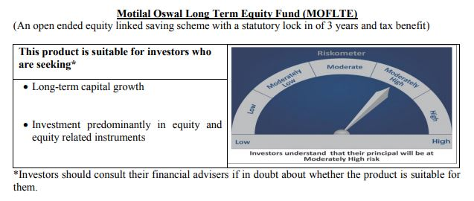
 | Motilal Oswal Long Term Equity Fund
 | Portfolio as on October 31, 2020

Sr. No. | Name of Instrument |  | ISIN | Rating / Industry | Quantity | Market value (Rs. In lakhs) | % to Net Assets | Sector / Rating | Percent
 | Equity & Equity related |  |  |  |  |  |  | Banks | 22.87%
 | (a) Listed / awaiting listing on Stock Exchanges |  |  |  |  |  |  | Finance | 18.24%
1 | HDFC Bank Limited |  | INE040A01034 | Banks | 1180000 | 13,965.89 | 8.74% | Consumer Non Durables | 13.84%
2 | ICICI Bank Limited |  | INE090A01021 | Banks | 3195000 | 12,543.57 | 7.85% | Consumer Durables | 7.21%
3 | Bharti Airtel Limited |  | INE397D01024 | Telecom - Services | 1960000 | 8,501.50 | 5.32% | Software | 5.59%
4 | Torrent Pharmaceuticals Limited |  | INE685A01028 | Pharmaceuticals | 311081 | 7,984.98 | 4.99% | Telecom - Services | 5.32%
5 | Jubilant Foodworks Limited |  | INE797F01012 | Consumer Non Durables | 337669 | 7,343.46 | 4.59% | Pharmaceuticals | 4.99%
6 | United Breweries Limited |  | INE686F01025 | Consumer Non Durables | 747725 | 6,925.43 | 4.33% | Cement | 4.76%
7 | Axis Bank Limited |  | INE238A01034 | Banks | 1372653 | 6,760.32 | 4.23% | Healthcare Services | 3.71%
8 | Muthoot Finance Limited |  | INE414G01012 | Finance | 491817 | 6,053.28 | 3.79% | Construction | 3.26%
9 | Hindustan Unilever Limited |  | INE030A01027 | Consumer Non Durables | 288000 | 5,965.34 | 3.73% | Auto | 2.94%
10 | Dr. Lal Path Labs Limited |  | INE600L01024 | Healthcare Services | 258525 | 5,937.93 | 3.71% | Construction Project | 2.76%
11 | Max Financial Services Limited |  | INE180A01020 | Finance | 937830 | 5,538.36 | 3.46% | Commercial Services | 2.57%
12 | Tata Consultancy Services Limited |  | INE467B01029 | Software | 204000 | 5,436.29 | 3.40% | Gas | 1.63%
13 | The Phoenix Mills Limited |  | INE211B01039 | Construction | 904501 | 5,211.73 | 3.26% | Cash & Equivalent | 0.30%
14 | Cholamandalam Investment and Finance Company Limited |  | INE121A01024 | Finance | 1750000 | 4,781.88 | 2.99%
15 | Maruti Suzuki India Limited |  | INE585B01010 | Auto | 67500 | 4,701.48 | 2.94%
16 | Whirlpool of India Limited |  | INE716A01013 | Consumer Durables | 221454 | 4,695.93 | 2.94%
17 | HDFC Life Insurance Company Limited |  | INE795G01014 | Finance | 782577 | 4,615.25 | 2.89%
18 | UltraTech Cement Limited |  | INE481G01011 | Cement | 100000 | 4,574.05 | 2.86%
19 | Larsen & Toubro Limited |  | INE018A01030 | Construction Project | 474225 | 4,407.92 | 2.76%
20 | Crompton Greaves Consumer Electricals Limited |  | INE299U01018 | Consumer Durables | 1423698 | 4,261.13 | 2.67%
21 | Housing Development Finance Corporation Limited |  | INE001A01036 | Finance | 221000 | 4,251.05 | 2.66%
22 | 3M India Limited |  | INE470A01017 | Commercial Services | 22000 | 4,108.58 | 2.57%
23 | ICICI Lombard General Insurance Company Limited |  | INE765G01017 | Finance | 317333 | 3,922.24 | 2.45%
24 | Infosys Limited |  | INE009A01021 | Software | 330000 | 3,499.98 | 2.19%
25 | Kotak Mahindra Bank Limited |  | INE237A01028 | Banks | 213000 | 3,295.96 | 2.06%
26 | Birla Corporation Limited |  | INE340A01012 | Cement | 474375 | 3,036.24 | 1.90%
27 | Gujarat Gas Limited |  | INE844O01030 | Gas | 881009 | 2,613.07 | 1.63%
28 | VIP Industries Limited |  | INE054A01027 | Consumer Durables | 945422 | 2,570.60 | 1.61%
29 | ITC Limited |  | INE154A01025 | Consumer Non Durables | 1150000 | 1,900.38 | 1.19%
 | Total |  |  |  |  | 159,403.82 | 99.70%
 | (b) Unlisted
 | Total
 | Money Market Instruments
 | CBLO/REPO/TREPS
1 | Collateralized Borrowing & Lending Obligation |  |  |  | 650000 | 649.95 | 0.41%
 | Total |  |  |  |  | 649.95 | 0.41%
 | Cash & Cash Equivalents
 | Net Receivables / (Payables) |  |  |  |  | (174.01) | -0.11%
 | GRAND TOTAL |  |  |  |  | 159,879.76 | 100.00%

 | Total Expense Ratio
 | Total Expense Ratio
 | Direct Plan : | 0.77%
 | Regular Plan : | 2.15%

 | NAV | Direct Dividend |  | 16.2081
 | NAV | Direct Growth |  | 18.1970
 | NAV | Regular Dividend |  | 14.9123
 | NAV | Regular Growth |  | 16.8296

 | Monthly AAUM in Crores |  |  | 1,598.67

 | Latest AUM (31 OCTOBER 2020) in Crores |  |  | 1,598.80

 | Portfolio Turnover Ratio |  |  | 0.58

 | Dividend History
 | Record Date (February 05, 2018) | Dividend per Unit (Rs.) | Cum Dividend NAV | EX Dividend NAV
 | Direct Plan | 1.00 | 17.8423 | 16.8423
 | Regular Plan | 1.00 | 17.0751 | 16.0751

 | Record Date (March 20, 2018) | Dividend per Unit (Rs.) | Cum Dividend NAV | EX Dividend NAV
 | Direct Plan | 0.10 | 16.7096 | 16.6096
 | Regular Plan | 0.10 | 15.9239 | 15.8239

 | Record Date (March 28, 2019) | Dividend per Unit (Rs.) | Cum Dividend NAV | EX Dividend NAV
 | Direct Plan | 0.30 | 16.4708 | 16.1708
 | Regular Plan | 0.30 | 15.5031 | 15.2031

Large & Midcap Fund
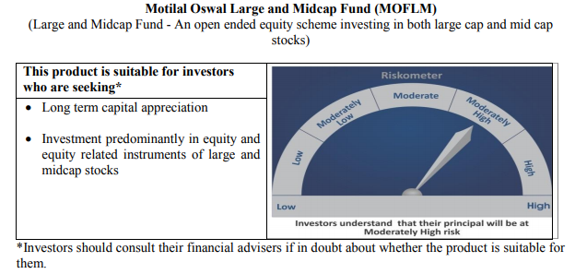
 | Motilal Oswal Large and Midcap Fund
 | Portfolio as on October 31, 2020

Sr. No. | Name of Instrument |  | ISIN | Rating / Industry | Quantity | Market value (Rs. In lakhs) | % to Net Assets | Sector / Rating | Percent
 | Equity & Equity related |  |  |  |  |  |  | Banks | 20.45%
 | (a) Listed / awaiting listing on Stock Exchanges |  |  |  |  |  |  | Finance | 18.14%
1 | HDFC Bank Limited |  | INE040A01034 | Banks | 310000 | 3,669.01 | 7.50% | Consumer Non Durables | 11.71%
2 | ICICI Bank Limited |  | INE090A01021 | Banks | 880000 | 3,454.88 | 7.07% | Consumer Durables | 8.71%
3 | Max Financial Services Limited |  | INE180A01020 | Finance | 510000 | 3,011.81 | 6.16% | Construction | 5.75%
4 | Torrent Pharmaceuticals Limited |  | INE685A01028 | Pharmaceuticals | 94943 | 2,437.04 | 4.98% | Pharmaceuticals | 4.98%
5 | Dr. Lal Path Labs Limited |  | INE600L01024 | Healthcare Services | 100790 | 2,315.00 | 4.73% | Software | 4.91%
6 | Bharti Airtel Limited |  | INE397D01024 | Telecom - Services | 510000 | 2,212.13 | 4.52% | Healthcare Services | 4.73%
7 | Jubilant Foodworks Limited |  | INE797F01012 | Consumer Non Durables | 100714 | 2,190.28 | 4.48% | Telecom - Services | 4.52%
8 | Axis Bank Limited |  | INE238A01034 | Banks | 380000 | 1,871.50 | 3.83% | Auto Ancillaries | 3.16%
9 | Muthoot Finance Limited |  | INE414G01012 | Finance | 148171 | 1,823.69 | 3.73% | Cement | 2.87%
10 | United Breweries Limited |  | INE686F01025 | Consumer Non Durables | 194000 | 1,796.83 | 3.67% | Commercial Services | 2.85%
11 | Hindustan Unilever Limited |  | INE030A01027 | Consumer Non Durables | 84000 | 1,739.89 | 3.56% | Gas | 2.73%
12 | Whirlpool of India Limited |  | INE716A01013 | Consumer Durables | 79718 | 1,690.42 | 3.46% | Construction Project | 2.41%
13 | Crompton Greaves Consumer Electricals Limited |  | INE299U01018 | Consumer Durables | 490513 | 1,468.11 | 3.00% | Auto | 1.91%
14 | Cholamandalam Investment and Finance Company Limited |  | INE121A01024 | Finance | 533780 | 1,458.55 | 2.98% | Cash & Equivalent | 0.16%
15 | The Phoenix Mills Limited |  | INE211B01039 | Construction | 251046 | 1,446.53 | 2.96%
16 | Birla Corporation Limited |  | INE340A01012 | Cement | 219000 | 1,401.71 | 2.87%
17 | 3M India Limited |  | INE470A01017 | Commercial Services | 7451 | 1,391.50 | 2.85%
18 | Kajaria Ceramics Limited |  | INE217B01036 | Construction | 240000 | 1,366.56 | 2.79%
19 | Tata Consultancy Services Limited |  | INE467B01029 | Software | 51000 | 1,359.07 | 2.78%
20 | Housing Development Finance Corporation Limited |  | INE001A01036 | Finance | 70000 | 1,346.49 | 2.75%
21 | Gujarat Gas Limited |  | INE844O01030 | Gas | 450000 | 1,334.70 | 2.73%
22 | ICICI Lombard General Insurance Company Limited |  | INE765G01017 | Finance | 99552 | 1,230.46 | 2.52%
23 | Larsen & Toubro Limited |  | INE018A01030 | Construction Project | 127000 | 1,180.47 | 2.41%
24 | MRF Limited |  | INE883A01011 | Auto Ancillaries | 1715 | 1,119.95 | 2.29%
25 | VIP Industries Limited |  | INE054A01027 | Consumer Durables | 404567 | 1,100.02 | 2.25%
26 | Infosys Limited |  | INE009A01021 | Software | 98000 | 1,039.39 | 2.13%
27 | Kotak Mahindra Bank Limited |  | INE237A01028 | Banks | 65000 | 1,005.81 | 2.06%
28 | Maruti Suzuki India Limited |  | INE585B01010 | Auto | 13400 | 933.33 | 1.91%
29 | Balkrishna Industries Limited |  | INE787D01026 | Auto Ancillaries | 31385 | 422.93 | 0.86%
 | Total |  |  |  |  | 48,818.06 | 99.84%
 | (b) Unlisted
 | Total
 | Money Market Instruments
 | CBLO/REPO/TREPS
1 | Collateralized Borrowing & Lending Obligation |  |  |  | 149000 | 148.99 | 0.30%
 | Total |  |  |  |  | 148.99 | 0.30%
 | Cash & Cash Equivalents
 | Net Receivables / (Payables) |  |  |  |  | (72.92) | -0.15%
 | GRAND TOTAL |  |  |  |  | 48,894.13 | 100.00%

 | Total Expense Ratio
 | Total Expense Ratio
 | Regular Plan : | 2.44%
 | Direct Plan : | 0.74%

 | NAV | Direct Dividend |  | 10.1596
 | NAV | Direct Growth |  | 10.1596
 | NAV | Regular Dividend |  | 9.9748
 | NAV | Regular Growth |  | 9.9747

 | Monthly AAUM in Crores |  |  | 488.79

 | Latest AUM (31 OCTOBER 2020) in Crores |  |  | 488.94

 | Portfolio Turnover Ratio |  |  | 0.34

Dynamic Fund
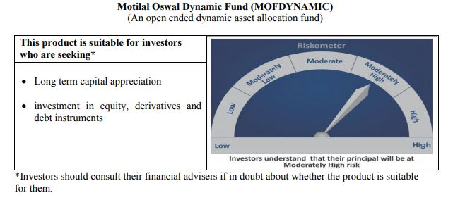
 | Motilal Oswal Dynamic Fund
 | Portfolio as on October 31, 2020

Sr. No. | Name of Instrument |  | ISIN | Rating / Industry | Quantity | Market value (Rs. In lakhs) | % to Net Assets | Sector / Rating | Percent
 | Equity & Equity related |  |  |  |  |  |  | Banks | 22.72%
 | (a) Listed / awaiting listing on Stock Exchanges |  |  |  |  |  |  | Finance | 12.49%
1 | Axis Bank Limited |  | INE238A01034 | Banks | 1972800 | 9,716.04 | 8.54% | Consumer Non Durables | 11.78%
2 | ICICI Bank Limited |  | INE090A01021 | Banks | 2406250 | 9,446.94 | 8.30% | Auto | 7.08%
3 | ITC Limited |  | INE154A01025 | Consumer Non Durables | 4358400 | 7,202.26 | 6.33% | Software | 6.30%
4 | Reliance Industries Limited |  | INE002A01018 | Petroleum Products | 274000 | 5,629.33 | 4.95% | SOVEREIGN | 5.68%
5 | HDFC Life Insurance Company Limited |  | INE795G01014 | Finance | 879000 | 5,183.90 | 4.55% | Petroleum Products | 4.95%
6 | HDFC Bank Limited |  | INE040A01034 | Banks | 397000 | 4,698.69 | 4.13% | CRISIL AAA | 4.61%
7 | Infosys Limited |  | INE009A01021 | Software | 343000 | 3,637.86 | 3.20% | Telecom - Services | 1.82%
8 | Maruti Suzuki India Limited |  | INE585B01010 | Auto | 52000 | 3,621.88 | 3.18% | Pharmaceuticals | 1.04%
9 | Housing Development Finance Corporation Limited |  | INE001A01036 | Finance | 153000 | 2,943.03 | 2.59% | Gas | 0.55%
10 | Eicher Motors Limited |  | INE066A01021 | Auto | 139000 | 2,898.98 | 2.55% | Consumer Durables | 0.54%
11 | Tata Consultancy Services Limited |  | INE467B01029 | Software | 98000 | 2,611.55 | 2.29% | Cash & Equivalent | 20.45%
12 | ICICI Lombard General Insurance Company Limited |  | INE765G01017 | Finance | 173000 | 2,138.28 | 1.88%
13 | Muthoot Finance Limited |  | INE414G01012 | Finance | 173000 | 2,129.28 | 1.87%
14 | Bharti Airtel Limited |  | INE397D01024 | Telecom - Services | 478000 | 2,073.33 | 1.82%
15 | Kotak Mahindra Bank Limited |  | INE237A01028 | Banks | 129000 | 1,996.15 | 1.75%
16 | Britannia Industries Limited |  | INE216A01030 | Consumer Non Durables | 53256 | 1,849.71 | 1.62%
17 | Hindustan Unilever Limited |  | INE030A01027 | Consumer Non Durables | 79924 | 1,655.47 | 1.45%
18 | Hero MotoCorp Limited |  | INE158A01026 | Auto | 55000 | 1,539.89 | 1.35%
19 | Bajaj Finance Limited |  | INE296A01024 | Finance | 40000 | 1,323.60 | 1.16%
20 | Nestle India Limited |  | INE239A01016 | Consumer Non Durables | 7150 | 1,227.05 | 1.08%
21 | Alkem Laboratories Limited |  | INE540L01014 | Pharmaceuticals | 45000 | 1,185.44 | 1.04%
22 | HCL Technologies Limited |  | INE860A01027 | Software | 110000 | 926.15 | 0.81%
23 | Asian Paints Limited |  | INE021A01026 | Consumer Non Durables | 40000 | 884.60 | 0.78%
24 | Petronet LNG Limited |  | INE347G01014 | Gas | 273000 | 630.49 | 0.55%
25 | Titan Company Limited |  | INE280A01028 | Consumer Durables | 53000 | 617.85 | 0.54%
26 | United Spirits Limited |  | INE854D01024 | Consumer Non Durables | 116000 | 584.99 | 0.51%
27 | HDFC Asset Management Company Limited |  | INE127D01025 | Finance | 22000 | 495.04 | 0.43%
 | Total |  |  |  |  | 78,847.78 | 69.27%
 | (b) Unlisted
 | Total
 | Derivatives
 | Index / Stock Futures
1 | Axis Bank Limited November 2020 Future |  |  |  | (-1972800) | (9,736.75) | -8.55%
2 | ICICI Bank Limited November 2020 Future |  |  |  | (-2406250) | (9,477.02) | -8.33%
3 | ITC Limited November 2020 Future |  |  |  | (-4358400) | (7,215.33) | -6.34%
 | Total |  |  |  |  | (26,429.10) | -23.22%
 | Debt Instruments
 | (a) Listed / awaiting listing on Stock Exchange
1 | Housing Development Finance Corporation Limited |  | INE001A07SD3 | CRISIL AAA | 5000000 | 5,243.89 | 4.61%
 | Total |  |  |  |  | 5,243.89 | 4.61%

 | State Government Securities
1 | 8.90% TAMILNADU SDL(MD/20/09/2022) |  | IN3120120065 | SOVEREIGN | 3000000 | 3,238.35 | 2.84%
2 | 8.48% Karnataka SDL (MD 17/10/2022) |  | IN1920180024 | SOVEREIGN | 3000000 | 3,222.81 | 2.83%
 | Total |  |  |  |  | 6,461.16 | 5.68%
 | (b) Privately placed / Unlisted
 | Total
 | Money Market Instruments
 | CBLO/REPO/TREPS
1 | Collateralized Borrowing & Lending Obligation |  |  |  | 9416000 | 9,415.21 | 8.27%
 | Total |  |  |  |  | 9,415.21 | 8.27%
 | Cash & Cash Equivalents
 | Net Receivables / (Payables) |  |  |  |  | 40,295.70 | 35.40%
 | GRAND TOTAL |  |  |  |  | 113,834.64 | 100.00%

 | Total Expense Ratio
 | Total Expense Ratio
 | Direct Plan : | 1.06%
 | Regular Plan : | 2.23%

 | NAV | Direct Annual Dividend |  | 12.9700
 | NAV | Direct Growth |  | 14.1284
 | NAV | Direct Quarterly Dividend |  | 11.1990
 | NAV | Plan A Dividend |  | 12.6854
 | NAV | Regular Growth |  | 13.4857
 | NAV | Regular Quarterly Dividend |  | 11.1352

 | Monthly AAUM in Crores |  |  | 1,151.26

 | Latest AUM (31 OCTOBER 2020) in Crores |  |  | 1,138.35

 | Portfolio Turnover Ratio |  |  | 3.42

 | Quarterly Dividend (Direct Plan)
 | Record Date Dividend Option | Dividend per Unit (Rs.) | Cum Dividend NAV | EX Dividend NAV
 | 29-Oct-20 | 0.680000 | 11.9178 | 11.2378
 | 31-Jul-20 | 0.300000 | 12.0421 | 11.7421
 | 5-May-20 | 0.300000 | 10.7238 | 10.4248

 | Quarterly Dividend (Regular Plan)
 | Record Date Dividend Option | Dividend per Unit (Rs.) | Cum Dividend NAV | EX Dividend NAV
 | 29-Oct-20 | 0.750000 | 11.9241 | 11.1741
 | 31-Jul-20 | 0.300000 | 12.0868 | 11.7868
 | 5-May-20 | 0.238542 | 10.7364 | 10.4978

 | Annual Dividend( Direct Plan)
 | Record Date (March 20, 2018) | Dividend per Unit (Rs.) | Cum Dividend NAV | EX Dividend NAV
 | 23-Mar-20 | 0.3185 | 10.3185 | 10.0000
 | 28-Mar-19 | 0.2681 | 12.1778 | 11.9097
 | 20-Mar-18 | 0.1199 | 11.8554 | 11.7355

 | Annual Dividend( Regular Plan)
 | Record Date (March 28, 2019) | Dividend per Unit (Rs.) | Cum Dividend NAV | EX Dividend NAV
 | 28-Mar-19 | 0.3000 | 11.8144 | 11.5144
 | 20-Mar-18 | 0.1500 | 11.6473 | 11.4973
 | 23-Oct-17 | 0.2600 | 11.6879 | 11.4279

Equity Hybrid
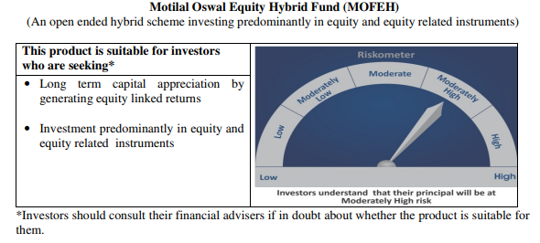
 | Motilal Oswal Equity Hybrid Fund
 | Portfolio as on October 31, 2020

Sr. No. | Name of Instrument |  | ISIN | Rating / Industry | Quantity | Market value (Rs. In lakhs) | % to Net Assets | Sector / Rating | Percent
 | Equity & Equity related |  |  |  |  |  |  | SOVEREIGN | 18.46%
 | (a) Listed / awaiting listing on Stock Exchanges |  |  |  |  |  |  | Banks | 14.53%
1 | Housing Development Finance Corporation Limited |  | INE001A01036 | Finance | 120221 | 2,312.51 | 6.57% | Finance | 11.66%
2 | HDFC Bank Limited |  | INE040A01034 | Banks | 192659 | 2,280.22 | 6.48% | Software | 9.93%
3 | Tata Consultancy Services Limited |  | INE467B01029 | Software | 70627 | 1,882.10 | 5.35% | Pharmaceuticals | 8.37%
4 | Reliance Industries Limited |  | INE002A01018 | Petroleum Products | 82720 | 1,699.48 | 4.83% | Petroleum Products | 5.86%
5 | Kotak Mahindra Bank Limited |  | INE237A01028 | Banks | 104640 | 1,619.20 | 4.60% | Transportation | 3.94%
6 | Infosys Limited |  | INE009A01021 | Software | 152000 | 1,612.11 | 4.58% | Pesticides | 3.72%
7 | HDFC Life Insurance Company Limited |  | INE795G01014 | Finance | 223186 | 1,316.24 | 3.74% | Auto | 3.21%
8 | PI Industries Limited |  | INE603J01030 | Pesticides | 59615 | 1,309.86 | 3.72% | CRISIL AAA | 3.01%
9 | ICICI Bank Limited |  | INE090A01021 | Banks | 309618 | 1,215.56 | 3.45% | Consumer Non Durables | 2.97%
10 | Abbott India Limited |  | INE358A01014 | Pharmaceuticals | 7009 | 1,072.25 | 3.05% | ICRA A1+ | 2.83%
11 | Procter & Gamble Health Limited |  | INE199A01012 | Pharmaceuticals | 19365 | 995.53 | 2.83% | Cement | 2.56%
12 | Shree Cement Limited |  | INE070A01015 | Cement | 4151 | 900.54 | 2.56% | Industrial Capital Goods | 2.42%
13 | Dr. Reddy's Laboratories Limited |  | INE089A01023 | Pharmaceuticals | 18002 | 880.05 | 2.50% | Retailing | 1.78%
14 | Maruti Suzuki India Limited |  | INE585B01010 | Auto | 9295 | 647.41 | 1.84% | Textile Products | 1.10%
15 | Avenue Supermarts Limited |  | INE192R01011 | Retailing | 27954 | 626.14 | 1.78% | Telecom - Services | 1.02%
16 | Container Corporation of India Limited |  | INE111A01025 | Transportation | 158230 | 618.52 | 1.76% | Cash & Equivalent | 2.63%
17 | Hindustan Unilever Limited |  | INE030A01027 | Consumer Non Durables | 29000 | 600.68 | 1.71%
18 | Mahindra Logistics Limited |  | INE766P01016 | Transportation | 139311 | 495.74 | 1.41%
19 | Eicher Motors Limited |  | INE066A01021 | Auto | 23060 | 480.94 | 1.37%
20 | ABB India Limited |  | INE117A01022 | Industrial Capital Goods | 53433 | 477.53 | 1.36%
21 | ICICI Lombard General Insurance Company Limited |  | INE765G01017 | Finance | 38629 | 477.45 | 1.36%
22 | ITC Limited |  | INE154A01025 | Consumer Non Durables | 270000 | 446.18 | 1.27%
23 | Page Industries Limited |  | INE761H01022 | Textile Products | 1929 | 387.19 | 1.10%
24 | Honeywell Automation India Limited |  | INE671A01010 | Industrial Capital Goods | 1313 | 373.57 | 1.06%
25 | Castrol India Limited |  | INE172A01027 | Petroleum Products | 319385 | 364.10 | 1.03%
26 | Bharti Airtel Limited |  | INE397D01024 | Telecom - Services | 83000 | 360.01 | 1.02%
27 | Gujarat Pipavav Port Limited |  | INE517F01014 | Transportation | 309634 | 274.18 | 0.78%
 | Total |  |  |  |  | 25,725.29 | 73.08%
 | (b) Unlisted
 | Total
 | Debt Instruments
 | (a) Listed / awaiting listing on Stock Exchange
1 | Housing Development Finance Corporation Limited |  | INE001A07RU9 | CRISIL AAA | 1000000 | 1,053.49 | 2.99%
2 | Britannia Industries Limited |  | INE216A07052 | CRISIL AAA | 16599 | 5.29 | 0.02%
 | Total |  |  |  |  | 1,058.78 | 3.01%

 | State Government Securities
1 | 6.81% Maharastra SDL (MD 08/11/2020) |  | IN2220170145 | SOVEREIGN | 4000000 | 4,002.67 | 11.37%
 | Total |  |  |  |  | 4,002.67 | 11.37%
 | (b) Privately placed / Unlisted
 | Total
 | Money Market Instruments
 | Treasury Bill/Cash Management Bill
1 | 182 Days Tbill (MD 26/11/2020) |  | IN002020Y082 | SOVEREIGN | 2500000 | 2,494.62 | 7.09%
 | Total |  |  |  |  | 2,494.62 | 7.09%
 | Certificate of Deposit
1 | Axis Bank Limited |  | INE238A166S7 | ICRA A1+ | 1000000 | 995.94 | 2.83%
 | Total |  |  |  |  | 995.94 | 2.83%
 | CBLO/REPO/TREPS
1 | Collateralized Borrowing & Lending Obligation |  |  |  | 761000 | 760.94 | 2.16%
 | Total |  |  |  |  | 760.94 | 2.16%
 | Cash & Cash Equivalents
 | Net Receivables / (Payables) |  |  |  |  | 163.14 | 0.46%
 | GRAND TOTAL |  |  |  |  | 35,201.38 | 100.00%

 | Total Expense Ratio
 | Total Expense Ratio
 | Regular Plan : | 2.48%
 | Direct Plan : | 0.88%

 | NAV | Direct Growth |  | 12.2213
 | NAV | Regular Growth |  | 11.8090

 | Monthly AAUM in Crores |  |  | 352.06

 | Latest AUM (31 OCTOBER 2020) in Crores |  |  | 352.01

 | Portfolio Turnover Ratio |  |  | 0.60

Liquid Fund
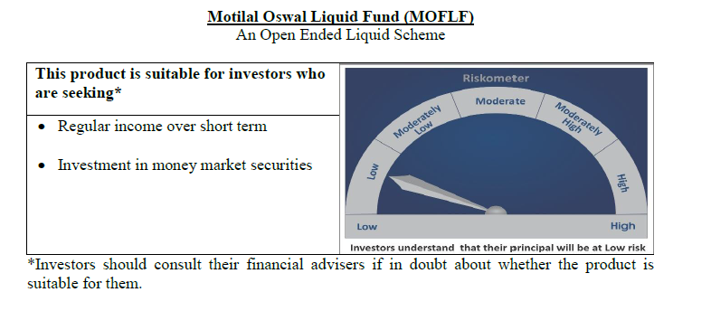
 | Motilal Oswal Liquid Fund
 | Portfolio as on October 31, 2020

Sr. No. | Name of Instrument |  | ISIN | Rating / Industry | Quantity | Market value (Rs. In lakhs) | % to Net Assets | Sector / Rating | Percent
 | Money Market Instruments |  |  |  |  |  |  | SOVEREIGN | 84.05%
 | Treasury Bill/Cash Management Bill |  |  |  |  |  |  | FITCH A1+ | 3.10%
1 | 182 Days Tbill (MD 19/11/2020) |  | IN002020Y074 | SOVEREIGN | 25000000 | 24,961.23 | 31.19% | Cash & Equivalent | 12.85%
2 | 91 Days Tbill (MD 03/12/2020) |  | IN002020X241 | SOVEREIGN | 20000000 | 19,944.92 | 24.92%
3 | 91 Days Tbill (MD 21/01/2021) |  | IN002020X308 | SOVEREIGN | 12500000 | 12,412.19 | 15.51%
4 | 182 Days Tbill (MD 07/01/2021) |  | IN002020Y140 | SOVEREIGN | 10000000 | 9,942.06 | 12.42%
 | Total |  |  |  |  | 67,260.40 | 84.05%
 | Certificate of Deposit
1 | National Bank For Agriculture and Rural Development |  | INE261F16470 | FITCH A1+ | 2500000 | 2,482.33 | 3.10%
 | Total |  |  |  |  | 2,482.33 | 3.10%
 | CBLO/REPO/TREPS
1 | Collateralized Borrowing & Lending Obligation |  |  |  | 9783000 | 9,782.18 | 12.22%
 | Total |  |  |  |  | 9,782.18 | 12.22%
 | Cash & Cash Equivalents
 | Net Receivables / (Payables) |  |  |  |  | 501.78 | 0.63%
 | GRAND TOTAL |  |  |  |  | 80,026.69 | 100.00%

 | Total Expense Ratio
 | Total Expense Ratio
 | Regular Plan : | 0.36%
 | Direct Plan : | 0.21%

 | NAV | Direct Growth |  | 10.9035
 | NAV | Direct-Dividend Option-Daily |  | 10.0077
 | NAV | Direct-Dividend Option-Fortnightly |  | 10.0089
 | NAV | Direct-Dividend Option-Quarterly |  | 10.0333
 | NAV | Direct-Dividend Option-Weekly |  | 10.0104
 | NAV | Direct -Dividend Option-Monthly |  | 10.0601
 | NAV | Regular Dividend Option-Daily |  | 10.0055
 | NAV | Regular Dividend Option-Fortnightly |  | 10.0085
 | NAV | Regular Dividend Option-Weekly |  | 10.0173
 | NAV | Regular Growth |  | 10.8731
 | NAV | Regular-Dividend Option-Monthly |  | 10.0586
 | NAV | Regular-Dividend Option-Quarterly |  | 10.0321
 | NAV | Unclaimed Dividend Plan Below 3 years |  | 10.5903
 | NAV | Unclaimed Redemption Plan Below 3 years |  | 10.3953
 | NAV | Unclaimed Dividend Plan Above 3 years |  | 0.0000
 | NAV | Unclaimed Redemption Plan Above 3 years |  | 0.0000

 | Monthly AAUM in Crores |  |  | 790.48

 | Latest AUM (31 OCTOBER 2020) in Crores |  |  | 800.27

 | Monthly Dividend (Direct Plan)
 | Record Date Dividend Option | Dividend per Unit (Rs.) | Cum Dividend NAV | EX Dividend NAV
 | 25-Sep-20 | 0.021912 | 10.0519 | 10.0300
 | 28-Aug-20 | 0.023519 | 10.0535 | 10.0300
 | 31-Jul-20 | 0.028138 | 10.0581 | 10.0300

 | Monthly Dividend (Regular Plan)
 | Record Date Dividend Option | Dividend per Unit (Rs.) | Cum Dividend NAV | EX Dividend NAV
 | 25-Sep-20 | 0.020682 | 10.0507 | 10.0300
 | 28-Aug-20 | 0.022127 | 10.0521 | 10.0300
 | 31-Jul-20 | 0.032714 | 10.0627 | 10.0300

 | Quarterly Dividend (Direct Plan)
 | Record Date Dividend Option | Dividend per Unit (Rs.) | Cum Dividend NAV | EX Dividend NAV
 | 25-Sep-20 | 0.074074 | 10.0775 | 10.0034
 | 26-Jun-20 | 0.086490 | 10.0914 | 10.0034
 | 27-Mar-20 | 0.112873 | 10.1163 | 10.0034

 | Quarterly Dividend (Regular Plan)
 | Record Date Dividend Option | Dividend per Unit (Rs.) | Cum Dividend NAV | EX Dividend NAV
 | 25-Sep-20 | 0.067479 | 10.0709 | 10.0034
 | 26-Jun-20 | 0.439166 | 10.4426 | 10.0034

USTBF
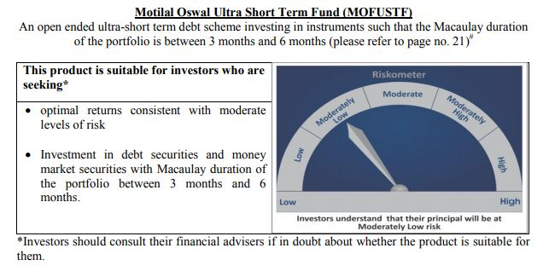
 | Motilal Oswal Ultra Short Term Fund
 | Portfolio as on October 31, 2020

Sr. No. | Name of Instrument |  | ISIN | Rating / Industry |  | Quantity | Market value (Rs. In lakhs) | % to Net Assets | Sector / Rating | Percent
 | Money Market Instruments |  |  |  |  |  |  |  | SOVEREIGN | 71.30%
 | Treasury Bill/Cash Management Bill |  |  |  |  |  |  |  | Cash & Equivalent | 28.70%
1 | 182 Days Tbill (MD 18/03/2021) |  | IN002020Y249 | SOVEREIGN |  | 2500000 | 2,469.37 | 71.30%
 | Total |  |  |  |  |  | 2,469.37 | 71.30%
 | CBLO/REPO/TREPS
1 | Collateralized Borrowing & Lending Obligation |  |  |  |  | 954000 | 953.92 | 27.54%
 | Total |  |  |  |  |  | 953.92 | 27.54%
 | Cash & Cash Equivalents
 | Net Receivables / (Payables) |  |  |  |  |  | 39.92 | 1.15%
 | GRAND TOTAL |  |  |  |  |  | 3,463.21 | 100.00%

 | Total Expense Ratio
 | Total Expense Ratio
 | Direct Plan : | 0.08%
 | Regular Plan : | 0.08%

 | NAV | Direct Dividend |  |  | 9.7163
 | NAV | Direct Fortnightly Dividend |  |  | 9.7346
 | NAV | Direct Growth |  |  | 13.7671
 | NAV | Direct Monthly Dividend |  |  | 9.7232
 | NAV | Direct Quarterly Dividend |  |  | 9.8629
 | NAV | Direct Weekly Dividend |  |  | 9.7270
 | NAV | Regular Daily Dividend |  |  | 9.7198
 | NAV | Regular Fortnightly Dividend |  |  | 9.7302
 | NAV | Regular Growth |  |  | 13.3873
 | NAV | Regular Monthly Dividend |  |  | 9.7202
 | NAV | Regular Quarterly Dividend |  |  | 9.8616
 | NAV | Regular Weekly Dividend |  |  | 9.7232

 | Monthly AAUM in Crores |  |  | 35.36

 | Latest AUM (31 OCTOBER 2020) in Crores |  |  | 34.63

 | Dividend History
 | Quarterly Dividend (Direct Plan)
 | Record Date Dividend Option | Dividend per Unit (Rs.) | Cum Dividend NAV | EX Dividend NAV
 | 29-Dec-17 | 0.139900 | 10.1607 | 10.0208
 | 3-Apr-18 | 0.157100 | 10.1932 | 10.0361
 | 29-Jun-18 | 0.162900 | 10.1885 | 10.0256

 | Quarterly Dividend (Regular Plan)
 | Record Date Dividend Option | Dividend per Unit (Rs.) | Cum Dividend NAV | EX Dividend NAV
 | 29-Dec-17 | 0.128300 | 10.1596 | 10.0313
 | 3-Apr-18 | 0.145200 | 10.1917 | 10.0465
 | 29-Jun-18 | 0.151700 | 10.1876 | 10.0359

 | Monthly Dividend (Direct Plan)
 | Record Date Dividend Option | Dividend per Unit (Rs.) | Cum Dividend NAV | EX Dividend NAV
 | 29-Jun-18 | 0.085576 | 10.0860 | 10.0004
 | 27-Jul-18 | 0.052676 | 10.0531 | 10.0004
 | 31-Aug-18 | 0.065273 | 10.0657 | 10.0004

 | Monthly Dividend (Regular Plan)
 | Record Date Dividend Option | Dividend per Unit (Rs.) | Cum Dividend NAV | EX Dividend NAV
 | 29-Jun-18 | 0.081535 | 10.0827 | 10.0012
 | 27-Jul-18 | 0.049133 | 10.0503 | 10.0012
 | 31-Aug-18 | 0.060833 | 10.0619 | 10.0011

M50
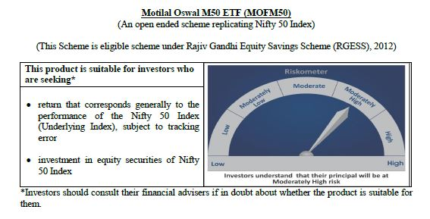
 | Motilal Oswal M50 ETF
 | Portfolio as on October 31, 2020

Sr. No. | Name of Instrument |  | ISIN | Rating / Industry | Quantity | Market value (Rs. In lakhs) | % to Net Assets | Sector / Rating | Percent
 | Equity & Equity related |  |  |  |  |  |  | Banks | 24.61%
 | (a) Listed / awaiting listing on Stock Exchanges |  |  |  |  |  |  | Software | 17.08%
1 | Reliance Industries Limited |  | INE002A01018 | Petroleum Products | 12413 | 255.03 | 12.92% | Petroleum Products | 13.88%
2 | HDFC Bank Limited |  | INE040A01034 | Banks | 16973 | 200.88 | 10.18% | Consumer Non Durables | 10.53%
3 | Infosys Limited |  | INE009A01021 | Software | 14344 | 152.13 | 7.71% | Finance | 10.45%
4 | Housing Development Finance Corporation Limited |  | INE001A01036 | Finance | 6773 | 130.28 | 6.60% | Auto | 5.48%
5 | Tata Consultancy Services Limited |  | INE467B01029 | Software | 4114 | 109.63 | 5.55% | Pharmaceuticals | 3.73%
6 | ICICI Bank Limited |  | INE090A01021 | Banks | 27003 | 106.01 | 5.37% | Construction Project | 2.25%
7 | Kotak Mahindra Bank Limited |  | INE237A01028 | Banks | 5734 | 88.73 | 4.49% | Cement | 2.23%
8 | Hindustan Unilever Limited |  | INE030A01027 | Consumer Non Durables | 3496 | 72.41 | 3.67% | Telecom - Services | 2.07%
9 | ITC Limited |  | INE154A01025 | Consumer Non Durables | 34177 | 56.48 | 2.86% | Power | 1.71%
10 | Axis Bank Limited |  | INE238A01034 | Banks | 9706 | 47.80 | 2.42% | Ferrous Metals | 1.23%
11 | Larsen & Toubro Limited |  | INE018A01030 | Construction Project | 4783 | 44.46 | 2.25% | Consumer Durables | 0.96%
12 | Bharti Airtel Limited |  | INE397D01024 | Telecom - Services | 9400 | 40.77 | 2.07% | Transportation | 0.54%
13 | Asian Paints Limited |  | INE021A01026 | Consumer Non Durables | 1765 | 39.03 | 1.98% | Pesticides | 0.49%
14 | Maruti Suzuki India Limited |  | INE585B01010 | Auto | 520 | 36.22 | 1.83% | Non - Ferrous Metals | 0.49%
15 | HCL Technologies Limited |  | INE860A01027 | Software | 4251 | 35.79 | 1.81% | Minerals/Mining | 0.47%
16 | Bajaj Finance Limited |  | INE296A01024 | Finance | 1037 | 34.31 | 1.74% | Oil | 0.47%
17 | State Bank of India |  | INE062A01020 | Banks | 15028 | 28.44 | 1.44% | Gas | 0.31%
18 | Nestle India Limited |  | INE239A01016 | Consumer Non Durables | 140 | 24.03 | 1.22% | Cash & Equivalent | 1.01%
19 | Dr. Reddy's Laboratories Limited |  | INE089A01023 | Pharmaceuticals | 475 | 23.22 | 1.18%
20 | Mahindra & Mahindra Limited |  | INE101A01026 | Auto | 3749 | 22.27 | 1.13%
21 | UltraTech Cement Limited |  | INE481G01011 | Cement | 452 | 20.67 | 1.05%
22 | Wipro Limited |  | INE075A01022 | Software | 5818 | 19.82 | 1.00%
23 | Sun Pharmaceutical Industries Limited |  | INE044A01036 | Pharmaceuticals | 4228 | 19.69 | 1.00%
24 | Tech Mahindra Limited |  | INE669C01036 | Software | 2421 | 19.69 | 1.00%
25 | Titan Company Limited |  | INE280A01028 | Consumer Durables | 1634 | 19.05 | 0.96%
26 | Power Grid Corporation of India Limited |  | INE752E01010 | Power | 10039 | 17.17 | 0.87%
27 | HDFC Life Insurance Company Limited |  | INE795G01014 | Finance | 2847 | 16.79 | 0.85%
28 | NTPC Limited |  | INE733E01010 | Power | 18986 | 16.63 | 0.84%
29 | Britannia Industries Limited |  | INE216A01030 | Consumer Non Durables | 461 | 16.01 | 0.81%
30 | Divi's Laboratories Limited |  | INE361B01024 | Pharmaceuticals | 499 | 15.68 | 0.79%
31 | Cipla Limited |  | INE059A01026 | Pharmaceuticals | 1989 | 15.01 | 0.76%
32 | Bajaj Auto Limited |  | INE917I01010 | Auto | 510 | 14.72 | 0.75%
33 | Hero MotoCorp Limited |  | INE158A01026 | Auto | 508 | 14.22 | 0.72%
34 | IndusInd Bank Limited |  | INE095A01012 | Banks | 2363 | 13.84 | 0.70%
35 | Bajaj Finserv Limited |  | INE918I01018 | Finance | 237 | 13.21 | 0.67%
36 | JSW Steel Limited |  | INE019A01038 | Ferrous Metals | 3976 | 12.29 | 0.62%
37 | Grasim Industries Limited |  | INE047A01021 | Cement | 1546 | 12.03 | 0.61%
38 | Tata Steel Limited |  | INE081A01012 | Ferrous Metals | 2911 | 11.95 | 0.61%
39 | SBI Life Insurance Company Limited |  | INE123W01016 | Finance | 1527 | 11.74 | 0.59%
40 | Eicher Motors Limited |  | INE066A01021 | Auto | 545 | 11.37 | 0.58%
41 | Shree Cement Limited |  | INE070A01015 | Cement | 52 | 11.28 | 0.57%
42 | Bharat Petroleum Corporation Limited |  | INE029A01011 | Petroleum Products | 3143 | 11.14 | 0.56%
43 | Adani Ports and Special Economic Zone Limited |  | INE742F01042 | Transportation | 2944 | 10.59 | 0.54%
44 | UPL Limited |  | INE628A01036 | Pesticides | 2154 | 9.76 | 0.49%
45 | Hindalco Industries Limited |  | INE038A01020 | Non - Ferrous Metals | 5718 | 9.76 | 0.49%
46 | Coal India Limited |  | INE522F01014 | Minerals/Mining | 8205 | 9.37 | 0.47%
47 | Tata Motors Limited |  | INE155A01022 | Auto | 7016 | 9.31 | 0.47%
48 | Oil & Natural Gas Corporation Limited |  | INE213A01029 | Oil | 14287 | 9.27 | 0.47%
49 | Indian Oil Corporation Limited |  | INE242A01010 | Petroleum Products | 9954 | 7.92 | 0.40%
50 | GAIL (India) Limited |  | INE129A01019 | Gas | 7241 | 6.14 | 0.31%
 | Total |  |  |  |  | 1,954.04 | 98.99%
 | (b) Unlisted
1 | Yes Bank Limited |  |  | Banks | 10040 | 0.00 | 0.00%
 | Total |  |  |  |  | 0.00 | 0.00%
 | Money Market Instruments
 | CBLO/REPO/TREPS
1 | Collateralized Borrowing & Lending Obligation |  |  |  | 2000 | 2.00 | 0.10%
 | Total |  |  |  |  | 2.00 | 0.10%
 | Cash & Cash Equivalents
 | Net Receivables / (Payables) |  |  |  |  | 17.97 | 0.91%
 | GRAND TOTAL |  |  |  |  | 1,974.01 | 100.00%

 | Note:
 | Details of the Equity shares have been lent under Securities Lending and Borrowing as follows :
 | Name of the Instrument | Quantity
 | KOTAKBANK_03/12/2020_LEND | 2200
 | HDFCBANK_03/12/2020_LEND | 6500
 | Total Expense Ratio
 | Total Expense Ratio
 | Regular Plan : | 0.05%

 | NAV | Regular Growth |  | 114.4560

 | Monthly AAUM in Crores |  |  | 19.92

 | Latest AUM (31 OCTOBER 2020) in Crores |  |  | 19.74

 | Portfolio Turnover Ratio |  |  | 0.46

MCAP100
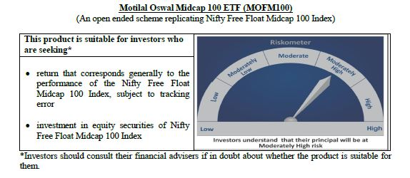
 | Motilal Oswal Midcap 100 ETF
 | Portfolio as on October 31, 2020

Sr. No. | Name of Instrument |  | ISIN | Rating / Industry | Quantity | Market value (Rs. In lakhs) | % to Net Assets | Sector / Rating | Percent
 | Equity & Equity related |  |  |  |  |  |  | Finance | 13.36%
 | (a) Listed / awaiting listing on Stock Exchanges |  |  |  |  |  |  | Banks | 9.17%
1 | Apollo Hospitals Enterprise Limited |  | INE437A01024 | Healthcare Services | 5543 | 117.48 | 2.78% | Pharmaceuticals | 8.51%
2 | PI Industries Limited |  | INE603J01030 | Pesticides | 4644 | 102.04 | 2.41% | Consumer Durables | 7.36%
3 | Zee Entertainment Enterprises Limited |  | INE256A01028 | Media & Entertainment | 52692 | 99.01 | 2.34% | Auto Ancillaries | 6.35%
4 | Jubilant Foodworks Limited |  | INE797F01012 | Consumer Non Durables | 4420 | 96.12 | 2.27% | Consumer Non Durables | 5.02%
5 | Voltas Limited |  | INE226A01021 | Consumer Durables | 13376 | 94.37 | 2.23% | Healthcare Services | 4.61%
6 | IPCA Laboratories Limited |  | INE571A01020 | Pharmaceuticals | 3956 | 91.51 | 2.16% | Industrial Products | 4.36%
7 | Trent Limited |  | INE849A01020 | Retailing | 12932 | 85.29 | 2.02% | Auto | 3.97%
8 | AU Small Finance Bank Limited |  | INE949L01017 | Banks | 10797 | 83.71 | 1.98% | Software | 3.37%
9 | Crompton Greaves Consumer Electricals Limited |  | INE299U01018 | Consumer Durables | 26806 | 80.23 | 1.90% | Chemicals | 2.99%
10 | MRF Limited |  | INE883A01011 | Auto Ancillaries | 120 | 78.36 | 1.85% | Media & Entertainment | 2.91%
11 | Shriram Transport Finance Company Limited |  | INE721A01013 | Finance | 10814 | 74.99 | 1.77% | Gas | 2.91%
12 | SRF Limited |  | INE647A01010 | Industrial Products | 1593 | 70.36 | 1.66% | Retailing | 2.88%
13 | Page Industries Limited |  | INE761H01022 | Textile Products | 335 | 67.24 | 1.59% | Power | 2.77%
14 | Yes Bank Limited |  | INE528G01035 | Banks | 535332 | 66.38 | 1.57% | Pesticides | 2.41%
15 | Max Financial Services Limited |  | INE180A01020 | Finance | 11208 | 66.19 | 1.57% | Construction | 2.41%
16 | Ashok Leyland Limited |  | INE208A01029 | Auto | 83064 | 65.58 | 1.55% | Cement | 2.33%
17 | Bharat Forge Limited |  | INE465A01025 | Industrial Products | 14519 | 65.52 | 1.55% | Industrial Capital Goods | 1.91%
18 | MphasiS Limited |  | INE356A01018 | Software | 4741 | 65.36 | 1.55% | Textile Products | 1.59%
19 | Balkrishna Industries Limited |  | INE787D01026 | Auto Ancillaries | 4689 | 63.19 | 1.49% | Ferrous Metals | 1.53%
20 | City Union Bank Limited |  | INE491A01021 | Banks | 42578 | 62.89 | 1.49% | Trading | 1.28%
21 | Cholamandalam Investment and Finance Company Limited |  | INE121A01024 | Finance | 22718 | 62.08 | 1.47% | Fertilisers | 1.13%
22 | Bharat Electronics Limited |  | INE263A01024 | Industrial Capital Goods | 68945 | 59.98 | 1.42% | Telecom - Services | 0.96%
23 | The Ramco Cements Limited |  | INE331A01037 | Cement | 7346 | 58.54 | 1.38% | Hotels/ Resorts and Other Recreational Activities | 0.91%
24 | The Federal Bank Limited |  | INE171A01029 | Banks | 115195 | 58.12 | 1.37% | Petroleum Products | 0.75%
25 | REC Limited |  | INE020B01018 | Finance | 53601 | 55.13 | 1.30% | Construction Project | 0.66%
26 | Godrej Properties Limited |  | INE484J01027 | Construction | 5241 | 54.22 | 1.28% | Oil | 0.42%
27 | Adani Enterprises Limited |  | INE423A01024 | Trading | 15878 | 53.94 | 1.28% | Non - Ferrous Metals | 0.38%
28 | TVS Motor Company Limited |  | INE494B01023 | Auto | 11797 | 53.74 | 1.27% | Services | 0.37%
29 | Aarti Industries Limited |  | INE769A01020 | Chemicals | 5131 | 51.34 | 1.21% | Cash & Equivalent | 0.41%
30 | Tata Power Company Limited |  | INE245A01021 | Power | 97796 | 51.00 | 1.21%
31 | LIC Housing Finance Limited |  | INE115A01026 | Finance | 17485 | 49.47 | 1.17%
32 | Manappuram Finance Limited |  | INE522D01027 | Finance | 31724 | 49.30 | 1.17%
33 | Escorts Limited |  | INE042A01014 | Auto | 4048 | 48.61 | 1.15%
34 | Natco Pharma Limited |  | INE987B01026 | Pharmaceuticals | 5362 | 48.28 | 1.14%
35 | Coromandel International Limited |  | INE169A01031 | Fertilisers | 6603 | 47.97 | 1.13%
36 | RBL Bank Limited |  | INE976G01028 | Banks | 26734 | 46.61 | 1.10%
37 | Bata India Limited |  | INE176A01028 | Consumer Durables | 3488 | 45.76 | 1.08%
38 | Pfizer Limited |  | INE182A01018 | Pharmaceuticals | 898 | 44.76 | 1.06%
39 | Navin Fluorine International Limited |  | INE048G01026 | Chemicals | 1970 | 44.16 | 1.04%
40 | Jindal Steel & Power Limited |  | INE749A01030 | Ferrous Metals | 22972 | 43.99 | 1.04%
41 | Emami Limited |  | INE548C01032 | Consumer Non Durables | 11807 | 42.74 | 1.01%
42 | Sanofi India Limited |  | INE058A01010 | Pharmaceuticals | 532 | 42.56 | 1.01%
43 | Exide Industries Limited |  | INE302A01020 | Auto Ancillaries | 26506 | 42.16 | 1.00%
44 | Mahindra & Mahindra Financial Services Limited |  | INE774D01024 | Finance | 34247 | 41.88 | 0.99%
45 | Glenmark Pharmaceuticals Limited |  | INE935A01035 | Pharmaceuticals | 8636 | 41.00 | 0.97%
46 | Vodafone Idea Limited |  | INE669E01016 | Telecom - Services | 464626 | 40.65 | 0.96%
47 | Dalmia Bharat Limited |  | INE00R701025 | Cement | 4746 | 40.00 | 0.95%
48 | Dr. Lal Path Labs Limited |  | INE600L01024 | Healthcare Services | 1732 | 39.78 | 0.94%
49 | Whirlpool of India Limited |  | INE716A01013 | Consumer Durables | 1832 | 38.85 | 0.92%
50 | The Indian Hotels Company Limited |  | INE053A01029 | Hotels/ Resorts and Other Recreational Activities | 40447 | 38.59 | 0.91%
51 | Fortis Healthcare Limited |  | INE061F01013 | Healthcare Services | 30082 | 37.78 | 0.89%
52 | IDFC First Bank Limited |  | INE092T01019 | Banks | 121197 | 37.09 | 0.88%
53 | Amara Raja Batteries Limited |  | INE885A01032 | Auto Ancillaries | 4735 | 36.27 | 0.86%
54 | Rajesh Exports Limited |  | INE343B01030 | Consumer Durables | 7843 | 36.21 | 0.86%
55 | Varun Beverages Limited |  | INE200M01013 | Consumer Non Durables | 5501 | 36.03 | 0.85%
56 | Syngene International Limited |  | INE398R01022 | Pharmaceuticals | 6698 | 35.83 | 0.85%
57 | Adani Gas Limited |  | INE399L01023 | Gas | 15878 | 35.01 | 0.83%
58 | Cummins India Limited |  | INE298A01020 | Industrial Products | 7843 | 34.05 | 0.81%
59 | Alembic Pharmaceuticals Limited |  | INE901L01018 | Pharmaceuticals | 3405 | 32.84 | 0.78%
60 | Castrol India Limited |  | INE172A01027 | Petroleum Products | 27988 | 31.91 | 0.75%
61 | MindTree Limited |  | INE018I01017 | Software | 2378 | 31.57 | 0.75%
62 | Gujarat State Petronet Limited |  | INE246F01010 | Gas | 16290 | 31.47 | 0.74%
63 | Tata Chemicals Limited |  | INE092A01019 | Chemicals | 9563 | 30.83 | 0.73%
64 | Torrent Power Limited |  | INE813H01021 | Power | 9714 | 30.33 | 0.72%
65 | Oberoi Realty Limited |  | INE093I01010 | Construction | 6719 | 29.78 | 0.70%
66 | Dhani Services Limited |  | INE274G01010 | Finance | 15105 | 29.72 | 0.70%
67 | Gujarat Gas Limited |  | INE844O01030 | Gas | 9939 | 29.48 | 0.70%
68 | Indiabulls Housing Finance Limited |  | INE148I01020 | Finance | 20559 | 28.78 | 0.68%
69 | GMR Infrastructure Limited |  | INE776C01039 | Construction Project | 118509 | 27.73 | 0.66%
70 | Aditya Birla Fashion and Retail Limited |  | INE647O01011 | Retailing | 17877 | 27.41 | 0.65%
71 | Mahanagar Gas Limited |  | INE002S01010 | Gas | 3308 | 26.96 | 0.64%
72 | Apollo Tyres Limited |  | INE438A01022 | Auto Ancillaries | 19160 | 26.80 | 0.63%
73 | L&T Technology Services Limited |  | INE010V01017 | Software | 1449 | 24.16 | 0.57%
74 | Sun TV Network Limited |  | INE424H01027 | Media & Entertainment | 5689 | 24.01 | 0.57%
75 | L&T Finance Holdings Limited |  | INE498L01015 | Finance | 37079 | 23.88 | 0.56%
76 | Ajanta Pharma Limited |  | INE031B01049 | Pharmaceuticals | 1462 | 23.00 | 0.54%
77 | Aditya Birla Capital Limited |  | INE674K01013 | Finance | 34852 | 22.57 | 0.53%
78 | Nippon Life India Asset Management Limited |  | INE298J01013 | Finance | 8134 | 22.11 | 0.52%
79 | Coforge Limited |  | INE591G01017 | Software | 979 | 21.59 | 0.51%
80 | CESC Limited |  | INE486A01013 | Power | 3827 | 21.55 | 0.51%
81 | Endurance Technologies Limited |  | INE913H01037 | Auto Ancillaries | 2031 | 21.49 | 0.51%
82 | Bharat Heavy Electricals Limited |  | INE257A01026 | Industrial Capital Goods | 74399 | 20.83 | 0.49%
83 | Steel Authority of India Limited |  | INE114A01011 | Ferrous Metals | 59631 | 20.48 | 0.48%
84 | ICICI Securities Limited |  | INE763G01038 | Finance | 3907 | 18.11 | 0.43%
85 | Prestige Estates Projects Limited |  | INE811K01011 | Construction | 7176 | 17.98 | 0.43%
86 | Oil India Limited |  | INE274J01014 | Oil | 20665 | 17.76 | 0.42%
87 | Edelweiss Financial Services Limited |  | INE532F01054 | Finance | 30228 | 16.88 | 0.40%
88 | National Aluminium Company Limited |  | INE139A01034 | Non - Ferrous Metals | 52789 | 16.02 | 0.38%
89 | Indian Railway Catering And Tourism Corporation Limited |  | INE335Y01012 | Services | 1201 | 15.80 | 0.37%
90 | Godrej Industries Limited |  | INE233A01035 | Consumer Non Durables | 4276 | 15.65 | 0.37%
91 | V-Guard Industries Limited |  | INE951I01027 | Consumer Durables | 9155 | 15.54 | 0.37%
92 | Canara Bank |  | INE476A01014 | Banks | 17626 | 15.19 | 0.36%
93 | Polycab India Limited |  | INE455K01017 | Industrial Products | 1548 | 14.25 | 0.34%
94 | JSW Energy Limited |  | INE121E01018 | Power | 23716 | 14.23 | 0.34%
95 | Bombay Burmah Trading Corporation Limited |  | INE050A01025 | Consumer Non Durables | 1048 | 12.69 | 0.30%
96 | Union Bank of India |  | INE692A01016 | Banks | 40697 | 9.79 | 0.23%
97 | Godrej Agrovet Limited |  | INE850D01014 | Consumer Non Durables | 1774 | 9.15 | 0.22%
98 | Future Retail Limited |  | INE752P01024 | Retailing | 12839 | 9.13 | 0.22%
99 | Bank of India |  | INE084A01016 | Banks | 20816 | 8.03 | 0.19%
100 | Housing & Urban Development Corporation Limited |  | INE031A01017 | Finance | 11560 | 3.66 | 0.09%
 | Total |  |  |  |  | 4,210.44 | 99.59%
 | (b) Unlisted
 | Total
 | Money Market Instruments
 | CBLO/REPO/TREPS
1 | Collateralized Borrowing & Lending Obligation |  |  |  | 8000 | 8.00 | 0.19%
 | Total |  |  |  |  | 8.00 | 0.19%
 | Cash & Cash Equivalents
 | Net Receivables / (Payables) |  |  |  |  | 9.40 | 0.22%
 | GRAND TOTAL |  |  |  |  | 4,227.84 | 100.00%

 | Note:
 | Details of the Equity shares have been lent under Securities Lending and Borrowing as follows :
 | Name of the Instrument | Quantity
 | TORNTPOWER_03/12/2020_LEND | 3800
 | LICHSGFIN_03/12/2020_LEND | 6700
 | COFORGE_03/12/2020_LEND | 350
 | IRCTC_05/11/2020_LEND | 450
 | CHOLAFIN_05/11/2020_LEND | 9000
 | APOLLOHOSP_05/11/2020_LEND | 2100
 | CANBK_05/11/2020_LEND | 7000
 | Total Expense Ratio
 | Total Expense Ratio
 | Regular Plan : | 0.20%

 | NAV | Regular Growth |  | 17.8737

 | Monthly AAUM in Crores |  |  | 42.21

 | Latest AUM (31 OCTOBER 2020) in Crores |  |  | 42.28

 | Portfolio Turnover Ratio |  |  | 0.45

N100
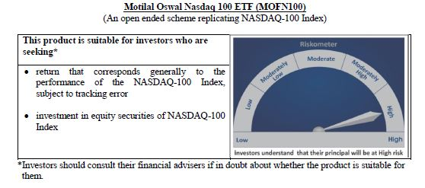
 | Motilal Oswal Nasdaq 100 ETF
 | Portfolio as on October 31, 2020

Sr. No. | Name of Instrument |  | ISIN | Rating / Industry | Quantity | Market value (Rs. In lakhs) | % to Net Assets | Sector / Rating | Percent
 | Equity & Equity related |  |  |  |  |  |  | Software & Services | 33.35%
 | (a) Listed / awaiting listing on Stock Exchanges |  |  |  |  |  |  | Technology Hardware & Equipment | 15.58%
1 | Apple Inc. |  | US0378331005 | Technology Hardware & Equipment | 310617 | 25,205.02 | 12.99% | Retailing | 15.05%
2 | Microsoft Corp |  | US5949181045 | Software & Services | 137473 | 20,747.78 | 10.69% | Semiconductors & Semiconductor | 11.19%
3 | Amazon Com Inc |  | US0231351067 | Retailing | 9073 | 20,533.72 | 10.58% | Pharmaceuticals Biotechnology | 4.52%
4 | Facebook Inc |  | US30303M1027 | Software & Services | 43652 | 8,561.21 | 4.41% | Media | 4.02%
5 | Alphabet Inc A |  | US02079K3059 | Software & Services | 6234 | 7,509.85 | 3.87% | Automobiles & Components | 3.22%
6 | Alphabet Inc |  | US02079K1079 | Software & Services | 6044 | 7,303.04 | 3.76% | Food Beverage & Tobacco | 3.01%
7 | Tesla Inc |  | US88160R1014 | Automobiles & Components | 21567 | 6,238.21 | 3.22% | Food & Staples Retailing | 2.01%
8 | Nvidia Corp Com |  | US67066G1040 | Semiconductors & Semiconductor | 14305 | 5,346.03 | 2.76% | Health Care Equipment & Services | 1.78%
9 | Paypal Holdings Inc |  | US70450Y1038 | Software & Services | 27173 | 3,770.05 | 1.94% | Telecommunication Services | 1.21%
10 | Adobe Inc |  | US00724F1012 | Software & Services | 11140 | 3,712.64 | 1.91% | Consumer Services | 1.17%
11 | Netflix Inc |  | US64110L1061 | Retailing | 10240 | 3,631.31 | 1.87% | Application Software | 0.84%
12 | Comcast Corp - Class A |  | US20030N1019 | Media | 105643 | 3,326.27 | 1.71% | Utilities | 0.67%
13 | Intel Corp |  | US4581401001 | Semiconductors & Semiconductor | 98524 | 3,251.94 | 1.68% | Commercial & Professional Services | 0.54%
14 | Pepsico Inc |  | US7134481081 | Food Beverage & Tobacco | 32065 | 3,185.83 | 1.64% | Transportation | 0.54%
15 | Costco Whsl Corp New Com |  | US22160K1051 | Food & Staples Retailing | 10251 | 2,732.63 | 1.41% | Capital Goods | 0.48%
16 | Cisco Sys Inc Com |  | US17275R1023 | Technology Hardware & Equipment | 97854 | 2,618.58 | 1.35% | Consumer Durables & Apparel | 0.35%
17 | Broadcom Inc |  | US11135F1012 | Semiconductors & Semiconductor | 9285 | 2,419.83 | 1.25% | Diversified Support Services | 0.23%
18 | Qualcomm Inc |  | US7475251036 | Technology Hardware & Equipment | 26134 | 2,403.11 | 1.24% | Technology Distributors | 0.15%
19 | T-Mobile Us Inc |  | US8725901040 | Telecommunication Services | 28692 | 2,343.40 | 1.21% | Cash & Equivalent | 0.07%
20 | Texas Instruments Inc |  | US8825081040 | Semiconductors & Semiconductor | 21220 | 2,287.06 | 1.18%
21 | Amgen Inc |  | US0311621009 | Pharmaceuticals Biotechnology | 13565 | 2,193.58 | 1.13%
22 | Charter Communications Inc |  | US16119P1084 | Media | 4751 | 2,138.39 | 1.10%
23 | Starbucks Ord |  | US8552441094 | Consumer Services | 27079 | 1,755.28 | 0.90%
24 | Advanced Micro Devices Com |  | US0079031078 | Semiconductors & Semiconductor | 27189 | 1,525.89 | 0.79%
25 | Zoom Video Communications Inc |  | US98980L1017 | Media | 4198 | 1,442.29 | 0.74%
26 | Intuit Inc |  | US4612021034 | Software & Services | 6049 | 1,418.88 | 0.73%
27 | Intuitive Surgical Inc |  | US46120E6023 | Health Care Equipment & Services | 2722 | 1,353.50 | 0.70%
28 | Mondelez International Inc |  | US6092071058 | Food Beverage & Tobacco | 33074 | 1,309.60 | 0.68%
29 | Jd Com Inc Adr |  | US47215P1066 | Retailing | 21262 | 1,292.00 | 0.67%
30 | Gilead Sciences Inc |  | US3755581036 | Pharmaceuticals Biotechnology | 29040 | 1,258.75 | 0.65%
31 | Automatic Data Process Com |  | US0530151036 | Software & Services | 9943 | 1,170.73 | 0.60%
32 | Booking Holdings Inc |  | US09857L1089 | Retailing | 950 | 1,148.95 | 0.59%
33 | Fiserv Inc Com |  | US3377381088 | Software & Services | 15510 | 1,103.75 | 0.57%
34 | Csx Corp |  | US1264081035 | Transportation | 17704 | 1,041.75 | 0.54%
35 | Mercadolibre Inc |  | US58733R1023 | Software & Services | 1141 | 1,032.56 | 0.53%
36 | Activision Blizzard Inc |  | US00507V1098 | Software & Services | 17908 | 1,010.90 | 0.52%
37 | Regeneron Pharmaceutic Com |  | US75886F1075 | Pharmaceuticals Biotechnology | 2449 | 992.27 | 0.51%
38 | Micron Technology Inc Com |  | US5951121038 | Semiconductors & Semiconductor | 25757 | 966.50 | 0.50%
39 | Vertex Pharmaceuticals Inc Com Usd0.01 |  | US92532F1003 | Pharmaceuticals Biotechnology | 6020 | 934.98 | 0.48%
40 | Applied Matls Inc Com |  | US0382221051 | Semiconductors & Semiconductor | 21162 | 934.31 | 0.48%
41 | Autodesk Inc Com |  | US0527691069 | Software & Services | 5063 | 888.93 | 0.46%
42 | Lam Research Corp Com |  | US5128071082 | Semiconductors & Semiconductor | 3402 | 867.47 | 0.45%
43 | Analog Devices Inc Com |  | US0326541051 | Semiconductors & Semiconductor | 8560 | 756.30 | 0.39%
44 | Illumina Inc |  | US4523271090 | Pharmaceuticals Biotechnology | 3410 | 744.00 | 0.38%
45 | Monster Beverage Corp |  | US61174X1090 | Food Beverage & Tobacco | 12237 | 698.44 | 0.36%
46 | Biogen Inc |  | US09062X1037 | Pharmaceuticals Biotechnology | 3679 | 691.26 | 0.36%
47 | Lululemon Athletica Inc |  | US5500211090 | Consumer Durables & Apparel | 2881 | 685.68 | 0.35%
48 | Exelon Corp |  | US30161N1019 | Utilities | 22554 | 670.63 | 0.35%
49 | Cognizant Technology Solutions Corp |  | US1924461023 | Software & Services | 12561 | 668.71 | 0.34%
50 | Keurig Dr Pepper Inc |  | US49271V1008 | Food & Staples Retailing | 32613 | 653.94 | 0.34%
51 | Nxp Semiconductors N.V. |  | NL0009538784 | Semiconductors & Semiconductor | 6485 | 653.17 | 0.34%
52 | Baidu Inc Spon Adr |  | US0567521085 | Software & Services | 6528 | 647.42 | 0.33%
53 | The Kraft Heinz Company |  | US5007541064 | Food Beverage & Tobacco | 28304 | 645.39 | 0.33%
54 | Docusign, Inc |  | US2561631068 | Application Software | 4262 | 642.53 | 0.33%
55 | Workday Inc |  | US98138H1014 | Software & Services | 4087 | 640.13 | 0.33%
56 | Xcel Energy Inc Com |  | US98389B1008 | Utilities | 12192 | 636.43 | 0.33%
57 | Idexx Laboratories Inc Com Usd0.10 |  | US45168D1046 | Health Care Equipment & Services | 1968 | 623.19 | 0.32%
58 | Electronic Arts Inc Com |  | US2855121099 | Software & Services | 6694 | 597.92 | 0.31%
59 | Align Technology Inc |  | US0162551016 | Health Care Equipment & Services | 1831 | 581.53 | 0.30%
60 | Ebay Inc |  | US2786421030 | Software & Services | 16225 | 576.05 | 0.30%
61 | Synopsys Inc Com |  | US8716071076 | Software & Services | 3536 | 563.68 | 0.29%
62 | O'Reilly Automotive Inc |  | US67103H1077 | Retailing | 1728 | 562.37 | 0.29%
63 | Cintas Corp Com |  | US1729081059 | Commercial & Professional Services | 2371 | 555.92 | 0.29%
64 | Splunk Inc |  | US8486371045 | Application Software | 3690 | 544.72 | 0.28%
65 | Netease Inc-Adr |  | US64110W1027 | Software & Services | 8330 | 538.90 | 0.28%
66 | Kla-Tencor Corp Com |  | US4824801009 | Semiconductors & Semiconductor | 3617 | 531.62 | 0.27%
67 | Cadence Design System Com |  | US1273871087 | Software & Services | 6476 | 527.96 | 0.27%
68 | Ross Stores Inc Com |  | US7782961038 | Retailing | 8271 | 525.10 | 0.27%
69 | Dexcom Inc |  | US2521311074 | Health Care Equipment & Services | 2201 | 524.32 | 0.27%
70 | Marriott International -Cl A |  | US5719032022 | Consumer Services | 7525 | 520.98 | 0.27%
71 | Paychex Inc Com |  | US7043261079 | Software & Services | 8333 | 510.89 | 0.26%
72 | Walgreens Boots Alliance Inc Wba |  | US9314271084 | Food & Staples Retailing | 20086 | 509.66 | 0.26%
73 | Paccar Inc Com |  | US6937181088 | Capital Goods | 8002 | 509.27 | 0.26%
74 | Xilinx Inc Com |  | US9839191015 | Semiconductors & Semiconductor | 5668 | 501.46 | 0.26%
75 | Seagen Inc |  | US81181C1045 | Pharmaceuticals Biotechnology | 4021 | 499.95 | 0.26%
76 | Verisk Analytics Inc |  | US92345Y1064 | Commercial & Professional Services | 3768 | 499.86 | 0.26%
77 | Asml Holding Nv |  | USN070592100 | Semiconductors & Semiconductor | 1778 | 478.72 | 0.25%
78 | Moderna Inc |  | US60770K1079 | Pharmaceuticals Biotechnology | 9115 | 458.42 | 0.24%
79 | Microchip Technology Inc |  | US5950171042 | Semiconductors & Semiconductor | 5845 | 457.82 | 0.24%
80 | Ansys |  | US03662Q1058 | Application Software | 1984 | 450.13 | 0.23%
81 | Copart |  | US2172041061 | Diversified Support Services | 5460 | 449.16 | 0.23%
82 | Pinduoduo Inc-Adr |  | US7223041028 | Retailing | 6688 | 448.58 | 0.23%
83 | Alexion Pharmaceuticals Inc |  | US0153511094 | Pharmaceuticals Biotechnology | 5063 | 434.54 | 0.22%
84 | Sirius Xm Holdings Inc |  | US82968B1035 | Media | 100541 | 429.43 | 0.22%
85 | Fastenal Co |  | US3119001044 | Capital Goods | 13302 | 428.64 | 0.22%
86 | Skyworks Solutions Inc Com |  | US83088M1027 | Semiconductors & Semiconductor | 3869 | 407.48 | 0.21%
87 | Verisign Inc Com |  | US92343E1029 | Software & Services | 2674 | 380.11 | 0.20%
88 | Dollar Tree Inc |  | US2567461080 | Retailing | 5515 | 371.30 | 0.19%
89 | Cerner Corp |  | US1567821046 | Health Care Equipment & Services | 7056 | 368.64 | 0.19%
90 | Incyte Genomics Inc Com |  | US45337C1027 | Pharmaceuticals Biotechnology | 5053 | 326.33 | 0.17%
91 | Maxim Integrated Prods Com |  | US57772K1016 | Semiconductors & Semiconductor | 6156 | 319.60 | 0.16%
92 | Take-Two Interactive S Com |  | US8740541094 | Software & Services | 2663 | 307.52 | 0.16%
93 | Cdw Corporation |  | US12514G1085 | Technology Distributors | 3281 | 299.84 | 0.15%
94 | Check Point Software T Ord |  | IL0010824113 | Software & Services | 3228 | 273.25 | 0.14%
...
 | Total Expense Ratio
 | Regular Plan : | 0.54%

 | NAV | Regular Growth |  | 826.1884

 | Monthly AAUM in Crores |  |  | 1,880.07

 | Latest AUM (31 OCTOBER 2020) in Crores |  |  | 1,939.95

 | Portfolio Turnover Ratio |  |  | 0.11

Nasdaq 100 FoF
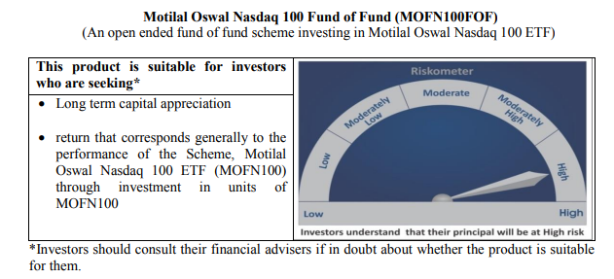
...
Total Expense Ratio
Regular Plan : | 0.50%

NAV | Direct Growth | 17.7813
NAV | Regular Growth | 17.6453

Monthly AAUM in Crores |  | 1,240.60

Latest AUM (31 OCTOBER 2020) in Crores |  | 1,269.44

Midcap 150 Index Fund
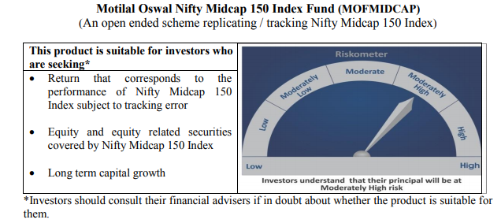
...
NAV | Direct Growth | 11.5618
NAV | Regular Growth | 11.4758

Monthly AAUM in Crores |  | 67.46

Latest AUM (31 OCTOBER 2020) in Crores |  | 69.98

Portfolio Turnover Ratio |  | 0.77

Smallcap 250 Index Fund
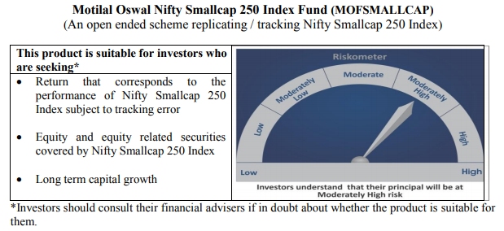
...
NAV | Direct Growth | 11.1261
NAV | Regular Growth | 11.0429

Monthly AAUM in Crores |  | 65.40

Latest AUM (31 OCTOBER 2020) in Crores |  | 65.23

Portfolio Turnover Ratio |  | 0.80

Nifty 500 Index Fund
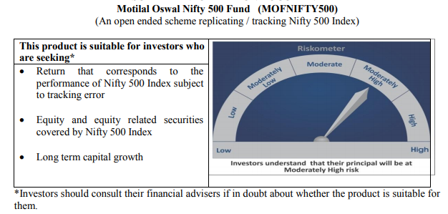
...
NAV | Direct Growth | 10.8091
NAV | Regular Growth | 10.7286

Monthly AAUM in Crores |  | 64.71

Latest AUM (31 OCTOBER 2020) in Crores |  | 68.09

Portfolio Turnover Ratio |  | 0.14

Nifty Bank Index Fund
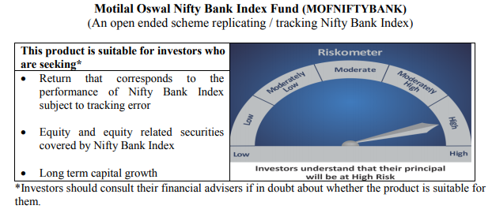
...
NAV | Direct Growth | 8.7232
NAV | Regular Growth | 8.6588

Monthly AAUM in Crores |  | 71.14

Latest AUM (31 OCTOBER 2020) in Crores |  | 72.82

Portfolio Turnover Ratio |  | 0.37

Nifty 50 Index Fund
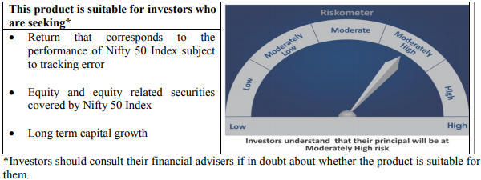
...
NAV | Direct Growth | 9.6249
NAV | Regular Growth | 9.5919

Monthly AAUM in Crores |  | 47.53

Latest AUM (31 OCTOBER 2020) in Crores |  | 47.58

Portfolio Turnover Ratio |  | 0.12

Nifty Next 50 Index Fund
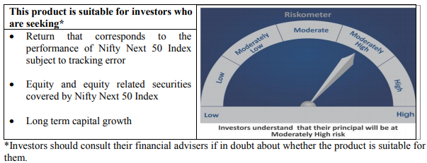
...
NAV | Direct Growth | 9.5958
NAV | Regular Growth | 9.5429

Monthly AAUM in Crores |  | 43.92

Latest AUM (31 OCTOBER 2020) in Crores |  | 44.49

Portfolio Turnover Ratio |  | 0.38

S&P 500 Index Fund
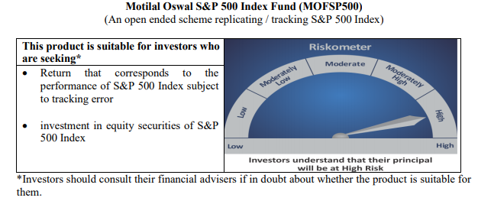
...
NAV | Direct Growth | 11.2028
NAV | Regular Growth | 11.1629

Monthly AAUM in Crores |  | 513.01

Latest AUM (31 OCTOBER 2020) in Crores |  | 530.38

Portfolio Turnover Ratio |  | 0.01

