MO Ultra Short Term Fund
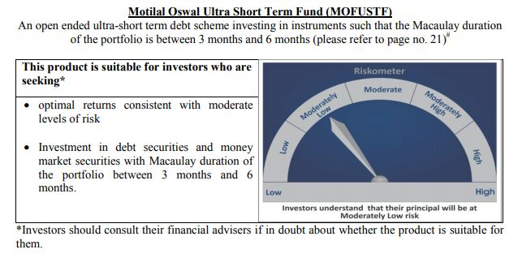
 | Motilal Oswal Ultra Short Term Fund

 | Fortnightly portfolio statement as on September 30,2020
 | Name of the Instrument | ISIN | Rating | Quantity | Market/Fair Value (Rounded, Rs. in Lacs) | Rounded, % to Net Assets | YTM
 | Money Market Instruments
 | Treasury Bill
TBIL1799 | 182 Days Tbill (MD 18/03/2021) | IN002020Y249 | SOVEREIGN | 2,500,000 | 2,460.92 | 68.67% | 3.45%
 | Sub Total |  |  |  | 2,460.92 | 68.67%
 | Total |  |  |  | 2,460.92 | 68.67%
 | CBLO / Reverse Repo
TRP_011020 | CBLO |  |  |  | 1,081.00 | 30.16%
 | Sub Total |  |  |  | 1,081.00 | 30.16%
 | Total |  |  |  | 1,081.00 | 30.16%
 | Net Receivables / (Payables) |  |  |  | 41.91 | 1.17%
 | GRAND TOTAL |  |  |  | 3,583.83 | 100.00%

