MO Ultra Short Term Fund
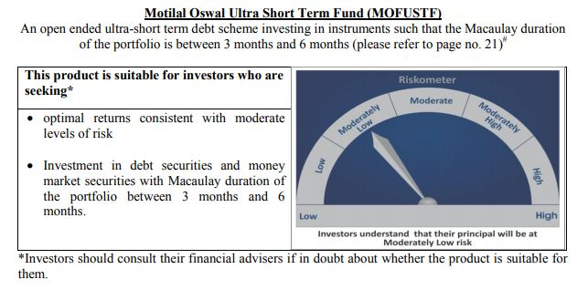
 | Motilal Oswal Ultra Short Term Fund

 | Monthly Portfolio Statement as on October 15,2020
 | Name of the Instrument | ISIN | Rating | Quantity | Market/Fair Value(Rs. in Lacs) | % to Net Assets | YTM
 | Money Market Instruments
 | Treasury Bill
TBIL1799 | 182 Days Tbill (MD 18/03/2021) | IN002020Y249 | SOVEREIGN | 2,500,000 | 2465.69 | 69.58% | 3.32%
 | Sub Total |  |  |  | 2465.69 | 69.58%
 | Total |  |  |  | 2465.69 | 69.58%
 | CBLO / Reverse Repo
TRP_161020 | CBLO |  |  |  | 1035 | 29.21%
 | Sub Total |  |  |  | 1035 | 29.21%
 | Total |  |  |  | 1035 | 29.21%
 | Net Receivables / (Payables) |  |  |  | 42.79 | 1.21%
 | GRAND TOTAL |  |  |  | 3543.47 | 100.00%

