Focused 25 Fund
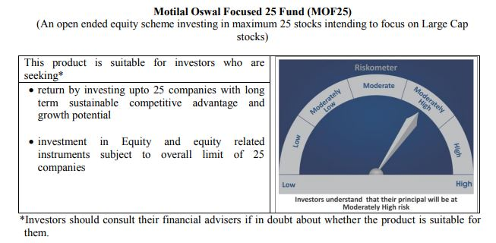
 | Motilal Oswal Focused 25 Fund
 | Portfolio as on September 30, 2020

Sr. No. | Name of Instrument |  | ISIN | Rating / Industry | Quantity | Market value (Rs. In lakhs) | % to Net Assets | Sector / Rating | Percent
 | Equity & Equity related |  |  |  |  |  |  | Banks | 20.60%
 | (a) Listed / awaiting listing on Stock Exchanges |  |  |  |  |  |  | Finance | 16.73%
1 | HDFC Bank Limited |  | INE040A01034 | Banks | 1072600 | 11,569.06 | 9.13% | Software | 12.89%
2 | Reliance Industries Limited |  | INE002A01018 | Petroleum Products | 515000 | 11,506.90 | 9.08% | Pharmaceuticals | 11.43%
3 | Housing Development Finance Corporation Limited |  | INE001A01036 | Finance | 602000 | 10,475.10 | 8.27% | Petroleum Products | 9.08%
4 | Tata Consultancy Services Limited |  | INE467B01029 | Software | 379085 | 9,447.94 | 7.46% | Auto | 5.68%
5 | Kotak Mahindra Bank Limited |  | INE237A01028 | Banks | 713438 | 9,047.82 | 7.14% | Transportation | 5.50%
6 | HDFC Life Insurance Company Limited |  | INE795G01014 | Finance | 1375656 | 7,695.42 | 6.07% | Pesticides | 5.49%
7 | PI Industries Limited |  | INE603J01030 | Pesticides | 352761 | 6,954.68 | 5.49% | Consumer Non Durables | 4.42%
8 | Infosys Limited |  | INE009A01021 | Software | 683000 | 6,886.35 | 5.44% | Cement | 3.80%
9 | Abbott India Limited |  | INE358A01014 | Pharmaceuticals | 33399 | 5,506.48 | 4.35% | Industrial Capital Goods | 2.45%
10 | ICICI Bank Limited |  | INE090A01021 | Banks | 1544975 | 5,480.80 | 4.33% | Telecom - Services | 0.60%
11 | Container Corporation of India Limited |  | INE111A01025 | Transportation | 1421085 | 5,186.25 | 4.09% | CRISIL AAA | 0.03%
12 | Procter & Gamble Health Limited |  | INE199A01012 | Pharmaceuticals | 102509 | 5,124.63 | 4.05% | Cash & Equivalent | 1.29%
13 | Dr. Reddy's Laboratories Limited |  | INE089A01023 | Pharmaceuticals | 74076 | 3,842.91 | 3.03%
14 | Eicher Motors Limited |  | INE066A01021 | Auto | 166980 | 3,678.24 | 2.90%
15 | Shree Cement Limited |  | INE070A01015 | Cement | 17772 | 3,600.07 | 2.84%
16 | Maruti Suzuki India Limited |  | INE585B01010 | Auto | 52169 | 3,517.99 | 2.78%
17 | Hindustan Unilever Limited |  | INE030A01027 | Consumer Non Durables | 158813 | 3,284.65 | 2.59%
18 | ABB India Limited |  | INE117A01022 | Industrial Capital Goods | 361740 | 3,109.16 | 2.45%
19 | ICICI Lombard General Insurance Company Limited |  | INE765G01017 | Finance | 232710 | 3,024.07 | 2.39%
20 | ITC Limited |  | INE154A01025 | Consumer Non Durables | 1350000 | 2,317.95 | 1.83%
21 | Mahindra Logistics Limited |  | INE766P01016 | Transportation | 519380 | 1,784.33 | 1.41%
22 | UltraTech Cement Limited |  | INE481G01011 | Cement | 30034 | 1,216.24 | 0.96%
23 | Bharti Airtel Limited |  | INE397D01024 | Telecom - Services | 179965 | 757.56 | 0.60%
 | Total |  |  |  |  | 125,014.60 | 98.68%
 | (b) Unlisted
 | Total
 | Debt Instruments
 | (a) Listed / awaiting listing on Stock Exchange
1 | Britannia Industries Limited |  | INE216A07052 | CRISIL AAA | 119829 | 38.11 | 0.03%
 | Total |  |  |  |  | 38.11 | 0.03%
 | (b) Privately placed / Unlisted
 | Total
 | Money Market Instruments
 | CBLO/REPO/TREPS
1 | Collateralized Borrowing & Lending Obligation |  |  |  | 1428000 | 1,428.00 | 1.13%
 | Total |  |  |  |  | 1,428.00 | 1.13%
 | Cash & Cash Equivalents
 | Net Receivables / (Payables) |  |  |  |  | 205.59 | 0.16%
 | GRAND TOTAL |  |  |  |  | 126,686.30 | 100.00%

 | Total Expense Ratio
 | Total Expense Ratio
 | Direct Plan : | 0.81%
 | Regular Plan : | 2.21%

 | NAV | Direct Dividend |  | 17.4094
 | NAV | Direct Growth |  | 25.3606
 | NAV | Regular Dividend |  | 15.8077
 | NAV | Regular Growth |  | 22.9413

 | Monthly AAUM in Crores |  |  | 1,264.82

 | Latest AUM (30 SEPTEMBER 2020) in Crores |  |  | 1,266.86

 | Portfolio Turnover Ratio |  |  | 0.59

 | Dividend History
 | Record Date (March 20, 2018) | Dividend per Unit (Rs.) | Cum Dividend NAV | EX Dividend NAV
 | Direct Plan | 1.80 | 18.1652 | 16.3652
 | Regular Plan | 1.80 | 16.8759 | 15.0759

 | Record Date (March 28, 2019) | Dividend per Unit (Rs.) | Cum Dividend NAV | EX Dividend NAV
 | Direct Plan | 0.50 | 17.6230 | 17.1230
 | Regular Plan | 0.50 | 16.0255 | 15.5255

 | Record Date (March 23, 2020) | Dividend per Unit (Rs.) | Cum Dividend NAV | EX Dividend NAV
 | Direct Plan | 0.90 | 13.2107 | 12.3107
 | Regular Plan | 0.58 | 11.8443 | 11.2607

Midcap 30 Fund
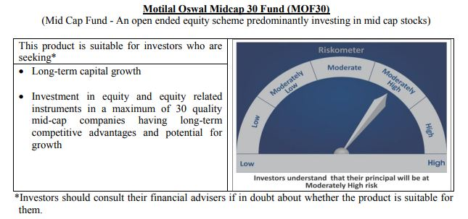
 | Motilal Oswal Midcap 30 Fund
 | Portfolio as on September 30, 2020

Sr. No. | Name of Instrument |  | ISIN | Rating / Industry | Quantity | Market value (Rs. In lakhs) | % to Net Assets | Sector / Rating | Percent
 | Equity & Equity related |  |  |  |  |  |  | Finance | 16.80%
 | (a) Listed / awaiting listing on Stock Exchanges |  |  |  |  |  |  | Pharmaceuticals | 13.12%
1 | Max Financial Services Limited |  | INE180A01020 | Finance | 2318908 | 14,196.35 | 8.58% | Auto Ancillaries | 11.31%
2 | Endurance Technologies Limited |  | INE913H01037 | Auto Ancillaries | 1100000 | 12,675.30 | 7.66% | Consumer Durables | 9.58%
3 | IPCA Laboratories Limited |  | INE571A01020 | Pharmaceuticals | 500000 | 10,832.25 | 6.54% | Consumer Non Durables | 7.60%
4 | PI Industries Limited |  | INE603J01030 | Pesticides | 525040 | 10,351.16 | 6.25% | Pesticides | 6.25%
5 | Abbott India Limited |  | INE358A01014 | Pharmaceuticals | 49409 | 8,146.04 | 4.92% | Fertilisers | 4.44%
6 | Crompton Greaves Consumer Electricals Limited |  | INE299U01018 | Consumer Durables | 2650000 | 7,747.28 | 4.68% | Healthcare Services | 3.79%
7 | Coromandel International Limited |  | INE169A01031 | Fertilisers | 950000 | 7,342.08 | 4.44% | Retailing | 3.66%
8 | METROPOLIS HEALTHCARE LIMITED |  | INE112L01020 | Healthcare Services | 350000 | 6,279.18 | 3.79% | Chemicals | 3.30%
9 | Voltas Limited |  | INE226A01021 | Consumer Durables | 900000 | 6,123.15 | 3.70% | Construction | 3.10%
10 | Avenue Supermarts Limited |  | INE192R01011 | Retailing | 275000 | 6,058.66 | 3.66% | Commercial Services | 2.98%
11 | Tube Investments of India Limited |  | INE974X01010 | Auto Ancillaries | 1000261 | 6,044.58 | 3.65% | Industrial Capital Goods | 2.48%
12 | Hindustan Unilever Limited |  | INE030A01027 | Consumer Non Durables | 270296 | 5,590.40 | 3.38% | Industrial Products | 2.41%
13 | CreditAccess Grameen Limited |  | INE741K01010 | Finance | 750000 | 5,571.38 | 3.37% | Banks | 2.37%
14 | Navin Fluorine International Limited |  | INE048G01026 | Chemicals | 247847 | 5,458.46 | 3.30% | Cement | 1.82%
15 | The Phoenix Mills Limited |  | INE211B01039 | Construction | 880816 | 5,132.51 | 3.10% | Software | 1.54%
16 | TeamLease Services Limited |  | INE985S01024 | Commercial Services | 225000 | 4,938.86 | 2.98% | Textile Products | 0.57%
17 | Bajaj Finance Limited |  | INE296A01024 | Finance | 150000 | 4,917.90 | 2.97% | Cash & Equivalent | 2.87%
18 | Honeywell Automation India Limited |  | INE671A01010 | Industrial Capital Goods | 12609 | 4,109.38 | 2.48%
19 | Astral Poly Technik Limited |  | INE006I01046 | Industrial Products | 326303 | 3,996.56 | 2.41%
20 | AU Small Finance Bank Limited |  | INE949L01017 | Banks | 600000 | 3,926.10 | 2.37%
21 | Avanti Feeds Limited |  | INE871C01038 | Consumer Non Durables | 650000 | 3,232.78 | 1.95%
22 | Cholamandalam Investment and Finance Company Limited |  | INE121A01024 | Finance | 1250000 | 3,114.38 | 1.88%
23 | The Ramco Cements Limited |  | INE331A01037 | Cement | 400000 | 3,014.00 | 1.82%
24 | Nestle India Limited |  | INE239A01016 | Consumer Non Durables | 17651 | 2,809.80 | 1.70%
25 | Ajanta Pharma Limited |  | INE031B01049 | Pharmaceuticals | 170000 | 2,743.12 | 1.66%
26 | Larsen & Toubro Infotech Limited |  | INE214T01019 | Software | 100000 | 2,543.55 | 1.54%
27 | Bata India Limited |  | INE176A01028 | Consumer Durables | 150000 | 1,977.53 | 1.19%
28 | Page Industries Limited |  | INE761H01022 | Textile Products | 4441 | 947.53 | 0.57%
29 | Jubilant Foodworks Limited |  | INE797F01012 | Consumer Non Durables | 40000 | 937.74 | 0.57%
 | Total |  |  |  |  | 160,758.01 | 97.13%
 | (b) Unlisted
 | Total
 | Money Market Instruments
 | CBLO/REPO/TREPS
1 | Collateralized Borrowing & Lending Obligation |  |  |  | 5002000 | 5,002.00 | 3.02%
 | Total |  |  |  |  | 5,002.00 | 3.02%
 | Cash & Cash Equivalents
 | Net Receivables / (Payables) |  |  |  |  | (255.08) | -0.15%
 | GRAND TOTAL |  |  |  |  | 165,504.93 | 100.00%

 | Total Expense Ratio
 | Total Expense Ratio
 | Direct Plan : | 0.98%
 | Regular Plan : | 2.21%

 | NAV | Direct Dividend |  | 18.3942
 | NAV | Direct Growth |  | 27.1913
 | NAV | Regular Dividend |  | 17.9069
 | NAV | Regular Growth |  | 25.0661

 | Monthly AAUM in Crores |  |  | 1,626.38

 | Latest AUM (30 SEPTEMBER 2020) in Crores |  |  | 1,655.05

 | Portfolio Turnover Ratio |  |  | 1.47

 | Dividend History
 | Record Date (March 20, 2018) | Dividend per Unit (Rs.) | Cum Dividend NAV | EX Dividend NAV
 | Direct Plan | 2.00 | 22.6302 | 20.6302
 | Regular Plan | 2.00 | 21.4405 | 19.4405

 | Record Date (March 28, 2019) | Dividend per Unit (Rs.) | Cum Dividend NAV | EX Dividend NAV
 | Direct Plan | 2.00 | 21.6801 | 19.6801
 | Regular Plan | 2.00 | 20.1677 | 18.1677

 | Record Date (March 23, 2020) | Dividend per Unit (Rs.) | Cum Dividend NAV | EX Dividend NAV
 | Direct Plan | 1.00 | 14.2748 | 13.2748
 | Regular Plan | 0.0280 | 13.0332 | 13.0052

Multicap 35 Fund
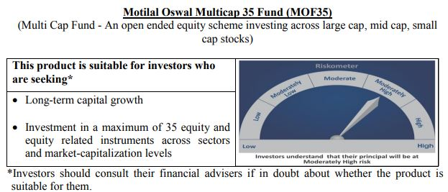
 | Motilal Oswal Multicap 35 Fund
 | Portfolio as on September 30, 2020

Sr. No. | Name of Instrument |  | ISIN | Rating / Industry | Quantity | Market value (Rs. In lakhs) | % to Net Assets | Sector / Rating | Percent
 | Equity & Equity related |  |  |  |  |  |  | Finance | 26.48%
 | (a) Listed / awaiting listing on Stock Exchanges |  |  |  |  |  |  | Banks | 13.15%
1 | Reliance Industries Limited |  | INE002A01018 | Petroleum Products | 5100000 | 113,951.85 | 10.33% | Auto | 13.00%
2 | HDFC Life Insurance Company Limited |  | INE795G01014 | Finance | 14800000 | 82,791.20 | 7.50% | Consumer Non Durables | 11.54%
3 | HDFC Bank Limited |  | INE040A01034 | Banks | 6800000 | 73,344.80 | 6.65% | Petroleum Products | 10.33%
4 | Maruti Suzuki India Limited |  | INE585B01010 | Auto | 900000 | 60,691.05 | 5.50% | Software | 9.32%
5 | Infosys Limited |  | INE009A01021 | Software | 6000000 | 60,495.00 | 5.48% | Retailing | 5.29%
6 | Vaibhav Global Limited |  | INE884A01019 | Retailing | 3100000 | 58,382.30 | 5.29% | Telecom - Services | 3.17%
7 | Eicher Motors Limited |  | INE066A01021 | Auto | 2400000 | 52,867.20 | 4.79% | Consumer Durables | 2.64%
8 | Bajaj Finance Limited |  | INE296A01024 | Finance | 1500000 | 49,179.00 | 4.46% | Pharmaceuticals | 2.27%
9 | Housing Development Finance Corporation Limited |  | INE001A01036 | Finance | 2700000 | 46,981.35 | 4.26% | Fertilisers | 1.54%
10 | AU Small Finance Bank Limited |  | INE949L01017 | Banks | 6500000 | 42,532.75 | 3.86% | Gas | 1.10%
11 | Tata Consultancy Services Limited |  | INE467B01029 | Software | 1700000 | 42,369.10 | 3.84% | Cash & Equivalent | 0.16%
12 | Britannia Industries Limited |  | INE216A01030 | Consumer Non Durables | 1100000 | 41,779.65 | 3.79%
13 | ICICI Lombard General Insurance Company Limited |  | INE765G01017 | Finance | 3000000 | 38,985.00 | 3.53%
14 | Bharti Airtel Limited |  | INE397D01024 | Telecom - Services | 8300000 | 34,938.85 | 3.17%
15 | Muthoot Finance Limited |  | INE414G01012 | Finance | 3000000 | 33,963.00 | 3.08%
16 | Hindustan Unilever Limited |  | INE030A01027 | Consumer Non Durables | 1500000 | 31,023.75 | 2.81%
17 | Hero MotoCorp Limited |  | INE158A01026 | Auto | 950000 | 29,899.35 | 2.71%
18 | Kotak Mahindra Bank Limited |  | INE237A01028 | Banks | 2300000 | 29,168.60 | 2.64%
19 | Nestle India Limited |  | INE239A01016 | Consumer Non Durables | 165000 | 26,265.77 | 2.38%
20 | Alkem Laboratories Limited |  | INE540L01014 | Pharmaceuticals | 900000 | 25,001.55 | 2.27%
21 | Max Financial Services Limited |  | INE180A01020 | Finance | 3000000 | 18,366.00 | 1.66%
22 | Bata India Limited |  | INE176A01028 | Consumer Durables | 1300000 | 17,138.55 | 1.55%
23 | Coromandel International Limited |  | INE169A01031 | Fertilisers | 2200000 | 17,002.70 | 1.54%
24 | Asian Paints Limited |  | INE021A01026 | Consumer Non Durables | 800000 | 15,891.20 | 1.44%
25 | United Spirits Limited |  | INE854D01024 | Consumer Non Durables | 2400000 | 12,380.40 | 1.12%
26 | Petronet LNG Limited |  | INE347G01014 | Gas | 5500000 | 12,135.75 | 1.10%
27 | Titan Company Limited |  | INE280A01028 | Consumer Durables | 1000000 | 12,013.50 | 1.09%
28 | HDFC Asset Management Company Limited |  | INE127D01025 | Finance | 500000 | 11,349.25 | 1.03%
29 | Nippon Life India Asset Management Limited |  | INE298J01013 | Finance | 4000000 | 10,484.00 | 0.95%
 | Total |  |  |  |  | 1,101,372.47 | 99.84%
 | (b) Unlisted
 | Total
 | Money Market Instruments
 | CBLO/REPO/TREPS
1 | Collateralized Borrowing & Lending Obligation |  |  |  | 5013000 | 5,013.00 | 0.45%
 | Total |  |  |  |  | 5,013.00 | 0.45%
 | Cash & Cash Equivalents
 | Net Receivables / (Payables) |  |  |  |  | (3,199.92) | -0.29%
 | GRAND TOTAL |  |  |  |  | 1,103,185.55 | 100.00%

 | Total Expense Ratio
 | Total Expense Ratio
 | Direct Plan : | 0.78%
 | Regular Plan : | 1.82%

 | NAV | Direct Dividend |  | 22.2331
 | NAV | Direct Growth |  | 26.7314
 | NAV | Regular Dividend |  | 22.1476
 | NAV | Regular Growth |  | 25.1389

 | Monthly AAUM in Crores |  |  | 11,193.53

 | Latest AUM (30 SEPTEMBER 2020) in Crores |  |  | 11,031.86

 | Portfolio Turnover Ratio |  |  | 0.40

 | Dividend History
 | Record Date (March 20, 2018) | Dividend per Unit (Rs.) | Cum Dividend NAV | EX Dividend NAV
 | Direct Plan | 1.75 | 26.4448 | 24.6948
 | Regular Plan | 1.75 | 25.4495 | 23.6995

 | Record Date (March 28, 2019) | Dividend per Unit (Rs.) | Cum Dividend NAV | EX Dividend NAV
 | Direct Plan | 1.00 | 25.1298 | 24.1298
 | Regular Plan | 1.00 | 23.8865 | 22.8865

 | Record Date (March 23, 2020) | Dividend per Unit (Rs.) | Cum Dividend NAV | EX Dividend NAV
 | Direct Plan | 1.00 | 16.3873 | 15.3873

Long Term Equity Fund
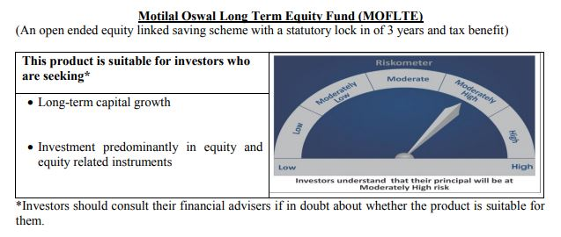
 | Motilal Oswal Long Term Equity Fund
 | Portfolio as on September 30, 2020

Sr. No. | Name of Instrument |  | ISIN | Rating / Industry | Quantity | Market value (Rs. In lakhs) | % to Net Assets | Sector / Rating | Percent
 | Equity & Equity related |  |  |  |  |  |  | Banks | 20.99%
 | (a) Listed / awaiting listing on Stock Exchanges |  |  |  |  |  |  | Finance | 16.84%
1 | HDFC Bank Limited |  | INE040A01034 | Banks | 1180000 | 12,727.48 | 8.20% | Consumer Non Durables | 14.81%
2 | ICICI Bank Limited |  | INE090A01021 | Banks | 3195000 | 11,334.26 | 7.30% | Consumer Durables | 7.57%
3 | Torrent Pharmaceuticals Limited |  | INE685A01028 | Pharmaceuticals | 283081 | 7,926.13 | 5.10% | Software | 5.42%
4 | Jubilant Foodworks Limited |  | INE797F01012 | Consumer Non Durables | 337669 | 7,916.14 | 5.10% | Pharmaceuticals | 5.10%
5 | Bharti Airtel Limited |  | INE397D01024 | Telecom - Services | 1740000 | 7,324.53 | 4.72% | Telecom - Services | 4.72%
6 | United Breweries Limited |  | INE686F01025 | Consumer Non Durables | 747725 | 7,150.49 | 4.60% | Cement | 4.64%
7 | Hindustan Unilever Limited |  | INE030A01027 | Consumer Non Durables | 288000 | 5,956.56 | 3.84% | Construction | 3.39%
8 | Axis Bank Limited |  | INE238A01034 | Banks | 1372653 | 5,828.97 | 3.75% | Auto | 3.26%
9 | Muthoot Finance Limited |  | INE414G01012 | Finance | 491817 | 5,567.86 | 3.59% | Healthcare Services | 3.13%
10 | Max Financial Services Limited |  | INE180A01020 | Finance | 896654 | 5,489.32 | 3.53% | Construction Project | 2.75%
11 | The Phoenix Mills Limited |  | INE211B01039 | Construction | 904501 | 5,270.53 | 3.39% | Commercial Services | 2.59%
12 | Tata Consultancy Services Limited |  | INE467B01029 | Software | 204000 | 5,084.29 | 3.27% | Gas | 1.93%
13 | Maruti Suzuki India Limited |  | INE585B01010 | Auto | 75000 | 5,057.59 | 3.26% | Cash & Equivalent | 2.86%
14 | Whirlpool of India Limited |  | INE716A01013 | Consumer Durables | 221454 | 4,864.79 | 3.13%
15 | Dr. Lal Path Labs Limited |  | INE600L01024 | Healthcare Services | 258525 | 4,859.62 | 3.13%
16 | HDFC Life Insurance Company Limited |  | INE795G01014 | Finance | 782577 | 4,377.74 | 2.82%
17 | Cholamandalam Investment and Finance Company Limited |  | INE121A01024 | Finance | 1750000 | 4,360.13 | 2.81%
18 | Larsen & Toubro Limited |  | INE018A01030 | Construction Project | 474225 | 4,275.61 | 2.75%
19 | Crompton Greaves Consumer Electricals Limited |  | INE299U01018 | Consumer Durables | 1423698 | 4,162.18 | 2.68%
20 | UltraTech Cement Limited |  | INE481G01011 | Cement | 100000 | 4,049.55 | 2.61%
21 | 3M India Limited |  | INE470A01017 | Commercial Services | 22000 | 4,027.57 | 2.59%
22 | Infosys Limited |  | INE009A01021 | Software | 330000 | 3,327.23 | 2.14%
23 | ICICI Lombard General Insurance Company Limited |  | INE765G01017 | Finance | 252255 | 3,278.05 | 2.11%
24 | Birla Corporation Limited |  | INE340A01012 | Cement | 474375 | 3,159.81 | 2.03%
25 | Housing Development Finance Corporation Limited |  | INE001A01036 | Finance | 177000 | 3,079.89 | 1.98%
26 | VIP Industries Limited |  | INE054A01027 | Consumer Durables | 945422 | 2,726.12 | 1.76%
27 | Kotak Mahindra Bank Limited |  | INE237A01028 | Banks | 213000 | 2,701.27 | 1.74%
28 | ITC Limited |  | INE154A01025 | Consumer Non Durables | 1150000 | 1,974.55 | 1.27%
29 | Petronet LNG Limited |  | INE347G01014 | Gas | 766892 | 1,692.15 | 1.09%
30 | Gujarat Gas Limited |  | INE844O01030 | Gas | 421344 | 1,299.42 | 0.84%
 | Total |  |  |  |  | 150,849.83 | 97.14%
 | (b) Unlisted
 | Total
 | Money Market Instruments
 | CBLO/REPO/TREPS
1 | Collateralized Borrowing & Lending Obligation |  |  |  | 1893000 | 1,893.00 | 1.22%
 | Total |  |  |  |  | 1,893.00 | 1.22%
 | Cash & Cash Equivalents
 | Net Receivables / (Payables) |  |  |  |  | 2,543.11 | 1.64%
 | GRAND TOTAL |  |  |  |  | 155,285.94 | 100.00%

 | Total Expense Ratio
 | Total Expense Ratio
 | Direct Plan : | 0.71%
 | Regular Plan : | 2.15%

 | NAV | Direct Dividend |  | 15.6254
 | NAV | Direct Growth |  | 17.5427
 | NAV | Regular Dividend |  | 14.3923
 | NAV | Regular Growth |  | 16.2428

 | Monthly AAUM in Crores |  |  | 1,568.26

 | Latest AUM (30 SEPTEMBER 2020) in Crores |  |  | 1,552.86

 | Portfolio Turnover Ratio |  |  | 0.71

 | Dividend History
 | Record Date (February 05, 2018) | Dividend per Unit (Rs.) | Cum Dividend NAV | EX Dividend NAV
 | Direct Plan | 1.00 | 17.8423 | 16.8423
 | Regular Plan | 1.00 | 17.0751 | 16.0751

 | Record Date (March 20, 2018) | Dividend per Unit (Rs.) | Cum Dividend NAV | EX Dividend NAV
 | Direct Plan | 0.10 | 16.7096 | 16.6096
 | Regular Plan | 0.10 | 15.9239 | 15.8239

 | Record Date (March 28, 2019) | Dividend per Unit (Rs.) | Cum Dividend NAV | EX Dividend NAV
 | Direct Plan | 0.30 | 16.4708 | 16.1708
 | Regular Plan | 0.30 | 15.5031 | 15.2031

Large & Midcap Fund
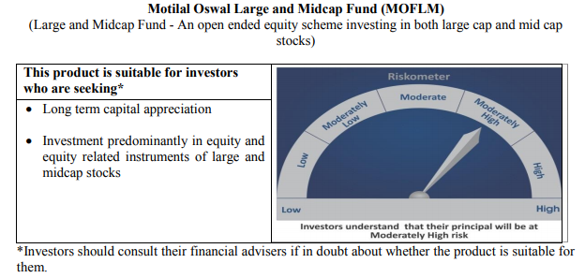
 | Motilal Oswal Large and Midcap Fund
 | Portfolio as on September 30, 2020

Sr. No. | Name of Instrument |  | ISIN | Rating / Industry | Quantity | Market value (Rs. In lakhs) | % to Net Assets | Sector / Rating | Percent
 | Equity & Equity related |  |  |  |  |  |  | Banks | 18.27%
 | (a) Listed / awaiting listing on Stock Exchanges |  |  |  |  |  |  | Finance | 14.64%
1 | HDFC Bank Limited |  | INE040A01034 | Banks | 310000 | 3,343.66 | 7.03% | Consumer Non Durables | 12.51%
2 | Max Financial Services Limited |  | INE180A01020 | Finance | 510000 | 3,122.22 | 6.56% | Consumer Durables | 9.15%
3 | ICICI Bank Limited |  | INE090A01021 | Banks | 880000 | 3,121.80 | 6.56% | Construction | 5.87%
4 | Torrent Pharmaceuticals Limited |  | INE685A01028 | Pharmaceuticals | 94943 | 2,658.36 | 5.59% | Pharmaceuticals | 5.59%
5 | Jubilant Foodworks Limited |  | INE797F01012 | Consumer Non Durables | 100714 | 2,361.09 | 4.96% | Software | 5.06%
6 | Bharti Airtel Limited |  | INE397D01024 | Telecom - Services | 480000 | 2,020.56 | 4.25% | Auto Ancillaries | 4.39%
7 | Dr. Lal Path Labs Limited |  | INE600L01024 | Healthcare Services | 100790 | 1,894.60 | 3.98% | Telecom - Services | 4.25%
8 | United Breweries Limited |  | INE686F01025 | Consumer Non Durables | 194000 | 1,855.22 | 3.90% | Healthcare Services | 3.98%
9 | Whirlpool of India Limited |  | INE716A01013 | Consumer Durables | 79718 | 1,751.21 | 3.68% | Cement | 3.07%
10 | Hindustan Unilever Limited |  | INE030A01027 | Consumer Non Durables | 84000 | 1,737.33 | 3.65% | Gas | 2.92%
11 | Muthoot Finance Limited |  | INE414G01012 | Finance | 148171 | 1,677.44 | 3.53% | Commercial Services | 2.87%
12 | The Phoenix Mills Limited |  | INE211B01039 | Construction | 251046 | 1,462.85 | 3.07% | Construction Project | 2.41%
13 | Birla Corporation Limited |  | INE340A01012 | Cement | 219000 | 1,458.76 | 3.07% | Auto | 2.10%
14 | Crompton Greaves Consumer Electricals Limited |  | INE299U01018 | Consumer Durables | 490513 | 1,434.01 | 3.01% | Cash & Equivalent | 2.94%
15 | Tata Consultancy Services Limited |  | INE467B01029 | Software | 57000 | 1,420.61 | 2.99%
16 | Axis Bank Limited |  | INE238A01034 | Banks | 330000 | 1,401.35 | 2.95%
17 | Gujarat Gas Limited |  | INE844O01030 | Gas | 450000 | 1,387.80 | 2.92%
18 | 3M India Limited |  | INE470A01017 | Commercial Services | 7451 | 1,364.07 | 2.87%
19 | Cholamandalam Investment and Finance Company Limited |  | INE121A01024 | Finance | 533780 | 1,329.91 | 2.80%
20 | Kajaria Ceramics Limited |  | INE217B01036 | Construction | 240000 | 1,328.40 | 2.79%
21 | VIP Industries Limited |  | INE054A01027 | Consumer Durables | 404567 | 1,166.57 | 2.45%
22 | Larsen & Toubro Limited |  | INE018A01030 | Construction Project | 127000 | 1,145.03 | 2.41%
23 | Balkrishna Industries Limited |  | INE787D01026 | Auto Ancillaries | 72385 | 1,069.13 | 2.25%
24 | MRF Limited |  | INE883A01011 | Auto Ancillaries | 1715 | 1,021.66 | 2.15%
25 | Maruti Suzuki India Limited |  | INE585B01010 | Auto | 14800 | 998.03 | 2.10%
26 | Infosys Limited |  | INE009A01021 | Software | 98000 | 988.09 | 2.08%
27 | Housing Development Finance Corporation Limited |  | INE001A01036 | Finance | 48000 | 835.22 | 1.76%
28 | Kotak Mahindra Bank Limited |  | INE237A01028 | Banks | 65000 | 824.33 | 1.73%
 | Total |  |  |  |  | 46,179.31 | 97.06%
 | (b) Unlisted
 | Total
 | Money Market Instruments
 | CBLO/REPO/TREPS
1 | Collateralized Borrowing & Lending Obligation |  |  |  | 458000 | 458.00 | 0.96%
 | Total |  |  |  |  | 458.00 | 0.96%
 | Cash & Cash Equivalents
 | Net Receivables / (Payables) |  |  |  |  | 940.84 | 1.98%
 | GRAND TOTAL |  |  |  |  | 47,578.15 | 100.00%

 | Total Expense Ratio
 | Total Expense Ratio
 | Direct Plan : | 0.64%
 | Regular Plan : | 2.50%

 | NAV | Direct Dividend |  | 9.8512
 | NAV | Direct Growth |  | 9.8512
 | NAV | Regular Dividend |  | 9.6857
 | NAV | Regular Growth |  | 9.6856

 | Monthly AAUM in Crores |  |  | 473.80

 | Latest AUM (30 SEPTEMBER 2020) in Crores |  |  | 475.78

 | Portfolio Turnover Ratio |  |  | 0.33

Dynamic Fund
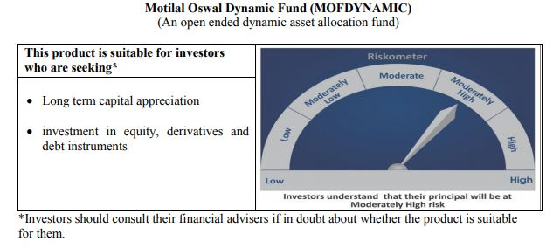
 | Motilal Oswal Dynamic Fund
 | Portfolio as on September 30, 2020

Sr. No. | Name of Instrument |  | ISIN | Rating / Industry | Quantity | Market value (Rs. In lakhs) | % to Net Assets | Sector / Rating | Percent
 | Equity & Equity related |  |  |  |  |  |  | Banks | 23.25%
 | (a) Listed / awaiting listing on Stock Exchanges |  |  |  |  |  |  | Consumer Non Durables | 12.60%
1 | ICICI Bank Limited |  | INE090A01021 | Banks | 2406250 | 8,536.17 | 7.49% | Finance | 11.33%
2 | Axis Bank Limited |  | INE238A01034 | Banks | 1972800 | 8,377.50 | 7.36% | Auto | 5.94%
3 | ITC Limited |  | INE154A01025 | Consumer Non Durables | 4358400 | 7,483.37 | 6.57% | SOVEREIGN | 5.65%
4 | Reliance Industries Limited |  | INE002A01018 | Petroleum Products | 251000 | 5,608.22 | 4.92% | Petroleum Products | 4.92%
5 | HDFC Life Insurance Company Limited |  | INE795G01014 | Finance | 733000 | 4,100.40 | 3.60% | CRISIL AAA | 4.58%
6 | HDFC Bank Limited |  | INE040A01034 | Banks | 362000 | 3,904.53 | 3.43% | Software | 4.50%
7 | Maruti Suzuki India Limited |  | INE585B01010 | Auto | 45000 | 3,034.55 | 2.66% | Telecom - Services | 1.45%
8 | Infosys Limited |  | INE009A01021 | Software | 298000 | 3,004.59 | 2.64% | Pharmaceuticals | 1.00%
9 | State Bank of India |  | INE062A01020 | Banks | 1548000 | 2,869.99 | 2.52% | Gas | 0.88%
10 | Eicher Motors Limited |  | INE066A01021 | Auto | 111000 | 2,445.11 | 2.15% | Consumer Durables | 0.82%
11 | Bajaj Finance Limited |  | INE296A01024 | Finance | 74500 | 2,442.56 | 2.14% | Cash & Equivalent | 23.08%
12 | Housing Development Finance Corporation Limited |  | INE001A01036 | Finance | 138000 | 2,401.27 | 2.11%
13 | Tata Consultancy Services Limited |  | INE467B01029 | Software | 85000 | 2,118.46 | 1.86%
14 | Britannia Industries Limited |  | INE216A01030 | Consumer Non Durables | 53256 | 2,022.74 | 1.78%
15 | ICICI Lombard General Insurance Company Limited |  | INE765G01017 | Finance | 137000 | 1,780.32 | 1.56%
16 | Muthoot Finance Limited |  | INE414G01012 | Finance | 148000 | 1,675.51 | 1.47%
17 | Bharti Airtel Limited |  | INE397D01024 | Telecom - Services | 393000 | 1,654.33 | 1.45%
18 | Kotak Mahindra Bank Limited |  | INE237A01028 | Banks | 117000 | 1,483.79 | 1.30%
19 | Hindustan Unilever Limited |  | INE030A01027 | Consumer Non Durables | 67924 | 1,404.84 | 1.23%
20 | AU Small Finance Bank Limited |  | INE949L01017 | Banks | 200000 | 1,308.70 | 1.15%
21 | Hero MotoCorp Limited |  | INE158A01026 | Auto | 41000 | 1,290.39 | 1.13%
22 | Asian Paints Limited |  | INE021A01026 | Consumer Non Durables | 60000 | 1,191.84 | 1.05%
23 | Alkem Laboratories Limited |  | INE540L01014 | Pharmaceuticals | 41000 | 1,138.96 | 1.00%
24 | Nestle India Limited |  | INE239A01016 | Consumer Non Durables | 7150 | 1,138.18 | 1.00%
25 | United Spirits Limited |  | INE854D01024 | Consumer Non Durables | 216000 | 1,114.24 | 0.98%
26 | Petronet LNG Limited |  | INE347G01014 | Gas | 453000 | 999.54 | 0.88%
27 | Titan Company Limited |  | INE280A01028 | Consumer Durables | 78000 | 937.05 | 0.82%
28 | HDFC Asset Management Company Limited |  | INE127D01025 | Finance | 22000 | 499.37 | 0.44%
 | Total |  |  |  |  | 75,966.52 | 66.70%
 | (b) Unlisted
 | Total
 | Derivatives
 | Index / Stock Futures
1 | ICICI Bank Limited October 2020 Future |  |  |  | (-2406250) | (8,556.63) | -7.51%
2 | Axis Bank Limited October 2020 Future |  |  |  | (-1972800) | (8,398.21) | -7.37%
3 | ITC Limited October 2020 Future |  |  |  | (-4358400) | (7,516.06) | -6.60%
4 | State Bank of India October 2020 Future |  |  |  | (-1548000) | (2,876.96) | -2.53%
 | Total |  |  |  |  | (27,347.86) | -24.01%
 | Debt Instruments
 | (a) Listed / awaiting listing on Stock Exchange
1 | Housing Development Finance Corporation Limited |  | INE001A07SD3 | CRISIL AAA | 5000000 | 5,211.63 | 4.58%
 | Total |  |  |  |  | 5,211.63 | 4.58%

 | State Government Securities
1 | 8.90% TAMILNADU SDL(MD/20/09/2022) |  | IN3120120065 | SOVEREIGN | 3000000 | 3,228.38 | 2.83%
2 | 8.48% Karnataka SDL (MD 17/10/2022) |  | IN1920180024 | SOVEREIGN | 3000000 | 3,209.40 | 2.82%
 | Total |  |  |  |  | 6,437.78 | 5.65%
 | (b) Privately placed / Unlisted
 | Total
 | Money Market Instruments
 | CBLO/REPO/TREPS
1 | Collateralized Borrowing & Lending Obligation |  |  |  | 15118000 | 15,118.00 | 13.27%
 | Total |  |  |  |  | 15,118.00 | 13.27%
 | Others
 | Fixed Deposit - Margin Deposits
1 | 2.75% HDFC Bank Limited 2020 (Duration 91 days) |  |  |  | 300000000 | 3,000.00 | 2.63%
 | Total |  |  |  |  | 3,000.00 | 2.63%
 | Cash & Cash Equivalents
 | Net Receivables / (Payables) |  |  |  |  | 35,513.71 | 31.18%
 | GRAND TOTAL |  |  |  |  | 113,899.78 | 100.00%

 | Total Expense Ratio
 | Total Expense Ratio
 | Direct Plan : | 0.80%
 | Regular Plan : | 2.20%

 | NAV | Direct Annual Dividend |  | 12.8556
 | NAV | Direct Growth |  | 14.0039
 | NAV | Direct Quarterly Dividend |  | 11.7720
 | NAV | Plan A Dividend |  | 12.5857
 | NAV | Regular Growth |  | 13.3797
 | NAV | Regular Quarterly Dividend |  | 11.7892

 | Monthly AAUM in Crores |  |  | 1,139.33

 | Latest AUM (30 SEPTEMBER 2020) in Crores |  |  | 1,139.00

 | Portfolio Turnover Ratio |  |  | 3.39

 | Quarterly Dividend (Direct Plan)
 | Record Date Dividend Option | Dividend per Unit (Rs.) | Cum Dividend NAV | EX Dividend NAV
 | 31-Jul-20 | 0.300000 | 12.0421 | 11.7421
 | 5-May-20 | 0.300000 | 10.7238 | 10.4248
 | 15-Jan-20 | 0.200000 | 12.4614 | 12.2614

 | Quarterly Dividend (Regular Plan)
 | Record Date Dividend Option | Dividend per Unit (Rs.) | Cum Dividend NAV | EX Dividend NAV
 | 31-Jul-20 | 0.300000 | 12.0868 | 11.7868
 | 5-May-20 | 0.238542 | 10.7364 | 10.4978
 | 15-Jan-20 | 0.050000 | 12.3753 | 12.3253

 | Annual Dividend( Direct Plan)
 | Record Date (March 20, 2018) | Dividend per Unit (Rs.) | Cum Dividend NAV | EX Dividend NAV
 | 23-Mar-20 | 0.3185 | 10.3185 | 10.0000
 | 28-Mar-19 | 0.2681 | 12.1778 | 11.9097
 | 20-Mar-18 | 0.1199 | 11.8554 | 11.7355

 | Annual Dividend( Regular Plan)
 | Record Date (March 28, 2019) | Dividend per Unit (Rs.) | Cum Dividend NAV | EX Dividend NAV
 | 28-Mar-19 | 0.3000 | 11.8144 | 11.5144
 | 20-Mar-18 | 0.1500 | 11.6473 | 11.4973
 | 23-Oct-17 | 0.2600 | 11.6879 | 11.4279

Equity Hybrid
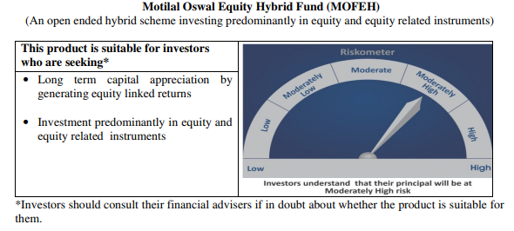
 | Motilal Oswal Equity Hybrid Fund
 | Portfolio as on September 30, 2020

Sr. No. | Name of Instrument |  | ISIN | Rating / Industry | Quantity | Market value (Rs. In lakhs) | % to Net Assets | Sector / Rating | Percent
 | Equity & Equity related |  |  |  |  |  |  | SOVEREIGN | 18.90%
 | (a) Listed / awaiting listing on Stock Exchanges |  |  |  |  |  |  | Banks | 12.66%
1 | Reliance Industries Limited |  | INE002A01018 | Petroleum Products | 99500 | 2,223.18 | 6.46% | Finance | 12.40%
2 | HDFC Bank Limited |  | INE040A01034 | Banks | 192659 | 2,078.02 | 6.04% | Software | 9.57%
3 | Housing Development Finance Corporation Limited |  | INE001A01036 | Finance | 110221 | 1,917.90 | 5.58% | Pharmaceuticals | 8.58%
4 | Tata Consultancy Services Limited |  | INE467B01029 | Software | 70627 | 1,760.24 | 5.12% | Petroleum Products | 7.48%
5 | Infosys Limited |  | INE009A01021 | Software | 152000 | 1,532.54 | 4.46% | Auto | 3.88%
6 | Kotak Mahindra Bank Limited |  | INE237A01028 | Banks | 104640 | 1,327.04 | 3.86% | Consumer Non Durables | 3.64%
7 | HDFC Life Insurance Company Limited |  | INE795G01014 | Finance | 223186 | 1,248.50 | 3.63% | Transportation | 3.51%
8 | PI Industries Limited |  | INE603J01030 | Pesticides | 59615 | 1,175.31 | 3.42% | Pesticides | 3.42%
9 | Abbott India Limited |  | INE358A01014 | Pharmaceuticals | 6359 | 1,048.41 | 3.05% | CRISIL AAA | 3.07%
10 | Procter & Gamble Health Limited |  | INE199A01012 | Pharmaceuticals | 19365 | 968.10 | 2.81% | ICRA A1+ | 2.89%
11 | ICICI Bank Limited |  | INE090A01021 | Banks | 267118 | 947.60 | 2.76% | Industrial Capital Goods | 2.58%
12 | Dr. Reddy's Laboratories Limited |  | INE089A01023 | Pharmaceuticals | 18002 | 933.91 | 2.72% | Cement | 2.44%
13 | Shree Cement Limited |  | INE070A01015 | Cement | 4151 | 840.87 | 2.44% | Textile Products | 0.82%
14 | Eicher Motors Limited |  | INE066A01021 | Auto | 32060 | 706.22 | 2.05% | Telecom - Services | 0.71%
15 | ITC Limited |  | INE154A01025 | Consumer Non Durables | 380000 | 652.46 | 1.90% | Cash & Equivalent | 3.46%
16 | Maruti Suzuki India Limited |  | INE585B01010 | Auto | 9295 | 626.80 | 1.82%
17 | Hindustan Unilever Limited |  | INE030A01027 | Consumer Non Durables | 29000 | 599.79 | 1.74%
18 | CRISIL Limited |  | INE007A01025 | Finance | 33493 | 596.28 | 1.73%
19 | Container Corporation of India Limited |  | INE111A01025 | Transportation | 158230 | 577.46 | 1.68%
20 | ICICI Lombard General Insurance Company Limited |  | INE765G01017 | Finance | 38629 | 501.98 | 1.46%
21 | ABB India Limited |  | INE117A01022 | Industrial Capital Goods | 53433 | 459.26 | 1.34%
22 | Honeywell Automation India Limited |  | INE671A01010 | Industrial Capital Goods | 1313 | 427.92 | 1.24%
23 | Mahindra Logistics Limited |  | INE766P01016 | Transportation | 109311 | 375.54 | 1.09%
24 | Castrol India Limited |  | INE172A01027 | Petroleum Products | 319385 | 349.25 | 1.02%
25 | Page Industries Limited |  | INE761H01022 | Textile Products | 1329 | 283.55 | 0.82%
26 | Gujarat Pipavav Port Limited |  | INE517F01014 | Transportation | 309634 | 254.67 | 0.74%
27 | Bharti Airtel Limited |  | INE397D01024 | Telecom - Services | 58000 | 244.15 | 0.71%
 | Total |  |  |  |  | 24,656.95 | 71.69%
 | (b) Unlisted
 | Total
 | Debt Instruments
 | (a) Listed / awaiting listing on Stock Exchange
1 | Housing Development Finance Corporation Limited |  | INE001A07RU9 | CRISIL AAA | 1000000 | 1,049.23 | 3.05%
2 | Britannia Industries Limited |  | INE216A07052 | CRISIL AAA | 16599 | 5.28 | 0.02%
 | Total |  |  |  |  | 5,067.33 | 3.07%
 | State Government Securities
1 | 6.81% Maharastra SDL (MD 08/11/2020) |  | IN2220170145 | SOVEREIGN | 4000000 | 4,012.82 | 11.67%
 | Total |  |  |  |  | 4,012.82 | 11.67%
 | (b) Privately placed / Unlisted
 | Total
 | Money Market Instruments
 | Treasury Bill/Cash Management Bill
1 | 182 Days Tbill (MD 26/11/2020) |  | IN002020Y082 | SOVEREIGN | 2500000 | 2,487.60 | 7.23%
 | Total |  |  |  |  | 2,487.60 | 7.23%
 | Certificate of Deposit
1 | Axis Bank Limited |  | INE238A166S7 | ICRA A1+ | 1000000 | 992.99 | 2.89%
 | Total |  |  |  |  | 992.99 | 2.89%
 | CBLO/REPO/TREPS
1 | Collateralized Borrowing & Lending Obligation |  |  |  | 1030000 | 1,030.00 | 2.99%
 | Total |  |  |  |  | 1,030.00 | 2.99%
 | Cash & Cash Equivalents
 | Net Receivables / (Payables) |  |  |  |  | 159.87 | 0.46%
 | GRAND TOTAL |  |  |  |  | 34,394.74 | 100.00%

 | Total Expense Ratio
 | Total Expense Ratio
 | Direct Plan : | 0.64%
 | Regular Plan : | 2.53%

 | NAV | Direct Growth |  | 11.8324
 | NAV | Regular Growth |  | 11.4483

 | Monthly AAUM in Crores |  |  | 342.87

 | Latest AUM (30 SEPTEMBER 2020) in Crores |  |  | 343.95

 | Portfolio Turnover Ratio |  |  | 0.63

Liquid Fund
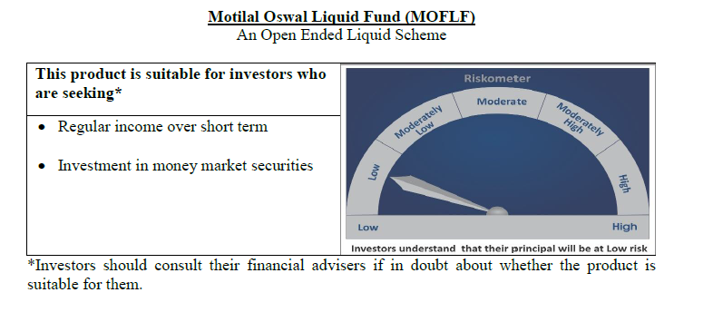
 | Motilal Oswal Liquid Fund
 | Portfolio as on September 30, 2020

Sr. No. | Name of Instrument |  | ISIN | Rating / Industry | Quantity | Market value (Rs. In lakhs) | % to Net Assets | Sector / Rating | Percent
 | Money Market Instruments |  |  |  |  |  |  | SOVEREIGN | 83.49%
 | Treasury Bill/Cash Management Bill |  |  |  |  |  |  | FITCH A1+ | 3.22%
1 | 182 Days Tbill (MD 19/11/2020) |  | IN002020Y074 | SOVEREIGN | 25000000 | 24,891.40 | 32.09% | CRISIL A1+ | 3.22%
2 | 91 Days Tbill (MD 03/12/2020) |  | IN002020X241 | SOVEREIGN | 20000000 | 19,888.10 | 25.64% | Cash & Equivalent | 10.08%
3 | 364 Days Tbill (MD 01/10/2020) |  | IN002019Z289 | SOVEREIGN | 10000000 | 10,000.00 | 12.89%
4 | 91 Days Tbill (MD 22/10/2020) |  | IN002020X183 | SOVEREIGN | 10000000 | 9,981.62 | 12.87%
 | Total |  |  |  |  | 64,761.12 | 83.49%
 | Certificate of Deposit
1 | Bank of Baroda |  | INE028A16CB5 | FITCH A1+ | 2500000 | 2,496.69 | 3.22%
2 | Axis Bank Limited |  | INE238A165R1 | CRISIL A1+ | 2500000 | 2,494.01 | 3.22%
 | Total |  |  |  |  | 4,990.70 | 6.43%
 | CBLO/REPO/TREPS
1 | Collateralized Borrowing & Lending Obligation |  |  |  | 7320000 | 7,320.00 | 9.44%
 | Total |  |  |  |  | 7,320.00 | 9.44%
 | Cash & Cash Equivalents
 | Net Receivables / (Payables) |  |  |  |  | 500.10 | 0.64%
 | GRAND TOTAL |  |  |  |  | 77,571.92 | 100.00%

 | Total Expense Ratio
 | Total Expense Ratio
 | Direct Plan : | 0.21%
 | Regular Plan : | 0.36%

 | NAV | Direct Growth |  | 10.8771
 | NAV | Direct-Dividend Option-Daily |  | 10.0077
 | NAV | Direct-Dividend Option-Fortnightly |  | 10.0100
 | NAV | Direct -Dividend Option-Monthly |  | 10.0357
 | NAV | Direct-Dividend Option-Quarterly |  | 10.0090
 | NAV | Direct-Dividend Option-Weekly |  | 10.0115
 | NAV | Regular Growth |  | 10.8481
 | NAV | Regular Dividend Option-Daily |  | 10.0055
 | NAV | Regular Dividend Option-Fortnightly |  | 10.0096
 | NAV | Regular-Dividend Option-Monthly |  | 10.0355
 | NAV | Regular-Dividend Option-Quarterly |  | 10.0089
 | NAV | Regular Dividend Option-Weekly |  | 10.0184
 | NAV | Unclaimed Dividend Plan Below 3 years |  | 10.5646
 | NAV | Unclaimed Redemption Plan Below 3 years |  | 10.3700

 | Monthly AAUM in Crores |  |  | 762.76

 | Latest AUM (30 SEPTEMBER 2020) in Crores |  |  | 775.72

 | Monthly Dividend (Direct Plan)
 | Record Date Dividend Option | Dividend per Unit (Rs.) | Cum Dividend NAV | EX Dividend NAV
 | 25-Sep-20 | 0.021912 | 10.0519 | 10.0300
 | 28-Aug-20 | 0.023519 | 10.0535 | 10.0300
 | 31-Jul-20 | 0.028138 | 10.0581 | 10.0300

 | Monthly Dividend (Regular Plan)
 | Record Date Dividend Option | Dividend per Unit (Rs.) | Cum Dividend NAV | EX Dividend NAV
 | 25-Sep-20 | 0.020682 | 10.0507 | 10.0300
 | 28-Aug-20 | 0.022127 | 10.0521 | 10.0300
 | 31-Jul-20 | 0.032714 | 10.0627 | 10.0300

 | Quarterly Dividend (Direct Plan)
 | Record Date Dividend Option | Dividend per Unit (Rs.) | Cum Dividend NAV | EX Dividend NAV
 | 25-Sep-20 | 0.074074 | 10.0775 | 10.0034
 | 26-Jun-20 | 0.086490 | 10.0914 | 10.0034
 | 27-Mar-20 | 0.112873 | 10.1163 | 10.0034

 | Quarterly Dividend (Regular Plan)
 | Record Date Dividend Option | Dividend per Unit (Rs.) | Cum Dividend NAV | EX Dividend NAV
 | 25-Sep-20 | 0.067479 | 10.0709 | 10.0034
 | 26-Jun-20 | 0.439166 | 10.4426 | 10.0034

USTBF
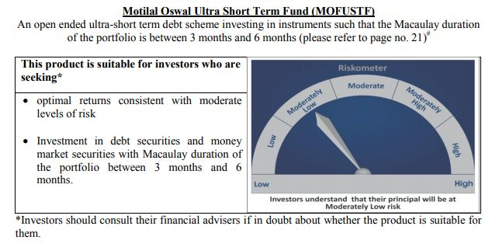
 | Motilal Oswal Ultra Short Term Fund
 | Portfolio as on September 30, 2020

Sr. No. | Name of Instrument |  | ISIN | Rating / Industry | Quantity | Market value (Rs. In lakhs) | % to Net Assets | Sector / Rating | Percent
 | Money Market Instruments |  |  |  |  |  |  | SOVEREIGN | 68.67%
 | Treasury Bill/Cash Management Bill |  |  |  |  |  |  | Cash & Equivalent | 31.33%
1 | 182 Days Tbill (MD 18/03/2021) |  | IN002020Y249 | SOVEREIGN | 2500000 | 2,460.92 | 68.67%
 | Total |  |  |  |  | 2,460.92 | 68.67%
 | CBLO/REPO/TREPS
1 | Collateralized Borrowing & Lending Obligation |  |  |  | 1081000 | 1,081.00 | 30.16%
 | Total |  |  |  |  | 1,081.00 | 30.16%
 | Cash & Cash Equivalents
 | Net Receivables / (Payables) |  |  |  |  | 41.91 | 1.17%
 | GRAND TOTAL |  |  |  |  | 3,583.83 | 100.00%

 | Total Expense Ratio
 | Total Expense Ratio
 | Direct Plan : | 0.08%
 | Regular Plan : | 0.08%

 | NAV | Direct Dividend |  | 9.6878
 | NAV | Direct Fortnightly Dividend |  | 9.7060
 | NAV | Direct Growth |  | 13.7268
 | NAV | Direct Monthly Dividend |  | 9.6947
 | NAV | Direct Quarterly Dividend |  | 9.8341
 | NAV | Direct Weekly Dividend |  | 9.6986
 | NAV | Regular Daily Dividend |  | 9.6913
 | NAV | Regular Fortnightly Dividend |  | 9.7017
 | NAV | Regular Growth |  | 13.3482
 | NAV | Regular Monthly Dividend |  | 9.6918
 | NAV | Regular Quarterly Dividend |  | 9.8327
 | NAV | Regular Weekly Dividend |  | 9.6948

 | Monthly AAUM in Crores |  |  | 36.37

 | Latest AUM (30 SEPTEMBER 2020) in Crores |  |  | 35.84

 | Dividend History
 | Quarterly Dividend (Direct Plan)
 | Record Date Dividend Option | Dividend per Unit (Rs.) | Cum Dividend NAV | EX Dividend NAV
 | 29-Dec-17 | 0.139900 | 10.1607 | 10.0208
 | 3-Apr-18 | 0.157100 | 10.1932 | 10.0361
 | 29-Jun-18 | 0.162900 | 10.1885 | 10.0256

 | Quarterly Dividend (Regular Plan)
 | Record Date Dividend Option | Dividend per Unit (Rs.) | Cum Dividend NAV | EX Dividend NAV
 | 29-Dec-17 | 0.128300 | 10.1596 | 10.0313
 | 3-Apr-18 | 0.145200 | 10.1917 | 10.0465
 | 29-Jun-18 | 0.151700 | 10.1876 | 10.0359

 | Monthly Dividend (Direct Plan)
 | Record Date Dividend Option | Dividend per Unit (Rs.) | Cum Dividend NAV | EX Dividend NAV
 | 29-Jun-18 | 0.085576 | 10.0860 | 10.0004
 | 27-Jul-18 | 0.052676 | 10.0531 | 10.0004
 | 31-Aug-18 | 0.065273 | 10.0657 | 10.0004

 | Monthly Dividend (Regular Plan)
 | Record Date Dividend Option | Dividend per Unit (Rs.) | Cum Dividend NAV | EX Dividend NAV
 | 29-Jun-18 | 0.081535 | 10.0827 | 10.0012
 | 27-Jul-18 | 0.049133 | 10.0503 | 10.0012
 | 31-Aug-18 | 0.060833 | 10.0619 | 10.0011

M50
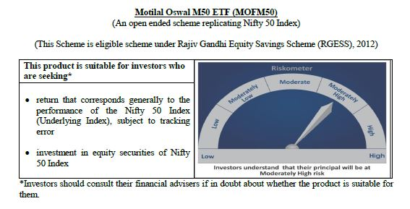
 | Motilal Oswal M50 ETF
 | Portfolio as on September 30, 2020

Sr. No. | Name of Instrument |  | ISIN | Rating / Industry | Quantity | Market value (Rs. In lakhs) | % to Net Assets | Sector / Rating | Percent
 | Equity & Equity related |  |  |  |  |  |  | Banks | 22.75%
 | (a) Listed / awaiting listing on Stock Exchanges |  |  |  |  |  |  | Software | 16.76%
1 | Reliance Industries Limited |  | INE002A01018 | Petroleum Products | 12413 | 277.35 | 14.57% | Petroleum Products | 15.54%
2 | HDFC Bank Limited |  | INE040A01034 | Banks | 16973 | 183.07 | 9.62% | Consumer Non Durables | 10.81%
3 | Infosys Limited |  | INE009A01021 | Software | 14344 | 144.62 | 7.60% | Finance | 10.19%
4 | Housing Development Finance Corporation Limited |  | INE001A01036 | Finance | 6773 | 117.85 | 6.19% | Auto | 5.77%
5 | Tata Consultancy Services Limited |  | INE467B01029 | Software | 4114 | 102.53 | 5.39% | Pharmaceuticals | 4.01%
6 | ICICI Bank Limited |  | INE090A01021 | Banks | 27003 | 95.79 | 5.03% | Construction Project | 2.26%
7 | Kotak Mahindra Bank Limited |  | INE237A01028 | Banks | 5734 | 72.72 | 3.82% | Cement | 2.12%
8 | Hindustan Unilever Limited |  | INE030A01027 | Consumer Non Durables | 3496 | 72.31 | 3.80% | Telecom - Services | 2.08%
9 | ITC Limited |  | INE154A01025 | Consumer Non Durables | 34177 | 58.68 | 3.08% | Power | 1.71%
10 | Larsen & Toubro Limited |  | INE018A01030 | Construction Project | 4783 | 43.12 | 2.26% | Ferrous Metals | 1.13%
11 | Axis Bank Limited |  | INE238A01034 | Banks | 9706 | 41.22 | 2.16% | Consumer Durables | 1.03%
12 | Bharti Airtel Limited |  | INE397D01024 | Telecom - Services | 9400 | 39.57 | 2.08% | Pesticides | 0.57%
13 | Maruti Suzuki India Limited |  | INE585B01010 | Auto | 520 | 35.07 | 1.84% | Transportation | 0.53%
14 | Asian Paints Limited |  | INE021A01026 | Consumer Non Durables | 1765 | 35.06 | 1.84% | Non - Ferrous Metals | 0.53%
15 | HCL Technologies Limited |  | INE860A01027 | Software | 4251 | 34.50 | 1.81% | Oil | 0.52%
16 | Bajaj Finance Limited |  | INE296A01024 | Finance | 1037 | 34.00 | 1.79% | Minerals/Mining | 0.50%
17 | State Bank of India |  | INE062A01020 | Banks | 15028 | 27.86 | 1.46% | Gas | 0.33%
18 | Dr. Reddy's Laboratories Limited |  | INE089A01023 | Pharmaceuticals | 475 | 24.64 | 1.29% | Cash & Equivalent | 0.87%
19 | Mahindra & Mahindra Limited |  | INE101A01026 | Auto | 3749 | 22.79 | 1.20%
20 | Nestle India Limited |  | INE239A01016 | Consumer Non Durables | 140 | 22.29 | 1.17%
21 | Sun Pharmaceutical Industries Limited |  | INE044A01036 | Pharmaceuticals | 4228 | 21.16 | 1.11%
22 | Titan Company Limited |  | INE280A01028 | Consumer Durables | 1634 | 19.63 | 1.03%
23 | Tech Mahindra Limited |  | INE669C01036 | Software | 2421 | 19.17 | 1.01%
24 | UltraTech Cement Limited |  | INE481G01011 | Cement | 452 | 18.30 | 0.96%
25 | Wipro Limited |  | INE075A01022 | Software | 5818 | 18.24 | 0.96%
26 | Britannia Industries Limited |  | INE216A01030 | Consumer Non Durables | 461 | 17.51 | 0.92%
27 | Power Grid Corporation of India Limited |  | INE752E01010 | Power | 10039 | 16.31 | 0.86%
28 | NTPC Limited |  | INE733E01010 | Power | 18986 | 16.16 | 0.85%
29 | Hero MotoCorp Limited |  | INE158A01026 | Auto | 508 | 15.99 | 0.84%
30 | HDFC Life Insurance Company Limited |  | INE795G01014 | Finance | 2847 | 15.93 | 0.84%
31 | Cipla Limited |  | INE059A01026 | Pharmaceuticals | 1989 | 15.41 | 0.81%
32 | Divi's Laboratories Limited |  | INE361B01024 | Pharmaceuticals | 499 | 15.21 | 0.80%
33 | Bajaj Auto Limited |  | INE917I01010 | Auto | 510 | 14.69 | 0.77%
34 | Bajaj Finserv Limited |  | INE918I01018 | Finance | 237 | 13.87 | 0.73%
35 | IndusInd Bank Limited |  | INE095A01012 | Banks | 2363 | 12.46 | 0.65%
36 | SBI Life Insurance Company Limited |  | INE123W01016 | Finance | 1527 | 12.39 | 0.65%
37 | Eicher Motors Limited |  | INE066A01021 | Auto | 545 | 12.01 | 0.63%
38 | Grasim Industries Limited |  | INE047A01021 | Cement | 1546 | 11.51 | 0.60%
39 | Bharat Petroleum Corporation Limited |  | INE029A01011 | Petroleum Products | 3143 | 11.10 | 0.58%
40 | JSW Steel Limited |  | INE019A01038 | Ferrous Metals | 3976 | 11.04 | 0.58%
41 | UPL Limited |  | INE628A01036 | Pesticides | 2154 | 10.83 | 0.57%
42 | Shree Cement Limited |  | INE070A01015 | Cement | 52 | 10.53 | 0.55%
43 | Tata Steel Limited |  | INE081A01012 | Ferrous Metals | 2911 | 10.47 | 0.55%
44 | Adani Ports and Special Economic Zone Limited |  | INE742F01042 | Transportation | 2944 | 10.06 | 0.53%
45 | Hindalco Industries Limited |  | INE038A01020 | Non - Ferrous Metals | 5718 | 10.02 | 0.53%
46 | Oil & Natural Gas Corporation Limited |  | INE213A01029 | Oil | 14287 | 9.89 | 0.52%
47 | Coal India Limited |  | INE522F01014 | Minerals/Mining | 8205 | 9.52 | 0.50%
48 | Tata Motors Limited |  | INE155A01022 | Auto | 7016 | 9.35 | 0.49%
49 | Indian Oil Corporation Limited |  | INE242A01010 | Petroleum Products | 9954 | 7.36 | 0.39%
50 | GAIL (India) Limited |  | INE129A01019 | Gas | 7241 | 6.29 | 0.33%
 | Total |  |  |  |  | 1,887.45 | 99.13%
 | (b) Unlisted
1 | Yes Bank Limited |  |  | Banks | 10040 | 0.00 | 0.00%
 | Total |  |  |  |  | 0.00 | 0.00%
 | Money Market Instruments
 | CBLO/REPO/TREPS
1 | Collateralized Borrowing & Lending Obligation |  |  |  | 3000 | 3.00 | 0.16%
 | Total |  |  |  |  | 3.00 | 0.16%
 | Cash & Cash Equivalents
 | Net Receivables / (Payables) |  |  |  |  | 13.51 | 0.71%
 | GRAND TOTAL |  |  |  |  | 1,903.96 | 100.00%

 | Total Expense Ratio
 | Total Expense Ratio
 | Regular Plan : | 0.05%

 | NAV | Regular Growth |  | 110.3946

 | Monthly AAUM in Crores |  |  | 19.83

 | Latest AUM (30 SEPTEMBER 2020) in Crores |  |  | 19.04

 | Portfolio Turnover Ratio |  |  | 0.46

MCAP100
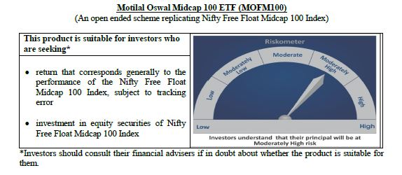
 | Motilal Oswal Midcap 100 ETF
 | Portfolio as on September 30, 2020

Sr. No. | Name of Instrument |  | ISIN | Rating / Industry | Quantity | Market value (Rs. In lakhs) | % to Net Assets | Sector / Rating | Percent
 | Equity & Equity related |  |  |  |  |  |  | Finance | 13.34%
 | (a) Listed / awaiting listing on Stock Exchanges |  |  |  |  |  |  | Banks | 8.85%
1 | Apollo Hospitals Enterprise Limited |  | INE437A01024 | Healthcare Services | 5514 | 118.44 | 2.83% | Pharmaceuticals | 8.58%
2 | Zee Entertainment Enterprises Limited |  | INE256A01028 | Media & Entertainment | 52414 | 109.49 | 2.62% | Consumer Durables | 7.28%
3 | Jubilant Foodworks Limited |  | INE797F01012 | Consumer Non Durables | 4397 | 103.08 | 2.46% | Auto Ancillaries | 6.39%
4 | PI Industries Limited |  | INE603J01030 | Pesticides | 4619 | 91.06 | 2.18% | Consumer Non Durables | 5.32%
5 | Voltas Limited |  | INE226A01021 | Consumer Durables | 13305 | 90.52 | 2.16% | Healthcare Services | 4.57%
6 | Trent Limited |  | INE849A01020 | Retailing | 12864 | 86.43 | 2.07% | Industrial Products | 4.24%
7 | IPCA Laboratories Limited |  | INE571A01020 | Pharmaceuticals | 3935 | 85.25 | 2.04% | Auto | 4.05%
8 | Crompton Greaves Consumer Electricals Limited |  | INE299U01018 | Consumer Durables | 26664 | 77.95 | 1.86% | Software | 3.41%
9 | Page Industries Limited |  | INE761H01022 | Textile Products | 333 | 71.05 | 1.70% | Media & Entertainment | 3.25%
10 | MRF Limited |  | INE883A01011 | Auto Ancillaries | 119 | 70.89 | 1.69% | Chemicals | 2.95%
11 | AU Small Finance Bank Limited |  | INE949L01017 | Banks | 10740 | 70.28 | 1.68% | Retailing | 2.91%
12 | Yes Bank Limited |  | INE528G01035 | Banks | 532503 | 70.02 | 1.67% | Gas | 2.90%
13 | Balkrishna Industries Limited |  | INE787D01026 | Auto Ancillaries | 4664 | 68.89 | 1.65% | Power | 2.84%
14 | Max Financial Services Limited |  | INE180A01020 | Finance | 11149 | 68.25 | 1.63% | Cement | 2.20%
15 | Shriram Transport Finance Company Limited |  | INE721A01013 | Finance | 10757 | 66.62 | 1.59% | Pesticides | 2.18%
16 | Bharat Electronics Limited |  | INE263A01024 | Industrial Capital Goods | 68581 | 65.67 | 1.57% | Construction | 2.13%
17 | SRF Limited |  | INE647A01010 | Industrial Products | 1585 | 65.46 | 1.56% | Industrial Capital Goods | 2.09%
18 | MphasiS Limited |  | INE356A01018 | Software | 4716 | 65.24 | 1.56% | Textile Products | 1.70%
19 | Bharat Forge Limited |  | INE465A01025 | Industrial Products | 14442 | 64.64 | 1.54% | Ferrous Metals | 1.50%
20 | Ashok Leyland Limited |  | INE208A01029 | Auto | 82625 | 61.47 | 1.47% | Fertilisers | 1.21%
21 | City Union Bank Limited |  | INE491A01021 | Banks | 42353 | 59.19 | 1.41% | Trading | 1.12%
22 | Cholamandalam Investment and Finance Company Limited |  | INE121A01024 | Finance | 22598 | 56.30 | 1.35% | Telecom - Services | 1.05%
23 | The Federal Bank Limited |  | INE171A01029 | Banks | 114586 | 55.69 | 1.33% | Hotels/ Resorts and Other Recreational Activities | 0.91%
24 | The Ramco Cements Limited |  | INE331A01037 | Cement | 7307 | 55.06 | 1.32% | Petroleum Products | 0.73%
25 | TVS Motor Company Limited |  | INE494B01023 | Auto | 11735 | 54.96 | 1.31% | Construction Project | 0.65%
26 | Escorts Limited |  | INE042A01014 | Auto | 4027 | 53.09 | 1.27% | Oil | 0.44%
27 | REC Limited |  | INE020B01018 | Finance | 53318 | 52.84 | 1.26% | Non - Ferrous Metals | 0.40%
28 | Tata Power Company Limited |  | INE245A01021 | Power | 97279 | 51.85 | 1.24% | Services | 0.40%
29 | Aarti Industries Limited |  | INE769A01020 | Chemicals | 5104 | 51.80 | 1.24% | Cash & Equivalent | 0.41%
30 | Coromandel International Limited |  | INE169A01031 | Fertilisers | 6568 | 50.76 | 1.21%
31 | Natco Pharma Limited |  | INE987B01026 | Pharmaceuticals | 5334 | 50.67 | 1.21%
32 | Manappuram Finance Limited |  | INE522D01027 | Finance | 31556 | 49.59 | 1.19%
33 | LIC Housing Finance Limited |  | INE115A01026 | Finance | 17393 | 47.97 | 1.15%
34 | Adani Enterprises Limited |  | INE423A01024 | Trading | 15794 | 46.92 | 1.12%
35 | Bata India Limited |  | INE176A01028 | Consumer Durables | 3470 | 45.75 | 1.09%
36 | Sanofi India Limited |  | INE058A01010 | Pharmaceuticals | 529 | 45.71 | 1.09%
37 | RBL Bank Limited |  | INE976G01028 | Banks | 26593 | 45.18 | 1.08%
38 | Godrej Properties Limited |  | INE484J01027 | Construction | 5213 | 44.86 | 1.07%
39 | Vodafone Idea Limited |  | INE669E01016 | Telecom - Services | 462171 | 44.14 | 1.05%
40 | Pfizer Limited |  | INE182A01018 | Pharmaceuticals | 893 | 43.75 | 1.05%
41 | Exide Industries Limited |  | INE302A01020 | Auto Ancillaries | 26366 | 43.48 | 1.04%
42 | Navin Fluorine International Limited |  | INE048G01026 | Chemicals | 1960 | 43.17 | 1.03%
43 | Jindal Steel & Power Limited |  | INE749A01030 | Ferrous Metals | 22851 | 42.70 | 1.02%
44 | Mahindra & Mahindra Financial Services Limited |  | INE774D01024 | Finance | 34066 | 41.94 | 1.00%
45 | Glenmark Pharmaceuticals Limited |  | INE935A01035 | Pharmaceuticals | 8590 | 41.46 | 0.99%
46 | Emami Limited |  | INE548C01032 | Consumer Non Durables | 11745 | 41.26 | 0.99%
47 | Fortis Healthcare Limited |  | INE061F01013 | Healthcare Services | 29923 | 40.49 | 0.97%
48 | Whirlpool of India Limited |  | INE716A01013 | Consumer Durables | 1822 | 40.02 | 0.96%
49 | The Indian Hotels Company Limited |  | INE053A01029 | Hotels/ Resorts and Other Recreational Activities | 40233 | 38.22 | 0.91%
50 | Varun Beverages Limited |  | INE200M01013 | Consumer Non Durables | 5472 | 38.21 | 0.91%
51 | Indiabulls Ventures Limited |  | INE274G01010 | Finance | 15025 | 37.55 | 0.90%
52 | Dalmia Bharat Limited |  | INE00R701025 | Cement | 4721 | 36.89 | 0.88%
53 | Syngene International Limited |  | INE398R01022 | Pharmaceuticals | 6663 | 36.84 | 0.88%
54 | IDFC First Bank Limited |  | INE092T01019 | Banks | 120557 | 36.11 | 0.86%
55 | Amara Raja Batteries Limited |  | INE885A01032 | Auto Ancillaries | 4710 | 35.99 | 0.86%
56 | Rajesh Exports Limited |  | INE343B01030 | Consumer Durables | 7802 | 34.88 | 0.83%
57 | Cummins India Limited |  | INE298A01020 | Industrial Products | 7802 | 34.73 | 0.83%
58 | Gujarat State Petronet Limited |  | INE246F01010 | Gas | 16204 | 33.79 | 0.81%
59 | Dr. Lal Path Labs Limited |  | INE600L01024 | Healthcare Services | 1723 | 32.39 | 0.77%
60 | Indiabulls Housing Finance Limited |  | INE148I01020 | Finance | 20450 | 32.14 | 0.77%
61 | Alembic Pharmaceuticals Limited |  | INE901L01018 | Pharmaceuticals | 3387 | 31.77 | 0.76%
62 | MindTree Limited |  | INE018I01017 | Software | 2365 | 31.66 | 0.76%
63 | Gujarat Gas Limited |  | INE844O01030 | Gas | 9886 | 30.49 | 0.73%
64 | Castrol India Limited |  | INE172A01027 | Petroleum Products | 27840 | 30.44 | 0.73%
65 | Torrent Power Limited |  | INE813H01021 | Power | 9663 | 30.28 | 0.72%
66 | Adani Gas Limited |  | INE399L01023 | Gas | 15794 | 29.88 | 0.71%
67 | Tata Chemicals Limited |  | INE092A01019 | Chemicals | 9512 | 28.49 | 0.68%
68 | Mahanagar Gas Limited |  | INE002S01010 | Gas | 3291 | 27.32 | 0.65%
69 | GMR Infrastructure Limited |  | INE776C01039 | Construction Project | 117883 | 27.17 | 0.65%
70 | Sun TV Network Limited |  | INE424H01027 | Media & Entertainment | 5659 | 26.35 | 0.63%
71 | Oberoi Realty Limited |  | INE093I01010 | Construction | 6683 | 26.34 | 0.63%
72 | Apollo Tyres Limited |  | INE438A01022 | Auto Ancillaries | 19059 | 24.94 | 0.60%
73 | Aditya Birla Fashion and Retail Limited |  | INE647O01011 | Retailing | 17783 | 23.76 | 0.57%
74 | Ajanta Pharma Limited |  | INE031B01049 | Pharmaceuticals | 1454 | 23.46 | 0.56%
75 | CESC Limited |  | INE486A01013 | Power | 3807 | 23.37 | 0.56%
76 | L&T Technology Services Limited |  | INE010V01017 | Software | 1441 | 23.32 | 0.56%
77 | Endurance Technologies Limited |  | INE913H01037 | Auto Ancillaries | 2020 | 23.28 | 0.56%
78 | L&T Finance Holdings Limited |  | INE498L01015 | Finance | 36883 | 22.90 | 0.55%
79 | Coforge Limited |  | INE591G01017 | Software | 974 | 22.62 | 0.54%
80 | Bharat Heavy Electricals Limited |  | INE257A01026 | Industrial Capital Goods | 74006 | 21.65 | 0.52%
81 | Aditya Birla Capital Limited |  | INE674K01013 | Finance | 34668 | 21.56 | 0.52%
82 | Nippon Life India Asset Management Limited |  | INE298J01013 | Finance | 8091 | 21.21 | 0.51%
83 | Steel Authority of India Limited |  | INE114A01011 | Ferrous Metals | 59316 | 20.02 | 0.48%
84 | Oil India Limited |  | INE274J01014 | Oil | 20556 | 18.36 | 0.44%
85 | ICICI Securities Limited |  | INE763G01038 | Finance | 3886 | 18.01 | 0.43%
86 | Prestige Estates Projects Limited |  | INE811K01011 | Construction | 7138 | 17.98 | 0.43%
87 | Edelweiss Financial Services Limited |  | INE532F01054 | Finance | 30068 | 17.71 | 0.42%
88 | Godrej Industries Limited |  | INE233A01035 | Consumer Non Durables | 4253 | 17.50 | 0.42%
89 | National Aluminium Company Limited |  | INE139A01034 | Non - Ferrous Metals | 52510 | 16.93 | 0.40%
90 | Indian Railway Catering And Tourism Corporation Limited |  | INE335Y01012 | Services | 1195 | 16.54 | 0.40%
91 | Canara Bank |  | INE476A01014 | Banks | 17533 | 15.58 | 0.37%
92 | V-Guard Industries Limited |  | INE951I01027 | Consumer Durables | 9107 | 15.52 | 0.37%
93 | Bombay Burmah Trading Corporation Limited |  | INE050A01025 | Consumer Non Durables | 1042 | 13.59 | 0.32%
94 | JSW Energy Limited |  | INE121E01018 | Power | 23591 | 13.31 | 0.32%
95 | Polycab India Limited |  | INE455K01017 | Industrial Products | 1540 | 12.63 | 0.30%
96 | Future Retail Limited |  | INE752P01024 | Retailing | 12771 | 11.51 | 0.27%
97 | Union Bank of India |  | INE692A01016 | Banks | 40482 | 9.86 | 0.24%
98 | Godrej Agrovet Limited |  | INE850D01014 | Consumer Non Durables | 1765 | 8.99 | 0.21%
99 | Bank of India |  | INE084A01016 | Banks | 20706 | 8.42 | 0.20%
100 | Housing & Urban Development Corporation Limited |  | INE031A01017 | Finance | 11499 | 3.73 | 0.09%
 | Total |  |  |  |  | 4,167.49 | 99.59%
 | (b) Unlisted
 | Total
 | Money Market Instruments
 | CBLO/REPO/TREPS
1 | Collateralized Borrowing & Lending Obligation |  |  |  | 7000 | 7.00 | 0.17%
 | Total |  |  |  |  | 7.00 | 0.17%
 | Cash & Cash Equivalents
 | Net Receivables / (Payables) |  |  |  |  | 9.98 | 0.24%
 | GRAND TOTAL |  |  |  |  | 4,184.47 | 100.00%

 | Note:
 | Details of the Equity shares have been lent under Securities Lending and Borrowing as follows :
 | Name of the Instrument | Quantity
 | CHOLAFIN_05/11/2020_LEND | 9000
 | APOLLOHOSP_05/11/2020_LEND | 2100
 | Total Expense Ratio
 | Total Expense Ratio
 | Regular Plan : | 0.20%

 | NAV | Regular Growth |  | 17.7844

 | Monthly AAUM in Crores |  |  | 40.34

 | Latest AUM (30 SEPTEMBER 2020) in Crores |  |  | 41.84

 | Portfolio Turnover Ratio |  |  | 0.46

N100
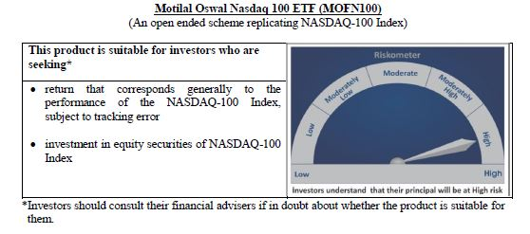
 | Motilal Oswal Nasdaq 100 ETF
 | Portfolio as on September 30, 2020

Sr. No. | Name of Instrument |  | ISIN | Rating / Industry | Quantity | Market value (Rs. In lakhs) | % to Net Assets | Sector / Rating | Percent
 | Equity & Equity related |  |  |  |  |  |  | Software & Services | 32.48%
 | (a) Listed / awaiting listing on Stock Exchanges |  |  |  |  |  |  | Technology Hardware & Equipment | 16.01%
1 | Apple Inc. |  | US0378331005 | Technology Hardware & Equipment | 271210 | 22,828.34 | 13.32% | Retailing | 15.14%
2 | Amazon Com Inc |  | US0231351067 | Retailing | 7934 | 18,408.45 | 10.74% | Semiconductors & Semiconductor | 11.36%
3 | Microsoft Corp |  | US5949181045 | Software & Services | 120009 | 18,350.60 | 10.70% | Pharmaceuticals Biotechnology | 4.89%
4 | Facebook Inc |  | US30303M1027 | Software & Services | 38119 | 7,362.33 | 4.29% | Media | 4.14%
5 | Alphabet Inc A |  | US02079K3059 | Software & Services | 5477 | 5,923.84 | 3.46% | Automobiles & Components | 3.40%
6 | Tesla Inc |  | US88160R1014 | Automobiles & Components | 18840 | 5,824.90 | 3.40% | Food Beverage & Tobacco | 3.04%
7 | Alphabet Inc |  | US02079K1079 | Software & Services | 5285 | 5,729.09 | 3.34% | Health Care Equipment & Services | 1.74%
8 | Nvidia Corp Com |  | US67066G1040 | Semiconductors & Semiconductor | 12484 | 4,872.54 | 2.84% | Food & Staples Retailing | 1.62%
9 | Adobe Inc |  | US00724F1012 | Software & Services | 9712 | 3,506.16 | 2.05% | Telecommunication Services | 1.22%
10 | Paypal Holdings Inc |  | US70450Y1038 | Software & Services | 23729 | 3,405.02 | 1.99% | Consumer Services | 1.13%
11 | Netflix Inc |  | US64110L1061 | Retailing | 8929 | 3,250.82 | 1.90% | Application Software | 0.84%
12 | Intel Corp |  | US4581401001 | Semiconductors & Semiconductor | 86023 | 3,248.78 | 1.90% | Utilities | 0.61%
13 | Comcast Corp - Class A |  | US20030N1019 | Media | 92218 | 3,143.25 | 1.83% | Commercial & Professional Services | 0.56%
14 | Pepsico Inc |  | US7134481081 | Food Beverage & Tobacco | 28002 | 2,833.59 | 1.65% | Transportation | 0.52%
15 | Cisco Sys Inc Com |  | US17275R1023 | Technology Hardware & Equipment | 85416 | 2,461.46 | 1.44% | Capital Goods | 0.49%
16 | Costco Whsl Corp New Com |  | US22160K1051 | Food & Staples Retailing | 8939 | 2,322.34 | 1.35% | Consumer Durables & Apparel | 0.35%
17 | Broadcom Inc |  | US11135F1012 | Semiconductors & Semiconductor | 8095 | 2,175.45 | 1.27% | Diversified Support Services | 0.22%
18 | Amgen Inc |  | US0311621009 | Pharmaceuticals Biotechnology | 11846 | 2,170.05 | 1.27% | Technology Distributors | 0.15%
19 | T-Mobile Us Inc |  | US8725901040 | Telecommunication Services | 25043 | 2,097.39 | 1.22% | Cash & Equivalent | 0.11%
20 | Qualcomm Inc |  | US7475251036 | Technology Hardware & Equipment | 22820 | 1,976.20 | 1.15%
21 | Texas Instruments Inc |  | US8825081040 | Semiconductors & Semiconductor | 18527 | 1,934.12 | 1.13%
22 | Charter Communications Inc |  | US16119P1084 | Media | 4146 | 1,916.33 | 1.12%
23 | Starbucks Ord |  | US8552441094 | Consumer Services | 23644 | 1,479.24 | 0.86%
24 | Advanced Micro Devices Com |  | US0079031078 | Semiconductors & Semiconductor | 23744 | 1,432.42 | 0.84%
25 | Intuit Inc |  | US4612021034 | Software & Services | 5290 | 1,263.10 | 0.74%
26 | Zoom Video Communications Inc |  | US98980L1017 | Media | 3676 | 1,262.46 | 0.74%
27 | Intuitive Surgical Inc |  | US46120E6023 | Health Care Equipment & Services | 2371 | 1,212.11 | 0.71%
28 | Mondelez International Inc |  | US6092071058 | Food Beverage & Tobacco | 28885 | 1,203.62 | 0.70%
29 | Gilead Sciences Inc |  | US3755581036 | Pharmaceuticals Biotechnology | 25357 | 1,161.74 | 0.68%
30 | Vertex Pharmaceuticals Inc Com Usd0.01 |  | US92532F1003 | Pharmaceuticals Biotechnology | 5263 | 1,049.58 | 0.61%
31 | Fiserv Inc Com |  | US3377381088 | Software & Services | 13543 | 1,035.03 | 0.60%
32 | Jd Com Inc Adr |  | US47215P1066 | Retailing | 18565 | 1,029.44 | 0.60%
33 | Booking Holdings Inc |  | US09857L1089 | Retailing | 829 | 1,023.21 | 0.60%
34 | Activision Blizzard Inc |  | US00507V1098 | Software & Services | 15622 | 931.03 | 0.54%
35 | Regeneron Pharmaceutic Com |  | US75886F1075 | Pharmaceuticals Biotechnology | 2124 | 898.86 | 0.52%
36 | Csx Corp |  | US1264081035 | Transportation | 15467 | 885.50 | 0.52%
37 | Automatic Data Process Com |  | US0530151036 | Software & Services | 8690 | 881.80 | 0.51%
38 | Micron Technology Inc Com |  | US5951121038 | Semiconductors & Semiconductor | 22479 | 840.99 | 0.49%
39 | Applied Matls Inc Com |  | US0382221051 | Semiconductors & Semiconductor | 18474 | 813.00 | 0.47%
40 | Mercadolibre Inc |  | US58733R1023 | Software & Services | 1002 | 800.51 | 0.47%
41 | Autodesk Inc Com |  | US0527691069 | Software & Services | 4428 | 760.91 | 0.44%
42 | Lam Research Corp Com |  | US5128071082 | Semiconductors & Semiconductor | 2956 | 736.49 | 0.43%
43 | Biogen Inc |  | US09062X1037 | Pharmaceuticals Biotechnology | 3206 | 667.84 | 0.39%
44 | Illumina Inc |  | US4523271090 | Pharmaceuticals Biotechnology | 2963 | 667.83 | 0.39%
45 | Analog Devices Inc Com |  | US0326541051 | Semiconductors & Semiconductor | 7470 | 642.87 | 0.38%
46 | Monster Beverage Corp |  | US61174X1090 | Food Beverage & Tobacco | 10674 | 628.34 | 0.37%
47 | Lululemon Athletica Inc |  | US5500211090 | Consumer Durables & Apparel | 2515 | 600.57 | 0.35%
48 | Docusign, Inc |  | US2561631068 | Application Software | 3734 | 586.59 | 0.34%
49 | Workday Inc |  | US98138H1014 | Software & Services | 3575 | 582.31 | 0.34%
50 | Dexcom Inc |  | US2521311074 | Health Care Equipment & Services | 1931 | 572.96 | 0.33%
51 | Electronic Arts Inc Com |  | US2855121099 | Software & Services | 5843 | 560.49 | 0.33%
52 | Cognizant Technology Solutions Corp |  | US1924461023 | Software & Services | 10967 | 558.29 | 0.33%
53 | Ebay Inc |  | US2786421030 | Software & Services | 14160 | 550.03 | 0.32%
54 | The Kraft Heinz Company |  | US5007541064 | Food Beverage & Tobacco | 24722 | 539.70 | 0.31%
55 | Xcel Energy Inc Com |  | US98389B1008 | Utilities | 10634 | 538.55 | 0.31%
56 | Baidu Inc Spon Adr |  | US0567521085 | Software & Services | 5693 | 514.85 | 0.30%
57 | Nxp Semiconductors N.V. |  | NL0009538784 | Semiconductors & Semiconductor | 5654 | 514.29 | 0.30%
58 | Exelon Corp |  | US30161N1019 | Utilities | 19703 | 513.42 | 0.30%
59 | Cintas Corp Com |  | US1729081059 | Commercial & Professional Services | 2084 | 507.81 | 0.30%
60 | O'Reilly Automotive Inc |  | US67103H1077 | Retailing | 1503 | 502.67 | 0.29%
61 | Seattle Genetics |  | US8125781026 | Pharmaceuticals Biotechnology | 3516 | 495.35 | 0.29%
62 | Idexx Laboratories Inc Com Usd0.10 |  | US45168D1046 | Health Care Equipment & Services | 1720 | 488.63 | 0.29%
63 | Netease Inc-Adr |  | US64110W1027 | Software & Services | 1456 | 484.20 | 0.28%
64 | Ross Stores Inc Com |  | US7782961038 | Retailing | 7208 | 484.08 | 0.28%
65 | Synopsys Inc Com |  | US8716071076 | Software & Services | 3077 | 481.99 | 0.28%
66 | Walgreens Boots Alliance Inc Wba |  | US9314271084 | Food & Staples Retailing | 17531 | 457.60 | 0.27%
67 | Marriott International -Cl A |  | US5719032022 | Consumer Services | 6564 | 451.41 | 0.26%
68 | Kla-Tencor Corp Com |  | US4824801009 | Semiconductors & Semiconductor | 3150 | 449.29 | 0.26%
69 | Verisk Analytics Inc |  | US92345Y1064 | Commercial & Professional Services | 3287 | 447.13 | 0.26%
70 | Paccar Inc Com |  | US6937181088 | Capital Goods | 6995 | 444.59 | 0.26%
71 | Splunk Inc |  | US8486371045 | Application Software | 3217 | 444.25 | 0.26%
72 | Cadence Design System Com |  | US1273871087 | Software & Services | 5645 | 440.54 | 0.26%
73 | Asml Holding Nv |  | USN070592100 | Semiconductors & Semiconductor | 1547 | 426.86 | 0.25%
74 | Paychex Inc Com |  | US7043261079 | Software & Services | 7265 | 424.34 | 0.25%
75 | Moderna Inc |  | US60770K1079 | Pharmaceuticals Biotechnology | 7992 | 415.80 | 0.24%
76 | Ansys |  | US03662Q1058 | Application Software | 1734 | 408.75 | 0.24%
77 | Fastenal Co |  | US3119001044 | Capital Goods | 11607 | 388.17 | 0.23%
78 | Microchip Technology Inc |  | US5950171042 | Semiconductors & Semiconductor | 5105 | 386.95 | 0.23%
79 | Xilinx Inc Com |  | US9839191015 | Semiconductors & Semiconductor | 4944 | 377.99 | 0.22%
80 | Align Technology Inc |  | US0162551016 | Health Care Equipment & Services | 1596 | 376.99 | 0.22%
81 | Copart |  | US2172041061 | Diversified Support Services | 4756 | 371.02 | 0.22%
82 | Alexion Pharmaceuticals Inc |  | US0153511094 | Pharmaceuticals Biotechnology | 4428 | 367.39 | 0.21%
83 | Skyworks Solutions Inc Com |  | US83088M1027 | Semiconductors & Semiconductor | 3378 | 359.75 | 0.21%
84 | Verisign Inc Com |  | US92343E1029 | Software & Services | 2328 | 351.94 | 0.21%
85 | Sirius Xm Holdings Inc |  | US82968B1035 | Media | 87806 | 340.10 | 0.20%
86 | Cerner Corp |  | US1567821046 | Health Care Equipment & Services | 6170 | 324.06 | 0.19%
87 | Dollar Tree Inc |  | US2567461080 | Retailing | 4806 | 318.65 | 0.19%
88 | Pinduoduo Inc-Adr |  | US7223041028 | Retailing | 5837 | 317.38 | 0.19%
89 | Incyte Genomics Inc Com |  | US45337C1027 | Pharmaceuticals Biotechnology | 4419 | 285.04 | 0.17%
90 | Take-Two Interactive S Com |  | US8740541094 | Software & Services | 2318 | 281.05 | 0.16%
91 | Maxim Integrated Prods Com |  | US57772K1016 | Semiconductors & Semiconductor | 5386 | 269.57 | 0.16%
92 | Citrix Systems Inc Com |  | US1773761002 | Software & Services | 2499 | 252.49 | 0.15%
93 | Check Point Software T Ord |  | IL0010824113 | Software & Services | 2828 | 251.89 | 0.15%
94 | Cdw Corporation |  | US12514G1085 | Technology Distributors | 2877 | 250.70 | 0.15%
95 | Trip.Com Group Ltd |  | US89677Q1076 | Retailing | 10587 | 244.24 | 0.14%
96 | Biomarin Pharmaceutical Inc Com Usd0.001 |  | US09061G1013 | Pharmaceuticals Biotechnology | 3661 | 205.27 | 0.12%
...
 | Total Expense Ratio
 | Regular Plan : | 0.54%

 | NAV | Regular Growth |  | 816.7469

 | Monthly AAUM in Crores |  |  | 1,652.26

 | Latest AUM (30 SEPTEMBER 2020) in Crores |  |  | 1,714.23

 | Portfolio Turnover Ratio |  |  | 0.11

Nasdaq 100 FoF
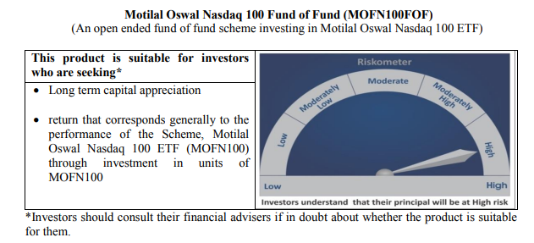
...
NAV | Direct Growth | 17.6930
NAV | Regular Growth | 17.5634

Monthly AAUM in Crores |  | 1,104.22

Latest AUM (30 SEPTEMBER 2020) in Crores |  | 1,144.11

Midcap 150 Index Fund
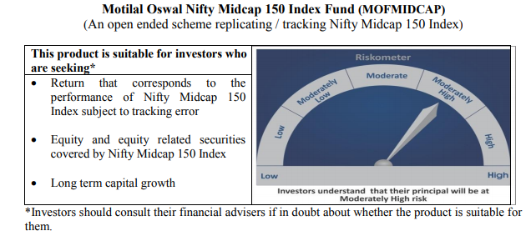
...
NAV | Direct Growth | 11.5411
NAV | Regular Growth | 11.4614

Monthly AAUM in Crores |  | 57.84

Latest AUM (30 SEPTEMBER 2020) in Crores |  | 64.91

Portfolio Turnover Ratio |  | 0.85

Smallcap 250 Index Fund
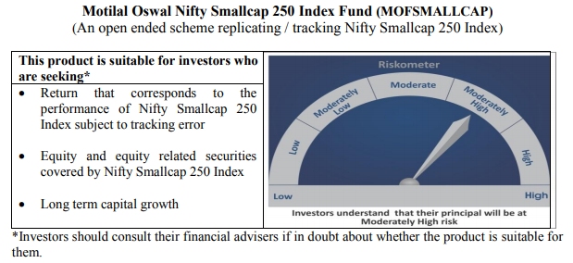
...
NAV | Direct Growth | 11.1770
NAV | Regular Growth | 11.0993

Monthly AAUM in Crores |  | 55.88

Latest AUM (30 SEPTEMBER 2020) in Crores |  | 64.96

Portfolio Turnover Ratio |  | 0.84

Nifty 500 Index Fund
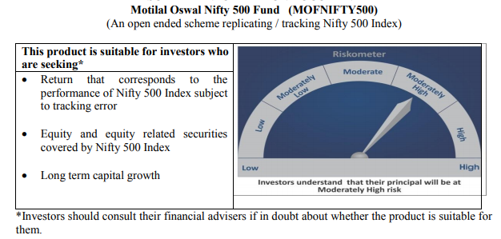
...
NAV | Direct Growth | 10.5271
NAV | Regular Growth | 10.4543

Monthly AAUM in Crores |  | 57.59

Latest AUM (30 SEPTEMBER 2020) in Crores |  | 59.04

Portfolio Turnover Ratio |  | 0.17

Nifty Bank Index Fund
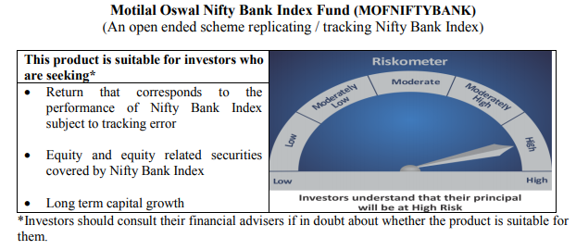
...
NAV | Direct Growth | 7.8343
NAV | Regular Growth | 7.7806

Monthly AAUM in Crores |  | 63.48

Latest AUM (30 SEPTEMBER 2020) in Crores |  | 64.92

Portfolio Turnover Ratio |  | 0.44

Nifty 50 Index Fund
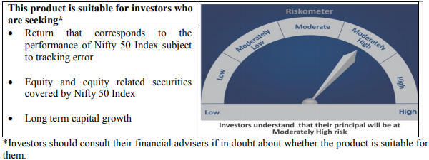
...
NAV | Direct Growth | 9.2797
NAV | Regular Growth | 9.2509

Monthly AAUM in Crores |  | 45.78

Latest AUM (30 SEPTEMBER 2020) in Crores |  | 45.65

Portfolio Turnover Ratio |  | 0.11

Nifty Next 50 Index Fund
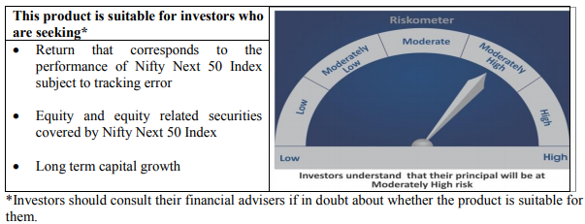
...
NAV | Direct Growth | 9.4849
NAV | Regular Growth | 9.4376

Monthly AAUM in Crores |  | 43.10

Latest AUM (30 SEPTEMBER 2020) in Crores |  | 43.36

Portfolio Turnover Ratio |  | 0.40

S&P 500 Index Fund
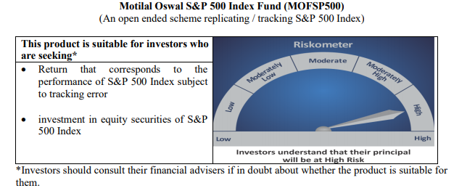
...
NAV | Direct Growth | 11.1639
NAV | Regular Growth | 11.1305

Monthly AAUM in Crores |  | 437.56

Latest AUM (30 SEPTEMBER 2020) in Crores |  | 467.05

Portfolio Turnover Ratio |  | 0.01

