Focused 25 Fund
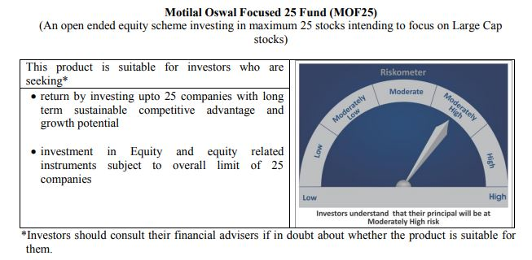
 | Motilal Oswal Focused 25 Fund
 | Portfolio as on August 31, 2020

Sr. No. | Name of Instrument |  |  | ISIN | Rating / Industry | Quantity | Market value (Rs. In lakhs) | % to Net Assets |  | Security Type | Sector / Rating | Percent
 |  |  |  |  |  |  |  |  |  |  | Banks | 21.20%
 | EQUITY & EQUITY RELATED |  |  |  |  |  |  |  |  |  | Finance | 18.98%
 | (A) Listed / awaiting listing on the stock exchanges |  |  |  |  |  |  |  |  |  | Software | 11.56%
1 | Housing Development Finance Corporation Limited |  |  | INE001A01036 | Finance | 602000 | 11,032.25 | 8.72% | Listed | EQUITY | Pharmaceuticals | 10.64%
2 | HDFC Bank Limited |  |  | INE040A01034 | Banks | 988600 | 11,031.29 | 8.72% |  |  | Petroleum Products | 7.90%
3 | Kotak Mahindra Bank Limited |  |  | INE237A01028 | Banks | 713438 | 9,997.76 | 7.90% |  |  | Transportation | 6.12%
4 | Reliance Industries Limited |  |  | INE002A01018 | Petroleum Products | 480000 | 9,987.36 | 7.90% |  |  | Auto | 5.58%
5 | Tata Consultancy Services Limited |  |  | INE467B01029 | Software | 379085 | 8,556.90 | 6.77% |  |  | Pesticides | 5.13%
6 | HDFC Life Insurance Company Limited |  |  | INE795G01014 | Finance | 1375656 | 7,907.27 | 6.25% |  |  | Cement | 3.78%
7 | PI Industries Limited |  |  | INE603J01030 | Pesticides | 352761 | 6,485.51 | 5.13% |  |  | Industrial Capital Goods | 2.72%
8 | Infosys Limited |  |  | INE009A01021 | Software | 653000 | 6,063.76 | 4.79% |  |  | Retailing | 2.64%
9 | Container Corporation of India Limited |  |  | INE111A01025 | Transportation | 1496085 | 5,879.61 | 4.65% |  |  | Consumer Non Durables | 2.19%
10 | ICICI Bank Limited |  |  | INE090A01021 | Banks | 1464975 | 5,780.79 | 4.57% |  |  | Telecom - Services | 0.73%
11 | Abbott India Limited |  |  | INE358A01014 | Pharmaceuticals | 33399 | 5,469.79 | 4.32% |  |  | CRISIL AAA | 0.03%
12 | Procter & Gamble Health Limited |  |  | INE199A01012 | Pharmaceuticals | 100781 | 4,834.41 | 3.82% |  |  | Cash & Equivalent | 0.79%
13 | Shree Cement Limited |  |  | INE070A01015 | Cement | 17772 | 3,604.69 | 2.85%
14 | Maruti Suzuki India Limited |  |  | INE585B01010 | Auto | 52169 | 3,568.33 | 2.82%
15 | Eicher Motors Limited |  |  | INE066A01021 | Auto | 166980 | 3,493.22 | 2.76%
16 | ABB India Limited |  |  | INE117A01022 | Industrial Capital Goods | 361740 | 3,439.24 | 2.72%
17 | Avenue Supermarts Limited |  |  | INE192R01011 | Retailing | 148191 | 3,336.15 | 2.64%
18 | Dr. Reddy's Laboratories Limited |  |  | INE089A01023 | Pharmaceuticals | 74076 | 3,159.12 | 2.50%
19 | ICICI Lombard General Insurance Company Limited |  |  | INE765G01017 | Finance | 232710 | 2,924.47 | 2.31%
20 | Hindustan Unilever Limited |  |  | INE030A01027 | Consumer Non Durables | 131000 | 2,773.73 | 2.19%
21 | CRISIL Limited |  |  | INE007A01025 | Finance | 122607 | 2,146.42 | 1.70%
22 | Mahindra Logistics Limited |  |  | INE766P01016 | Transportation | 519380 | 1,866.91 | 1.48%
23 | UltraTech Cement Limited |  |  | INE481G01011 | Cement | 30034 | 1,172.48 | 0.93%
24 | Bharti Airtel Limited |  |  | INE397D01024 | Telecom - Services | 179965 | 923.40 | 0.73%
 | Total |  |  |  |  |  | 125,434.88 | 99.18% | Listed

 | BONDS & NCDs
 | (B) Listed / awaiting listing on the stock exchanges
1 | Britannia Industries Limited |  |  | INE216A07052 | CRISIL AAA | 119829 | 38.25 | 0.03%
 | Total |  |  |  |  |  | 38.25 | 0.03%

 | MONEY MARKET INSTRUMENT
 | CBLO / Reverse Repo Investments |  |  |  |  | 1343000 | 1,343.00 | 1.06%
 | Total |  |  |  |  |  | 1,343.00 | 1.06%

 | Cash & Cash Equivalents
 | Net Receivable/Payable |  |  |  |  |  | (338.90) | -0.27%
 | Total |  |  |  |  |  | (338.90) | -0.27%
 | Grand Total |  |  |  |  |  | 126,477.23 | 100.00%

 | Total Expense Ratio
 | Direct Plan : | 0.85%
 | Regular Plan : | 2.25%

 | NAV |  | Direct Dividend Plan | 17.4294
 |  |  | Direct Growth Plan | 25.3897
 |  |  | Regular Dividend Plan | 15.8441
 |  |  | Regular Growth Plan | 22.994

 | Monthly AAUM in Crores |  |  | 1,266.76

 | Latest AUM (31 August 2020 ) in Crores |  |  | 1264.7722762

 | Portfolio Turnover Ratio |  |  | 0.56

 | Dividend History
 | Record Date (March 20, 2018) | Dividend per Unit (Rs.) | Cum Dividend NAV | EX Dividend NAV
 | Direct Plan | 1.80 | 18.1652 | 16.3652
 | Regular Plan | 1.80 | 16.8759 | 15.0759

 | Record Date (March 28, 2019) | Dividend per Unit (Rs.) | Cum Dividend NAV | EX Dividend NAV
 | Direct Plan | 0.50 | 17.6230 | 17.1230
 | Regular Plan | 0.50 | 16.0255 | 15.5255

 | Record Date (March 23, 2020) | Dividend per Unit (Rs.) | Cum Dividend NAV | EX Dividend NAV
 | Direct Plan | 0.90 | 13.2107 | 12.3107
 | Regular Plan | 0.58 | 11.8443 | 11.2607

Midcap 30 Fund
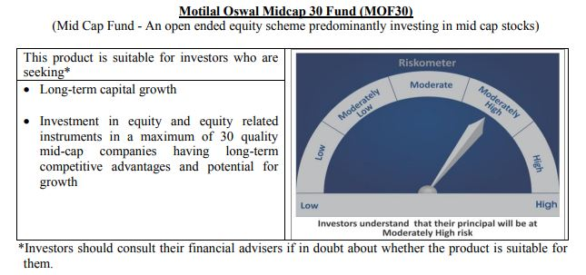
 | Motilal Oswal Midcap 30 Fund
 | Portfolio as on August 31, 2020

Sr. No. | Name of Instrument |  |  | ISIN | Rating / Industry | Quantity | Market value (Rs. In lakhs) | % to Net Assets |  | Security Type | Sector / Rating | Percent
 |  |  |  |  |  |  |  |  |  |  | Finance | 14.16%
 | EQUITY & EQUITY RELATED |  |  |  |  |  |  |  |  |  | Pharmaceuticals | 12.38%
 | Listed / awaiting listing on the stock exchanges |  |  |  |  |  |  |  |  |  | Consumer Durables | 11.18%
1 | Endurance Technologies Limited |  |  | INE913H01037 | Auto Ancillaries | 1100000 | 12,091.20 | 7.47% | Listed | EQUITY | Auto Ancillaries | 9.88%
2 | Coromandel International Limited |  |  | INE169A01031 | Fertilisers | 1450000 | 11,020.73 | 6.80% |  |  | Consumer Non Durables | 8.35%
3 | PI Industries Limited |  |  | INE603J01030 | Pesticides | 525040 | 9,652.86 | 5.96% |  |  | Fertilisers | 6.80%
4 | IPCA Laboratories Limited |  |  | INE571A01020 | Pharmaceuticals | 500000 | 9,438.00 | 5.83% |  |  | Pesticides | 5.96%
5 | Max Financial Services Limited |  |  | INE180A01020 | Finance | 1597111 | 9,410.98 | 5.81% |  |  | Healthcare Services | 3.97%
6 | Crompton Greaves Consumer Electricals Limited |  |  | INE299U01018 | Consumer Durables | 3000000 | 8,154.00 | 5.03% |  |  | Retailing | 3.82%
7 | Abbott India Limited |  |  | INE358A01014 | Pharmaceuticals | 49409 | 8,091.76 | 5.00% |  |  | Construction | 3.51%
8 | Metropolis Healthcare Limited |  |  | INE112L01020 | Healthcare Services | 350000 | 6,435.28 | 3.97% |  |  | Commercial Services | 3.29%
9 | Avenue Supermarts Limited |  |  | INE192R01011 | Retailing | 275000 | 6,190.94 | 3.82% |  |  | Chemicals | 2.75%
10 | Hindustan Unilever Limited |  |  | INE030A01027 | Consumer Non Durables | 280000 | 5,928.58 | 3.66% |  |  | Industrial Capital Goods | 2.54%
11 | Voltas Limited |  |  | INE226A01021 | Consumer Durables | 900000 | 5,712.75 | 3.53% |  |  | Banks | 2.47%
12 | The Phoenix Mills Limited |  |  | INE211B01039 | Construction | 880816 | 5,679.94 | 3.51% |  |  | Industrial Products | 2.26%
13 | CreditAccess Grameen Limited |  |  | INE741K01010 | Finance | 750000 | 5,383.13 | 3.32% |  |  | Textile Products | 1.76%
14 | TeamLease Services Limited |  |  | INE985S01024 | Commercial Services | 225000 | 5,332.05 | 3.29% |  |  | Cement | 1.71%
15 | Bajaj Finance Limited |  |  | INE296A01024 | Finance | 150000 | 5,231.70 | 3.23% |  |  | Software | 1.52%
16 | Navin Fluorine International Limited |  |  | INE048G01026 | Chemicals | 228405 | 4,458.35 | 2.75% |  |  | Cash & Equivalent | 1.68%
17 | Bata India Limited |  |  | INE176A01028 | Consumer Durables | 326238 | 4,237.99 | 2.62%
18 | Honeywell Automation India Limited |  |  | INE671A01010 | Industrial Capital Goods | 12609 | 4,113.50 | 2.54%
19 | AU Small Finance Bank Limited |  |  | INE949L01017 | Banks | 600000 | 4,008.00 | 2.47%
20 | Tube Investments of India Limited |  |  | INE974X01010 | Auto Ancillaries | 603503 | 3,910.10 | 2.41%
21 | Astral Poly Technik Limited |  |  | INE006I01046 | Industrial Products | 326303 | 3,661.28 | 2.26%
22 | Nestle India Limited |  |  | INE239A01016 | Consumer Non Durables | 21219 | 3,384.34 | 2.09%
23 | Avanti Feeds Limited |  |  | INE871C01038 | Consumer Non Durables | 650000 | 3,370.25 | 2.08%
24 | Cholamandalam Investment and Finance Company Limited |  |  | INE121A01024 | Finance | 1250000 | 2,902.50 | 1.79%
25 | Page Industries Limited |  |  | INE761H01022 | Textile Products | 15000 | 2,848.16 | 1.76%
26 | The Ramco Cements Limited |  |  | INE331A01037 | Cement | 400000 | 2,772.20 | 1.71%
27 | Ajanta Pharma Limited |  |  | INE031B01049 | Pharmaceuticals | 170000 | 2,523.82 | 1.56%
28 | Larsen & Toubro Infotech Limited |  |  | INE214T01019 | Software | 100000 | 2,458.35 | 1.52%
29 | Jubilant Foodworks Limited |  |  | INE797F01012 | Consumer Non Durables | 40000 | 838.80 | 0.52%
 | Total |  |  |  |  |  | 159,241.51 | 98.32%

27 | CBLO / Reverse Repo Investments |  |  |  |  | 2424000 | 2,424.00 | 1.50% |  | Deposits
 | Total |  |  |  |  |  | 2,424.00 | 1.50%

 | Cash & Cash Equivalents
 | Net Receivable/Payable |  |  |  |  |  | 302.70 | 0.19%
 | Total |  |  |  |  |  | 302.70 | 0.19%
 | Grand Total |  |  |  |  |  | 161,968.21 | 100.00%

 | Total Expense Ratio
 | Direct Plan : | 1.00%
 | Regular Plan : | 2.23%

 | NAV |  | Direct Dividend Plan | 17.928
 |  |  | Direct Growth Plan | 26.5022
 |  |  | Regular Dividend Plan | 17.4707
 |  |  | Regular Growth Plan | 24.4556

 | Monthly AAUM in Crores |  |  | 1,601.41

 | Latest AUM (31 August 2020 ) in Crores |  |  | 1619.6821054

 | Portfolio Turnover Ratio |  |  | 1.48

 | Dividend History
 | Record Date (March 20, 2018) | Dividend per Unit (Rs.) | Cum Dividend NAV | EX Dividend NAV
 | Direct Plan | 2.00 | 22.6302 | 20.6302
 | Regular Plan | 2.00 | 21.4405 | 19.4405

 | Record Date (March 28, 2019) | Dividend per Unit (Rs.) | Cum Dividend NAV | EX Dividend NAV
 | Direct Plan | 2.00 | 21.6801 | 19.6801
 | Regular Plan | 2.00 | 20.1677 | 18.1677

 | Record Date (March 23, 2020) | Dividend per Unit (Rs.) | Cum Dividend NAV | EX Dividend NAV
 | Direct Plan | 1.00 | 14.2748 | 13.2748
 | Regular Plan | 0.0280 | 13.0332 | 13.0052

Multicap 35 Fund
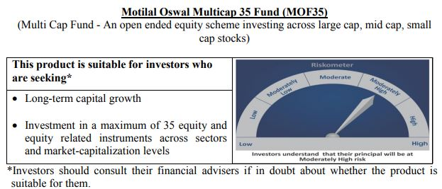
 | Motilal Oswal Multicap 35 Fund
 | Portfolio as on August 31, 2020

Sr. No. | Name of Instrument |  |  | ISIN | Rating / Industry | Quantity | Market value (Rs. In lakhs) | % to Net Assets |  | Security Type | Sector / Rating | Percent
 |  |  |  |  |  |  |  |  |  |  | Finance | 25.41%
 | EQUITY & EQUITY RELATED |  |  |  |  |  |  |  |  |  | Banks | 14.23%
 | Listed / awaiting listing on the stock exchanges |  |  |  |  |  |  |  |  |  | Consumer Non Durables | 13.54%
1 | Reliance Industries Limited |  |  | INE002A01018 | Petroleum Products | 5100000 | 106,115.70 | 9.44% | Listed | EQUITY | Auto | 12.48%
2 | HDFC Life Insurance Company Limited |  |  | INE795G01014 | Finance | 14800000 | 85,070.40 | 7.57% |  |  | Petroleum Products | 9.44%
3 | HDFC Bank Limited |  |  | INE040A01034 | Banks | 7300000 | 81,457.05 | 7.25% |  |  | Software | 8.57%
4 | Maruti Suzuki India Limited |  |  | INE585B01010 | Auto | 900000 | 61,559.55 | 5.48% |  |  | Retailing | 4.66%
5 | Infosys Limited |  |  | INE009A01021 | Software | 6000000 | 55,716.00 | 4.96% |  |  | Telecom - Services | 3.79%
6 | Housing Development Finance Corporation Limited |  |  | INE001A01036 | Finance | 2900000 | 53,145.40 | 4.73% |  |  | Pharmaceuticals | 2.18%
7 | Vaibhav Global Limited |  |  | INE884A01019 | Retailing | 3100000 | 52,331.10 | 4.66% |  |  | Gas | 2.14%
8 | Bajaj Finance Limited |  |  | INE296A01024 | Finance | 1500000 | 52,317.00 | 4.65% |  |  | Consumer Durables | 1.96%
9 | Eicher Motors Limited |  |  | INE066A01021 | Auto | 2400000 | 50,208.00 | 4.47% |  |  | Cash & Equivalent | 1.61%
10 | AU Small Finance Bank Limited |  |  | INE949L01017 | Banks | 6500000 | 43,420.00 | 3.86%
11 | Bharti Airtel Limited |  |  | INE397D01024 | Telecom - Services | 8300000 | 42,587.30 | 3.79%
12 | Britannia Industries Limited |  |  | INE216A01030 | Consumer Non Durables | 1100000 | 40,986.55 | 3.65%
13 | Tata Consultancy Services Limited |  |  | INE467B01029 | Software | 1800000 | 40,630.50 | 3.61%
14 | ICICI Lombard General Insurance Company Limited |  |  | INE765G01017 | Finance | 3000000 | 37,701.00 | 3.35%
15 | Kotak Mahindra Bank Limited |  |  | INE237A01028 | Banks | 2500000 | 35,033.75 | 3.12%
16 | Muthoot Finance Limited |  |  | INE414G01012 | Finance | 3000000 | 34,402.50 | 3.06%
17 | Hindustan Unilever Limited |  |  | INE030A01027 | Consumer Non Durables | 1500000 | 31,760.25 | 2.83%
18 | Hero MotoCorp Limited |  |  | INE158A01026 | Auto | 950000 | 28,557.48 | 2.54%
19 | Asian Paints Limited |  |  | INE021A01026 | Consumer Non Durables | 1500000 | 28,486.50 | 2.53%
20 | Nestle India Limited |  |  | INE239A01016 | Consumer Non Durables | 165000 | 26,316.76 | 2.34%
21 | United Spirits Limited |  |  | INE854D01024 | Consumer Non Durables | 4500000 | 24,599.25 | 2.19%
22 | Alkem Laboratories Limited |  |  | INE540L01014 | Pharmaceuticals | 900000 | 24,504.30 | 2.18%
23 | Petronet LNG Limited |  |  | INE347G01014 | Gas | 10000000 | 24,035.00 | 2.14%
24 | Titan Company Limited |  |  | INE280A01028 | Consumer Durables | 2000000 | 22,010.00 | 1.96%
25 | HDFC Asset Management Company Limited |  |  | INE127D01025 | Finance | 500000 | 12,054.50 | 1.07%
26 | Nippon Life India Asset Management Limited |  |  | INE298J01013 | Finance | 4000000 | 10,904.00 | 0.97%
 | Total |  |  |  |  |  | 1,105,909.83 | 98.39% | Listed
31 |  |  |  |  |  |  |  |  |  | Deposits
32 | CBLO / Reverse Repo Investments |  |  |  |  | 18858000 | 18,858.00 | 1.68%
 | Total |  |  |  |  |  | 18,858.00 | 1.68%

 | Cash & Cash Equivalents
 | Net Receivable/Payable |  |  |  |  |  | (781.22) | -0.07%
 | Total |  |  |  |  |  | (781.22) | -0.07%
 | Grand Total |  |  |  |  |  | 1,123,986.61 | 100.00%

 | Total Expense Ratio
 | Direct Plan : | 0.79%
 | Regular Plan : | 1.83%

 | NAV |  | Direct Dividend Plan | 22.1934
 |  |  | Direct Growth Plan | 26.6836
 |  |  | Regular Dividend Plan | 22.1269
 |  |  | Regular Growth Plan | 25.1154

 | Monthly AAUM in Crores |  |  | 11,463.12

 | Latest AUM (31 August 2020 ) in Crores |  |  | 11239.8661

 | Portfolio Turnover Ratio |  |  | 0.40

 | Dividend History
 | Record Date (March 20, 2018) | Dividend per Unit (Rs.) | Cum Dividend NAV | EX Dividend NAV
 | Direct Plan | 1.75 | 26.4448 | 24.6948
 | Regular Plan | 1.75 | 25.4495 | 23.6995

 | Record Date (March 28, 2019) | Dividend per Unit (Rs.) | Cum Dividend NAV | EX Dividend NAV
 | Direct Plan | 1.00 | 25.1298 | 24.1298
 | Regular Plan | 1.00 | 23.8865 | 22.8865

 | Record Date (March 23, 2020) | Dividend per Unit (Rs.) | Cum Dividend NAV | EX Dividend NAV
 | Direct Plan | 1.00 | 16.3873 | 15.3873

Long Term Equity Fund
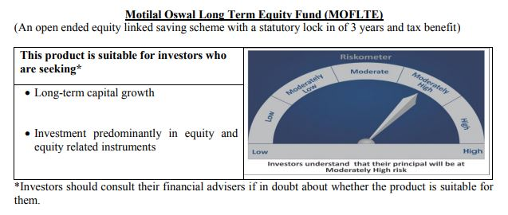
 | Motilal Oswal Long Term Equity Fund
 | Portfolio as on August 31, 2020

Sr. No. | Name of Instrument |  |  | ISIN | Rating / Industry | Quantity | Market value (Rs. In lakhs) | % to Net Assets |  | Security Type | Sector / Rating | Percent
 |  |  |  |  |  |  |  |  |  |  | Banks | 22.44%
 | EQUITY & EQUITY RELATED |  |  |  |  |  |  |  |  |  | Consumer Non Durables | 16.51%
 | Listed / awaiting listing on the stock exchanges |  |  |  |  |  |  |  |  |  | Finance | 16.15%
1 | HDFC Bank Limited |  |  | INE040A01034 | Banks | 1180000 | 13,167.03 | 8.31% | Listed | EQUITY | Consumer Durables | 7.09%
2 | ICICI Bank Limited |  |  | INE090A01021 | Banks | 3195000 | 12,607.47 | 7.95% |  |  | Software | 4.84%
3 | United Breweries Limited |  |  | INE686F01025 | Consumer Non Durables | 827725 | 8,365.40 | 5.28% |  |  | Pharmaceuticals | 4.75%
4 | Torrent Pharmaceuticals Limited |  |  | INE685A01028 | Pharmaceuticals | 283081 | 7,534.48 | 4.75% |  |  | Telecom - Services | 4.73%
5 | Bharti Airtel Limited |  |  | INE397D01024 | Telecom - Services | 1460000 | 7,491.26 | 4.73% |  |  | Cement | 3.69%
6 | Jubilant Foodworks Limited |  |  | INE797F01012 | Consumer Non Durables | 337669 | 7,080.92 | 4.47% |  |  | Construction | 3.68%
7 | Axis Bank Limited |  |  | INE238A01034 | Banks | 1372653 | 6,818.65 | 4.30% |  |  | Auto | 3.24%
8 | Hindustan Unilever Limited |  |  | INE030A01027 | Consumer Non Durables | 288000 | 6,097.97 | 3.85% |  |  | Healthcare Services | 2.89%
9 | The Phoenix Mills Limited |  |  | INE211B01039 | Construction | 904501 | 5,832.67 | 3.68% |  |  | Construction Project | 2.83%
10 | Muthoot Finance Limited |  |  | INE414G01012 | Finance | 491817 | 5,639.91 | 3.56% |  |  | Commercial Services | 2.81%
11 | Maruti Suzuki India Limited |  |  | INE585B01010 | Auto | 75000 | 5,129.96 | 3.24% |  |  | Textile Products | 1.79%
12 | Max Financial Services Limited |  |  | INE180A01020 | Finance | 846290 | 4,986.76 | 3.15% |  |  | Gas | 1.73%
13 | Whirlpool of India Limited |  |  | INE716A01013 | Consumer Durables | 221454 | 4,697.81 | 2.96% |  |  | Cash & Equivalent | 0.84%
14 | Tata Consultancy Services Limited |  |  | INE467B01029 | Software | 204000 | 4,604.79 | 2.90%
15 | Dr. Lal Path Labs Limited |  |  | INE600L01024 | Healthcare Services | 258525 | 4,588.43 | 2.89%
16 | HDFC Life Insurance Company Limited |  |  | INE795G01014 | Finance | 782577 | 4,498.25 | 2.84%
17 | Larsen & Toubro Limited |  |  | INE018A01030 | Construction Project | 474225 | 4,481.19 | 2.83%
18 | 3M India Limited |  |  | INE470A01017 | Commercial Services | 22000 | 4,458.18 | 2.81%
19 | Cholamandalam Investment and Finance Company Limited |  |  | INE121A01024 | Finance | 1750000 | 4,063.50 | 2.56%
20 | Crompton Greaves Consumer Electricals Limited |  |  | INE299U01018 | Consumer Durables | 1423698 | 3,869.61 | 2.44%
21 | Housing Development Finance Corporation Limited |  |  | INE001A01036 | Finance | 177000 | 3,243.70 | 2.05%
22 | ICICI Lombard General Insurance Company Limited |  |  | INE765G01017 | Finance | 252255 | 3,170.09 | 2.00%
23 | Infosys Limited |  |  | INE009A01021 | Software | 330000 | 3,064.38 | 1.93%
24 | Kotak Mahindra Bank Limited |  |  | INE237A01028 | Banks | 213000 | 2,984.88 | 1.88%
25 | UltraTech Cement Limited |  |  | INE481G01011 | Cement | 75000 | 2,927.89 | 1.85%
26 | Birla Corporation Limited |  |  | INE340A01012 | Cement | 474375 | 2,923.10 | 1.84%
27 | Page Industries Limited |  |  | INE761H01022 | Textile Products | 14935 | 2,835.81 | 1.79%
28 | Petronet LNG Limited |  |  | INE347G01014 | Gas | 1138813 | 2,737.14 | 1.73%
29 | VIP Industries Limited |  |  | INE054A01027 | Consumer Durables | 945422 | 2,679.80 | 1.69%
30 | Asian Paints Limited |  |  | INE021A01026 | Consumer Non Durables | 128000 | 2,430.85 | 1.53%
31 | ITC Limited |  |  | INE154A01025 | Consumer Non Durables | 1150000 | 2,197.65 | 1.39%
 | Total |  |  |  |  |  | 157,209.55 | 99.16% | Listed
33 |  |  |  |  |  |  |  |  |  | Deposits
34 | CBLO / Reverse Repo Investments |  |  |  |  | 1343000 | 1,343.00 | 0.85%
 | Total |  |  |  |  |  | 1,343.00 | 0.85%

 | Cash & Cash Equivalents
 | Net Receivable/Payable |  |  |  |  |  | (14.03) | -0.01%
 | Total |  |  |  |  |  | (14.03) | -0.01%
 | Grand Total |  |  |  |  |  | 158,538.52 | 100.00%

 | Total Expense Ratio
 | Direct Plan : | 0.76%
 | Regular Plan : | 2.21%

 | NAV |  | Direct Dividend Plan | 15.9197
 |  |  | Direct Growth Plan | 17.8733
 |  |  | Regular Dividend Plan | 14.6809
 |  |  | Regular Growth Plan | 16.5685

 | Monthly AAUM in Crores |  |  | 1,576.83

 | Latest AUM (31 August 2020 ) in Crores |  |  | 1585.3852074

 | Portfolio Turnover Ratio |  |  | 0.80

 | Dividend History
 | Record Date (February 05, 2018) | Dividend per Unit (Rs.) | Cum Dividend NAV | EX Dividend NAV
 | Direct Plan | 1.00 | 17.8423 | 16.8423
 | Regular Plan | 1.00 | 17.0751 | 16.0751

 | Record Date (March 20, 2018) | Dividend per Unit (Rs.) | Cum Dividend NAV | EX Dividend NAV
 | Direct Plan | 0.10 | 16.7096 | 16.6096
 | Regular Plan | 0.10 | 15.9239 | 15.8239

 | Record Date (March 28, 2019) | Dividend per Unit (Rs.) | Cum Dividend NAV | EX Dividend NAV
 | Direct Plan | 0.30 | 16.4708 | 16.1708
 | Regular Plan | 0.30 | 15.5031 | 15.2031

Large & Midcap Fund
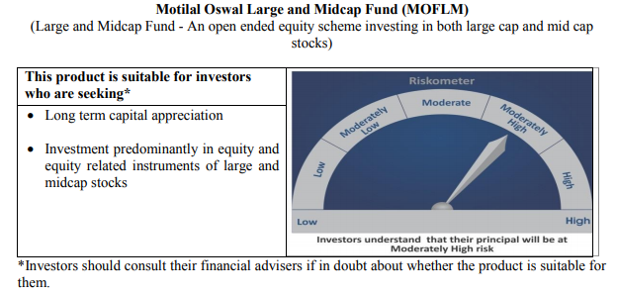
 | Motilal Oswal Large and Midcap Fund
 | Portfolio as on August 31, 2020

Sr. No. | Name of Instrument |  |  | ISIN | Rating / Industry | Quantity | Market value (Rs. In lakhs) | % to Net Assets |  | Security Type | Sector / Rating | Percent
 |  |  |  |  |  |  |  |  |  |  | Banks | 19.93%
 | EQUITY & EQUITY RELATED |  |  |  |  |  |  |  |  |  | Finance | 14.34%
 | Listed / awaiting listing on the stock exchanges |  |  |  |  |  |  |  |  |  | Consumer Non Durables | 13.81%
1 | ICICI Bank Limited |  |  | INE090A01021 | Banks | 880000 | 3,472.48 | 7.30% | Listed | EQUITY | Consumer Durables | 8.77%
2 | HDFC Bank Limited |  |  | INE040A01034 | Banks | 310000 | 3,459.14 | 7.27% |  |  | Construction | 5.60%
3 | Max Financial Services Limited |  |  | INE180A01020 | Finance | 510000 | 3,005.18 | 6.32% |  |  | Telecom - Services | 4.69%
4 | Bharti Airtel Limited |  |  | INE397D01024 | Telecom - Services | 435000 | 2,231.99 | 4.69% |  |  | Pharmaceuticals | 4.64%
5 | Torrent Pharmaceuticals Limited |  |  | INE685A01028 | Pharmaceuticals | 82943 | 2,207.61 | 4.64% |  |  | Software | 4.62%
6 | Jubilant Foodworks Limited |  |  | INE797F01012 | Consumer Non Durables | 100714 | 2,111.97 | 4.44% |  |  | Auto Ancillaries | 4.10%
7 | United Breweries Limited |  |  | INE686F01025 | Consumer Non Durables | 194000 | 1,960.66 | 4.12% |  |  | Healthcare Services | 3.76%
8 | Dr. Lal Path Labs Limited |  |  | INE600L01024 | Healthcare Services | 100790 | 1,788.87 | 3.76% |  |  | Commercial Services | 3.17%
9 | Hindustan Unilever Limited |  |  | INE030A01027 | Consumer Non Durables | 84000 | 1,778.57 | 3.74% |  |  | Cement | 2.84%
10 | Muthoot Finance Limited |  |  | INE414G01012 | Finance | 148171 | 1,699.15 | 3.57% |  |  | Construction Project | 2.52%
11 | Whirlpool of India Limited |  |  | INE716A01013 | Consumer Durables | 79718 | 1,691.10 | 3.55% |  |  | Auto | 2.13%
12 | Axis Bank Limited |  |  | INE238A01034 | Banks | 330000 | 1,639.28 | 3.45% |  |  | Gas | 2.12%
13 | The Phoenix Mills Limited |  |  | INE211B01039 | Construction | 251046 | 1,618.87 | 3.40% |  |  | Textile Products | 1.78%
14 | 3M India Limited |  |  | INE470A01017 | Commercial Services | 7451 | 1,509.90 | 3.17% |  |  | Cash & Equivalent | 1.19%
15 | Birla Corporation Limited |  |  | INE340A01012 | Cement | 219000 | 1,349.48 | 2.84%
16 | Crompton Greaves Consumer Electricals Limited |  |  | INE299U01018 | Consumer Durables | 490513 | 1,333.21 | 2.80%
17 | Tata Consultancy Services Limited |  |  | INE467B01029 | Software | 57000 | 1,286.63 | 2.70%
18 | Cholamandalam Investment and Finance Company Limited |  |  | INE121A01024 | Finance | 533780 | 1,239.44 | 2.60%
19 | Larsen & Toubro Limited |  |  | INE018A01030 | Construction Project | 127000 | 1,200.09 | 2.52%
20 | VIP Industries Limited |  |  | INE054A01027 | Consumer Durables | 404567 | 1,146.75 | 2.41%
21 | Kajaria Ceramics Limited |  |  | INE217B01036 | Construction | 240000 | 1,046.76 | 2.20%
22 | Maruti Suzuki India Limited |  |  | INE585B01010 | Auto | 14800 | 1,012.31 | 2.13%
23 | Gujarat Gas Limited |  |  | INE844O01030 | Gas | 310000 | 1,008.90 | 2.12%
24 | MRF Limited |  |  | INE883A01011 | Auto Ancillaries | 1715 | 994.48 | 2.09%
25 | Balkrishna Industries Limited |  |  | INE787D01026 | Auto Ancillaries | 72385 | 956.86 | 2.01%
26 | Kotak Mahindra Bank Limited |  |  | INE237A01028 | Banks | 65000 | 910.88 | 1.91%
27 | Infosys Limited |  |  | INE009A01021 | Software | 98000 | 910.03 | 1.91%
28 | Housing Development Finance Corporation Limited |  |  | INE001A01036 | Finance | 48000 | 879.65 | 1.85%
29 | Page Industries Limited |  |  | INE761H01022 | Textile Products | 4450 | 844.95 | 1.78%
30 | Asian Paints Limited |  |  | INE021A01026 | Consumer Non Durables | 38000 | 721.66 | 1.52%
 | Total |  |  |  |  |  | 47,016.83 | 98.81%

27 | CBLO / Reverse Repo Investments |  |  |  |  | 624000 | 624.00 | 1.31% |  | Deposits
 | Total |  |  |  |  |  | 624.00 | 1.31%

 | Cash & Cash Equivalents
 | Net Receivable/Payable |  |  |  |  |  | (57.07) | -0.12%
 | Total |  |  |  |  |  | (57.07) | -0.12%
 | Grand Total |  |  |  |  |  | 47,583.76 | 100.00%

 | Total Expense Ratio
 | Direct Plan : | 0.64%
 | Regular Plan : | 2.50%

 | NAV |  | Direct Dividend Plan | 9.8781
 |  |  | Direct Growth Plan | 9.8781
 |  |  | Regular Dividend Plan | 9.7270
 |  |  | Regular Growth Plan | 9.7269

 | Monthly AAUM in Crores |  |  | 469.96

 | Latest AUM (31 August 2020 ) in Crores |  |  | 475.83756557

 | Portfolio Turnover Ratio |  |  | 0.29

Dynamic Fund
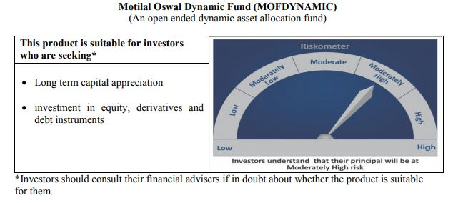
 | Motilal Oswal Dynamic Fund
 | Portfolio as on August 31, 2020

Sr. No. | Name of Instrument |  |  | ISIN | Rating / Industry | Quantity | Market value (Rs. In lakhs) | % to Net Assets |  |  | Sector / Rating | Percent
 |  |  |  |  |  |  |  |  |  |  | Banks | 20.29%
 | EQUITY & EQUITY RELATED |  |  |  |  |  |  |  |  |  | Finance | 14.50%
 | Listed / awaiting listing on the stock exchanges |  |  |  |  |  |  |  |  |  | Consumer Non Durables | 9.11%
1 | Axis Bank Limited |  |  | INE238A01034 | Banks | 1336800 | 6,640.55 | 5.90% | Listed |  | Auto | 6.78%
2 | Reliance Industries Limited |  |  | INE002A01018 | Petroleum Products | 313000 | 6,512.59 | 5.79% |  |  | Petroleum Products | 5.79%
3 | ICICI Bank Limited |  |  | INE090A01021 | Banks | 1637625 | 6,462.07 | 5.74% |  |  | Sovereign | 5.74%
4 | HDFC Bank Limited |  |  | INE040A01034 | Banks | 449000 | 5,010.17 | 4.45% |  |  | Software | 5.19%
5 | HDFC Life Insurance Company Limited |  |  | INE795G01014 | Finance | 868000 | 4,989.26 | 4.43% |  |  | CRISIL AAA | 4.64%
6 | Maruti Suzuki India Limited |  |  | INE585B01010 | Auto | 52000 | 3,556.77 | 3.16% |  |  | Telecom - Services | 2.20%
7 | Infosys Limited |  |  | INE009A01021 | Software | 362000 | 3,361.53 | 2.99% |  |  | Consumer Durables | 1.72%
8 | Housing Development Finance Corporation Limited |  |  | INE001A01036 | Finance | 180000 | 3,298.68 | 2.93% |  |  | Pharmaceuticals | 1.31%
9 | Bajaj Finance Limited |  |  | INE296A01024 | Finance | 90500 | 3,156.46 | 2.81% |  |  | Gas | 1.27%
10 | Eicher Motors Limited |  |  | INE066A01021 | Auto | 136000 | 2,845.12 | 2.53% |  |  | Cash & Equivalent | 21.46%
11 | AU Small Finance Bank Limited |  |  | INE949L01017 | Banks | 387000 | 2,585.16 | 2.30%
12 | Tata Consultancy Services Limited |  |  | INE467B01029 | Software | 110000 | 2,482.98 | 2.21%
13 | Bharti Airtel Limited |  |  | INE397D01024 | Telecom - Services | 483000 | 2,478.27 | 2.20%
14 | Britannia Industries Limited |  |  | INE216A01030 | Consumer Non Durables | 63256 | 2,356.95 | 2.09%
15 | Asian Paints Limited |  |  | INE021A01026 | Consumer Non Durables | 121000 | 2,297.91 | 2.04%
16 | ICICI Lombard General Insurance Company Limited |  |  | INE765G01017 | Finance | 174000 | 2,186.66 | 1.94%
17 | Kotak Mahindra Bank Limited |  |  | INE237A01028 | Banks | 152000 | 2,130.05 | 1.89%
18 | Hindustan Unilever Limited |  |  | INE030A01027 | Consumer Non Durables | 95924 | 2,031.05 | 1.81%
19 | United Spirits Limited |  |  | INE854D01024 | Consumer Non Durables | 356000 | 1,946.07 | 1.73%
20 | Titan Company Limited |  |  | INE280A01028 | Consumer Durables | 176000 | 1,936.88 | 1.72%
21 | Nestle India Limited |  |  | INE239A01016 | Consumer Non Durables | 10150 | 1,618.88 | 1.44%
22 | Alkem Laboratories Limited |  |  | INE540L01014 | Pharmaceuticals | 54000 | 1,470.26 | 1.31%
23 | Petronet LNG Limited |  |  | INE347G01014 | Gas | 594000 | 1,427.68 | 1.27%
24 | Muthoot Finance Limited |  |  | INE414G01012 | Finance | 113000 | 1,295.83 | 1.15%
25 | Hero MotoCorp Limited |  |  | INE158A01026 | Auto | 41000 | 1,232.48 | 1.10%
26 | HDFC Asset Management Company Limited |  |  | INE127D01025 | Finance | 30000 | 723.27 | 0.64%
27 | Nippon Life India Asset Management Limited |  |  | INE298J01013 | Finance | 245000 | 667.87 | 0.59%
 | Total |  |  |  |  |  | 76,701.45 | 68.17% | Listed

 | Fixed Deposit
1 | HDFC Bank Limited |  |  |  | Unrated | 300000000 | 3,000.00 | 2.67%
 | Total |  |  |  |  |  | 3,000.00 | 2.67%

 | DERIVATIVES
1 | Axis Bank Limited |  |  |  |  | -1,336,800 | (6,653.92) | -5.91%
2 | ICICI Bank Limited |  |  |  |  | -1,637,625 | (6,480.90) | -5.76%
 | Total |  |  |  |  |  | (13,134.82) | -11.67%

 | State Government Bond
1 | 8.90% TAMILNADU SDL-20-Sep-2022 |  |  | IN3120120065 | Sovereign | 3000000 | 3,239.18 | 2.88%
2 | 8.48% KARNATAKA SDL-17-Oct-2022 |  |  | IN1920180024 | Sovereign | 3000000 | 3,219.81 | 2.86%
 | Total |  |  |  |  |  | 6,458.99 | 5.74%

 | BONDS & NCDs
 | Listed / awaiting listing on the stock exchanges
1 | Housing Development Finance Corporation Limited |  |  | INE001A07SD3 | CRISIL AAA | 5000000 | 5,216.44 | 4.64%
 | Total |  |  |  |  |  | 5,216.44 | 4.64%

51 | CBLO / Reverse Repo Investments |  |  |  |  | 18112000 | 18,112.00 | 16.10% |  | Deposits
 | Total |  |  |  |  |  | 18,112.00 | 16.10%

 | Cash & Cash Equivalents
 | Net Receivable/Payable |  |  |  |  |  | 16,165.64 | 14.37%
 | Total |  |  |  |  |  | 16,165.64 | 14.37%
 | Grand Total |  |  |  |  |  | 112,519.69 | 100.00%

 | Total Expense Ratio
 | Direct Plan : | 0.82%
 | Regular Plan : | 2.22%

 | NAV |  | Direct Growth Plan |  | 13.9761
 |  |  | Direct Plan - Annual Dividend |  | 12.83
 |  |  | Direct Plan - Quarterly Dividend |  | 11.7487
 |  |  | Regular Growth Plan |  | 13.3686
 |  |  | Regular Plan - Annual Dividend |  | 12.5752
 |  |  | Regular Plan - Quarterly Dividend |  | 11.7794

 | Monthly AAUM in Crores |  |  |  | 1,123.53

 | Latest AUM (31 August 2020 ) in Crores |  |  |  | 1125.19692269

 | Portfolio Turnover Ratio |  |  |  | 3.43

 | Quarterly Dividend (Direct Plan)
 | Record Date Dividend Option | Dividend per Unit (Rs.) | Cum Dividend NAV | EX Dividend NAV
 | 31-Jul-20 | 0.300000 | 12.0421 | 11.7421
 | 5-May-20 | 0.300000 | 10.7238 | 10.4248
 | 15-Jan-20 | 0.200000 | 12.4614 | 12.2614
 | 31-Oct-19 | 0.150000 | 12.3489 | 12.1989
 | 30-Jul-19 | 0.200000 | 11.6058 | 11.4058
 | 21-Jan-19 | 0.300000 | 11.5864 | 11.2864

 | Quarterly Dividend (Regular Plan)
 | Record Date Dividend Option | Dividend per Unit (Rs.) | Cum Dividend NAV | EX Dividend NAV
 | 31-Jul-20 | 0.300000 | 12.0868 | 11.7868
 | 5-May-20 | 0.238542 | 10.7364 | 10.4978
 | 15-Jan-20 | 0.050000 | 12.3753 | 12.3253
 | 21-Jan-19 | 0.300000 | 11.2969 | 10.9969

 | Annual Dividend( Direct Plan)
 | Record Date (March 20, 2018) | Dividend per Unit (Rs.) | Cum Dividend NAV | EX Dividend NAV
 | 23-Oct-17 | 0.2600 | 11.8446 | 11.5846
 | 20-Mar-18 | 0.1199 | 11.8554 | 11.7355
 | 28-Mar-19 | 0.2681 | 12.1778 | 11.9097
 | 23-Mar-20 | 0.3185 | 10.3185 | 10.0000

 | Annual Dividend( Regular Plan)
 | Record Date (March 28, 2019) | Dividend per Unit (Rs.) | Cum Dividend NAV | EX Dividend NAV
 | 23-Oct-17 | 0.2600 | 11.6879 | 11.4279
 | 28-Mar-19 | 0.3000 | 11.8144 | 11.5144
 | 20-Mar-18 | 0.1500 | 11.6473 | 11.4973

Equity Hybrid
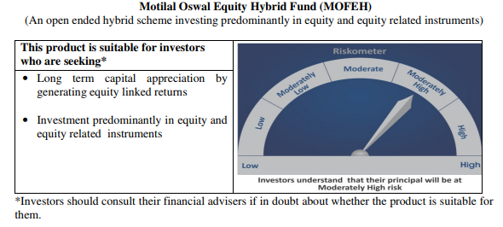
 | Motilal Oswal Equity Hybrid Fund
 | Portfolio as on August 31, 2020

Sr. No. | Name of Instrument |  |  | ISIN | Rating / Industry | Quantity | Market value (Rs. In lakhs) | % to Net Assets | Security Type | Sector / Rating | Percent
 |  |  |  |  |  |  |  |  |  | Banks | 13.44%
 | EQUITY & EQUITY RELATED |  |  |  |  |  |  |  |  | Finance | 12.88%
 | (A) Listed / awaiting listing on the stock exchanges |  |  |  |  |  |  |  |  | Sovereign | 11.83%
1 | HDFC Bank Limited |  |  | INE040A01034 | Banks | 184,159.00 | 2,054.94 | 6.04% | EQUITY | Software | 8.83%
2 | Housing Development Finance Corporation Limited |  |  | INE001A01036 | Finance | 110,221.00 | 2,019.91 | 5.94% |  | Pharmaceuticals | 7.85%
3 | Reliance Industries Limited |  |  | INE002A01018 | Petroleum Products | 77,500.00 | 1,612.54 | 4.74% |  | Petroleum Products | 5.86%
4 | Tata Consultancy Services Limited |  |  | INE467B01029 | Software | 70,627.00 | 1,594.23 | 4.68% |  | Auto | 3.84%
5 | Kotak Mahindra Bank Limited |  |  | INE237A01028 | Banks | 104,640.00 | 1,466.37 | 4.31% |  | Transportation | 3.71%
6 | Infosys Limited |  |  | INE009A01021 | Software | 152,000.00 | 1,411.47 | 4.15% |  | Pesticides | 3.62%
7 | HDFC Life Insurance Company Limited |  |  | INE795G01014 | Finance | 223,186.00 | 1,282.87 | 3.77% |  | CRISIL AAA | 3.10%
8 | PI Industries Limited |  |  | INE603J01030 | Pesticides | 59,615.00 | 1,096.02 | 3.22% |  | ICRA A1+ | 2.91%
9 | ICICI Bank Limited |  |  | INE090A01021 | Banks | 267,118.00 | 1,054.05 | 3.10% |  | Industrial Capital Goods | 2.75%
10 | Abbott India Limited |  |  | INE358A01014 | Pharmaceuticals | 6,359.00 | 1,041.42 | 3.06% |  | Cement | 2.47%
11 | Procter & Gamble Health Limited |  |  | INE199A01012 | Pharmaceuticals | 17,982.00 | 862.59 | 2.53% |  | Retailing | 2.03%
12 | Shree Cement Limited |  |  | INE070A01015 | Cement | 4,151.00 | 841.95 | 2.47% |  | Consumer Non Durables | 1.80%
13 | Dr. Reddy's Laboratories Limited |  |  | INE089A01023 | Pharmaceuticals | 18,002.00 | 767.73 | 2.26% |  | Textile Products | 1.09%
14 | Avenue Supermarts Limited |  |  | INE192R01011 | Retailing | 30,763.00 | 692.55 | 2.03% |  | Telecom - Services | 0.87%
15 | Eicher Motors Limited |  |  | INE066A01021 | Auto | 32,060.00 | 670.70 | 1.97% |  | Cash & Equivalent | 11.09%
16 | Maruti Suzuki India Limited |  |  | INE585B01010 | Auto | 9,295.00 | 635.77 | 1.87%
17 | Container Corporation of India Limited |  |  | INE111A01025 | Transportation | 158,230.00 | 621.84 | 1.83%
18 | Hindustan Unilever Limited |  |  | INE030A01027 | Consumer Non Durables | 29,000.00 | 614.03 | 1.80%
19 | CRISIL Limited |  |  | INE007A01025 | Finance | 34,000.00 | 595.22 | 1.75%
20 | ABB India Limited |  |  | INE117A01022 | Industrial Capital Goods | 53,433.00 | 508.01 | 1.49%
21 | ICICI Lombard General Insurance Company Limited |  |  | INE765G01017 | Finance | 38,629.00 | 485.45 | 1.43%
22 | Honeywell Automation India Limited |  |  | INE671A01010 | Industrial Capital Goods | 1,313.00 | 428.35 | 1.26%
23 | Mahindra Logistics Limited |  |  | INE766P01016 | Transportation | 109,311.00 | 392.92 | 1.15%
24 | Castrol India Limited |  |  | INE172A01027 | Petroleum Products | 319,385.00 | 382.94 | 1.13%
25 | Page Industries Limited |  |  | INE761H01022 | Textile Products | 1,959.00 | 371.97 | 1.09%
26 | Bharti Airtel Limited |  |  | INE397D01024 | Telecom - Services | 58,000.00 | 297.60 | 0.87%
27 | Gujarat Pipavav Port Limited |  |  | INE517F01014 | Transportation | 309,634.00 | 247.55 | 0.73%
28 | Bayer Cropscience Limited |  |  | INE462A01022 | Pesticides | 2,328.00 | 135.37 | 0.40%
 | Total |  |  |  |  |  | 24,186.38 | 71.07%

 | BONDS & NCDs
 | Listed / awaiting listing on the stock exchanges
1 | Housing Development Finance Corporation Limited |  |  | INE001A07RU9 | CRISIL AAA | 1000000 | 1,050.19 | 3.09%
2 | Britannia Industries Limited |  |  | INE216A07052 | CRISIL AAA | 16599 | 5.30 | 0.02%
 | Total |  |  |  |  |  | 1,055.48 | 3.10%

 | State Government Bond
 | Listed / awaiting listing on the stock exchanges
1 | 6.81% MAHARASHTRA SDL-08-Nov-2022 |  |  | IN2220170145 | Sovereign | 4000000 | 4,024.84 | 11.83%
 | Total |  |  |  |  |  | 4,024.84 | 11.83%

 | MONEY MARKET INSTRUMENT
 | CERTIFICATE OF DEPOSIT
1 | Axis Bank Limited |  |  | INE238A166S7 | ICRA A1+ | 1000000 | 990.04 | 2.91%
 | Total |  |  |  |  |  | 990.04 | 2.91%

53 | CBLO / Reverse Repo Investments |  |  |  |  | 3688000 | 3,688.00 | 10.84% | Deposits
 | Total |  |  |  |  |  | 3,688.00 | 10.84%

 | Cash & Cash Equivalents
 | Net Receivable/Payable |  |  |  |  |  | 87.38 | 0.26%
 | Total |  |  |  |  |  | 87.38 | 0.26%
 | Grand Total |  |  |  |  |  | 34,032.12 | 100.00%

 | Total Expense Ratio
 | Direct Plan : | 0.64%
 | Regular Plan : | 2.53%

 | NAV |  | Direct Growth Plan |  | 11.8094
 |  |  | Regular Growth Plan |  | 11.4438

 | Monthly AAUM in Crores |  |  |  | 340.32

 | Latest AUM (31 August 2020 ) in Crores |  |  |  | 340.3211775

 | Portfolio Turnover Ratio |  |  |  | 0.65

Liquid Fund
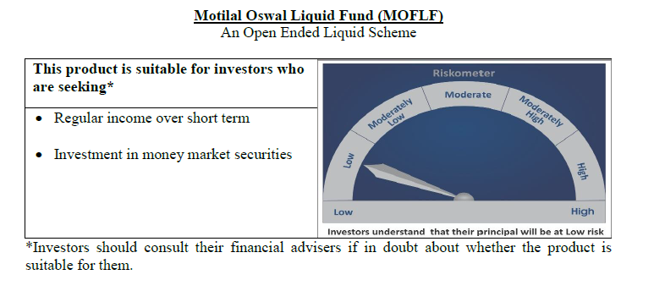
 | Motilal Oswal Liquid Fund
 | Portfolio as on August 31, 2020

Sr. No. | Name of Instrument |  |  | ISIN | Rating / Industry | Quantity | Market value (Rs. In lakhs) | % to Net Assets | Security Type | Sector / Rating | Percent
 |  |  |  |  |  |  |  |  |  | Sovereign | 78.69%
 | Unlisted |  |  |  |  |  |  |  |  | FITCH A1+ | 3.42%
 | MONEY MARKET INSTRUMENT |  |  |  |  |  |  |  |  | CRISIL A1+ | 3.42%
 | Treasury Bill |  |  |  |  |  |  |  |  | Cash & Equivalent | 14.48%
1 | 91 Days Tbill - 10-Sep-2020 |  |  | IN002020X126 | Sovereign | 15000000 | 14,988.39 | 20.58%
2 | 182 Days Tbill - 19-Nov-2020 |  |  | IN002020Y074 | Sovereign | 12500000 | 12,411.89 | 17.04%
3 | 91 Days Tbill - 24-Sep-2020 |  |  | IN002020X142 | Sovereign | 10000000 | 9,979.88 | 13.70%
4 | 364 Days Tbill - 01-Oct-2020 |  |  | IN002019Z289 | Sovereign | 10000000 | 9,973.48 | 13.69%
5 | 91 Days Tbill - 22-Oct-2020 |  |  | IN002020X183 | Sovereign | 10000000 | 9,954.86 | 13.67%
 | Total |  |  |  |  |  | 57,308.50 | 78.69%

 | MONEY MARKET INSTRUMENT
 | CERTIFICATE OF DEPOSIT
1 | Bank of Baroda |  |  | INE028A16CB5 | FITCH A1+ | 2500000 | 2,490.16 | 3.42%
2 | Axis Bank Limited |  |  | INE238A165R1 | CRISIL A1+ | 2500000 | 2,487.34 | 3.42%
 | Total |  |  |  |  |  | 4,977.50 | 6.83%

53 | CBLO / Reverse Repo Investments |  |  |  |  | 14296000 | 14,296.00 | 19.63% | Deposits
 | Total |  |  |  |  |  | 14,296.00 | 19.63%

 | Cash & Cash Equivalents
 | Net Receivable/Payable |  |  |  |  |  | (3,753.55) | -5.15%
 | Total |  |  |  |  |  | (3,753.55) | -5.15%
 | Grand Total |  |  |  |  |  | 72,828.44 | 100.00%

 | Total Expense Ratio
 | Direct Plan : | 0.21%
 | Regular Plan : | 0.36%

 | NAV |  | Direct Growth Plan |  | 10.8501
 |  |  | Direct Plan - Daily Dividend |  | 10.0077
 |  |  | Direct Plan - Monthly Dividend |  | 10.0326
 |  |  | Direct Plan - Quarterly Dividend |  | 10.0581
 |  |  | Direct Plan - Weekly Dividend |  | 10.0084
 |  |  | Direct Plan - Fortnightly Dividend |  | 10.0069
 |  |  | Regular Growth Plan |  | 10.8225
 |  |  | Regular Plan - Daily Dividend |  | 10.0055
 |  |  | Regular Plan - Monthly Dividend |  | 10.0324
 |  |  | Regular Plan - Weekly Dividend |  | 10.0154
 |  |  | Regular Plan - Fortnightly Dividend |  | 10.0066
 |  |  | Regular Plan - Quarterly Dividend |  | 10.0524
 |  |  | Unclaimed Dividend Plan Below 3 years |  | 10.5382
 |  |  | Unclaimed Redemption Plan Below 3 years |  | 10.3441

 | Monthly AAUM in Crores |  |  |  | 731.37

 | Latest AUM (31 August 2020 ) in Crores |  |  |  | 728.28443048

 | Monthly Dividend (Direct Plan)
 | Record Date Dividend Option | Dividend per Unit (Rs.) | Cum Dividend NAV | EX Dividend NAV
 | 28-Aug-20 | 0.023519 | 10.0535 | 10.0300
 | 31-Jul-20 | 0.028138 | 10.0581 | 10.0300
 | 26-Jun-20 | 0.021183 | 10.0512 | 10.0300

 | Monthly Dividend (Regular Plan)
 | Record Date Dividend Option | Dividend per Unit (Rs.) | Cum Dividend NAV | EX Dividend NAV
 | 28-Aug-20 | 0.022127 | 10.0521 | 10.0300
 | 31-Jul-20 | 0.032714 | 10.0627 | 10.0300
 | 26-Jun-20 | 0.019733 | 10.0497 | 10.0300

 | Quarterly Dividend (Direct Plan)
 | Record Date Dividend Option | Dividend per Unit (Rs.) | Cum Dividend NAV | EX Dividend NAV
 | 26-Jun-20 | 0.086490 | 10.0914 | 10.0034
 | 27-Mar-20 | 0.112873 | 10.1163 | 10.0034
 | 27-Dec-19 | 0.120541 | 10.1240 | 10.0034

 | Quarterly Dividend (Regular Plan)
 | Record Date Dividend Option | Dividend per Unit (Rs.) | Cum Dividend NAV | EX Dividend NAV
 | 26-Jun-20 | 0.439166 | 10.4426 | 10.0034

USTBF
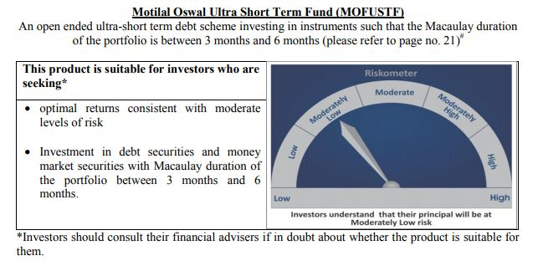
 | Motilal Oswal Ultra Short Term Fund
 | Portfolio as on August 31, 2020

Sr. No. | Name of Instrument |  |  | ISIN | Rating / Industry | Quantity | Market value (Rs. In lakhs) | % to Net Assets | Security Type | Sector / Rating | Percent
 |  |  |  |  |  |  |  |  |  | Sovereign | 81.00%
 | MONEY MARKET INSTRUMENT |  |  |  |  |  |  |  |  | Cash & Equivalent | 19.00%
 | Treasury Bill
1 | 364 Days TBILL - 10-Sep-2020 |  |  | IN002019Z255 | Sovereign | 3000000 | 2,997.68 | 81.00%
 | Total |  |  |  |  |  | 2,997.68 | 81.00%

4 | CBLO / Reverse Repo Investments |  |  |  |  | 661000 | 661.00 | 17.86% | Deposits
 | Total |  |  |  |  |  | 661.00 | 17.86%

 | Cash & Cash Equivalents
 | Net Receivable/Payable |  |  |  |  |  | 42.23 | 1.14%
 | Total |  |  |  |  |  | 42.23 | 1.14%
 | Grand Total |  |  |  |  |  | 3,700.90 | 100.00%

 | Total Expense Ratio
 | Direct Plan : | 0.08%
 | Regular Plan : | 0.08%

 | NAV |  | Direct Growth Plan |  | 13.6898
 |  |  | Direct Plan - Daily Dividend |  | 9.6617
 |  |  | Direct Plan - Fortnightly Dividend |  | 9.6798
 |  |  | Direct Plan - Monthly Dividend |  | 9.6686
 |  |  | Direct Plan - Quarterly Dividend |  | 9.8076
 |  |  | Direct Plan - Weekly Dividend |  | 9.6724
 |  |  | Regular Growth Plan |  | 13.3122
 |  |  | Regular Plan - Daily Dividend |  | 9.6652
 |  |  | Regular Plan - Fortnightly Dividend |  | 9.6755
 |  |  | Regular Plan - Monthly Dividend |  | 9.6657
 |  |  | Regular Plan - Quarterly Dividend |  | 9.8062
 |  |  | Regular Plan - Weekly Dividend |  | 9.6686

 | Monthly AAUM in Crores |  |  |  | 37.51

 | Latest AUM (31 August 2020 ) in Crores |  |  |  | 37.009032704

 | Dividend History
 | Quarterly Dividend (Direct Plan)
 | Record Date Dividend Option | Dividend per Unit (Rs.) | Cum Dividend NAV | EX Dividend NAV
 | 29-Dec-17 | 0.139900 | 10.1607 | 10.0208
 | 3-Apr-18 | 0.157100 | 10.1932 | 10.0361
 | 29-Jun-18 | 0.162900 | 10.1885 | 10.0256

 | Quarterly Dividend (Regular Plan)
 | Record Date Dividend Option | Dividend per Unit (Rs.) | Cum Dividend NAV | EX Dividend NAV
 | 29-Dec-17 | 0.128300 | 10.1596 | 10.0313
 | 3-Apr-18 | 0.145200 | 10.1917 | 10.0465
 | 29-Jun-18 | 0.151700 | 10.1876 | 10.0359

 | Monthly Dividend (Direct Plan)
 | Record Date Dividend Option | Dividend per Unit (Rs.) | Cum Dividend NAV | EX Dividend NAV
 | 29-Jun-18 | 0.085576 | 10.0860 | 10.0004
 | 27-Jul-18 | 0.052676 | 10.0531 | 10.0004
 | 31-Aug-18 | 0.065273 | 10.0657 | 10.0004

 | Monthly Dividend (Regular Plan)
 | Record Date Dividend Option | Dividend per Unit (Rs.) | Cum Dividend NAV | EX Dividend NAV
 | 29-Jun-18 | 0.081535 | 10.0827 | 10.0012
 | 27-Jul-18 | 0.049133 | 10.0503 | 10.0012
 | 31-Aug-18 | 0.060833 | 10.0619 | 10.0011

M50
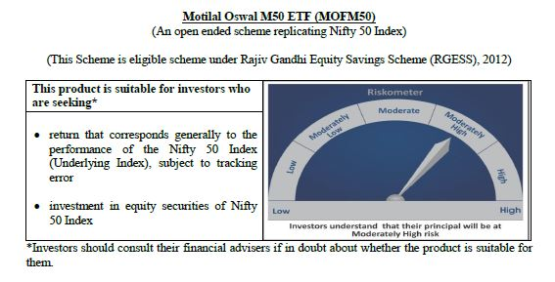
 | Motilal Oswal M50 ETF
 | Portfolio as on August 31, 2020

Sr. No. | Name of Instrument |  |  | ISIN | Rating / Industry | Quantity | Market value (Rs. In lakhs) | % to Net Assets |  | Security Type | Sector / Rating | Percent
 |  |  |  |  |  |  |  |  |  |  | Banks | 24.25%
 |  |  |  |  |  |  |  |  |  |  | Software | 15.24%
 | EQUITY & EQUITY RELATED |  |  |  |  |  |  |  |  |  | Petroleum Products | 14.73%
 | (A) Listed / awaiting listing on the stock exchanges |  |  |  |  |  |  |  |  |  | Consumer Non Durables | 11.19%
1 | Reliance Industries Limited |  |  | INE002A01018 | Petroleum Products | 18802 | 391.21 | 13.60% | Listed | EQUITY | Finance | 10.08%
2 | HDFC Bank Limited |  |  | INE040A01034 | Banks | 25709 | 286.87 | 9.98% |  |  | Auto | 5.81%
3 | Infosys Limited |  |  | INE009A01021 | Software | 21727 | 201.76 | 7.02% |  |  | Pharmaceuticals | 2.97%
4 | Housing Development Finance Corporation Limited |  |  | INE001A01036 | Finance | 10260 | 188.02 | 6.54% |  |  | Telecom - Services | 2.54%
5 | ICICI Bank Limited |  |  | INE090A01021 | Banks | 38412 | 151.57 | 5.27% |  |  | Construction Project | 2.38%
6 | Tata Consultancy Services Limited |  |  | INE467B01029 | Software | 6232 | 140.67 | 4.89% |  |  | Cement | 2.04%
7 | Kotak Mahindra Bank Limited |  |  | INE237A01028 | Banks | 8686 | 121.72 | 4.23% |  |  | Power | 1.91%
8 | Hindustan Unilever Limited |  |  | INE030A01027 | Consumer Non Durables | 5296 | 112.13 | 3.90% |  |  | Ferrous Metals | 1.20%
9 | ITC Limited |  |  | INE154A01025 | Consumer Non Durables | 51769 | 98.93 | 3.44% |  |  | Consumer Durables | 0.95%
10 | Bharti Airtel Limited |  |  | INE397D01024 | Telecom - Services | 14239 | 73.06 | 2.54% |  |  | Oil | 0.62%
11 | Larsen & Toubro Limited |  |  | INE018A01030 | Construction Project | 7245 | 68.46 | 2.38% |  |  | Minerals/Mining | 0.58%
12 | Axis Bank Limited |  |  | INE238A01034 | Banks | 13391 | 66.52 | 2.31% |  |  | Pesticides | 0.57%
13 | Bajaj Finance Limited |  |  | INE296A01024 | Finance | 1570 | 54.76 | 1.90% |  |  | Non - Ferrous Metals | 0.56%
14 | Maruti Suzuki India Limited |  |  | INE585B01010 | Auto | 788 | 53.90 | 1.87% |  |  | Transportation | 0.55%
15 | Asian Paints Limited |  |  | INE021A01026 | Consumer Non Durables | 2674 | 50.78 | 1.77% |  |  | Media & Entertainment | 0.38%
16 | State Bank of India |  |  | INE062A01020 | Banks | 22764 | 48.26 | 1.68% |  |  | Gas | 0.36%
17 | HCL Technologies Limited |  |  | INE860A01027 | Software | 6439 | 44.71 | 1.55% |  |  | Telecom - Equipment & Accessories | 0.35%
18 | Mahindra & Mahindra Limited |  |  | INE101A01026 | Auto | 5678 | 34.46 | 1.20% |  |  | Cash & Equivalent | 0.75%
19 | Nestle India Limited |  |  | INE239A01016 | Consumer Non Durables | 212 | 33.81 | 1.18%
20 | Sun Pharmaceutical Industries Limited |  |  | INE044A01036 | Pharmaceuticals | 6405 | 33.32 | 1.16%
21 | Dr. Reddy's Laboratories Limited |  |  | INE089A01023 | Pharmaceuticals | 720 | 30.71 | 1.07%
22 | NTPC Limited |  |  | INE733E01010 | Power | 28759 | 27.72 | 0.96%
23 | Titan Company Limited |  |  | INE280A01028 | Consumer Durables | 2475 | 27.24 | 0.95%
24 | Power Grid Corporation of India Limited |  |  | INE752E01010 | Power | 15206 | 27.21 | 0.95%
25 | Tech Mahindra Limited |  |  | INE669C01036 | Software | 3668 | 27.18 | 0.95%
26 | UltraTech Cement Limited |  |  | INE481G01011 | Cement | 685 | 26.74 | 0.93%
27 | Britannia Industries Limited |  |  | INE216A01030 | Consumer Non Durables | 699 | 26.05 | 0.91%
28 | HDFC Life Insurance Company Limited |  |  | INE795G01014 | Finance | 4312 | 24.79 | 0.86%
29 | Wipro Limited |  |  | INE075A01022 | Software | 8813 | 23.91 | 0.83%
30 | Hero MotoCorp Limited |  |  | INE158A01026 | Auto | 770 | 23.15 | 0.80%
31 | Bajaj Auto Limited |  |  | INE917I01010 | Auto | 772 | 22.91 | 0.80%
32 | IndusInd Bank Limited |  |  | INE095A01012 | Banks | 3579 | 22.55 | 0.78%
33 | Bajaj Finserv Limited |  |  | INE918I01018 | Finance | 359 | 22.22 | 0.77%
34 | Cipla Limited |  |  | INE059A01026 | Pharmaceuticals | 3013 | 21.50 | 0.75%
35 | Bharat Petroleum Corporation Limited |  |  | INE029A01011 | Petroleum Products | 4761 | 19.42 | 0.68%
36 | Tata Steel Limited |  |  | INE081A01012 | Ferrous Metals | 4410 | 18.21 | 0.63%
37 | Oil & Natural Gas Corporation Limited |  |  | INE213A01029 | Oil | 21641 | 17.73 | 0.62%
38 | Eicher Motors Limited |  |  | INE066A01021 | Auto | 830 | 17.36 | 0.60%
39 | Coal India Limited |  |  | INE522F01014 | Minerals/Mining | 12429 | 16.70 | 0.58%
40 | UPL Limited |  |  | INE628A01036 | Pesticides | 3263 | 16.51 | 0.57%
41 | JSW Steel Limited |  |  | INE019A01038 | Ferrous Metals | 6022 | 16.25 | 0.56%
42 | Hindalco Industries Limited |  |  | INE038A01020 | Non - Ferrous Metals | 8661 | 16.04 | 0.56%
43 | Shree Cement Limited |  |  | INE070A01015 | Cement | 79 | 16.02 | 0.56%
44 | Adani Ports and Special Economic Zone Limited |  |  | INE742F01042 | Transportation | 4459 | 15.86 | 0.55%
45 | Grasim Industries Limited |  |  | INE047A01021 | Cement | 2341 | 15.80 | 0.55%
46 | Tata Motors Limited |  |  | INE155A01022 | Auto | 10627 | 15.22 | 0.53%
47 | Indian Oil Corporation Limited |  |  | INE242A01010 | Petroleum Products | 15077 | 12.94 | 0.45%
48 | Zee Entertainment Enterprises Limited |  |  | INE256A01028 | Media & Entertainment | 5413 | 11.02 | 0.38%
49 | GAIL (India) Limited |  |  | INE129A01019 | Gas | 10969 | 10.49 | 0.36%
50 | Bharti Infratel Limited |  |  | INE121J01017 | Telecom - Equipment & Accessories | 5047 | 10.02 | 0.35%
 | Total |  |  |  |  |  | 2,854.41 | 99.25% | Listed

 | (B) Unlisted / awaiting listing on the stock exchanges
1 | Yes Bank Limited |  |  |  | Banks | 10040 | 0.00 | 0.00%
 | Total |  |  |  |  |  | 0.00 | 0.00%

 | MONEY MARKET INSTRUMENT
 | CBLO / Reverse Repo Investments |  |  |  |  | 2000 | 2.00 | 0.07%
 | Total |  |  |  |  |  | 2.00 | 0.07%

 | Cash & Cash Equivalents
 | Net Receivable/Payable |  |  |  |  |  | 19.45 | 0.68%
 | Total |  |  |  |  |  | 19.45 | 0.68%
 | Grand Total |  |  |  |  |  | 2,875.86 | 100.00%

 | Total Expense Ratio
 | Regular Plan : | 0.05%

 | NAV |  | Regular Growth Plan | 111.6975

 | Monthly AAUM in Crores |  |  | 28.56

 | Latest AUM (31 August 2020 ) in Crores |  |  | 28.75861263

 | Portfolio Turnover Ratio |  |  | 0.09

MCAP100
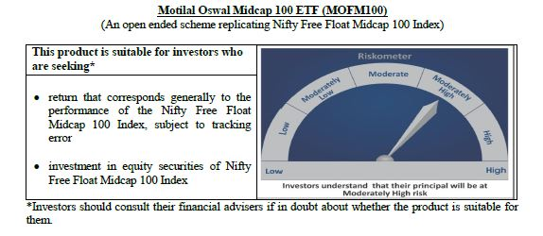
 | Motilal Oswal Midcap 100 ETF
 | Portfolio as on August 31, 2020

Sr. No. | Name of Instrument |  |  | ISIN | Rating / Industry | Quantity | Market value (Rs. In lakhs) | % to Net Assets |  | Security Type | Sector / Rating | Percent
 |  |  |  |  |  |  |  |  |  |  | Finance | 11.78%
 |  |  |  |  |  |  |  |  |  |  | Consumer Non Durables | 10.13%
 | EQUITY & EQUITY RELATED |  |  |  |  |  |  |  |  |  | Pharmaceuticals | 8.75%
 | Listed / awaiting listing on the stock exchanges |  |  |  |  |  |  |  |  |  | Banks | 8.10%
1 | Tata Consumer Products Limited |  |  | INE192A01025 | Consumer Non Durables | 33443 | 178.03 | 4.63% | Listed | EQUITY | Consumer Durables | 7.35%
2 | Jubilant Foodworks Limited |  |  | INE797F01012 | Consumer Non Durables | 4277 | 89.69 | 2.33% |  |  | Auto Ancillaries | 6.39%
3 | Apollo Hospitals Enterprise Limited |  |  | INE437A01024 | Healthcare Services | 5356 | 87.55 | 2.28% |  |  | Software | 5.22%
4 | Voltas Limited |  |  | INE226A01021 | Consumer Durables | 12930 | 82.07 | 2.13% |  |  | Industrial Products | 4.65%
5 | Trent Limited |  |  | INE849A01020 | Retailing | 12507 | 79.94 | 2.08% |  |  | Healthcare Services | 4.05%
6 | IPCA Laboratories Limited |  |  | INE571A01020 | Pharmaceuticals | 3807 | 71.86 | 1.87% |  |  | Auto | 3.80%
7 | Bharat Electronics Limited |  |  | INE263A01024 | Industrial Capital Goods | 66664 | 70.73 | 1.84% |  |  | Power | 3.57%
8 | Crompton Greaves Consumer Electricals Limited |  |  | INE299U01018 | Consumer Durables | 25916 | 70.44 | 1.83% |  |  | Retailing | 3.23%
9 | PI Industries Limited |  |  | INE603J01030 | Pesticides | 3775 | 69.40 | 1.80% |  |  | Gas | 3.12%
10 | Bharat Forge Limited |  |  | INE465A01025 | Industrial Products | 14038 | 68.95 | 1.79% |  |  | Industrial Capital Goods | 2.56%
11 | AU Small Finance Bank Limited |  |  | INE949L01017 | Banks | 10090 | 67.40 | 1.75% |  |  | Construction | 2.31%
12 | MRF Limited |  |  | INE883A01011 | Auto Ancillaries | 113 | 65.53 | 1.70% |  |  | Cement | 2.23%
13 | Max Financial Services Limited |  |  | INE180A01020 | Finance | 10836 | 63.85 | 1.66% |  |  | Pesticides | 1.80%
14 | SRF Limited |  |  | INE647A01010 | Industrial Products | 1539 | 62.39 | 1.62% |  |  | Ferrous Metals | 1.76%
15 | Alkem Laboratories Limited |  |  | INE540L01014 | Pharmaceuticals | 2269 | 61.78 | 1.61% |  |  | Chemicals | 1.35%
16 | The Federal Bank Limited |  |  | INE171A01029 | Banks | 111351 | 61.58 | 1.60% |  |  | Fertilisers | 1.20%
17 | Balkrishna Industries Limited |  |  | INE787D01026 | Auto Ancillaries | 4532 | 59.91 | 1.56% |  |  | Telecom - Services | 1.19%
18 | Larsen & Toubro Infotech Limited |  |  | INE214T01019 | Software | 2337 | 57.45 | 1.49% |  |  | Hotels, Resorts And Other Recreational Activities | 1.05%
19 | Tata Power Company Limited |  |  | INE245A01021 | Power | 95139 | 55.89 | 1.45% |  |  | Petroleum Products | 0.93%
20 | City Union Bank Limited |  |  | INE491A01021 | Banks | 41166 | 55.57 | 1.44% |  |  | Services | 0.76%
21 | REC Limited |  |  | INE020B01018 | Finance | 51823 | 55.01 | 1.43% |  |  | Construction Project | 0.72%
22 | Ashok Leyland Limited |  |  | INE208A01029 | Auto | 80313 | 54.33 | 1.41% |  |  | Media & Entertainment | 0.65%
23 | Aarti Industries Limited |  |  | INE769A01020 | Chemicals | 4964 | 52.01 | 1.35% |  |  | Oil | 0.49%
24 | Cholamandalam Investment and Finance Company Limited |  |  | INE121A01024 | Finance | 21968 | 51.01 | 1.33% |  |  | Non - Ferrous Metals | 0.48%
25 | LIC Housing Finance Limited |  |  | INE115A01026 | Finance | 16910 | 50.95 | 1.32% |  |  | Cash & Equivalent | 0.38%
26 | RBL Bank Limited |  |  | INE976G01028 | Banks | 25844 | 50.64 | 1.32%
27 | MphasiS Limited |  |  | INE356A01018 | Software | 4584 | 50.59 | 1.32%
28 | TVS Motor Company Limited |  |  | INE494B01023 | Auto | 11407 | 49.38 | 1.28%
29 | The Ramco Cements Limited |  |  | INE331A01037 | Cement | 7099 | 49.20 | 1.28%
30 | Godrej Properties Limited |  |  | INE484J01027 | Construction | 5065 | 46.26 | 1.20%
31 | Coromandel International Limited |  |  | INE169A01031 | Fertilisers | 6049 | 45.98 | 1.20%
32 | Vodafone Idea Limited |  |  | INE669E01016 | Telecom - Services | 449222 | 45.82 | 1.19%
33 | Jindal Steel & Power Limited |  |  | INE749A01030 | Ferrous Metals | 22209 | 45.55 | 1.18%
34 | Manappuram Finance Limited |  |  | INE522D01027 | Finance | 30673 | 45.40 | 1.18%
35 | Bata India Limited |  |  | INE176A01028 | Consumer Durables | 3375 | 43.84 | 1.14%
36 | Escorts Limited |  |  | INE042A01014 | Auto | 3903 | 42.45 | 1.10%
37 | Emami Limited |  |  | INE548C01032 | Consumer Non Durables | 11816 | 42.18 | 1.10%
38 | Exide Industries Limited |  |  | INE302A01020 | Auto Ancillaries | 25629 | 42.04 | 1.09%
39 | The Indian Hotels Company Limited |  |  | INE053A01029 | Hotels, Resorts And Other Recreational Activities | 39107 | 40.55 | 1.05%
40 | Pfizer Limited |  |  | INE182A01018 | Pharmaceuticals | 868 | 39.90 | 1.04%
41 | Glenmark Pharmaceuticals Limited |  |  | INE935A01035 | Pharmaceuticals | 8347 | 39.20 | 1.02%
42 | Natco Pharma Limited |  |  | INE987B01026 | Pharmaceuticals | 5181 | 38.95 | 1.01%
43 | Fortis Healthcare Limited |  |  | INE061F01013 | Healthcare Services | 29084 | 38.62 | 1.00%
44 | Varun Beverages Limited |  |  | INE200M01013 | Consumer Non Durables | 5161 | 37.98 | 0.99%
45 | Whirlpool of India Limited |  |  | INE716A01013 | Consumer Durables | 1772 | 37.59 | 0.98%
46 | Indiabulls Housing Finance Limited |  |  | INE148I01020 | Finance | 17906 | 37.28 | 0.97%
47 | Dalmia Bharat Limited |  |  | INE00R701025 | Cement | 4855 | 36.40 | 0.95%
48 | Cummins India Limited |  |  | INE298A01020 | Industrial Products | 7586 | 35.07 | 0.91%
49 | Jubilant Life Sciences Limited |  |  | INE700A01033 | Pharmaceuticals | 4357 | 34.13 | 0.89%
50 | Rajesh Exports Limited |  |  | INE343B01030 | Consumer Durables | 7585 | 33.86 | 0.88%
51 | Amara Raja Batteries Limited |  |  | INE885A01032 | Auto Ancillaries | 4579 | 33.33 | 0.87%
52 | Castrol India Limited |  |  | INE172A01027 | Petroleum Products | 27064 | 32.45 | 0.84%
53 | Gujarat State Petronet Limited |  |  | INE246F01010 | Gas | 15747 | 32.05 | 0.83%
54 | IDFC First Bank Limited |  |  | INE092T01019 | Banks | 99364 | 31.80 | 0.83%
55 | Gujarat Gas Limited |  |  | INE844O01030 | Gas | 9607 | 31.27 | 0.81%
56 | Torrent Power Limited |  |  | INE813H01021 | Power | 9389 | 31.26 | 0.81%
57 | Mahanagar Gas Limited |  |  | INE002S01010 | Gas | 3201 | 30.47 | 0.79%
58 | Dr. Lal Path Labs Limited |  |  | INE600L01024 | Healthcare Services | 1672 | 29.68 | 0.77%
59 | Syngene International Limited |  |  | INE398R01022 | Pharmaceuticals | 6251 | 29.64 | 0.77%
60 | GMR Infrastructure Limited |  |  | INE776C01039 | Construction Project | 117952 | 27.78 | 0.72%
61 | Bharat Heavy Electricals Limited |  |  | INE257A01026 | Industrial Capital Goods | 71935 | 27.73 | 0.72%
62 | Indiabulls Ventures Limited |  |  | INE274G01010 | Finance | 13773 | 27.10 | 0.70%
63 | Adani Gas Limited |  |  | INE399L01023 | Gas | 15348 | 26.05 | 0.68%
64 | MindTree Limited |  |  | INE018I01017 | Software | 2202 | 25.45 | 0.66%
65 | Oberoi Realty Limited |  |  | INE093I01010 | Construction | 6497 | 25.33 | 0.66%
66 | Hexaware Technologies Limited |  |  | INE093A01033 | Software | 6343 | 25.14 | 0.65%
67 | Sun TV Network Limited |  |  | INE424H01027 | Media & Entertainment | 5504 | 24.91 | 0.65%
68 | Aditya Birla Fashion and Retail Limited |  |  | INE647O01011 | Retailing | 17282 | 24.18 | 0.63%
69 | L&T Finance Holdings Limited |  |  | INE498L01015 | Finance | 35823 | 24.02 | 0.62%
70 | Edelweiss Financial Services Limited |  |  | INE532F01054 | Finance | 29217 | 23.39 | 0.61%
71 | Apollo Tyres Limited |  |  | INE438A01022 | Auto Ancillaries | 18840 | 23.28 | 0.61%
72 | L&T Technology Services Limited |  |  | INE010V01017 | Software | 1462 | 22.88 | 0.59%
73 | Mahindra & Mahindra Financial Services Limited |  |  | INE774D01024 | Finance | 16560 | 22.31 | 0.58%
74 | CESC Limited |  |  | INE486A01013 | Power | 3701 | 22.22 | 0.58%
75 | Steel Authority of India Limited |  |  | INE114A01011 | Ferrous Metals | 57655 | 22.20 | 0.58%
76 | Endurance Technologies Limited |  |  | INE913H01037 | Auto Ancillaries | 1965 | 21.60 | 0.56%
77 | Nippon Life India Asset Management Limited |  |  | INE298J01013 | Finance | 7859 | 21.42 | 0.56%
78 | Ajanta Pharma Limited |  |  | INE031B01049 | Pharmaceuticals | 1413 | 20.98 | 0.55%
79 | Future Retail Limited |  |  | INE752P01024 | Retailing | 12410 | 20.15 | 0.52%
80 | Godrej Industries Limited |  |  | INE233A01035 | Consumer Non Durables | 4506 | 19.80 | 0.51%
81 | Coforge Limited |  |  | INE591G01017 | Software | 1010 | 19.43 | 0.51%
82 | Oil India Limited |  |  | INE274J01014 | Oil | 19980 | 18.93 | 0.49%
83 | Canara Bank |  |  | INE476A01014 | Banks | 17044 | 18.32 | 0.48%
84 | National Aluminium Company Limited |  |  | INE139A01034 | Non - Ferrous Metals | 51042 | 18.30 | 0.48%
85 | Aditya Birla Capital Limited |  |  | INE674K01013 | Finance | 29651 | 18.16 | 0.47%
86 | Prestige Estates Projects Limited |  |  | INE811K01011 | Construction | 6935 | 17.19 | 0.45%
87 | Indian Railway Catering And Tourism Corporation Limited |  |  | INE335Y01012 | Services | 1158 | 15.57 | 0.40%
88 | Adani Power Limited |  |  | INE814H01011 | Power | 40919 | 15.24 | 0.40%
89 | V-Guard Industries Limited |  |  | INE951I01027 | Consumer Durables | 8852 | 14.81 | 0.39%
90 | Bombay Burmah Trading Corporation Limited |  |  | INE050A01025 | Consumer Non Durables | 1011 | 13.63 | 0.35%
91 | Quess Corp Limited |  |  | INE615P01015 | Services | 3709 | 13.52 | 0.35%
92 | Polycab India Limited |  |  | INE455K01017 | Industrial Products | 1414 | 12.62 | 0.33%
93 | JSW Energy Limited |  |  | INE121E01018 | Power | 22923 | 12.55 | 0.33%
94 | Bank of India |  |  | INE084A01016 | Banks | 20124 | 10.94 | 0.28%
95 | Union Bank of India |  |  | INE692A01016 | Banks | 35772 | 10.80 | 0.28%
96 | PNB Housing Finance Limited |  |  | INE572E01012 | Finance | 3285 | 9.37 | 0.24%
97 | Godrej Agrovet Limited |  |  | INE850D01014 | Consumer Non Durables | 1714 | 8.36 | 0.22%
98 | IDBI Bank Limited |  |  | INE008A01015 | Banks | 11593 | 4.55 | 0.12%
99 | Housing & Urban Development Corporation Limited |  |  | INE031A01017 | Finance | 11175 | 3.93 | 0.10%
100 | Mangalore Refinery and Petrochemicals Limited |  |  | INE103A01014 | Petroleum Products | 10767 | 3.43 | 0.09%
 | Total |  |  |  |  |  | 3,831.72 | 99.62% | Listed

 | MONEY MARKET INSTRUMENT
 | CBLO / Reverse Repo Investments |  |  |  |  | 4000 | 4.00 | 0.10%
 | Total |  |  |  |  |  | 4.00 | 0.10%

 | Cash & Cash Equivalents
 | Net Receivable/Payable |  |  |  |  |  | 10.68 | 0.28%
 | Total |  |  |  |  |  | 10.68 | 0.28%
 | Grand Total |  |  |  |  |  | 3,846.39 | 100.00%
 | Note :
 | Details of the Equity shares have been lent under Securities Lending and Borrowing as follows :
 | Name of the Instrument |  | Quantity
 | M&M_03/09/2020_LEND |  | 4300
 | APOLLOHOSP_03/09/2020_LEND |  | 2200

 | Total Expense Ratio
 | Regular Plan : | 0.20%

 | NAV |  | Regular Growth Plan | 17.5603

 | Monthly AAUM in Crores |  |  | 38.91

 | Latest AUM (31 August 2020 ) in Crores |  |  | 38.463914493

 | Portfolio Turnover Ratio |  |  | 0.43

N100
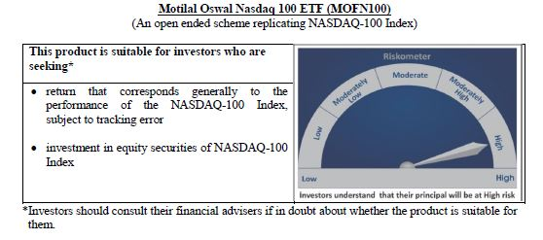
 | Motilal Oswal Nasdaq 100 ETF
 | Portfolio as on August 31, 2020

Sr. No. | Name of Instrument |  |  | ISIN | Rating / Industry | Quantity | Market value (Rs. In lakhs) | % to Net Assets | Security Type | Sector / Rating | Percent
 |  |  |  |  |  |  |  |  |  | Software & Services | 33.54%
 |  |  |  |  |  |  |  |  |  | Technology Hardware & Equipment | 16.70%
 | EQUITY & EQUITY RELATED |  |  |  |  |  |  |  |  | Retailing | 15.15%
 | Listed / awaiting listing on the stock exchanges |  |  |  |  |  |  |  |  | Semiconductors & Semiconductor | 10.74%
1 | Apple Inc. |  |  | US0378331005 | Technology Hardware & Equipment | 63001 | 23,047.80 | 13.96% | EQUITY | Pharmaceuticals Biotechnology | 4.68%
2 | Microsoft Corp |  |  | US5949181045 | Software & Services | 110177 | 18,481.49 | 11.19% |  | Media | 3.59%
3 | Amazon Com Inc |  |  | US0231351067 | Retailing | 7203 | 17,955.75 | 10.88% |  | Automobiles & Components | 3.33%
4 | Facebook Inc |  |  | US30303M1027 | Software & Services | 34898 | 7,509.77 | 4.55% |  | Food Beverage & Tobacco | 3.00%
5 | Alphabet Inc A |  |  | US02079K3059 | Software & Services | 5056 | 6,074.09 | 3.68% |  | Health Care Equipment & Services | 1.66%
6 | Alphabet Inc |  |  | US02079K1079 | Software & Services | 4848 | 5,841.90 | 3.54% |  | Food & Staples Retailing | 1.55%
7 | Tesla Inc |  |  | US88160R1014 | Automobiles & Components | 3386 | 5,491.97 | 3.33% |  | Telecommunication Services | 1.18%
8 | Nvidia Corp Com |  |  | US67066G1040 | Semiconductors & Semiconductor | 11420 | 4,401.08 | 2.67% |  | Consumer Services | 1.10%
9 | Adobe Inc |  |  | US00724F1012 | Software & Services | 8973 | 3,395.77 | 2.06% |  | Application Software | 0.85%
10 | Paypal Holdings Inc |  |  | US70450Y1038 | Software & Services | 21735 | 3,256.81 | 1.97% |  | Utilities | 0.60%
11 | Netflix Inc |  |  | US64110L1061 | Retailing | 8196 | 3,146.47 | 1.91% |  | Commercial & Professional Services | 0.54%
12 | Intel Corp |  |  | US4581401001 | Semiconductors & Semiconductor | 78485 | 2,900.39 | 1.76% |  | Transportation | 0.48%
13 | Comcast Corp - Class A |  |  | US20030N1019 | Media | 84459 | 2,757.86 | 1.67% |  | Capital Goods | 0.48%
14 | Pepsico Inc |  |  | US7134481081 | Food Beverage & Tobacco | 25674 | 2,632.79 | 1.59% |  | Consumer Durables & Apparel | 0.39%
15 | Cisco Sys Inc Com |  |  | US17275R1023 | Technology Hardware & Equipment | 78298 | 2,421.28 | 1.47% |  | Diversified Support Services | 0.20%
16 | Costco Whsl Corp New Com |  |  | US22160K1051 | Food & Staples Retailing | 8224 | 2,099.45 | 1.27% |  | Technology Distributors | 0.13%
17 | Amgen Inc |  |  | US0311621009 | Pharmaceuticals Biotechnology | 10886 | 2,019.18 | 1.22% |  | Cash & Equivalent | 0.12%
18 | T-Mobile Us Inc |  |  | US8725901040 | Telecommunication Services | 22932 | 1,953.68 | 1.18%
19 | Broadcom Inc |  |  | US11135F1012 | Semiconductors & Semiconductor | 7450 | 1,882.48 | 1.14%
20 | Qualcomm Inc |  |  | US7475251036 | Technology Hardware & Equipment | 20842 | 1,805.25 | 1.09%
21 | Texas Instruments Inc |  |  | US8825081040 | Semiconductors & Semiconductor | 17001 | 1,787.63 | 1.08%
22 | Charter Communications Inc |  |  | US16119P1084 | Media | 3830 | 1,727.85 | 1.05%
23 | Advanced Micro Devices Com |  |  | US0079031078 | Semiconductors & Semiconductor | 21687 | 1,359.57 | 0.82%
24 | Starbucks Ord |  |  | US8552441094 | Consumer Services | 21641 | 1,347.96 | 0.82%
25 | Intuit Inc |  |  | US4612021034 | Software & Services | 4804 | 1,218.42 | 0.74%
26 | Intuitive Surgical Inc |  |  | US46120E6023 | Health Care Equipment & Services | 2182 | 1,162.46 | 0.70%
27 | Mondelez International Inc |  |  | US6092071058 | Food Beverage & Tobacco | 26419 | 1,128.86 | 0.68%
28 | Gilead Sciences Inc |  |  | US3755581036 | Pharmaceuticals Biotechnology | 23229 | 1,110.86 | 0.67%
29 | Booking Holdings Inc |  |  | US09857L1089 | Retailing | 760 | 1,083.35 | 0.66%
30 | Jd Com Inc Adr |  |  | US47215P1066 | Retailing | 17169 | 1,006.00 | 0.61%
31 | Vertex Pharmaceuticals Inc Com Usd0.01 |  |  | US92532F1003 | Pharmaceuticals Biotechnology | 4780 | 945.60 | 0.57%
32 | Fiserv Inc Com |  |  | US3377381088 | Software & Services | 12396 | 909.82 | 0.55%
33 | Activision Blizzard Inc |  |  | US00507V1098 | Software & Services | 14329 | 873.72 | 0.53%
34 | Automatic Data Process Com |  |  | US0530151036 | Software & Services | 7929 | 821.23 | 0.50%
35 | Regeneron Pharmaceutic Com |  |  | US75886F1075 | Pharmaceuticals Biotechnology | 1824 | 805.46 | 0.49%
36 | Csx Corp |  |  | US1264081035 | Transportation | 14142 | 798.69 | 0.48%
37 | Applied Matls Inc Com |  |  | US0382221051 | Semiconductors & Semiconductor | 16980 | 784.77 | 0.48%
38 | Mercadolibre Inc |  |  | US58733R1023 | Software & Services | 900 | 777.50 | 0.47%
39 | Autodesk Inc Com |  |  | US0527691069 | Software & Services | 4033 | 731.13 | 0.44%
40 | Illumina Inc |  |  | US4523271090 | Pharmaceuticals Biotechnology | 2774 | 719.60 | 0.44%
41 | Lam Research Corp Com |  |  | US5128071082 | Semiconductors & Semiconductor | 2745 | 705.60 | 0.43%
42 | Micron Technology Inc Com |  |  | US5951121038 | Semiconductors & Semiconductor | 20638 | 690.99 | 0.42%
43 | Zoom Video Communications Inc |  |  | US98980L1017 | Media | 3102 | 680.28 | 0.41%
44 | Lululemon Athletica Inc |  |  | US5500211090 | Consumer Durables & Apparel | 2305 | 637.60 | 0.39%
45 | Biogen Inc |  |  | US09062X1037 | Pharmaceuticals Biotechnology | 3032 | 625.36 | 0.38%
46 | Monster Beverage Corp |  |  | US61174X1090 | Food Beverage & Tobacco | 9794 | 606.74 | 0.37%
47 | Analog Devices Inc Com |  |  | US0326541051 | Semiconductors & Semiconductor | 6843 | 599.63 | 0.36%
48 | The Kraft Heinz Company |  |  | US5007541064 | Food Beverage & Tobacco | 22602 | 577.70 | 0.35%
49 | Workday Inc |  |  | US98138H1014 | Software & Services | 3205 | 572.78 | 0.35%
50 | Electronic Arts Inc Com |  |  | US2855121099 | Software & Services | 5356 | 552.89 | 0.33%
51 | Docusign, Inc |  |  | US2561631068 | Application Software | 3351 | 528.54 | 0.32%
52 | Ebay Inc |  |  | US2786421030 | Software & Services | 13033 | 518.31 | 0.31%
53 | Dexcom Inc |  |  | US2521311074 | Health Care Equipment & Services | 1688 | 518.22 | 0.31%
54 | Netease Inc-Adr |  |  | US64110W1027 | Software & Services | 1396 | 515.76 | 0.31%
55 | Cognizant Technology Solutions Corp |  |  | US1924461023 | Software & Services | 10018 | 496.92 | 0.30%
56 | Exelon Corp |  |  | US30161N1019 | Utilities | 18119 | 491.80 | 0.30%
57 | Xcel Energy Inc Com |  |  | US98389B1008 | Utilities | 9772 | 491.59 | 0.30%
58 | Baidu Inc Spon Adr |  |  | US0567521085 | Software & Services | 5138 | 485.70 | 0.29%
59 | Nxp Semiconductors N.V. |  |  | NL0009538784 | Semiconductors & Semiconductor | 5202 | 485.00 | 0.29%
60 | Cintas Corp Com |  |  | US1729081059 | Commercial & Professional Services | 1982 | 484.93 | 0.29%
61 | Splunk Inc |  |  | US8486371045 | Application Software | 2963 | 478.59 | 0.29%
62 | O'Reilly Automotive Inc |  |  | US67103H1077 | Retailing | 1399 | 474.61 | 0.29%
63 | Marriott International -Cl A |  |  | US5719032022 | Consumer Services | 6031 | 469.61 | 0.28%
64 | Walgreens Boots Alliance Inc Wba |  |  | US9314271084 | Food & Staples Retailing | 16247 | 461.46 | 0.28%
65 | Ross Stores Inc Com |  |  | US7782961038 | Retailing | 6635 | 456.21 | 0.28%
66 | Synopsys Inc Com |  |  | US8716071076 | Software & Services | 2834 | 455.82 | 0.28%
67 | Kla-Tencor Corp Com |  |  | US4824801009 | Semiconductors & Semiconductor | 2902 | 443.62 | 0.27%
68 | Idexx Laboratories Inc Com Usd0.10 |  |  | US45168D1046 | Health Care Equipment & Services | 1569 | 441.48 | 0.27%
69 | Cadence Design System Com |  |  | US1273871087 | Software & Services | 5205 | 422.84 | 0.26%
70 | Verisk Analytics Inc |  |  | US92345Y1064 | Commercial & Professional Services | 3018 | 414.34 | 0.25%
71 | Paccar Inc Com |  |  | US6937181088 | Capital Goods | 6373 | 403.92 | 0.24%
72 | Asml Holding Nv |  |  | USN070592100 | Semiconductors & Semiconductor | 1441 | 400.70 | 0.24%
73 | Ansys |  |  | US03662Q1058 | Application Software | 1580 | 389.85 | 0.24%
74 | Fastenal Co |  |  | US3119001044 | Capital Goods | 10640 | 380.80 | 0.23%
75 | Paychex Inc Com |  |  | US7043261079 | Software & Services | 6688 | 378.89 | 0.23%
76 | Microchip Technology Inc |  |  | US5950171042 | Semiconductors & Semiconductor | 4557 | 369.06 | 0.22%
77 | Seattle Genetics |  |  | US8125781026 | Pharmaceuticals Biotechnology | 3191 | 359.31 | 0.22%
78 | Sirius Xm Holdings Inc |  |  | US82968B1035 | Media | 81229 | 354.76 | 0.21%
79 | Moderna Inc |  |  | US60770K1079 | Pharmaceuticals Biotechnology | 7168 | 354.50 | 0.21%
80 | Xilinx Inc Com |  |  | US9839191015 | Semiconductors & Semiconductor | 4523 | 347.72 | 0.21%
81 | Copart |  |  | US2172041061 | Diversified Support Services | 4389 | 334.75 | 0.20%
82 | Verisign Inc Com |  |  | US92343E1029 | Software & Services | 2165 | 330.21 | 0.20%
83 | Skyworks Solutions Inc Com |  |  | US83088M1027 | Semiconductors & Semiconductor | 3091 | 325.31 | 0.20%
84 | Align Technology Inc |  |  | US0162551016 | Health Care Equipment & Services | 1471 | 324.01 | 0.20%
85 | Alexion Pharmaceuticals Inc |  |  | US0153511094 | Pharmaceuticals Biotechnology | 4059 | 318.23 | 0.19%
86 | Dollar Tree Inc |  |  | US2567461080 | Retailing | 4428 | 307.38 | 0.19%
87 | Cerner Corp |  |  | US1567821046 | Health Care Equipment & Services | 5606 | 299.07 | 0.18%
88 | Incyte Genomics Inc Com |  |  | US45337C1027 | Pharmaceuticals Biotechnology | 4004 | 275.51 | 0.17%
89 | Take-Two Interactive S Com |  |  | US8740541094 | Software & Services | 2139 | 268.13 | 0.16%
90 | Maxim Integrated Prods Com |  |  | US57772K1016 | Semiconductors & Semiconductor | 4897 | 251.98 | 0.15%
91 | Check Point Software T Ord |  |  | IL0010824113 | Software & Services | 2603 | 242.04 | 0.15%
92 | Citrix Systems Inc Com |  |  | US1773761002 | Software & Services | 2291 | 241.80 | 0.15%
93 | Cdw Corporation |  |  | US12514G1085 | Technology Distributors | 2592 | 219.08 | 0.13%
94 | Trip.Com Group Ltd |  |  | US89677Q1076 | Retailing | 9737 | 218.55 | 0.13%
95 | Biomarin Pharmaceutical Inc Com Usd0.001 |  |  | US09061G1013 | Pharmaceuticals Biotechnology | 3314 | 185.49 | 0.11%
96 | Expedia Inc |  |  | US30212P3038 | Retailing | 2483 | 183.57 | 0.11%
...
 | Total Expense Ratio
 | Regular Plan : | 0.54%

 | NAV |  | Regular Growth Plan | 859.2671

 | Monthly AAUM in Crores |  |  | 1,511.04

 | Latest AUM (31 August 2020 ) in Crores |  |  | 1650.9505394

 | Portfolio Turnover Ratio |  |  | 0.08

Nasdaq 100 FoF
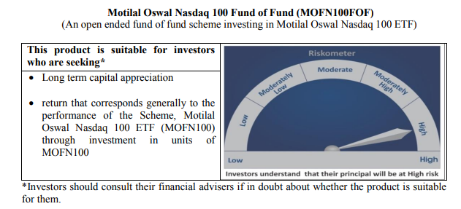
...
NAV | Direct Growth Plan | 18.8133
 | Regular Growth Plan | 18.6816

Monthly AAUM in Crores |  | 980.32

Latest AUM (31 August 2020 ) in Crores |  | 1,088.38192123

Portfolio Turnover Ratio |  | 0.25

Midcap 150 Index Fund
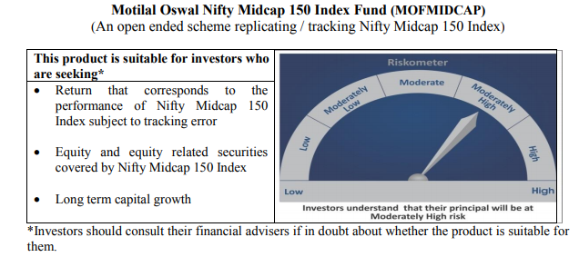
...
NAV | Direct Growth Plan | 11.357
 | Regular Growth Plan | 11.2846

Monthly AAUM in Crores |  | 58.96

Latest AUM (31 August 2020 ) in Crores |  | 57.002047268

Portfolio Turnover Ratio |  | 0.62

Smallcap 250 Index Fund
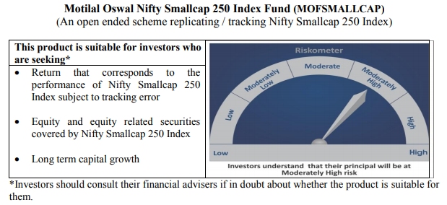
...
NAV | Direct Growth Plan | 10.8287
 | Regular Growth Plan | 10.7592

Monthly AAUM in Crores |  | 45.67

Latest AUM (31 August 2020 ) in Crores |  | 51.023659179

Portfolio Turnover Ratio |  | 0.52

Nifty 500 Index Fund
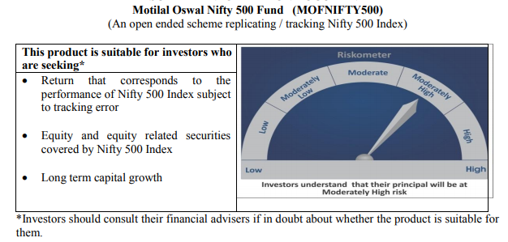
...
NAV | Direct Growth Plan | 10.5557
 | Regular Growth Plan | 10.4883

Monthly AAUM in Crores |  | 55.85

Latest AUM (31 August 2020 ) in Crores |  | 55.228282829

Portfolio Turnover Ratio |  | 0.20

Nifty Bank Index Fund
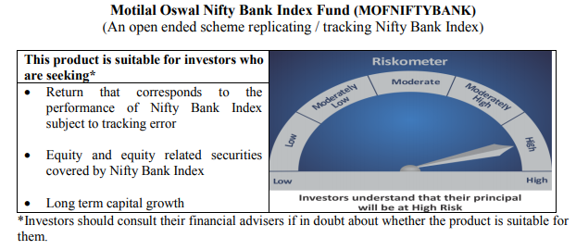
...
NAV | Direct Growth Plan | 8.6495
 | Regular Growth Plan | 8.5948

Monthly AAUM in Crores |  | 59.45

Latest AUM (31 August 2020 ) in Crores |  | 64.831131068

Portfolio Turnover Ratio |  | 0.51

Nifty 50 Index Fund
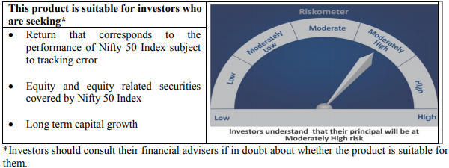
...
NAV | Direct Growth Plan | 9.3922
 | Regular Growth Plan | 9.3661

Monthly AAUM in Crores |  | 45.92

Latest AUM (31 August 2020 ) in Crores |  | 46.153919299

Portfolio Turnover Ratio |  | 0.07

Nifty Next 50 Index Fund
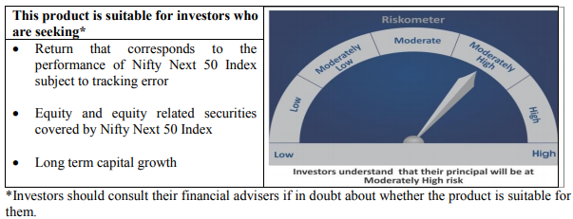
...
NAV | Direct Growth Plan | 9.4944
 | Regular Growth Plan | 9.4522

Monthly AAUM in Crores |  | 42.00

Latest AUM (31 August 2020 ) in Crores |  | 42.302325188

Portfolio Turnover Ratio |  | 0.23

S&P 500 Index Fund
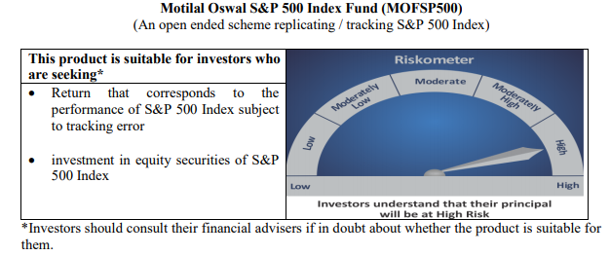
...
NAV | Direct Growth Plan | 11.6528
 | Regular Growth Plan | 11.6246

Monthly AAUM in Crores |  | 380.64

Latest AUM (31 August 2020 ) in Crores |  | 419.15809762

Portfolio Turnover Ratio |  | 0.00

