Asset Allocation Conservative
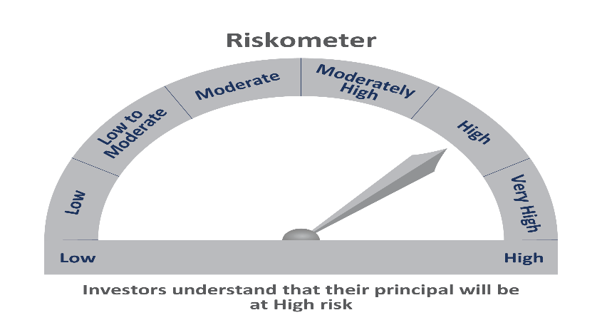
 | Motilal Oswal Asset Allocation Passive FOF-Conservative
 | Portfolio as on March 31, 2021

Sr. No. | Name of Instrument |  | ISIN | Rating / Industry | Quantity | Market value (Rs. In lakhs) | % to Net Assets | Sector / Rating | Percent
 | Exchange Traded Funds |  |  |  |  |  |  | INVESTMENT FUNDS/MUTUAL FUNDS | 98.80%
1 | Motilal Oswal 5 Year G-sec ETF-Growth |  | INF247L01AK4 |  | 3485771.000 | 1,644.24 | 50.30% | Cash & Equivalent | 1.20%
2 | Motilal Oswal Nifty 500 Fund - Direct Plan |  | INF247L01957 |  | 6883557.710 | 954.52 | 29.20%
3 | ICICI Prudential Gold ETF |  | INF109KC1NT3 |  | 767000.000 | 302.43 | 9.25%
 | Total |  |  |  |  | 2,901.19 | 88.76%
 | Others
 | Mutual Fund Units
1 | Motilal Oswal S&P 500 Index Fund DirectPlan Growth |  | INF247L01AG2 |  | 2502293.111 | 328.31 | 10.04%
 | Total |  |  |  |  | 328.31 | 10.04%
 | Cash & Cash Equivalents
 | Net Receivables / (Payables) |  |  |  |  | 39.26 | 1.20%
 | GRAND TOTAL |  |  |  |  | 3,268.76 | 100.00%

 | Total Expense Ratio
 | Total Expense Ratio
 | Direct Plan : | 0.05%
 | Regular Plan : | 0.66%

 | NAV | Regular Growth |  | 9.9537
 | NAV | Direct Growth |  | 9.9570

 | Monthly AAUM in Crores |  |  | 24.76

 | Latest AUM (31 MARCH 2021) in Crores |  |  | 32.69

