MO Ultra Short Term Fund
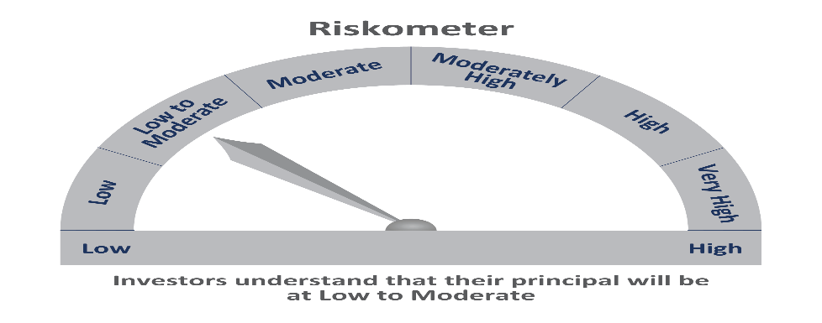
 | Motilal Oswal Ultra Short Term Fund

 | Fortnightly Portfolio Statement as on August 15,2021
 | Name of the Instrument | ISIN | Rating | Quantity | Market/Fair Value(Rs. in Lacs) | % to Net Assets | YTM
 | Debt Instruments
 | (a) Listed / awaiting listing on Stock Exchange
GOI844 | 8.72% State Government Securities (11/01/2022) | IN3120110108 | SOVEREIGN | 1,000,000 | 1019.69 | 9.43% | 3.70%
GOI842 | 8.72% State Government Securities (11/01/2022) | IN2220110083 | SOVEREIGN | 1,000,000 | 1019.67 | 9.43% | 3.71%
LARS349 | 8.02% Larsen & Toubro Limited (22/05/2022) ** | INE018A08AS1 | CRISIL AAA | 400,000 | 412.04 | 3.81% | 3.89%
NBAR529 | 7.7% National Bank For Agriculture and Rural Development (13/06/2022) ** | INE261F08BL9 | CRISIL AAA | 400,000 | 411.67 | 3.81% | 3.99%
SUHF232 | 8.4% Sundaram Home Finance Limited (11/04/2022) ** | INE667F07HH4 | ICRA AA+ | 400,000 | 409.01 | 3.78% | 4.71%
HDBF265 | 7.49% HDB Financial Services Limited (18/11/2021) ** | INE756I07CV1 | CRISIL AAA | 400,000 | 403.48 | 3.73% | 3.86%
 | Sub Total |  |  |  | 3675.57 | 34.01%
 | (b) Privately placed / Unlisted |  |  |  | NIL | NIL
 | Sub Total |  |  |  | NIL | NIL
 | Total |  |  |  | 3675.57 | 34.01%
 | Money Market Instruments
 | Treasury Bill
TBIL1916 | 182 Days Tbill (MD 23/12/2021) | IN002021Y122 | SOVEREIGN | 4,000,000 | 3952.42 | 36.57% | 3.41%
 | Sub Total |  |  |  | 3952.42 | 36.57%
 | Total |  |  |  | 3952.42 | 36.57%
 | CBLO / Reverse Repo
TRP_170821 | CBLO |  |  |  | 3003.74 | 27.79% | 3.15%
 | Sub Total |  |  |  | 3003.74 | 27.79%
 | Total |  |  |  | 3003.74 | 27.79%
 | Net Receivables / (Payables) |  |  |  | 175.95 | 1.63%
 | GRAND TOTAL |  |  |  | 10807.68 | 100.00%

 | ** Thinly Traded / Non Traded Security

