MO Ultra Short Term Fund
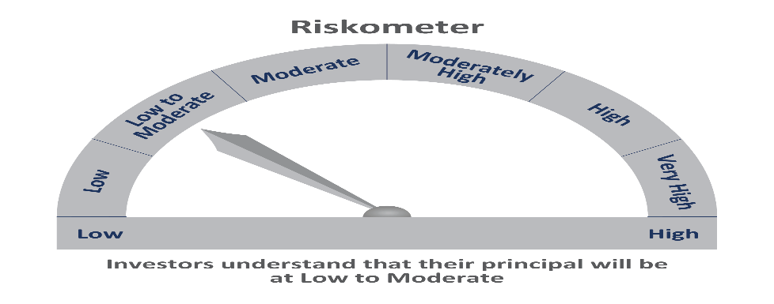
 | Motilal Oswal Ultra Short Term Fund

 | Fortnightly Portfolio Statement as on June 30,2021
 | Name of the Instrument | ISIN | Rating | Quantity | Market/Fair Value(Rs. in Lacs) | % to Net Assets | YTM
 | Debt Instruments
 | (a) Listed / awaiting listing on Stock Exchange
LARS349 | 8.02% Larsen & Toubro Limited (22/05/2022) ** | INE018A08AS1 | CRISIL AAA | 400,000 | 413.06 | 4.52% | 4.18%
NBAR529 | 7.7% National Bank For Agriculture and Rural Development (13/06/2022) ** | INE261F08BL9 | CRISIL AAA | 400,000 | 412.74 | 4.52% | 4.20%
SUHF232 | 8.4% Sundaram Home Finance Limited (11/04/2022) ** | INE667F07HH4 | ICRA AA+ | 400,000 | 410.13 | 4.49% | 4.93%
HDBF265 | 7.49% HDB Financial Services Limited (18/11/2021) ** | INE756I07CV1 | CRISIL AAA | 400,000 | 404.87 | 4.43% | 4.08%
CHOL923 | 8% Cholamandalam Investment and Finance Company Limited (13/08/2021) ** | INE121A07PB9 | FITCH AA+ | 400,000 | 401.84 | 4.40% | 3.81%
 | Sub Total |  |  |  | 2042.64 | 22.35%
 | (b) Privately placed / Unlisted |  |  |  | NIL | NIL
 | Sub Total |  |  |  | NIL | NIL
 | Total |  |  |  | 2042.64 | 22.35%
 | Money Market Instruments
 | Treasury Bill
TBIL1916 | 182 Days Tbill (MD 23/12/2021) | IN002021Y122 | SOVEREIGN | 4,000,000 | 3930.60 | 43.00% | 3.68%
TBIL1777 | 364 Days Tbill (MD 05/08/2021) | IN002020Z188 | SOVEREIGN | 2,000,000 | 1993.60 | 21.81% | 3.35%
 | Sub Total |  |  |  | 5924.20 | 64.81%
 | Total |  |  |  | 5924.20 | 64.81%
 | CBLO / Reverse Repo
TRP_010721 | CBLO |  |  |  | 1097.00 | 12.00% | 3.26%
 | Sub Total |  |  |  | 1097.00 | 12.00%
 | Total |  |  |  | 1097.00 | 12.00%
 | Net Receivables / (Payables) |  |  |  | 77.49 | 0.85%
 | GRAND TOTAL |  |  |  | 9141.32 | 100.00%

 | ** Thinly Traded / Non Traded Security

