USTBF
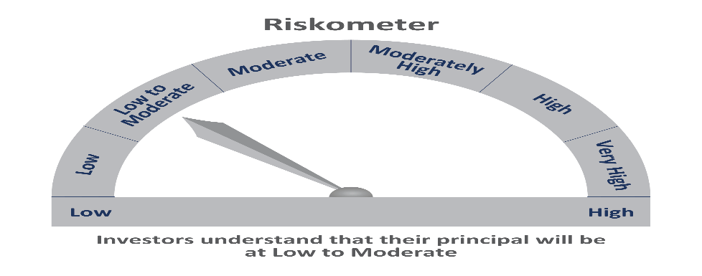
 | Motilal Oswal Ultra Short Term Fund
 | Portfolio as on June 30, 2021

Sr. No. | Name of Instrument |  | ISIN | Rating / Industry | Quantity | Market value (Rs. In lakhs) | % to Net Assets | Sector / Rating | Percent
 | Debt Instruments |  |  |  |  |  |  | SOVEREIGN | 64.81%
 | (a) Listed / awaiting listing on Stock Exchange |  |  |  |  |  |  | CRISIL AAA | 13.46%
1 | Larsen & Toubro Limited |  | INE018A08AS1 | CRISIL AAA | 400000 | 413.06 | 4.52% | ICRA AA+ | 4.49%
2 | National Bank For Agriculture and Rural Development |  | INE261F08BL9 | CRISIL AAA | 400000 | 412.74 | 4.52% | FITCH AA+ | 4.40%
3 | Sundaram Home Finance Limited |  | INE667F07HH4 | ICRA AA+ | 400000 | 410.13 | 4.49% | Cash & Equivalent | 12.85%
4 | HDB Financial Services Limited |  | INE756I07CV1 | CRISIL AAA | 400000 | 404.87 | 4.43%
5 | Cholamandalam Investment and Finance Company Limited |  | INE121A07PB9 | FITCH AA+ | 400000 | 401.84 | 4.40%
 | Total |  |  |  |  | 2,042.64 | 22.35%
 | (b) Privately placed / Unlisted
 | Total
 | Money Market Instruments
 | Treasury Bill/Cash Management Bill
1 | 182 Days Tbill (MD 23/12/2021) |  | IN002021Y122 | SOVEREIGN | 4000000 | 3,930.60 | 43.00%
2 | 364 Days Tbill (MD 05/08/2021) |  | IN002020Z188 | SOVEREIGN | 2000000 | 1,993.60 | 21.81%
 | Total |  |  |  |  | 5,924.20 | 64.81%
 | CBLO/REPO/TREPS
1 | Collateralized Borrowing & Lending Obligation |  |  |  | 1097000 | 1,097.00 | 12.00%
 | Total |  |  |  |  | 1,097.00 | 12.00%
 | Cash & Cash Equivalents
 | Net Receivables / (Payables) |  |  |  |  | 77.48 | 0.85%
 | GRAND TOTAL |  |  |  |  | 9,141.32 | 100.00%

 | Total Expense Ratio
 | Total Expense Ratio
 | Direct Plan : | 0.22%
 | Regular Plan : | 1.02%

 | NAV | Direct IDCW |  | 9.9174
 | NAV | Regular Daily IDCW |  | 9.8811
 | NAV | Direct Fortnightly IDCW |  | 9.9391
 | NAV | Direct Growth |  | 14.0520
 | NAV | Direct Monthly IDCW |  | 9.9244
 | NAV | Direct Quarterly IDCW |  | 10.0673
 | NAV | Direct Weekly IDCW |  | 9.9284
 | NAV | Regular Fortnightly IDCW |  | 9.8916
 | NAV | Regular Growth |  | 13.6092
 | NAV | Regular Monthly IDCW |  | 9.8816
 | NAV | Regular Quarterly IDCW |  | 10.0252
 | NAV | Regular Weekly IDCW |  | 9.8846

 | Monthly AAUM in Crores |  |  | 89.35

 | Latest AUM (30 JUNE 2021) in Crores |  |  | 91.41

 | Portfolio Turnover Ratio |  |  | 2.15

 | Dividend History
 | Quarterly Dividend (Direct Plan)
 | Record Date Dividend Option | Dividend per Unit (Rs.) | Cum Dividend NAV | EX Dividend NAV
 | 29-Jun-18 | 0.162900 | 10.1885 | 10.0256
 | 3-Apr-18 | 0.157100 | 10.1932 | 10.0361
 | 29-Dec-17 | 0.139900 | 10.1607 | 10.0208

 | Quarterly Dividend (Regular Plan)
 | Record Date Dividend Option | Dividend per Unit (Rs.) | Cum Dividend NAV | EX Dividend NAV
 | 29-Jun-18 | 0.151700 | 10.1876 | 10.0359
 | 3-Apr-18 | 0.145200 | 10.1917 | 10.0465
 | 29-Dec-17 | 0.128300 | 10.1596 | 10.0313

 | Monthly Dividend (Direct Plan)
 | Record Date Dividend Option | Dividend per Unit (Rs.) | Cum Dividend NAV | EX Dividend NAV
 | 29-Jun-18 | 0.085576 | 10.0860 | 10.0004
 | 27-Jul-18 | 0.052676 | 10.0531 | 10.0004
 | 31-Aug-18 | 0.065273 | 10.0657 | 10.0004

 | Monthly Dividend (Regular Plan)
 | Record Date Dividend Option | Dividend per Unit (Rs.) | Cum Dividend NAV | EX Dividend NAV
 | 29-Jun-18 | 0.081535 | 10.0827 | 10.0012
 | 27-Jul-18 | 0.049133 | 10.0503 | 10.0012
 | 31-Aug-18 | 0.060833 | 10.0619 | 10.0011

Asset Allocation Conservative
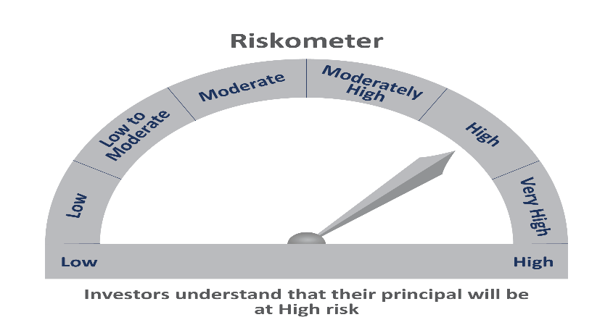
 | Motilal Oswal Asset Allocation Passive FOF-Conservative
 | Portfolio as on June 30, 2021

Sr. No. | Name of Instrument |  | ISIN | Rating / Industry | Quantity | Market value (Rs. In lakhs) | % to Net Assets | Sector / Rating | Percent
 | Exchange Traded Funds |  |  |  |  |  |  | Exchange Traded Funds | 57.60%
1 | Motilal Oswal 5 Year G-sec ETF-Growth |  | INF247L01AK4 |  | 3581971.000 | 1,727.23 | 48.22% | INVESTMENT FUNDS/MUTUAL FUNDS | 42.05%
2 | ICICI Prudential Gold ETF |  | INF109KC1NT3 |  | 810900.000 | 335.96 | 9.38% | Cash & Equivalent | 0.34%
 | Total |  |  |  |  | 2,063.19 | 57.60%
 | Money Market Instruments
 | CBLO/REPO/TREPS
1 | Collateralized Borrowing & Lending Obligation |  |  |  | 40000 | 40.00 | 1.12%
 | Total |  |  |  |  | 40.00 | 1.12%
 | Others
 | Mutual Fund Units
1 | Motilal Oswal Nifty 500 Fund - Direct Plan |  | INF247L01957 |  | 7365926.848 | 1,119.33 | 31.25%
2 | Motilal Oswal S&P 500 Index Fund DirectPlan Growth |  | INF247L01AG2 |  | 2677968.547 | 386.85 | 10.80%
 | Total |  |  |  |  | 1,506.18 | 42.05%
 | Cash & Cash Equivalents
 | Net Receivables / (Payables) |  |  |  |  | (27.71) | -0.77%
 | GRAND TOTAL |  |  |  |  | 3,581.66 | 100.00%

 | Total Expense Ratio
 | Total Expense Ratio
 | Direct Plan : | 0.05%
 | Regular Plan : | 0.66%

 | NAV | Regular Growth |  | 10.4744
 | NAV | Direct Growth |  | 10.4939

 | Monthly AAUM in Crores |  |  | 36.99

 | Latest AUM (30 JUNE 2021) in Crores |  |  | 35.82

