MO Ultra Short Term Fund
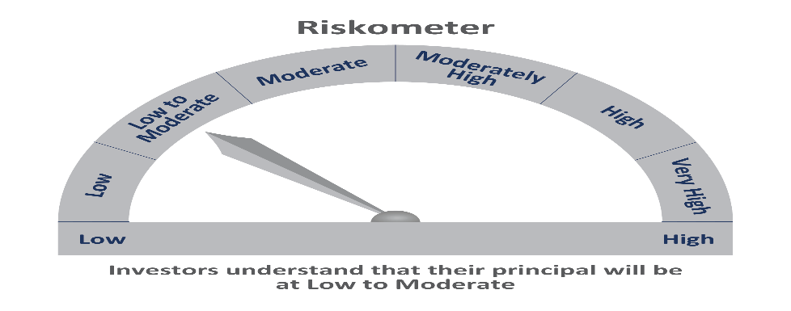
 | Motilal Oswal Ultra Short Term Fund

 | Fortnightly Portfolio Statement as on July 15,2021
 | Name of the Instrument | ISIN | Rating | Quantity | Market/Fair Value(Rs. in Lacs) | % to Net Assets | YTM
 | Debt Instruments
 | (a) Listed / awaiting listing on Stock Exchange
LARS349 | 8.02% Larsen & Toubro Limited (22/05/2022) ** | INE018A08AS1 | CRISIL AAA | 400,000 | 413.10 | 4.57% | 3.99%
NBAR529 | 7.7% National Bank For Agriculture and Rural Development (13/06/2022) ** | INE261F08BL9 | CRISIL AAA | 400,000 | 412.91 | 4.57% | 4.00%
SUHF232 | 8.4% Sundaram Home Finance Limited (11/04/2022) ** | INE667F07HH4 | ICRA AA+ | 400,000 | 409.97 | 4.54% | 4.80%
HDBF265 | 7.49% HDB Financial Services Limited (18/11/2021) ** | INE756I07CV1 | CRISIL AAA | 400,000 | 404.34 | 4.48% | 4.08%
CHOL923 | 8% Cholamandalam Investment and Finance Company Limited (13/08/2021) ** | INE121A07PB9 | FITCH AA+ | 400,000 | 401.17 | 4.44% | 3.89%
 | Sub Total |  |  |  | 2041.48 | 22.60%
 | (b) Privately placed / Unlisted |  |  |  | NIL | NIL
 | Sub Total |  |  |  | NIL | NIL
 | Total |  |  |  | 2041.48 | 22.60%
 | Money Market Instruments
 | Treasury Bill
TBIL1916 | 182 Days Tbill (MD 23/12/2021) | IN002021Y122 | SOVEREIGN | 4,000,000 | 3938.86 | 43.60% | 3.54%
TBIL1777 | 364 Days Tbill (MD 05/08/2021) | IN002020Z188 | SOVEREIGN | 2,000,000 | 1996.37 | 22.10% | 3.32%
 | Sub Total |  |  |  | 5935.22 | 65.69%
 | Total |  |  |  | 5935.22 | 65.69%
 | CBLO / Reverse Repo
TRP_160721 | CBLO |  |  |  | 962.00 | 10.65% | 3.30%
 | Sub Total |  |  |  | 962.00 | 10.65%
 | Total |  |  |  | 962.00 | 10.65%
 | Net Receivables / (Payables) |  |  |  | 96.04 | 1.06%
 | GRAND TOTAL |  |  |  | 9034.74 | 100.00%

 | ** Thinly Traded / Non Traded Security

