MO Ultra Short Term Fund
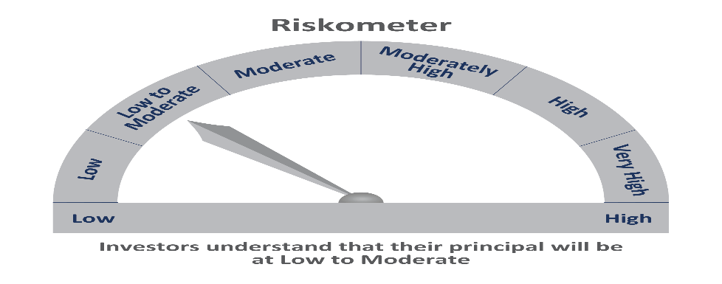
 | Motilal Oswal Ultra Short Term Fund

 | Fortnightly Portfolio Statement as on June 15,2021
 | Name of the Instrument | ISIN | Rating | Quantity | Market/Fair Value(Rs. in Lacs) | % to Net Assets | YTM
 | Debt Instruments
 | (a) Listed / awaiting listing on Stock Exchange
LARS349 | 8.02% Larsen & Toubro Limited (22/05/2022) ** | INE018A08AS1 | CRISIL AAA | 400,000 | 413.78 | 4.59% | 4.16%
HDBF265 | 7.49% HDB Financial Services Limited (18/11/2021) ** | INE756I07CV1 | CRISIL AAA | 400,000 | 405.61 | 4.50% | 3.96%
CHOL923 | 8% Cholamandalam Investment and Finance Company Limited (13/08/2021) ** | INE121A07PB9 | FITCH AA+ | 400,000 | 402.42 | 4.47% | 3.90%
 | Sub Total |  |  |  | 1221.82 | 13.56%
 | (b) Privately placed / Unlisted |  |  |  | NIL | NIL
 | Sub Total |  |  |  | NIL | NIL
 | Total |  |  |  | 1221.82 | 13.56%
 | Money Market Instruments
 | Treasury Bill
TBIL1887 | 364 Days Tbill (MD 28/04/2022) | IN002021Z046 | SOVEREIGN | 5,000,000 | 4844.61 | 53.78% | 3.71%
TBIL1777 | 364 Days Tbill (MD 05/08/2021) | IN002020Z188 | SOVEREIGN | 2,000,000 | 1990.78 | 22.10% | 3.38%
 | Sub Total |  |  |  | 6835.39 | 75.88%
 | Total |  |  |  | 6835.39 | 75.88%
 | CBLO / Reverse Repo
TRP_160621 | CBLO |  |  |  | 793.00 | 8.80% | 3.26%
 | Sub Total |  |  |  | 793.00 | 8.80%
 | Total |  |  |  | 793.00 | 8.80%
 | Net Receivables / (Payables) |  |  |  | 157.39 | 1.75%
 | GRAND TOTAL |  |  |  | 9007.59 | 100.00%

 | ** Thinly Traded / Non Traded Security

