MO Ultra Short Term Fund
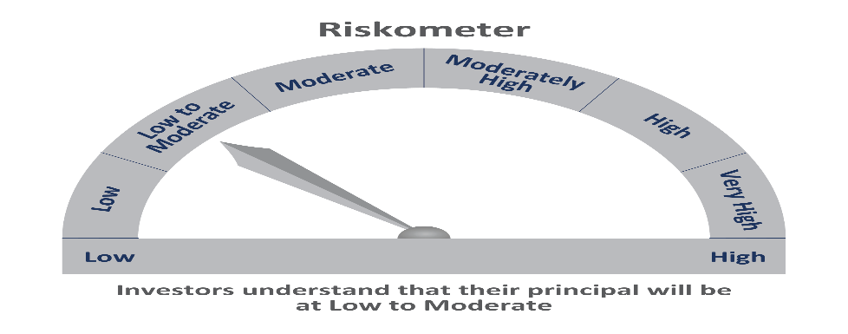
 | Motilal Oswal Ultra Short Term Fund

 | Fortnightly Portfolio Statement as on May 15,2021
 | Name of the Instrument | ISIN | Rating | Quantity | Market/Fair Value(Rs. in Lacs) | % to Net Assets | YTM
 | Money Market Instruments
 | Treasury Bill
TBIL1887 | 364 Days Tbill (MD 28/04/2022) | IN002021Z046 | SOVEREIGN | 5,000,000 | 4830.10 | 57.56% | 3.70%
TBIL1777 | 364 Days Tbill (MD 05/08/2021) | IN002020Z188 | SOVEREIGN | 2,000,000 | 1985.12 | 23.66% | 3.38%
 | Sub Total |  |  |  | 6815.22 | 81.22%
 | Total |  |  |  | 6815.22 | 81.22%
 | CBLO / Reverse Repo
TRP_170521 | CBLO |  |  |  | 1567.86 | 18.68% | 3.29%
 | Sub Total |  |  |  | 1567.86 | 18.68%
 | Total |  |  |  | 1567.86 | 18.68%
 | Net Receivables / (Payables) |  |  |  | 7.99 | 0.10%
 | GRAND TOTAL |  |  |  | 8391.07 | 100.00%

