Focused 25 Fund
 | Motilal Oswal Focused 25 Fund
 | Portfolio as on October 31, 2021

Sr. No. | Name of Instrument |  | ISIN | Rating / Industry | Quantity | Market value (Rs. In lakhs) | % to Net Assets | Sector / Rating | Percent
 | Equity & Equity related |  |  |  |  |  |  | Banks | 25.06%
 | (a) Listed / awaiting listing on Stock Exchanges |  |  |  |  |  |  | Auto | 12.13%
1 | Housing Development Finance Corporation Limited |  | INE001A01036 | Finance | 626814 | 17,830.98 | 9.74% | Finance | 12.11%
2 | HDFC Bank Limited |  | INE040A01034 | Banks | 1084600 | 17,167.59 | 9.38% | Software | 11.62%
3 | Bajaj Auto Limited |  | INE917I01010 | Auto | 457078 | 16,945.02 | 9.26% | Transportation | 7.15%
4 | ICICI Bank Limited |  | INE090A01021 | Banks | 2030975 | 16,289.43 | 8.90% | Industrial Capital Goods | 6.62%
5 | Tata Consultancy Services Limited |  | INE467B01029 | Software | 435736 | 14,805.22 | 8.09% | Insurance | 6.23%
6 | Container Corporation of India Limited |  | INE111A01025 | Transportation | 1998085 | 13,089.45 | 7.15% | Pharmaceuticals | 5.81%
7 | Kotak Mahindra Bank Limited |  | INE237A01028 | Banks | 611438 | 12,419.22 | 6.78% | Cement & Cement Products | 5.53%
8 | ABB India Limited |  | INE117A01022 | Industrial Capital Goods | 571477 | 12,114.74 | 6.62% | Retailing | 4.00%
9 | HDFC Life Insurance Company Limited |  | INE795G01014 | Insurance | 1153058 | 7,845.98 | 4.29% | Pesticides | 3.17%
10 | Infosys Limited |  | INE009A01021 | Software | 388100 | 6,472.54 | 3.54% | CRISIL AAA | 0.02%
11 | PI Industries Limited |  | INE603J01030 | Pesticides | 193638 | 5,809.04 | 3.17% | Cash & Equivalent | 0.53%
12 | Shree Cement Limited |  | INE070A01015 | Cement & Cement Products | 20277 | 5,806.37 | 3.17%
13 | Zomato Limited |  | INE758T01015 | Retailing | 4391661 | 5,777.23 | 3.16%
14 | Abbott India Limited |  | INE358A01014 | Pharmaceuticals | 28180 | 5,649.92 | 3.09%
15 | Maruti Suzuki India Limited |  | INE585B01010 | Auto | 70369 | 5,265.29 | 2.88%
16 | Procter & Gamble Health Limited |  | INE199A01012 | Pharmaceuticals | 91963 | 4,987.84 | 2.72%
17 | SBI Cards and Payment Services Limited |  | INE018E01016 | Finance | 411000 | 4,336.46 | 2.37%
18 | UltraTech Cement Limited |  | INE481G01011 | Cement & Cement Products | 56434 | 4,309.33 | 2.35%
19 | ICICI Lombard General Insurance Company Limited |  | INE765G01017 | Insurance | 240639 | 3,565.19 | 1.95%
20 | Avenue Supermarts Limited |  | INE192R01011 | Retailing | 33243 | 1,540.96 | 0.84%
 | Total |  |  |  |  | 182,027.80 | 99.45%
 | (b) Unlisted
 | Total
 | Debt Instruments
 | (a) Listed / awaiting listing on Stock Exchange
1 | Britannia Industries Limited |  | INE216A07052 | CRISIL AAA | 119829 | 36.90 | 0.02%
 | Total |  |  |  |  | 36.90 | 0.02%
 | (b) Privately placed / Unlisted
 | Total
 | Money Market Instruments
 | CBLO/REPO/TREPS
1 | Collateralized Borrowing & Lending Obligation |  |  |  | 1257000 | 1,257.00 | 0.69%
 | Total |  |  |  |  | 1,257.00 | 0.69%
 | Cash & Cash Equivalents
 | Net Receivables / (Payables) |  |  |  |  | (280.23) | -0.15%
 | GRAND TOTAL |  |  |  |  | 183,041.47 | 100.00%

 | Total Expense Ratio
 | Total Expense Ratio
 | Regular Plan : | 2.20%
 | Direct Plan : | 0.94%

 | NAV | Direct IDCW |  | 22.2415
 | NAV | Direct Growth |  | 37.9931
 | NAV | Regular IDCW |  | 19.9123
 | NAV | Regular Growth |  | 33.9273

 | Monthly AAUM in Crores |  |  | 1,845.46

 | Latest AUM (31 OCTOBER 2021) in Crores |  |  | 1,830.41

 | Portfolio Turnover Ratio |  |  | 0.34

 | Dividend History
 | Record Date (March 26, 2021) | Dividend per Unit (Rs.) | Cum Dividend NAV | EX Dividend NAV
 | Direct Plan | 3.30 | 22.4101 | 19.1101
 | Regular Plan | 3.00 | 20.2349 | 17.2349

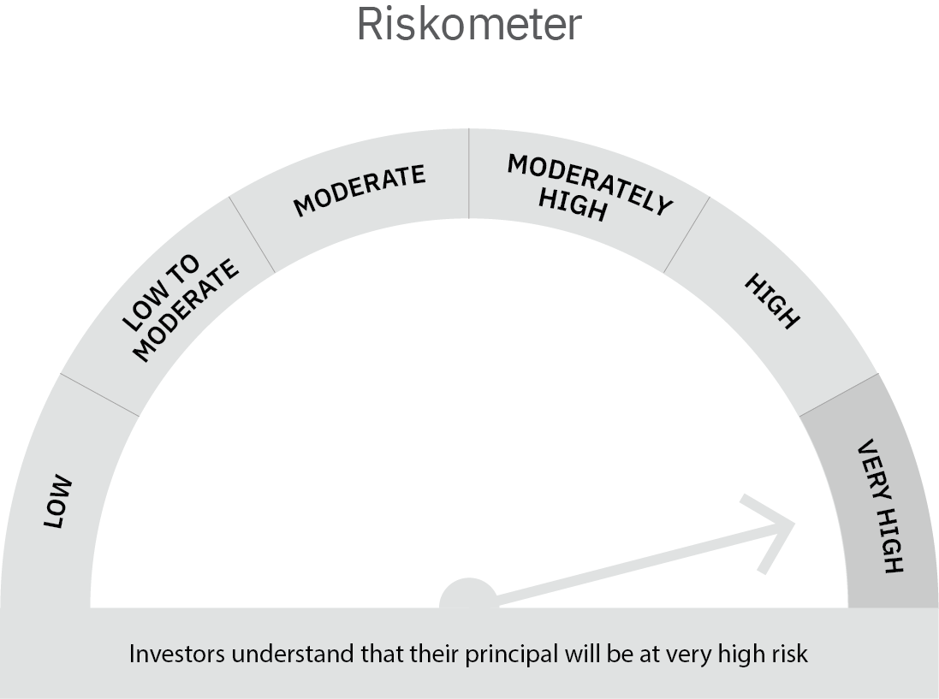

 | Scheme Risk-o-meter |  | Benchmark Risk-o-meter

Dynamic Fund
 | Motilal Oswal Dynamic Fund
 | Portfolio as on October 31, 2021

Sr. No. | Name of Instrument |  | ISIN | Rating / Industry | Quantity | Market value (Rs. In lakhs) | % to Net Assets |  | Sector / Rating | Percent
 | Equity & Equity related |  |  |  |  |  |  |  | Banks | 19.13%
 | (a) Listed / awaiting listing on Stock Exchanges |  |  |  |  |  |  |  | CRISIL AAA | 9.77%
1 | Larsen & Toubro Limited |  | INE018A01030 | Construction Project | 564075 | 9,965.23 | 8.71% |  | Finance | 8.90%
2 | ICICI Bank Limited |  | INE090A01021 | Banks | 1219625 | 9,782.00 | 8.55% |  | Construction Project | 8.71%
3 | ITC Limited |  | INE154A01025 | Consumer Non Durables | 2848000 | 6,356.74 | 5.56% |  | Software | 7.66%
4 | Tata Consultancy Services Limited |  | INE467B01029 | Software | 150000 | 5,096.63 | 4.45% |  | Insurance | 6.07%
5 | State Bank of India |  | INE062A01020 | Banks | 982000 | 4,931.11 | 4.31% |  | Consumer Non Durables | 5.56%
6 | Housing Development Finance Corporation Limited |  | INE001A01036 | Finance | 142000 | 4,039.47 | 3.53% |  | ICRA AAA | 4.34%
7 | SBI Cards and Payment Services Limited |  | INE018E01016 | Finance | 378421 | 3,992.72 | 3.49% |  | Construction | 4.21%
8 | SBI Life Insurance Company Limited |  | INE123W01016 | Insurance | 320000 | 3,665.76 | 3.20% |  | ICRA AA+ | 3.23%
9 | Axis Bank Limited |  | INE238A01034 | Banks | 488400 | 3,623.93 | 3.17% |  | Auto | 2.04%
10 | ICICI Lombard General Insurance Company Limited |  | INE765G01017 | Insurance | 221000 | 3,274.23 | 2.86% |  | Retailing | 1.63%
11 | AU Small Finance Bank Limited |  | INE949L01017 | Banks | 207415 | 2,522.89 | 2.20% |  | Pharmaceuticals | 1.61%
12 | Infosys Limited |  | INE009A01021 | Software | 143727 | 2,397.01 | 2.09% |  | Auto Ancillaries | 1.46%
13 | Maruti Suzuki India Limited |  | INE585B01010 | Auto | 31221 | 2,336.08 | 2.04% |  | Cement & Cement Products | 1.35%
14 | G R Infraprojects Limited |  | INE201P01022 | Construction | 110000 | 2,165.08 | 1.89% |  | Aerospace & Defense | 0.07%
15 | LIC Housing Finance Limited |  | INE115A01026 | Finance | 530000 | 2,156.31 | 1.88% |  | Cash & Equivalent | 14.28%
16 | Zomato Limited |  | INE758T01015 | Retailing | 1419075 | 1,866.79 | 1.63%
17 | Gland Pharma Limited |  | INE068V01023 | Pharmaceuticals | 49702 | 1,839.07 | 1.61%
18 | WABCO India Limited |  | INE342J01019 | Auto Ancillaries | 22500 | 1,673.61 | 1.46%
19 | UltraTech Cement Limited |  | INE481G01011 | Cement & Cement Products | 20264 | 1,547.37 | 1.35%
20 | HCL Technologies Limited |  | INE860A01027 | Software | 111136 | 1,271.12 | 1.11%
21 | MTAR Technologies Limited |  | INE864I01014 | Aerospace & Defense | 5167 | 83.60 | 0.07%
22 | HDFC Bank Limited |  | INE040A01034 | Banks | 500 | 7.91 | 0.01%
 | Total |  |  |  |  | 74,594.66 | 65.19%
 | REIT
1 | Brookfield India Real Estate Trust |  | INE0FDU25010 | Construction | 411872 | 1,180.92 | 1.03%
2 | Embassy Office Parks REIT |  | INE041025011 | Construction | 422000 | 1,475.48 | 1.29%
 | Total |  |  |  |  | 2,656.40 | 2.32%
 | (b) Unlisted
1 | Fino Payments Bank Limited |  | INE02NC01014 | Banks | 176275 | 1,017.11 | 0.89%
 | Total |  |  |  |  | 1,017.11 | 0.89%
 | Derivatives
 | Index / Stock Futures
1 | Infosys Limited November 2021 Future |  |  |  | (-82200) | (1,375.45) | -1.20%
2 | Housing Development Finance Corporation Limited November 2021 Future |  |  |  | (-100800) | (2,872.80) | -2.51%
3 | Axis Bank Limited November 2021 Future |  |  |  | (-488400) | (3,643.46) | -3.18%
4 | Tata Consultancy Services Limited November 2021 Future |  |  |  | (-112500) | (3,839.91) | -3.36%
5 | Larsen & Toubro Limited November 2021 Future |  |  |  | (-316825) | (5,614.93) | -4.91%
6 | ICICI Bank Limited November 2021 Future |  |  |  | (-792000) | (6,370.45) | -5.57%
7 | ITC Limited November 2021 Future |  |  |  | (-2848000) | (6,388.06) | -5.58%
 | Total |  |  |  |  | (30,105.06) | -26.31%
 | Debt Instruments
 | (a) Listed / awaiting listing on Stock Exchange
1 | Sundaram Finance Limited |  | INE660A07QX8 | ICRA AAA | 5000000 | 4,964.92 | 4.34%
2 | Bajaj Finance Limited |  | INE296A07RH2 | CRISIL AAA | 4000000 | 4,304.18 | 3.76%
3 | Cholamandalam Investment and Finance Company Limited |  | INE121A07PN4 | ICRA AA+ | 2500000 | 2,574.85 | 2.25%
4 | REC Limited |  | INE020B08DC3 | CRISIL AAA | 2500000 | 2,531.27 | 2.21%
5 | HDB Financial Services Limited |  | INE756I07DO4 | CRISIL AAA | 2500000 | 2,503.11 | 2.19%
6 | Larsen & Toubro Limited |  | INE018A08AS1 | CRISIL AAA | 1100000 | 1,122.15 | 0.98%
7 | Sundaram Home Finance Limited |  | INE667F07HH4 | ICRA AA+ | 1100000 | 1,116.14 | 0.98%
8 | National Bank For Agriculture and Rural Development |  | INE261F08BL9 | CRISIL AAA | 600000 | 612.30 | 0.54%
9 | HDB Financial Services Limited |  | INE756I07CV1 | CRISIL AAA | 100000 | 100.14 | 0.09%
10 | Britannia Industries Limited |  | INE216A08027 | CRISIL AAA | 17256 | 5.00 | 0.00%
 | Total |  |  |  |  | 19,834.06 | 17.33%
 | (b) Privately placed / Unlisted
 | Total
 | Money Market Instruments
 | CBLO/REPO/TREPS
1 | Collateralized Borrowing & Lending Obligation |  |  |  | 3121000 | 3,121.00 | 2.73%
 | Total |  |  |  |  | 3,121.00 | 2.73%
 | Cash & Cash Equivalents
 | Net Receivables / (Payables) |  |  |  |  | 43,302.39 | 37.86% | 14.276754534445946%
 | GRAND TOTAL |  |  |  |  | 114,420.51 | 100.00%

 | Total Expense Ratio
 | Total Expense Ratio
 | Direct Plan : | 0.98%
 | Regular Plan : | 2.21%

 | NAV | Plan A IDCW |  | 14.1635
 | NAV | Direct Annual IDCW |  | 14.4043
 | NAV | Direct Growth |  | 16.5739
 | NAV | Direct Quarterly IDCW |  | 12.5195
 | NAV | Regular Growth |  | 15.6286
 | NAV | Regular Quarterly IDCW |  | 12.2889

 | Monthly AAUM in Crores |  |  | 1,170.77

 | Latest AUM (31 OCTOBER 2021) in Crores |  |  | 1,144.21

 | Portfolio Turnover Ratio |  |  | 4.24

 | Quarterly Dividend (Direct Plan)
 | Record Date Dividend Option | Dividend per Unit (Rs.) | Cum Dividend NAV | EX Dividend NAV
 | 29-Jan-21 | 0.200000 | 11.8493 | 11.6493
 | 29-Oct-20 | 0.680000 | 11.9178 | 11.2378
 | 31-Jul-20 | 0.300000 | 12.0421 | 11.7421

 | Quarterly Dividend (Regular Plan)
 | Record Date Dividend Option | Dividend per Unit (Rs.) | Cum Dividend NAV | EX Dividend NAV
 | 29-Jan-21 | 0.200000 | 11.7477 | 11.5477
 | 29-Oct-20 | 0.750000 | 11.9241 | 11.1741
 | 31-Jul-20 | 0.300000 | 12.0868 | 11.7868

 | Annual Dividend ( Direct Plan)
 | Record Date Dividend Option | Dividend per Unit (Rs.) | Cum Dividend NAV | EX Dividend NAV
 | 26-Mar-21 | 0.7500 | 14.0402 | 13.2902
 | 23-Mar-20 | 0.3185 | 10.3185 | 10.0000
 | 28-Mar-19 | 0.2681 | 12.1778 | 11.9097

 | Annual Dividend ( Regular Plan)
 | Record Date Dividend Option | Dividend per Unit (Rs.) | Cum Dividend NAV | EX Dividend NAV
 | 26-Mar-21 | 0.5000 | 13.6668 | 13.1668
 | 28-Mar-19 | 0.3000 | 11.8144 | 11.5144
 | 20-Mar-18 | 0.1500 | 11.6473 | 11.4973
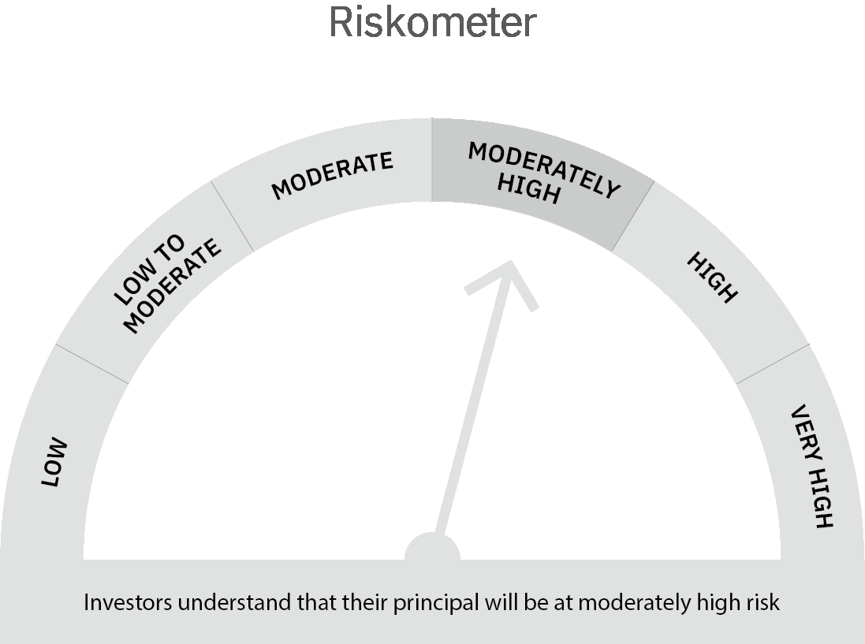
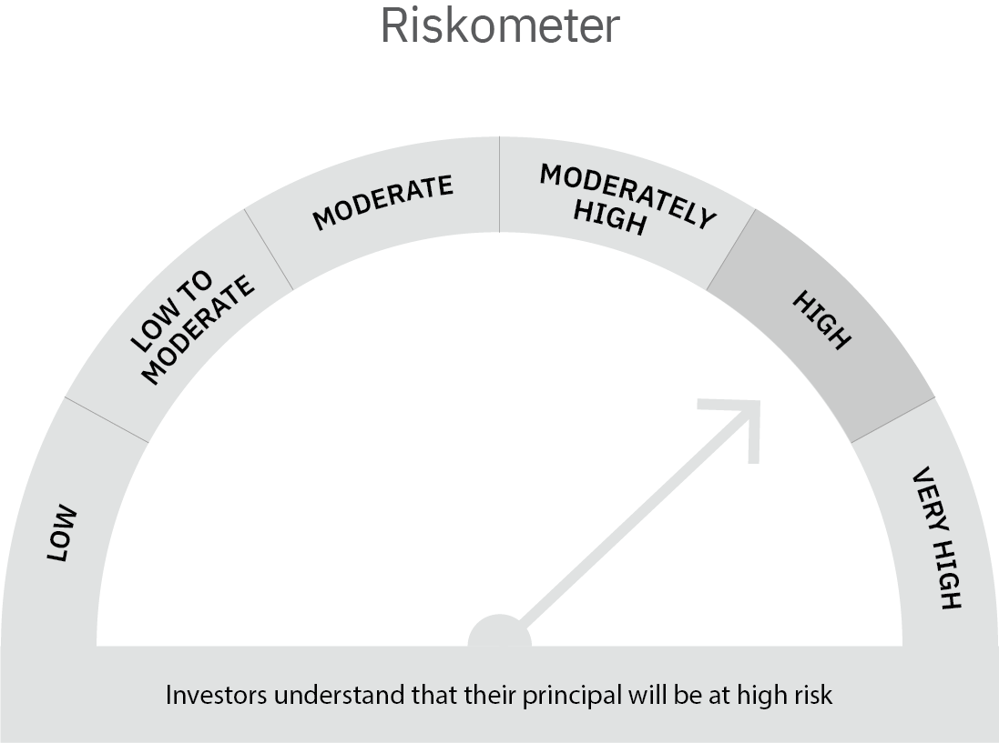

 | Scheme Risk-o-meter |  | Benchmark Risk-o-meter

Multi Asset Fund
 | MOTILAL OSWAL MULTI ASSET FUND
 | Portfolio as on October 31, 2021

Sr. No. | Name of Instrument |  | ISIN | Rating / Industry | Quantity | Market value (Rs. In lakhs) | % to Net Assets | Sector / Rating | Percent
 | Equity & Equity related |  |  |  |  |  |  | SOVEREIGN | 29.25%
 | (a) Listed / awaiting listing on Stock Exchanges |  |  |  |  |  |  | CRISIL AAA | 27.75%
1 | HDFC Bank Limited |  | INE040A01034 | Banks | 18592 | 294.28 | 1.34% | INVESTMENT FUNDS/MUTUAL FUNDS | 22.42%
2 | Infosys Limited |  | INE009A01021 | Software | 11794 | 196.69 | 0.89% | ICRA AA+ | 4.61%
3 | Housing Development Finance Corporation Limited |  | INE001A01036 | Finance | 6882 | 195.77 | 0.89% | Banks | 3.42%
4 | ICICI Bank Limited |  | INE090A01021 | Banks | 21722 | 174.22 | 0.79% | Software | 1.60%
5 | Kotak Mahindra Bank Limited |  | INE237A01028 | Banks | 7922 | 160.91 | 0.73% | Auto | 1.22%
6 | Tata Consultancy Services Limited |  | INE467B01029 | Software | 4593 | 156.06 | 0.71% | Cement & Cement Products | 0.99%
7 | Bajaj Auto Limited |  | INE917I01010 | Auto | 4160 | 154.22 | 0.70% | Finance | 0.89%
8 | UltraTech Cement Limited |  | INE481G01011 | Cement & Cement Products | 1695 | 129.43 | 0.59% | Industrial Capital Goods | 0.77%
9 | ABB India Limited |  | INE117A01022 | Industrial Capital Goods | 6000 | 127.19 | 0.58% | Insurance | 0.72%
10 | State Bank of India |  | INE062A01020 | Banks | 24800 | 124.53 | 0.57% | Pesticides | 0.50%
11 | HDFC Life Insurance Company Limited |  | INE795G01014 | Insurance | 16223 | 110.39 | 0.50% | Transportation | 0.46%
12 | PI Industries Limited |  | INE603J01030 | Pesticides | 3649 | 109.47 | 0.50% | Retailing | 0.42%
13 | Container Corporation of India Limited |  | INE111A01025 | Transportation | 15512 | 101.62 | 0.46% | Pharmaceuticals | 0.41%
14 | Zomato Limited |  | INE758T01015 | Retailing | 70000 | 92.09 | 0.42% | Construction Project | 0.40%
15 | Abbott India Limited |  | INE358A01014 | Pharmaceuticals | 448 | 89.82 | 0.41% | Cash & Equivalent | 4.17%
16 | Shree Cement Limited |  | INE070A01015 | Cement & Cement Products | 311 | 89.06 | 0.40%
17 | Larsen & Toubro Limited |  | INE018A01030 | Construction Project | 5000 | 88.33 | 0.40%
18 | Maruti Suzuki India Limited |  | INE585B01010 | Auto | 948 | 70.93 | 0.32%
19 | ICICI Lombard General Insurance Company Limited |  | INE765G01017 | Insurance | 3275 | 48.52 | 0.22%
20 | Eicher Motors Limited |  | INE066A01021 | Auto | 1793 | 44.55 | 0.20%
21 | Honeywell Automation India Limited |  | INE671A01010 | Industrial Capital Goods | 103 | 43.19 | 0.20%
 | Total |  |  |  |  | 2,601.27 | 11.81%
 | (b) Unlisted
 | Total
 | Debt Instruments
 | (a) Listed / awaiting listing on Stock Exchange
1 | Bajaj Finance Limited |  | INE296A07RH2 | CRISIL AAA | 1000000 | 1,076.04 | 4.88%
2 | Larsen & Toubro Limited |  | INE018A08AS1 | CRISIL AAA | 1000000 | 1,020.13 | 4.63%
3 | Sundaram Home Finance Limited |  | INE667F07HH4 | ICRA AA+ | 1000000 | 1,014.67 | 4.61%
4 | REC Limited |  | INE020B08DC3 | CRISIL AAA | 1000000 | 1,012.51 | 4.60%
5 | Kotak Mahindra Prime Limited |  | INE916DA7QT0 | CRISIL AAA | 1000000 | 1,004.24 | 4.56%
6 | HDB Financial Services Limited |  | INE756I07DO4 | CRISIL AAA | 1000000 | 1,001.24 | 4.54%
7 | Housing Development Finance Corporation Limited |  | INE001A07SV5 | CRISIL AAA | 1000000 | 1,000.38 | 4.54%
 | Total |  |  |  |  | 7,129.21 | 32.36%
 | (b) Privately placed / Unlisted
 | Total
 | State Government Securities
1 | 6.10% Rajasthan SDL (MD 25/05/2026) |  | IN2920210084 | SOVEREIGN | 3000000 | 2,999.90 | 13.62%
 | Total |  |  |  |  | 2,999.90 | 13.62%
 | Exchange Traded Funds
1 | ICICI Prudential Gold ETF |  | INF109KC1NT3 |  | 5747746.000 | 2,447.39 | 11.11%
 | Total |  |  |  |  | 2,447.39 | 11.11%
 | Money Market Instruments
 | Treasury Bill/Cash Management Bill
1 | 364 Days Tbill (MD 21/04/2022) |  | IN002021Z038 | SOVEREIGN | 2500000 | 2,456.16 | 11.15%
2 | 364 Days Tbill (MD 03/03/2022) |  | IN002020Z485 | SOVEREIGN | 1000000 | 988.00 | 4.48%
 | Total |  |  |  |  | 3,444.16 | 15.63%
 | CBLO/REPO/TREPS
1 | Collateralized Borrowing & Lending Obligation |  |  |  | 777000 | 777.00 | 3.53%
 | Total |  |  |  |  | 777.00 | 3.53%
 | Others
 | Mutual Fund Units
1 | Motilal Oswal S&P 500 Index Fund DirectPlan Growth |  | INF247L01AG2 |  | 15993112.293 | 2,492.00 | 11.31%
 | Total |  |  |  |  | 2,492.00 | 11.31%
 | Cash & Cash Equivalents
 | Net Receivables / (Payables) |  |  |  |  | 142.19 | 0.65%
 | GRAND TOTAL |  |  |  |  | 22,033.12 | 100.00%

 | Total Expense Ratio
 | Total Expense Ratio
 | Direct Plan : | 0.56%
 | Regular Plan : | 2.03%

 | NAV | Direct Growth |  | 11.0331
 | NAV | Regular Growth |  | 10.8289

 | Monthly AAUM in Crores |  |  | 221.96

 | Latest AUM (31 OCTOBER 2021) in Crores |  |  | 220.33

 | Portfolio Turnover Ratio |  |  | 1.24

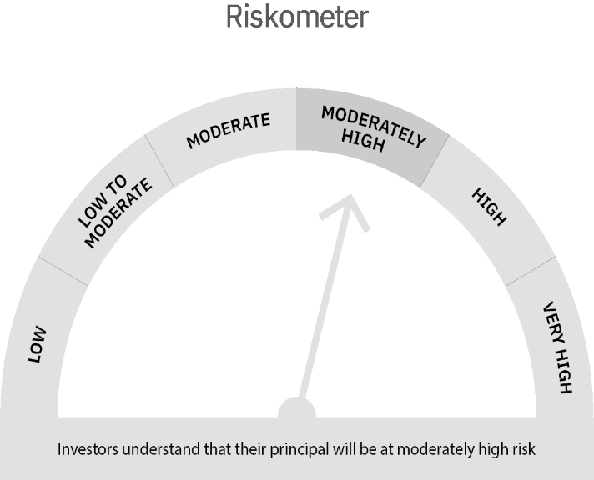

 | Scheme Risk-o-meter |  | Benchmark Risk-o-meter

USTBF
 | Motilal Oswal Ultra Short Term Fund
 | Portfolio as on October 31, 2021

Sr. No. | Name of Instrument |  | ISIN | Rating / Industry | Quantity | Market value (Rs. In lakhs) | % to Net Assets | Sector / Rating | Percent
 | Debt Instruments |  |  |  |  |  |  | SOVEREIGN | 66.87%
 | (a) Listed / awaiting listing on Stock Exchange |  |  |  |  |  |  | CRISIL AAA | 10.80%
1 | National Bank For Agriculture and Rural Development |  | INE261F08BL9 | CRISIL AAA | 400000 | 408.20 | 3.62% | ICRA AA+ | 3.60%
2 | Larsen & Toubro Limited |  | INE018A08AS1 | CRISIL AAA | 400000 | 408.05 | 3.62% | Cash & Equivalent | 18.74%
3 | Sundaram Home Finance Limited |  | INE667F07HH4 | ICRA AA+ | 400000 | 405.87 | 3.60%
4 | HDB Financial Services Limited |  | INE756I07CV1 | CRISIL AAA | 400000 | 400.55 | 3.55%
 | Total |  |  |  |  | 1,622.67 | 14.40%
 | (b) Privately placed / Unlisted
 | Total
 | State Government Securities
1 | 7.02% Maharashtra SDL (MD 27/09/2022) |  | IN2220170111 | SOVEREIGN | 1500000 | 1,536.78 | 13.64%
2 | 8.72% Tamilnadu SDL (MD 11/01/2022) |  | IN3120110108 | SOVEREIGN | 1000000 | 1,009.21 | 8.95%
2 | 8.72% Maharashtra SDL (MD 11/01/2022) |  | IN2220110083 | SOVEREIGN | 1000000 | 1,009.21 | 8.95%
 | Total |  |  |  |  | 3,555.20 | 31.55%
 | Money Market Instruments
 | Treasury Bill/Cash Management Bill
1 | 182 Days Tbill (MD 23/12/2021) |  | IN002021Y122 | SOVEREIGN | 4000000 | 3,980.44 | 35.32%
 | Total |  |  |  |  | 3,980.44 | 35.32%
 | CBLO/REPO/TREPS
1 | Collateralized Borrowing & Lending Obligation |  |  |  | 1894000 | 1,894.00 | 16.81%
 | Total |  |  |  |  | 1,894.00 | 16.81%
 | Cash & Cash Equivalents
 | Net Receivables / (Payables) |  |  |  |  | 217.58 | 1.93%
 | GRAND TOTAL |  |  |  |  | 11,269.89 | 100.00%

 | Total Expense Ratio
 | Total Expense Ratio
 | Direct Plan : | 0.22%
 | Regular Plan : | 1.02%

 | NAV | Direct Fortnightly IDCW |  | 10.0525
 | NAV | Direct Growth |  | 14.2095
 | NAV | Direct IDCW |  | 10.0286
 | NAV | Direct Monthly IDCW |  | 10.0357
 | NAV | Direct Quarterly IDCW |  | 10.1801
 | NAV | Direct Weekly IDCW |  | 10.0397
 | NAV | Regular Daily IDCW |  | 9.9654
 | NAV | Regular Fortnightly IDCW |  | 9.9762
 | NAV | Regular Growth |  | 13.7253
 | NAV | Regular Monthly IDCW |  | 9.9659
 | NAV | Regular Quarterly IDCW |  | 10.1107
 | NAV | Regular Weekly IDCW |  | 9.9689

 | Monthly AAUM in Crores |  |  | 110.57

 | Latest AUM (31 OCTOBER 2021) in Crores |  |  | 112.70

 | Portfolio Turnover Ratio |  |  | 1.54

 | Dividend History
 | Quarterly Dividend (Direct Plan)
 | Record Date Dividend Option | Dividend per Unit (Rs.) | Cum Dividend NAV | EX Dividend NAV
 | 29-Jun-18 | 0.162900 | 10.1885 | 10.0256
 | 3-Apr-18 | 0.157100 | 10.1932 | 10.0361
 | 29-Dec-17 | 0.139900 | 10.1607 | 10.0208

 | Quarterly Dividend (Regular Plan)
 | Record Date Dividend Option | Dividend per Unit (Rs.) | Cum Dividend NAV | EX Dividend NAV
 | 29-Jun-18 | 0.151700 | 10.1876 | 10.0359
 | 3-Apr-18 | 0.145200 | 10.1917 | 10.0465
 | 29-Dec-17 | 0.128300 | 10.1596 | 10.0313

 | Monthly Dividend (Direct Plan)
 | Record Date Dividend Option | Dividend per Unit (Rs.) | Cum Dividend NAV | EX Dividend NAV
 | 29-Jun-18 | 0.085576 | 10.0860 | 10.0004
 | 27-Jul-18 | 0.052676 | 10.0531 | 10.0004
 | 31-Aug-18 | 0.065273 | 10.0657 | 10.0004

 | Monthly Dividend (Regular Plan)
 | Record Date Dividend Option | Dividend per Unit (Rs.) | Cum Dividend NAV | EX Dividend NAV
 | 29-Jun-18 | 0.081535 | 10.0827 | 10.0012
 | 27-Jul-18 | 0.049133 | 10.0503 | 10.0012
 | 31-Aug-18 | 0.060833 | 10.0619 | 10.0011

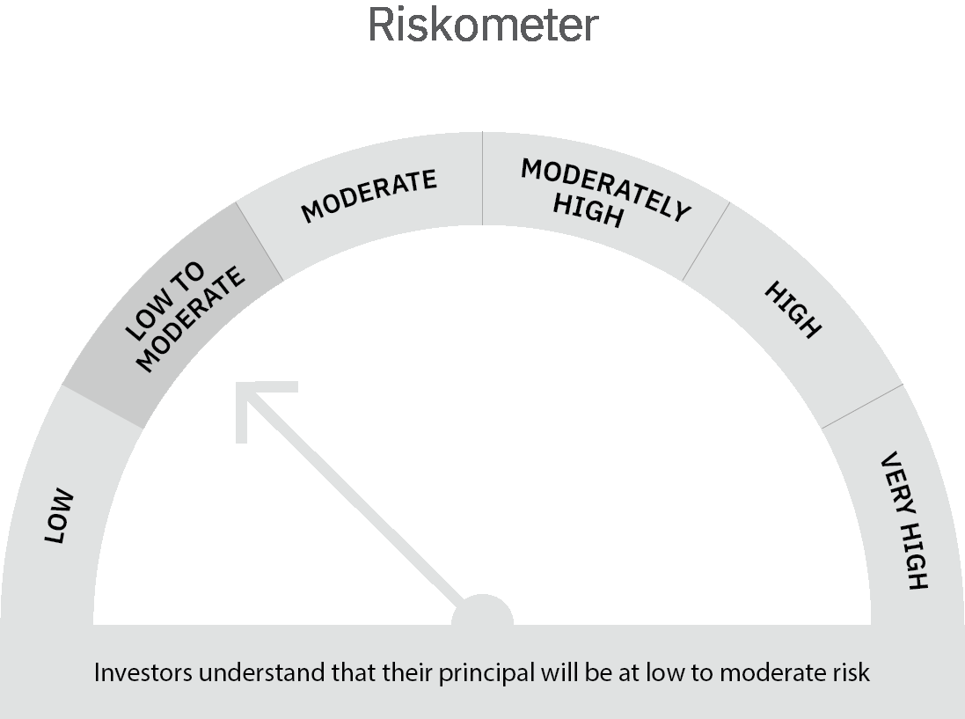

 | Scheme Risk-o-meter |  | Benchmark Risk-o-meter

Liquid Fund
 | Motilal Oswal Liquid Fund
 | Portfolio as on October 31, 2021

Sr. No. | Name of Instrument |  | ISIN | Rating / Industry | Quantity | Market value (Rs. In lakhs) | % to Net Assets | Sector / Rating | Percent
 | Money Market Instruments |  |  |  |  |  |  | SOVEREIGN | 90.69%
 | Treasury Bill/Cash Management Bill |  |  |  |  |  |  | CRISIL A1+ | 3.35%
1 | 91 Days Tbill (MD 20/01/2022) |  | IN002021X322 | SOVEREIGN | 35000000 | 34,730.54 | 46.92% | ICRA A1+ | 3.35%
2 | 91 Days Tbill (MD 09/12/2021) |  | IN002021X264 | SOVEREIGN | 27500000 | 27,401.72 | 37.02% | Cash & Equivalent | 2.61%
3 | 91 Days Tbill (MD 04/11/2021) |  | IN002021X215 | SOVEREIGN | 5000000 | 4,998.91 | 6.75%
 | Total |  |  |  |  | 67,131.17 | 90.69%
 | Certificate of Deposit
1 | IndusInd Bank Limited |  | INE095A16L97 | CRISIL A1+ | 2500000 | 2,478.22 | 3.35%
2 | Axis Bank Limited |  | INE238A163W6 | ICRA A1+ | 2500000 | 2,477.96 | 3.35%
 | Total |  |  |  |  | 4,956.18 | 6.70%
 | CBLO/REPO/TREPS
1 | Collateralized Borrowing & Lending Obligation |  |  |  | 1437000 | 1,437.00 | 1.94%
 | Total |  |  |  |  | 1,437.00 | 1.94%
 | Cash & Cash Equivalents
 | Net Receivables / (Payables) |  |  |  |  | 496.31 | 0.67%
 | GRAND TOTAL |  |  |  |  | 74,020.66 | 100.00%

 | Total Expense Ratio
 | Total Expense Ratio
 | Direct Plan : | 0.21%
 | Regular Plan : | 0.36%

 | NAV | Regular Growth |  | 11.1853
 | NAV | Direct Growth |  | 11.2336
 | NAV | Direct-IDCW Option-Daily |  | 10.0077
 | NAV | Direct-IDCW Option-Fortnightly |  | 10.0113
 | NAV | Direct -IDCW Option-Monthly |  | 10.0318
 | NAV | Direct-IDCW Option-Quarterly |  | 10.0329
 | NAV | Direct-IDCW Option-Weekly |  | 10.0076
 | NAV | Regular IDCW Option-Daily |  | 10.0055
 | NAV | Regular IDCW Option-Fortnightly |  | 10.0107
 | NAV | Regular-IDCW Option-Monthly |  | 10.0317
 | NAV | Regular-IDCW Option-Quarterly |  | 10.0316
 | NAV | Regular IDCW Option-Weekly |  | 10.0147
 | NAV | Unclaimed Dividend Plan Below 3 years |  | 10.9132
 | NAV | Unclaimed Redemption Plan Below 3 years |  | 10.7124

 | Monthly AAUM in Crores |  |  | 742.66

 | Latest AUM (31 OCTOBER 2021) in Crores |  |  | 740.21

 | Portfolio Turnover Ratio |  |  | 2.71

 | Monthly Dividend (Direct Plan)
 | Record Date Dividend Option | Dividend per Unit (Rs.) | Cum Dividend NAV | EX Dividend NAV
 | 29-Oct-21 | 0.027958 | 10.0580 | 10.0300
 | 24-Sep-21 | 0.021946 | 10.0520 | 10.0300
 | 27-Aug-21 | 0.025129 | 10.0551 | 10.0300

 | Monthly Dividend (Regular Plan)
 | Record Date Dividend Option | Dividend per Unit (Rs.) | Cum Dividend NAV | EX Dividend NAV
 | 29-Oct-21 | 0.026401 | 10.0564 | 10.0300
 | 24-Sep-21 | 0.020704 | 10.0507 | 10.0300
 | 27-Aug-21 | 0.023882 | 10.0539 | 10.0300

 | Quarterly Dividend (Direct Plan)
 | Record Date Dividend Option | Dividend per Unit (Rs.) | Cum Dividend NAV | EX Dividend NAV
 | 24-Sep-21 | 0.077369 | 10.0808 | 10.0034
 | 25-Jun-21 | 0.075354 | 10.0788 | 10.0034
 | 26-Mar-21 | 0.071409 | 10.0748 | 10.0034

 | Quarterly Dividend (Regular Plan)
 | Record Date Dividend Option | Dividend per Unit (Rs.) | Cum Dividend NAV | EX Dividend NAV
 | 24-Sep-21 | 0.074157 | 10.0776 | 10.0034
 | 25-Jun-21 | 0.071930 | 10.0753 | 10.0034
 | 26-Mar-21 | 0.068271 | 10.0717 | 10.0034
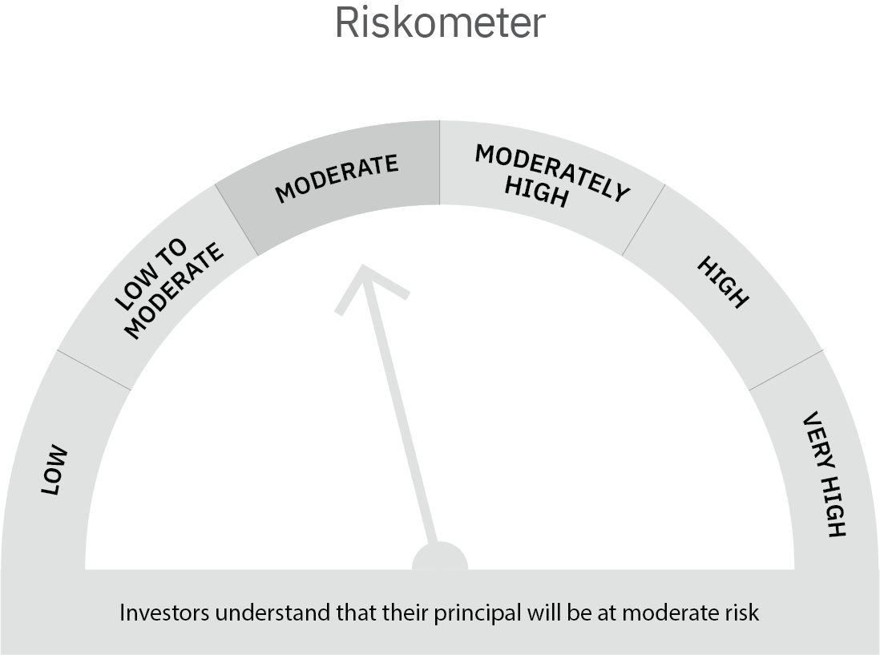

 | Scheme Risk-o-meter |  | Benchmark Risk-o-meter

Asset Allocation Conservative
 | Motilal Oswal Asset Allocation Passive FOF-Conservative
 | Portfolio as on October 31, 2021

Sr. No. | Name of Instrument |  | ISIN | Rating / Industry | Quantity | Market value (Rs. In lakhs) | % to Net Assets | Sector / Rating | Percent
 | Exchange Traded Funds |  |  |  |  |  |  | Exchange Traded Funds | 55.31%
1 | Motilal Oswal 5 Year G-sec ETF-Growth |  | INF247L01AK4 |  | 4317821.000 | 2,114.44 | 46.24% | INVESTMENT FUNDS/MUTUAL FUNDS | 44.14%
2 | ICICI Prudential Gold ETF |  | INF109KC1NT3 |  | 973851.000 | 414.67 | 9.07% | Cash & Equivalent | 0.55%
 | Total |  |  |  |  | 2,529.11 | 55.31%
 | Mutual Fund Units
1 | Motilal Oswal Nifty 500 Fund - Direct Plan |  | INF247L01957 |  | 8887706.180 | 1,514.92 | 33.13%
2 | Motilal Oswal S&P 500 Index Fund DirectPlan Growth |  | INF247L01AG2 |  | 3231437.805 | 503.51 | 11.01%
 | Total |  |  |  |  | 2,018.43 | 44.14%
 | Money Market Instruments
 | CBLO/REPO/TREPS
1 | Collateralized Borrowing & Lending Obligation |  |  |  | 60000 | 60.00 | 1.31%
 | Total |  |  |  |  | 60.00 | 1.31%
 | Cash & Cash Equivalents
 | Net Receivables / (Payables) |  |  |  |  | (34.98) | -0.76%
 | GRAND TOTAL |  |  |  |  | 4,572.56 | 100.00%

 | Total Expense Ratio
 | Total Expense Ratio
 | Direct Plan : | 0.05%
 | Regular Plan : | 0.66%

 | NAV | Regular Growth |  | 11.0397
 | NAV | Direct Growth |  | 11.0825

 | Monthly AAUM in Crores |  |  | 43.72

 | Latest AUM (31 OCTOBER 2021) in Crores |  |  | 45.73

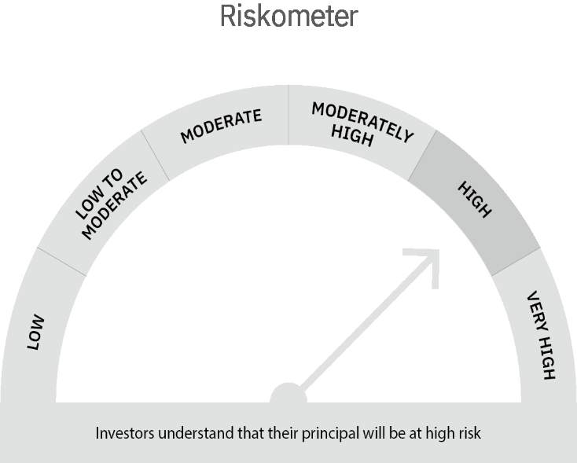

 | Scheme Risk-o-meter |  | Benchmark Risk-o-meter

