MO Ultra Short Term Fund
 | Motilal Oswal Ultra Short Term Fund

 | Fortnighly Portfolio Statement as on September 30,2021
 | Name of the Instrument | ISIN | Rating | Quantity | Market/Fair Value(Rs. in Lacs) | % to Net Assets | YTM
 | Debt Instruments
 | (a) Listed / awaiting listing on Stock Exchange
GOI3600 | 7.02% State Government Securities (27/09/2022) | IN2220170111 | SOVEREIGN | 1,500,000 | 1543.49 | 0.15 | 4.00%
GOI844 | 8.72% State Government Securities (11/01/2022) | IN3120110108 | SOVEREIGN | 1,000,000 | 1013.54 | 0.10 | 3.70%
GOI842 | 8.72% State Government Securities (11/01/2022) | IN2220110083 | SOVEREIGN | 1,000,000 | 1013.54 | 0.10 | 3.70%
NBAR529 | 7.7% National Bank For Agriculture and Rural Development (13/06/2022) ** | INE261F08BL9 | CRISIL AAA | 400,000 | 409.33 | 0.04 | 4.17%
LARS349 | 8.02% Larsen & Toubro Limited (22/05/2022) ** | INE018A08AS1 | CRISIL AAA | 400,000 | 409.07 | 0.04 | 4.25%
SUHF232 | 8.4% Sundaram Home Finance Limited (11/04/2022) ** | INE667F07HH4 | ICRA AA+ | 400,000 | 407.33 | 0.04 | 4.65%
HDBF265 | 7.49% HDB Financial Services Limited (18/11/2021) ** | INE756I07CV1 | CRISIL AAA | 400,000 | 401.73 | 0.04 | 3.93%
 | Sub Total |  |  |  | 5198.04 | 0.50
 | (b) Privately placed / Unlisted |  |  |  | NIL | NIL
 | Sub Total |  |  |  | NIL | NIL
 | Total |  |  |  | 5198.04 | 0.50
 | Money Market Instruments
 | Treasury Bill
TBIL1916 | 182 Days Tbill (MD 23/12/2021) | IN002021Y122 | SOVEREIGN | 4,000,000 | 3969.02 | 0.38 | 3.43%
 | Sub Total |  |  |  | 3969.02 | 0.38
 | Total |  |  |  | 3969.02 | 0.38
 | CBLO / Reverse Repo
TRP_011021 | CBLO |  |  |  | 1098.00 | 0.10 | 3.30%
 | Sub Total |  |  |  | 1098.00 | 0.10
 | Total |  |  |  | 1098.00 | 0.10
 | Net Receivables / (Payables) |  |  |  | 198.28 | 0.02
 | GRAND TOTAL |  |  |  | 10463.34 | 1.00

 | ** Thinly Traded / Non Traded Security

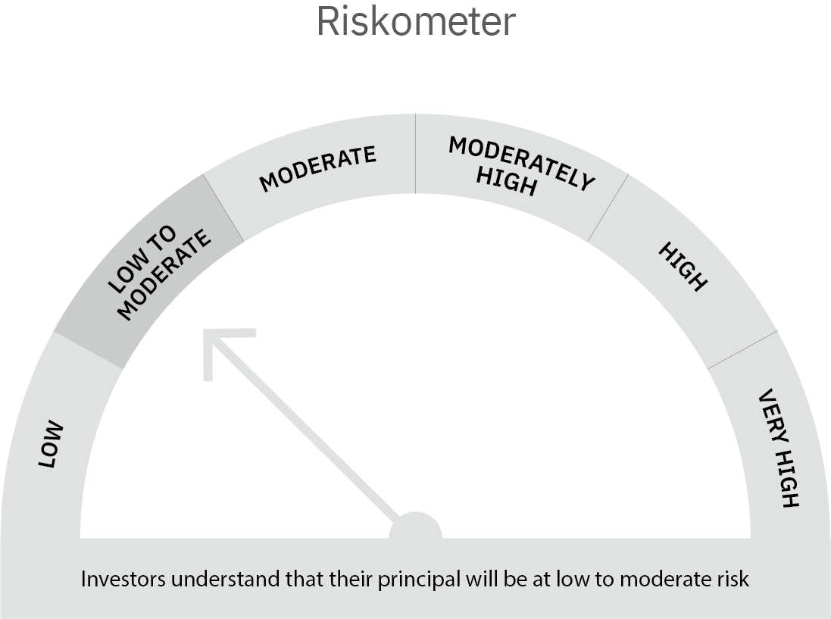

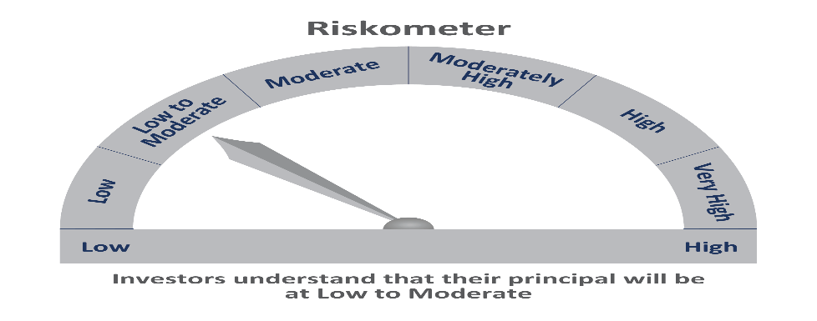

 | Scheme Risk-o-meter |  | Benchmark Risk-o-meter

MO 5 Year G-Sec
 | Motilal Oswal 5 Year G-Sec ETF

 | Fortnighly Portfolio Statement as on September 30,2021
 | Name of the Instrument | ISIN | Rating | Quantity | Market/Fair Value(Rs. in Lacs) | % to Net Assets | YTM
 | Debt Instruments
 | (a) Listed / awaiting listing on Stock Exchange
GOI3103 | 5.63% Government of India (12/04/2026) | IN0020210012 | SOVEREIGN | 3,822,000 | 3816.84 | 0.98 | 5.66%
 | Sub Total |  |  |  | 3816.84 | 0.98
 | (b) Privately placed / Unlisted |  |  |  | NIL | NIL
 | Sub Total |  |  |  | NIL | NIL
 | Total |  |  |  | 3816.84 | 0.98
 | CBLO / Reverse Repo
TRP_011021 | CBLO |  |  |  | 36.00 | 0.01 | 3.30%
 | Sub Total |  |  |  | 36.00 | 0.01
 | Total |  |  |  | 36.00 | 0.01
 | Net Receivables / (Payables) |  |  |  | 43.44 | 0.01
 | GRAND TOTAL |  |  |  | 3896.28 | 1.00

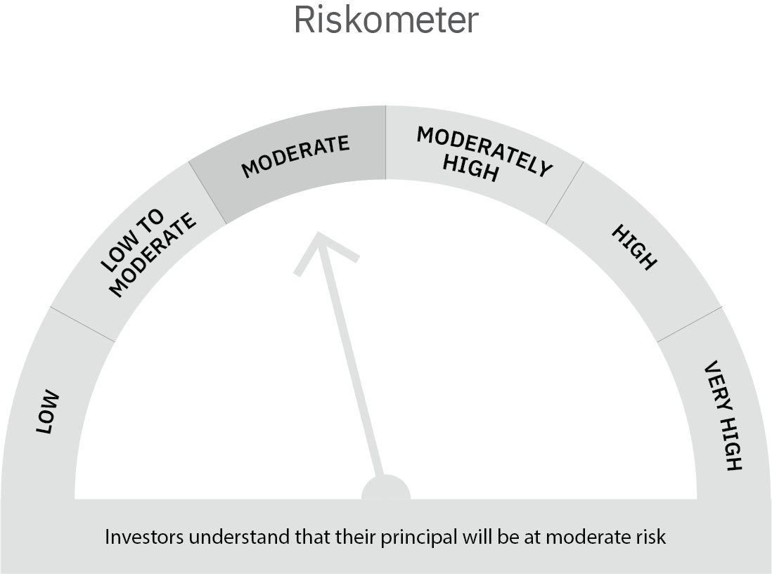

 | Scheme Risk-o-meter |  | Benchmark Risk-o-meter

