Focused 25 Fund
 | Motilal Oswal Focused 25 Fund
 | Portfolio as on September 30, 2021

Sr. No. | Name of Instrument |  | ISIN | Rating / Industry | Quantity | Market value (Rs. In lakhs) | % to Net Assets | Sector / Rating | Percent
 | Equity & Equity related |  |  |  |  |  |  | Banks | 23.90%
 | (a) Listed / awaiting listing on Stock Exchanges |  |  |  |  |  |  | Software | 12.98%
1 | HDFC Bank Limited |  | INE040A01034 | Banks | 1084600 | 17,298.83 | 9.44% | Auto | 12.07%
2 | Housing Development Finance Corporation Limited |  | INE001A01036 | Finance | 626814 | 17,264.34 | 9.42% | Finance | 11.73%
3 | Bajaj Auto Limited |  | INE917I01010 | Auto | 442078 | 16,943.30 | 9.25% | Transportation | 7.68%
4 | Tata Consultancy Services Limited |  | INE467B01029 | Software | 435736 | 16,451.43 | 8.98% | Insurance | 6.46%
5 | ICICI Bank Limited |  | INE090A01021 | Banks | 2030975 | 14,234.09 | 7.77% | Pharmaceuticals | 6.20%
6 | Container Corporation of India Limited |  | INE111A01025 | Transportation | 1998085 | 14,072.51 | 7.68% | Cement & Cement Products | 5.63%
7 | Kotak Mahindra Bank Limited |  | INE237A01028 | Banks | 611438 | 12,262.39 | 6.69% | Industrial Capital Goods | 5.52%
8 | ABB India Limited |  | INE117A01022 | Industrial Capital Goods | 540477 | 10,110.16 | 5.52% | Retailing | 4.05%
9 | HDFC Life Insurance Company Limited |  | INE795G01014 | Insurance | 1153058 | 8,329.69 | 4.55% | Pesticides | 3.36%
10 | Infosys Limited |  | INE009A01021 | Software | 438100 | 7,339.05 | 4.01% | CRISIL AAA | 0.02%
11 | Abbott India Limited |  | INE358A01014 | Pharmaceuticals | 31180 | 6,397.45 | 3.49% | Cash & Equivalent | 0.39%
12 | PI Industries Limited |  | INE603J01030 | Pesticides | 193638 | 6,154.49 | 3.36%
13 | Shree Cement Limited |  | INE070A01015 | Cement & Cement Products | 21277 | 6,149.38 | 3.36%
14 | Zomato Limited |  | INE758T01015 | Retailing | 4391661 | 5,999.01 | 3.27%
15 | Maruti Suzuki India Limited |  | INE585B01010 | Auto | 70369 | 5,163.71 | 2.82%
16 | Procter & Gamble Health Limited |  | INE199A01012 | Pharmaceuticals | 91963 | 4,969.31 | 2.71%
17 | SBI Cards and Payment Services Limited |  | INE018E01016 | Finance | 411000 | 4,231.66 | 2.31%
18 | UltraTech Cement Limited |  | INE481G01011 | Cement & Cement Products | 56434 | 4,173.92 | 2.28%
19 | ICICI Lombard General Insurance Company Limited |  | INE765G01017 | Insurance | 220639 | 3,507.06 | 1.91%
20 | Avenue Supermarts Limited |  | INE192R01011 | Retailing | 33243 | 1,412.89 | 0.77%
 | Total |  |  |  |  | 182,464.67 | 99.59%
 | (b) Unlisted
 | Total
 | Debt Instruments
 | (a) Listed / awaiting listing on Stock Exchange
1 | Britannia Industries Limited |  | INE216A07052 | CRISIL AAA | 119829 | 37.08 | 0.02%
 | Total |  |  |  |  | 37.08 | 0.02%
 | (b) Privately placed / Unlisted
 | Total
 | Money Market Instruments
 | CBLO/REPO/TREPS
1 | Collateralized Borrowing & Lending Obligation |  |  |  | 929000 | 929.00 | 0.51%
 | Total |  |  |  |  | 929.00 | 0.51%
 | Cash & Cash Equivalents
 | Net Receivables / (Payables) |  |  |  |  | (206.04) | -0.11%
 | GRAND TOTAL |  |  |  |  | 183,224.71 | 100.00%

 | Total Expense Ratio
 | Total Expense Ratio
 | Regular Plan : | 2.20%
 | Direct Plan : | 0.94%

 | NAV | Direct IDCW |  | 22.2595
 | NAV | Direct Growth |  | 38.0240
 | NAV | Regular IDCW |  | 19.9485
 | NAV | Regular Growth |  | 33.9889

 | Monthly AAUM in Crores |  |  | 1,873.87

 | Latest AUM (30 SEPTEMBER 2021) in Crores |  |  | 1,832.25

 | Portfolio Turnover Ratio |  |  | 0.39

 | Dividend History
 | Record Date (March 26, 2021) | Dividend per Unit (Rs.) | Cum Dividend NAV | EX Dividend NAV
 | Direct Plan | 3.30 | 22.4101 | 19.1101
 | Regular Plan | 3.00 | 20.2349 | 17.2349
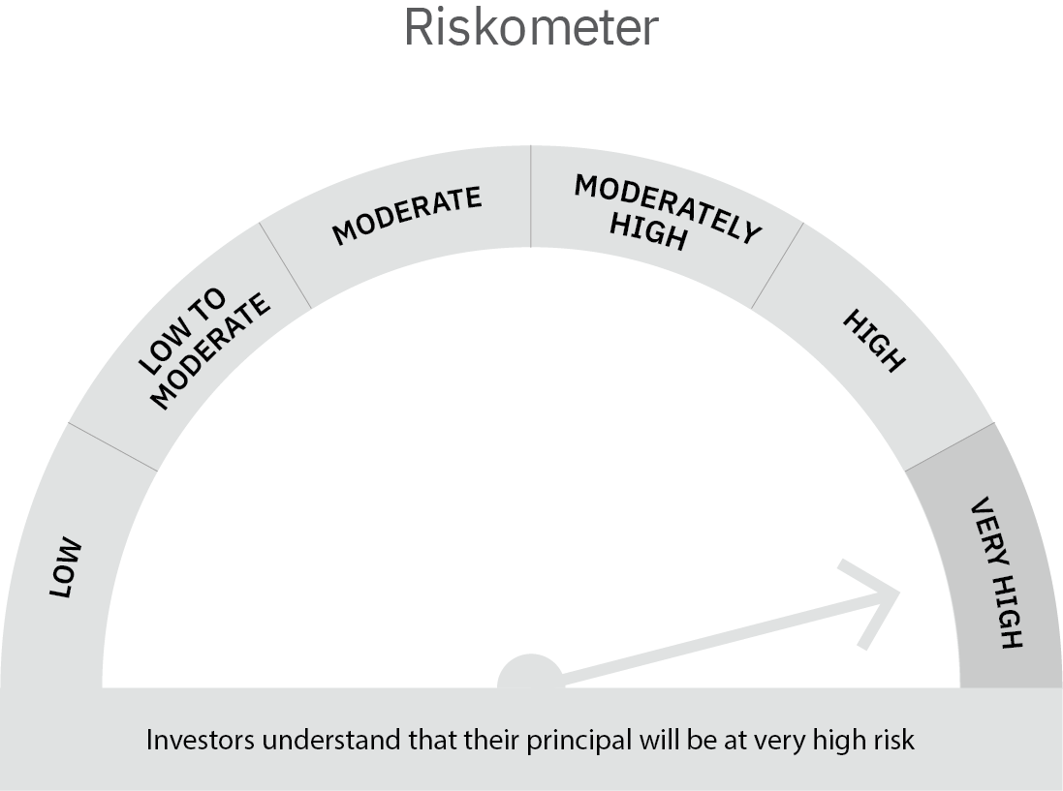

 | Scheme Risk-o-meter |  | Benchmark Risk-o-meter

Dynamic Fund
 | Motilal Oswal Dynamic Fund
 | Portfolio as on September 30, 2021

Sr. No. | Name of Instrument |  | ISIN | Rating / Industry | Quantity | Market value (Rs. In lakhs) | % to Net Assets | Sector / Rating | Percent
 | Equity & Equity related |  |  |  |  |  |  | Banks | 21.75%
 | (a) Listed / awaiting listing on Stock Exchanges |  |  |  |  |  |  | CRISIL AAA | 12.83%
1 | Larsen & Toubro Limited |  | INE018A01030 | Construction Project | 621575 | 10,585.11 | 8.93% | Construction Project | 8.93%
2 | ICICI Bank Limited |  | INE090A01021 | Banks | 1361250 | 9,540.32 | 8.05% | Finance | 7.09%
3 | ITC Limited |  | INE154A01025 | Consumer Non Durables | 2848000 | 6,725.55 | 5.67% | Insurance | 6.68%
4 | State Bank of India |  | INE062A01020 | Banks | 982000 | 4,448.46 | 3.75% | Software | 6.17%
5 | HDFC Bank Limited |  | INE040A01034 | Banks | 248000 | 3,955.48 | 3.34% | Consumer Non Durables | 5.67%
6 | SBI Cards and Payment Services Limited |  | INE018E01016 | Finance | 378421 | 3,896.22 | 3.29% | ICRA AAA | 4.21%
7 | SBI Life Insurance Company Limited |  | INE123W01016 | Insurance | 320000 | 3,888.32 | 3.28% | Auto | 3.13%
8 | Axis Bank Limited |  | INE238A01034 | Banks | 488400 | 3,743.83 | 3.16% | ICRA AA+ | 3.12%
9 | ICICI Lombard General Insurance Company Limited |  | INE765G01017 | Insurance | 221000 | 3,512.80 | 2.96% | Pharmaceuticals | 2.99%
10 | AU Small Finance Bank Limited |  | INE949L01017 | Banks | 262415 | 3,055.17 | 2.58% | ICRA A1+ | 2.10%
11 | Tata Consultancy Services Limited |  | INE467B01029 | Software | 75000 | 2,831.66 | 2.39% | Retailing | 1.95%
12 | Infosys Limited |  | INE009A01021 | Software | 163727 | 2,742.75 | 2.31% | Cement & Cement Products | 1.26%
13 | Housing Development Finance Corporation Limited |  | INE001A01036 | Finance | 97000 | 2,671.67 | 2.25% | Construction | 1.26%
14 | Zomato Limited |  | INE758T01015 | Retailing | 1694075 | 2,314.11 | 1.95% | Auto Ancillaries | 0.77%
15 | Maruti Suzuki India Limited |  | INE585B01010 | Auto | 31221 | 2,291.01 | 1.93% | Cash & Equivalent | 10.10%
16 | Gland Pharma Limited |  | INE068V01023 | Pharmaceuticals | 61171 | 2,275.50 | 1.92%
17 | LIC Housing Finance Limited |  | INE115A01026 | Finance | 430000 | 1,836.32 | 1.55%
18 | HCL Technologies Limited |  | INE860A01027 | Software | 136136 | 1,741.93 | 1.47%
19 | UltraTech Cement Limited |  | INE481G01011 | Cement & Cement Products | 20264 | 1,498.75 | 1.26%
20 | G R Infraprojects Limited |  | INE201P01022 | Construction | 80000 | 1,493.32 | 1.26%
21 | Bajaj Auto Limited |  | INE917I01010 | Auto | 37000 | 1,418.08 | 1.20%
22 | Alkem Laboratories Limited |  | INE540L01014 | Pharmaceuticals | 32000 | 1,273.84 | 1.07%
23 | Kotak Mahindra Bank Limited |  | INE237A01028 | Banks | 52000 | 1,042.86 | 0.88%
24 | WABCO India Limited |  | INE342J01019 | Auto Ancillaries | 12500 | 910.21 | 0.77%
25 | HDFC Life Insurance Company Limited |  | INE795G01014 | Insurance | 72000 | 520.13 | 0.44%
 | Total |  |  |  |  | 80,213.40 | 67.65%
 | (b) Unlisted
 | Total
 | Derivatives
 | Index / Stock Futures
1 | Axis Bank Limited October 2021 Future |  |  |  | (-488400) | (3,762.39) | -3.17%
2 | ICICI Bank Limited October 2021 Future |  |  |  | (-792000) | (5,577.26) | -4.70%
3 | Larsen & Toubro Limited October 2021 Future |  |  |  | (-334650) | (5,714.15) | -4.82%
4 | ITC Limited October 2021 Future |  |  |  | (-2848000) | (6,745.49) | -5.69%
 | Total |  |  |  |  | (21,799.29) | -18.38%
 | Debt Instruments
 | (a) Listed / awaiting listing on Stock Exchange
1 | Sundaram Finance Limited |  | INE660A07QX8 | ICRA AAA | 5000000 | 4,988.14 | 4.21%
2 | Bajaj Finance Limited |  | INE296A07RH2 | CRISIL AAA | 4000000 | 4,305.03 | 3.63%
3 | Housing Development Finance Corporation Limited |  | INE001A07SV5 | CRISIL AAA | 4000000 | 4,002.29 | 3.38%
4 | Cholamandalam Investment and Finance Company Limited |  | INE121A07PN4 | ICRA AA+ | 2500000 | 2,580.87 | 2.18%
5 | REC Limited |  | INE020B08DC3 | CRISIL AAA | 2500000 | 2,540.02 | 2.14%
6 | HDB Financial Services Limited |  | INE756I07DO4 | CRISIL AAA | 2500000 | 2,519.05 | 2.12%
7 | Larsen & Toubro Limited |  | INE018A08AS1 | CRISIL AAA | 1100000 | 1,124.93 | 0.95%
8 | Sundaram Home Finance Limited |  | INE667F07HH4 | ICRA AA+ | 1100000 | 1,120.16 | 0.94%
9 | National Bank For Agriculture and Rural Development |  | INE261F08BL9 | CRISIL AAA | 600000 | 614.00 | 0.52%
10 | HDB Financial Services Limited |  | INE756I07CV1 | CRISIL AAA | 100000 | 100.43 | 0.08%
11 | Britannia Industries Limited |  | INE216A08027 | CRISIL AAA | 17256 | 5.02 | 0.00%
 | Total |  |  |  |  | 23,899.94 | 20.16%
 | (b) Privately placed / Unlisted
 | Total
 | Money Market Instruments
 | Certificate of Deposit
1 | Axis Bank Limited |  | INE238A167U1 | ICRA A1+ | 2500000 | 2,487.38 | 2.10%
 | Total |  |  |  |  | 2,487.38 | 2.10%
 | CBLO/REPO/TREPS
1 | Collateralized Borrowing & Lending Obligation |  |  |  | 2450000 | 2,450.00 | 2.07%
 | Total |  |  |  |  | 2,450.00 | 2.07%
 | Cash & Cash Equivalents
 | Net Receivables / (Payables) |  |  |  |  | 31,323.79 | 26.42%
 | GRAND TOTAL |  |  |  |  | 118,575.22 | 100.00%

 | Total Expense Ratio
 | Total Expense Ratio
 | Direct Plan : | 0.98%
 | Regular Plan : | 2.21%

 | NAV | Plan A IDCW |  | 14.0901
 | NAV | Direct Annual IDCW |  | 14.3155
 | NAV | Direct Growth |  | 16.4719
 | NAV | Direct Quarterly IDCW |  | 12.8364
 | NAV | Regular Growth |  | 15.5476
 | NAV | Regular Quarterly IDCW |  | 12.6193

 | Monthly AAUM in Crores |  |  | 1,206.99

 | Latest AUM (30 SEPTEMBER 2021) in Crores |  |  | 1,185.75

 | Portfolio Turnover Ratio |  |  | 4.09

 | Quarterly Dividend (Direct Plan)
 | Record Date Dividend Option | Dividend per Unit (Rs.) | Cum Dividend NAV | EX Dividend NAV
 | 29-Jan-21 | 0.200000 | 11.8493 | 11.6493
 | 29-Oct-20 | 0.680000 | 11.9178 | 11.2378
 | 31-Jul-20 | 0.300000 | 12.0421 | 11.7421

 | Quarterly Dividend (Regular Plan)
 | Record Date Dividend Option | Dividend per Unit (Rs.) | Cum Dividend NAV | EX Dividend NAV
 | 29-Jan-21 | 0.200000 | 11.7477 | 11.5477
 | 29-Oct-20 | 0.750000 | 11.9241 | 11.1741
 | 31-Jul-20 | 0.300000 | 12.0868 | 11.7868

 | Annual Dividend ( Direct Plan)
 | Record Date Dividend Option | Dividend per Unit (Rs.) | Cum Dividend NAV | EX Dividend NAV
 | 26-Mar-21 | 0.7500 | 14.0402 | 13.2902
 | 23-Mar-20 | 0.3185 | 10.3185 | 10.0000
 | 28-Mar-19 | 0.2681 | 12.1778 | 11.9097

 | Annual Dividend ( Regular Plan)
 | Record Date Dividend Option | Dividend per Unit (Rs.) | Cum Dividend NAV | EX Dividend NAV
 | 26-Mar-21 | 0.5000 | 13.6668 | 13.1668
 | 28-Mar-19 | 0.3000 | 11.8144 | 11.5144
 | 20-Mar-18 | 0.1500 | 11.6473 | 11.4973

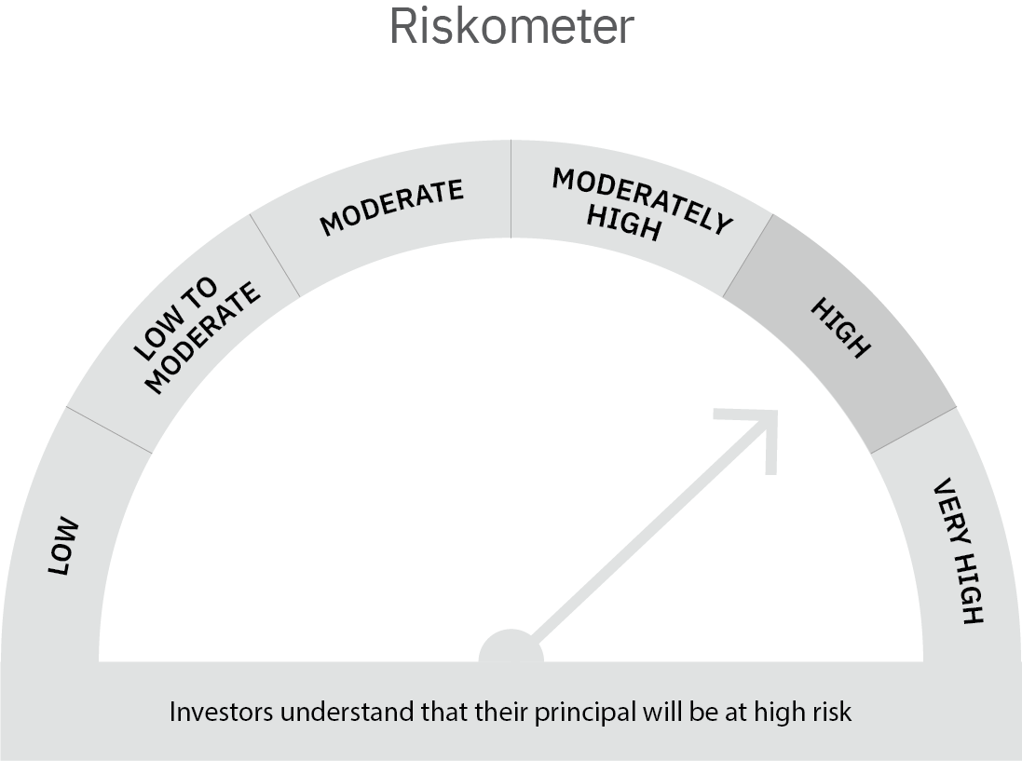

 | Scheme Risk-o-meter |  | Benchmark Risk-o-meter

USTBF
 | Motilal Oswal Ultra Short Term Fund
 | Portfolio as on September 30, 2021

Sr. No. | Name of Instrument |  | ISIN | Rating / Industry | Quantity | Market value (Rs. In lakhs) | % to Net Assets | Sector / Rating | Percent
 | Debt Instruments |  |  |  |  |  |  | SOVEREIGN | 72.06%
 | (a) Listed / awaiting listing on Stock Exchange |  |  |  |  |  |  | CRISIL AAA | 11.66%
1 | National Bank For Agriculture and Rural Development |  | INE261F08BL9 | CRISIL AAA | 400000 | 409.33 | 3.91% | ICRA AA+ | 3.89%
2 | Larsen & Toubro Limited |  | INE018A08AS1 | CRISIL AAA | 400000 | 409.07 | 3.91% | Cash & Equivalent | 12.39%
3 | Sundaram Home Finance Limited |  | INE667F07HH4 | ICRA AA+ | 400000 | 407.33 | 3.89%
4 | HDB Financial Services Limited |  | INE756I07CV1 | CRISIL AAA | 400000 | 401.73 | 3.84%
 | Total |  |  |  |  | 1,627.46 | 15.55%
 | (b) Privately placed / Unlisted
 | Total
 | State Government Securities
1 | 7.02% Maharashtra SDL (MD 27/09/2022) |  | IN2220170111 | SOVEREIGN | 1500000 | 1,543.49 | 14.75%
2 | 8.72% Tamilnadu SDL (MD 11/01/2022) |  | IN3120110108 | SOVEREIGN | 1000000 | 1,013.54 | 9.69%
3 | 8.72% Maharashtra SDL (MD 11/01/2022) |  | IN2220110083 | SOVEREIGN | 1000000 | 1,013.54 | 9.69%
 | Total |  |  |  |  | 3,570.57 | 34.12%
 | Money Market Instruments
 | Treasury Bill/Cash Management Bill
1 | 182 Days Tbill (MD 23/12/2021) |  | IN002021Y122 | SOVEREIGN | 4000000 | 3,969.02 | 37.93%
 | Total |  |  |  |  | 3,969.02 | 37.93%
 | CBLO/REPO/TREPS
1 | Collateralized Borrowing & Lending Obligation |  |  |  | 1098000 | 1,098.00 | 10.49%
 | Total |  |  |  |  | 1,098.00 | 10.49%
 | Cash & Cash Equivalents
 | Net Receivables / (Payables) |  |  |  |  | 198.29 | 1.89%
 | GRAND TOTAL |  |  |  |  | 10,463.34 | 100.00%

 | Total Expense Ratio
 | Total Expense Ratio
 | Direct Plan : | 0.22%
 | Regular Plan : | 1.02%

 | NAV | Direct IDCW |  | 10.0046
 | NAV | Regular Daily IDCW |  | 9.9479
 | NAV | Direct Fortnightly IDCW |  | 10.0282
 | NAV | Direct Growth |  | 14.1755
 | NAV | Direct Monthly IDCW |  | 10.0117
 | NAV | Direct Quarterly IDCW |  | 10.1559
 | NAV | Direct Weekly IDCW |  | 10.0157
 | NAV | Regular Fortnightly IDCW |  | 9.9587
 | NAV | Regular Growth |  | 13.7013
 | NAV | Regular Monthly IDCW |  | 9.9485
 | NAV | Regular Quarterly IDCW |  | 10.0930
 | NAV | Regular Weekly IDCW |  | 9.9515

 | Monthly AAUM in Crores |  |  | 103.04

 | Latest AUM (30 SEPTEMBER 2021) in Crores |  |  | 104.63

 | Portfolio Turnover Ratio |  |  | 1.68

 | Dividend History
 | Quarterly Dividend (Direct Plan)
 | Record Date Dividend Option | Dividend per Unit (Rs.) | Cum Dividend NAV | EX Dividend NAV
 | 29-Jun-18 | 0.162900 | 10.1885 | 10.0256
 | 3-Apr-18 | 0.157100 | 10.1932 | 10.0361
 | 29-Dec-17 | 0.139900 | 10.1607 | 10.0208

 | Quarterly Dividend (Regular Plan)
 | Record Date Dividend Option | Dividend per Unit (Rs.) | Cum Dividend NAV | EX Dividend NAV
 | 29-Jun-18 | 0.151700 | 10.1876 | 10.0359
 | 3-Apr-18 | 0.145200 | 10.1917 | 10.0465
 | 29-Dec-17 | 0.128300 | 10.1596 | 10.0313

 | Monthly Dividend (Direct Plan)
 | Record Date Dividend Option | Dividend per Unit (Rs.) | Cum Dividend NAV | EX Dividend NAV
 | 29-Jun-18 | 0.085576 | 10.0860 | 10.0004
 | 27-Jul-18 | 0.052676 | 10.0531 | 10.0004
 | 31-Aug-18 | 0.065273 | 10.0657 | 10.0004

 | Monthly Dividend (Regular Plan)
 | Record Date Dividend Option | Dividend per Unit (Rs.) | Cum Dividend NAV | EX Dividend NAV
 | 29-Jun-18 | 0.081535 | 10.0827 | 10.0012
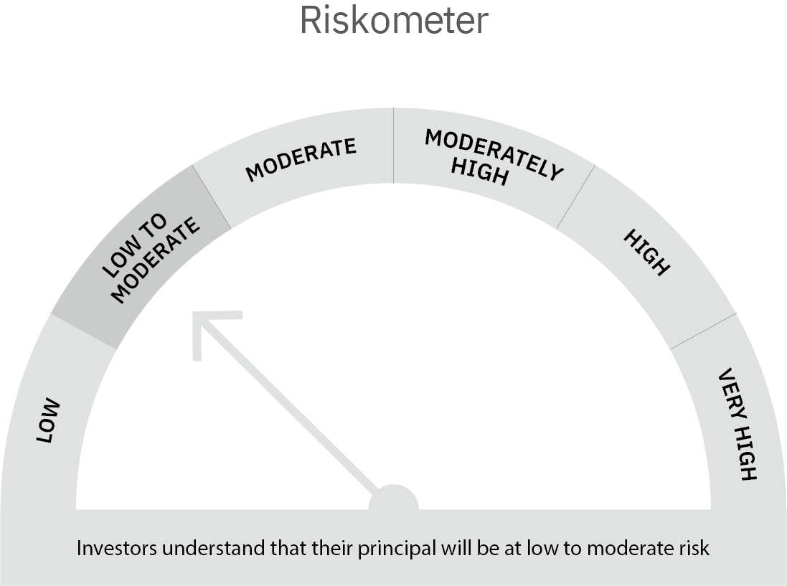
 | 27-Jul-18 | 0.049133 | 10.0503 | 10.0012
 | 31-Aug-18 | 0.060833 | 10.0619 | 10.0011

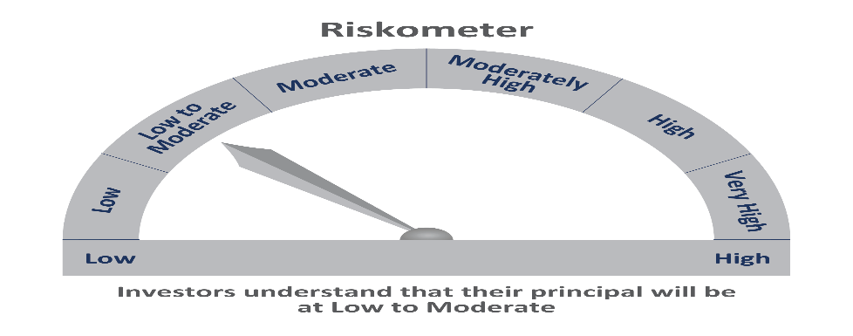

 | Scheme Risk-o-meter |  | Benchmark Risk-o-meter

MO 5 Year G-Sec
 | Motilal Oswal 5 Year G-Sec ETF
 | Portfolio as on September 30, 2021

Sr. No. | Name of Instrument |  | ISIN | Rating / Industry | Quantity | Market value (Rs. In lakhs) | % to Net Assets | Sector / Rating | Percent
 | Debt Instruments |  |  |  |  |  |  | SOVEREIGN | 97.96%
 | (a) Listed / awaiting listing on Stock Exchange |  |  |  |  |  |  | Cash & Equivalent | 2.04%
1 | Government of India |  | IN0020210012 | SOVEREIGN | 3822000 | 3,816.84 | 97.96%
 | Total |  |  |  |  | 3,816.84 | 97.96%
 | (b) Privately placed / Unlisted
 | Total
 | Money Market Instruments
 | CBLO/REPO/TREPS
1 | Collateralized Borrowing & Lending Obligation |  |  |  | 36000 | 36.00 | 0.92%
 | Total |  |  |  |  | 36.00 | 0.92%
 | Cash & Cash Equivalents
 | Net Receivables / (Payables) |  |  |  |  | 43.44 | 1.11%
 | GRAND TOTAL |  |  |  |  | 3,896.28 | 100.00%

 | Total Expense Ratio
 | Total Expense Ratio
 | Regular Plan : | 0.14%

 | NAV | Regular Growth |  | 48.8859

 | Monthly AAUM in Crores |  |  | 37.90

 | Latest AUM (30 SEPTEMBER 2021) in Crores |  |  | 38.96

 | Portfolio Turnover Ratio |  |  | 2.98

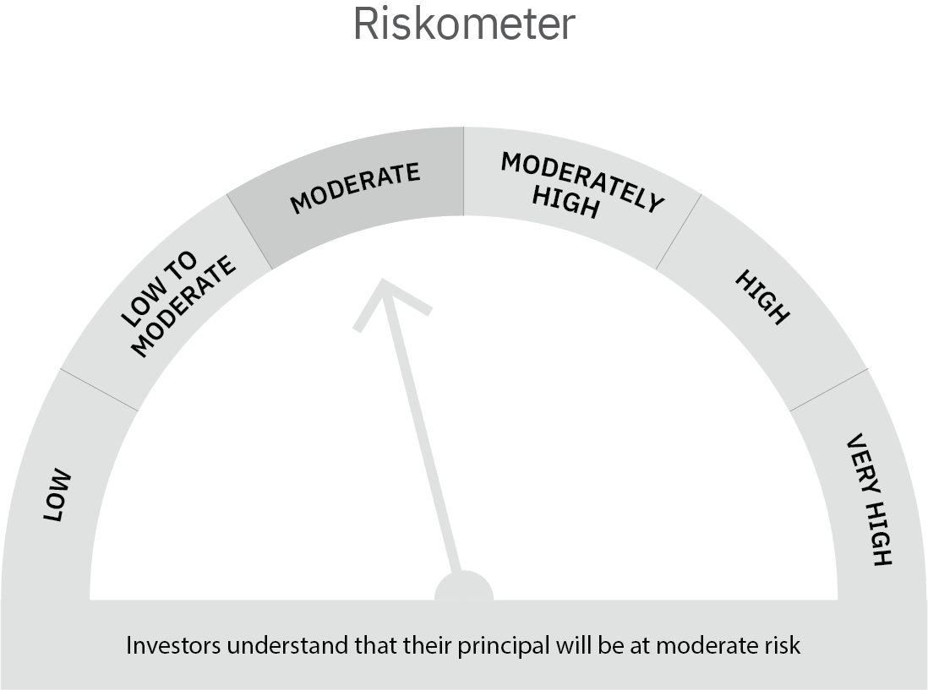

 | Scheme Risk-o-meter |  | Benchmark Risk-o-meter

Asset Allocation Conservative
 | Motilal Oswal Asset Allocation Passive FOF-Conservative
 | Portfolio as on September 30, 2021

Sr. No. | Name of Instrument |  | ISIN | Rating / Industry | Quantity | Market value (Rs. In lakhs) | % to Net Assets | Sector / Rating | Percent
 | Exchange Traded Funds |  |  |  |  |  |  | Exchange Traded Funds | 55.54%
1 | Motilal Oswal 5 Year G-sec ETF-Growth |  | INF247L01AK4 |  | 4002121.000 | 1,956.64 | 46.81% | INVESTMENT FUNDS/MUTUAL FUNDS | 43.79%
2 | ICICI Prudential Gold ETF |  | INF109KC1NT3 |  | 894200.000 | 365.01 | 8.73% | Cash & Equivalent | 0.67%
 | Total |  |  |  |  | 2,321.65 | 55.54%
 | Mutual Fund Units
1 | Motilal Oswal Nifty 500 Fund - Direct Plan |  | INF247L01957 |  | 8196906.924 | 1,393.15 | 33.33%
2 | Motilal Oswal S&P 500 Index Fund DirectPlan Growth |  | INF247L01AG2 |  | 2981654.997 | 437.53 | 10.47%
 | Total |  |  |  |  | 1,830.68 | 43.79%
 | Money Market Instruments
 | CBLO/REPO/TREPS
1 | Collateralized Borrowing & Lending Obligation |  |  |  | 60000 | 60.00 | 1.44%
 | Total |  |  |  |  | 60.00 | 1.44%
 | Cash & Cash Equivalents
 | Net Receivables / (Payables) |  |  |  |  | (31.95) | -0.76%
 | GRAND TOTAL |  |  |  |  | 4,180.38 | 100.00%

 | Total Expense Ratio
 | Total Expense Ratio
 | Direct Plan : | 0.05%
 | Regular Plan : | 0.66%

 | NAV | Regular Growth |  | 10.9156
 | NAV | Direct Growth |  | 10.9526

 | Monthly AAUM in Crores |  |  | 40.64

 | Latest AUM (30 SEPTEMBER 2021) in Crores |  |  | 41.80

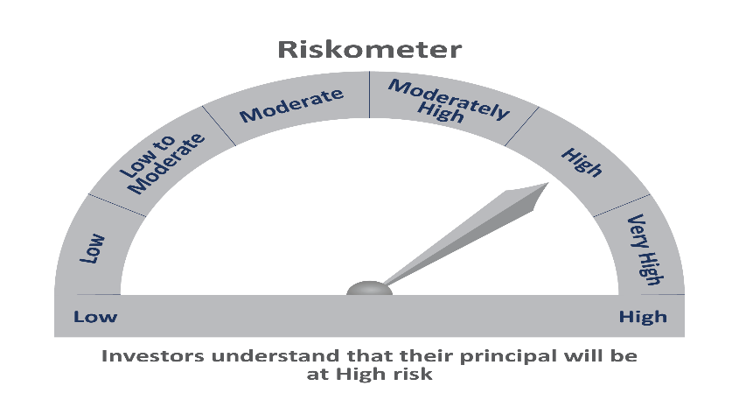

 | Scheme Risk-o-meter |  | Benchmark Risk-o-meter

