MO Ultra Short Term Fund
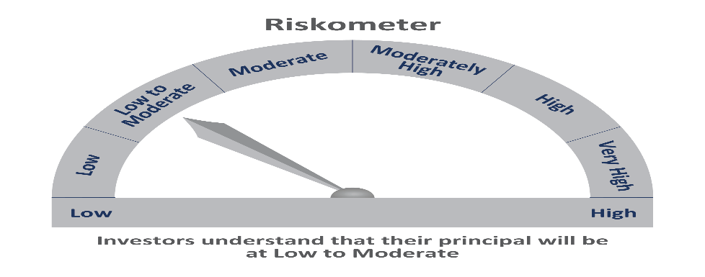
 | Motilal Oswal Ultra Short Term Fund

 | Fortnightly Portfolio Statement as on August 31,2021
 | Name of the Instrument | ISIN | Rating | Quantity | Market/Fair Value(Rs. in Lacs) | % to Net Assets | YTM
 | Debt Instruments
 | (a) Listed / awaiting listing on Stock Exchange
GOI844 | 8.72% State Government Securities (11/01/2022) | IN3120110108 | SOVEREIGN | 1,000,000 | 1018.16 | 9.60% | 3.58%
GOI842 | 8.72% State Government Securities (11/01/2022) | IN2220110083 | SOVEREIGN | 1,000,000 | 1018.15 | 9.60% | 3.58%
NBAR529 | 7.7% National Bank For Agriculture and Rural Development (13/06/2022) ** | INE261F08BL9 | CRISIL AAA | 400,000 | 411.62 | 3.88% | 3.81%
LARS349 | 8.02% Larsen & Toubro Limited (22/05/2022) ** | INE018A08AS1 | CRISIL AAA | 400,000 | 411.48 | 3.88% | 3.84%
SUHF232 | 8.4% Sundaram Home Finance Limited (11/04/2022) ** | INE667F07HH4 | ICRA AA+ | 400,000 | 408.65 | 3.85% | 4.60%
HDBF265 | 7.49% HDB Financial Services Limited (18/11/2021) ** | INE756I07CV1 | CRISIL AAA | 400,000 | 403.20 | 3.80% | 3.52%
 | Sub Total |  |  |  | 3671.25 | 34.63%
 | (b) Privately placed / Unlisted |  |  |  | NIL | NIL
 | Sub Total |  |  |  | NIL | NIL
 | Total |  |  |  | 3671.25 | 34.63%
 | Money Market Instruments
 | Treasury Bill
TBIL1916 | 182 Days Tbill (MD 23/12/2021) | IN002021Y122 | SOVEREIGN | 4,000,000 | 3959.43 | 37.35% | 3.31%
 | Sub Total |  |  |  | 3959.43 | 37.35%
 | Total |  |  |  | 3959.43 | 37.35%
 | CBLO / Reverse Repo
TRP_010921 | CBLO |  |  |  | 2781.00 | 26.23%
 | Sub Total |  |  |  | 2781.00 | 26.23%
 | Total |  |  |  | 2781.00 | 26.23%
 | Net Receivables / (Payables) |  |  |  | 189.16 | 1.78%
 | GRAND TOTAL |  |  |  | 10600.84 | 100.00%

 | ** Thinly Traded / Non Traded Security

