USTBF
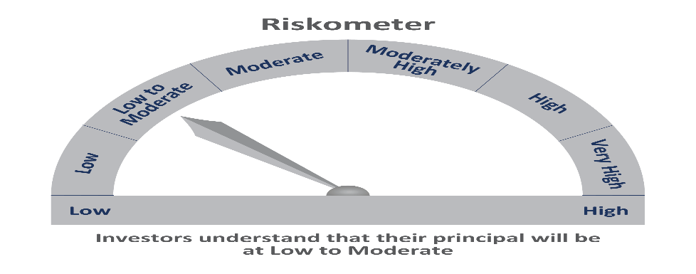
 | Motilal Oswal Ultra Short Term Fund
 | Portfolio as on August 31, 2021

Sr. No. | Name of Instrument |  | ISIN | Rating / Industry | Quantity | Market value (Rs. In lakhs) | % to Net Assets | Sector / Rating | Percent
 | Debt Instruments |  |  |  |  |  |  | SOVEREIGN | 56.56%
 | (a) Listed / awaiting listing on Stock Exchange |  |  |  |  |  |  | CRISIL AAA | 11.57%
1 | National Bank For Agriculture and Rural Development |  | INE261F08BL9 | CRISIL AAA | 400000 | 411.62 | 3.88% | ICRA AA+ | 3.85%
2 | Larsen & Toubro Limited |  | INE018A08AS1 | CRISIL AAA | 400000 | 411.48 | 3.88% | Cash & Equivalent | 28.02%
3 | Sundaram Home Finance Limited |  | INE667F07HH4 | ICRA AA+ | 400000 | 408.65 | 3.85%
4 | HDB Financial Services Limited |  | INE756I07CV1 | CRISIL AAA | 400000 | 403.20 | 3.80%
 | Total |  |  |  |  | 1,634.95 | 15.42%
 | (b) Privately placed / Unlisted
 | Total
 | State Government Securities
1 | 8.72% Tamilnadu SDL (MD 11/01/2022) |  | IN3120110108 | SOVEREIGN | 1000000 | 1,018.16 | 9.60%
2 | 8.72% Maharashtra SDL (MD 11/01/2022) |  | IN2220110083 | SOVEREIGN | 1000000 | 1,018.15 | 9.60%
 | Total |  |  |  |  | 2,036.31 | 19.21%
 | Money Market Instruments
 | Treasury Bill/Cash Management Bill
1 | 182 Days Tbill (MD 23/12/2021) |  | IN002021Y122 | SOVEREIGN | 4000000 | 3,959.43 | 37.35%
 | Total |  |  |  |  | 3,959.43 | 37.35%
 | CBLO/REPO/TREPS
1 | Collateralized Borrowing & Lending Obligation |  |  |  | 2781000 | 2,781.00 | 26.23%
 | Total |  |  |  |  | 2,781.00 | 26.23%
 | Cash & Cash Equivalents
 | Net Receivables / (Payables) |  |  |  |  | 189.15 | 1.78%
 | GRAND TOTAL |  |  |  |  | 10,600.84 | 100.00%

 | Total Expense Ratio
 | Total Expense Ratio
 | Direct Plan : | 0.22%
 | Regular Plan : | 1.02%

 | NAV | Direct IDCW |  | 9.9840
 | NAV | Regular Daily IDCW |  | 9.9339
 | NAV | Direct Fortnightly IDCW |  | 10.0069
 | NAV | Direct Growth |  | 14.1462
 | NAV | Direct Monthly IDCW |  | 9.9910
 | NAV | Direct Quarterly IDCW |  | 10.1349
 | NAV | Direct Weekly IDCW |  | 9.9950
 | NAV | Regular Fortnightly IDCW |  | 9.9446
 | NAV | Regular Growth |  | 13.6819
 | NAV | Regular Monthly IDCW |  | 9.9344
 | NAV | Regular Quarterly IDCW |  | 10.0787
 | NAV | Regular Weekly IDCW |  | 9.9375

 | Monthly AAUM in Crores |  |  | 104.13

 | Latest AUM (31 AUGUST 2021) in Crores |  |  | 106.01

 | Portfolio Turnover Ratio |  |  | 1.82

 | Dividend History
 | Quarterly Dividend (Direct Plan)
 | Record Date Dividend Option | Dividend per Unit (Rs.) | Cum Dividend NAV | EX Dividend NAV
 | 29-Jun-18 | 0.162900 | 10.1885 | 10.0256
 | 3-Apr-18 | 0.157100 | 10.1932 | 10.0361
 | 29-Dec-17 | 0.139900 | 10.1607 | 10.0208

 | Quarterly Dividend (Regular Plan)
 | Record Date Dividend Option | Dividend per Unit (Rs.) | Cum Dividend NAV | EX Dividend NAV
 | 29-Jun-18 | 0.151700 | 10.1876 | 10.0359
 | 3-Apr-18 | 0.145200 | 10.1917 | 10.0465
 | 29-Dec-17 | 0.128300 | 10.1596 | 10.0313

 | Monthly Dividend (Direct Plan)
 | Record Date Dividend Option | Dividend per Unit (Rs.) | Cum Dividend NAV | EX Dividend NAV
 | 29-Jun-18 | 0.085576 | 10.0860 | 10.0004
 | 27-Jul-18 | 0.052676 | 10.0531 | 10.0004
 | 31-Aug-18 | 0.065273 | 10.0657 | 10.0004

 | Monthly Dividend (Regular Plan)
 | Record Date Dividend Option | Dividend per Unit (Rs.) | Cum Dividend NAV | EX Dividend NAV
 | 29-Jun-18 | 0.081535 | 10.0827 | 10.0012
 | 27-Jul-18 | 0.049133 | 10.0503 | 10.0012
 | 31-Aug-18 | 0.060833 | 10.0619 | 10.0011

Asset Allocation Conservative
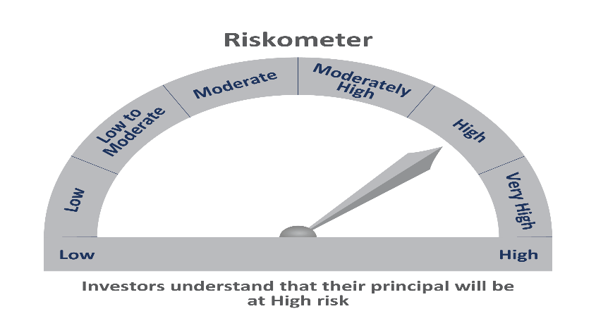
 | Motilal Oswal Asset Allocation Passive FOF-Conservative
 | Portfolio as on August 31, 2021

Sr. No. | Name of Instrument |  | ISIN | Rating / Industry | Quantity | Market value (Rs. In lakhs) | % to Net Assets | Sector / Rating | Percent
 | Exchange Traded Funds |  |  |  |  |  |  | Exchange Traded Funds | 56.98%
1 | Motilal Oswal 5 Year G-sec ETF-Growth |  | INF247L01AK4 |  | 3833221.000 | 1,868.31 | 47.76% | INVESTMENT FUNDS/MUTUAL FUNDS | 43.80%
2 | ICICI Prudential Gold ETF |  | INF109KC1NT3 |  | 862200.000 | 360.40 | 9.21% | Cash & Equivalent | -0.78%
 | Total |  |  |  |  | 2,228.71 | 56.98%
 | Mutual Fund Units
1 | Motilal Oswal Nifty 500 Fund - Direct Plan |  | INF247L01957 |  | 7832831.373 | 1,287.22 | 32.91%
2 | Motilal Oswal S&P 500 Index Fund DirectPlan Growth |  | INF247L01AG2 |  | 2846410.765 | 426.12 | 10.89%
 | Total |  |  |  |  | 1,713.34 | 43.80%
 | Money Market Instruments
 | CBLO/REPO/TREPS
1 | Collateralized Borrowing & Lending Obligation |  |  |  | 100000 | 100.00 | 2.56%
 | Total |  |  |  |  | 100.00 | 2.56%
 | Cash & Cash Equivalents
 | Net Receivables / (Payables) |  |  |  |  | (130.38) | -3.33%
 | GRAND TOTAL |  |  |  |  | 3,911.67 | 100.00%

 | Total Expense Ratio
 | Total Expense Ratio
 | Direct Plan : | 0.05%
 | Regular Plan : | 0.66%

 | NAV | Regular Growth |  | 10.8298
 | NAV | Direct Growth |  | 10.8611

 | Monthly AAUM in Crores |  |  | 36.98

 | Latest AUM (31 AUGUST 2021) in Crores |  |  | 39.12

