Focused 25 Fund
 | Motilal Oswal Focused 25 Fund
 | Portfolio as on March 31, 2022

Sr. No. | Name of Instrument |  | ISIN | Rating / Industry | Quantity | Market value (Rs. In lakhs) | % to Net Assets | Sector / Rating | Percent
 | Equity & Equity related |  |  |  |  |  |  | Banks | 20.90%
 | (a) Listed / awaiting listing on Stock Exchanges |  |  |  |  |  |  | Software | 12.47%
1 | HDFC Bank Limited |  | INE040A01034 | Banks | 984600 | 14,477.07 | 8.54% | Auto | 10.62%
2 | ICICI Bank Limited |  | INE090A01021 | Banks | 1965975 | 14,357.52 | 8.47% | Finance | 10.10%
3 | Housing Development Finance Corporation Limited |  | INE001A01036 | Finance | 534016 | 12,765.12 | 7.53% | Industrial Capital Goods | 7.28%
4 | Bajaj Auto Limited |  | INE917I01010 | Auto | 347078 | 12,678.76 | 7.48% | Transportation | 6.54%
5 | ABB India Limited |  | INE117A01022 | Industrial Capital Goods | 571477 | 12,332.19 | 7.28% | Insurance | 6.30%
6 | Tata Consultancy Services Limited |  | INE467B01029 | Software | 325761 | 12,183.30 | 7.19% | Retailing | 6.07%
7 | Container Corporation of India Limited |  | INE111A01025 | Transportation | 1648085 | 11,077.60 | 6.54% | Petroleum Products | 4.38%
8 | Infosys Limited |  | INE009A01021 | Software | 469100 | 8,945.03 | 5.28% | Pesticides | 3.53%
9 | Reliance Industries Limited |  | INE002A01018 | Petroleum Products | 282000 | 7,430.00 | 4.38% | Cement & Cement Products | 2.89%
10 | Kotak Mahindra Bank Limited |  | INE237A01028 | Banks | 375343 | 6,582.95 | 3.88% | Pharmaceuticals | 2.56%
11 | PI Industries Limited |  | INE603J01030 | Pesticides | 212168 | 5,982.40 | 3.53% | Minerals/Mining | 1.97%
12 | HDFC Life Insurance Company Limited |  | INE795G01014 | Insurance | 1055656 | 5,681.54 | 3.35% | Consumer Durables | 1.48%
13 | Maruti Suzuki India Limited |  | INE585B01010 | Auto | 70369 | 5,320.81 | 3.14% | Leisure Services | 1.28%
14 | ICICI Lombard General Insurance Company Limited |  | INE765G01017 | Insurance | 375639 | 4,989.61 | 2.94% | CRISIL AAA | 0.02%
15 | UltraTech Cement Limited |  | INE481G01011 | Cement & Cement Products | 74207 | 4,899.37 | 2.89% | Cash & Equivalent | 1.63%
16 | SBI Cards and Payment Services Limited |  | INE018E01016 | Finance | 511000 | 4,352.19 | 2.57%
17 | Abbott India Limited |  | INE358A01014 | Pharmaceuticals | 24501 | 4,337.38 | 2.56%
18 | Zomato Limited |  | INE758T01015 | Retailing | 4925021 | 4,053.29 | 2.39%
19 | Coal India Limited |  | INE522F01014 | Minerals/Mining | 1820000 | 3,331.51 | 1.97%
20 | Vedant Fashions Limited |  | INE825V01034 | Retailing | 326308 | 3,155.24 | 1.86%
21 | Havells India Limited |  | INE176B01034 | Consumer Durables | 217619 | 2,508.17 | 1.48%
22 | The Indian Hotels Company Limited |  | INE053A01029 | Leisure Services | 909615 | 2,169.43 | 1.28%
23 | FSN E-Commerce Ventures Limited |  | INE388Y01029 | Retailing | 102995 | 1,740.15 | 1.03%
24 | Avenue Supermarts Limited |  | INE192R01011 | Retailing | 33243 | 1,330.83 | 0.79%
 | Total |  |  |  |  | 166,681.46 | 98.35%
 | (b) Unlisted
 | Total
 | Debt Instruments
 | (a) Listed / awaiting listing on Stock Exchange
1 | Britannia Industries Limited |  | INE216A07052 | CRISIL AAA | 119829 | 36.42 | 0.02%
 | Total |  |  |  |  | 36.42 | 0.02%
 | (b) Privately placed / Unlisted
 | Total
 | Money Market Instruments
 | CBLO/REPO/TREPS
1 | Collateralized Borrowing & Lending Obligation |  |  |  | 4062000 | 4,060.63 | 2.40%
 | Total |  |  |  |  | 4,060.63 | 2.40%
 | Cash & Cash Equivalents
 | Net Receivables / (Payables) |  |  |  |  | (1,293.28) | -0.76%
 | GRAND TOTAL |  |  |  |  | 169,485.23 | 100.00%

 | Total Expense Ratio
 | Total Expense Ratio
 | Direct Plan : | 1.07%
 | Regular Plan : | 2.17%

 | NAV | Direct IDCW |  | 19.2118
 | NAV | Direct Growth |  | 35.1994
 | NAV | Regular IDCW |  | 17.1168
 | NAV | Regular Growth |  | 31.2795

 | Monthly AAUM in Crores |  |  | 1,635.06

 | Latest AUM (31 MARCH 2022) in Crores |  |  | 1,694.85

 | Portfolio Turnover Ratio |  |  | 0.35

 | Dividend History
 | Record Date (March 29, 2022) | Dividend per Unit (Rs.) | Cum Dividend NAV | EX Dividend NAV
 | Direct Plan | 1.37 | 20.2489 | 18.8789
 | Regular Plan | 1.22 | 18.0413 | 16.8213

 | Record Date (March 26, 2021) | Dividend per Unit (Rs.) | Cum Dividend NAV | EX Dividend NAV
 | Direct Plan | 3.30 | 22.4101 | 19.1101
 | Regular Plan | 3.00 | 20.2349 | 17.2349

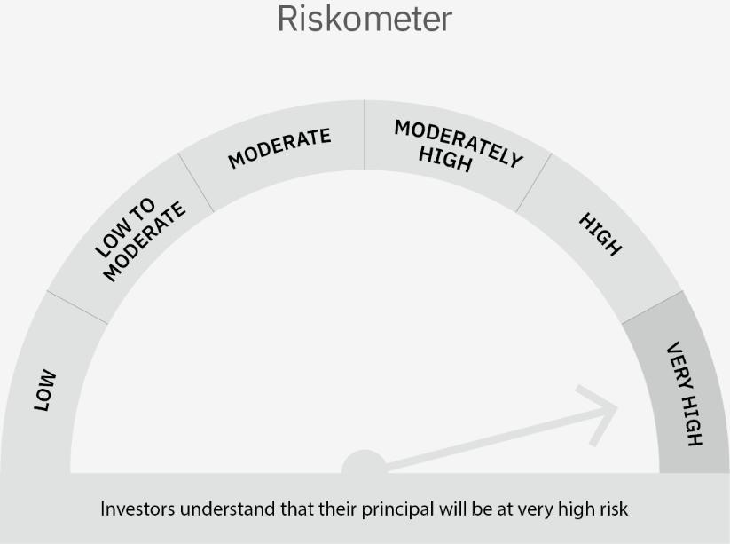

 | Scheme Risk-o-meter |  | Benchmark Risk-o-meter

Dynamic Fund
 | Motilal Oswal Dynamic Fund
 | Portfolio as on March 31, 2022

Sr. No. | Name of Instrument |  | ISIN | Rating / Industry | Quantity | Market value (Rs. In lakhs) | % to Net Assets | Sector / Rating | Percent
 | Equity & Equity related |  |  |  |  |  |  | Banks | 11.70%
 | (a) Listed / awaiting listing on Stock Exchanges |  |  |  |  |  |  | Construction | 10.58%
1 | Larsen & Toubro Limited |  | INE018A01030 | Construction Project | 352425 | 6,229.64 | 6.48% | Finance | 9.89%
2 | SBI Life Insurance Company Limited |  | INE123W01016 | Insurance | 457285 | 5,128.22 | 5.33% | Insurance | 7.83%
3 | SBI Cards and Payment Services Limited |  | INE018E01016 | Finance | 438421 | 3,734.03 | 3.88% | CRISIL AAA | 7.77%
4 | Tata Consultancy Services Limited |  | INE467B01029 | Software | 93606 | 3,500.82 | 3.64% | SOVEREIGN | 7.14%
5 | Religare Enterprises Limited |  | INE621H01010 | Finance | 2242396 | 2,919.60 | 3.04% | Software | 6.73%
6 | State Bank of India |  | INE062A01020 | Banks | 581000 | 2,867.53 | 2.98% | Construction Project | 6.48%
7 | MTAR Technologies Limited |  | INE864I01014 | Aerospace & Defense | 146276 | 2,565.32 | 2.67% | Pharmaceuticals | 4.16%
8 | ICICI Lombard General Insurance Company Limited |  | INE765G01017 | Insurance | 181000 | 2,404.22 | 2.50% | Auto Ancillaries | 3.56%
9 | Maruti Suzuki India Limited |  | INE585B01010 | Auto | 31221 | 2,360.71 | 2.46% | Aerospace & Defense | 2.67%
10 | Indiabulls Real Estate Limited |  | INE069I01010 | Construction | 2278930 | 2,310.84 | 2.40% | ICRA AA+ | 2.65%
11 | Gland Pharma Limited |  | INE068V01023 | Pharmaceuticals | 65702 | 2,150.20 | 2.24% | Auto | 2.46%
12 | Reliance Industries Limited |  | INE002A01018 | Petroleum Products | 77359 | 2,038.22 | 2.12% | Petroleum Products | 2.12%
13 | HDFC Bank Limited |  | INE040A01034 | Banks | 138000 | 2,029.08 | 2.11% | Power | 2.05%
14 | AU Small Finance Bank Limited |  | INE949L01017 | Banks | 157415 | 1,961.78 | 2.04% | Cement & Cement Products | 1.87%
15 | G R Infraprojects Limited |  | INE201P01022 | Construction | 126000 | 1,932.65 | 2.01% | Consumer Non Durables | 1.63%
16 | LIC Housing Finance Limited |  | INE115A01026 | Finance | 530000 | 1,902.44 | 1.98% | Entertainment | 1.07%
17 | WABCO India Limited |  | INE342J01019 | Auto Ancillaries | 24733 | 1,887.55 | 1.96% | Retailing | 0.79%
18 | Dr. Reddy's Laboratories Limited |  | INE089A01023 | Pharmaceuticals | 43000 | 1,847.04 | 1.92% | Cash & Equivalent | 6.85%
19 | UltraTech Cement Limited |  | INE481G01011 | Cement & Cement Products | 27264 | 1,800.05 | 1.87%
20 | Axis Bank Limited |  | INE238A01034 | Banks | 231600 | 1,762.82 | 1.83%
21 | Infosys Limited |  | INE009A01021 | Software | 87927 | 1,676.64 | 1.74%
22 | Globus Spirits Limited |  | INE615I01010 | Consumer Non Durables | 102173 | 1,565.03 | 1.63%
23 | Motherson Sumi Systems Limited |  | INE775A01035 | Auto Ancillaries | 1100000 | 1,533.95 | 1.60%
24 | Fino Payments Bank Limited |  | INE02NC01014 | Banks | 570878 | 1,435.19 | 1.49%
25 | HCL Technologies Limited |  | INE860A01027 | Software | 111136 | 1,293.35 | 1.35%
26 | ICICI Bank Limited |  | INE090A01021 | Banks | 163625 | 1,194.95 | 1.24%
27 | Nazara Technologies Limited |  | INE418L01021 | Entertainment | 62793 | 1,028.74 | 1.07%
28 | Muthoot Finance Limited |  | INE414G01012 | Finance | 70000 | 931.67 | 0.97%
29 | FSN E-Commerce Ventures Limited |  | INE388Y01029 | Retailing | 45000 | 760.30 | 0.79%
30 | Housing Development Finance Corporation Limited |  | INE001A01036 | Finance | 800 | 19.12 | 0.02%
 | Total |  |  |  |  | 64,771.70 | 67.36%
 | (b) Unlisted
 | Total
 | REIT
1 | Brookfield India Real Estate Trust |  | INE0FDU25010 | Construction | 1043368 | 3,267.20 | 3.40%
2 | Embassy Office Parks REIT |  | INE041025011 | Construction | 732186 | 2,664.72 | 2.77%
 | Total |  |  |  |  | 5,931.92 | 6.17%
 | InvIT
1 | India Grid Trust InvIT Fund |  | INE219X23014 | Power | 1339025 | 1,971.18 | 2.05%
 | Total |  |  |  |  | 1,971.18 | 2.05%
 | Derivatives
 | Index / Stock Futures
1 | Tata Consultancy Services Limited April 2022 Future |  |  |  | (-20100) | (754.41) | -0.78%
2 | Larsen & Toubro Limited April 2022 Future |  |  |  | (-140300) | (2,490.25) | -2.59%
3 | Nifty 50 Index April 2022 Future |  |  |  | (-31000) | (5,438.78) | -5.66%
 | Total |  |  |  |  | (8,683.44) | -9.03%
 | Debt Instruments
 | (a) Listed / awaiting listing on Stock Exchange
1 | Bajaj Finance Limited |  | INE296A07RH2 | CRISIL AAA | 4000000 | 4,377.82 | 4.55%
2 | Cholamandalam Investment and Finance Company Ltd |  | INE121A07PN4 | ICRA AA+ | 2500000 | 2,548.01 | 2.65%
3 | HDB Financial Services Limited |  | INE756I07DO4 | CRISIL AAA | 2500000 | 2,487.64 | 2.59%
4 | National Bank For Agriculture and Rural Development |  | INE261F08BL9 | CRISIL AAA | 600000 | 604.24 | 0.63%
5 | Britannia Industries Limited |  | INE216A08027 | CRISIL AAA | 17256 | 4.99 | 0.01%
 | Total |  |  |  |  | 10,022.70 | 10.42%
 | (b) Privately placed / Unlisted
 | Total
 | State Government Securities
1 | 6.29% Rajasthan SDL (MD 29/12/2026) |  | IN2920210407 | SOVEREIGN | 2000000 | 1,996.12 | 2.08%
 | Total |  |  |  |  | 1,996.12 | 2.08%
 | Money Market Instruments
 | Treasury Bill/Cash Management Bill
1 | 364 Days Tbill (MD 17/11/2022) |  | IN002021Z343 | SOVEREIGN | 5000000 | 4,868.70 | 5.06%
 | Total |  |  |  |  | 4,868.70 | 5.06%
 | CBLO/REPO/TREPS
1 | Collateralized Borrowing & Lending Obligation |  |  |  | 1758000 | 1,757.41 | 1.83%
 | Total |  |  |  |  | 1,757.41 | 1.83%
 | Cash & Cash Equivalents
 | Net Receivables / (Payables) |  |  |  |  | 13,522.30 | 14.05%
 | GRAND TOTAL |  |  |  |  | 96,158.56 | 100.00%

 | Total Expense Ratio
 | Total Expense Ratio
 | Direct Plan : | 0.98%
 | Regular Plan : | 2.35%

 | NAV | Plan A IDCW |  | 12.7687
 | NAV | Direct Annual IDCW |  | 13.0630
 | NAV | Direct Growth |  | 15.9678
 | NAV | Direct Quarterly IDCW |  | 11.6726
 | NAV | Regular Growth |  | 14.9779
 | NAV | Regular Quarterly IDCW |  | 11.3890

 | Monthly AAUM in Crores |  |  | 960.54

 | Latest AUM (31 MARCH 2022) in Crores |  |  | 961.59

 | Portfolio Turnover Ratio |  |  | 3.76

 | Quarterly Dividend (Direct Plan)
 | Record Date Dividend Option | Dividend per Unit (Rs.) | Cum Dividend NAV | EX Dividend NAV
 | 27-Jan-22 | 0.400000 | 12.4007 | 12.0007
 | 18-Oct-21 | 0.400000 | 13.0347 | 12.6347
 | 29-Jan-21 | 0.200000 | 11.8493 | 11.6493

 | Quarterly Dividend (Regular Plan)
 | Record Date Dividend Option | Dividend per Unit (Rs.) | Cum Dividend NAV | EX Dividend NAV
 | 27-Jan-22 | 0.400000 | 12.1350 | 11.7350
 | 18-Oct-21 | 0.400000 | 12.8065 | 12.4065
 | 29-Jan-21 | 0.200000 | 11.7477 | 11.5477

 | Annual Dividend ( Direct Plan)
 | Record Date Dividend Option | Dividend per Unit (Rs.) | Cum Dividend NAV | EX Dividend NAV
 | 29-Mar-22 | 0.8100 | 13.7893 | 12.9793
 | 26-Mar-21 | 0.7500 | 14.0402 | 13.2902
 | 23-Mar-20 | 0.3185 | 10.3185 | 10.0000

 | Annual Dividend ( Regular Plan)
 | Record Date Dividend Option | Dividend per Unit (Rs.) | Cum Dividend NAV | EX Dividend NAV
 | 29-Mar-22 | 0.8000 | 13.4878 | 12.6878
 | 26-Mar-21 | 0.5000 | 13.6668 | 13.1668
 | 28-Mar-19 | 0.3000 | 11.8144 | 11.5144

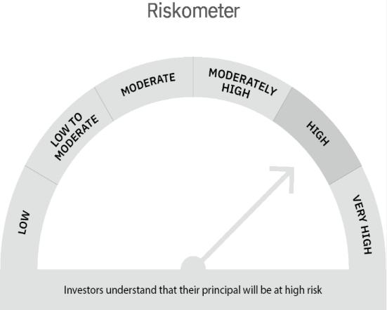

 | Scheme Risk-o-meter |  | Benchmark Risk-o-meter

Multi Asset Fund
 | MOTILAL OSWAL MULTI ASSET FUND
 | Portfolio as on March 31, 2022

Sr. No. | Name of Instrument |  | ISIN | Rating / Industry | Quantity | Market value (Rs. In lakhs) | % to Net Assets | Sector / Rating | Percent
 | Equity & Equity related |  |  |  |  |  |  | SOVEREIGN | 32.96%
 | (a) Listed / awaiting listing on Stock Exchanges |  |  |  |  |  |  | CRISIL AAA | 15.30%
1 | Religare Enterprises Limited |  | INE621H01010 | Finance | 350000 | 455.70 | 2.32% | Exchange Traded Funds | 12.44%
2 | Motherson Sumi Systems Limited |  | INE775A01035 | Auto Ancillaries | 205000 | 285.87 | 1.46% | INVESTMENT FUNDS/MUTUAL FUNDS | 12.09%
3 | HDFC Bank Limited |  | INE040A01034 | Banks | 18592 | 273.37 | 1.39% | Banks | 3.74%
4 | G R Infraprojects Limited |  | INE201P01022 | Construction | 15000 | 230.08 | 1.17% | Finance | 3.41%
5 | Infosys Limited |  | INE009A01021 | Software | 11794 | 224.89 | 1.15% | Software | 2.01%
6 | SBI Life Insurance Company Limited |  | INE123W01016 | Insurance | 20000 | 224.29 | 1.14% | Auto Ancillaries | 1.64%
7 | SBI Cards and Payment Services Limited |  | INE018E01016 | Finance | 25000 | 212.93 | 1.08% | Insurance | 1.36%
8 | Fino Payments Bank Limited |  | INE02NC01014 | Banks | 71223 | 179.05 | 0.91% | Construction | 1.20%
9 | Tata Consultancy Services Limited |  | INE467B01029 | Software | 4551 | 170.21 | 0.87% | Pharmaceuticals | 0.66%
10 | ICICI Bank Limited |  | INE090A01021 | Banks | 21722 | 158.64 | 0.81% | Cement & Cement Products | 0.58%
11 | Dr. Reddy's Laboratories Limited |  | INE089A01023 | Pharmaceuticals | 3000 | 128.86 | 0.66% | Transportation | 0.53%
12 | State Bank of India |  | INE062A01020 | Banks | 24800 | 122.40 | 0.62% | Pesticides | 0.52%
13 | UltraTech Cement Limited |  | INE481G01011 | Cement & Cement Products | 1695 | 111.91 | 0.57% | Construction Project | 0.45%
14 | Container Corporation of India Limited |  | INE111A01025 | Transportation | 15512 | 104.26 | 0.53% | Auto | 0.37%
15 | PI Industries Limited |  | INE603J01030 | Pesticides | 3649 | 102.89 | 0.52% | Retailing | 0.29%
16 | Larsen & Toubro Limited |  | INE018A01030 | Construction Project | 5000 | 88.38 | 0.45% | Industrial Capital Goods | 0.21%
17 | Maruti Suzuki India Limited |  | INE585B01010 | Auto | 948 | 71.68 | 0.37% | Cash & Equivalent | 10.24%
18 | Zomato Limited |  | INE758T01015 | Retailing | 70000 | 57.61 | 0.29%
19 | ICICI Lombard General Insurance Company Limited |  | INE765G01017 | Insurance | 3275 | 43.50 | 0.22%
20 | Honeywell Automation India Limited |  | INE671A01010 | Industrial Capital Goods | 103 | 40.87 | 0.21%
21 | Motherson Sumi Wiring India Limited |  | INE0FS801015 | Auto Ancillaries | 55000 | 35.45 | 0.18%
22 | Indiabulls Real Estate Limited |  | INE069I01010 | Construction | 6000 | 6.08 | 0.03%
23 | Shree Cement Limited |  | INE070A01015 | Cement & Cement Products | 11 | 2.64 | 0.01%
 | Total |  |  |  |  | 3,331.56 | 16.97%
 | (b) Unlisted
 | Total
 | Debt Instruments
 | (a) Listed / awaiting listing on Stock Exchange
1 | REC Limited |  | INE020B08DC3 | CRISIL AAA | 1000000 | 1,006.46 | 5.13%
2 | Kotak Mahindra Prime Limited |  | INE916DA7QT0 | CRISIL AAA | 1000000 | 1,001.49 | 5.10%
3 | HDB Financial Services Limited |  | INE756I07DO4 | CRISIL AAA | 1000000 | 995.06 | 5.07%
 | Total |  |  |  |  | 3,003.01 | 15.30%
 | (b) Privately placed / Unlisted
 | Total
 | State Government Securities
1 | 6.10% Rajasthan SDL (MD 25/05/2026) |  | IN2920210084 | SOVEREIGN | 3000000 | 2,981.46 | 15.19%
2 | 6.29% Rajasthan SDL (MD 29/12/2026) |  | IN2920210407 | SOVEREIGN | 1000000 | 998.06 | 5.09%
3 | 6.05% Rajasthan SDL (MD 16/06/2026) |  | IN2920210142 | SOVEREIGN | 1000000 | 991.91 | 5.05%
 | Total |  |  |  |  | 4,971.43 | 25.33%
 | Exchange Traded Funds
1 | ICICI Prudential Gold ETF |  | INF109KC1NT3 |  | 5392046.000 | 2,440.98 | 12.44%
 | Total |  |  |  |  | 2,440.98 | 12.44%
 | Money Market Instruments
 | Treasury Bill/Cash Management Bill
1 | 364 Days Tbill (MD 21/04/2022) |  | IN002021Z038 | SOVEREIGN | 1500000 | 1,497.33 | 7.63%
 | Total |  |  |  |  | 1,497.33 | 7.63%
 | CBLO/REPO/TREPS
1 | Collateralized Borrowing & Lending Obligation |  |  |  | 1853000 | 1,852.38 | 9.44%
 | Total |  |  |  |  | 1,852.38 | 9.44%
 | Others
 | Mutual Fund Units
1 | Motilal Oswal S&P 500 Index Fund DirectPlan Growth |  | INF247L01AG2 |  | 15017455.994 | 2,373.90 | 12.09%
 | Total |  |  |  |  | 2,373.90 | 12.09%
 | Cash & Cash Equivalents
 | Net Receivables / (Payables) |  |  |  |  | 156.58 | 0.80%
 | GRAND TOTAL |  |  |  |  | 19,627.17 | 100.00%

 | Total Expense Ratio
 | Total Expense Ratio
 | Regular Plan : | 2.26%
 | Direct Plan : | 0.86%

 | NAV | Direct Growth |  | 11.1321
 | NAV | Regular Growth |  | 10.8682

 | Monthly AAUM in Crores |  |  | 196.45

 | Latest AUM (31 MARCH 2022) in Crores |  |  | 196.27

 | Portfolio Turnover Ratio |  |  | 1.00

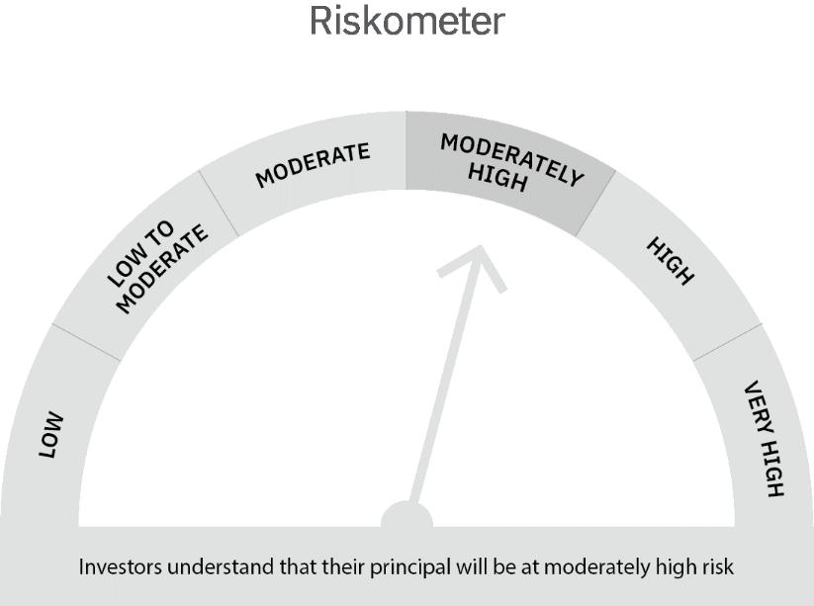

 | Scheme Risk-o-meter |  | Benchmark Risk-o-meter

Ultra Short Term Fund
 | Motilal Oswal Ultra Short Term Fund
 | Portfolio as on March 31, 2022

Sr. No. | Name of Instrument |  | ISIN | Rating / Industry | Quantity | Market value (Rs. In lakhs) | % to Net Assets | Sector / Rating | Percent
 | Debt Instruments |  |  |  |  |  |  | SOVEREIGN | 82.30%
 | (a) Listed / awaiting listing on Stock Exchange |  |  |  |  |  |  | CRISIL AAA | 4.80%
1 | National Bank For Agriculture and Rural Development |  | INE261F08BL9 | CRISIL AAA | 400000 | 402.83 | 4.80% | Cash & Equivalent | 12.90%
 | Total |  |  |  |  | 402.83 | 4.80%
 | (b) Privately placed / Unlisted
 | Total
 | State Government Securities
1 | 7.02% Maharashtra SDL (MD 27/09/2022) |  | IN2220170111 | SOVEREIGN | 1500000 | 1,519.60 | 18.10%
 | Total |  |  |  |  | 1,519.60 | 18.10%
 | Money Market Instruments
 | Treasury Bill/Cash Management Bill
1 | 182 Days Tbill (MD 25/08/2022) |  | IN002021Y502 | SOVEREIGN | 2500000 | 2,459.61 | 29.30%
2 | 364 Days Tbill (MD 10/11/2022) |  | IN002021Z335 | SOVEREIGN | 2500000 | 2,436.29 | 29.02%
3 | 182 Days Tbill (MD 14/07/2022) |  | IN002021Y445 | SOVEREIGN | 500000 | 494.51 | 5.89%
 | Total |  |  |  |  | 5,390.41 | 64.20%
 | CBLO/REPO/TREPS
1 | Collateralized Borrowing & Lending Obligation |  |  |  | 1139000 | 1,138.62 | 13.56%
 | Total |  |  |  |  | 1,138.62 | 13.56%
 | Cash & Cash Equivalents
 | Net Receivables / (Payables) |  |  |  |  | (55.67) | -0.66%
 | GRAND TOTAL |  |  |  |  | 8,395.79 | 100.00%

 | Total Expense Ratio
 | Total Expense Ratio
 | Direct Plan : | 0.58%
 | Regular Plan : | 1.07%

 | NAV | Direct IDCW |  | 10.1647
 | NAV | Regular Daily IDCW |  | 10.0782
 | NAV | Direct Fortnightly IDCW |  | 10.1894
 | NAV | Direct Growth |  | 14.4024
 | NAV | Direct Monthly IDCW |  | 10.1719
 | NAV | Direct Quarterly IDCW |  | 10.3184
 | NAV | Direct Weekly IDCW |  | 10.1760
 | NAV | Regular Fortnightly IDCW |  | 10.0894
 | NAV | Regular Growth |  | 13.8807
 | NAV | Regular Monthly IDCW |  | 10.0788
 | NAV | Regular Quarterly IDCW |  | 10.2252
 | NAV | Regular Weekly IDCW |  | 10.0819

 | Monthly AAUM in Crores |  |  | 86.18

 | Latest AUM (31 MARCH 2022) in Crores |  |  | 83.96

 | Portfolio Turnover Ratio |  |  | 1.80

 | Dividend History
 | Quarterly Dividend (Direct Plan)
 | Record Date Dividend Option | Dividend per Unit (Rs.) | Cum Dividend NAV | EX Dividend NAV
 | 29-Jun-18 | 0.162900 | 10.1885 | 10.0256
 | 3-Apr-18 | 0.157100 | 10.1932 | 10.0361
 | 29-Dec-17 | 0.139900 | 10.1607 | 10.0208

 | Quarterly Dividend (Regular Plan)
 | Record Date Dividend Option | Dividend per Unit (Rs.) | Cum Dividend NAV | EX Dividend NAV
 | 29-Jun-18 | 0.151700 | 10.1876 | 10.0359
 | 3-Apr-18 | 0.145200 | 10.1917 | 10.0465
 | 29-Dec-17 | 0.128300 | 10.1596 | 10.0313

 | Monthly Dividend (Direct Plan)
 | Record Date Dividend Option | Dividend per Unit (Rs.) | Cum Dividend NAV | EX Dividend NAV
 | 29-Jun-18 | 0.085576 | 10.0860 | 10.0004
 | 27-Jul-18 | 0.052676 | 10.0531 | 10.0004
 | 31-Aug-18 | 0.065273 | 10.0657 | 10.0004

 | Monthly Dividend (Regular Plan)
 | Record Date Dividend Option | Dividend per Unit (Rs.) | Cum Dividend NAV | EX Dividend NAV
 | 29-Jun-18 | 0.081535 | 10.0827 | 10.0012
 | 27-Jul-18 | 0.049133 | 10.0503 | 10.0012
 | 31-Aug-18 | 0.060833 | 10.0619 | 10.0011

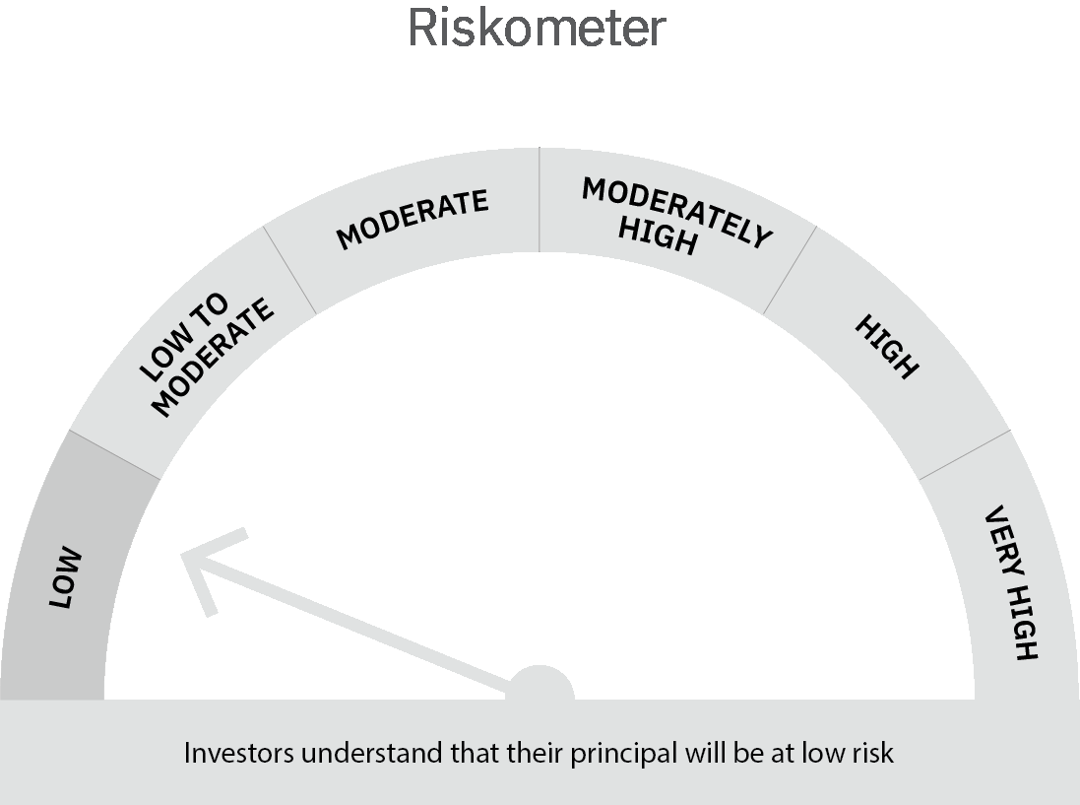
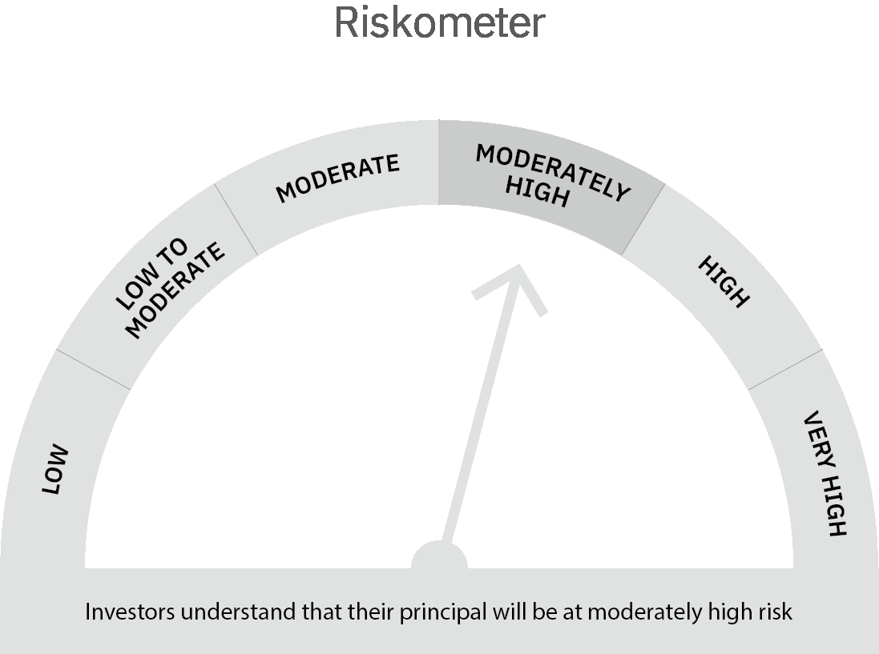

 | Scheme Risk-o-meter |  | Benchmark Risk-o-meter

 | Max Credit Risk of scheme→ Max Interest Rate Risk of the scheme ↓ | Relatively Low (Class A: CRV >=12) | Moderate (Class B : CRV >=10) | Relatively High (Class C: CRV <10)

 | Relatively Low Class I: (MD<=1 year) |  | B-I

 | Moderate Class II: (MD<=3 years)

 | Relatively High Class III: Any Macaulay duration

Liquid Fund
 | Motilal Oswal Liquid Fund
 | Portfolio as on March 31, 2022

Sr. No. | Name of Instrument |  | ISIN | Rating / Industry | Quantity | Market value (Rs. In lakhs) | % to Net Assets | Sector / Rating | Percent
 | Money Market Instruments |  |  |  |  |  |  | SOVEREIGN | 92.62%
 | Treasury Bill/Cash Management Bill |  |  |  |  |  |  | CRISIL A1+ | 4.03%
1 | 91 Days Tbill (MD 21/04/2022) |  | IN002021X496 | SOVEREIGN | 37500000 | 37,432.84 | 60.52% | Cash & Equivalent | 3.35%
2 | 91 Days Tbill (MD 09/06/2022) |  | IN002021X561 | SOVEREIGN | 20000000 | 19,859.58 | 32.11%
 | Total |  |  |  |  | 57,292.42 | 92.62%
 | Certificate of Deposit
1 | Canara Bank 2022 |  | INE476A16SM9 | CRISIL A1+ | 2500000 | 2,491.29 | 4.03%
 | Total |  |  |  |  | 2,491.29 | 4.03%
 | CBLO/REPO/TREPS
1 | Collateralized Borrowing & Lending Obligation |  |  |  | 1716000 | 1,715.42 | 2.77%
 | Total |  |  |  |  | 1,715.42 | 2.77%
 | Cash & Cash Equivalents
 | Net Receivables / (Payables) |  |  |  |  | 357.92 | 0.58%
 | GRAND TOTAL |  |  |  |  | 61,857.05 | 100.00%

 | Total Expense Ratio
 | Total Expense Ratio
 | Direct Plan : | 0.21%
 | Regular Plan : | 0.36%

 | NAV | Regular Growth |  | 11.3351
 | NAV | Direct Growth |  | 11.3911
 | NAV | Direct-IDCW Option-Daily |  | 10.0077
 | NAV | Direct-IDCW Option-Fortnightly |  | 10.0105
 | NAV | Direct -IDCW Option-Monthly |  | 10.0362
 | NAV | Direct-IDCW Option-Quarterly |  | 10.0096
 | NAV | Direct-IDCW Option-Weekly |  | 10.0120
 | NAV | Regular IDCW Option-Daily |  | 10.0055
 | NAV | Regular IDCW Option-Fortnightly |  | 10.0101
 | NAV | Regular-IDCW Option-Monthly |  | 10.0359
 | NAV | Regular-IDCW Option-Quarterly |  | 10.0094
 | NAV | Regular IDCW Option-Weekly |  | 10.0189
 | NAV | Unclaimed Dividend Plan Below 3 years |  | 11.0671
 | NAV | Unclaimed Redemption Plan Below 3 years |  | 10.8635

 | Monthly AAUM in Crores |  |  | 653.71

 | Latest AUM (31 MARCH 2022) in Crores |  |  | 618.57

 | Portfolio Turnover Ratio |  |  | 2.09

 | Monthly Dividend (Direct Plan)
 | Record Date Dividend Option | Dividend per Unit (Rs.) | Cum Dividend NAV | EX Dividend NAV
 | 25-Mar-22 | 0.027174 | 10.0572 | 10.0300
 | 25-Feb-22 | 0.027267 | 10.0573 | 10.0300
 | 28-Jan-22 | 0.024018 | 10.0540 | 10.0300

 | Monthly Dividend (Regular Plan)
 | Record Date Dividend Option | Dividend per Unit (Rs.) | Cum Dividend NAV | EX Dividend NAV
 | 25-Mar-22 | 0.025875 | 10.0559 | 10.0300
 | 25-Feb-22 | 0.026024 | 10.0560 | 10.0300
 | 28-Jan-22 | 0.022782 | 10.0528 | 10.0300

 | Quarterly Dividend (Direct Plan)
 | Record Date Dividend Option | Dividend per Unit (Rs.) | Cum Dividend NAV | EX Dividend NAV
 | 25-Mar-22 | 0.078197 | 10.0816 | 10.0034
 | 31-Dec-21 | 0.085047 | 10.0885 | 10.0034

 | Quarterly Dividend (Regular Plan)
 | Record Date Dividend Option | Dividend per Unit (Rs.) | Cum Dividend NAV | EX Dividend NAV
 | 25-Mar-22 | 0.075270 | 10.0787 | 10.0034
 | 31-Dec-21 | 0.081378 | 10.0848 | 10.0034
 | 24-Sep-21 | 0.074157 | 10.0776 | 10.0034

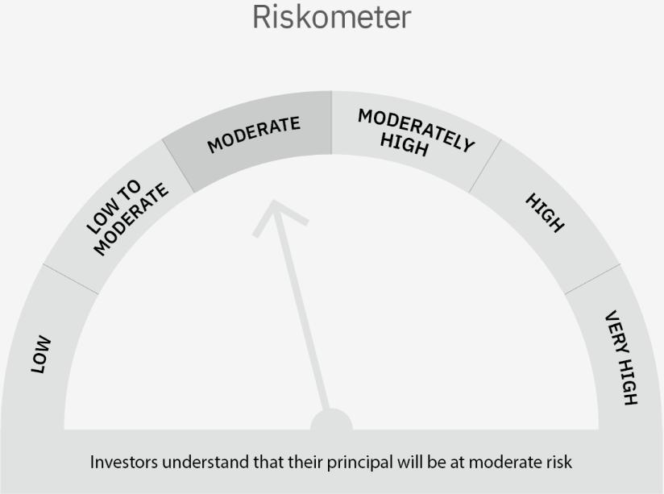

 | Scheme Risk-o-meter |  | Benchmark Risk-o-meter

 | Max Credit Risk of scheme→ Max Interest Rate Risk of the scheme ↓ | Relatively Low (Class A: CRV >=12) | Moderate (Class B : CRV >=10) | Relatively High (Class C: CRV <10)

 | Relatively Low Class I: (MD<=1 year) | A-I

 | Moderate Class II: (MD<=3 years)

 | Relatively High Class III: Any Macaulay duration

