YO06
 | Motilal Oswal Ultra Short Term Fund

 | Fortnightly Portfolio Statement as on August 15,2022
 | Name of the Instrument | ISIN | Rating | Quantity | Market/Fair Value(Rs. in Lacs) | % to Net Assets | YTM
 | Debt Instruments
 | (a) Listed / awaiting listing on Stock Exchange
GOI3600 | 7.02% State Government Securities (27/09/2022) | IN2220170111 | SOVEREIGN | 1,500,000 | 1502.31 | 21.08% | 5.46%
 | Sub Total |  |  |  | 1502.31 | 21.08%
 | (b) Privately placed / Unlisted |  |  |  | NIL | NIL
 | Sub Total |  |  |  | NIL | NIL
 | Total |  |  |  | 1502.31 | 21.08%
 | Money Market Instruments
 | Treasury Bill
TBIL1965 | 364 Days Tbill (MD 10/11/2022) | IN002021Z335 | SOVEREIGN | 2,500,000 | 2468.19 | 34.63% | 5.47%
TBIL2071 | 182 Days Tbill (MD 05/01/2023) | IN002022Y146 | SOVEREIGN | 2,000,000 | 1955.20 | 27.43% | 5.89%
 | Sub Total |  |  |  | 4423.39 | 62.06%
 | Total |  |  |  | 4423.39 | 62.06%
 | CBLO / Reverse Repo
TRP_170822 | CBLO |  |  |  | 1240.83 | 17.41% | 5.15%
 | Sub Total |  |  |  | 1240.83 | 17.41%
 | Total |  |  |  | 1240.83 | 17.41%
 | Net Receivables / (Payables) |  |  |  | -38.52 | (0.54)%
 | GRAND TOTAL |  |  |  | 7128.00 | 100.00%

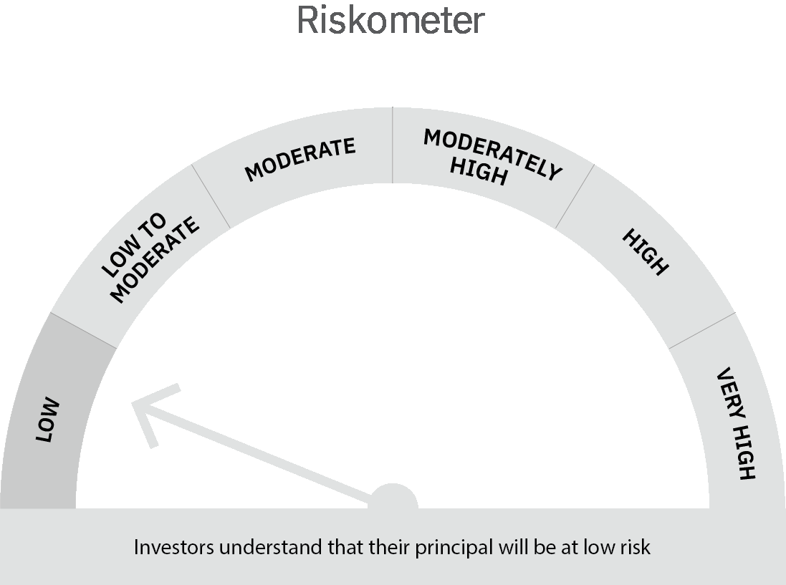
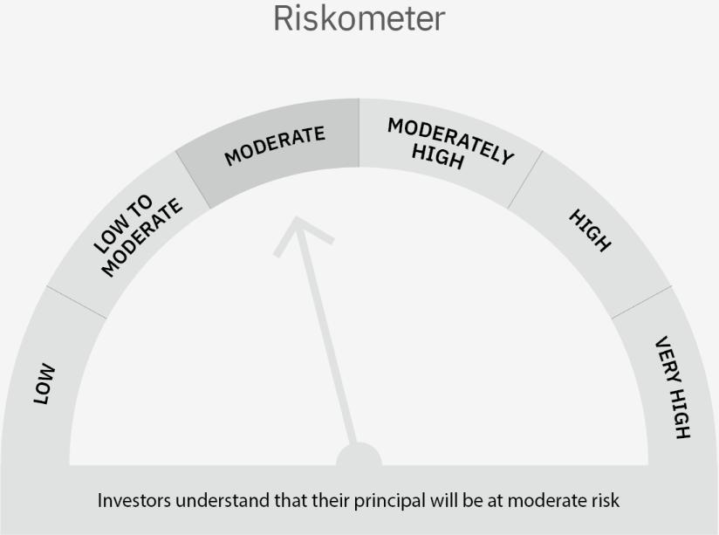

 | Scheme Risk-o-meter |  | Benchmark Risk-o-meter

 | Max Credit Risk of scheme→ Max Interest Rate Risk of the scheme ↓ | Relatively Low (Class A: CRV >=12) | Moderate (Class B : CRV >=10) | Relatively High (Class C: CRV <10)

 | Relatively Low Class I: (MD<=1 year) |  | B-I

 | Moderate Class II: (MD<=3 years)

 | Relatively High Class III: Any Macaulay duration

YO15
 | Motilal Oswal Liquid Fund

 | Fortnightly Portfolio Statement as on August 15,2022
 | Name of the Instrument | ISIN | Rating | Quantity | Market/Fair Value(Rs. in Lacs) | % to Net Assets | YTM
 | Money Market Instruments
 | Certificate of Deposit
CANB836 | Canara Bank (17/08/2022) ** # | INE476A16SS6 | CRISIL A1+ | 2,500,000 | 2499.63 | 4.73% | 5.44%
UTIB1247 | Axis Bank Limited (20/09/2022) ** # | INE238A161X8 | CRISIL A1+ | 2,500,000 | 2486.75 | 4.71% | 5.56%
INBK378 | Indian Bank (10/10/2022) ** # | INE562A16KU6 | CRISIL A1+ | 2,500,000 | 2478.56 | 4.69% | 5.74%
HDFB814 | HDFC Bank Limited (10/11/2022) ** # | INE040A16DC6 | CARE A1+ | 2,500,000 | 2466.05 | 4.67% | 5.84%
 | Sub Total |  |  |  | 9930.99 | 18.80%
 | Treasury Bill
TBIL2050 | 91 Days Tbill (MD 18/08/2022) | IN002022X072 | SOVEREIGN | 25,000,000 | 24992.88 | 47.31% | 5.20%
 | Sub Total |  |  |  | 24992.88 | 47.31%
 | Total |  |  |  | 34923.87 | 66.11%
 | CBLO / Reverse Repo
TRP_170822 | CBLO |  |  |  | 17573.52 | 33.27% | 5.15%
 | Sub Total |  |  |  | 17573.52 | 33.27%
 | Total |  |  |  | 17573.52 | 33.27%
 | Net Receivables / (Payables) |  |  |  | 329.09 | 0.62%
 | GRAND TOTAL |  |  |  | 52826.48 | 100.00%

 | ** Thinly Traded / Non Traded Security
 | # Unlisted Security

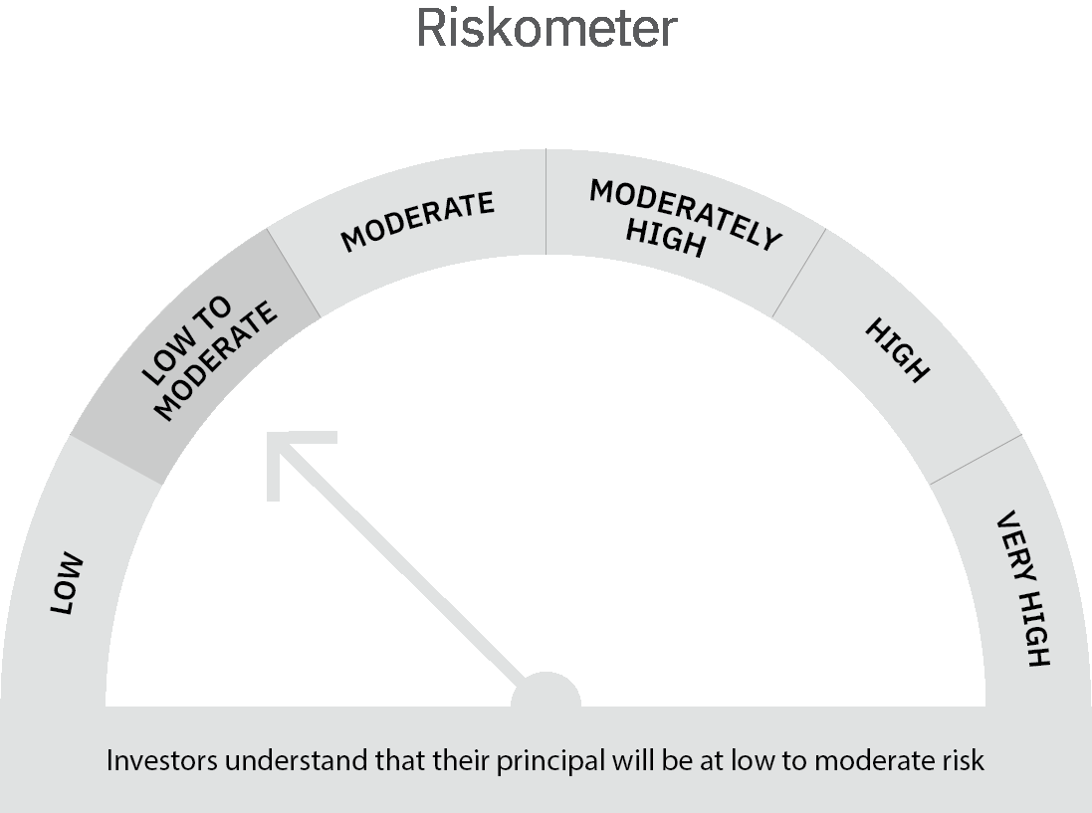

 | Scheme Risk-o-meter |  | Benchmark Risk-o-meter

 | Max Credit Risk of scheme→ Max Interest Rate Risk of the scheme ↓ | Relatively Low (Class A: CRV >=12) | Moderate (Class B : CRV >=10) | Relatively High (Class C: CRV <10)

 | Relatively Low Class I: (MD<=1 year) | A-I

 | Moderate Class II: (MD<=3 years)

 | Relatively High Class III: Any Macaulay duration

