MO Ultra Short Term Fund
 | Motilal Oswal Ultra Short Term Fund

 | Fortnightly Portfolio Statement as on January 15,2022
 | Name of the Instrument | ISIN | Rating | Quantity | Market/Fair Value(Rs. in Lacs) | % to Net Assets | YTM
 | Debt Instruments
 | (a) Listed / awaiting listing on Stock Exchange
GOI3600 | 7.02% State Government Securities (27/09/2022) | IN2220170111 | SOVEREIGN | 1,500,000 | 1,526.82 | 15.63% | 4.38%
NBAR529 | 7.7% National Bank For Agriculture and Rural Development (13/06/2022) ** | INE261F08BL9 | CRISIL AAA | 400,000 | 405.70 | 4.15% | 3.95%
SUHF232 | 8.4% Sundaram Home Finance Limited (11/04/2022) ** | INE667F07HH4 | ICRA AA+ | 400,000 | 403.37 | 4.13% | 4.46%
 | Sub Total |  |  |  | 2,335.89 | 23.91%
 | (b) Privately placed / Unlisted |  |  |  | NIL | NIL
 | Sub Total |  |  |  | NIL | NIL
 | Total |  |  |  | 2,335.89 | 23.91%
 | Money Market Instruments
 | Treasury Bill
TBIL1965 | 364 Days Tbill (MD 10/11/2022) | IN002021Z335 | SOVEREIGN | 2,500,000 | 2,417.31 | 24.74% | 4.19%
TBIL1969 | 91 Days Tbill (MD 24/02/2022) | IN002021X371 | SOVEREIGN | 2,000,000 | 1,992.91 | 20.40% | 3.33%
TBIL1995 | 182 Days Tbill (MD 14/07/2022) | IN002021Y445 | SOVEREIGN | 2,000,000 | 1,961.56 | 20.08% | 4.00%
 | Sub Total |  |  |  | 6,371.78 | 65.22%
 | Total |  |  |  | 6,371.78 | 65.22%
 | CBLO / Reverse Repo
TRP_170122 | CBLO |  |  |  | 952.91 | 9.75% | 3.42%
 | Sub Total |  |  |  | 952.91 | 9.75%
 | Total |  |  |  | 952.91 | 9.75%
 | Net Receivables / (Payables) |  |  |  | 108.68 | 1.12%
 | GRAND TOTAL |  |  |  | 9,769.26 | 100.00%

 | ** Thinly Traded / Non Traded Security

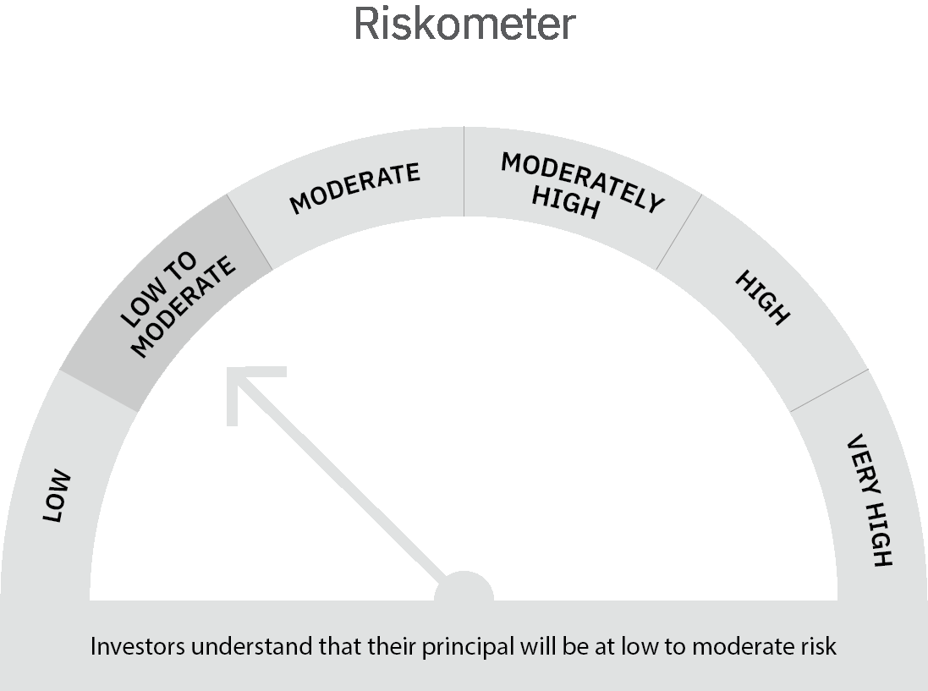
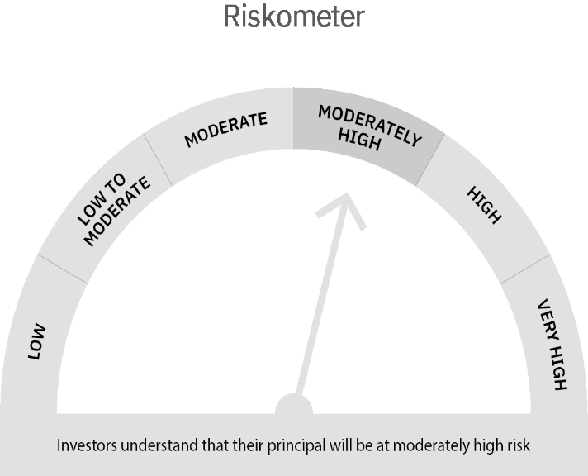

 | Scheme Risk-o-meter |  | Benchmark Risk-o-meter

MO 5 Year G-Sec
 | Motilal Oswal 5 Year G-Sec ETF

 | Fortnightly Portfolio Statement as on January 15,2022
 | Name of the Instrument | ISIN | Rating | Quantity | Market/Fair Value(Rs. in Lacs) | % to Net Assets | YTM
 | Debt Instruments
 | (a) Listed / awaiting listing on Stock Exchange
GOI3103 | 5.63% Government of India (12/04/2026) | IN0020210012 | SOVEREIGN | 8,655,000 | 8,572.82 | 98.24% | 5.88%
 | Sub Total |  |  |  | 8,572.82 | 98.24%
 | (b) Privately placed / Unlisted |  |  |  | NIL | NIL
 | Sub Total |  |  |  | NIL | NIL
 | Total |  |  |  | 8,572.82 | 98.24%
 | CBLO / Reverse Repo
TRP_170122 | CBLO |  |  |  | 20.00 | 0.23% | 3.42%
 | Sub Total |  |  |  | 20.00 | 0.23%
 | Total |  |  |  | 20.00 | 0.23%
 | Net Receivables / (Payables) |  |  |  | 133.90 | 1.53%
 | GRAND TOTAL |  |  |  | 8,726.72 | 100.00%

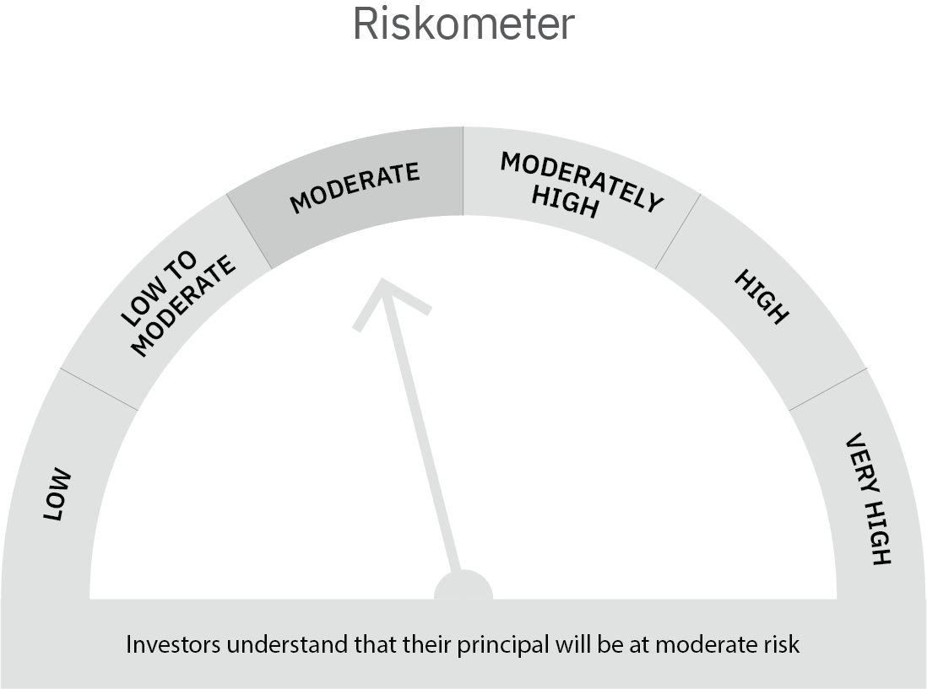

 | Scheme Risk-o-meter |  | Benchmark Risk-o-meter

