Focused 25 Fund
 | Motilal Oswal Focused 25 Fund
 | Portfolio as on December 31, 2021

Sr. No. | Name of Instrument |  | ISIN | Rating / Industry | Quantity | Market value (Rs. In lakhs) | % to Net Assets | Sector / Rating | Percent
 | Equity & Equity related |  |  |  |  |  |  | Banks | 23.44%
 | (a) Listed / awaiting listing on Stock Exchanges |  |  |  |  |  |  | Software | 13.68%
1 | Tata Consultancy Services Limited |  | INE467B01029 | Software | 435736 | 16,289.34 | 9.21% | Auto | 11.35%
2 | HDFC Bank Limited |  | INE040A01034 | Banks | 1084600 | 16,045.57 | 9.07% | Finance | 11.13%
3 | Housing Development Finance Corporation Limited |  | INE001A01036 | Finance | 614016 | 15,881.22 | 8.98% | Industrial Capital Goods | 7.21%
4 | Bajaj Auto Limited |  | INE917I01010 | Auto | 457078 | 14,851.61 | 8.39% | Transportation | 6.94%
5 | ICICI Bank Limited |  | INE090A01021 | Banks | 1965975 | 14,551.16 | 8.22% | Insurance | 6.14%
6 | ABB India Limited |  | INE117A01022 | Industrial Capital Goods | 571477 | 12,764.51 | 7.21% | Pharmaceuticals | 5.88%
7 | Container Corporation of India Limited |  | INE111A01025 | Transportation | 1998085 | 12,279.23 | 6.94% | Cement & Cement Products | 5.51%
8 | Kotak Mahindra Bank Limited |  | INE237A01028 | Banks | 605343 | 10,872.57 | 6.15% | Retailing | 5.16%
9 | Infosys Limited |  | INE009A01021 | Software | 419100 | 7,911.56 | 4.47% | Pesticides | 3.10%
10 | HDFC Life Insurance Company Limited |  | INE795G01014 | Insurance | 1153058 | 7,489.69 | 4.23% | CRISIL AAA | 0.02%
11 | Zomato Limited |  | INE758T01015 | Retailing | 4925021 | 6,766.98 | 3.82% | Cash & Equivalent | 0.44%
12 | Abbott India Limited |  | INE358A01014 | Pharmaceuticals | 28180 | 5,491.06 | 3.10%
13 | PI Industries Limited |  | INE603J01030 | Pesticides | 180638 | 5,480.92 | 3.10%
14 | Shree Cement Limited |  | INE070A01015 | Cement & Cement Products | 20277 | 5,472.25 | 3.09%
15 | Maruti Suzuki India Limited |  | INE585B01010 | Auto | 70369 | 5,225.92 | 2.95%
16 | Procter & Gamble Health Limited |  | INE199A01012 | Pharmaceuticals | 91963 | 4,909.35 | 2.77%
17 | UltraTech Cement Limited |  | INE481G01011 | Cement & Cement Products | 56434 | 4,283.93 | 2.42%
18 | SBI Cards and Payment Services Limited |  | INE018E01016 | Finance | 411000 | 3,814.70 | 2.16%
19 | ICICI Lombard General Insurance Company Limited |  | INE765G01017 | Insurance | 240639 | 3,371.95 | 1.91%
20 | Avenue Supermarts Limited |  | INE192R01011 | Retailing | 33243 | 1,552.93 | 0.88%
21 | FSN E-Commerce Ventures Limited |  | INE388Y01029 | Retailing | 38122 | 801.15 | 0.45%
 | Total |  |  |  |  | 176,107.60 | 99.54%
 | (b) Unlisted
 | Total
 | Debt Instruments
 | (a) Listed / awaiting listing on Stock Exchange
1 | Britannia Industries Limited |  | INE216A07052 | CRISIL AAA | 119829 | 36.65 | 0.02%
 | Total |  |  |  |  | 36.65 | 0.02%
 | (b) Privately placed / Unlisted
 | Total
 | Money Market Instruments
 | CBLO/REPO/TREPS
1 | Collateralized Borrowing & Lending Obligation |  |  |  | 1149000 | 1,148.78 | 0.65%
 | Total |  |  |  |  | 1,148.78 | 0.65%
 | Cash & Cash Equivalents
 | Net Receivables / (Payables) |  |  |  |  | (366.56) | -0.21%
 | GRAND TOTAL |  |  |  |  | 176,926.47 | 100.00%

 | Total Expense Ratio
 | Total Expense Ratio
 | Direct Plan : | 1.08%
 | Regular Plan : | 2.23%

 | NAV | Direct IDCW |  | 21.4134
 | NAV | Direct Growth |  | 36.5786
 | NAV | Regular IDCW |  | 19.1314
 | NAV | Regular Growth |  | 32.5967

 | Monthly AAUM in Crores |  |  | 1,759.13

 | Latest AUM (31 DECEMBER 2021) in Crores |  |  | 1,769.26

 | Portfolio Turnover Ratio |  |  | 0.28

 | Dividend History
 | Record Date (March 26, 2021) | Dividend per Unit (Rs.) | Cum Dividend NAV | EX Dividend NAV
 | Direct Plan | 3.30 | 22.4101 | 19.1101
 | Regular Plan | 3.00 | 20.2349 | 17.2349

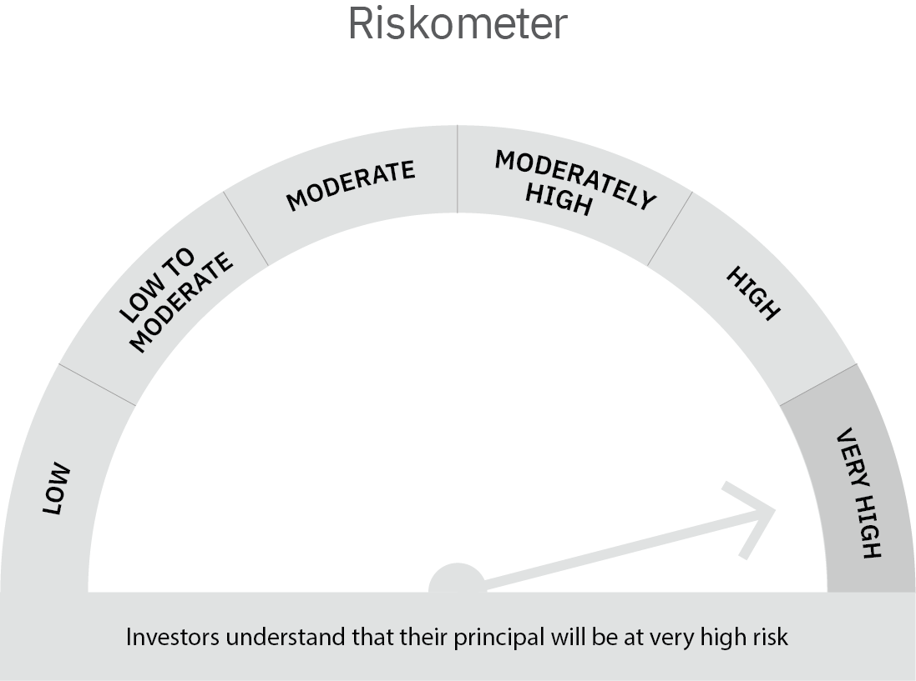

 | Scheme Risk-o-meter |  | Benchmark Risk-o-meter

Dynamic Fund
 | Motilal Oswal Dynamic Fund
 | Portfolio as on December 31, 2021

Sr. No. | Name of Instrument |  | ISIN | Rating / Industry | Quantity | Market value (Rs. In lakhs) | % to Net Assets | Sector / Rating | Percent
 | Equity & Equity related |  |  |  |  |  |  | Banks | 15.11%
 | (a) Listed / awaiting listing on Stock Exchanges |  |  |  |  |  |  | Finance | 9.28%
1 | Larsen & Toubro Limited |  | INE018A01030 | Construction Project | 474075 | 8,987.99 | 8.32% | Construction Project | 8.32%
2 | ICICI Bank Limited |  | INE090A01021 | Banks | 824875 | 6,105.31 | 5.65% | Software | 8.08%
3 | Tata Consultancy Services Limited |  | INE467B01029 | Software | 150000 | 5,607.53 | 5.19% | CRISIL AAA | 6.87%
4 | ITC Limited |  | INE154A01025 | Consumer Non Durables | 2204800 | 4,807.57 | 4.45% | Insurance | 6.52%
5 | SBI Life Insurance Company Limited |  | INE123W01016 | Insurance | 353285 | 4,225.29 | 3.91% | REIT | 5.50%
6 | State Bank of India |  | INE062A01020 | Banks | 836000 | 3,849.36 | 3.56% | ICRA AAA | 4.58%
7 | Housing Development Finance Corporation Limited |  | INE001A01036 | Finance | 142000 | 3,672.76 | 3.40% | Construction | 4.55%
8 | SBI Cards and Payment Services Limited |  | INE018E01016 | Finance | 358421 | 3,326.68 | 3.08% | SOVEREIGN | 4.46%
9 | Indiabulls Real Estate Limited |  | INE069I01010 | Construction | 1900000 | 2,996.30 | 2.77% | Consumer Non Durables | 4.45%
10 | ICICI Lombard General Insurance Company Limited |  | INE765G01017 | Insurance | 201000 | 2,816.51 | 2.61% | ICRA AA+ | 3.40%
11 | Axis Bank Limited |  | INE238A01034 | Banks | 411600 | 2,792.91 | 2.59% | Auto Ancillaries | 2.56%
12 | WABCO India Limited |  | INE342J01019 | Auto Ancillaries | 32500 | 2,761.10 | 2.56% | Auto | 2.15%
13 | Maruti Suzuki India Limited |  | INE585B01010 | Auto | 31221 | 2,318.61 | 2.15% | Aerospace & Defense | 2.04%
14 | MTAR Technologies Limited |  | INE864I01014 | Aerospace & Defense | 89474 | 2,203.79 | 2.04% | Pharmaceuticals | 1.78%
15 | LIC Housing Finance Limited |  | INE115A01026 | Finance | 530000 | 1,959.15 | 1.81% | Cement & Cement Products | 1.42%
16 | Fino Payments Bank Limited |  | INE02NC01014 | Banks | 520878 | 1,931.94 | 1.79% | Retailing | 1.14%
17 | Gland Pharma Limited |  | INE068V01023 | Pharmaceuticals | 49702 | 1,920.76 | 1.78% | InvIT | 0.96%
18 | G R Infraprojects Limited |  | INE201P01022 | Construction | 110000 | 1,915.54 | 1.77% | Entertainment | 0.32%
19 | Infosys Limited |  | INE009A01021 | Software | 87927 | 1,659.84 | 1.54% | Cash & Equivalent | 6.51%
20 | AU Small Finance Bank Limited |  | INE949L01017 | Banks | 157415 | 1,631.61 | 1.51%
21 | UltraTech Cement Limited |  | INE481G01011 | Cement & Cement Products | 20264 | 1,538.25 | 1.42%
22 | HCL Technologies Limited |  | INE860A01027 | Software | 111136 | 1,465.99 | 1.36%
23 | Zomato Limited |  | INE758T01015 | Retailing | 900075 | 1,236.70 | 1.14%
24 | Religare Enterprises Limited |  | INE621H01010 | Finance | 806104 | 1,064.06 | 0.99%
25 | Nazara Technologies Limited |  | INE418L01021 | Entertainment | 15000 | 343.37 | 0.32%
26 | HDFC Bank Limited |  | INE040A01034 | Banks | 500 | 7.40 | 0.01%
 | Total |  |  |  |  | 73,146.32 | 67.71%
 | REIT
1 | Brookfield India Real Estate Trust |  | INE0FDU25010 | Construction | 1048000 | 3,111.82 | 2.28%
2 | Embassy Office Parks REIT |  | INE041025011 | Construction | 834060 | 2,832.72 | 2.62%
 | Total |  |  |  |  | 5,944.54 | 5.50%
 | InvIT
1 | India Grid Trust InvIT Fund |  | INE219X23014 | Power | 712941 | 1,041.75 | 0.96%
 | Total |  |  |  |  | 1,041.75 | 0.96%
 | (b) Unlisted
 | Total
 | Derivatives
 | Index / Stock Futures
1 | Housing Development Finance Corporation Limited January 2022 Future |  |  |  | (-100800) | (2,614.10) | -2.42%
2 | Tata Consultancy Services Limited January 2022 Future |  |  |  | (-84300) | (3,156.49) | -2.92%
3 | ICICI Bank Limited January 2022 Future |  |  |  | (-591250) | (4,400.38) | -4.07%
4 | Larsen & Toubro Limited January 2022 Future |  |  |  | (-233450) | (4,451.31) | -4.12%
5 | ITC Limited January 2022 Future |  |  |  | (-2204800) | (4,826.31) | -4.47%
 | Total |  |  |  |  | (19,448.59) | -18.00%
 | Debt Instruments
 | (a) Listed / awaiting listing on Stock Exchange
1 | Sundaram Finance Limited |  | INE660A07QX8 | ICRA AAA | 5000000 | 4,949.42 | 4.58%
2 | Bajaj Finance Limited |  | INE296A07RH2 | CRISIL AAA | 4000000 | 4,319.20 | 4.00%
3 | Cholamandalam Investment and Finance Company Limited |  | INE121A07PN4 | ICRA AA+ | 2500000 | 2,564.64 | 2.37%
4 | HDB Financial Services Limited |  | INE756I07DO4 | CRISIL AAA | 2500000 | 2,491.92 | 2.31%
5 | Sundaram Home Finance Limited |  | INE667F07HH4 | ICRA AA+ | 1100000 | 1,110.18 | 1.03%
6 | National Bank For Agriculture and Rural Development |  | INE261F08BL9 | CRISIL AAA | 600000 | 609.01 | 0.56%
7 | Britannia Industries Limited |  | INE216A08027 | CRISIL AAA | 17256 | 4.98 | 0.00%
 | Total |  |  |  |  | 16,049.35 | 14.86%
 | (b) Privately placed / Unlisted
 | Total
 | Money Market Instruments
 | Treasury Bill/Cash Management Bill
1 | 364 Days Tbill (MD 17/11/2022) |  | IN002021Z343 | SOVEREIGN | 5000000 | 4,822.64 | 4.46%
 | Total |  |  |  |  | 4,822.64 | 4.46%
 | CBLO/REPO/TREPS
1 | Collateralized Borrowing & Lending Obligation |  |  |  | 3938000 | 3,937.26 | 3.64%
 | Total |  |  |  |  | 3,937.26 | 3.64%
 | Cash & Cash Equivalents
 | Net Receivables / (Payables) |  |  |  |  | 22,528.50 | 20.87%
 | GRAND TOTAL |  |  |  |  | 108,021.76 | 100.00%

 | Total Expense Ratio
 | Total Expense Ratio
 | Regular Plan : | 2.26%
 | Direct Plan : | 1.02%

 | NAV | Plan A IDCW |  | 13.9961
 | NAV | Direct Annual IDCW |  | 14.2649
 | NAV | Direct Growth |  | 16.4132
 | NAV | Direct Quarterly IDCW |  | 12.3981
 | NAV | Regular Growth |  | 15.4439
 | NAV | Regular Quarterly IDCW |  | 12.1436

 | Monthly AAUM in Crores |  |  | 1,091.04

 | Latest AUM (31 DECEMBER 2021) in Crores |  |  | 1,080.22

 | Portfolio Turnover Ratio |  |  | 4.18

 | Quarterly Dividend (Direct Plan)
 | Record Date Dividend Option | Dividend per Unit (Rs.) | Cum Dividend NAV | EX Dividend NAV
 | 29-Jan-21 | 0.200000 | 11.8493 | 11.6493
 | 29-Oct-20 | 0.680000 | 11.9178 | 11.2378
 | 31-Jul-20 | 0.300000 | 12.0421 | 11.7421

 | Quarterly Dividend (Regular Plan)
 | Record Date Dividend Option | Dividend per Unit (Rs.) | Cum Dividend NAV | EX Dividend NAV
 | 29-Jan-21 | 0.200000 | 11.7477 | 11.5477
 | 29-Oct-20 | 0.750000 | 11.9241 | 11.1741
 | 31-Jul-20 | 0.300000 | 12.0868 | 11.7868

 | Annual Dividend ( Direct Plan)
 | Record Date Dividend Option | Dividend per Unit (Rs.) | Cum Dividend NAV | EX Dividend NAV
 | 26-Mar-21 | 0.7500 | 14.0402 | 13.2902
 | 23-Mar-20 | 0.3185 | 10.3185 | 10.0000
 | 28-Mar-19 | 0.2681 | 12.1778 | 11.9097

 | Annual Dividend ( Regular Plan)
 | Record Date Dividend Option | Dividend per Unit (Rs.) | Cum Dividend NAV | EX Dividend NAV
 | 26-Mar-21 | 0.5000 | 13.6668 | 13.1668
 | 28-Mar-19 | 0.3000 | 11.8144 | 11.5144
 | 20-Mar-18 | 0.1500 | 11.6473 | 11.4973

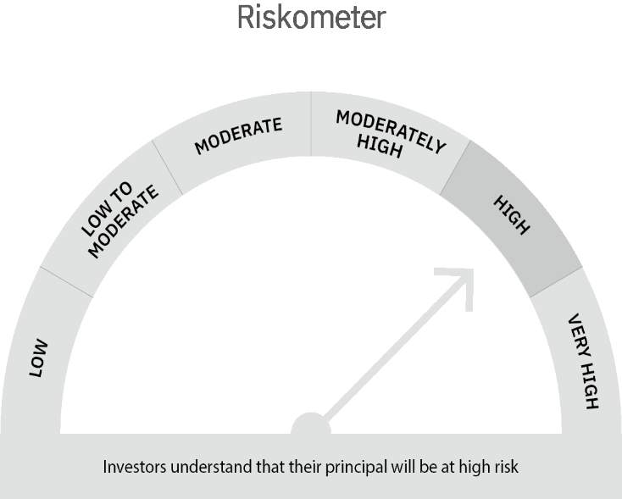

 | Scheme Risk-o-meter |  | Benchmark Risk-o-meter

Multi Asset Fund
 | MOTILAL OSWAL MULTI ASSET FUND
 | Portfolio as on December 31, 2021

Sr. No. | Name of Instrument |  | ISIN | Rating / Industry | Quantity | Market value (Rs. In lakhs) | % to Net Assets | Sector / Rating | Percent
 | Equity & Equity related |  |  |  |  |  |  | SOVEREIGN | 29.84%
 | (a) Listed / awaiting listing on Stock Exchanges |  |  |  |  |  |  | CRISIL AAA | 23.48%
1 | ABB India Limited |  | INE117A01022 | Industrial Capital Goods | 16000 | 357.38 | 1.65% | INVESTMENT FUNDS/MUTUAL FUNDS | 11.40%
2 | HDFC Bank Limited |  | INE040A01034 | Banks | 18592 | 275.05 | 1.27% | Exchange Traded Funds | 10.83%
3 | Siemens Limited |  | INE003A01024 | Industrial Capital Goods | 11000 | 259.75 | 1.20% | ICRA AA+ | 4.66%
4 | Infosys Limited |  | INE009A01021 | Software | 11794 | 222.64 | 1.03% | Banks | 3.19%
5 | Housing Development Finance Corporation Limited |  | INE001A01036 | Finance | 6882 | 178.00 | 0.82% | Industrial Capital Goods | 3.05%
6 | Tata Consultancy Services Limited |  | INE467B01029 | Software | 4593 | 171.70 | 0.79% | Software | 1.82%
7 | ICICI Bank Limited |  | INE090A01021 | Banks | 21722 | 160.78 | 0.74% | Auto | 1.16%
8 | Kotak Mahindra Bank Limited |  | INE237A01028 | Banks | 7922 | 142.29 | 0.66% | Cement & Cement Products | 0.98%
9 | Bajaj Auto Limited |  | INE917I01010 | Auto | 4160 | 135.17 | 0.62% | Finance | 0.82%
10 | UltraTech Cement Limited |  | INE481G01011 | Cement & Cement Products | 1695 | 128.67 | 0.59% | Insurance | 0.70%
11 | State Bank of India |  | INE062A01020 | Banks | 24800 | 114.19 | 0.53% | Pesticides | 0.51%
12 | PI Industries Limited |  | INE603J01030 | Pesticides | 3649 | 110.72 | 0.51% | Retailing | 0.44%
13 | HDFC Life Insurance Company Limited |  | INE795G01014 | Insurance | 16223 | 105.38 | 0.49% | Transportation | 0.44%
14 | Zomato Limited |  | INE758T01015 | Retailing | 70000 | 96.18 | 0.44% | Construction Project | 0.44%
15 | Container Corporation of India Limited |  | INE111A01025 | Transportation | 15512 | 95.33 | 0.44% | Pharmaceuticals | 0.40%
16 | Larsen & Toubro Limited |  | INE018A01030 | Construction Project | 5000 | 94.80 | 0.44% | Cash & Equivalent | 5.83%
17 | Abbott India Limited |  | INE358A01014 | Pharmaceuticals | 448 | 87.30 | 0.40%
18 | Shree Cement Limited |  | INE070A01015 | Cement & Cement Products | 311 | 83.93 | 0.39%
19 | Maruti Suzuki India Limited |  | INE585B01010 | Auto | 948 | 70.40 | 0.32%
20 | Eicher Motors Limited |  | INE066A01021 | Auto | 1793 | 46.47 | 0.21%
21 | ICICI Lombard General Insurance Company Limited |  | INE765G01017 | Insurance | 3275 | 45.89 | 0.21%
22 | Honeywell Automation India Limited |  | INE671A01010 | Industrial Capital Goods | 103 | 43.44 | 0.20%
 | Total |  |  |  |  | 3,025.46 | 13.96%
 | (b) Unlisted
 | Total
 | Debt Instruments
 | (a) Listed / awaiting listing on Stock Exchange
1 | Bajaj Finance Limited |  | INE296A07RH2 | CRISIL AAA | 1000000 | 1,079.80 | 4.98%
2 | Sundaram Home Finance Limited |  | INE667F07HH4 | ICRA AA+ | 1000000 | 1,009.25 | 4.66%
3 | REC Limited |  | INE020B08DC3 | CRISIL AAA | 1000000 | 1,008.36 | 4.65%
4 | Kotak Mahindra Prime Limited |  | INE916DA7QT0 | CRISIL AAA | 1000000 | 1,002.47 | 4.63%
5 | Housing Development Finance Corporation Limited |  | INE001A07SV5 | CRISIL AAA | 1000000 | 1,000.45 | 4.62%
6 | HDB Financial Services Limited |  | INE756I07DO4 | CRISIL AAA | 1000000 | 996.77 | 4.60%
 | Total |  |  |  |  | 6,097.10 | 28.14%
 | (b) Privately placed / Unlisted
 | Total
 | State Government Securities
1 | 6.10% Rajasthan SDL (MD 25/05/2026) |  | IN2920210084 | SOVEREIGN | 3000000 | 2,999.90 | 13.84%
 | Total |  |  |  |  | 2,999.90 | 13.84%
 | Exchange Traded Funds
1 | ICICI Prudential Gold ETF |  | INF109KC1NT3 |  | 5508046.000 | 2,347.53 | 10.83%
 | Total |  |  |  |  | 2,347.53 | 10.83%
 | Money Market Instruments
 | Treasury Bill/Cash Management Bill
1 | 364 Days Tbill (MD 21/04/2022) |  | IN002021Z038 | SOVEREIGN | 2500000 | 2,472.36 | 11.41%
2 | 364 Days Tbill (MD 03/03/2022) |  | IN002020Z485 | SOVEREIGN | 1000000 | 994.19 | 4.59%
 | Total |  |  |  |  | 3,466.55 | 16.00%
 | CBLO/REPO/TREPS
1 | Collateralized Borrowing & Lending Obligation |  |  |  | 1154000 | 1,153.78 | 5.32%
 | Total |  |  |  |  | 1,153.78 | 5.32%
 | Others
 | Mutual Fund Units
1 | Motilal Oswal S&P 500 Index Fund DirectPlan Growth |  | INF247L01AG2 |  | 15346734.808 | 2,469.24 | 11.40%
 | Total |  |  |  |  | 2,469.24 | 11.40%
 | Cash & Cash Equivalents
 | Net Receivables / (Payables) |  |  |  |  | 108.87 | 0.50%
 | GRAND TOTAL |  |  |  |  | 21,668.43 | 100.00%

 | Total Expense Ratio
 | Total Expense Ratio
 | Regular Plan : | 2.08%
 | Direct Plan : | 0.87%

 | NAV | Direct Growth |  | 11.0917
 | NAV | Regular Growth |  | 10.8620

 | Monthly AAUM in Crores |  |  | 213.97

 | Latest AUM (31 DECEMBER 2021) in Crores |  |  | 216.68

 | Portfolio Turnover Ratio |  |  | 1.24

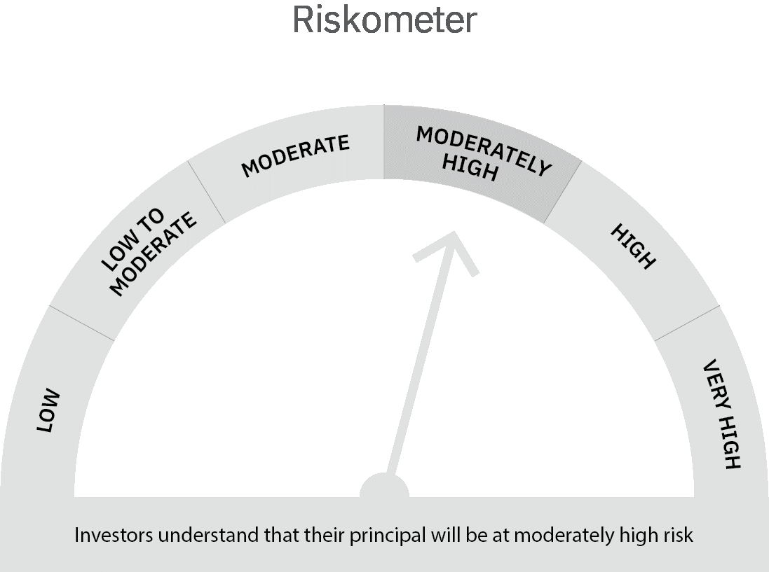

 | Scheme Risk-o-meter |  | Benchmark Risk-o-meter

USTBF
 | Motilal Oswal Ultra Short Term Fund
 | Portfolio as on December 31, 2021

Sr. No. | Name of Instrument |  | ISIN | Rating / Industry | Quantity | Market value (Rs. In lakhs) | % to Net Assets | Sector / Rating | Percent
 | Debt Instruments |  |  |  |  |  |  | SOVEREIGN | 78.84%
 | (a) Listed / awaiting listing on Stock Exchange |  |  |  |  |  |  | CRISIL AAA | 4.03%
1 | National Bank For Agriculture and Rural Development |  | INE261F08BL9 | CRISIL AAA | 400000 | 406.01 | 4.03% | ICRA AA+ | 4.01%
2 | Sundaram Home Finance Limited |  | INE667F07HH4 | ICRA AA+ | 400000 | 403.70 | 4.01% | Cash & Equivalent | 13.12%
 | Total |  |  |  |  | 809.71 | 8.05%
 | (b) Privately placed / Unlisted
 | Total
 | State Government Securities
1 | 7.02% Maharashtra SDL (MD 27/09/2022) |  | IN2220170111 | SOVEREIGN | 1500000 | 1,527.58 | 15.18%
2 | 8.72% Maharashtra SDL (MD 11/01/2022) |  | IN2220110083 | SOVEREIGN | 1000000 | 1,001.40 | 9.95%
2 | 8.72% Tamilnadu SDL (MD 11/01/2022) |  | IN3120110108 | SOVEREIGN | 1000000 | 1,001.40 | 9.95%
 | Total |  |  |  |  | 3,530.38 | 35.08%
 | Money Market Instruments
 | Treasury Bill/Cash Management Bill
1 | 364 Days Tbill (MD 10/11/2022) |  | IN002021Z335 | SOVEREIGN | 2500000 | 2,413.19 | 23.98%
2 | 91 Days Tbill (MD 24/02/2022) |  | IN002021X371 | SOVEREIGN | 2000000 | 1,989.99 | 19.77%
 | Total |  |  |  |  | 4,403.18 | 43.76%
 | CBLO/REPO/TREPS
1 | Collateralized Borrowing & Lending Obligation |  |  |  | 1143000 | 1,142.78 | 11.36%
 | Total |  |  |  |  | 1,142.78 | 11.36%
 | Cash & Cash Equivalents
 | Net Receivables / (Payables) |  |  |  |  | 177.18 | 1.76%
 | GRAND TOTAL |  |  |  |  | 10,063.23 | 100.00%

 | Total Expense Ratio
 | Total Expense Ratio
 | Direct Plan : | 0.58%
 | Regular Plan : | 1.07%

 | NAV | Direct IDCW |  | 10.0806
 | NAV | Regular Daily IDCW |  | 10.0069
 | NAV | Direct Fortnightly IDCW |  | 10.1051
 | NAV | Direct Growth |  | 14.2831
 | NAV | Direct Monthly IDCW |  | 10.0877
 | NAV | Direct Quarterly IDCW |  | 10.2329
 | NAV | Direct Weekly IDCW |  | 10.0918
 | NAV | Regular Fortnightly IDCW |  | 10.0179
 | NAV | Regular Growth |  | 13.7825
 | NAV | Regular Monthly IDCW |  | 10.0075
 | NAV | Regular Quarterly IDCW |  | 10.1528
 | NAV | Regular Weekly IDCW |  | 10.0105

 | Monthly AAUM in Crores |  |  | 104.66

 | Latest AUM (31 DECEMBER 2021) in Crores |  |  | 100.63

 | Portfolio Turnover Ratio |  |  | 2.02

 | Dividend History
 | Quarterly Dividend (Direct Plan)
 | Record Date Dividend Option | Dividend per Unit (Rs.) | Cum Dividend NAV | EX Dividend NAV
 | 29-Jun-18 | 0.162900 | 10.1885 | 10.0256
 | 3-Apr-18 | 0.157100 | 10.1932 | 10.0361
 | 29-Dec-17 | 0.139900 | 10.1607 | 10.0208

 | Quarterly Dividend (Regular Plan)
 | Record Date Dividend Option | Dividend per Unit (Rs.) | Cum Dividend NAV | EX Dividend NAV
 | 29-Jun-18 | 0.151700 | 10.1876 | 10.0359
 | 3-Apr-18 | 0.145200 | 10.1917 | 10.0465
 | 29-Dec-17 | 0.128300 | 10.1596 | 10.0313

 | Monthly Dividend (Direct Plan)
 | Record Date Dividend Option | Dividend per Unit (Rs.) | Cum Dividend NAV | EX Dividend NAV
 | 29-Jun-18 | 0.085576 | 10.0860 | 10.0004
 | 27-Jul-18 | 0.052676 | 10.0531 | 10.0004
 | 31-Aug-18 | 0.065273 | 10.0657 | 10.0004

 | Monthly Dividend (Regular Plan)
 | Record Date Dividend Option | Dividend per Unit (Rs.) | Cum Dividend NAV | EX Dividend NAV
 | 29-Jun-18 | 0.081535 | 10.0827 | 10.0012
 | 27-Jul-18 | 0.049133 | 10.0503 | 10.0012
 | 31-Aug-18 | 0.060833 | 10.0619 | 10.0011

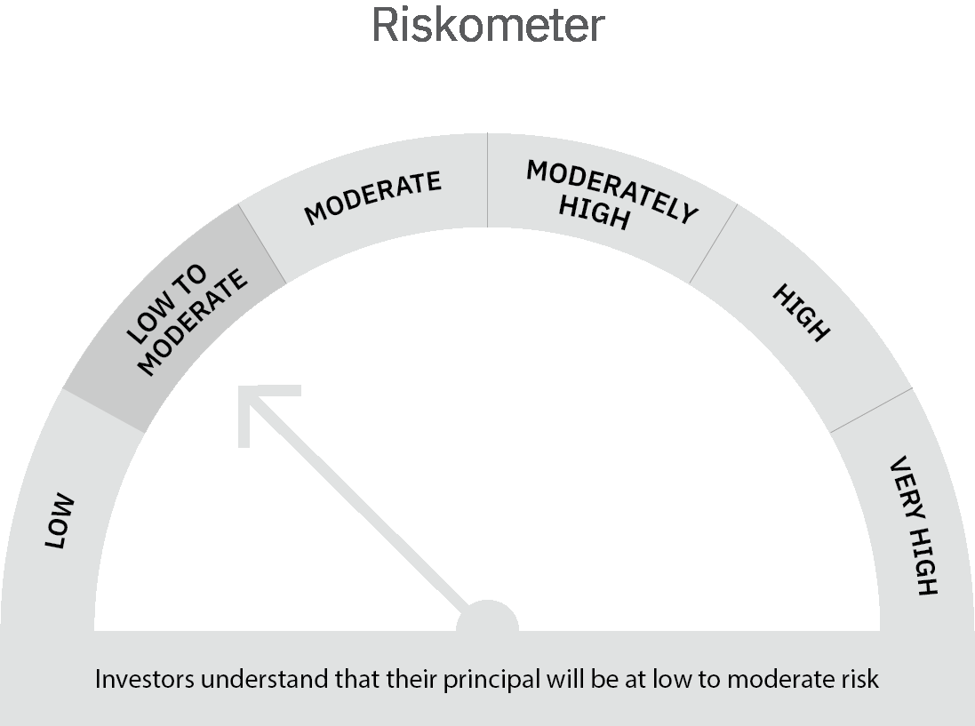
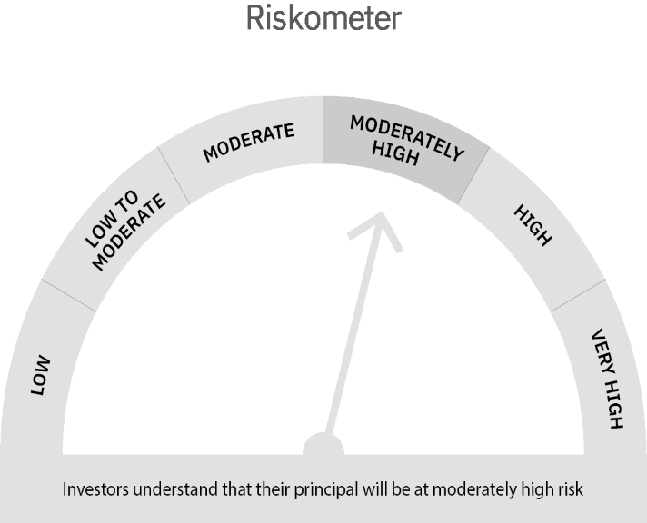

 | Scheme Risk-o-meter |  | Benchmark Risk-o-meter

MO 5 Year G-Sec
 | Motilal Oswal 5 Year G-Sec ETF
 | Portfolio as on December 31, 2021

Sr. No. | Name of Instrument |  | ISIN | Rating / Industry | Quantity | Market value (Rs. In lakhs) | % to Net Assets | Sector / Rating | Percent
 | Debt Instruments |  |  |  |  |  |  | SOVEREIGN | 98.45%
 | (a) Listed / awaiting listing on Stock Exchange |  |  |  |  |  |  | Cash & Equivalent | 1.55%
1 | Government of India |  | IN0020210012 | SOVEREIGN | 8605000 | 8,550.29 | 98.45%
 | Total |  |  |  |  | 8,550.29 | 98.45%
 | (b) Privately placed / Unlisted
 | Total
 | Money Market Instruments
 | CBLO/REPO/TREPS
1 | Collateralized Borrowing & Lending Obligation |  |  |  | 2235000 | 2,234.58 | 25.73%
 | Total |  |  |  |  | 2,234.58 | 25.73%
 | Cash & Cash Equivalents
 | Net Receivables / (Payables) |  |  |  |  | (2,099.86) | -24.18%
 | GRAND TOTAL |  |  |  |  | 8,685.01 | 100.00%

 | Total Expense Ratio
 | Total Expense Ratio
 | Regular Plan : | 0.14%

 | NAV | Regular Growth |  | 49.3182

 | Monthly AAUM in Crores |  |  | 62.5

 | Latest AUM (31 DECEMBER 2021) in Crores |  |  | 86.85

 | Portfolio Turnover Ratio |  |  | 2.72

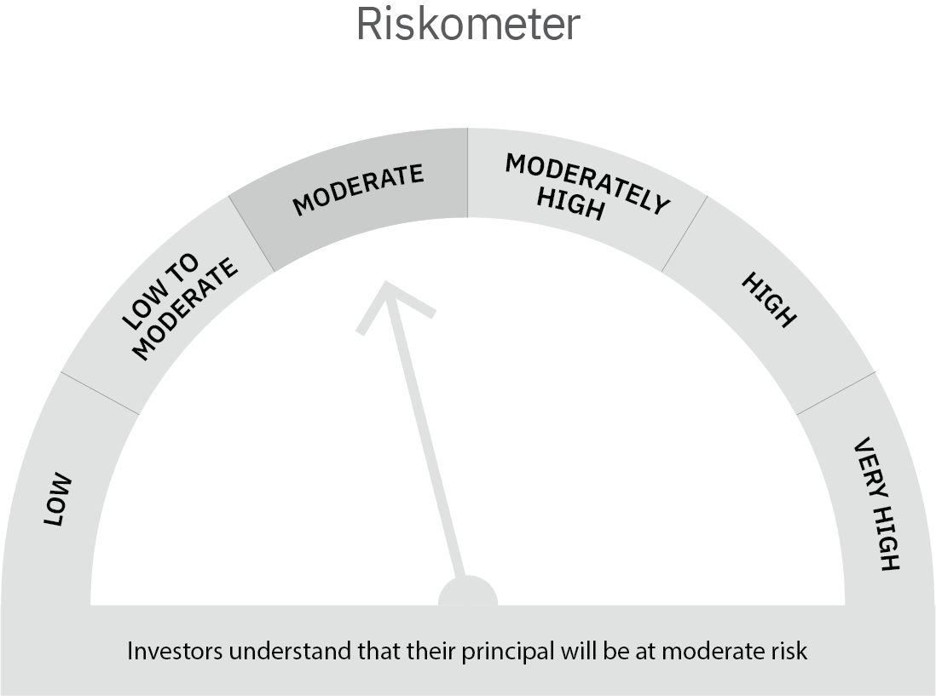

 | Scheme Risk-o-meter |  | Benchmark Risk-o-meter

