Ultra Short Term Fund
 | Motilal Oswal Ultra Short Term Fund

 | Fortnightly Portfolio Statement as on July 15,2022
 | Name of the Instrument | ISIN | Rating | Quantity | Market/Fair Value(Rs. in Lacs) | % to Net Assets | YTM
 | Debt Instruments
 | (a) Listed / awaiting listing on Stock Exchange
GOI3600 | 7.02% State Government Securities (27/09/2022) | IN2220170111 | SOVEREIGN | 1,500,000 | 1504.77 | 21.74% | 5.21%
 | Sub Total |  |  |  | 1504.77 | 21.74%
 | (b) Privately placed / Unlisted |  |  |  | NIL | NIL
 | Sub Total |  |  |  | NIL | NIL
 | Total |  |  |  | 1504.77 | 21.74%
 | Money Market Instruments
 | Treasury Bill
TBIL1965 | 364 Days Tbill (MD 10/11/2022) | IN002021Z335 | SOVEREIGN | 2,500,000 | 2457.00 | 35.50% | 5.46%
TBIL2071 | 182 Days Tbill (MD 05/01/2023) | IN002022Y146 | SOVEREIGN | 2,000,000 | 1946.99 | 28.13% | 5.75%
 | Sub Total |  |  |  | 4403.98 | 63.62%
 | Total |  |  |  | 4403.98 | 63.62%
 | CBLO / Reverse Repo
TRP_180722 | CBLO |  |  |  | 984.74 | 14.23% | 4.81%
 | Sub Total |  |  |  | 984.74 | 14.23%
 | Total |  |  |  | 984.74 | 14.23%
 | Net Receivables / (Payables) |  |  |  | 28.42 | 0.41%
 | GRAND TOTAL |  |  |  | 6921.91 | 100.00%

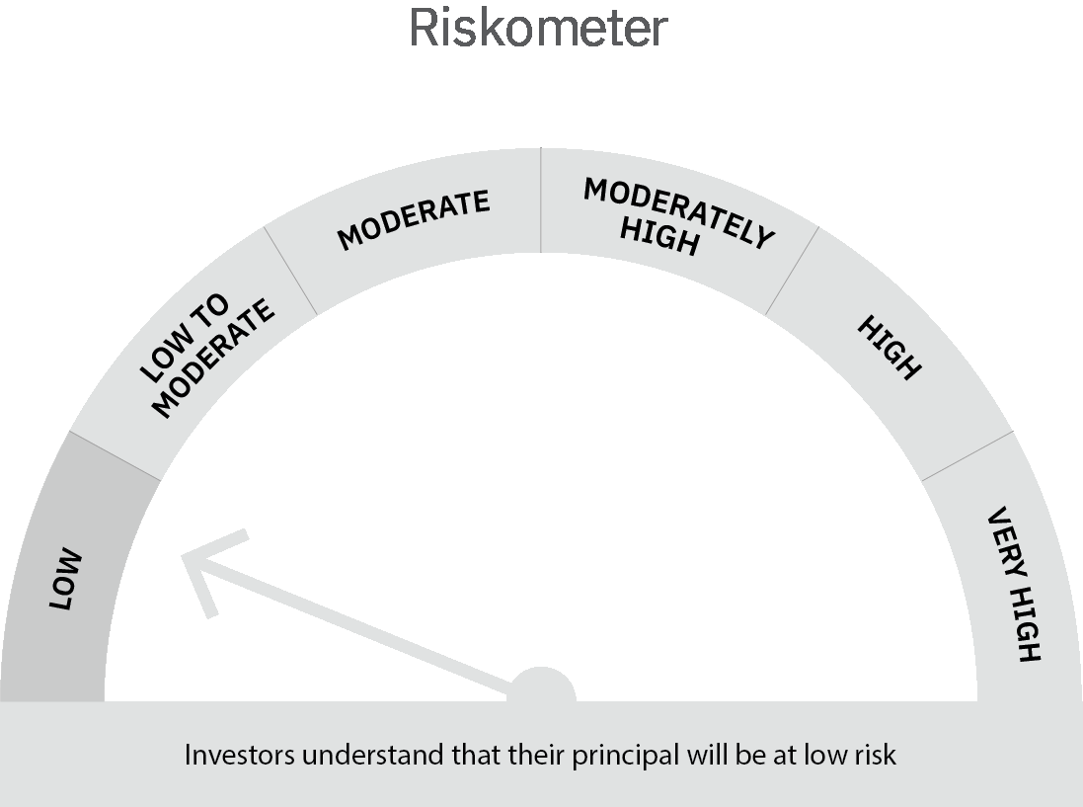
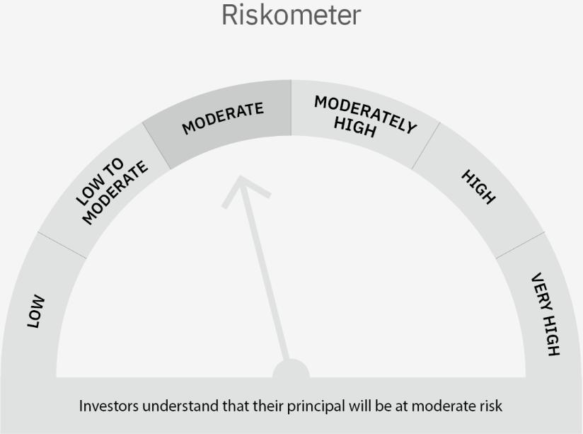

 | Scheme Risk-o-meter |  | Benchmark Risk-o-meter

 | Max Credit Risk of scheme→ Max Interest Rate Risk of the scheme ↓ | Relatively Low (Class A: CRV >=12) | Moderate (Class B : CRV >=10) | Relatively High (Class C: CRV <10)

 | Relatively Low Class I: (MD<=1 year) |  | B-I

 | Moderate Class II: (MD<=3 years)

 | Relatively High Class III: Any Macaulay duration

Liquid Fund
 | Motilal Oswal Liquid Fund

 | Fortnightly Portfolio Statement as on July 15,2022
 | Name of the Instrument | ISIN | Rating | Quantity | Market/Fair Value(Rs. in Lacs) | % to Net Assets | YTM
 | Money Market Instruments
 | Certificate of Deposit
HDFB808 | HDFC Bank Limited (25/07/2022) # | INE040A16CW6 | CARE A1+ | 2,500,000 | 2496.98 | 4.50% | 4.90%
CANB836 | Canara Bank (17/08/2022) ** # | INE476A16SS6 | CRISIL A1+ | 2,500,000 | 2489.13 | 4.49% | 4.98%
UTIB1247 | Axis Bank Limited (20/09/2022) ** # | INE238A161X8 | CRISIL A1+ | 2,500,000 | 2476.78 | 4.46% | 5.19%
 | Sub Total |  |  |  | 7462.90 | 13.45%
 | Treasury Bill
TBIL2050 | 91 Days Tbill (MD 18/08/2022) | IN002022X072 | SOVEREIGN | 25,000,000 | 24893.20 | 44.87% | 4.75%
TBIL2046 | 91 Days Tbill (MD 11/08/2022) | IN002022X064 | SOVEREIGN | 22,500,000 | 22424.60 | 40.42% | 4.72%
 | Sub Total |  |  |  | 47317.80 | 85.29%
 | Total |  |  |  | 54780.70 | 98.74%
 | CBLO / Reverse Repo
TRP_180722 | CBLO |  |  |  | 437.88 | 0.79% | 4.81%
 | Sub Total |  |  |  | 437.88 | 0.79%
 | Total |  |  |  | 437.88 | 0.79%
 | Net Receivables / (Payables) |  |  |  | 261.14 | 0.47%
 | GRAND TOTAL |  |  |  | 55479.73 | 100.00%

 | ** Thinly Traded / Non Traded Security
 | # Unlisted Security

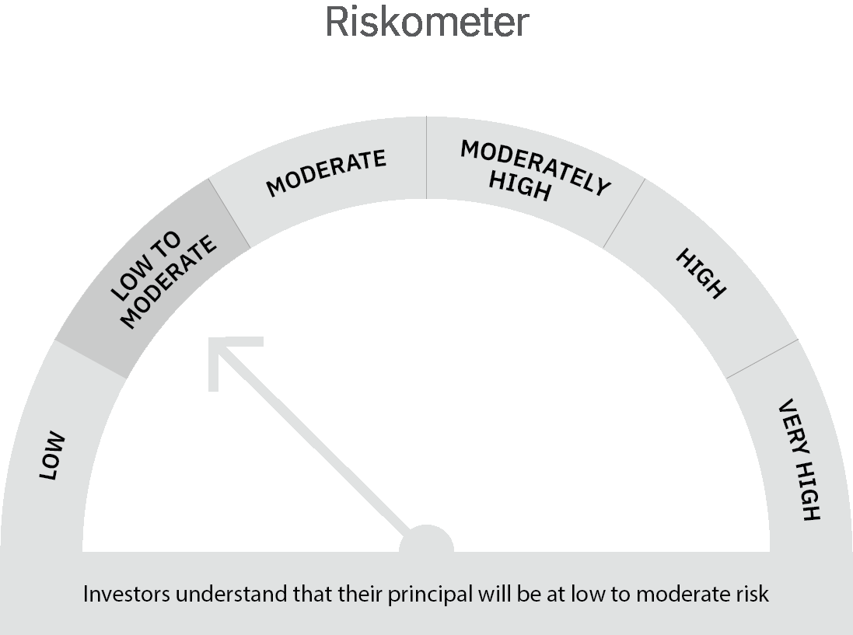

 | Scheme Risk-o-meter |  | Benchmark Risk-o-meter

 | Max Credit Risk of scheme→ Max Interest Rate Risk of the scheme ↓ | Relatively Low (Class A: CRV >=12) | Moderate (Class B : CRV >=10) | Relatively High (Class C: CRV <10)

 | Relatively Low Class I: (MD<=1 year) | A-I

 | Moderate Class II: (MD<=3 years)

 | Relatively High Class III: Any Macaulay duration

