USTBF
 | Motilal Oswal Ultra Short Term Fund

 | Fortnightly Portfolio Statement as on June 15,2022
 | Name of the Instrument | ISIN | Rating | Quantity | Market/Fair Value(Rs. in Lacs) | % to Net Assets | YTM
 | Debt Instruments
 | (a) Listed / awaiting listing on Stock Exchange
GOI3600 | 7.02% State Government Securities (27/09/2022) | IN2220170111 | SOVEREIGN | 1,500,000 | 1506.38 | 20.48% | 5.37%
 | Sub Total |  |  |  | 1506.38 | 20.48%
 | (b) Privately placed / Unlisted |  |  |  | NIL | NIL
 | Sub Total |  |  |  | NIL | NIL
 | Total |  |  |  | 1506.38 | 20.48%
 | Money Market Instruments
 | Treasury Bill
TBIL2012 | 182 Days Tbill (MD 25/08/2022) | IN002021Y502 | SOVEREIGN | 2,500,000 | 2476.92 | 33.68% | 4.86%
TBIL1965 | 364 Days Tbill (MD 10/11/2022) | IN002021Z335 | SOVEREIGN | 2,500,000 | 2445.20 | 33.24% | 5.57%
TBIL1995 | 182 Days Tbill (MD 14/07/2022) | IN002021Y445 | SOVEREIGN | 500,000 | 498.26 | 6.77% | 4.55%
 | Sub Total |  |  |  | 5420.37 | 73.69%
 | Total |  |  |  | 5420.37 | 73.69%
 | CBLO / Reverse Repo
TRP_160622 | CBLO |  |  |  | 412.00 | 5.60% | 4.54%
 | Sub Total |  |  |  | 412.00 | 5.60%
 | Total |  |  |  | 412.00 | 5.60%
 | Net Receivables / (Payables) |  |  |  | 16.58 | 0.23%
 | GRAND TOTAL |  |  |  | 7355.34 | 100.00%

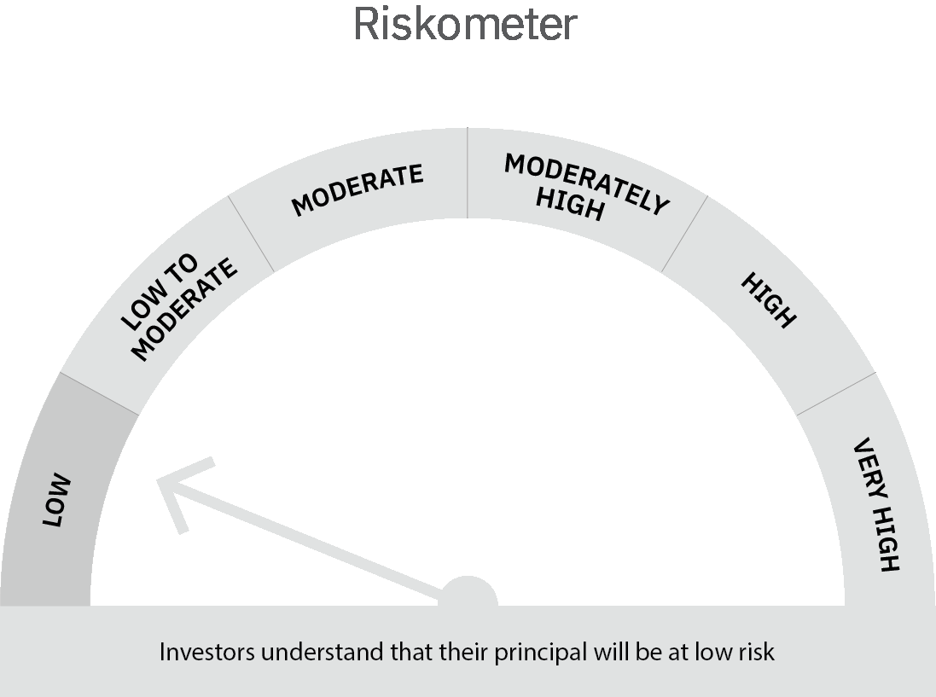
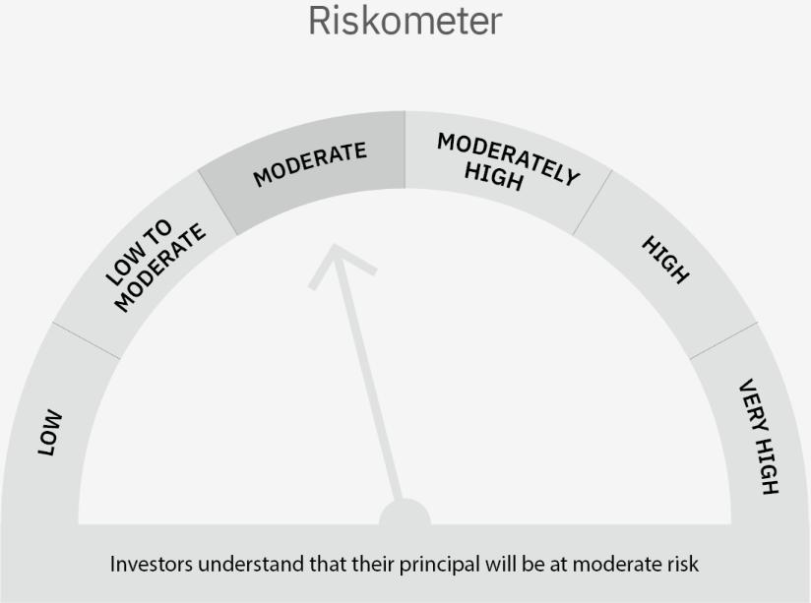

 | Scheme Risk-o-meter |  | Benchmark Risk-o-meter

 | Max Credit Risk of scheme→ Max Interest Rate Risk of the scheme ↓ | Relatively Low (Class A: CRV >=12) | Moderate (Class B : CRV >=10) | Relatively High (Class C: CRV <10)

 | Relatively Low Class I: (MD<=1 year) |  | B-I

 | Moderate Class II: (MD<=3 years)

 | Relatively High Class III: Any Macaulay duration

Liquid Fund
 | Motilal Oswal Liquid Fund

 | Fortnightly Portfolio Statement as on June 15,2022
 | Name of the Instrument | ISIN | Rating | Quantity | Market/Fair Value(Rs. in Lacs) | % to Net Assets | YTM
 | Money Market Instruments
 | Certificate of Deposit
HDFB808 | HDFC Bank Limited (25/07/2022) ** # | INE040A16CW6 | CARE A1+ | 2,500,000 | 2486.98 | 4.32% | 4.90%
CANB836 | Canara Bank (17/08/2022) ** # | INE476A16SS6 | CRISIL A1+ | 2,500,000 | 2478.95 | 4.30% | 5.00%
 | Sub Total |  |  |  | 4965.93 | 8.62%
 | Treasury Bill
TBIL2050 | 91 Days Tbill (MD 18/08/2022) | IN002022X072 | SOVEREIGN | 25,000,000 | 24792.03 | 43.02% | 4.86%
TBIL2046 | 91 Days Tbill (MD 11/08/2022) | IN002022X064 | SOVEREIGN | 22,500,000 | 22334.83 | 38.75% | 4.82%
 | Sub Total |  |  |  | 47126.85 | 81.77%
 | Total |  |  |  | 52092.78 | 90.38%
 | CBLO / Reverse Repo
TRP_160622 | CBLO |  |  |  | 5207.00 | 9.03% | 4.54%
 | Sub Total |  |  |  | 5207.00 | 9.03%
 | Total |  |  |  | 5207.00 | 9.03%
 | Net Receivables / (Payables) |  |  |  | 334.68 | 0.58%
 | GRAND TOTAL |  |  |  | 57634.46 | 100.00%

 | ** Thinly Traded / Non Traded Security
 | # Unlisted Security

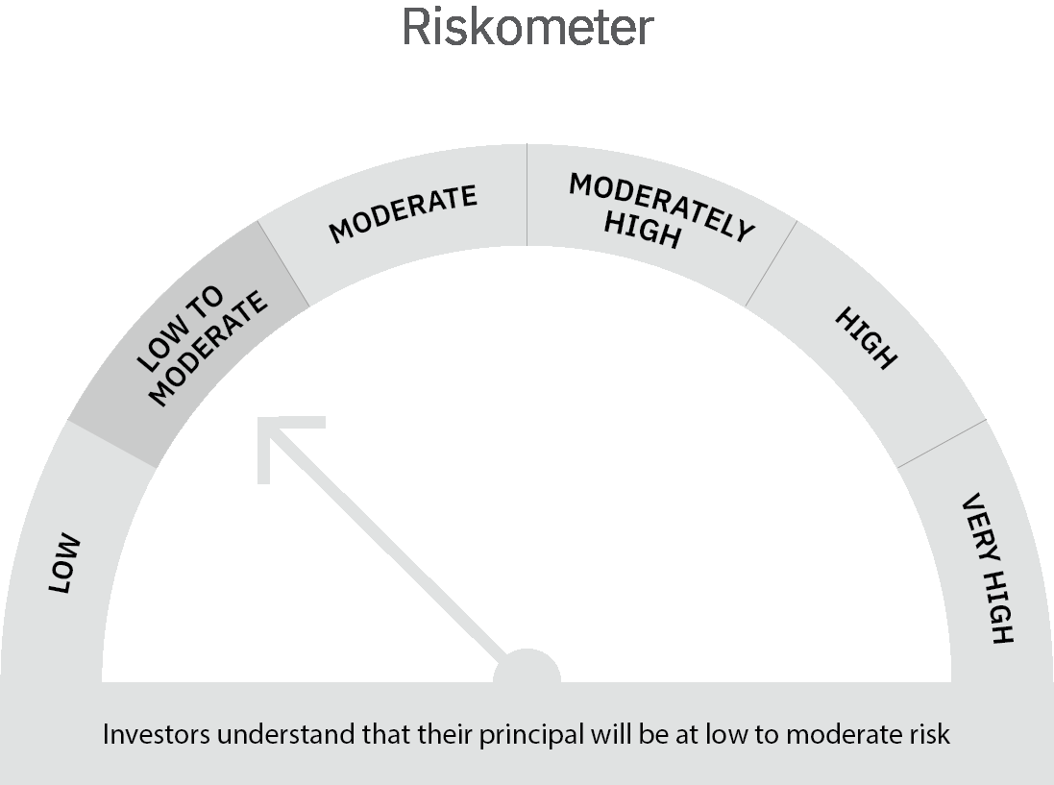

 | Scheme Risk-o-meter |  | Benchmark Risk-o-meter

 | Max Credit Risk of scheme→ Max Interest Rate Risk of the scheme ↓ | Relatively Low (Class A: CRV >=12) | Moderate (Class B : CRV >=10) | Relatively High (Class C: CRV <10)

 | Relatively Low Class I: (MD<=1 year) | A-I

 | Moderate Class II: (MD<=3 years)

 | Relatively High Class III: Any Macaulay duration

