Ultra Short Term Fund
 | Motilal Oswal Ultra Short Term Fund

 | Fortnightly Portfolio Statement as on March 15,2022
 | Name of the Instrument | ISIN | Rating | Quantity | Market/Fair Value(Rs. in Lacs) | % to Net Assets | YTM
 | Debt Instruments
 | (a) Listed / awaiting listing on Stock Exchange
GOI3600 | 7.02% State Government Securities (27/09/2022) | IN2220170111 | SOVEREIGN | 1,500,000 | 1519.72 | 17.96% | 4.48%
NBAR529 | 7.7% National Bank For Agriculture and Rural Development (13/06/2022) ** | INE261F08BL9 | CRISIL AAA | 400,000 | 403.29 | 4.77% | 4.06%
 | Sub Total |  |  |  | 1923.01 | 22.72%
 | (b) Privately placed / Unlisted |  |  |  | NIL | NIL
 | Sub Total |  |  |  | NIL | NIL
 | Total |  |  |  | 1923.01 | 22.72%
 | Money Market Instruments
 | Treasury Bill
TBIL2012 | 182 Days Tbill (MD 25/08/2022) | IN002021Y502 | SOVEREIGN | 2,500,000 | 2454.20 | 29.00% | 4.21%
TBIL1965 | 364 Days Tbill (MD 10/11/2022) | IN002021Z335 | SOVEREIGN | 2,500,000 | 2429.84 | 28.71% | 4.41%
TBIL1995 | 182 Days Tbill (MD 14/07/2022) | IN002021Y445 | SOVEREIGN | 500,000 | 493.38 | 5.83% | 4.08%
 | Sub Total |  |  |  | 5377.41 | 63.54%
 | Total |  |  |  | 5377.41 | 63.54%
 | CBLO / Reverse Repo
TRP_160322 | CBLO |  |  |  | 1151.00 | 13.60% | 3.30%
 | Sub Total |  |  |  | 1151.00 | 13.60%
 | Total |  |  |  | 1151.00 | 13.60%
 | Net Receivables / (Payables) |  |  |  | 11.23 | 0.13%
 | GRAND TOTAL |  |  |  | 8462.648986 | 100.00%

 | ** Thinly Traded / Non Traded Security

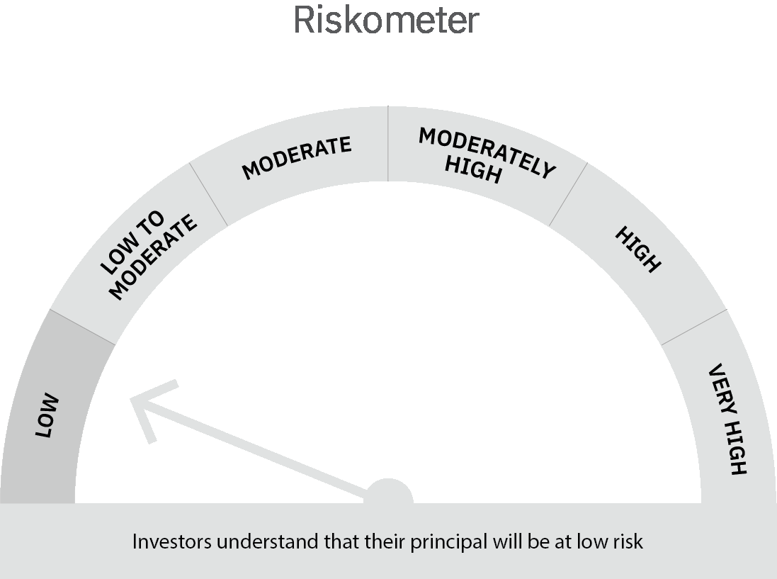
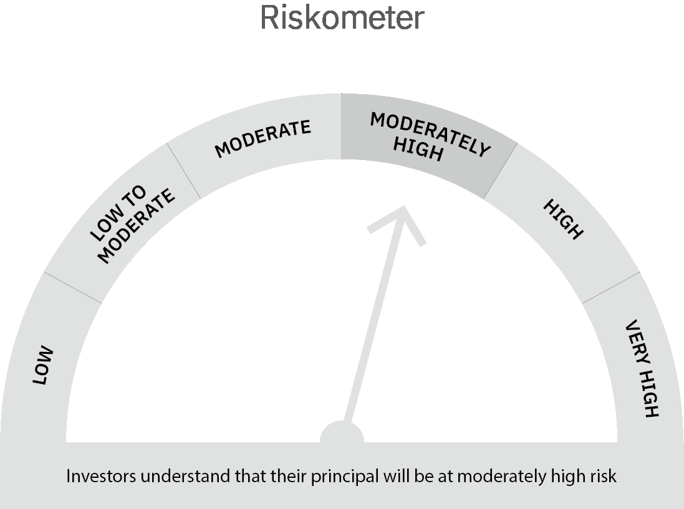

 | Scheme Risk-o-meter |  | Benchmark Risk-o-meter

 | Max Credit Risk of scheme→ Max Interest Rate Risk of the scheme ↓ | Relatively Low (Class A: CRV >=12) | Moderate (Class B : CRV >=10) | Relatively High (Class C: CRV <10)

 | Relatively Low Class I: (MD<=1 year) |  | B-I

 | Moderate Class II: (MD<=3 years)

 | Relatively High Class III: Any Macaulay duration

Liquid
 | Motilal Oswal Liquid Fund

 | Fortnightly Portfolio Statement as on March 15,2022
 | Name of the Instrument | ISIN | Rating | Quantity | Market/Fair Value(Rs. in Lacs) | % to Net Assets | YTM
 | Money Market Instruments
 | Certificate of Deposit
CANB830 | Canara Bank (05/05/2022) ** # | INE476A16SM9 | CRISIL A1+ | 2,500,000 | 2486.87 | 3.82% | 3.85%
 | Sub Total |  |  |  | 2486.87 | 3.82%
 | Treasury Bill
TBIL2000 | 91 Days Tbill (MD 21/04/2022) | IN002021X496 | SOVEREIGN | 40,000,000 | 39858.48 | 61.19% | 3.60%
TBIL2022 | 91 Days Tbill (MD 09/06/2022) | IN002021X561 | SOVEREIGN | 20,000,000 | 19826.86 | 30.44% | 3.75%
 | Sub Total |  |  |  | 59685.34 | 91.63%
 | Total |  |  |  | 62172.21 | 95.44%
 | CBLO / Reverse Repo
TRP_160322 | CBLO |  |  |  | 2689.00 | 4.13% | 3.30%
 | Sub Total |  |  |  | 2689.00 | 4.13%
 | Total |  |  |  | 2689.00 | 4.13%
 | Net Receivables / (Payables) |  |  |  | 278.74 | 0.43%
 | GRAND TOTAL |  |  |  | 65139.95 | 100.00%

 | ** Thinly Traded / Non Traded Security
 | # Unlisted Security

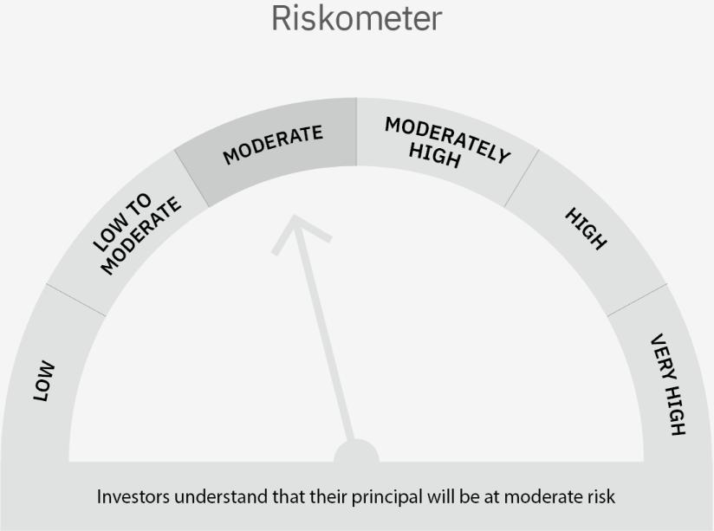

 | Scheme Risk-o-meter |  | Benchmark Risk-o-meter

 | Max Credit Risk of scheme→ Max Interest Rate Risk of the scheme ↓ | Relatively Low (Class A: CRV >=12) | Moderate (Class B : CRV >=10) | Relatively High (Class C: CRV <10)

 | Relatively Low Class I: (MD<=1 year) | A-I

 | Moderate Class II: (MD<=3 years)

 | Relatively High Class III: Any Macaulay duration

