Ultra Short Term Fund
 | Motilal Oswal Ultra Short Term Fund

 | Fortnightly Portfolio Statement as on April 30,2022
 | Name of the Instrument | ISIN | Rating | Quantity | Market/Fair Value(Rs. in Lacs) | % to Net Assets | YTM
 | Debt Instruments
 | (a) Listed / awaiting listing on Stock Exchange
GOI3600 | 7.02% State Government Securities (27/09/2022) | IN2220170111 | SOVEREIGN | 1,500,000 | 1515.12 | 19.08% | 4.43%
NBAR529 | 7.7% National Bank For Agriculture and Rural Development (13/06/2022) ** | INE261F08BL9 | CRISIL AAA | 400,000 | 401.59 | 5.06% | 4.04%
 | Sub Total |  |  |  | 1916.71 | 24.14%
 | (b) Privately placed / Unlisted |  |  |  | NIL | NIL
 | Sub Total |  |  |  | NIL | NIL
 | Total |  |  |  | 1916.71 | 24.14%
 | Money Market Instruments
 | Treasury Bill
TBIL2012 | 182 Days Tbill (MD 25/08/2022) | IN002021Y502 | SOVEREIGN | 2,500,000 | 2467.30 | 31.07% | 4.17%
TBIL1965 | 364 Days Tbill (MD 10/11/2022) | IN002021Z335 | SOVEREIGN | 2,500,000 | 2443.03 | 30.77% | 4.41%
TBIL1995 | 182 Days Tbill (MD 14/07/2022) | IN002021Y445 | SOVEREIGN | 500,000 | 496.04 | 6.25% | 3.94%
 | Sub Total |  |  |  | 5406.37 | 68.09%
 | Total |  |  |  | 5406.37 | 68.09%
 | CBLO / Reverse Repo
TRP_020522 | CBLO |  |  |  | 588.94 | 7.42% | 3.99%
 | Sub Total |  |  |  | 588.94 | 7.42%
 | Total |  |  |  | 588.94 | 7.42%
 | Net Receivables / (Payables) |  |  |  | 28.43 | 0.36%
 | GRAND TOTAL |  |  |  | 7940.44 | 100.00%

 | ** Thinly Traded / Non Traded Security

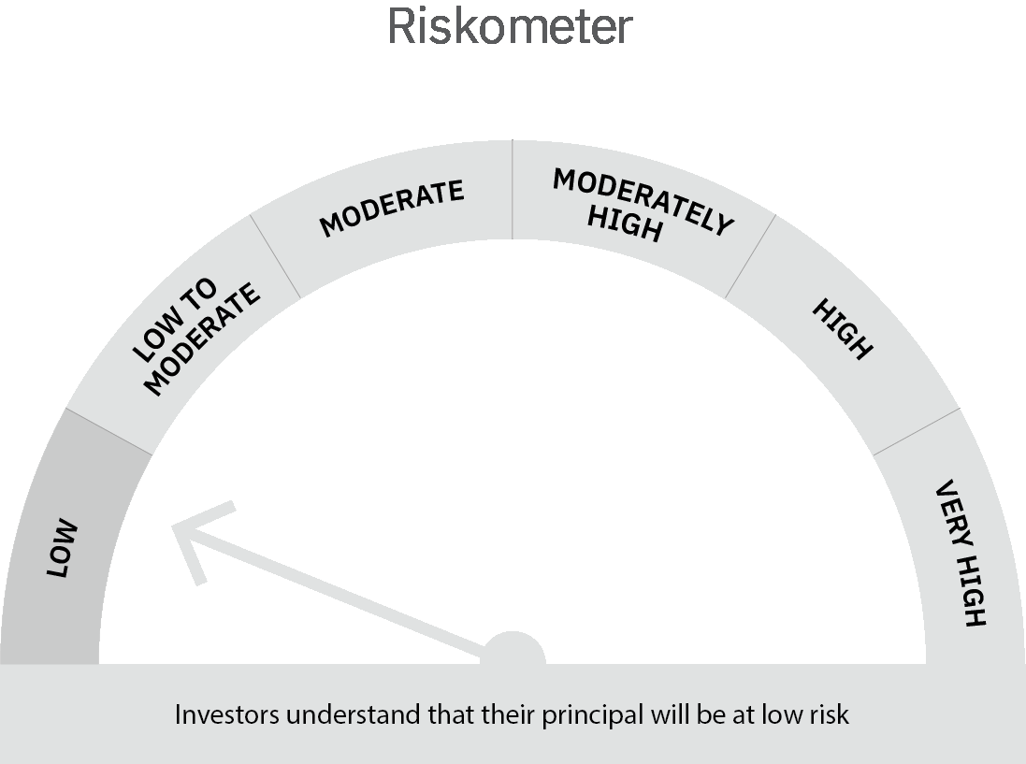
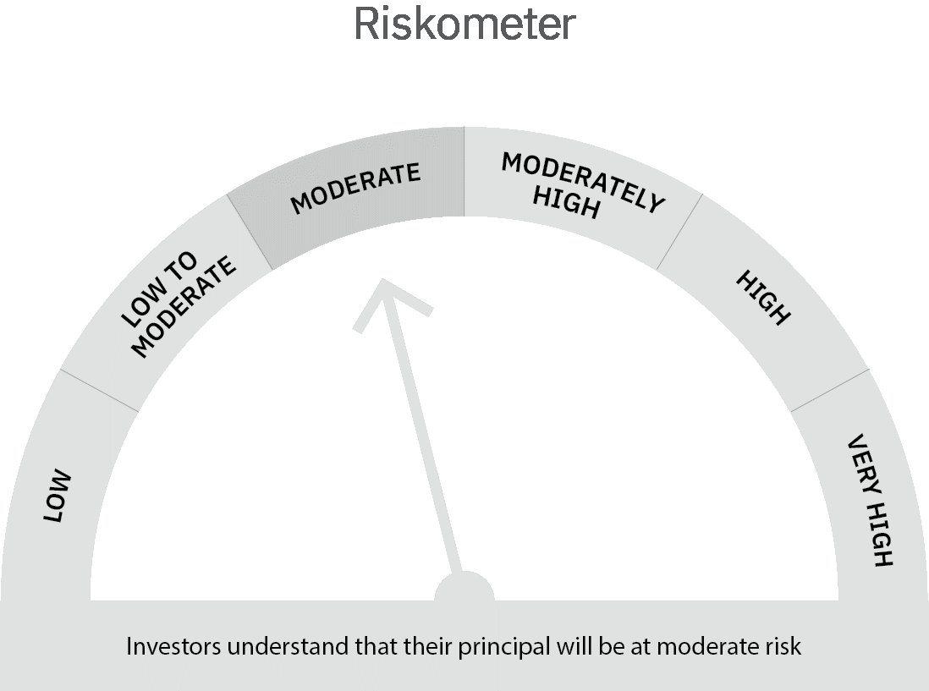

 | Scheme Risk-o-meter | Benchmark Risk-o-meter

 | Max Credit Risk of scheme→ Max Interest Rate Risk of the scheme ↓ | Relatively Low (Class A: CRV >=12) | Moderate (Class B : CRV >=10) | Relatively High (Class C: CRV <10)

 | Relatively Low Class I: (MD<=1 year) |  | B-I

 | Moderate Class II: (MD<=3 years)

 | Relatively High Class III: Any Macaulay duration

Liquid Fund
 | Motilal Oswal Liquid Fund

 | Fortnightly Portfolio Statement as on April 30,2022
 | Name of the Instrument | ISIN | Rating | Quantity | Market/Fair Value(Rs. in Lacs) | % to Net Assets | YTM
 | Money Market Instruments
 | Certificate of Deposit
CANB830 | Canara Bank (05/05/2022) # | INE476A16SM9 | CRISIL A1+ | 2,500,000 | 2498.91 | 4.04% | 4.00%
HDFB808 | HDFC Bank Limited (25/07/2022) ** # | INE040A16CW6 | CARE A1+ | 2,500,000 | 2476.33 | 4.00% | 4.11%
 | Sub Total |  |  |  | 4975.23 | 8.03%
 | Treasury Bill
TBIL2033 | 91 Days Tbill (MD 13/07/2022) | IN002022X023 | SOVEREIGN | 25,000,000 | 24804.55 | 40.05% | 3.94%
TBIL2022 | 91 Days Tbill (MD 09/06/2022) | IN002021X561 | SOVEREIGN | 20,000,000 | 19920.70 | 32.17% | 3.73%
 | Sub Total |  |  |  | 44725.25 | 72.22%
 | Total |  |  |  | 49700.48 | 80.25%
 | CBLO / Reverse Repo
TRP_020522 | CBLO |  |  |  | 11798.71 | 19.05% | 3.99%
 | Sub Total |  |  |  | 11798.71 | 19.05%
 | Total |  |  |  | 11798.71 | 19.05%
 | Net Receivables / (Payables) |  |  |  | 431.19 | 0.70%
 | GRAND TOTAL |  |  |  | 61930.38 | 100.00%

 | ** Thinly Traded / Non Traded Security
 | # Unlisted Security

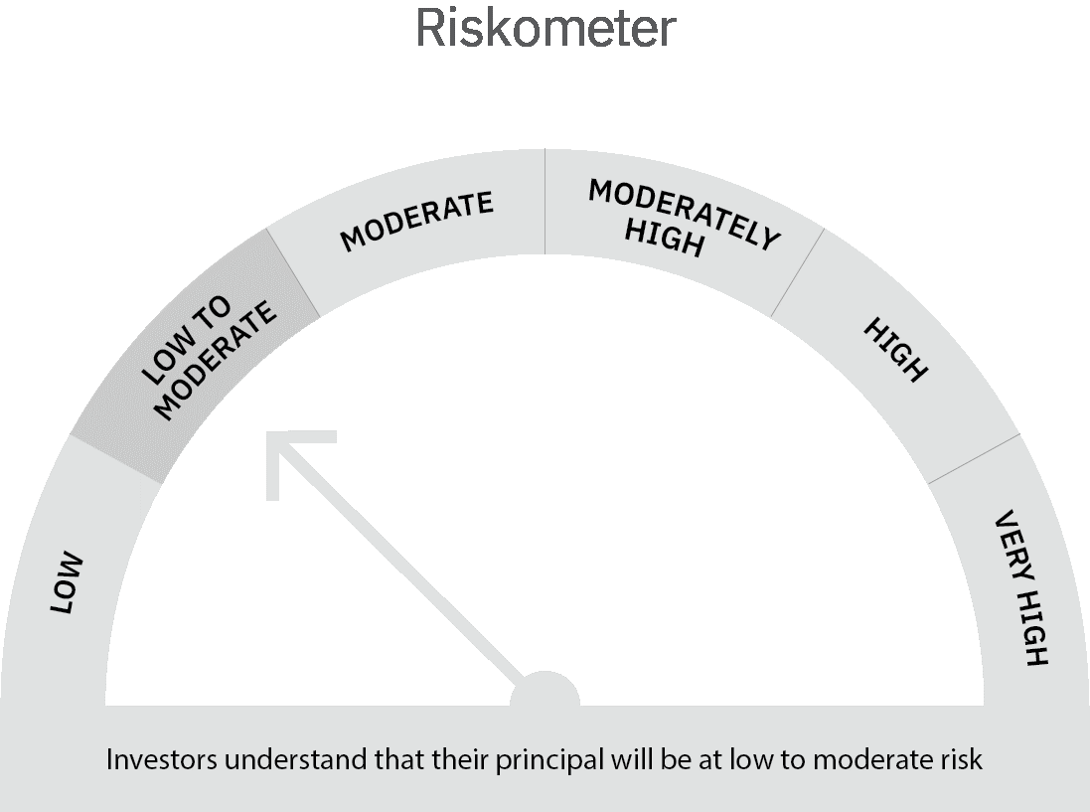

 | Scheme Risk-o-meter |  | Benchmark Risk-o-meter

 | Max Credit Risk of scheme→ Max Interest Rate Risk of the scheme ↓ | Relatively Low (Class A: CRV >=12) | Moderate (Class B : CRV >=10) | Relatively High (Class C: CRV <10)

 | Relatively Low Class I: (MD<=1 year) | A-I

 | Moderate Class II: (MD<=3 years)

 | Relatively High Class III: Any Macaulay duration

MO 5 Year G-Sec
 | Motilal Oswal 5 Year G-Sec ETF

 | Fortnightly Portfolio Statement as on April 30,2022
 | Name of the Instrument | ISIN | Rating | Quantity | Market/Fair Value(Rs. in Lacs) | % to Net Assets | YTM
 | Debt Instruments
 | (a) Listed / awaiting listing on Stock Exchange
GOI3639 | 5.74% Government of India (15/11/2026) | IN0020210186 | SOVEREIGN | 7,320,000 | 7059.82 | 96.96% | 6.66%
 | Sub Total |  |  |  | 7059.82 | 96.96%
 | (b) Privately placed / Unlisted |  |  |  | NIL | NIL
 | Sub Total |  |  |  | NIL | NIL
 | Total |  |  |  | 7059.82 | 96.96%
 | CBLO / Reverse Repo
TRP_020522 | CBLO |  |  |  | 50.99 | 0.70% | 3.99%
 | Sub Total |  |  |  | 50.99 | 0.70%
 | Total |  |  |  | 50.99 | 0.70%
 | Net Receivables / (Payables) |  |  |  | 170.71 | 2.34%
 | GRAND TOTAL |  |  |  | 7281.52 | 100.00%

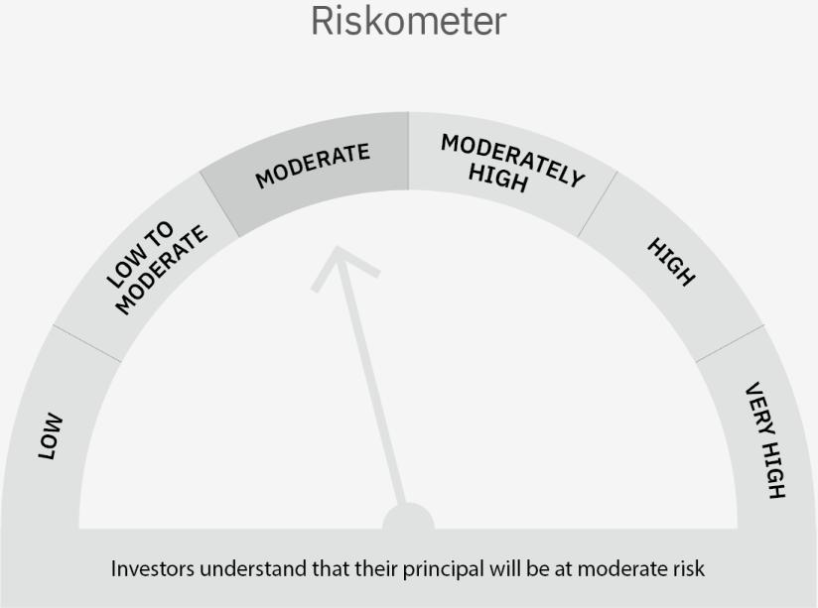

 | Scheme Risk-o-meter |  | Benchmark Risk-o-meter

 | Max Credit Risk of scheme→ Max Interest Rate Risk of the scheme ↓ | Relatively Low (Class A: CRV >=12) | Moderate (Class B : CRV >=10) | Relatively High (Class C: CRV <10)

 | Relatively Low Class I: (MD<=1 year)

 | Moderate Class II: (MD<=3 years)

 | Relatively High Class III: Any Macaulay duration | A-III

