YO06
 | Motilal Oswal Ultra Short Term Fund

 | Fortnightly Portfolio Statement as on November 15,2022
 |  | ISIN | Rating | Quantity | Market/Fair Value (Rs. in Lacs) | % to Net Assets | YTM
 | Money Market Instruments
 | Treasury Bill
TBIL2094 | 182 Days Tbill (MD 02/03/2023) | IN002022Y229 | SOVEREIGN | 2,500,000 | 2,453.37 | 27.45% | 6.55%
TBIL2087 | 364 Days Tbill (MD 17/08/2023) | IN002022Z200 | SOVEREIGN | 2,500,000 | 2,378.33 | 26.61% | 6.82%
TBIL2071 | 182 Days Tbill (MD 05/01/2023) | IN002022Y146 | SOVEREIGN | 2,000,000 | 1,982.75 | 22.19% | 6.35%
 | Sub Total |  |  |  | 6,814.45 | 76.25%
 | Total |  |  |  | 6,814.45 | 76.25%
 | TREPS / Reverse REPO
TRP_161122 | TREPS |  |  |  | 2,061.00 | 23.06% | 5.69%
 | Sub Total |  |  |  | 2,061.00 | 23.06%
 | Total |  |  |  | 2,061.00 | 23.06%
 | Net Receivables / (Payables) |  |  |  | 61.36 | 0.69%
 | GRAND TOTAL |  |  |  | 8,936.81 | 100.00%

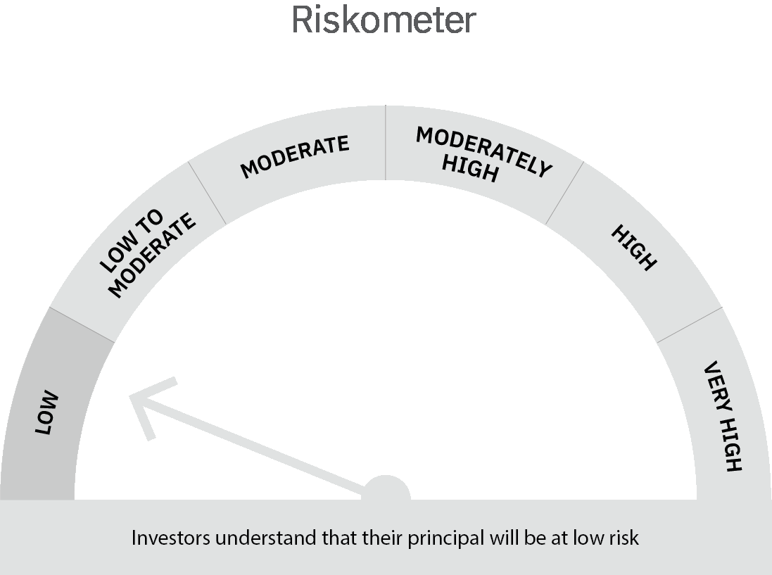
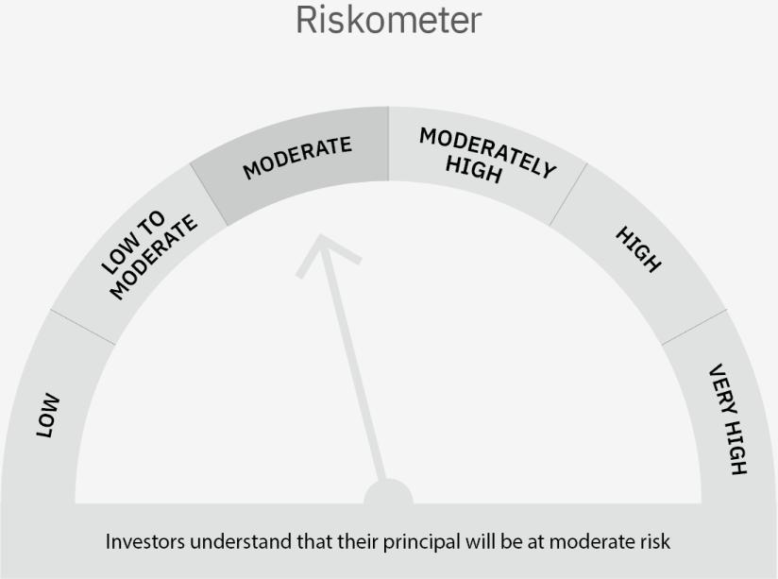

 | Scheme Risk-o-meter |  | Benchmark Risk-o-meter

 | Max Credit Risk of scheme→ Max Interest Rate Risk of the scheme ↓ | Relatively Low (Class A: CRV >=12) | Moderate (Class B : CRV >=10) | Relatively High (Class C: CRV <10)

 | Relatively Low Class I: (MD<=1 year) |  | B-I

 | Moderate Class II: (MD<=3 years)

 | Relatively High Class III: Any Macaulay duration

YO15
 | Motilal Oswal Liquid Fund

 | Fortnightly Portfolio Statement as on November 15,2022
 | Name of the Instrument | ISIN | Rating | Quantity | Market/Fair Value (Rs. in Lacs) | % to Net Assets | YTM
 | Money Market Instruments
 | Certificate of Deposit
UTIB1223 | Axis Bank Limited (09/12/2022) ** # | INE238A166X7 | CRISIL A1+ | 2,500,000 | 2,490.12 | 5.37% | 6.30%
CANB851 | Canara Bank (09/12/2022) ** # | INE476A16TH7 | CRISIL A1+ | 2,500,000 | 2,490.09 | 5.37% | 6.31%
IIBL928 | IndusInd Bank Limited (09/12/2022) ** # | INE095A16O03 | CRISIL A1+ | 2,500,000 | 2,489.84 | 5.37% | 6.47%
KMBK802 | Kotak Mahindra Bank Limited (23/12/2022) ** # | INE237A160P7 | CRISIL A1+ | 2,500,000 | 2,483.89 | 5.36% | 6.40%
INBK374 | Indian Bank (03/01/2023) # | INE562A16KR2 | CRISIL A1+ | 2,500,000 | 2,477.69 | 5.34% | 6.85%
BKBA360 | Bank of Baroda (10/02/2023) ** # | INE028A16CX9 | FITCH A1+ | 2,500,000 | 2,460.21 | 5.31% | 6.87%
 | Sub Total |  |  |  | 14,891.84 | 32.12%
 | Treasury Bill
TBIL2118 | 91 Days Tbill (MD 27/01/2023) | IN002022X304 | SOVEREIGN | 25,500,000 | 25,185.28 | 54.33% | 6.34%
 | Sub Total |  |  |  | 25,185.28 | 54.33%
 | Total |  |  |  | 40,077.12 | 86.45%
 | TREPS / Reverse REPO
TRP_161122 | TREPS |  |  |  | 5,834.00 | 12.59% | 5.69%
 | Sub Total |  |  |  | 5,834.00 | 12.59%
 | Total |  |  |  | 5,834.00 | 12.59%
 | Net Receivables / (Payables) |  |  |  | 445.25 | 0.96%
 | GRAND TOTAL |  |  |  | 46,356.37 | 100.00%

 | ** Thinly Traded / Non Traded Security
 | # Unlisted Security

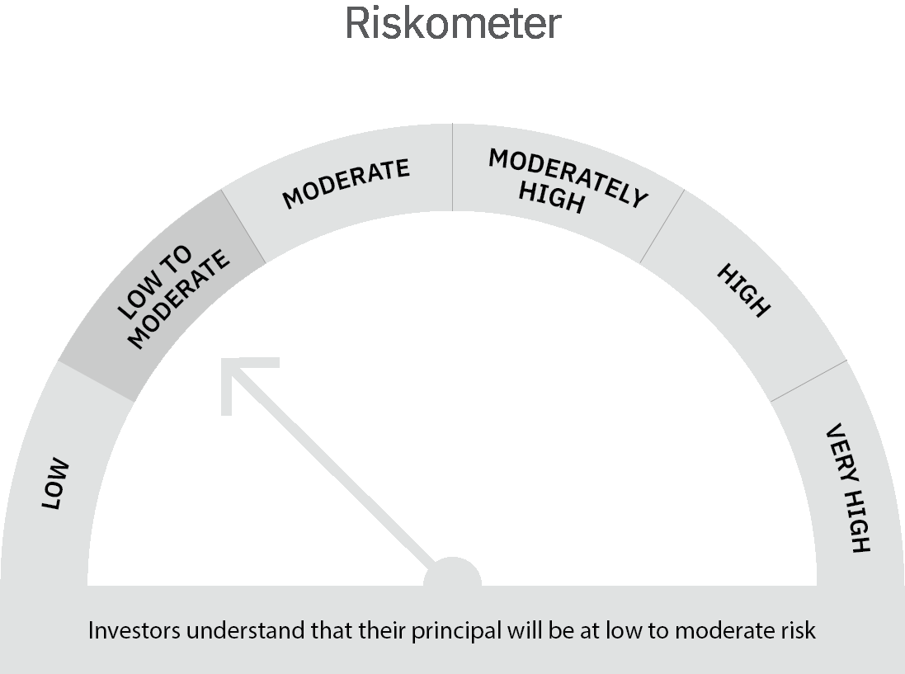

 | Scheme Risk-o-meter |  | Benchmark Risk-o-meter

 | Max Credit Risk of scheme→ Max Interest Rate Risk of the scheme ↓ | Relatively Low (Class A: CRV >=12) | Moderate (Class B : CRV >=10) | Relatively High (Class C: CRV <10)

 | Relatively Low Class I: (MD<=1 year) | A-I

 | Moderate Class II: (MD<=3 years)

 | Relatively High Class III: Any Macaulay duration

