YO01
 | Motilal Oswal Nifty 50 ETF
 | Portfolio as on September 30, 2022

Sr. No. | Name of Instrument |  | ISIN | Rating / Industry | Quantity | Market value (Rs. In lakhs) | % to Net Assets | Sector / Rating | Percent
 | Equity & Equity related |  |  |  |  |  |  | Banks | 26.03%
 | (a) Listed / awaiting listing on Stock Exchanges |  |  |  |  |  |  | IT - Software | 13.84%
1 | Reliance Industries Limited |  | INE002A01018 | Petroleum Products | 13898 | 330.46 | 10.85% | Petroleum Products | 11.24%
2 | HDFC Bank Limited |  | INE040A01034 | Banks | 17725 | 251.93 | 8.27% | Finance | 9.42%
3 | ICICI Bank Limited |  | INE090A01021 | Banks | 28066 | 241.93 | 7.94% | Diversified FMCG | 7.05%
4 | Infosys Limited |  | INE009A01021 | IT - Software | 14746 | 208.43 | 6.84% | Automobiles | 5.83%
5 | Housing Development Finance Corporation Limited |  | INE001A01036 | Finance | 7305 | 167.12 | 5.49% | Pharmaceuticals & Biotechnology | 3.47%
6 | Tata Consultancy Services Limited |  | INE467B01029 | IT - Software | 4127 | 124.00 | 4.07% | Consumer Durables | 3.43%
7 | ITC Limited |  | INE154A01025 | Diversified FMCG | 35461 | 117.80 | 3.87% | Construction | 2.95%
8 | Kotak Mahindra Bank Limited |  | INE237A01028 | Banks | 5919 | 107.68 | 3.54% | Telecom - Services | 2.59%
9 | Hindustan Unilever Limited |  | INE030A01027 | Diversified FMCG | 3596 | 96.96 | 3.18% | Power | 1.96%
10 | Larsen & Toubro Limited |  | INE018A01030 | Construction | 4868 | 89.95 | 2.95% | Ferrous Metals | 1.85%
11 | State Bank of India |  | INE062A01020 | Banks | 15458 | 82.02 | 2.69% | Cement & Cement Products | 1.79%
12 | Bharti Airtel Limited |  | INE397D01024 | Telecom - Services | 9860 | 78.87 | 2.59% | Food Products | 1.50%
13 | Bajaj Finance Limited |  | INE296A01024 | Finance | 1073 | 78.71 | 2.58% | Insurance | 1.41%
14 | Axis Bank Limited |  | INE238A01034 | Banks | 10642 | 78.03 | 2.56% | Metals & Minerals Trading | 1.25%
15 | Asian Paints Limited |  | INE021A01026 | Consumer Durables | 1816 | 60.70 | 1.99% | Transport Infrastructure | 0.78%
16 | Mahindra & Mahindra Limited |  | INE101A01026 | Automobiles | 3856 | 48.90 | 1.61% | Non - Ferrous Metals | 0.75%
17 | Maruti Suzuki India Limited |  | INE585B01010 | Automobiles | 535 | 47.23 | 1.55% | Oil | 0.65%
18 | Titan Company Limited |  | INE280A01028 | Consumer Durables | 1681 | 43.82 | 1.44% | Agricultural Food & other Products | 0.64%
19 | Sun Pharmaceutical Industries Limited |  | INE044A01036 | Pharmaceuticals & Biotechnology | 4349 | 41.26 | 1.35% | Healthcare Services | 0.59%
20 | Bajaj Finserv Limited |  | INE918I01026 | Finance | 2438 | 40.92 | 1.34% | Consumable Fuels | 0.59%
21 | HCL Technologies Limited |  | INE860A01027 | IT - Software | 4263 | 39.75 | 1.31% | Fertilizers & Agrochemicals | 0.47%
22 | Adani Enterprises Limited |  | INE423A01024 | Metals & Minerals Trading | 1102 | 38.08 | 1.25% | Cash & Equivalent | -0.09%
23 | Tata Steel Limited |  | INE081A01020 | Ferrous Metals | 32491 | 32.26 | 1.06%
24 | IndusInd Bank Limited |  | INE095A01012 | Banks | 2623 | 31.09 | 1.02%
25 | NTPC Limited |  | INE733E01010 | Power | 19139 | 30.56 | 1.00%
26 | Tata Motors Limited |  | INE155A01022 | Automobiles | 7224 | 29.23 | 0.96%
27 | Power Grid Corporation of India Limited |  | INE752E01010 | Power | 13768 | 29.22 | 0.96%
28 | UltraTech Cement Limited |  | INE481G01011 | Cement & Cement Products | 465 | 29.09 | 0.96%
29 | Nestle India Limited |  | INE239A01016 | Food Products | 144 | 27.57 | 0.91%
30 | Tech Mahindra Limited |  | INE669C01036 | IT - Software | 2548 | 25.70 | 0.84%
31 | Grasim Industries Limited |  | INE047A01021 | Cement & Cement Products | 1512 | 25.32 | 0.83%
32 | Cipla Limited |  | INE059A01026 | Pharmaceuticals & Biotechnology | 2178 | 24.28 | 0.80%
33 | JSW Steel Limited |  | INE019A01038 | Ferrous Metals | 3797 | 23.98 | 0.79%
34 | Adani Ports and Special Economic Zone Limited |  | INE742F01042 | Transport Infrastructure | 2893 | 23.74 | 0.78%
35 | Wipro Limited |  | INE075A01022 | IT - Software | 5966 | 23.52 | 0.77%
36 | Hindalco Industries Limited |  | INE038A01020 | Non - Ferrous Metals | 5884 | 22.98 | 0.75%
37 | SBI Life Insurance Company Limited |  | INE123W01016 | Insurance | 1814 | 22.68 | 0.74%
38 | Dr. Reddy's Laboratories Limited |  | INE089A01023 | Pharmaceuticals & Biotechnology | 489 | 21.20 | 0.70%
39 | Eicher Motors Limited |  | INE066A01021 | Automobiles | 562 | 20.63 | 0.68%
40 | HDFC Life Insurance Company Limited |  | INE795G01014 | Insurance | 3809 | 20.20 | 0.66%
41 | Oil & Natural Gas Corporation Limited |  | INE213A01029 | Oil | 15709 | 19.92 | 0.65%
42 | Tata Consumer Products Limited |  | INE192A01025 | Agricultural Food & other Products | 2413 | 19.37 | 0.64%
43 | Divi's Laboratories Limited |  | INE361B01024 | Pharmaceuticals & Biotechnology | 513 | 19.01 | 0.62%
44 | Britannia Industries Limited |  | INE216A01030 | Food Products | 475 | 18.25 | 0.60%
45 | Bajaj Auto Limited |  | INE917I01010 | Automobiles | 516 | 18.20 | 0.60%
46 | Apollo Hospitals Enterprise Limited |  | INE437A01024 | Healthcare Services | 411 | 18.02 | 0.59%
47 | Coal India Limited |  | INE522F01014 | Consumable Fuels | 8440 | 17.91 | 0.59%
48 | UPL Limited |  | INE628A01036 | Fertilizers & Agrochemicals | 2147 | 14.43 | 0.47%
49 | Hero MotoCorp Limited |  | INE158A01026 | Automobiles | 523 | 13.33 | 0.44%
50 | Bharat Petroleum Corporation Limited |  | INE029A01011 | Petroleum Products | 3845 | 11.72 | 0.38%
 | Total |  |  |  |  | 3,047.96 | 100.09%
 | (b) Unlisted
1 | Yes Bank Limited |  |  | Banks | 10040 | 0.00 | 0.00%
 | Total |  |  |  |  | 0.00 | 0.00%
 | Cash & Cash Equivalents
 | Net Receivables / (Payables) |  |  |  |  | (2.61) | -0.09%
 | GRAND TOTAL |  |  |  |  | 3,045.35 | 100.00%

 | Total Expense Ratio
 | Total Expense Ratio
 | Regular Plan : | 0.05%

 | NAV | Regular Growth |  | 171.5993

 | Monthly AAUM in Crores |  |  | 31.27

 | Latest AUM (30 SEPTEMBER 2022) in Crores |  |  | 30.45

 | Portfolio Turnover Ratio |  |  | 0.03

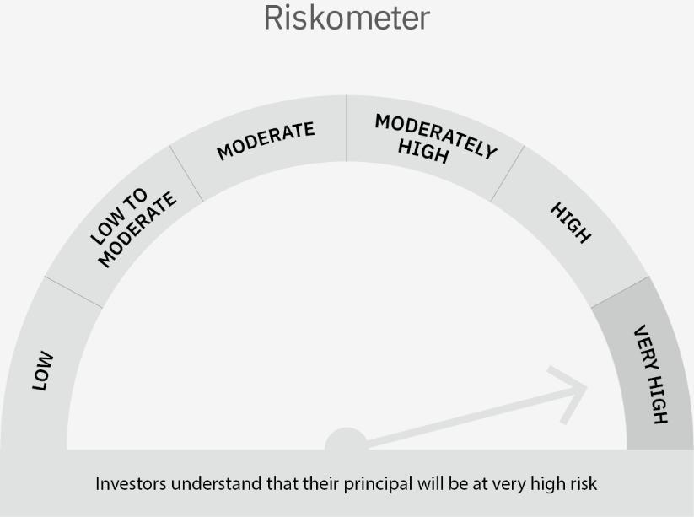

 | Scheme Risk-o-meter |  | Benchmark Risk-o-meter

YO10
 | Motilal Oswal Dynamic Fund
 | Portfolio as on September 30, 2022

Sr. No. | Name of Instrument |  | ISIN | Rating / Industry | Quantity | Market value (Rs. In lakhs) | % to Net Assets | Sector / Rating | Percent
 | Equity & Equity related |  |  |  |  |  |  | Finance | 17.80%
 | (a) Listed / awaiting listing on Stock Exchanges |  |  |  |  |  |  | Banks | 9.48%
1 | Religare Enterprises Limited |  | INE621H01010 | Finance | 4145601 | 6,933.52 | 8.53% | Auto Components | 7.18%
2 | LIC Housing Finance Limited |  | INE115A01026 | Finance | 740000 | 3,062.49 | 3.77% | REIT | 7.12%
3 | ZF Commercial Vehicle Control Systems India Limited |  | INE342J01019 | Auto Components | 30233 | 3,006.75 | 3.70% | Insurance | 6.27%
4 | SBI Cards and Payment Services Limited |  | INE018E01016 | Finance | 318010 | 2,905.02 | 3.57% | SOVEREIGN | 6.10%
5 | Samvardhana Motherson International Limited |  | INE775A01035 | Auto Components | 2600000 | 2,834.00 | 3.48% | IT - Software | 5.15%
6 | State Bank of India |  | INE062A01020 | Banks | 521000 | 2,764.43 | 3.40% | ICRA AA+ | 4.16%
7 | Larsen & Toubro Limited |  | INE018A01030 | Construction | 147125 | 2,718.43 | 3.34% | Construction | 3.34%
8 | Star Health And Allied Insurance Company Limited |  | INE575P01011 | Insurance | 364161 | 2,571.89 | 3.16% | Realty | 3.15%
9 | Indiabulls Real Estate Limited |  | INE069I01010 | Realty | 3296280 | 2,562.86 | 3.15% | Retailing | 2.99%
10 | SBI Life Insurance Company Limited |  | INE123W01016 | Insurance | 202285 | 2,529.47 | 3.11% | CRISIL AAA | 2.99%
11 | IDFC First Bank Limited |  | INE092T01019 | Banks | 5000000 | 2,492.50 | 3.06% | IT - Services | 2.96%
12 | Zomato Limited |  | INE758T01015 | Retailing | 3900000 | 2,431.65 | 2.99% | Aerospace & Defense | 2.53%
13 | eMudhra Limited |  | INE01QM01018 | IT - Services | 739600 | 2,403.70 | 2.96% | InvIT | 2.46%
14 | Larsen & Toubro Infotech Limited |  | INE214T01019 | IT - Software | 50000 | 2,228.93 | 2.74% | CRISIL AA+ | 2.41%
15 | MTAR Technologies Limited |  | INE864I01014 | Aerospace & Defense | 129683 | 2,053.79 | 2.53% | Pharmaceuticals & Biotechnology | 2.19%
16 | Dr. Reddy's Laboratories Limited |  | INE089A01023 | Pharmaceuticals & Biotechnology | 41000 | 1,777.64 | 2.19% | Petroleum Products | 1.97%
17 | Fino Payments Bank Limited |  | INE02NC01014 | Banks | 720718 | 1,624.14 | 2.00% | Consumer Durables | 1.60%
18 | Reliance Industries Limited |  | INE002A01018 | Petroleum Products | 67359 | 1,601.63 | 1.97% | Entertainment | 1.49%
19 | Muthoot Finance Limited |  | INE414G01012 | Finance | 150000 | 1,560.08 | 1.92% | Automobiles | 1.16%
20 | Titan Company Limited |  | INE280A01028 | Consumer Durables | 50000 | 1,303.48 | 1.60% | Cash & Equivalent | 5.50%
21 | Nazara Technologies Limited |  | INE418L01021 | Entertainment | 185586 | 1,212.53 | 1.49%
22 | Infosys Limited |  | INE009A01021 | IT - Software | 77927 | 1,101.46 | 1.35%
23 | Maruti Suzuki India Limited |  | INE585B01010 | Automobiles | 10645 | 939.76 | 1.16%
24 | Tata Consultancy Services Limited |  | INE467B01029 | IT - Software | 28506 | 856.48 | 1.05%
25 | HDFC Bank Limited |  | INE040A01034 | Banks | 58000 | 824.38 | 1.01%
26 | Housing Development Finance Corporation Limited |  | INE001A01036 | Finance | 800 | 18.30 | 0.02%
27 | ICICI Bank Limited |  | INE090A01021 | Banks | 625 | 5.39 | 0.01%
 | Total |  |  |  |  | 56,324.70 | 69.26%
 | (b) Unlisted
 | Total
 | Derivatives
 | Index / Stock Futures
1 | Nifty 50 Index October 2022 Future |  |  |  | (-57500) | (9,834.34) | -12.09%
 | Total |  |  |  |  | (9,834.34) | -12.09%
 | Debt Instruments
 | (a) Listed / awaiting listing on Stock Exchange
1 | Muthoot Finance Limited |  | INE414G07GF5 | ICRA AA+ | 3500000 | 3,386.90 | 4.16%
2 | HDB Financial Services Limited |  | INE756I07DO4 | CRISIL AAA | 2500000 | 2,424.20 | 2.98%
3 | Shriram Transport Finance Company Limited |  | INE721A07QS8 | CRISIL AA+ | 2000000 | 1,961.01 | 2.41%
4 | Britannia Industries Limited |  | INE216A08027 | CRISIL AAA | 17256 | 4.85 | 0.01%
 | Total |  |  |  |  | 7,776.96 | 9.56%
 | (b) Privately placed / Unlisted
 | Total
 | InvIT
1 | India Grid Trust InvIT Fund |  | INE219X23014 |  | 1398863 | 2,000.23 | 2.46%
 | Total |  |  |  |  | 2,000.23 | 2.46%
 | REIT
1 | Brookfield India Real Estate Trust |  | INE0FDU25010 |  | 913490 | 2,967.02 | 3.65%
2 | Embassy Office Parks REIT |  | INE041025011 |  | 815170 | 2,819.18 | 3.47%
 | Total |  |  |  |  | 5,786.20 | 7.12%
 | Money Market Instruments
 | Treasury Bill/Cash Management Bill
1 | 364 Days Tbill (MD 17/11/2022) |  | IN002021Z343 | SOVEREIGN | 5000000 | 4,962.08 | 6.10%
 | Total |  |  |  |  | 4,962.08 | 6.10%
 | CBLO/REPO/TREPS
1 | Collateralized Borrowing & Lending Obligation |  |  |  | 1439000 | 1,438.52 | 1.77%
 | Total |  |  |  |  | 1,438.52 | 1.77%
 | Cash & Cash Equivalents
 | Net Receivables / (Payables) |  |  |  |  | 12,869.47 | 15.83%
 | GRAND TOTAL |  |  |  |  | 81,323.82 | 100.00%

 | Total Expense Ratio
 | Total Expense Ratio
 | Direct Plan : | 1.13%
 | Regular Plan : | 2.33%

 | NAV | Plan A IDCW |  | 13.1988
 | NAV | Direct Annual IDCW |  | 13.5908
 | NAV | Direct Growth |  | 16.6120
 | NAV | Direct Quarterly IDCW |  | 11.7871
 | NAV | Regular Growth |  | 15.4824
 | NAV | Regular Quarterly IDCW |  | 11.4278

 | Monthly AAUM in Crores |  |  | 830.76

 | Latest AUM (30 SEPTEMBER 2022) in Crores |  |  | 813.24

 | Portfolio Turnover Ratio |  |  | 3.23

 | Quarterly Dividend (Direct Plan)
 | Record Date Dividend Option | Dividend per Unit (Rs.) | Cum Dividend NAV | EX Dividend NAV
 | 28-Jul-22 | 0.170000 | 11.5506 | 11.3806
 | 4-May-22 | 0.170000 | 11.4419 | 11.2719
 | 27-Jan-22 | 0.400000 | 12.4007 | 12.0007

 | Quarterly Dividend (Regular Plan)
 | Record Date Dividend Option | Dividend per Unit (Rs.) | Cum Dividend NAV | EX Dividend NAV
 | 28-Jul-22 | 0.160000 | 11.2170 | 11.0570
 | 4-May-22 | 0.170000 | 11.1492 | 10.9792
 | 27-Jan-22 | 0.400000 | 12.1350 | 11.7350

 | Annual Dividend ( Direct Plan)
 | Record Date Dividend Option | Dividend per Unit (Rs.) | Cum Dividend NAV | EX Dividend NAV
 | 29-Mar-22 | 0.8100 | 13.7893 | 12.9793
 | 26-Mar-21 | 0.7500 | 14.0402 | 13.2902
 | 23-Mar-20 | 0.3185 | 10.3185 | 10.0000

 | Annual Dividend ( Regular Plan)
 | Record Date Dividend Option | Dividend per Unit (Rs.) | Cum Dividend NAV | EX Dividend NAV
 | 29-Mar-22 | 0.8000 | 13.4878 | 12.6878
 | 26-Mar-21 | 0.5000 | 13.6668 | 13.1668
 | 28-Mar-19 | 0.3000 | 11.8144 | 11.5144

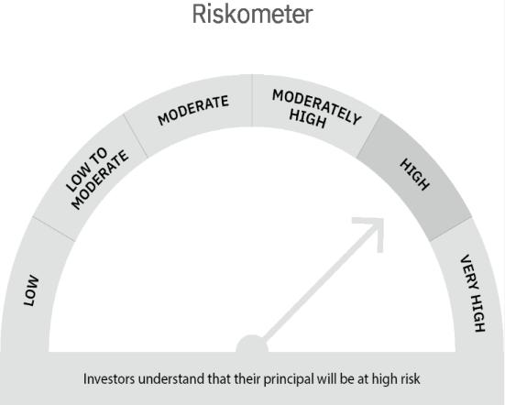

 | Scheme Risk-o-meter |  | Benchmark Risk-o-meter

YO24
 | MOTILAL OSWAL MULTI ASSET FUND
 | Portfolio as on September 30, 2022

Sr. No. | Name of Instrument |  | ISIN | Rating / Industry | Quantity | Market value (Rs. In lakhs) | % to Net Assets | Sector / Rating | Percent
 | Equity & Equity related |  |  |  |  |  |  | CRISIL AAA | 16.19%
 | (a) Listed / awaiting listing on Stock Exchanges |  |  |  |  |  |  | INVESTMENT FUNDS/MUTUAL FUNDS | 13.39%
1 | Religare Enterprises Limited |  | INE621H01010 | Finance | 350000 | 585.38 | 3.87% | Exchange Traded Funds | 12.41%
2 | SBI Life Insurance Company Limited |  | INE123W01016 | Insurance | 18814 | 235.26 | 1.55% | CRISIL AA+ | 6.50%
3 | SBI Cards and Payment Services Limited |  | INE018E01016 | Finance | 25000 | 228.38 | 1.51% | Finance | 5.37%
4 | Samvardhana Motherson International Limited |  | INE775A01035 | Auto Components | 205000 | 223.45 | 1.48% | Banks | 3.17%
5 | ICICI Bank Limited |  | INE090A01021 | Banks | 21722 | 187.24 | 1.24% | IT - Software | 2.89%
6 | Infosys Limited |  | INE009A01021 | IT - Software | 11794 | 166.70 | 1.10% | Auto Components | 2.78%
7 | eMudhra Limited |  | INE01QM01018 | IT - Services | 50000 | 162.50 | 1.07% | Insurance | 2.35%
8 | Fino Payments Bank Limited |  | INE02NC01014 | Banks | 71223 | 160.50 | 1.06% | IT - Services | 1.07%
9 | ZF Commercial Vehicle Control Systems India Limited |  | INE342J01019 | Auto Components | 1500 | 149.18 | 0.99% | Pharmaceuticals & Biotechnology | 0.86%
10 | Tata Consultancy Services Limited |  | INE467B01029 | IT - Software | 4551 | 136.74 | 0.90% | Cement & Cement Products | 0.72%
11 | Larsen & Toubro Infotech Limited |  | INE214T01019 | IT - Software | 3000 | 133.74 | 0.88% | Construction | 0.61%
12 | State Bank of India |  | INE062A01020 | Banks | 24800 | 131.59 | 0.87% | Automobiles | 0.55%
13 | Dr. Reddy's Laboratories Limited |  | INE089A01023 | Pharmaceuticals & Biotechnology | 3000 | 130.07 | 0.86% | Industrial Manufacturing | 0.27%
14 | UltraTech Cement Limited |  | INE481G01011 | Cement & Cement Products | 1695 | 106.02 | 0.70% | Realty | 0.03%
15 | Larsen & Toubro Limited |  | INE018A01030 | Construction | 5000 | 92.39 | 0.61% | Cash & Equivalent | 30.84%
16 | Maruti Suzuki India Limited |  | INE585B01010 | Automobiles | 948 | 83.69 | 0.55%
17 | Star Health And Allied Insurance Company Limited |  | INE575P01011 | Insurance | 10216 | 72.15 | 0.48%
18 | ICICI Lombard General Insurance Company Limited |  | INE765G01017 | Insurance | 4275 | 49.21 | 0.32%
19 | Motherson Sumi Wiring India Limited |  | INE0FS801015 | Auto Components | 55000 | 48.13 | 0.32%
20 | Honeywell Automation India Limited |  | INE671A01010 | Industrial Manufacturing | 103 | 41.20 | 0.27%
21 | Indiabulls Real Estate Limited |  | INE069I01010 | Realty | 6000 | 4.67 | 0.03%
22 | Shree Cement Limited |  | INE070A01015 | Cement & Cement Products | 11 | 2.31 | 0.02%
 | Total |  |  |  |  | 3,130.50 | 20.67%
 | (b) Unlisted
 | Total
 | Debt Instruments
 | (a) Listed / awaiting listing on Stock Exchange
1 | REC Limited |  | INE020B08DC3 | CRISIL AAA | 1000000 | 986.17 | 6.51%
2 | HDB Financial Services Limited |  | INE756I07DO4 | CRISIL AAA | 1000000 | 969.68 | 6.40%
3 | Power Finance Corporation Limited |  | INE134E08LR7 | CRISIL AAA | 500000 | 496.22 | 3.28%
4 | Muthoot Finance Limited |  | INE414G07GS8 | CRISIL AA+ | 500000 | 494.79 | 3.27%
5 | Shriram Transport Finance Company Limited |  | INE721A07QS8 | CRISIL AA+ | 500000 | 490.25 | 3.24%
 | Total |  |  |  |  | 3,437.11 | 22.70%
 | (b) Privately placed / Unlisted
 | Total
 | Exchange Traded Funds
1 | ICICI Prudential Gold ETF |  | INF109KC1NT3 |  | 4242391.000 | 1,879.38 | 12.41%
 | Total |  |  |  |  | 1,879.38 | 12.41%
 | Money Market Instruments
 | CBLO/REPO/TREPS
1 | Collateralized Borrowing & Lending Obligation |  |  |  | 4673000 | 4,671.46 | 30.85%
 | Total |  |  |  |  | 4,671.46 | 30.85%
 | Others
 | Mutual Fund Units
1 | Motilal Oswal S&P 500 Index Fund DirectPlan Growth |  | INF247L01AG2 |  | 15017455.994 | 2,027.31 | 13.39%
 | Total |  |  |  |  | 2,027.31 | 13.39%
 | Cash & Cash Equivalents
 | Net Receivables / (Payables) |  |  |  |  | (1.10) | -0.01%
 | GRAND TOTAL |  |  |  |  | 15,144.66 | 100.00%

 | Total Expense Ratio
 | Total Expense Ratio
 | Regular Plan : | 1.93%
 | Direct Plan : | 0.84%

 | NAV | Direct Growth |  | 10.9117
 | NAV | Regular Growth |  | 10.5867

 | Monthly AAUM in Crores |  |  | 156.13

 | Latest AUM (30 SEPTEMBER 2022) in Crores |  |  | 151.45

 | Portfolio Turnover Ratio |  |  | 0.54

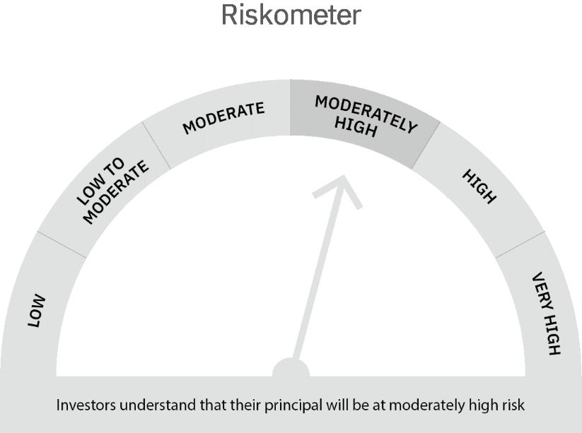

 | Scheme Risk-o-meter |  | Benchmark Risk-o-meter

YO06
 | Motilal Oswal Ultra Short Term Fund
 | Portfolio as on September 30, 2022

Sr. No. | Name of Instrument |  | ISIN | Rating / Industry | Quantity | Market value (Rs. In lakhs) | % to Net Assets | Sector / Rating | Percent
 | Money Market Instruments |  |  |  |  |  |  | SOVEREIGN | 68.84%
 | Treasury Bill/Cash Management Bill |  |  |  |  |  |  | Cash & Equivalent | 31.16%
1 | 182 Days Tbill (MD 02/03/2023) |  | IN002022Y229 | SOVEREIGN | 2500000 | 2,434.56 | 24.78%
2 | 364 Days Tbill (MD 17/08/2023) |  | IN002022Z200 | SOVEREIGN | 2500000 | 2,362.08 | 24.04%
3 | 182 Days Tbill (MD 05/01/2023) |  | IN002022Y146 | SOVEREIGN | 2000000 | 1,968.44 | 20.03%
 | Total |  |  |  |  | 6,765.08 | 68.84%
 | CBLO/REPO/TREPS
1 | Collateralized Borrowing & Lending Obligation |  |  |  | 2996000 | 2,995.01 | 30.48%
 | Total |  |  |  |  | 2,995.01 | 30.48%
 | Cash & Cash Equivalents
 | Net Receivables / (Payables) |  |  |  |  | 66.49 | 0.68%
 | GRAND TOTAL |  |  |  |  | 9,826.58 | 100.00%

 | Total Expense Ratio
 | Total Expense Ratio
 | Direct Plan : | 0.58%
 | Regular Plan : | 1.07%

 | NAV | Direct IDCW |  | 10.3504
 | NAV | Regular Daily IDCW |  | 10.2371
 | NAV | Direct Fortnightly IDCW |  | 10.3763
 | NAV | Direct Growth |  | 14.6661
 | NAV | Direct Monthly IDCW |  | 10.3575
 | NAV | Direct Quarterly IDCW |  | 10.5078
 | NAV | Direct Weekly IDCW |  | 10.3626
 | NAV | Regular Fortnightly IDCW |  | 10.2498
 | NAV | Regular Growth |  | 14.0996
 | NAV | Regular Monthly IDCW |  | 10.2389
 | NAV | Regular Quarterly IDCW |  | 10.3865
 | NAV | Regular Weekly IDCW |  | 10.2421

 | Monthly AAUM in Crores |  |  | 81.30

 | Latest AUM (30 SEPTEMBER 2022) in Crores |  |  | 98.27

 | Portfolio Turnover Ratio |  |  | 1.48

 | Dividend History
 | Quarterly Dividend (Direct Plan)
 | Record Date Dividend Option | Dividend per Unit (Rs.) | Cum Dividend NAV | EX Dividend NAV
 | 29-Jun-18 | 0.162900 | 10.1885 | 10.0256
 | 3-Apr-18 | 0.157100 | 10.1932 | 10.0361
 | 29-Dec-17 | 0.139900 | 10.1607 | 10.0208

 | Quarterly Dividend (Regular Plan)
 | Record Date Dividend Option | Dividend per Unit (Rs.) | Cum Dividend NAV | EX Dividend NAV
 | 29-Jun-18 | 0.151700 | 10.1876 | 10.0359
 | 3-Apr-18 | 0.145200 | 10.1917 | 10.0465
 | 29-Dec-17 | 0.128300 | 10.1596 | 10.0313

 | Monthly Dividend (Direct Plan)
 | Record Date Dividend Option | Dividend per Unit (Rs.) | Cum Dividend NAV | EX Dividend NAV
 | 29-Jun-18 | 0.085576 | 10.0860 | 10.0004
 | 27-Jul-18 | 0.052676 | 10.0531 | 10.0004
 | 31-Aug-18 | 0.065273 | 10.0657 | 10.0004

 | Monthly Dividend (Regular Plan)
 | Record Date Dividend Option | Dividend per Unit (Rs.) | Cum Dividend NAV | EX Dividend NAV
 | 29-Jun-18 | 0.081535 | 10.0827 | 10.0012
 | 27-Jul-18 | 0.049133 | 10.0503 | 10.0012
 | 31-Aug-18 | 0.060833 | 10.0619 | 10.0011

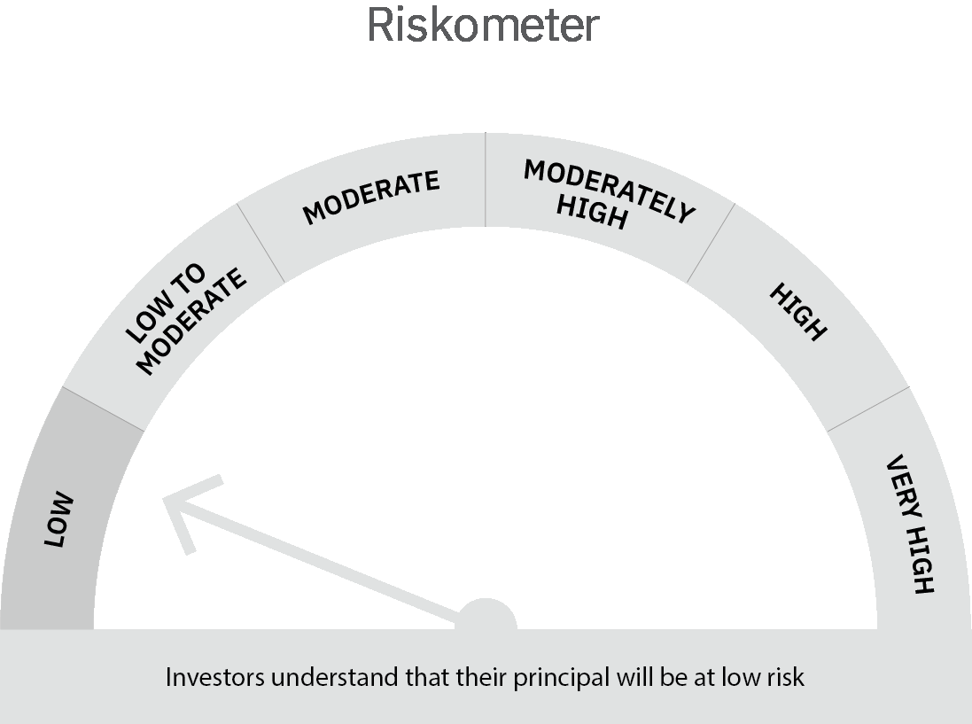
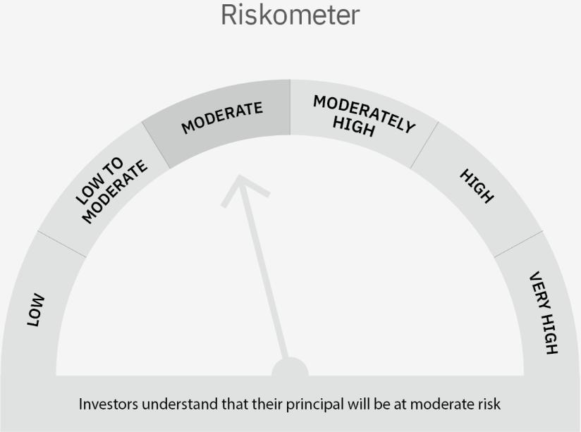

 | Scheme Risk-o-meter |  | Benchmark Risk-o-meter

 | Max Credit Risk of scheme→ Max Interest Rate Risk of the scheme ↓ | Relatively Low (Class A: CRV >=12) | Moderate (Class B : CRV >=10) | Relatively High (Class C: CRV <10)

 | Relatively Low Class I: (MD<=1 year) |  | B-I

 | Moderate Class II: (MD<=3 years)

 | Relatively High Class III: Any Macaulay duration

YO15
 | Motilal Oswal Liquid Fund
 | Portfolio as on September 30, 2022

Sr. No. | Name of Instrument |  | ISIN | Rating / Industry | Quantity | Market value (Rs. In lakhs) | % to Net Assets | Sector / Rating | Percent
 | Money Market Instruments |  |  |  |  |  |  | SOVEREIGN | 41.49%
 | Treasury Bill/Cash Management Bill |  |  |  |  |  |  | CRISIL A1+ | 26.02%
1 | 364 Days Tbill (MD 22/12/2022) |  | IN002021Z392 | SOVEREIGN | 20000000 | 19,732.14 | 41.49% | CARE A1+ | 5.22%
 | Total |  |  |  |  | 19,732.14 | 41.49% | ICRA A1+ | 5.22%
 | Certificate of Deposit |  |  |  |  |  |  | Cash & Equivalent | 22.05%
1 | Indian Bank 2022 |  | INE562A16KU6 | CRISIL A1+ | 2500000 | 2,496.22 | 5.25%
2 | HDFC Bank Limited 2022 |  | INE040A16DC6 | CARE A1+ | 2500000 | 2,482.79 | 5.22%
3 | ICICI Bank Limited 2022 |  | INE090A162X3 | ICRA A1+ | 2500000 | 2,481.31 | 5.22%
4 | Canara Bank 2022 |  | INE476A16TH7 | CRISIL A1+ | 2500000 | 2,470.72 | 5.20%
5 | Axis Bank Limited 2022 |  | INE238A166X7 | CRISIL A1+ | 2500000 | 2,470.58 | 5.20%
6 | IndusInd Bank Limited 2022 |  | INE095A16O03 | CRISIL A1+ | 2500000 | 2,470.35 | 5.19%
7 | Kotak Mahindra Bank Limited 2022 |  | INE237A160P7 | CRISIL A1+ | 2500000 | 2,465.05 | 5.18%
 | Total |  |  |  |  | 17,337.02 | 36.46%
 | CBLO/REPO/TREPS
1 | Collateralized Borrowing & Lending Obligation |  |  |  | 245000 | 244.92 | 0.52%
 | Total |  |  |  |  | 244.92 | 0.52%
 | Cash & Cash Equivalents
 | Net Receivables / (Payables) |  |  |  |  | 10,242.66 | 21.54%
 | GRAND TOTAL |  |  |  |  | 47,556.74 | 100.00%

 | Total Expense Ratio
 | Total Expense Ratio
 | Direct Plan : | 0.21%
 | Regular Plan : | 0.36%

 | NAV | Regular Growth |  | 11.5703
 | NAV | Direct Growth |  | 11.6362
 | NAV | Direct-IDCW Option-Daily |  | 10.0077
 | NAV | Direct-IDCW Option-Fortnightly |  | 10.0155
 | NAV | Direct -IDCW Option-Monthly |  | 10.0300
 | NAV | Direct-IDCW Option-Quarterly |  | 10.0034
 | NAV | Direct-IDCW Option-Weekly |  | 10.0058
 | NAV | Regular IDCW Option-Daily |  | 10.0055
 | NAV | Regular IDCW Option-Fortnightly |  | 10.0150
 | NAV | Regular-IDCW Option-Monthly |  | 10.0300
 | NAV | Regular-IDCW Option-Quarterly |  | 10.0034
 | NAV | Regular IDCW Option-Weekly |  | 10.0130
 | NAV | Unclaimed Dividend Plan Below 3 years |  | 11.3064
 | NAV | Unclaimed Dividend Plan Above 3 years |  | 10.0000
 | NAV | Unclaimed Redemption Plan Below 3 years |  | 11.0984

 | Monthly AAUM in Crores |  |  | 525.41

 | Latest AUM (30 SEPTEMBER 2022) in Crores |  |  | 475.57

 | Portfolio Turnover Ratio |  |  | 2.58

 | Monthly Dividend (Direct Plan)
 | Record Date Dividend Option | Dividend per Unit (Rs.) | Cum Dividend NAV | EX Dividend NAV
 | 30-Sep-22 | 0.045864 | 10.0759 | 10.0300
 | 26-Aug-22 | 0.039281 | 10.0693 | 10.0300
 | 29-Jul-22 | 0.042745 | 10.0728 | 10.0300

 | Monthly Dividend (Regular Plan)
 | Record Date Dividend Option | Dividend per Unit (Rs.) | Cum Dividend NAV | EX Dividend NAV
 | 30-Sep-22 | 0.044343 | 10.0744 | 10.0300
 | 26-Aug-22 | 0.038032 | 10.0680 | 10.0300
 | 29-Jul-22 | 0.041181 | 10.0712 | 10.0300

 | Quarterly Dividend (Direct Plan)
 | Record Date Dividend Option | Dividend per Unit (Rs.) | Cum Dividend NAV | EX Dividend NAV
 | 30-Sep-22 | 0.127814 | 10.1312 | 10.0034
 | 24-Jun-22 | 0.092525 | 10.0959 | 10.0034
 | 25-Mar-22 | 0.078197 | 10.0816 | 10.0034

 | Quarterly Dividend (Regular Plan)
 | Record Date Dividend Option | Dividend per Unit (Rs.) | Cum Dividend NAV | EX Dividend NAV
 | 30-Sep-22 | 0.124384 | 10.1278 | 10.0034
 | 24-Jun-22 | 0.089357 | 10.0928 | 10.0034
 | 25-Mar-22 | 0.075270 | 10.0787 | 10.0034

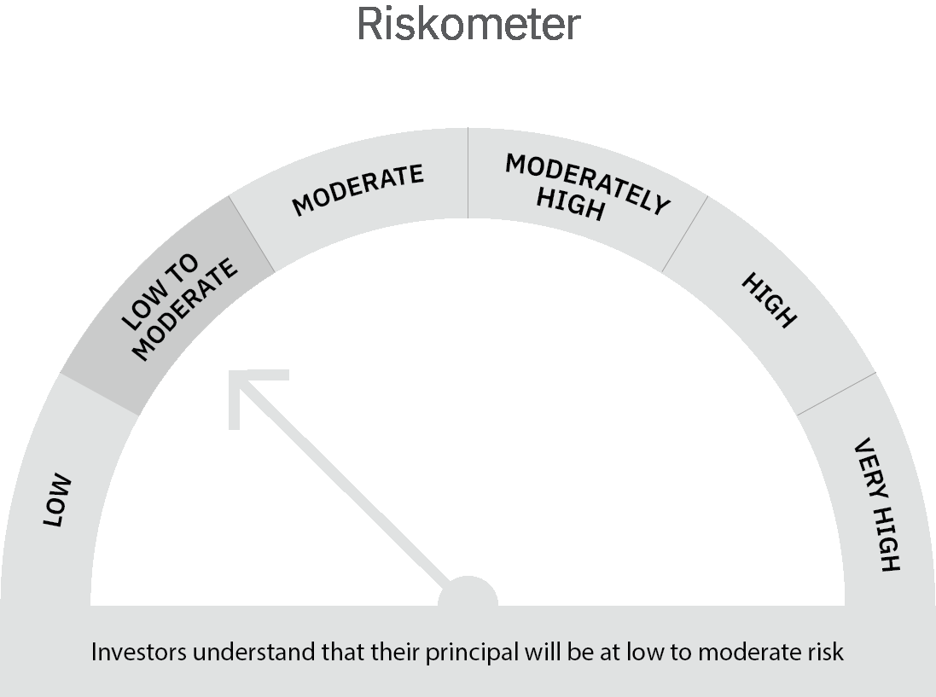

 | Scheme Risk-o-meter |  | Benchmark Risk-o-meter

 | Max Credit Risk of scheme→ Max Interest Rate Risk of the scheme ↓ | Relatively Low (Class A: CRV >=12) | Moderate (Class B : CRV >=10) | Relatively High (Class C: CRV <10)

 | Relatively Low Class I: (MD<=1 year) | A-I

 | Moderate Class II: (MD<=3 years)

 | Relatively High Class III: Any Macaulay duration

