YO06
 | Motilal Oswal Ultra Short Term Fund

 | Fortnightly Portfolio Statement as on October 15,2022
 | Name of the Instrument | ISIN | Rating | Quantity | Market/Fair Value(Rs. in Lacs) | % to Net Assets | YTM
 | Money Market Instruments
 | Treasury Bill
TBIL2094 | 182 Days Tbill (MD 02/03/2023) | IN002022Y229 | SOVEREIGN | 2,500,000 | 2440.06 | 27.96% | 6.55%
TBIL2087 | 364 Days Tbill (MD 17/08/2023) | IN002022Z200 | SOVEREIGN | 2,500,000 | 2362.97 | 27.07% | 6.94%
TBIL2071 | 182 Days Tbill (MD 05/01/2023) | IN002022Y146 | SOVEREIGN | 2,000,000 | 1972.77 | 22.60% | 6.22%
 | Sub Total |  |  |  | 6775.80 | 77.63%
 | Total |  |  |  | 6775.80 | 77.63%
 | CBLO / Reverse Repo
TRP_171022 | CBLO |  |  |  | 1919.68 | 21.99% | 6.16%
 | Sub Total |  |  |  | 1919.68 | 21.99%
 | Total |  |  |  | 1919.68 | 21.99%
 | Net Receivables / (Payables) |  |  |  | 32.38 | 0.37%
 | GRAND TOTAL |  |  |  | 8727.85 | 100.00%

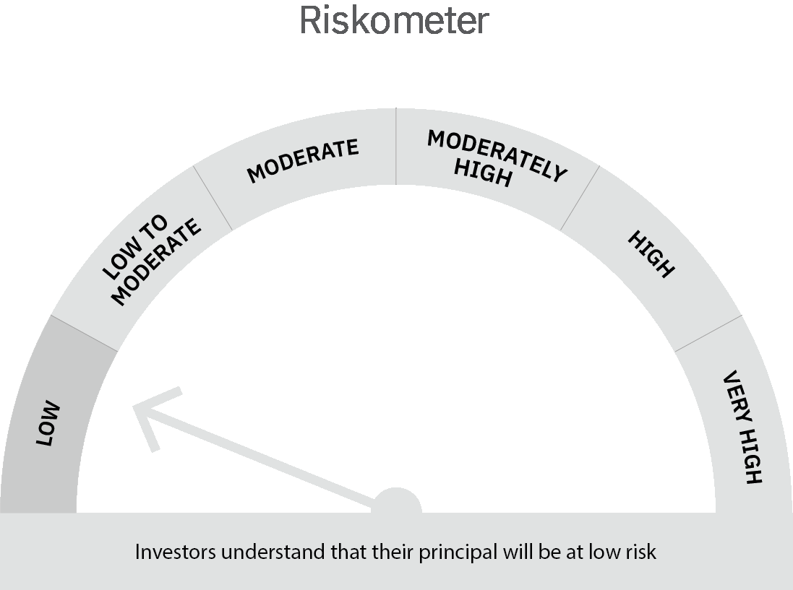
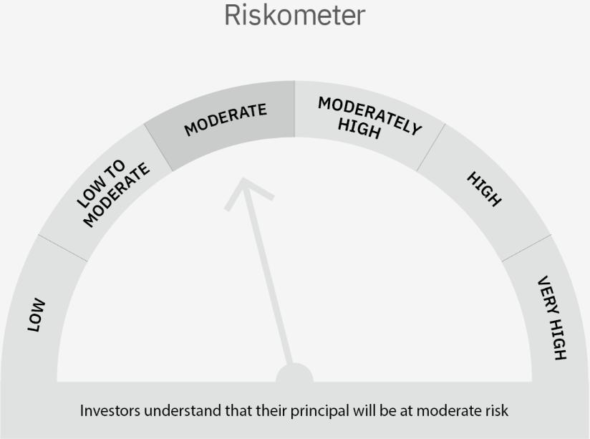

 | Scheme Risk-o-meter |  | Benchmark Risk-o-meter

 | Max Credit Risk of scheme→ Max Interest Rate Risk of the scheme ↓ | Relatively Low (Class A: CRV >=12) | Moderate (Class B : CRV >=10) | Relatively High (Class C: CRV <10)

 | Relatively Low Class I: (MD<=1 year) |  | B-I

 | Moderate Class II: (MD<=3 years)

 | Relatively High Class III: Any Macaulay duration

YO15
 | Motilal Oswal Liquid Fund

 | Fortnightly Portfolio Statement as on October 15,2022
 | Name of the Instrument | ISIN | Rating | Quantity | Market/Fair Value(Rs. in Lacs) | % to Net Assets | YTM
 | Money Market Instruments
 | Certificate of Deposit
HDFB814 | HDFC Bank Limited (10/11/2022) ** # | INE040A16DC6 | CARE A1+ | 2,500,000 | 2489.31 | 5.28% | 6.27%
IBCL1128 | ICICI Bank Limited (14/11/2022) ** # | INE090A162X3 | ICRA A1+ | 2,500,000 | 2487.51 | 5.27% | 6.32%
CANB851 | Canara Bank (09/12/2022) ** # | INE476A16TH7 | CRISIL A1+ | 2,500,000 | 2476.73 | 5.25% | 6.35%
UTIB1223 | Axis Bank Limited (09/12/2022) ** # | INE238A166X7 | CRISIL A1+ | 2,500,000 | 2476.53 | 5.25% | 6.40%
IIBL928 | IndusInd Bank Limited (09/12/2022) ** # | INE095A16O03 | CRISIL A1+ | 2,500,000 | 2475.86 | 5.25% | 6.59%
KMBK802 | Kotak Mahindra Bank Limited (23/12/2022) ** # | INE237A160P7 | CRISIL A1+ | 2,500,000 | 2470.18 | 5.24% | 6.48%
INBK374 | Indian Bank (03/01/2023) ** # | INE562A16KR2 | CRISIL A1+ | 2,500,000 | 2463.74 | 5.22% | 6.80%
 | Sub Total |  |  |  | 17339.87 | 36.77%
 | Treasury Bill
TBIL1982 | 364 Days Tbill (MD 22/12/2022) | IN002021Z392 | SOVEREIGN | 20,000,000 | 19777.10 | 41.93% | 6.14%
 | Sub Total |  |  |  | 19777.10 | 41.93%
 | Total |  |  |  | 37116.97 | 78.70%
 | CBLO / Reverse Repo
TRP_171022 | CBLO |  |  |  | 9636.38 | 20.43% | 6.16%
 | Sub Total |  |  |  | 9636.38 | 20.43%
 | Total |  |  |  | 9636.38 | 20.43%
 | Net Receivables / (Payables) |  |  |  | 408.43 | 0.87%
 | GRAND TOTAL |  |  |  | 47161.77 | 100.00%

 | ** Thinly Traded / Non Traded Security
 | # Unlisted Security

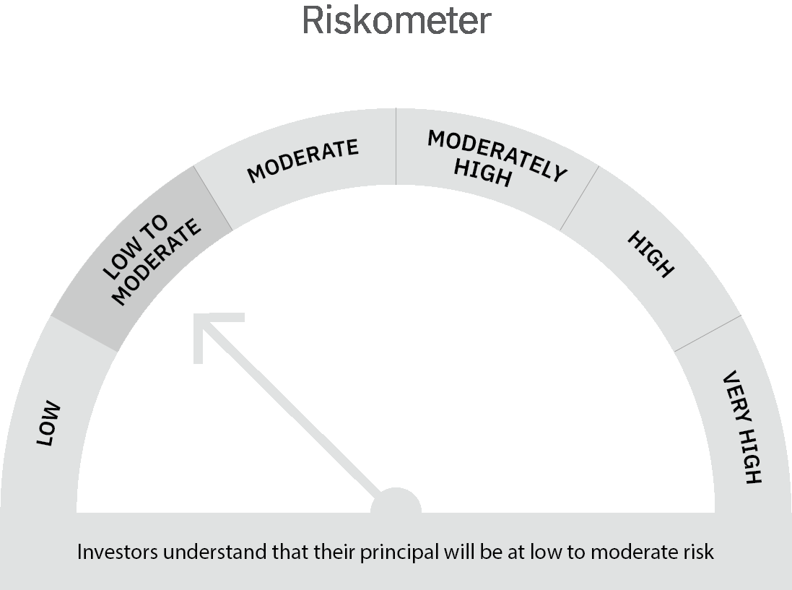

 | Scheme Risk-o-meter |  | Benchmark Risk-o-meter

 | Max Credit Risk of scheme→ Max Interest Rate Risk of the scheme ↓ | Relatively Low (Class A: CRV >=12) | Moderate (Class B : CRV >=10) | Relatively High (Class C: CRV <10)

 | Relatively Low Class I: (MD<=1 year) | A-I

 | Moderate Class II: (MD<=3 years)

 | Relatively High Class III: Any Macaulay duration

