YO06
 | Motilal Oswal Ultra Short Term Fund

 | Fornigthtly Portfolio Statement as on August 31,2022
 | Name of the Instrument | ISIN | Rating | Quantity | Market/Fair Value(Rs. in Lacs) | % to Net Assets | YTM
 | Debt Instruments
 | (a) Listed / awaiting listing on Stock Exchange
GOI3600 | 7.02% State Government Securities (27/09/2022) | IN2220170111 | SOVEREIGN | 1,500,000 | 1501.65 | 20.87% | 5.41%
 | Sub Total |  |  |  | 1501.65 | 20.87%
 | (b) Privately placed / Unlisted |  |  |  | NIL | NIL
 | Sub Total |  |  |  | NIL | NIL
 | Total |  |  |  | 1501.65 | 20.87%
 | Money Market Instruments
 | Treasury Bill
TBIL2094 | 182 Days Tbill (MD 02/03/2023) | IN002022Y229 | SOVEREIGN | 2,500,000 | 2426.73 | 33.73% | 6.06%
TBIL2071 | 182 Days Tbill (MD 05/01/2023) | IN002022Y146 | SOVEREIGN | 2,000,000 | 1960.21 | 27.24% | 5.88%
 | Sub Total |  |  |  | 4386.94 | 60.97%
 | Total |  |  |  | 4386.94 | 60.97%
 | CBLO / Reverse Repo
TRP_010922 | CBLO |  |  |  | 1178.00 | 16.37% | 5.40%
 | Sub Total |  |  |  | 1178.00 | 16.37%
 | Total |  |  |  | 1178.00 | 16.37%
 | Net Receivables / (Payables) |  |  |  | 128.82 | 1.79%
 | GRAND TOTAL |  |  |  | 7195.41 | 100.00%

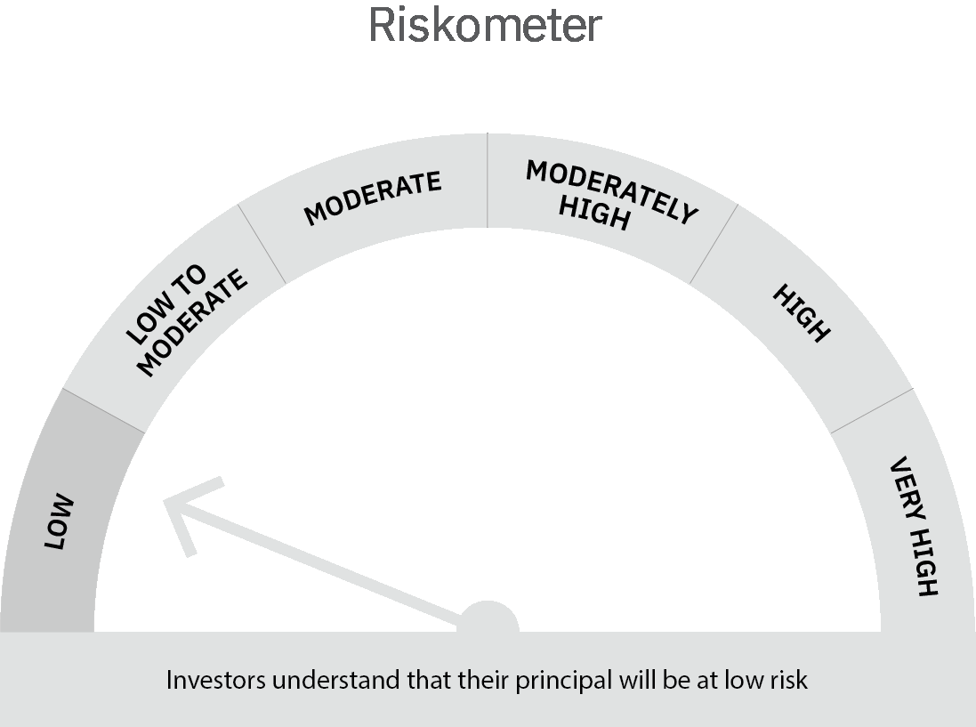
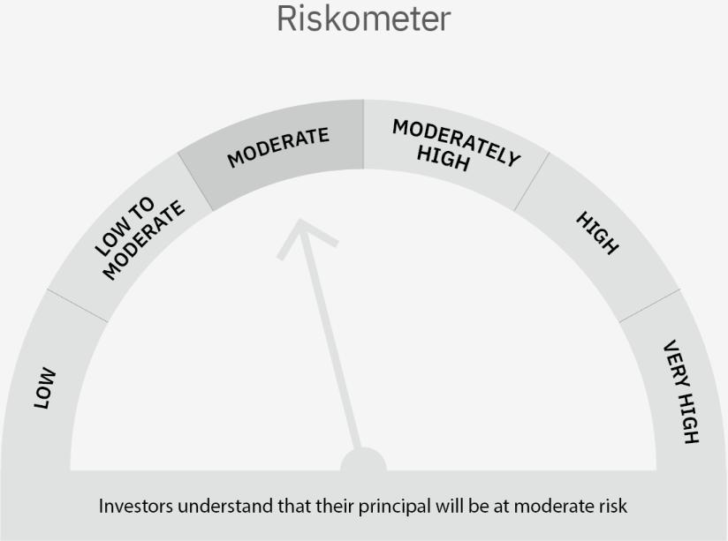

 | Scheme Risk-o-meter |  | Benchmark Risk-o-meter

 | Max Credit Risk of scheme→ Max Interest Rate Risk of the scheme ↓ | Relatively Low (Class A: CRV >=12) | Moderate (Class B : CRV >=10) | Relatively High (Class C: CRV <10)

 | Relatively Low Class I: (MD<=1 year) |  | B-I

 | Moderate Class II: (MD<=3 years)

 | Relatively High Class III: Any Macaulay duration

YO15
 | Motilal Oswal Liquid Fund

 | Fornigthtly Portfolio Statement as on August 31,2022
 | Name of the Instrument | ISIN | Rating | Quantity | Market/Fair Value(Rs. in Lacs) | % to Net Assets | YTM
 | Money Market Instruments
 | Certificate of Deposit
UTIB1247 | Axis Bank Limited (20/09/2022) # | INE238A161X8 | CRISIL A1+ | 2,500,000 | 2492.80 | 4.66% | 5.55%
INBK378 | Indian Bank (10/10/2022) ** # | INE562A16KU6 | CRISIL A1+ | 2,500,000 | 2484.85 | 4.65% | 5.71%
HDFB814 | HDFC Bank Limited (10/11/2022) ** # | INE040A16DC6 | CARE A1+ | 2,500,000 | 2472.34 | 4.62% | 5.84%
 | Sub Total |  |  |  | 7449.99 | 13.94%
 | Treasury Bill
TBIL2090 | 91 Days Tbill (MD 24/11/2022) | IN002022X213 | SOVEREIGN | 40,000,000 | 39493.76 | 73.87% | 5.57%
 | Sub Total |  |  |  | 39493.76 | 73.87%
 | Total |  |  |  | 46943.75 | 87.81%
 | CBLO / Reverse Repo
TRP_010922 | CBLO |  |  |  | 4415.00 | 8.26% | 5.62%
 | Sub Total |  |  |  | 4415.00 | 8.26%
 | Total |  |  |  | 4415.00 | 8.26%
 | Net Receivables / (Payables) |  |  |  | 2102.03 | 3.93%
 | GRAND TOTAL |  |  |  | 53460.78 | 100.00%

 | ** Thinly Traded / Non Traded Security
 | # Unlisted Security

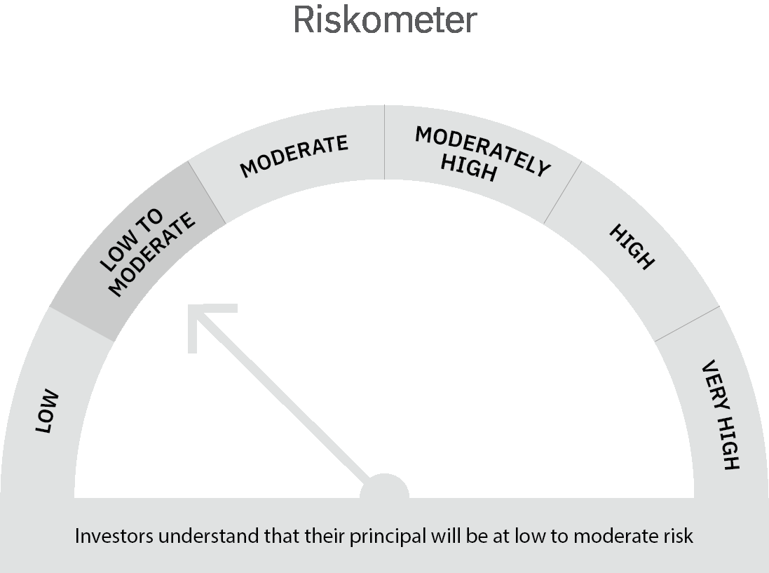

 | Scheme Risk-o-meter |  | Benchmark Risk-o-meter

 | Max Credit Risk of scheme→ Max Interest Rate Risk of the scheme ↓ | Relatively Low (Class A: CRV >=12) | Moderate (Class B : CRV >=10) | Relatively High (Class C: CRV <10)

 | Relatively Low Class I: (MD<=1 year) | A-I

 | Moderate Class II: (MD<=3 years)

 | Relatively High Class III: Any Macaulay duration

