Ultra Short Term Fund
 | Motilal Oswal Ultra Short Term Fund

 | Fortnightly Portfolio Statement as on September 15,2022
 | Name of the Instrument | ISIN | Rating | Quantity | Market/Fair Value(Rs. in Lacs) | % to Net Assets | YTM
 | Debt Instruments
 | (a) Listed / awaiting listing on Stock Exchange
GOI3600 | 7.02% State Government Securities (27/09/2022) | IN2220170111 | SOVEREIGN | 1,500,000 | 1500.66 | 18.97% | 5.47%
 | Sub Total |  |  |  | 1500.66 | 18.97%
 | (b) Privately placed / Unlisted |  |  |  | NIL | NIL
 | Sub Total |  |  |  | NIL | NIL
 | Total |  |  |  | 1500.66 | 18.97%
 | Money Market Instruments
 | Treasury Bill
TBIL2094 | 182 Days Tbill (MD 02/03/2023) | IN002022Y229 | SOVEREIGN | 2,500,000 | 2431.34 | 30.73% | 6.17%
TBIL2071 | 182 Days Tbill (MD 05/01/2023) | IN002022Y146 | SOVEREIGN | 2,000,000 | 1964.54 | 24.83% | 5.94%
 | Sub Total |  |  |  | 4395.88 | 55.56%
 | Total |  |  |  | 4395.88 | 55.56%
 | CBLO / Reverse Repo
TRP_160922 | CBLO |  |  |  | 1917.00 | 24.23% | 5.33%
 | Sub Total |  |  |  | 1917.00 | 24.23%
 | Total |  |  |  | 1917.00 | 24.23%
 | Net Receivables / (Payables) |  |  |  | 97.85 | 1.24%
 | GRAND TOTAL |  |  |  | 7911.40 | 100.00%

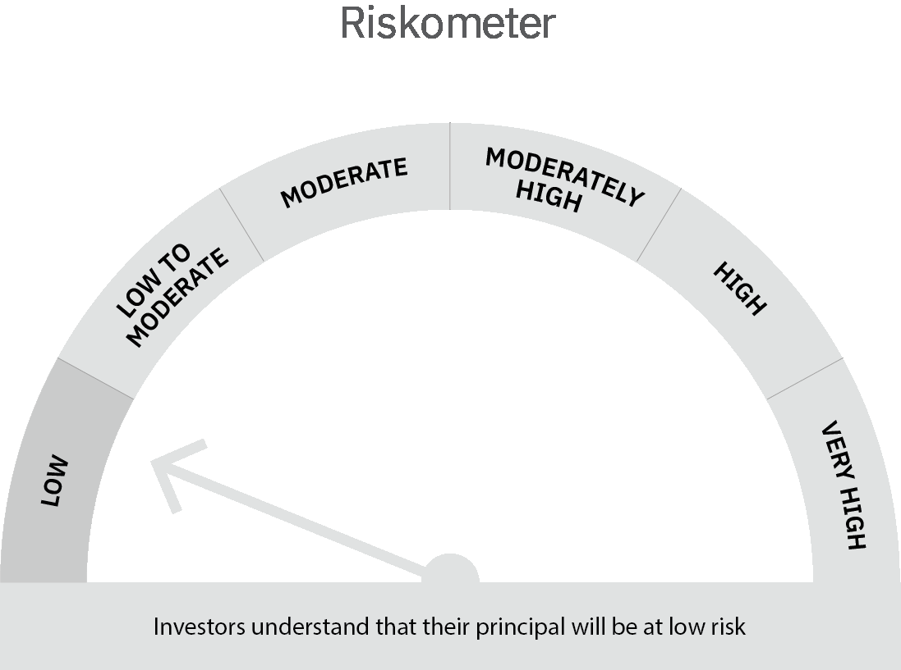
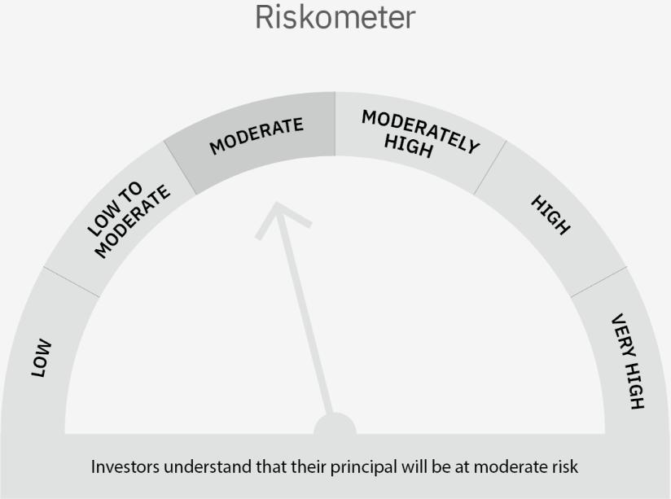

 | Scheme Risk-o-meter |  | Benchmark Risk-o-meter

 | Max Credit Risk of scheme→ Max Interest Rate Risk of the scheme ↓ | Relatively Low (Class A: CRV >=12) | Moderate (Class B : CRV >=10) | Relatively High (Class C: CRV <10)

 | Relatively Low Class I: (MD<=1 year) |  | B-I

 | Moderate Class II: (MD<=3 years)

 | Relatively High Class III: Any Macaulay duration

Liquid Fund
 | Motilal Oswal Liquid Fund

 | Fortnightly Portfolio Statement as on September 15,2022
 | Name of the Instrument | ISIN | Rating | Quantity | Market/Fair Value(Rs. in Lacs) | % to Net Assets | YTM
 | Money Market Instruments
 | Certificate of Deposit
UTIB1247 | Axis Bank Limited (20/09/2022) ** # | INE238A161X8 | CRISIL A1+ | 2,500,000 | 2498.49 | 4.69% | 5.53%
INBK378 | Indian Bank (10/10/2022) ** # | INE562A16KU6 | CRISIL A1+ | 2,500,000 | 2490.32 | 4.67% | 5.92%
HDFB814 | HDFC Bank Limited (10/11/2022) ** # | INE040A16DC6 | CARE A1+ | 2,500,000 | 2477.79 | 4.65% | 5.95%
CANB851 | Canara Bank (09/12/2022) ** # | INE476A16TH7 | CRISIL A1+ | 2,500,000 | 2466.06 | 4.63% | 5.98%
 | Sub Total |  |  |  | 9932.65 | 18.63%
 | Treasury Bill
TBIL2090 | 91 Days Tbill (MD 24/11/2022) | IN002022X213 | SOVEREIGN | 40,000,000 | 39576.32 | 74.25% | 5.66%
 | Sub Total |  |  |  | 39576.32 | 74.25%
 | Total |  |  |  | 49508.97 | 92.88%
 | CBLO / Reverse Repo
TRP_160922 | CBLO |  |  |  | 3398.00 | 6.38% | 5.33%
 | Sub Total |  |  |  | 3398.00 | 6.38%
 | Total |  |  |  | 3398.00 | 6.38%
 | Net Receivables / (Payables) |  |  |  | 394.78 | 0.74%
 | GRAND TOTAL |  |  |  | 53301.75 | 100.00%

 | ** Thinly Traded / Non Traded Security
 | # Unlisted Security

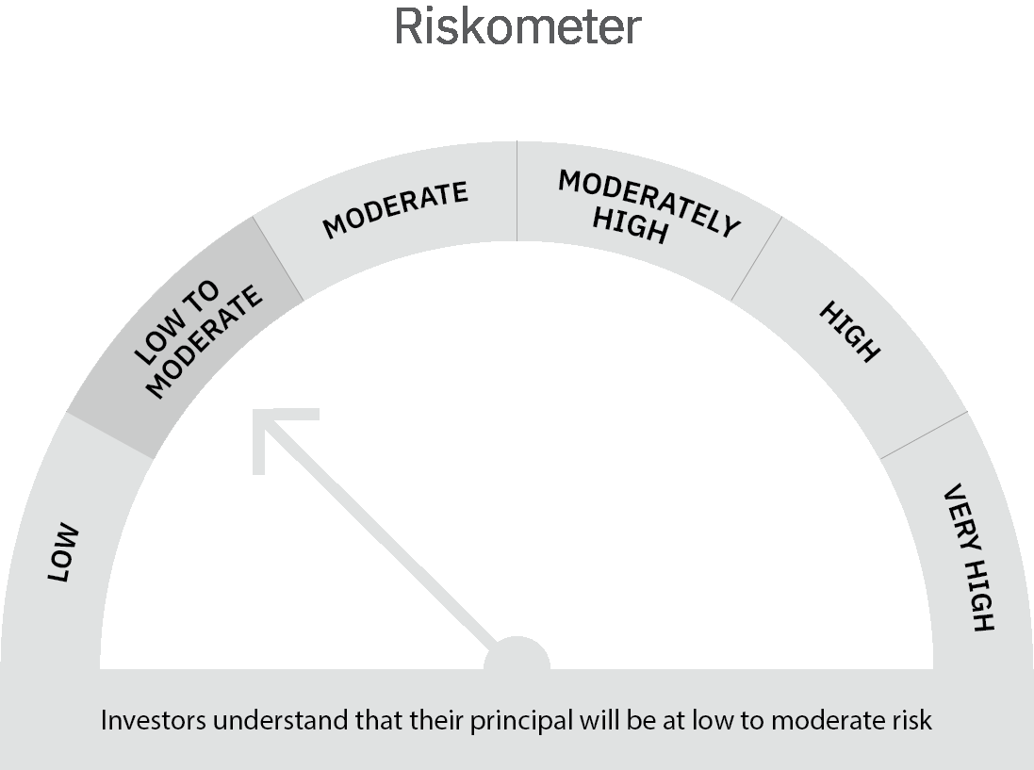

 | Scheme Risk-o-meter |  | Benchmark Risk-o-meter

 | Max Credit Risk of scheme→ Max Interest Rate Risk of the scheme ↓ | Relatively Low (Class A: CRV >=12) | Moderate (Class B : CRV >=10) | Relatively High (Class C: CRV <10)

 | Relatively Low Class I: (MD<=1 year) | A-I

 | Moderate Class II: (MD<=3 years)

 | Relatively High Class III: Any Macaulay duration

