Focused 25 Fund
 | Motilal Oswal Focused 25 Fund
 | Portfolio as on August 31, 2022

Sr. No. | Name of Instrument |  | ISIN | Rating / Industry | Quantity | Market value (Rs. In lakhs) | % to Net Assets | Sector / Rating | Percent
 | Equity & Equity related |  |  |  |  |  |  | Banks | 24.13%
 | (a) Listed / awaiting listing on Stock Exchanges |  |  |  |  |  |  | Retailing | 10.41%
1 | HDFC Bank Limited |  | INE040A01034 | Banks | 1110043 | 16,496.35 | 9.13% | IT - Software | 9.51%
2 | ABB India Limited |  | INE117A01022 | Electrical Equipment | 454414 | 14,826.39 | 8.20% | Automobiles | 8.81%
3 | ICICI Bank Limited |  | INE090A01021 | Banks | 1633975 | 14,498.26 | 8.02% | Insurance | 8.65%
4 | Reliance Industries Limited |  | INE002A01018 | Petroleum Products | 416700 | 10,992.34 | 6.08% | Electrical Equipment | 8.20%
5 | Tata Consultancy Services Limited |  | INE467B01029 | IT - Software | 268261 | 8,614.26 | 4.77% | Petroleum Products | 6.08%
6 | Infosys Limited |  | INE009A01021 | IT - Software | 574100 | 8,571.03 | 4.74% | Pharmaceuticals & Biotechnology | 3.52%
7 | HDFC Life Insurance Company Limited |  | INE795G01014 | Insurance | 1451476 | 8,348.89 | 4.62% | Fertilizers & Agrochemicals | 3.43%
8 | Avenue Supermarts Limited |  | INE192R01011 | Retailing | 181767 | 8,236.50 | 4.56% | Consumable Fuels | 3.02%
9 | Kotak Mahindra Bank Limited |  | INE237A01028 | Banks | 416900 | 7,985.51 | 4.42% | Leisure Services | 2.78%
10 | Vedant Fashions Limited |  | INE825V01034 | Retailing | 566438 | 7,292.61 | 4.04% | Consumer Durables | 2.62%
11 | ICICI Lombard General Insurance Company Limited |  | INE765G01017 | Insurance | 564866 | 7,277.17 | 4.03% | Transport Services | 2.60%
12 | Maruti Suzuki India Limited |  | INE585B01010 | Automobiles | 75369 | 6,845.20 | 3.79% | Construction | 2.09%
13 | Abbott India Limited |  | INE358A01014 | Pharmaceuticals & Biotechnology | 33918 | 6,356.15 | 3.52% | Beverages | 1.97%
14 | PI Industries Limited |  | INE603J01030 | Fertilizers & Agrochemicals | 180168 | 6,190.93 | 3.43% | Finance | 1.49%
15 | Coal India Limited |  | INE522F01014 | Consumable Fuels | 2324748 | 5,458.51 | 3.02% | Cash & Equivalent | 0.70%
16 | Eicher Motors Limited |  | INE066A01021 | Automobiles | 159121 | 5,344.48 | 2.96%
17 | The Indian Hotels Company Limited |  | INE053A01029 | Leisure Services | 1758833 | 5,020.59 | 2.78%
18 | Havells India Limited |  | INE176B01034 | Consumer Durables | 340367 | 4,736.21 | 2.62%
19 | Container Corporation of India Limited |  | INE111A01025 | Transport Services | 675258 | 4,703.51 | 2.60%
20 | State Bank of India |  | INE062A01020 | Banks | 870000 | 4,621.88 | 2.56%
21 | Larsen & Toubro Limited |  | INE018A01030 | Construction | 196000 | 3,768.10 | 2.09%
22 | Bajaj Auto Limited |  | INE917I01010 | Automobiles | 91256 | 3,727.67 | 2.06%
23 | United Spirits Limited |  | INE854D01024 | Beverages | 438084 | 3,556.58 | 1.97%
24 | Zomato Limited |  | INE758T01015 | Retailing | 5676016 | 3,289.25 | 1.82%
25 | SBI Cards and Payment Services Limited |  | INE018E01016 | Finance | 291741 | 2,690.44 | 1.49%
 | Total |  |  |  |  | 179,448.81 | 99.30%
 | (b) Unlisted
 | Total
 | Money Market Instruments
 | CBLO/REPO/TREPS
1 | Collateralized Borrowing & Lending Obligation |  |  |  | 1387000 | 1,387.00 | 0.77%
 | Total |  |  |  |  | 1,387.00 | 0.77%
 | Cash & Cash Equivalents
 | Net Receivables / (Payables) |  |  |  |  | (129.07) | -0.07%
 | GRAND TOTAL |  |  |  |  | 180,706.74 | 100.00%

 | Total Expense Ratio
 | Total Expense Ratio
 | Direct Plan : | 0.93%
 | Regular Plan : | 2.13%

 | NAV | Direct IDCW |  | 20.8272
 | NAV | Direct Growth |  | 38.1601
 | NAV | Regular IDCW |  | 18.4671
 | NAV | Regular Growth |  | 33.7469

 | Monthly AAUM in Crores |  |  | 1,761.17

 | Latest AUM (31 AUGUST 2022) in Crores |  |  | 1,807.07

 | Portfolio Turnover Ratio |  |  | 0.52

 | Dividend History
 | Record Date (March 29, 2022) | Dividend per Unit (Rs.) | Cum Dividend NAV | EX Dividend NAV
 | Direct Plan | 1.37 | 20.2489 | 18.8789
 | Regular Plan | 1.22 | 18.0413 | 16.8213

 | Record Date (March 26, 2021) | Dividend per Unit (Rs.) | Cum Dividend NAV | EX Dividend NAV
 | Direct Plan | 3.30 | 22.4101 | 19.1101
 | Regular Plan | 3.00 | 20.2349 | 17.2349

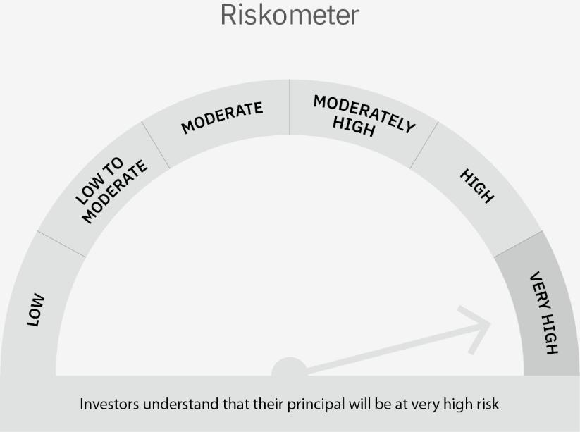

 | Scheme Risk-o-meter |  | Benchmark Risk-o-meter

Dynamic Fund
 | Motilal Oswal Dynamic Fund
 | Portfolio as on August 31, 2022

Sr. No. | Name of Instrument |  | ISIN | Rating / Industry | Quantity | Market value (Rs. In lakhs) | % to Net Assets | Sector / Rating | Percent
 | Equity & Equity related |  |  |  |  |  |  | Finance | 16.26%
 | (a) Listed / awaiting listing on Stock Exchanges |  |  |  |  |  |  | Banks | 10.06%
1 | Religare Enterprises Limited |  | INE621H01010 | Finance | 4145601 | 5,445.25 | 6.54% | REIT | 7.23%
2 | SBI Life Insurance Company Limited |  | INE123W01016 | Insurance | 252285 | 3,353.12 | 4.03% | Insurance | 7.23%
3 | Larsen & Toubro Limited |  | INE018A01030 | Construction | 162125 | 3,116.85 | 3.74% | Auto Components | 6.30%
4 | State Bank of India |  | INE062A01020 | Banks | 571000 | 3,033.44 | 3.64% | SOVEREIGN | 5.94%
5 | LIC Housing Finance Limited |  | INE115A01026 | Finance | 740000 | 3,028.08 | 3.64% | ICRA AA+ | 4.09%
6 | SBI Cards and Payment Services Limited |  | INE018E01016 | Finance | 318010 | 2,932.69 | 3.52% | IT - Software | 3.89%
7 | ZF Commercial Vehicle Control Systems India Limited |  | INE342J01019 | Auto Components | 30233 | 2,907.70 | 3.49% | Construction | 3.74%
8 | Indiabulls Real Estate Limited |  | INE069I01010 | Realty | 3296280 | 2,866.12 | 3.44% | Realty | 3.44%
9 | Star Health And Allied Insurance Company Limited |  | INE575P01011 | Insurance | 364161 | 2,661.83 | 3.20% | CRISIL AAA | 2.93%
10 | Samvardhana Motherson International Limited |  | INE775A01035 | Auto Components | 1900000 | 2,335.10 | 2.81% | Aerospace & Defense | 2.79%
11 | MTAR Technologies Limited |  | INE864I01014 | Aerospace & Defense | 141276 | 2,324.63 | 2.79% | Petroleum Products | 2.77%
12 | Reliance Industries Limited |  | INE002A01018 | Petroleum Products | 87359 | 2,304.49 | 2.77% | IT - Services | 2.76%
13 | eMudhra Limited |  | INE01QM01018 | IT - Services | 639600 | 2,298.40 | 2.76% | Retailing | 2.72%
14 | Zomato Limited |  | INE758T01015 | Retailing | 3900000 | 2,260.05 | 2.72% | InvIT | 2.40%
15 | Muthoot Finance Limited |  | INE414G01012 | Finance | 200000 | 2,110.20 | 2.54% | CRISIL AA+ | 2.36%
16 | IDFC First Bank Limited |  | INE092T01019 | Banks | 4000000 | 1,966.00 | 2.36% | Pharmaceuticals & Biotechnology | 2.09%
17 | Fino Payments Bank Limited |  | INE02NC01014 | Banks | 670718 | 1,760.30 | 2.11% | Consumer Durables | 1.56%
18 | Dr. Reddy's Laboratories Limited |  | INE089A01023 | Pharmaceuticals & Biotechnology | 41000 | 1,740.47 | 2.09% | Entertainment | 1.47%
19 | HDFC Bank Limited |  | INE040A01034 | Banks | 108000 | 1,604.99 | 1.93% | Leisure Services | 1.30%
20 | Titan Company Limited |  | INE280A01028 | Consumer Durables | 50000 | 1,302.33 | 1.56% | Automobiles | 1.16%
21 | Nazara Technologies Limited |  | INE418L01021 | Entertainment | 185586 | 1,222.36 | 1.47% | Beverages | 0.80%
22 | Infosys Limited |  | INE009A01021 | IT - Software | 77927 | 1,163.41 | 1.40% | Cash & Equivalent | 4.70%
23 | Larsen & Toubro Infotech Limited |  | INE214T01019 | IT - Software | 25000 | 1,160.43 | 1.39%
24 | Barbeque Nation Hospitality Limited |  | INE382M01027 | Leisure Services | 95000 | 1,081.34 | 1.30%
25 | Maruti Suzuki India Limited |  | INE585B01010 | Automobiles | 10645 | 966.81 | 1.16%
26 | Tata Consultancy Services Limited |  | INE467B01029 | IT - Software | 28506 | 915.37 | 1.10%
27 | Globus Spirits Limited |  | INE615I01010 | Beverages | 76015 | 667.87 | 0.80%
28 | Housing Development Finance Corporation Limited |  | INE001A01036 | Finance | 800 | 19.57 | 0.02%
29 | ICICI Bank Limited |  | INE090A01021 | Banks | 625 | 5.55 | 0.01%
 | Total |  |  |  |  | 58,554.75 | 70.35%
 | (b) Unlisted
 | Total
 | Derivatives
 | Index / Stock Futures
1 | Nifty 50 Index September 2022 Future |  |  |  | (-47500) | (8,468.06) | -10.17%
 | Total |  |  |  |  | (8,468.06) | -10.17%
 | Debt Instruments
 | (a) Listed / awaiting listing on Stock Exchange
1 | Muthoot Finance Limited |  | INE414G07GF5 | ICRA AA+ | 3500000 | 3,400.71 | 4.09%
2 | HDB Financial Services Limited |  | INE756I07DO4 | CRISIL AAA | 2500000 | 2,437.49 | 2.93%
3 | Shriram Transport Finance Company Limited |  | INE721A07QS8 | CRISIL AA+ | 2000000 | 1,966.93 | 2.36%
4 | Britannia Industries Limited |  | INE216A08027 | CRISIL AAA | 17256 | 4.88 | 0.01%
 | Total |  |  |  |  | 7,810.01 | 9.38%
 | (b) Privately placed / Unlisted
 | Total
 | InvIT
1 | India Grid Trust InvIT Fund |  | INE219X23014 |  | 1398863 | 2,000.09 | 2.40%
 | Total |  |  |  |  | 2,000.09 | 2.40%
 | REIT
1 | Brookfield India Real Estate Trust |  | INE0FDU25010 |  | 913490 | 3,059.73 | 3.68%
2 | Embassy Office Parks REIT |  | INE041025011 |  | 815170 | 2,960.21 | 3.56%
 | Total |  |  |  |  | 6,019.94 | 7.23%
 | Money Market Instruments
 | Treasury Bill/Cash Management Bill
1 | 364 Days Tbill (MD 17/11/2022) |  | IN002021Z343 | SOVEREIGN | 5000000 | 4,941.93 | 5.94%
 | Total |  |  |  |  | 4,941.93 | 5.94%
 | CBLO/REPO/TREPS
1 | Collateralized Borrowing & Lending Obligation |  |  |  | 1789000 | 1,789.00 | 2.15%
 | Total |  |  |  |  | 1,789.00 | 2.15%
 | Cash & Cash Equivalents
 | Net Receivables / (Payables) |  |  |  |  | 10,588.26 | 12.72%
 | GRAND TOTAL |  |  |  |  | 83,235.92 | 100.00%

 | Total Expense Ratio
 | Total Expense Ratio
 | Direct Plan : | 1.11%
 | Regular Plan : | 2.31%

 | NAV | Plan A IDCW |  | 13.2095
 | NAV | Direct Annual IDCW |  | 13.5879
 | NAV | Direct Growth |  | 16.6086
 | NAV | Direct Quarterly IDCW |  | 11.7847
 | NAV | Regular Growth |  | 15.4950
 | NAV | Regular Quarterly IDCW |  | 11.4371

 | Monthly AAUM in Crores |  |  | 840.79

 | Latest AUM (31 AUGUST 2022) in Crores |  |  | 832.36

 | Portfolio Turnover Ratio |  |  | 3.44

 | Quarterly Dividend (Direct Plan)
 | Record Date Dividend Option | Dividend per Unit (Rs.) | Cum Dividend NAV | EX Dividend NAV
 | 28-Jul-22 | 0.170000 | 11.5506 | 11.3806
 | 4-May-22 | 0.170000 | 11.4419 | 11.2719
 | 27-Jan-22 | 0.400000 | 12.4007 | 12.0007

 | Quarterly Dividend (Regular Plan)
 | Record Date Dividend Option | Dividend per Unit (Rs.) | Cum Dividend NAV | EX Dividend NAV
 | 28-Jul-22 | 0.160000 | 11.2170 | 11.0570
 | 4-May-22 | 0.170000 | 11.1492 | 10.9792
 | 27-Jan-22 | 0.400000 | 12.1350 | 11.7350

 | Annual Dividend ( Direct Plan)
 | Record Date Dividend Option | Dividend per Unit (Rs.) | Cum Dividend NAV | EX Dividend NAV
 | 29-Mar-22 | 0.8100 | 13.7893 | 12.9793
 | 26-Mar-21 | 0.7500 | 14.0402 | 13.2902
 | 23-Mar-20 | 0.3185 | 10.3185 | 10.0000

 | Annual Dividend ( Regular Plan)
 | Record Date Dividend Option | Dividend per Unit (Rs.) | Cum Dividend NAV | EX Dividend NAV
 | 29-Mar-22 | 0.8000 | 13.4878 | 12.6878
 | 26-Mar-21 | 0.5000 | 13.6668 | 13.1668
 | 28-Mar-19 | 0.3000 | 11.8144 | 11.5144

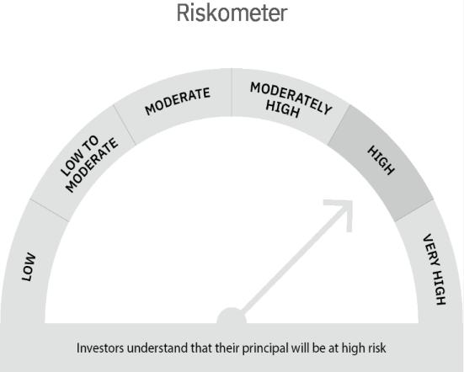

 | Scheme Risk-o-meter |  | Benchmark Risk-o-meter

Multi Asset Fund
 | MOTILAL OSWAL MULTI ASSET FUND
 | Portfolio as on August 31, 2022

Sr. No. | Name of Instrument |  | ISIN | Rating / Industry | Quantity | Market value (Rs. In lakhs) | % to Net Assets | Sector / Rating | Percent
 | Equity & Equity related |  |  |  |  |  |  | SOVEREIGN | 24.64%
 | (a) Listed / awaiting listing on Stock Exchanges |  |  |  |  |  |  | INVESTMENT FUNDS/MUTUAL FUNDS | 13.64%
1 | Religare Enterprises Limited |  | INE621H01010 | Finance | 350000 | 459.73 | 2.87% | CRISIL AAA | 12.24%
2 | SBI Life Insurance Company Limited |  | INE123W01016 | Insurance | 20000 | 265.82 | 1.66% | Exchange Traded Funds | 11.93%
3 | Samvardhana Motherson International Limited |  | INE775A01035 | Auto Components | 205000 | 251.95 | 1.57% | Finance | 4.30%
4 | ICICI Lombard General Insurance Company Limited |  | INE765G01017 | Insurance | 18275 | 235.44 | 1.47% | Banks | 3.19%
5 | SBI Cards and Payment Services Limited |  | INE018E01016 | Finance | 25000 | 230.55 | 1.44% | Insurance | 3.12%
6 | ICICI Bank Limited |  | INE090A01021 | Banks | 21722 | 192.74 | 1.20% | CRISIL AA+ | 3.06%
7 | Fino Payments Bank Limited |  | INE02NC01014 | Banks | 71223 | 186.92 | 1.16% | IT - Software | 2.01%
8 | Infosys Limited |  | INE009A01021 | IT - Software | 11794 | 176.08 | 1.10% | Auto Components | 1.85%
9 | Tata Consultancy Services Limited |  | INE467B01029 | IT - Software | 4551 | 146.14 | 0.91% | Construction | 1.02%
10 | State Bank of India |  | INE062A01020 | Banks | 24800 | 131.75 | 0.82% | Pharmaceuticals & Biotechnology | 0.79%
11 | Dr. Reddy's Laboratories Limited |  | INE089A01023 | Pharmaceuticals & Biotechnology | 3000 | 127.35 | 0.79% | Cement & Cement Products | 0.72%
12 | UltraTech Cement Limited |  | INE481G01011 | Cement & Cement Products | 1695 | 113.19 | 0.71% | Automobiles | 0.54%
13 | Larsen & Toubro Limited |  | INE018A01030 | Construction | 5000 | 96.13 | 0.60% | Industrial Manufacturing | 0.28%
14 | Maruti Suzuki India Limited |  | INE585B01010 | Automobiles | 948 | 86.10 | 0.54% | Realty | 0.03%
15 | G R Infraprojects Limited |  | INE201P01022 | Construction | 5000 | 68.06 | 0.42% | Cash & Equivalent | 16.64%
16 | Motherson Sumi Wiring India Limited |  | INE0FS801015 | Auto Components | 55000 | 44.83 | 0.28%
17 | Honeywell Automation India Limited |  | INE671A01010 | Industrial Manufacturing | 103 | 44.50 | 0.28%
18 | Indiabulls Real Estate Limited |  | INE069I01010 | Realty | 6000 | 5.22 | 0.03%
19 | Shree Cement Limited |  | INE070A01015 | Cement & Cement Products | 11 | 2.43 | 0.02%
 | Total |  |  |  |  | 2,864.93 | 17.85%
 | (b) Unlisted
 | Total
 | Debt Instruments
 | (a) Listed / awaiting listing on Stock Exchange
1 | REC Limited |  | INE020B08DC3 | CRISIL AAA | 1000000 | 988.32 | 6.16%
2 | HDB Financial Services Limited |  | INE756I07DO4 | CRISIL AAA | 1000000 | 975.00 | 6.08%
3 | Shriram Transport Finance Company Limited |  | INE721A07QS8 | CRISIL AA+ | 500000 | 491.73 | 3.06%
 | Total |  |  |  |  | 2,455.05 | 15.30%
 | (b) Privately placed / Unlisted
 | Total
 | Exchange Traded Funds
1 | ICICI Prudential Gold ETF |  | INF109KC1NT3 |  | 4242391.000 | 1,913.74 | 11.93%
 | Total |  |  |  |  | 1,913.74 | 11.93%
 | Money Market Instruments
 | Treasury Bill/Cash Management Bill
1 | 182 Days Tbill (MD 17/11/2022) |  | IN002022Y070 | SOVEREIGN | 4000000 | 3,953.54 | 24.64%
 | Total |  |  |  |  | 3,953.54 | 24.64%
 | CBLO/REPO/TREPS
1 | Collateralized Borrowing & Lending Obligation |  |  |  | 2715000 | 2,715.00 | 16.92%
 | Total |  |  |  |  | 2,715.00 | 16.92%
 | Others
 | Mutual Fund Units
1 | Motilal Oswal S&P 500 Index Fund DirectPlan Growth |  | INF247L01AG2 |  | 15017455.994 | 2,188.42 | 13.64%
 | Total |  |  |  |  | 2,188.42 | 13.64%
 | Cash & Cash Equivalents
 | Net Receivables / (Payables) |  |  |  |  | (44.88) | -0.28%
 | GRAND TOTAL |  |  |  |  | 16,045.80 | 100.00%

 | Total Expense Ratio
 | Total Expense Ratio
 | Regular Plan : | 1.94%
 | Direct Plan : | 0.84%

 | NAV | Direct Growth |  | 11.0388
 | NAV | Regular Growth |  | 10.7200

 | Monthly AAUM in Crores |  |  | 168.59

 | Latest AUM (31 AUGUST 2022) in Crores |  |  | 160.46

 | Portfolio Turnover Ratio |  |  | 0.50

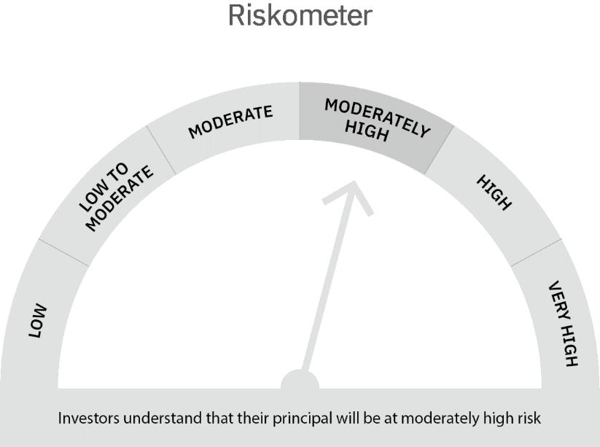

 | Scheme Risk-o-meter |  | Benchmark Risk-o-meter

Ultra Short Term Fund
 | Motilal Oswal Ultra Short Term Fund
 | Portfolio as on August 31, 2022

Sr. No. | Name of Instrument |  | ISIN | Rating / Industry | Quantity | Market value (Rs. In lakhs) | % to Net Assets | Sector / Rating | Percent
 | State Government Securities |  |  |  |  |  |  | SOVEREIGN | 81.84%
1 | 7.02% Maharashtra SDL (MD 27/09/2022) |  | IN2220170111 | SOVEREIGN | 1500000 | 1,501.65 | 20.87% | Cash & Equivalent | 18.16%
 | Total |  |  |  |  | 1,501.65 | 20.87%
 | Money Market Instruments
 | Treasury Bill/Cash Management Bill
1 | 182 Days Tbill (MD 02/03/2023) |  | IN002022Y229 | SOVEREIGN | 2500000 | 2,426.73 | 33.73%
2 | 182 Days Tbill (MD 05/01/2023) |  | IN002022Y146 | SOVEREIGN | 2000000 | 1,960.21 | 27.24%
 | Total |  |  |  |  | 4,386.94 | 60.97%
 | CBLO/REPO/TREPS
1 | Collateralized Borrowing & Lending Obligation |  |  |  | 1178000 | 1,178.00 | 16.37%
 | Total |  |  |  |  | 1,178.00 | 16.37%
 | Cash & Cash Equivalents
 | Net Receivables / (Payables) |  |  |  |  | 128.82 | 1.79%
 | GRAND TOTAL |  |  |  |  | 7,195.41 | 100.00%

 | Total Expense Ratio
 | Total Expense Ratio
 | Direct Plan : | 0.58%
 | Regular Plan : | 1.07%

 | NAV | Direct IDCW |  | 10.3104
 | NAV | Regular Daily IDCW |  | 10.2019
 | NAV | Direct Fortnightly IDCW |  | 10.3358
 | NAV | Direct Growth |  | 14.6095
 | NAV | Direct Monthly IDCW |  | 10.3175
 | NAV | Direct Quarterly IDCW |  | 10.4672
 | NAV | Direct Weekly IDCW |  | 10.3226
 | NAV | Regular Fortnightly IDCW |  | 10.2144
 | NAV | Regular Growth |  | 14.0510
 | NAV | Regular Monthly IDCW |  | 10.2036
 | NAV | Regular Quarterly IDCW |  | 10.3507
 | NAV | Regular Weekly IDCW |  | 10.2068

 | Monthly AAUM in Crores |  |  | 70.87

 | Latest AUM (31 AUGUST 2022) in Crores |  |  | 71.95

 | Portfolio Turnover Ratio |  |  | 1.45

 | Dividend History
 | Quarterly Dividend (Direct Plan)
 | Record Date Dividend Option | Dividend per Unit (Rs.) | Cum Dividend NAV | EX Dividend NAV
 | 29-Jun-18 | 0.162900 | 10.1885 | 10.0256
 | 3-Apr-18 | 0.157100 | 10.1932 | 10.0361
 | 29-Dec-17 | 0.139900 | 10.1607 | 10.0208

 | Quarterly Dividend (Regular Plan)
 | Record Date Dividend Option | Dividend per Unit (Rs.) | Cum Dividend NAV | EX Dividend NAV
 | 29-Jun-18 | 0.151700 | 10.1876 | 10.0359
 | 3-Apr-18 | 0.145200 | 10.1917 | 10.0465
 | 29-Dec-17 | 0.128300 | 10.1596 | 10.0313

 | Monthly Dividend (Direct Plan)
 | Record Date Dividend Option | Dividend per Unit (Rs.) | Cum Dividend NAV | EX Dividend NAV
 | 29-Jun-18 | 0.085576 | 10.0860 | 10.0004
 | 27-Jul-18 | 0.052676 | 10.0531 | 10.0004
 | 31-Aug-18 | 0.065273 | 10.0657 | 10.0004

 | Monthly Dividend (Regular Plan)
 | Record Date Dividend Option | Dividend per Unit (Rs.) | Cum Dividend NAV | EX Dividend NAV
 | 29-Jun-18 | 0.081535 | 10.0827 | 10.0012
 | 27-Jul-18 | 0.049133 | 10.0503 | 10.0012
 | 31-Aug-18 | 0.060833 | 10.0619 | 10.0011

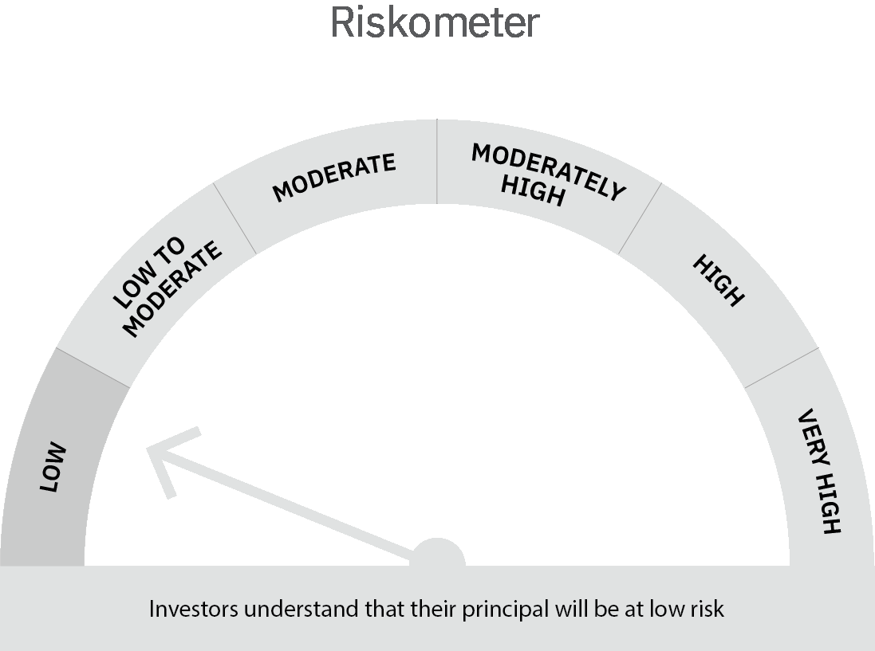
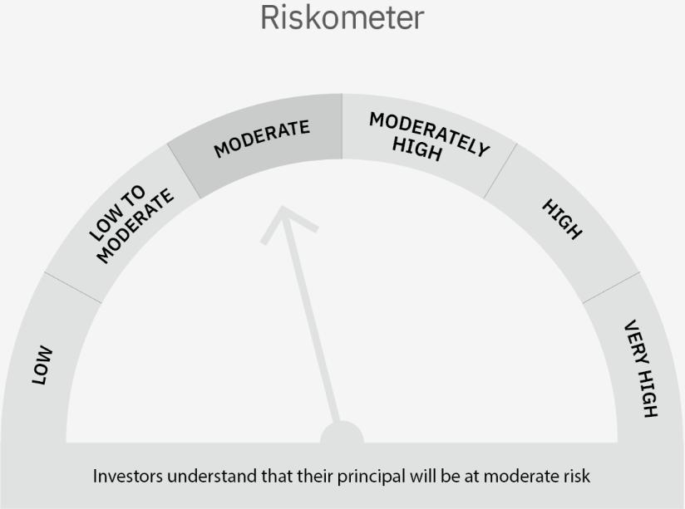

 | Scheme Risk-o-meter |  | Benchmark Risk-o-meter

 | Max Credit Risk of scheme→ Max Interest Rate Risk of the scheme ↓ | Relatively Low (Class A: CRV >=12) | Moderate (Class B : CRV >=10) | Relatively High (Class C: CRV <10)

 | Relatively Low Class I: (MD<=1 year) |  | B-I

 | Moderate Class II: (MD<=3 years)

 | Relatively High Class III: Any Macaulay duration

Liquid Fund
 | Motilal Oswal Liquid Fund
 | Portfolio as on August 31, 2022

Sr. No. | Name of Instrument |  | ISIN | Rating / Industry | Quantity | Market value (Rs. In lakhs) | % to Net Assets | Sector / Rating | Percent
 | Money Market Instruments |  |  |  |  |  |  | SOVEREIGN | 73.87%
 | Treasury Bill/Cash Management Bill |  |  |  |  |  |  | CRISIL A1+ | 9.31%
1 | 91 Days Tbill (MD 24/11/2022) |  | IN002022X213 | SOVEREIGN | 40000000 | 39,493.76 | 73.87% | CARE A1+ | 4.62%
 | Total |  |  |  |  | 39,493.76 | 73.87% | Cash & Equivalent | 12.19%
 | Certificate of Deposit
1 | Axis Bank Limited 2022 |  | INE238A161X8 | CRISIL A1+ | 2500000 | 2,492.80 | 4.66%
2 | Indian Bank 2022 |  | INE562A16KU6 | CRISIL A1+ | 2500000 | 2,484.85 | 4.65%
3 | HDFC Bank Limited 2022 |  | INE040A16DC6 | CARE A1+ | 2500000 | 2,472.34 | 4.62%
 | Total |  |  |  |  | 7,449.99 | 13.94%
 | CBLO/REPO/TREPS
1 | Collateralized Borrowing & Lending Obligation |  |  |  | 4415000 | 4,415.00 | 8.26%
 | Total |  |  |  |  | 4,415.00 | 8.26%
 | Cash & Cash Equivalents
 | Net Receivables / (Payables) |  |  |  |  | 2,102.03 | 3.93%
 | GRAND TOTAL |  |  |  |  | 53,460.78 | 100.00%

 | Total Expense Ratio
 | Total Expense Ratio
 | Direct Plan : | 0.21%
 | Regular Plan : | 0.36%

 | NAV | Regular Growth |  | 11.5268
 | NAV | Direct Growth |  | 11.5911
 | NAV | Direct-IDCW Option-Daily |  | 10.0077
 | NAV | Direct-IDCW Option-Fortnightly |  | 10.0111
 | NAV | Direct -IDCW Option-Monthly |  | 10.0368
 | NAV | Direct-IDCW Option-Quarterly |  | 10.0919
 | NAV | Direct-IDCW Option-Weekly |  | 10.0126
 | NAV | Regular IDCW Option-Daily |  | 10.0055
 | NAV | Regular IDCW Option-Fortnightly |  | 10.0107
 | NAV | Regular-IDCW Option-Monthly |  | 10.0365
 | NAV | Regular-IDCW Option-Quarterly |  | 10.0896
 | NAV | Regular IDCW Option-Weekly |  | 10.0195
 | NAV | Unclaimed Dividend Plan Below 3 years |  | 11.2623
 | NAV | Unclaimed Redemption Plan Below 3 years |  | 11.0551

 | Monthly AAUM in Crores |  |  | 529.49

 | Latest AUM (31 AUGUST 2022) in Crores |  |  | 534.61

 | Portfolio Turnover Ratio |  |  | 2.21

 | Monthly Dividend (Direct Plan)
 | Record Date Dividend Option | Dividend per Unit (Rs.) | Cum Dividend NAV | EX Dividend NAV
 | 26-Aug-22 | 0.039281 | 10.0693 | 10.0300
 | 29-Jul-22 | 0.042745 | 10.0728 | 10.0300
 | 24-Jun-22 | 0.034583 | 10.0646 | 10.0300

 | Monthly Dividend (Regular Plan)
 | Record Date Dividend Option | Dividend per Unit (Rs.) | Cum Dividend NAV | EX Dividend NAV
 | 26-Aug-22 | 0.038032 | 10.0680 | 10.0300
 | 29-Jul-22 | 0.041181 | 10.0712 | 10.0300
 | 24-Jun-22 | 0.033335 | 10.0633 | 10.0300

 | Quarterly Dividend (Direct Plan)
 | Record Date Dividend Option | Dividend per Unit (Rs.) | Cum Dividend NAV | EX Dividend NAV
 | 24-Jun-22 | 0.092525 | 10.0959 | 10.0034
 | 25-Mar-22 | 0.078197 | 10.0816 | 10.0034
 | 31-Dec-21 | 0.085047 | 10.0885 | 10.0034

 | Quarterly Dividend (Regular Plan)
 | Record Date Dividend Option | Dividend per Unit (Rs.) | Cum Dividend NAV | EX Dividend NAV
 | 24-Jun-22 | 0.089357 | 10.0928 | 10.0034
 | 25-Mar-22 | 0.075270 | 10.0787 | 10.0034
 | 31-Dec-21 | 0.081378 | 10.0848 | 10.0034

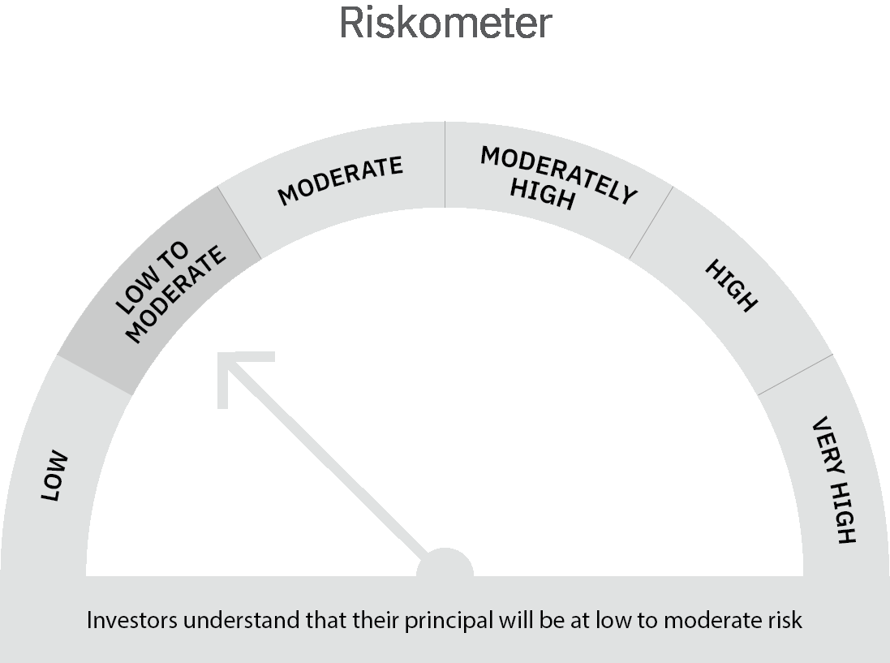

 | Scheme Risk-o-meter |  | Benchmark Risk-o-meter

 | Max Credit Risk of scheme→ Max Interest Rate Risk of the scheme ↓ | Relatively Low (Class A: CRV >=12) | Moderate (Class B : CRV >=10) | Relatively High (Class C: CRV <10)

 | Relatively Low Class I: (MD<=1 year) | A-I

 | Moderate Class II: (MD<=3 years)

 | Relatively High Class III: Any Macaulay duration

