YO06
 | Motilal Oswal Ultra Short Term Fund

 | Fortnightly Portfolio Statement as on July 31,2025
 | Name of the Instrument | ISIN | Rating | Quantity | Market/Fair Value (Rs. in Lacs) | % to Net Assets | YTM
 | Money Market Instruments
 | Certificate of Deposit
BKBA497 | Bank of Baroda (13/10/2025) ** # | INE028A16IH9 | FITCH A1+ | 2,500,000 | 2,471.58 | 4.38% | 5.75%
IDBK520 | IDFC First Bank Limited (18/11/2025) ** # | INE092T16XS1 | CRISIL A1+ | 2,500,000 | 2,455.71 | 4.35% | 6.04%
BKIN460 | Bank of India (28/11/2025) ** # | INE084A16CS2 | CRISIL A1+ | 2,500,000 | 2,452.58 | 4.35% | 5.93%
UNBI408 | Union Bank of India (05/12/2025) ** # | INE692A16ID1 | ICRA A1+ | 2,500,000 | 2,449.95 | 4.34% | 5.92%
CANB1018 | Canara Bank (12/12/2025) ** # | INE476A16ZQ5 | CRISIL A1+ | 2,500,000 | 2,447.19 | 4.34% | 5.92%
NBAR839 | National Bank For Agriculture and Rural Development (25/03/2026) ** # | INE261F16AA7 | CRISIL A1+ | 2,500,000 | 2,405.27 | 4.27% | 6.09%
UTIB1333 | Axis Bank Limited (08/10/2025) ** # | INE238AD6934 | CRISIL A1+ | 500,000 | 494.65 | 0.88% | 5.81%
 | Sub Total |  |  |  | 15,176.93 | 26.91%
 | Commercial Paper
HDBF341 | HDB Financial Services Limited (04/09/2025) ** | INE756I14EW1 | CRISIL A1+ | 2,500,000 | 2,485.80 | 4.41% | 6.13%
CHOL1084 | Cholamandalam Investment and Finance Company Ltd (14/11/2025) ** | INE121A14XG8 | CRISIL A1+ | 2,500,000 | 2,454.18 | 4.35% | 6.49%
KOMP1732 | Kotak Mahindra Prime Limited (27/03/2026) ** | INE916D144Z5 | CRISIL A1+ | 2,500,000 | 2,401.06 | 4.26% | 6.32%
TCAL520 | Tata Capital Limited (21/05/2026) ** | INE976I14PZ4 | CRISIL A1+ | 2,500,000 | 2,374.85 | 4.21% | 6.57%
 | Sub Total |  |  |  | 9,715.89 | 17.23%
 | Treasury Bill
TBIL2453 | 364 Days Tbill (MD 26/12/2025) | IN002024Z370 | SOVEREIGN | 7,500,000 | 7,338.79 | 13.01% | 5.45%
TBIL2439 | 364 Days Tbill (MD 28/08/2025) | IN002024Z222 | SOVEREIGN | 5,000,000 | 4,980.44 | 8.83% | 5.31%
TBIL2414 | 364 Days Tbill (MD 09/10/2025) | IN002024Z263 | SOVEREIGN | 4,500,000 | 4,454.78 | 7.90% | 5.37%
TBIL2405 | 364 Days Tbill (MD 04/09/2025) | IN002024Z230 | SOVEREIGN | 3,000,000 | 2,985.18 | 5.29% | 5.33%
TBIL2471 | 364 Days Tbill (MD 12/02/2026) | IN002024Z446 | SOVEREIGN | 3,000,000 | 2,914.12 | 5.17% | 5.52%
TBIL2429 | 364 Days Tbill (MD 06/11/2025) | IN002024Z305 | SOVEREIGN | 2,500,000 | 2,464.31 | 4.37% | 5.45%
TBIL2431 | 364 Days Tbill (MD 13/11/2025) | IN002024Z313 | SOVEREIGN | 2,500,000 | 2,461.91 | 4.37% | 5.43%
 | Sub Total |  |  |  | 27,599.53 | 48.94%
 | Total |  |  |  | 52,492.35 | 93.08%
 | Others
 | Corporate Debt Market Development Fund
CDMD50ME | Corporate Debt Market Development Fund | INF0RQ622028 |  | 1,358 | 153.35 | 0.27%
 | Sub Total |  |  |  | 153.35 | 0.27%
 | Total |  |  |  | 153.35 | 0.27%
 | Tri-Party REPO - Corporate Bonds for which settlement is guaranteed by clearing corporation
TRP_010825 | TRP_010825 |  |  |  | 3,818.00 | 6.77% | 5.49%
 | Sub Total |  |  |  | 3,818.00 | 6.77%
 | Total |  |  |  | 3,818.00 | 6.77%
 | Net Receivables / (Payables) |  |  |  | (69.29) | (0.12)%
 | GRAND TOTAL |  |  |  | 56,394.41 | 100.00%

 | ** Thinly Traded / Non Traded Security
 | # Unlisted Security

 | SCHEME RISK-O-METER |  |  | BENCHMARK NAME - CRISIL ULTRA SHORT DURATION FUND AI INDEX
 |  |  |  | BENCHMARK RISK-O-METER
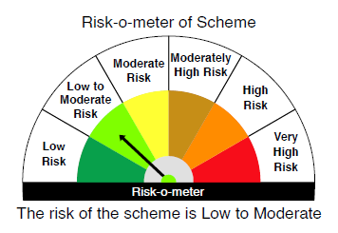
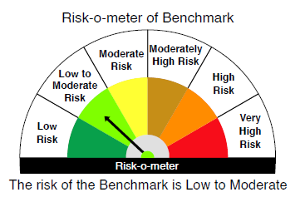

 |  | Relatively Low (Class A: CRV >=12) | Moderate (Class B : CRV >=10) | Relatively High (Class C: CRV <10)

 | Relatively Low Class I: (MD<=1 year) |  | B-I

 | Moderate Class II: (MD<=3 years)

 | Relatively High Class III: Any Macaulay duration

YO25
 | Motilal Oswal Nifty 5 year Benchmark G-Sec ETF

 | Fortnightly Portfolio Statement as on July 31,2025
 | Name of the Instrument | ISIN | Rating | Quantity | Market/Fair Value (Rs. in Lacs) | % to Net Assets | YTM
 | Debt Instruments
 | (a) Listed / awaiting listing on Stock Exchange
GOI6306 | 6.75% Government of India (23/12/2029) | IN0020240183 | SOVEREIGN | 12,329,400 | 12,673.48 | 99.29% | 6.11%
 | Sub Total |  |  |  | 12,673.48 | 99.29%
 | (b) Privately placed / Unlisted |  |  |  | NIL | NIL
 | Sub Total |  |  |  | NIL | NIL
 | Total |  |  |  | 12,673.48 | 99.29%
 | Net Receivables / (Payables) |  |  |  | 90.97 | 0.71%
 | GRAND TOTAL |  |  |  | 12,764.45 | 100.00%

 | SCHEME RISK-O-METER |  |  |  | BENCHMARK NAME - NIFTY 5 YR BENCHMARK G-SEC INDEX
 |  |  |  |  | BENCHMARK RISK-O-METER
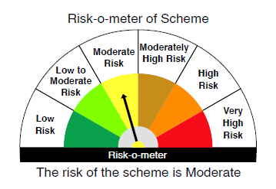
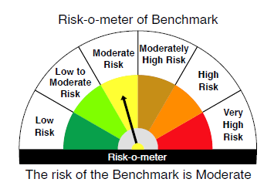

 | Max Credit Risk of scheme→ Max Interest Rate Risk of the scheme ↓ | Relatively Low (Class A: CRV >=12) | Moderate (Class B : CRV >=10) | Relatively High (Class C: CRV <10)

 | Relatively Low Class I: (MD<=1 year)

 | Moderate Class II: (MD<=3 years)

 | Relatively High Class III: Any Macaulay duration | A-III

