YO06
 | Motilal Oswal Ultra Short Term Fund

 | Fortnightly Portfolio Statement as on August 15,2025
 | Name of the Instrument | ISIN | Rating | Quantity | Market/Fair Value (Rs. in Lacs) | % to Net Assets | YTM
 | Money Market Instruments
 | Certificate of Deposit
BKBA497 | Bank of Baroda (13/10/2025) ** # | INE028A16IH9 | FITCH A1+ | 2,500,000 | 2,477.17 | 4.32% | 5.80%
IDBK520 | IDFC First Bank Limited (18/11/2025) ** # | INE092T16XS1 | CRISIL A1+ | 2,500,000 | 2,461.30 | 4.29% | 6.10%
BKIN460 | Bank of India (28/11/2025) ** # | INE084A16CS2 | CRISIL A1+ | 2,500,000 | 2,457.84 | 4.29% | 6.02%
UNBI408 | Union Bank of India (05/12/2025) ** # | INE692A16ID1 | ICRA A1+ | 2,500,000 | 2,455.31 | 4.28% | 5.99%
CANB1018 | Canara Bank (12/12/2025) ** # | INE476A16ZQ5 | CRISIL A1+ | 2,500,000 | 2,452.59 | 4.28% | 5.98%
NBAR839 | National Bank For Agriculture and Rural Development (25/03/2026) ** # | INE261F16AA7 | CRISIL A1+ | 2,500,000 | 2,410.38 | 4.20% | 6.14%
INBK489 | Indian Bank (12/06/2026) ** # | INE562A16PB5 | CRISIL A1+ | 2,500,000 | 2,377.67 | 4.15% | 6.26%
UTIB1333 | Axis Bank Limited (08/10/2025) ** # | INE238AD6934 | CRISIL A1+ | 500,000 | 495.80 | 0.86% | 5.84%
 | Sub Total |  |  |  | 17,588.06 | 30.67%
 | Commercial Paper
HDBF341 | HDB Financial Services Limited (04/09/2025) ** | INE756I14EW1 | CRISIL A1+ | 2,500,000 | 2,492.09 | 4.35% | 6.10%
CHOL1084 | Cholamandalam Investment and Finance Company Ltd (14/11/2025) ** | INE121A14XG8 | CRISIL A1+ | 2,500,000 | 2,460.86 | 4.29% | 6.45%
KOMP1732 | Kotak Mahindra Prime Limited (27/03/2026) | INE916D144Z5 | CRISIL A1+ | 2,500,000 | 2,406.49 | 4.20% | 6.36%
TCAL520 | Tata Capital Limited (21/05/2026) | INE976I14PZ4 | CRISIL A1+ | 2,500,000 | 2,378.10 | 4.15% | 6.73%
 | Sub Total |  |  |  | 9,737.54 | 16.99%
 | Treasury Bill
TBIL2453 | 364 Days Tbill (MD 26/12/2025) | IN002024Z370 | SOVEREIGN | 7,500,000 | 7,353.75 | 12.82% | 5.50%
TBIL2439 | 364 Days Tbill (MD 28/08/2025) | IN002024Z222 | SOVEREIGN | 5,000,000 | 4,991.14 | 8.70% | 5.40%
TBIL2414 | 364 Days Tbill (MD 09/10/2025) | IN002024Z263 | SOVEREIGN | 4,500,000 | 4,464.00 | 7.78% | 5.45%
TBIL2405 | 364 Days Tbill (MD 04/09/2025) | IN002024Z230 | SOVEREIGN | 3,000,000 | 2,991.59 | 5.22% | 5.40%
TBIL2471 | 364 Days Tbill (MD 12/02/2026) | IN002024Z446 | SOVEREIGN | 3,000,000 | 2,920.36 | 5.09% | 5.53%
TBIL2429 | 364 Days Tbill (MD 06/11/2025) | IN002024Z305 | SOVEREIGN | 2,500,000 | 2,469.83 | 4.31% | 5.44%
TBIL2431 | 364 Days Tbill (MD 13/11/2025) | IN002024Z313 | SOVEREIGN | 2,500,000 | 2,467.23 | 4.30% | 5.45%
 | Sub Total |  |  |  | 27,657.90 | 48.22%
 | Total |  |  |  | 54,983.50 | 95.88%
 | Others
 | Corporate Debt Market Development Fund
CDMD50ME | Corporate Debt Market Development Fund | INF0RQ622028 |  | 1,358 | 153.59 | 0.27%
 | Sub Total |  |  |  | 153.59 | 0.27%
 | Total |  |  |  | 153.59 | 0.27%
 | Tri-Party REPO - Corporate Bonds for which settlement is guaranteed by clearing corporation
TRP_180825 | TRP_180825 |  |  |  | 2,144.37 | 3.74% | 5.39%
 | Sub Total |  |  |  | 2,144.37 | 3.74%
 | Total |  |  |  | 2,144.37 | 3.74%
 | Net Receivables / (Payables) |  |  |  | 62.81 | 0.11%
 | GRAND TOTAL |  |  |  | 57,344.27 | 100.00%

 | ** Thinly Traded / Non Traded Security
 | # Unlisted Security

 | SCHEME RISK-O-METER |  |  | BENCHMARK NAME - CRISIL ULTRA SHORT DURATION FUND AI INDEX
 |  |  |  | BENCHMARK RISK-O-METER
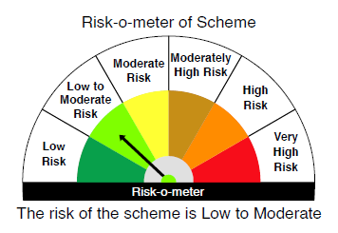
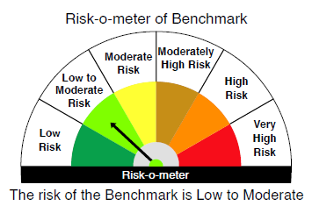

 |  | Relatively Low (Class A: CRV >=12) | Moderate (Class B : CRV >=10) | Relatively High (Class C: CRV <10)

 | Relatively Low Class I: (MD<=1 year) |  | B-I

 | Moderate Class II: (MD<=3 years)

 | Relatively High Class III: Any Macaulay duration

YO25
 | Motilal Oswal Nifty 5 year Benchmark G-Sec ETF

 | Fortnightly Portfolio Statement as on August 15,2025
 | Name of the Instrument | ISIN | Rating | Quantity | Market/Fair Value (Rs. in Lacs) | % to Net Assets | YTM
 | Debt Instruments
 | (a) Listed / awaiting listing on Stock Exchange
GOI6306 | 6.75% Government of India (23/12/2029) | IN0020240183 | SOVEREIGN | 12,627,400 | 12,905.54 | 99.01% | 6.26%
 | Sub Total |  |  |  | 12,905.54 | 99.01%
 | (b) Privately placed / Unlisted |  |  |  | NIL | NIL
 | Sub Total |  |  |  | NIL | NIL
 | Total |  |  |  | 12,905.54 | 99.01%
 | Net Receivables / (Payables) |  |  |  | 129.09 | 0.99%
 | GRAND TOTAL |  |  |  | 13,034.63 | 100.00%

 | SCHEME RISK-O-METER |  |  |  | BENCHMARK NAME - NIFTY 5 YR BENCHMARK G-SEC INDEX
 |  |  |  |  | BENCHMARK RISK-O-METER
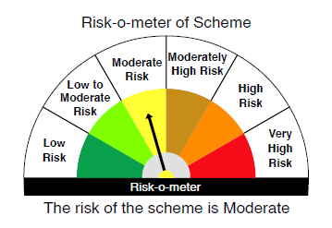
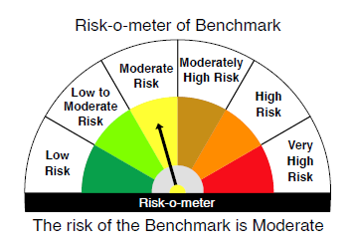

 | Max Credit Risk of scheme→ Max Interest Rate Risk of the scheme ↓ | Relatively Low (Class A: CRV >=12) | Moderate (Class B : CRV >=10) | Relatively High (Class C: CRV <10)

 | Relatively Low Class I: (MD<=1 year)

 | Moderate Class II: (MD<=3 years)

 | Relatively High Class III: Any Macaulay duration | A-III

