YO06
 | Motilal Oswal Ultra Short Term Fund

 | Fortnightly Portfolio Statement as on December 15,2025
 | Name of the Instrument | ISIN | Rating | Quantity | Market/Fair Value (Rs. in Lacs) | % to Net Assets | YTM
 | Money Market Instruments
 | Certificate of Deposit
PUBA1074 | Punjab National Bank (08/01/2026) ** # | INE160A16QT8 | CRISIL A1+ | 2,500,000 | 2,490.51 | 4.56% | 6.05%
NBAR839 | National Bank For Agriculture and Rural Development (25/03/2026) ** # | INE261F16AA7 | CRISIL A1+ | 2,500,000 | 2,459.39 | 4.51% | 6.09%
SIDB604 | Small Industries Dev Bank of India (05/05/2026) ** # | INE556F16BH3 | CRISIL A1+ | 2,500,000 | 2,439.65 | 4.47% | 6.45%
BKBA530 | Bank of Baroda (25/05/2026) ** # | INE028A16JR6 | FITCH A1+ | 2,500,000 | 2,431.78 | 4.46% | 6.40%
FEBA351 | The Federal Bank Limited (29/05/2026) ** # | INE171A16MY4 |  | 2,500,000 | 2,429.22 | 4.45% | 6.48%
EXIM808 | Export Import Bank of India (11/06/2026) ** # | INE514E16CM3 | CRISIL A1+ | 2,500,000 | 2,424.75 | 4.44% | 6.40%
INBK489 | Indian Bank (12/06/2026) ** # | INE562A16PB5 | CRISIL A1+ | 2,500,000 | 2,424.56 | 4.44% | 6.38%
UNBI444 | Union Bank of India (25/06/2026) # | INE692A16JQ1 | ICRA A1+ | 2,500,000 | 2,419.23 | 4.43% | 6.38%
UTIB1369 | Axis Bank Limited (11/08/2026) ** # | INE238AD6BD9 | CRISIL A1+ | 2,500,000 | 2,396.40 | 4.39% | 6.63%
HDFB1015 | HDFC Bank Limited (11/09/2026) ** # | INE040A16HN4 | CRISIL A1+ | 2,500,000 | 2,383.54 | 4.37% | 6.63%
 | Sub Total |  |  |  | 24,299.03 | 44.52%
 | Commercial Paper
MUFL443 | Muthoot Finance Limited (12/01/2026) ** | INE414G14UB1 | ICRA A1+ | 2,500,000 | 2,487.65 | 4.56% | 6.71%
KOMP1732 | Kotak Mahindra Prime Limited (27/03/2026) ** | INE916D144Z5 | CRISIL A1+ | 2,500,000 | 2,455.30 | 4.50% | 6.58%
TCAL520 | Tata Capital Limited (21/05/2026) ** | INE976I14PZ4 | CRISIL A1+ | 2,500,000 | 2,429.45 | 4.45% | 6.80%
BAFL1005 | Bajaj Finance Limited (06/11/2026) ** | INE296A14D21 | CRISIL A1+ | 2,500,000 | 2,353.62 | 4.31% | 6.99%
 | Sub Total |  |  |  | 9,726.02 | 17.82%
 | Treasury Bill
TBIL2453 | 364 Days Tbill (MD 26/12/2025) | IN002024Z370 | SOVEREIGN | 7,500,000 | 7,488.98 | 13.72% | 5.38%
TBIL2471 | 364 Days Tbill (MD 12/02/2026) | IN002024Z446 | SOVEREIGN | 3,000,000 | 2,975.09 | 5.45% | 5.27%
TBIL2588 | 182 Days Tbill (MD 14/05/2026) | IN002025Y339 | SOVEREIGN | 2,500,000 | 2,445.42 | 4.48% | 5.47%
TBIL2560 | 364 Days Tbill (MD 10/09/2026) | IN002025Z245 | SOVEREIGN | 2,500,000 | 2,403.61 | 4.40% | 5.46%
 | Sub Total |  |  |  | 15,313.10 | 28.05%
 | Total |  |  |  | 49,338.15 | 90.39%
 | Others
 | Corporate Debt Market Development Fund
CDMD50ME | Corporate Debt Market Development Fund | INF0RQ622028 |  | 1,358 | 156.46 | 0.29%
 | Sub Total |  |  |  | 156.46 | 0.29%
 | Total |  |  |  | 156.46 | 0.29%
 | Tri-Party REPO - Corporate Bonds for which settlement is guaranteed by clearing corporation
TRP_161225 | TRP_161225 |  |  |  | 5,038.00 | 9.23% | 5.30%
 | Sub Total |  |  |  | 5,038.00 | 9.23%
 | Total |  |  |  | 5,038.00 | 9.23%
 | Net Receivables / (Payables) |  |  |  | 42.18 | 0.09%
 | GRAND TOTAL |  |  |  | 54,574.79 | 100.00%

 | ** Thinly Traded / Non Traded Security
 | # Unlisted Security

 | SCHEME RISK-O-METER |  |  | BENCHMARK NAME - CRISIL ULTRA SHORT DURATION FUND AI INDEX
 |  |  |  | BENCHMARK RISK-O-METER
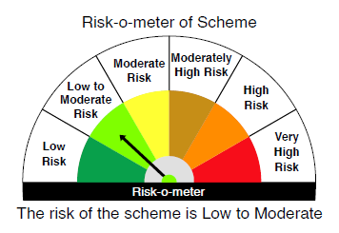
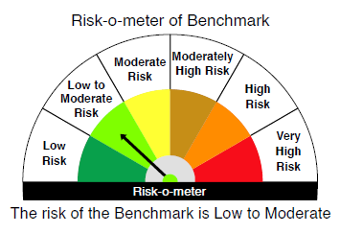

 |  | Relatively Low (Class A: CRV >=12) | Moderate (Class B : CRV >=10) | Relatively High (Class C: CRV <10)

 | Relatively Low Class I: (MD<=1 year) |  | B-I

 | Moderate Class II: (MD<=3 years)

 | Relatively High Class III: Any Macaulay duration

YO25
 | Motilal Oswal Nifty 5 year Benchmark G-Sec ETF

 | Fortnightly Portfolio Statement as on December 15,2025
 | Name of the Instrument | ISIN | Rating | Quantity | Market/Fair Value (Rs. in Lacs) | % to Net Assets | YTM
 | Debt Instruments
 | (a) Listed / awaiting listing on Stock Exchange
GOI6919 | 6.01% Government of India (21/07/2030) | IN0020250067 | SOVEREIGN | 14,088,800 | 13,916.96 | 97.58% | 6.42%
 | Sub Total |  |  |  | 13,916.96 | 97.58%
 | (b) Privately placed / Unlisted |  |  |  | NIL | NIL
 | Sub Total |  |  |  | NIL | NIL
 | Total |  |  |  | 13,916.96 | 97.58%
 | Net Receivables / (Payables) |  |  |  | 344.92 | 2.42%
 | GRAND TOTAL |  |  |  | 14,261.88 | 100.00%

 | SCHEME RISK-O-METER |  |  |  | BENCHMARK NAME - NIFTY 5 YR BENCHMARK G-SEC INDEX
 |  |  |  |  | BENCHMARK RISK-O-METER
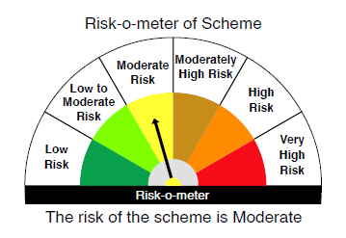
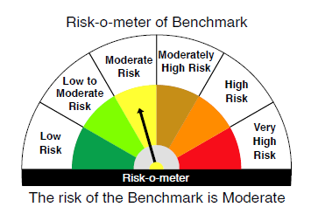

 | Max Credit Risk of scheme→ Max Interest Rate Risk of the scheme ↓ | Relatively Low (Class A: CRV >=12) | Moderate (Class B : CRV >=10) | Relatively High (Class C: CRV <10)

 | Relatively Low Class I: (MD<=1 year)

 | Moderate Class II: (MD<=3 years)

 | Relatively High Class III: Any Macaulay duration | A-III

