YO06
 | Motilal Oswal Ultra Short Term Fund

 | Fortnightly Portfolio Statement as on November 30,2025
 | Name of the Instrument | ISIN | Rating | Quantity | Market/Fair Value (Rs. in Lacs) | % to Net Assets | YTM
 | Money Market Instruments
 | Certificate of Deposit
CANB1018 | Canara Bank (12/12/2025) ** # | INE476A16ZQ5 | CRISIL A1+ | 2,500,000 | 2,495.60 | 4.41% | 5.85%
PUBA1074 | Punjab National Bank (08/01/2026) ** # | INE160A16QT8 | CRISIL A1+ | 2,500,000 | 2,484.28 | 4.39% | 6.08%
NBAR839 | National Bank For Agriculture and Rural Development (25/03/2026) ** # | INE261F16AA7 | CRISIL A1+ | 2,500,000 | 2,454.54 | 4.34% | 5.93%
SIDB604 | Small Industries Dev Bank of India (05/05/2026) ** # | INE556F16BH3 | CRISIL A1+ | 2,500,000 | 2,435.62 | 4.31% | 6.23%
BKBA530 | Bank of Baroda (25/05/2026) ** # | INE028A16JR6 | FITCH A1+ | 2,500,000 | 2,427.61 | 4.29% | 6.22%
EXIM808 | Export Import Bank of India (11/06/2026) ** # | INE514E16CM3 | CRISIL A1+ | 2,500,000 | 2,421.29 | 4.28% | 6.18%
INBK489 | Indian Bank (12/06/2026) ** # | INE562A16PB5 | CRISIL A1+ | 2,500,000 | 2,420.52 | 4.28% | 6.21%
UNBI444 | Union Bank of India (25/06/2026) # | INE692A16JQ1 | ICRA A1+ | 2,500,000 | 2,415.22 | 4.27% | 6.22%
UTIB1369 | Axis Bank Limited (11/08/2026) ** # | INE238AD6BD9 | CRISIL A1+ | 2,500,000 | 2,394.13 | 4.23% | 6.38%
HDFB1015 | HDFC Bank Limited (11/09/2026) ** # | INE040A16HN4 | CRISIL A1+ | 2,500,000 | 2,381.82 | 4.21% | 6.38%
 | Sub Total |  |  |  | 24,330.63 | 43.01%
 | Commercial Paper
MUFL443 | Muthoot Finance Limited (12/01/2026) ** | INE414G14UB1 | ICRA A1+ | 2,500,000 | 2,480.75 | 4.38% | 6.74%
KOMP1732 | Kotak Mahindra Prime Limited (27/03/2026) ** | INE916D144Z5 | CRISIL A1+ | 2,500,000 | 2,449.21 | 4.33% | 6.52%
TCAL520 | Tata Capital Limited (21/05/2026) ** | INE976I14PZ4 | CRISIL A1+ | 2,500,000 | 2,425.02 | 4.29% | 6.60%
BAFL1005 | Bajaj Finance Limited (06/11/2026) ** | INE296A14D21 | CRISIL A1+ | 2,500,000 | 2,353.14 | 4.16% | 6.70%
 | Sub Total |  |  |  | 9,708.12 | 17.16%
 | Treasury Bill
TBIL2453 | 364 Days Tbill (MD 26/12/2025) | IN002024Z370 | SOVEREIGN | 7,500,000 | 7,472.98 | 13.21% | 5.28%
TBIL2471 | 364 Days Tbill (MD 12/02/2026) | IN002024Z446 | SOVEREIGN | 3,000,000 | 2,968.51 | 5.25% | 5.30%
TBIL2588 | 182 Days Tbill (MD 14/05/2026) | IN002025Y339 | SOVEREIGN | 2,500,000 | 2,439.66 | 4.31% | 5.50%
TBIL2560 | 364 Days Tbill (MD 10/09/2026) | IN002025Z245 | SOVEREIGN | 2,500,000 | 2,397.65 | 4.24% | 5.51%
 | Sub Total |  |  |  | 15,278.80 | 27.01%
 | Total |  |  |  | 49,317.55 | 87.18%
 | Others
 | Corporate Debt Market Development Fund
CDMD50ME | Corporate Debt Market Development Fund | INF0RQ622028 |  | 1,358 | 156.11 | 0.28%
 | Sub Total |  |  |  | 156.11 | 0.28%
 | Total |  |  |  | 156.11 | 0.28%
 | Tri-Party REPO - Corporate Bonds for which settlement is guaranteed by clearing corporation
TRP_011225 | TRP_011225 |  |  |  | 7,212.00 | 12.75% | 5.20%
 | Sub Total |  |  |  | 7,212.00 | 12.75%
 | Total |  |  |  | 7,212.00 | 12.75%
 | Net Receivables / (Payables) |  |  |  | (111.68) | (0.21)%
 | GRAND TOTAL |  |  |  | 56,573.98 | 100.00%

 | ** Thinly Traded / Non Traded Security
 | # Unlisted Security

 | SCHEME RISK-O-METER |  |  | BENCHMARK NAME - CRISIL ULTRA SHORT DURATION FUND AI INDEX
 |  |  |  | BENCHMARK RISK-O-METER
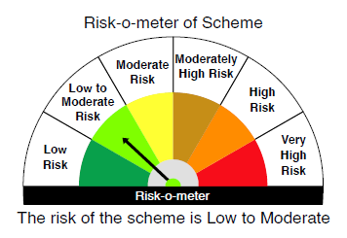
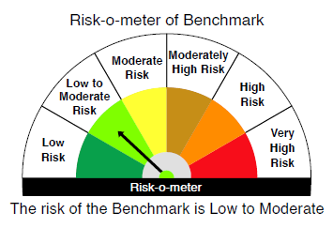

 |  | Relatively Low (Class A: CRV >=12) | Moderate (Class B : CRV >=10) | Relatively High (Class C: CRV <10)

 | Relatively Low Class I: (MD<=1 year) |  | B-I

 | Moderate Class II: (MD<=3 years)

 | Relatively High Class III: Any Macaulay duration

YO25
 | Motilal Oswal Nifty 5 year Benchmark G-Sec ETF

 | Fortnightly Portfolio Statement as on November 30,2025
 | Name of the Instrument | ISIN | Rating | Quantity | Market/Fair Value (Rs. in Lacs) | % to Net Assets | YTM
 | Debt Instruments
 | (a) Listed / awaiting listing on Stock Exchange
GOI6919 | 6.01% Government of India (21/07/2030) | IN0020250067 | SOVEREIGN | 13,842,800 | 13,727.61 | 97.84% | 6.31%
 | Sub Total |  |  |  | 13,727.61 | 97.84%
 | (b) Privately placed / Unlisted |  |  |  | NIL | NIL
 | Sub Total |  |  |  | NIL | NIL
 | Total |  |  |  | 13,727.61 | 97.84%
 | Net Receivables / (Payables) |  |  |  | 303.71 | 2.16%
 | GRAND TOTAL |  |  |  | 14,031.32 | 100.00%

 | SCHEME RISK-O-METER |  |  |  | BENCHMARK NAME - NIFTY 5 YR BENCHMARK G-SEC INDEX
 |  |  |  |  | BENCHMARK RISK-O-METER
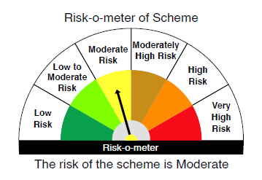
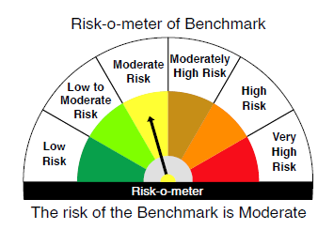

 | Max Credit Risk of scheme→ Max Interest Rate Risk of the scheme ↓ | Relatively Low (Class A: CRV >=12) | Moderate (Class B : CRV >=10) | Relatively High (Class C: CRV <10)

 | Relatively Low Class I: (MD<=1 year)

 | Moderate Class II: (MD<=3 years)

 | Relatively High Class III: Any Macaulay duration | A-III

